Schedules
Computer Equipment Schedules
Monthly Computer room equipment load profile
Jan | 0.25
Feb | 0.5
Mar | 0.75
Apr | 1
May | 0.25
Jun | 0.5
Jul | 0.75
Aug | 1
Sep | 0.25
Oct | 0.5
Nov | 0.75
Dec | 1

Reference: ASHRAE 90.1-2013 Computer Room Equipment Schedules

CFD assumptions
CFD simulation assumptions
 | Small Data Center |  | Large Data Center |  | Reference
Room dimension | 30' * 20' (9.144m * 6.096m) |  | 100' * 60' (30.48m * 18.288m) |  | See sheets "Computer Room" and "Data Center"
Room height (feet) | 14 |  |  |  | See sheets "Computer Room" and "Data Center"
Raised floor height (feet) | 2 |  | 2.5 |  | See sheets "Computer Room" and "Data Center"
IT load density (W/ft2) | 40 | 100 | 100 | 500 | See sheets "Computer Room" and "Data Center"
Total IT load, calculated (kW) | 24 | 60 | 600 | 3000
IT rack dimensions | Height: 78.39'' (1991mm) Width: 23.62'' (600mm) Depth: 42.13'' (1070mm) |  |  |  | 42U, based on the EIA (Electronic Industries Alliance) standard
kW per rack | 4 | 5 | 15 | 20 | 1. https://lifelinedatacenters.com/data-center/data-center-power-density/ 2. http://www.datacenterjournal.com/raising-data-center-power-density/
Aisle arrangement | 7-tile pitch | 7-tile pitch | 7-tile pitch | 8-tile pitch (3-tile cold aisle) | 1. aisle pitch: measurement of row-to-row spacing between the center of adjacent cold aisles 2. https://www.server-racks.com/aisle-pitch.html 3. 2'*2' aisle
Number of rows | 2 | 4 | 10 | 10 | Data Center Projects: Establishing a Floor Plan (https://www.apc.com/salestools/VAVR-6KYMZ7/VAVR-6KYMZ7_R2_EN.pdf)
Number of racks per row, calculated | 3 | 3 | 4 | 15
Supply air temperature (°C) | 22.5 | 22.5 | 22.5 | 22.5 | Pick middle of the recommended IT inlet dry-bulb range 18-27°C according to the Thermal Guidelines for Data Processing Environment. This considers the potential temperature rise from AHU supply to IT inlet
Wall temperature (°C) | 35
Layout plan | 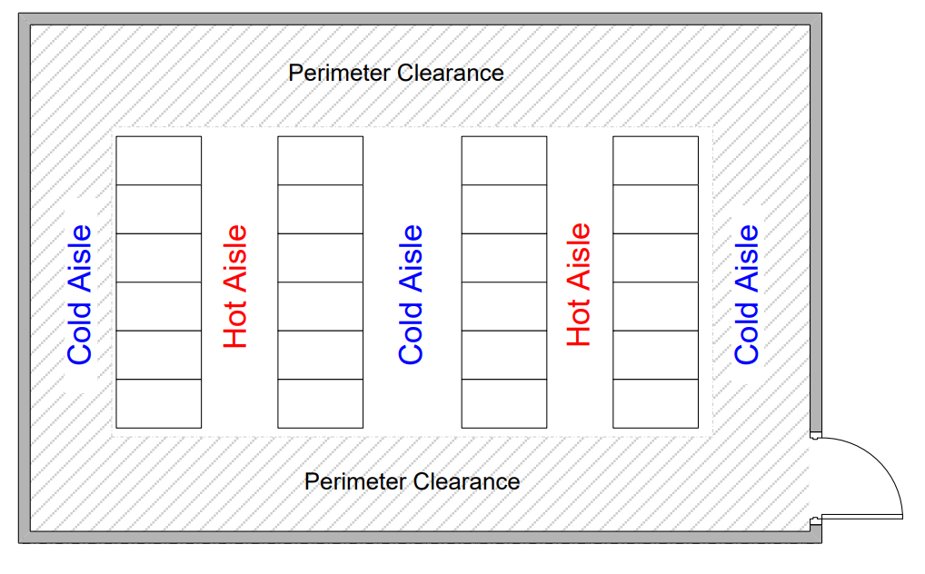 Cold aisle on sides, hot aisles in the middle |  |  |  | Data Center Projects: Establishing a Floor Plan (https://www.apc.com/salestools/VAVR-6KYMZ7/VAVR-6KYMZ7_R2_EN.pdf)
Semi-enclosed (cold aisle) layout | Cold aisle contained to the height of the IT rack |  |  |  | https://briggsway.com/2018/06/04/hot-and-cold-aisle-containment-fans-vents-and-raised-floors/
Semi-enclosed (hot aisle) layout | 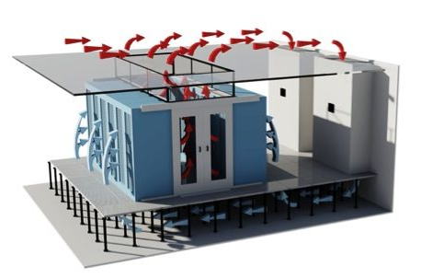 Hot aisle contained to the ceiling |  |  |  | https://briggsway.com/2018/06/04/hot-and-cold-aisle-containment-fans-vents-and-raised-floors/
Fully enclosed | Combination of the two above

Scenarios to simulate
Air containment | IT load ratio | Supply air flow rate (cfm/kW) | Supply air temperature (°C)
Cold-aisle containment | 50% | 120 | 22.5
Hot-aisle containment | 100% | 200
No containment (Fully open)

