VEuPathDB Fee Calculator
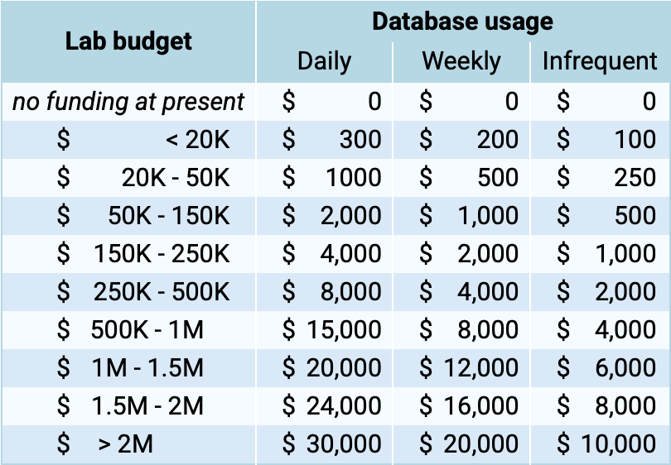
 | Fee Calculator
This private fee calculator is designed to help you assess your fair annual subscription fee to use VEuPathDB resources. Fill in cells that are shaded green.
 | Enter US dollar amount
Total Annual Lab Budget | $600,000
Please include all direct costs for the entire lab: grants, salaries, studentships, etc
Database Usage Frequency | Number of lab members (fill in as appropriate for your lab)
Daily | 10
Weekly | 2
Monthly | 2
Less Frequently | 0
Never | 2
Total Lab Size | 16
Suggested annual Subscription Fee: | $8,625.00

 | Go to Invoice Form

