ANT
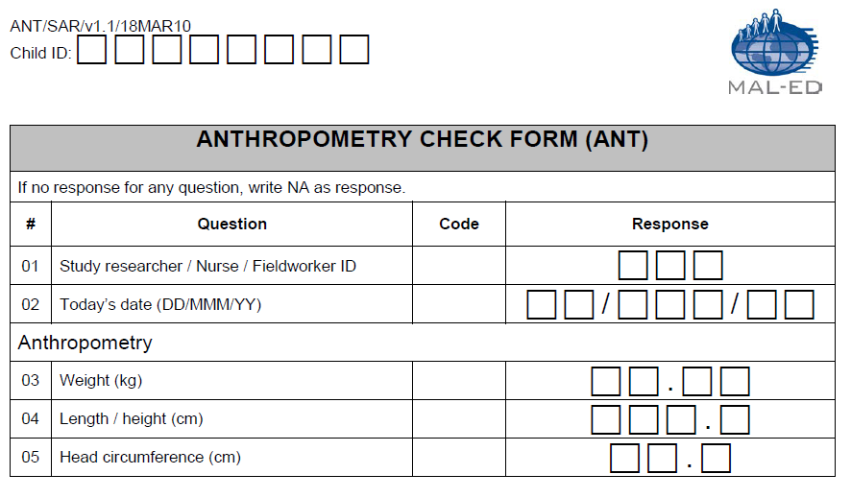
NB: This form is used on 5% of study children each month, within 24 hours of the monthly anthropometry collection, for quality control.
dbo.ANT.csv | Anthropometry Check Form (ANT)
Question# | Question | Field name | Type of Variable | Responses | Notes
 | Participant ID | Pid | Char(8) | XX#X####
 | Country ID | Country_ID | Char(2) | XX | appended by database
1 | Study researcher/Nurse/Fieldworker ID | ANTFIELDID | Int(3) | 0-999
2 | Today's date (DD/MMM/YY) | ANTDATE | Char(9) | Date (dd/mmm/yy)
3 | Weight (kg) | ANTWEIGHT | Char(5) | 00-99.99; Not applicable = NA
4 | Length / height (cm) | ANTHEIGHT | Char(5) | 00-999.9; Not applicable = NA
5 | Head circumference (cm) | ANTHEADCIRC | Char(4) | 00-99.9; Not applicable = NA
 | Data entry date | DateCreation | Date(9) | dd/Mmm/yy | appended by database
 | Database version | Version | Char(8) | text | appended by database
 | Form | Form_ID | Char(3) | ANT | appended by database

AVF
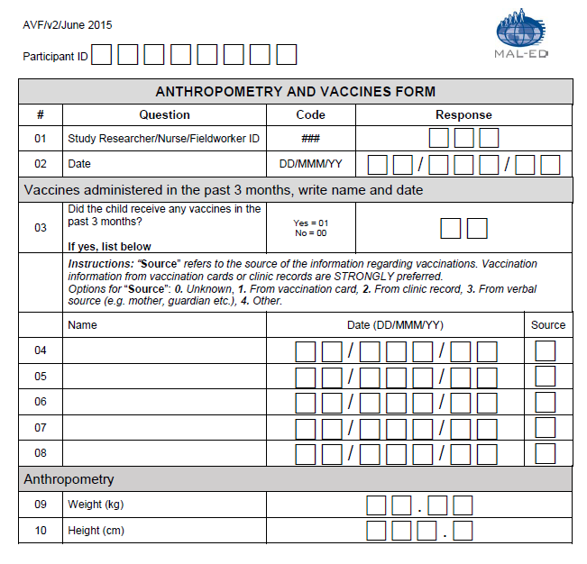
dbo.AVF.csv | Anthropometry and Vaccine Form (AVF)
Question # | Question | Field Name | Type of Variable | Responses | Skip Pattern | Notes
 | Participant ID | PID | Char(8) | XX#X####
1 | Study Researcher/Nurse/Fieldworker ID | AVFFIELD | Char(3) | 000-999
2 | Date | AVFDATE | Char(9) | DD/MMM/YY
3 | Did the child receive any vaccines in the past 3 months? | AVFANYVAC | Char(2) | Yes=01, No=00 | If no, skip to question 9.
4 | Vaccine Name | AVFVAC1NAME | Char(50) | Text, Not applicable=NA
 | Date administered | AVFVAC1DATE | Char(9) | DD/MMM/YY, Not applicable=NA
 | Source | AVFSOURCE1 | Char(2) | Unknown=0; From vaccination card=1; From clinic record=2; From verbal source=3; Other=4; NA=Not applicable
5 | Vaccine Name | AVFVAC2NAME | Char(50) | Text, Not applicable=NA
 | Date administered | AVFVAC2DATE | Char(9) | DD/MMM/YY, Not applicable=NA
 | Source | AVFSOURCE2 | Char(2) | Unknown=0; From vaccination card=1; From clinic record=2; From verbal source=3; Other=4; NA=Not applicable
6 | Vaccine Name | AVFVAC3NAME | Char(50) | Text, Not applicable=NA
 | Date administered | AVFVAC3DATE | Char(9) | DD/MMM/YY, Not applicable=NA
 | Source | AVFSOURCE3 | Char(2) | Unknown=0; From vaccination card=1; From clinic record=2; From verbal source=3; Other=4; NA=Not applicable
7 | Vaccine Name | AVFVAC4NAME | Char(50) | Text, Not applicable=NA
 | Date administered | AVFVAC4DATE | Char(9) | DD/MMM/YY, Not applicable=NA
 | Source | AVFSOURCE4 | Char(2) | Unknown=0; From vaccination card=1; From clinic record=2; From verbal source=3; Other=4; NA=Not applicable
8 | Vaccine Name | AVFVAC5NAME | Char(50) | Text, Not applicable=NA
 | Date administered | AVFVAC5DATE | Char(9) | DD/MMM/YY, Not applicable=NA
 | Source | AVFSOURCE5 | Char(2) | Unknown=0, From vaccination card=1, From clinic record=2, From verbal source=3, Other=4; NA=Not applicable
9 | Weight (kg) | AVFWT | Char(5) | 00-99.99
10 | Height (cm) | AVFHT | Char(5) | 00-999.9
 | Country ID | Country_ID | Char(2) | XX | appended by database
 | Data entry date | DateCreation | Date(9) | dd/Mmm/yy | appended by database
 | Target/scheduled month | target_month | Char(2) | 37-60 | appended by database
 | Assessment conducted in target window, extended window, out of window | window | Char(1) | Ideal: +/-7d from mensiverary | appended by database
 | Age (days) | agedays | Char(3) | AVFDATE – DOB | appended by database
 | Month of age by study schedule | month_ss | Char(2) | classification based on minimum time difference between actual assessment date and mensiversary (+/-15d). In cases where the day is equidistant from the two mensiversaries, the day is assigned to the earlier age. | appended by database
 | Age (months) | agemonths | Char(4) | agedays/30.44 | appended by database
 | Age (years) | ageyears | Char(3) | agedays/365.25 | appended by database
 | Database version | Version | Char(8) | text | appended by database
 | Form | Form_ID | Char(3) | AVF | appended by database

BCH
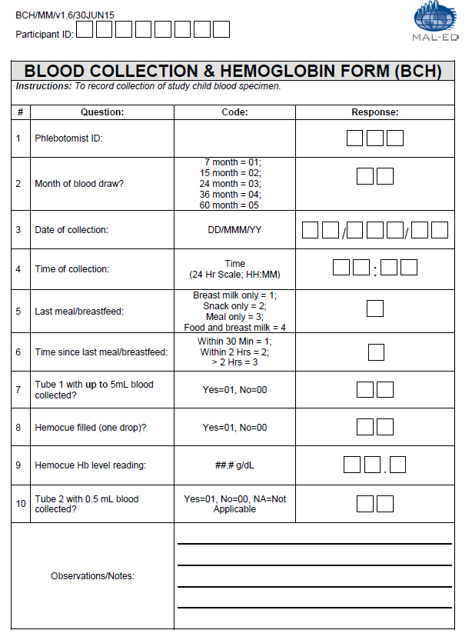
dbo.BCH.csv | Blood Collection & Hemoglobin Form (BCH)
Question# | Question | Field name | Type of Variable | Responses | Notes
 | Participant ID | Pid | Char(8) | XX#X####
 | Country ID | Country_ID | Char(2) | XX | appended by database
1 | Phlebotomist ID: | bchphleb | Char(3) | 000-999
2 | Month of blood draw? | bchsevorfif |  | 7 month = 01; 15 month= 02 ; 24 month= 03 ; 36 month= 04; 60 month= 05
3 | Date of collection: | bchdate | Char(9) | DD/MMM/YY
4 | Time of collection: | bchtimecol | Char(5) | HH:MM; Missing value = NA
5 | Last meal/breastfeed: | bchlastmeal | Char(2) | Breast milk only = 01; Food/snack only = 02; Food/meal only = 03; Food and breask milk = 04
6 | Time since last meal/breastfeed: | bchtimelastmeal | Char(5) | HH:MM; Missing value = NA
7 | Tube 1 with up to 5mL blood collected? | bchtube1 | Char(2) | Yes = 01; No = 00; Missing value = NA
8 | Hemocue filled (one drop)? | bchhemoc | Char(2) | Yes = 01; No = 00; Missing value = NA
9 | Hemocue Hb level reading: | bchhb | Char(4) | ##.#; Missing value = NA
10 | Tube 2 with 0.5 mL blood collected (15 month blood draw only)? | bchtube2 | Char(2) | Yes = 01; No = 00; NA=Not Applicable | NA option is added for the extension protocol (except PE data)
 | Data entry date | DateCreation | Date(9) | dd/Mmm/yy | appended by database
 | Target/scheduled month | target_month | Char(2) | 7,15,24,36, 60 | appended by database
 | Assessment conducted in target window, extended window, out of window | window | Char(1) | Ideal: -2/+12d from mensiverary | appended by database
 | Age (days) | agedays | Char(3) | BCHDATE – DOB | appended by database
 | Month of age by study schedule | month_ss | Char(2) | classification based on minimum time difference between actual assessment date and mensiversary (+/-15d). In cases where the day is equidistant from the two mensiversaries, the day is assigned to the earlier age. | appended by database
 | Age (months) | agemonths | Char(4) | agedays/30.44 | appended by database
 | Age (years) | ageyears | Char(3) | agedays/365.25 | appended by database
 | Database version | Version | Char(8) | text | appended by database
 | Form | Form_ID | Char(3) | BCH | appended by database

BRF
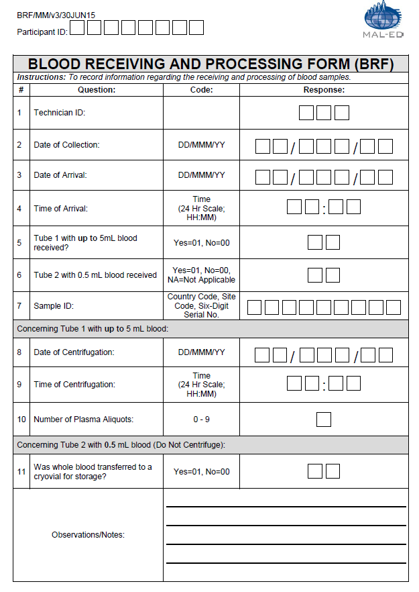
dbo.BRF.csv | Blood Receiving And Processing Form (BRF)
Question# | Question | Field name | Type of Variable | Responses | Notes
 | Participant ID | Pid | Char(8) | XX#X####
 | Country ID | Country_ID | Char(2) | XX | appended by database
1 | Technician ID: | brftech | Char(3) | 000-999
2 | Date of collection: | BRFDATECOL | Char(9) | DD/MMM/YY
3 | Date of Arrival: | brfdate | Char(9) | DD/MMM/YY
4 | Time of Arrival: | brftime | Char(5) | (24 Hr Scale; HH:MM)
5 | Tube 1 with up to 5mL blood received? | brftube1rec | Char(2) | Yes=01; No=00
6 | Tube 2 with 0.5 mL blood received (15 month blood draw only)? | brftube2rec | Char(2) | Yes=01; No=00; NA=Not Applicable | NA option is added for the extension protocol (except PE data)
7 | Sample ID: | brfsampid | Char(9) | Country Code, Site Code, Six-Digit Serial No.
8 | Date of Centrifugation: | brfdatecent | Char(9) | DD/MMM/YY
9 | Time of Centrifugation: | brftimecent | Char(5) | (24 Hr Scale; HH:MM)
10 | Number of Plasma Aliquots: | brfnumaliquot | Char(2) | 0 -9
11 | Was whole blood transferred to a cryovial for storage? | brfbloodtrf | Char(2) | Yes=01; No=00; NA=Not Applicable (for PE only) | This question is added for the extension protocol
 | Data entry date | DateCreation | Date(9) | dd/Mmm/yy | appended by database
 | Target/scheduled month | target_month | Char(2) | 7,15,24,36, 60 | appended by database
 | Assessment conducted in target window, extended window, out of window | window | Char(1) | Ideal: -2/+12d from mensiverary | appended by database
 | Age (days) | agedays | Char(3) | BRFDATECOL – DOB; if BRFDATECOL is missing, then BRFDATE - DOB | appended by database
 | Month of age by study schedule | month_ss | Char(2) | classification based on minimum time difference between actual assessment date and mensiversary (+/-15d). In cases where the day is equidistant from the two mensiversaries, the day is assigned to the earlier age. | appended by database
 | Age (months) | agemonths | Char(4) | agedays/30.44 | appended by database
 | Age (years) | ageyears | Char(3) | agedays/365.25 | appended by database
 | Database version | Version | Char(8) | text | appended by database
 | Form | Form_ID | Char(3) | BRF | appended by database

EFT
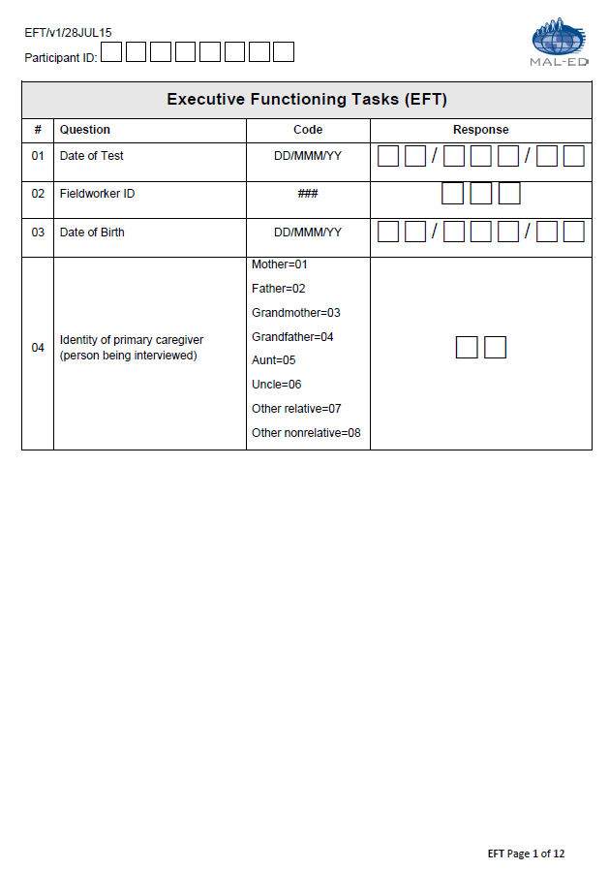
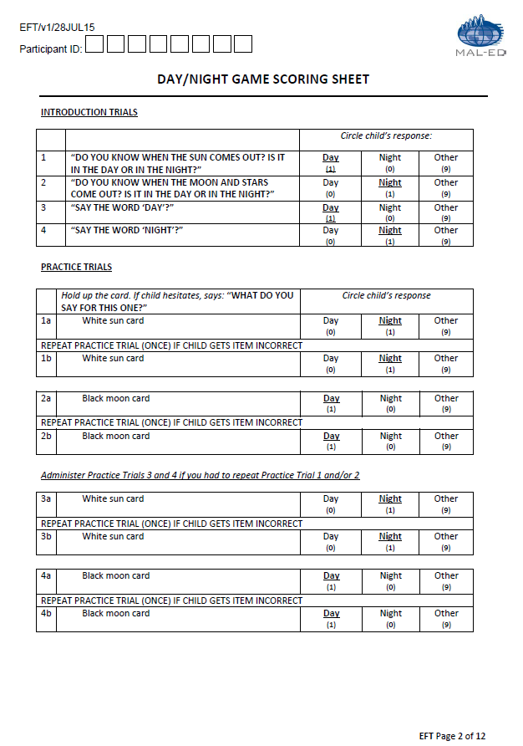
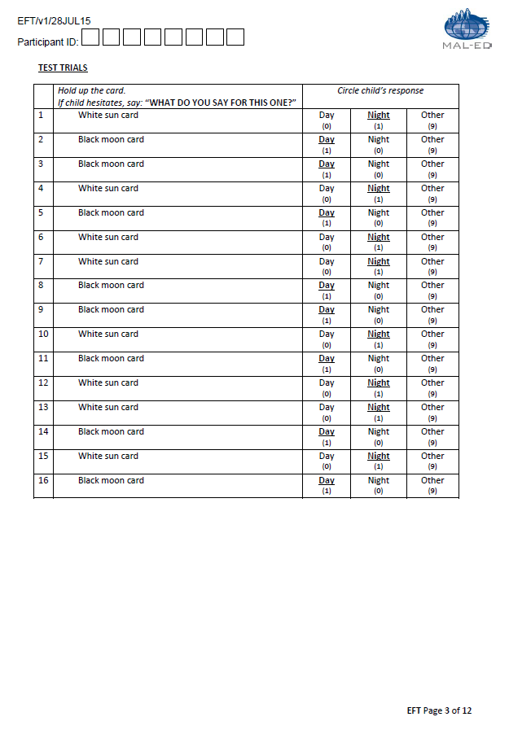
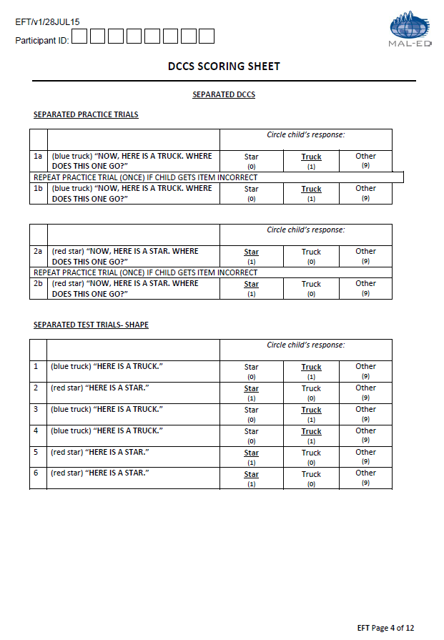
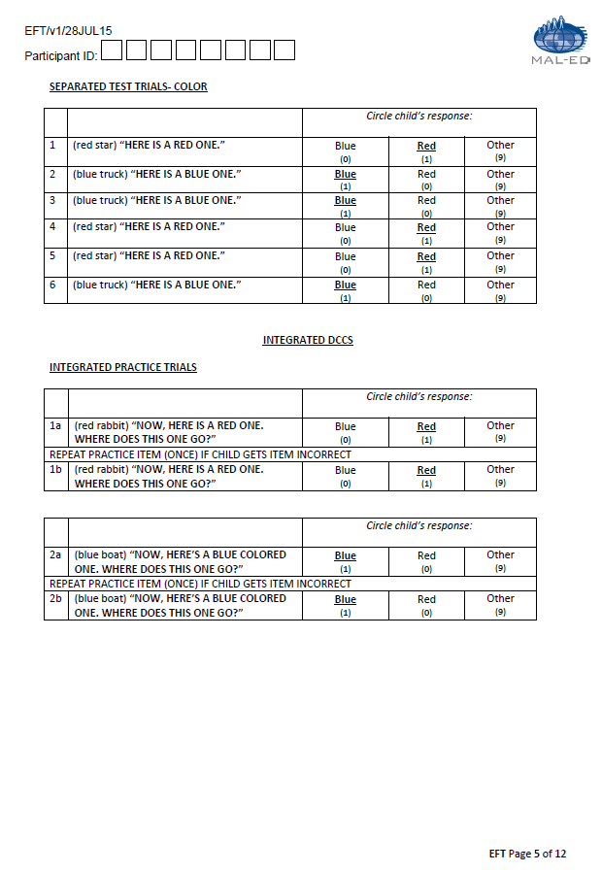
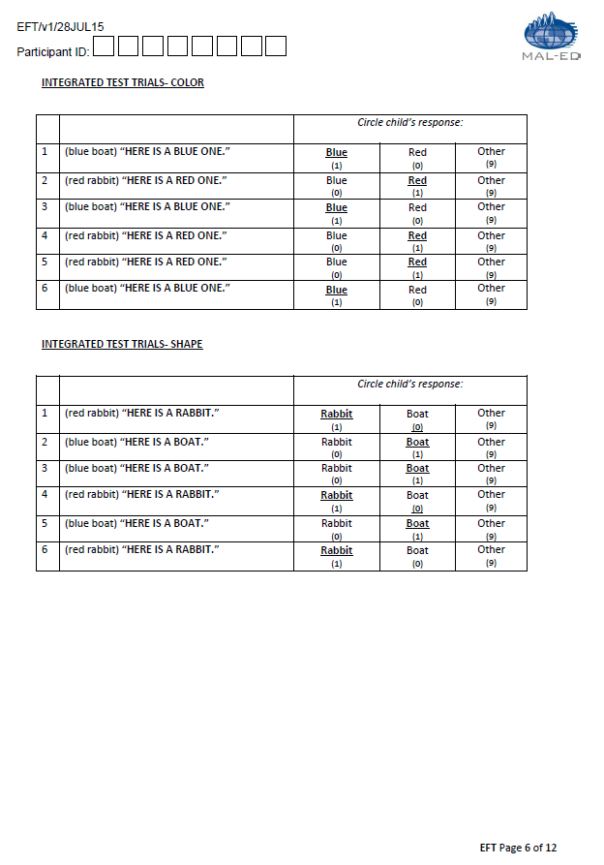
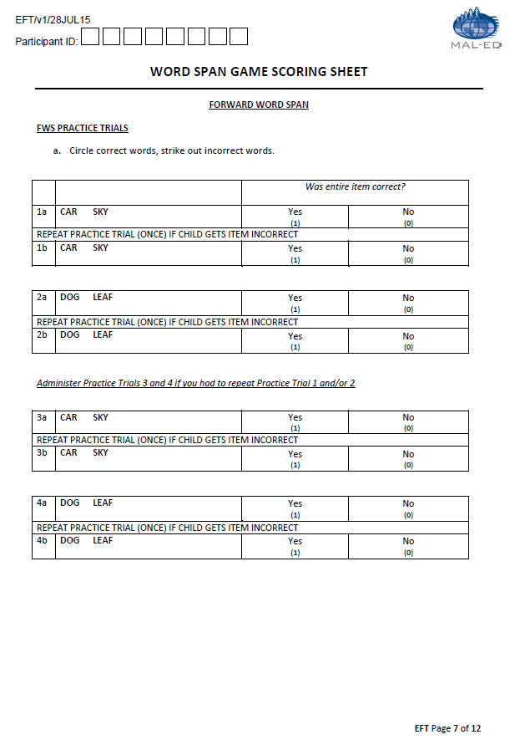
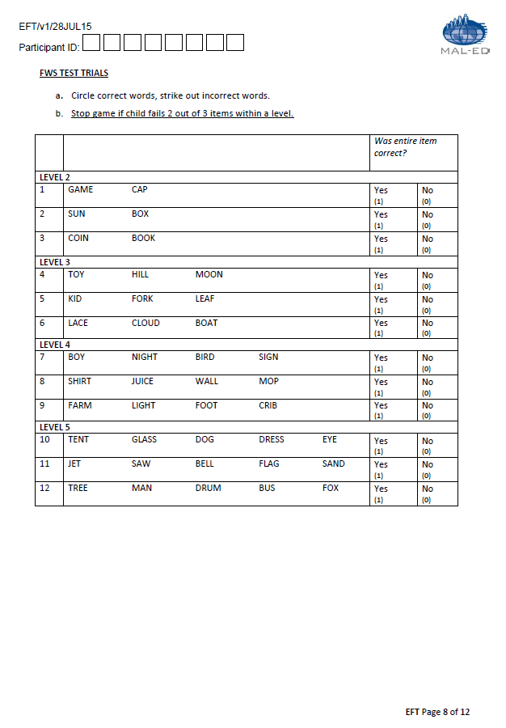
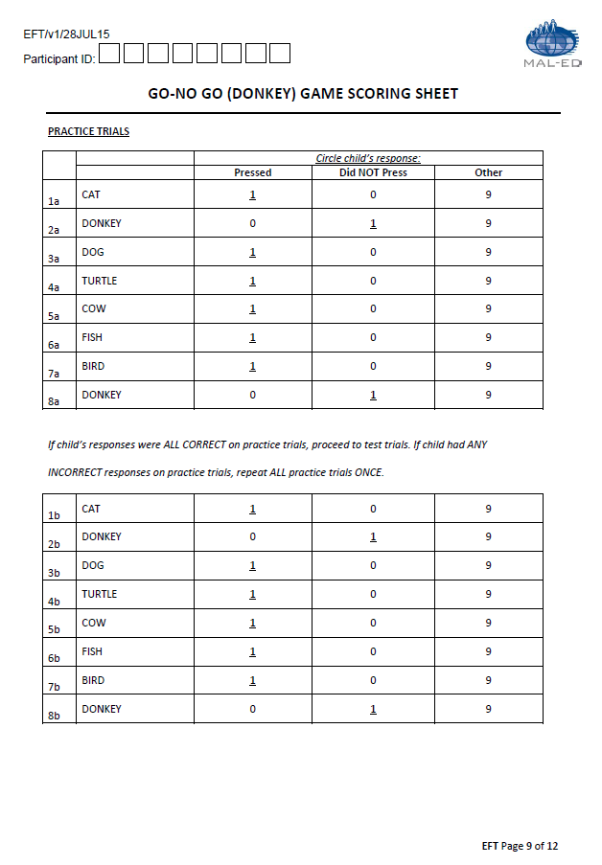
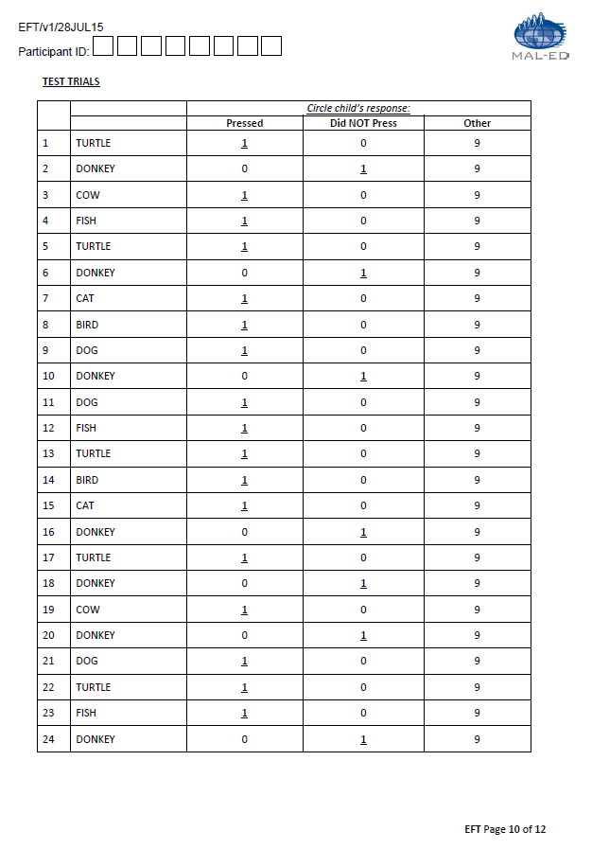
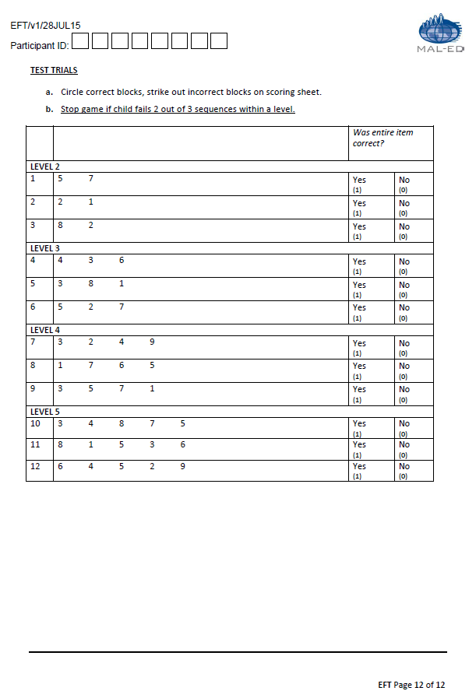
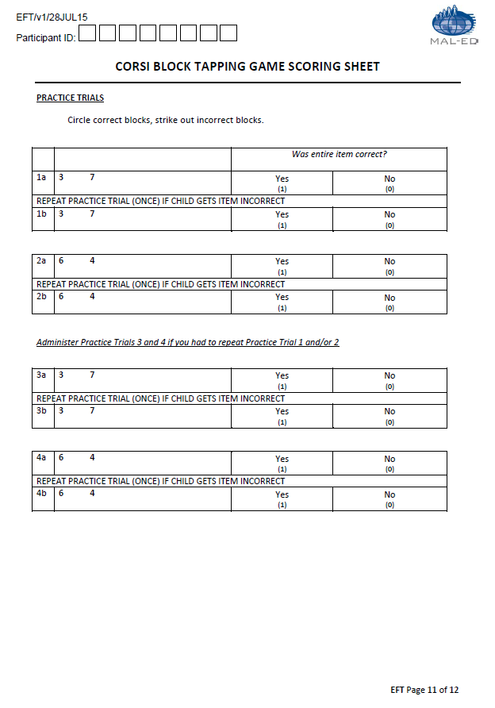
dbo.EFT.csv | Executive Functioning Tasks (EFT)
Question# | Question | Field name | Type of Variable | Responses | Notes | Notes2
1 | Participant ID | PID | Char(8) | XX#X####
2 | Date of Test | EFTDATE | Date(9) | MM/DD/YYYY
3 | Fieldworker ID | EFTFIELD | Char(3) | 000-999
4 | Date of Birth | EFTBIRTH | Date(9) | MM/DD/YYYY
5 | Identity of Primary Caregiver | EFTPRIM | Char(2) | 01=mother, 02=father, 03=grandmother, 04=grandfather, 05=aunt, 06=uncle, 07=other relative, 08=other nonrelative
6 | Day-Night: Introduction Trial 1 | EFDNIT1 | Char(2) | day=1; night=0; other=9; refusal=0R; Not applicable=NA* |  | * PK only - NA option is provided for every question
7 | Day-Night: Introduction Trial 2 | EFDNIT2 | Char(2) | day=0; night=1; other=9; refusal=0R; Not applicable=NA*
8 | Day-Night: Introduction Trial 3 | EFDNIT3 | Char(2) | day=1; night=0; other=9; refusal=0R; Not applicable=NA** |  | * TZ only
9 | Day-Night: Introduction Trial 4 | EFDNIT4 | Char(2) | day=0; night=1; other=9; refusal=0R; Not applicable=NA**
10 | Day-Night: Practice Trial 1a | EFDNPT1A | Char(2) | day=0; night=1; other=9; refusal=0R | Repeat practice trial 1b if the child got item incorrect
11 | Day-Night: Practice Trial 1b | EFDNPT1B | Char(2) | day=0; night=1; other=9; Not applicable=NA; refusal=0R |  | * TZ only - before starting MALED extension protocol, NA was used for item 11-13 (trial 1b, 2a, 2b) if the kid gets item 10 (trial 1a) correctly
12 | Day-Night: Practice Trial 2a | EFDNPT2A | Char(2) | day=1; night=0; other=9; refusal=0R; Not applicable=NA* | Repeat practice trial 2b if the child got item incorrect
13 | Day-Night: Practice Trial 2b | EFDNPT2B | Char(2) | day=1; night=0; other=9; Not applicable=NA; refusal=0R | If the child got both Practice Trial 1 and 2 correct, proceed to test trials. ------- If the child got either Practice Trial 1a OR Practice Trial 2a incorrect, administer Practice Trials 3 and 4.
14 | Day-Night: Practice Trial 3a | EFDNPT3A | Char(2) | day=0; night=1; other=9; Not applicable=NA; refusal=0R
15 | Day-Night: Practice Trial 3b | EFDNPT3B | Char(2) | day=0; night=1; other=9; Not applicable=NA; refusal=0R
16 | Day-Night: Practice Trial 4a | EFDNPT4A | Char(2) | day=1; night=0; other=9; Not applicable=NA; refusal=0R
17 | Day-Night: Practice Trial 4b | EFDNPT4B | Char(2) | day=1; night=0; other=9; Not applicable=NA; refusal=0R
18 | Day-Night: Test Trial 1 | EFDNTT1 | Char(2) | day=0; night=1; other=9; refusal=0R
19 | Day-Night: Test Trial 2 | EFDNTT2 | Char(2) | day=1; night=0; other=9; refusal=0R
20 | Day-Night: Test Trial 3 | EFDNTT3 | Char(2) | day=1; night=0; other=9; refusal=0R
21 | Day-Night: Test Trial 4 | EFDNTT4 | Char(2) | day=0; night=1; other=9; refusal=0R
22 | Day-Night: Test Trial 5 | EFDNTT5 | Char(2) | day=1; night=0; other=9; refusal=0R
23 | Day-Night: Test Trial 6 | EFDNTT6 | Char(2) | day=0; night=1; other=9; refusal=0R
24 | Day-Night: Test Trial 7 | EFDNTT7 | Char(2) | day=0; night=1; other=9; refusal=0R
25 | Day-Night: Test Trial 8 | EFDNTT8 | Char(2) | day=1; night=0; other=9; refusal=0R
26 | Day-Night: Test Trial 9 | EFDNTT9 | Char(2) | day=1; night=0; other=9; refusal=0R
27 | Day-Night: Test Trial 10 | EFDNTT10 | Char(2) | day=0; night=1; other=9; refusal=0R
28 | Day-Night: Test Trial 11 | EFDNTT11 | Char(2) | day=1; night=0; other=9; refusal=0R
29 | Day-Night: Test Trial 12 | EFDNTT12 | Char(2) | day=0; night=1; other=9; refusal=0R
30 | Day-Night: Test Trial 13 | EFDNTT13 | Char(2) | day=0; night=1; other=9; refusal=0R
31 | Day-Night: Test Trial 14 | EFDNTT14 | Char(2) | day=1; night=0; other=9; refusal=0R
32 | Day-Night: Test Trial 15 | EFDNTT15 | Char(2) | day=0; night=1; other=9; refusal=0R
33 | Day-Night: Test Trial 16 | EFDNTT16 | Char(2) | day=1; night=0; other=9; refusal=0R
34 | DCCS Separated: Picture Practice Trial 1a | EFSDCPPT1A | Char(2) | star=0; truck=1; other=9; refusal=0R | Repeat practice trial 1b if the child got item incorrect
35 | DCCS Separated: Picture Practice Trial 1b | EFSDCPPT1B | Char(2) | star=0; truck=1; other=9; Not applicable=NA; refusal=0R
36 | DCCS Separated: Picture Practice Trial 2a | EFSDCPPT2A | Char(2) | star=1; truck=0; other=9; refusal=0R | Repeat practice trial 2b if the child got item incorrect
37 | DCCS Separated: Picture Practice Trial 2b | EFSDCPPT2B | Char(2) | star=1; truck=0; other=9; Not applicable=NA; refusal=0R
38 | DCCS Separated: Picture Test Trial 1 | EFSDCPTT1 | Char(2) | star=0; truck=1; other=9; refusal=0R
39 | DCCS Separated: Picture Test Trial 2 | EFSDCPTT2 | Char(2) | star=1; truck=0; other=9; refusal=0R
40 | DCCS Separated: Picture Test Trial 3 | EFSDCPTT3 | Char(2) | star=0; truck=1; other=9; refusal=0R
41 | DCCS Separated: Picture Test Trial 4 | EFSDCPTT4 | Char(2) | star=0; truck=1; other=9; refusal=0R
42 | DCCS Separated: Picture Test Trial 5 | EFSDCPTT5 | Char(2) | star=1; truck=0; other=9; refusal=0R
43 | DCCS Separated: Picture Test Trial 6 | EFSDCPTT6 | Char(2) | star=1; truck=0; other=9; refusal=0R
44 | DCCS Separated: Color Test Trial 1 | EFSDCCTT1 | Char(2) | blue=0; red=1; other=9; refusal=0R
45 | DCCS Separated: Color Test Trial 2 | EFSDCCTT2 | Char(2) | blue=1; red=0; other=9; refusal=0R
46 | DCCS Separated: Color Test Trial 3 | EFSDCCTT3 | Char(2) | blue=1; red=0; other=9; refusal=0R
47 | DCCS Separated: Color Test Trial 4 | EFSDCCTT4 | Char(2) | blue=0; red=1; other=9; refusal=0R
48 | DCCS Separated: Color Test Trial 5 | EFSDCCTT5 | Char(2) | blue=0; red=1; other=9; refusal=0R
49 | DCCS Separated: Color Test Trial 6 | EFSDCCTT6 | Char(2) | blue=1; red=0; other=9; refusal=0R
50 | DCCS Integrated: Color Practice Trial 1a | EFIDCCPT1A | Char(2) | blue=0; red=1; other=9; refusal=0R; Not applicable=NA* | Repeat practice trial 1b if the child got item incorrect | * TZ only - before starting MALED protocol, the stop rule was used when the child scores less than 5 in the 'Separated Test Trails-Color', then the interviewer skips the DCCS Integrated tests (all score from item 50-65 = 'NA') to the next test.
51 | DCCS Integrated: Color Practice Trial 1b | EFIDCCPT1B | Char(2) | blue=0; red=1; other=9; Not applicable=NA; refusal=0R
52 | DCCS Integrated: Color Practice Trial 2a | EFIDCCPT2A | Char(2) | blue=1; red=0; other=9; refusal=0R; Not applicable=NA* | Repeat practice trial 2b if the child got item incorrect
53 | DCCS Integrated: Color Practice Trial 2b | EFIDCCPT2B | Char(2) | blue=1; red=0; other=9; Not applicable=NA; refusal=0R
54 | DCCS Integrated: Color Test Trial 1 | EFIDCCTT1 | Char(2) | blue=1; red=0; other=9; refusal=0R; Not applicable=NA*
55 | DCCS Integrated: Color Test Trial 2 | EFIDCCTT2 | Char(2) | blue=0; red=1; other=9; refusal=0R; Not applicable=NA*
56 | DCCS Integrated: Color Test Trial 3 | EFIDCCTT3 | Char(2) | blue=1; red=0; other=9; refusal=0R; Not applicable=NA*
57 | DCCS Integrated: Color Test Trial 4 | EFIDCCTT4 | Char(2) | blue=0; red=1; other=9; refusal=0R; Not applicable=NA*
58 | DCCS Integrated: Color Test Trial 5 | EFIDCCTT5 | Char(2) | blue=0; red=1; other=9; refusal=0R; Not applicable=NA*
59 | DCCS Integrated: Color Test Trial 6 | EFIDCCTT6 | Char(2) | blue=1; red=0; other=9; refusal=0R; Not applicable=NA*
60 | DCCS Integrated: Picture Test Trial 1 | EFIDCPTT1 | Char(2) | rabbit=1; boat=0; other=9; refusal=0R; Not applicable=NA*
61 | DCCS Integrated: Picture Test Trial 2 | EFIDCPTT2 | Char(2) | rabbit=0; boat=1; other=9; refusal=0R; Not applicable=NA*
62 | DCCS Integrated: PictureTest Trial 3 | EFIDCPTT3 | Char(2) | rabbit=0; boat=1; other=9; refusal=0R; Not applicable=NA*
63 | DCCS Integrated: Picture Test Trial 4 | EFIDCPTT4 | Char(2) | rabbit=1; boat=0; other=9; refusal=0R; Not applicable=NA*
64 | DCCS Integrated: Picture Test Trial 5 | EFIDCPTT5 | Char(2) | rabbit=0; boat=1; other=9; refusal=0R; Not applicable=NA*
65 | DCCS Integrated: Picture Test Trial 6 | EFIDCPTT6 | Char(2) | rabbit=1; boat=0; other=9; refusal=0R; Not applicable=NA*
66 | Forward Word Span: Practice Trial 1a | EFFWSPT1A | Char(2) | yes=1; no=0; refusal=0R | Repeat practice trial 1b if the child got item incorrect
67 | Forward Word Span: Practice Trial 1b | EFFWSPT1B | Char(2) | yes=1; no=0; Not applicable=NA; refusal=0R
68 | Forward Word Span: Practice Trial 2a | EFFWSPT2A | Char(2) | yes=1; no=0; refusal=0R | Repeat practice trial 2b if the child got item incorrect
69 | Forward Word Span: Practice Trial 2b | EFFWSPT2B | Char(2) | yes=1; no=0; Not applicable=NA; refusal=0R
70 | Forward Word Span: Practice Trial 3a | EFFWSPT3A | Char(2) | yes=1; no=0; Not applicable=NA; refusal=0R | If the child got both practice trial 1 and 2 correct, skip pratice trial 3 & 4 and proceed to test trials.
71 | Forward Word Span: Practice Trial 3b | EFFWSPT3B | Char(2) | yes=1; no=0; Not applicable=NA; refusal=0R
72 | Forward Word Span: Practice Trial 4a | EFFWSPT4A | Char(2) | yes=1; no=0; Not applicable=NA; refusal=0R
73 | Forward Word Span: Practice Trial 4b | EFFWSPT4B | Char(2) | yes=1; no=0; Not applicable=NA; refusal=0R
74 | Forward Word Span: Test Trial 1 - Level 2 | EFFWSTT1 | Char(2) | yes=1; no=0; refusal=0R | Stop game if the child failed 2 out of 3 items within a level.
75 | Forward Word Span: Test Trial 2 - Level 2 | EFFWSTT2 | Char(2) | yes=1; no=0; refusal=0R
76 | Forward Word Span: Test Trial 3 - Level 2 | EFFWSTT3 | Char(2) | yes=1; no=0; refusal=0R
77 | Forward Word Span: Test Trial 4 - Level 3 | EFFWSTT4 | Char(2) | yes=1; no=0; Not applicable=NA; refusal=0R
78 | Forward Word Span: Test Trial 5 - Level 3 | EFFWSTT5 | Char(2) | yes=1; no=0; Not applicable=NA; refusal=0R
79 | Forward Word Span: Test Trial 6 - Level 3 | EFFWSTT6 | Char(2) | yes=1; no=0; Not applicable=NA; refusal=0R
80 | Forward Word Span: Test Trial 7 - Level 4 | EFFWSTT7 | Char(2) | yes=1; no=0; Not applicable=NA; refusal=0R
81 | Forward Word Span: Test Trial 8 - Level 4 | EFFWSTT8 | Char(2) | yes=1; no=0; Not applicable=NA; refusal=0R
82 | Forward Word Span: Test Trial 9 - Level 4 | EFFWSTT9 | Char(2) | yes=1; no=0; Not applicable=NA; refusal=0R
83 | Forward Word Span: Test Trial 10 - Level 5 | EFFWSTT10 | Char(2) | yes=1; no=0; Not applicable=NA; refusal=0R
84 | Forward Word Span: Test Trial 11 - Level 5 | EFFWSTT11 | Char(2) | yes=1; no=0; Not applicable=NA; refusal=0R
85 | Forward Word Span: Test Trial 12 - Level 5 | EFFWSTT12 | Char(2) | yes=1; no=0; Not applicable=NA; refusal=0R
86 | Go-NoGo: Practice Trial 1a | EFGNGPT1A | Char(2) | pressed=1; did not press=0; other=9; refusal=0R | If the child's responses were all correct on Practice Trial (1a-8a), proceed to Test Trials. If the child had any incorrect responses on Practice Trials, repeat all practice trials from the beginning (1b-8b).
87 | Go-NoGo: Practice Trial 2a | EFGNGPT2A | Char(2) | pressed=0; did not press=1; other=9; refusal=0R
88 | Go-NoGo: Practice Trial 3a | EFGNGPT3A | Char(2) | pressed=1; did not press=0; other=9; refusal=0R
89 | Go-NoGo: Practice Trial 4a | EFGNGPT4A | Char(2) | pressed=1; did not press=0; other=9; refusal=0R
90 | Go-NoGo: Practice Trial 5a | EFGNGPT5A | Char(2) | pressed=1; did not press=0; other=9; refusal=0R
91 | Go-NoGo: Practice Trial 6a | EFGNGPT6A | Char(2) | pressed=1; did not press=0; other=9; refusal=0R
92 | Go-NoGo: Practice Trial 7a | EFGNGPT7A | Char(2) | pressed=1; did not press=0; other=9; refusal=0R
93 | Go-NoGo: Practice Trial 8a | EFGNGPT8A | Char(2) | pressed=0; did not press=1; other=9; refusal=0R
94 | Go-NoGo: Practice Trial 1b | EFGNGPT1B | Char(2) | pressed=1; did not press=0; other=9; Not applicable=NA; refusal=0R
95 | Go-NoGo: Practice Trial 2b | EFGNGPT2B | Char(2) | pressed=1; did not press=0; other=9; Not applicable=NA; refusal=0R
96 | Go-NoGo: Practice Trial 3b | EFGNGPT3B | Char(2) | pressed=1; did not press=0; other=9; Not applicable=NA; refusal=0R
97 | Go-NoGo: Practice Trial 4b | EFGNGPT4B | Char(2) | pressed=1; did not press=0; other=9; Not applicable=NA; refusal=0R
98 | Go-NoGo: Practice Trial 5b | EFGNGPT5B | Char(2) | pressed=1; did not press=0; other=9; Not applicable=NA; refusal=0R
99 | Go-NoGo: Practice Trial 6b | EFGNGPT6B | Char(2) | pressed=1; did not press=0; other=9; Not applicable=NA; refusal=0R
100 | Go-NoGo: Practice Trial 7b | EFGNGPT7B | Char(2) | pressed=1; did not press=0; other=9; Not applicable=NA; refusal=0R
101 | Go-NoGo: Practice Trial 8b | EFGNGPT8B | Char(2) | pressed=0; did not press=1; other=9; Not applicable=NA; refusal=0R
102 | Go-NoGo: Test Trial 1 | EFGNGTT1 | Char(2) | pressed=1; did not press=0; other=9; refusal=0R
103 | Go-NoGo: Test Trial 2 | EFGNGTT2 | Char(2) | pressed=0; did not press=1; other=9; refusal=0R
104 | Go-NoGo: Test Trial 3 | EFGNGTT3 | Char(2) | pressed=1; did not press=0; other=9; refusal=0R
105 | Go-NoGo: Test Trial 4 | EFGNGTT4 | Char(2) | pressed=1; did not press=0; other=9; refusal=0R
106 | Go-NoGo: Test Trial 5 | EFGNGTT5 | Char(2) | pressed=1; did not press=0; other=9; refusal=0R
107 | Go-NoGo: Test Trial 6 | EFGNGTT6 | Char(2) | pressed=0; did not press=1; other=9; refusal=0R
108 | Go-NoGo: Test Trial 7 | EFGNGTT7 | Char(2) | pressed=1; did not press=0; other=9; refusal=0R
109 | Go-NoGo: Test Trial 8 | EFGNGTT8 | Char(2) | pressed=1; did not press=0; other=9; refusal=0R
110 | Go-NoGo: Test Trial 9 | EFGNGTT9 | Char(2) | pressed=1; did not press=0; other=9; refusal=0R
111 | Go-NoGo: Test Trial 10 | EFGNGTT10 | Char(2) | pressed=0; did not press=1; other=9; refusal=0R
112 | Go-NoGo: Test Trial 11 | EFGNGTT11 | Char(2) | pressed=1; did not press=0; other=9; refusal=0R
113 | Go-NoGo: Test Trial 12 | EFGNGTT12 | Char(2) | pressed=1; did not press=0; other=9; refusal=0R
114 | Go-NoGo: Test Trial 13 | EFGNGTT13 | Char(2) | pressed=1; did not press=0; other=9; refusal=0R
115 | Go-NoGo: Test Trial 14 | EFGNGTT14 | Char(2) | pressed=1; did not press=0; other=9; refusal=0R
116 | Go-NoGo: Test Trial 15 | EFGNGTT15 | Char(2) | pressed=1; did not press=0; other=9; refusal=0R
117 | Go-NoGo: Test Trial 16 | EFGNGTT16 | Char(2) | pressed=0; did not press=1; other=9; refusal=0R
118 | Go-NoGo: Test Trial 17 | EFGNGTT17 | Char(2) | pressed=1; did not press=0; other=9; refusal=0R
119 | Go-NoGo: Test Trial 18 | EFGNGTT18 | Char(2) | pressed=0; did not press=1; other=9; refusal=0R
120 | Go-NoGo: Test Trial 19 | EFGNGTT19 | Char(2) | pressed=1; did not press=0; other=9; refusal=0R
121 | Go-NoGo: Test Trial 20 | EFGNGTT20 | Char(2) | pressed=0; did not press=1; other=9; refusal=0R
122 | Go-NoGo: Test Trial 21 | EFGNGTT21 | Char(2) | pressed=1; did not press=0; other=9; refusal=0R
123 | Go-NoGo: Test Trial 22 | EFGNGTT22 | Char(2) | pressed=1; did not press=0; other=9; refusal=0R
124 | Go-NoGo: Test Trial 23 | EFGNGTT23 | Char(2) | pressed=1; did not press=0; other=9; refusal=0R
125 | Go-NoGo: Test Trial 24 | EFGNGTT24 | Char(2) | pressed=0; did not press=1; other=9; refusal=0R
126 | Corsi Block Tapping: Practice Trial 1a | EFCBTPT1A | Char(2) | yes=1; no=0; refusal=0R | Repeat practice trial 1b if the child got item incorrect
127 | Corsi Block Tapping: Practice Trial 1b | EFCBTPT1B | Char(2) | yes=1; no=0; Not applicable=NA; refusal=0R
128 | Corsi Block Tapping: Practice Trial 2a | EFCBTPT2A | Char(2) | yes=1; no=0; refusal=0R | Repeat practice trial 2b if the child got item incorrect
129 | Corsi Block Tapping: Practice Trial 2b | EFCBTPT2B | Char(2) | yes=1; no=0; Not applicable=NA; refusal=0R
130 | Corsi Block Tapping: Practice Trial 3a | EFCBTPT3A | Char(2) | yes=1; no=0; Not applicable=NA; refusal=0R | If child for both practice trial 1 and 2 correct, skip pratice trial 3 & 4 and proceed to test trials. | TZ form does not include Practice Trial 3 & 4
131 | Corsi Block Tapping: Practice Trial 3b | EFCBTPT3B | Char(2) | yes=1; no=0; Not applicable=NA; refusal=0R
132 | Corsi Block Tapping: Practice Trial 4a | EFCBTPT4A | Char(2) | yes=1; no=0; Not applicable=NA; refusal=0R
133 | Corsi Block Tapping: Practice Trial 4b | EFCBTPT4B | Char(2) | yes=1; no=0; Not applicable=NA; refusal=0R
134 | Corsi Block Tapping: Test Trial 1 - Level 2 | EFCBTTT1 | Char(2) | yes=1; no=0; refusal=0R | Stop game if child failed 2 out of 3 sequences within a level.
135 | Corsi Block Tapping: Test Trial 2 - Level 2 | EFCBTTT2 | Char(2) | yes=1; no=0; refusal=0R
136 | Corsi Block Tapping: Test Trial 3 - Level 2 | EFCBTTT3 | Char(2) | yes=1; no=0; Not applicable=NA; refusal=0R
137 | Corsi Block Tapping: Test Trial 4 - Level 3 | EFCBTTT4 | Char(2) | yes=1; no=0; Not applicable=NA; refusal=0R
138 | Corsi Block Tapping: Test Trial 5 - Level 3 | EFCBTTT5 | Char(2) | yes=1; no=0; Not applicable=NA; refusal=0R
139 | Corsi Block Tapping: Test Trial 6 - Level 3 | EFCBTTT6 | Char(2) | yes=1; no=0; Not applicable=NA; refusal=0R
140 | Corsi Block Tapping: Test Trial 7 - Level 4 | EFCBTTT7 | Char(2) | yes=1; no=0; Not applicable=NA; refusal=0R
141 | Corsi Block Tapping: Test Trial 8 - Level 4 | EFCBTTT8 | Char(2) | yes=1; no=0; Not applicable=NA; refusal=0R
142 | Corsi Block Tapping: Test Trial 9 - Level 4 | EFCBTTT9 | Char(2) | yes=1; no=0; Not applicable=NA; refusal=0R
143 | Corsi Block Tapping: Test Trial 10 - Level 5 | EFCBTTT10 | Char(2) | yes=1; no=0; Not applicable=NA; refusal=0R
144 | Corsi Block Tapping: Test Trial 11 - Level 5 | EFCBTTT11 | Char(2) | yes=1; no=0; Not applicable=NA; refusal=0R
145 | Corsi Block Tapping: Test Trial 12 - Level 5 | EFCBTTT12 | Char(2) | yes=1; no=0; Not applicable=NA; refusal=0R
 | Country ID | Country_ID | Char(2) | XX | appended by database
 | Data entry date | DateCreation | Date(9) | dd/Mmm/yy | appended by database
 | Target/scheduled month | target_month | Char(2) | 60 | appended by database
 | Assessment conducted in target window, extended window, out of window | window | Char(1) | Ideal: +/-30d from mensiverary | appended by database
 | Age (days) | agedays | Char(3) | EFTDATE – DOB | appended by database
 | Month of age by study schedule | month_ss | Char(2) | classification based on minimum time difference between actual assessment date and mensiversary (+/-15d). In cases where the day is equidistant from the two mensiversaries, the day is assigned to the earlier age. | appended by database
 | Age (months) | agemonths | Char(4) | agedays/30.44 | appended by database
 | Age (years) | ageyears | Char(3) | agedays/365.25 | appended by database
 | Database version | Version | Char(8) | text | appended by database
 | Form | Form_ID | Char(3) | EFT | appended by database

ENC
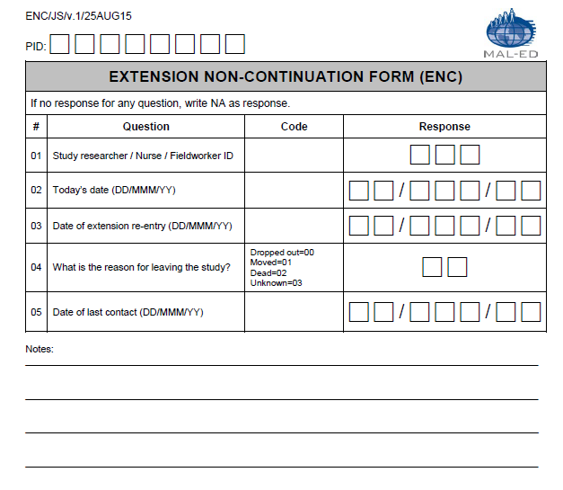
dbo.ENC.csv | Extension Non-Continuation Form (ENC)
Question# | Question | Field name | Type of Variable | Responses | Notes
 | Participant ID | PID | Char(8) | XX#X####
 | Country ID | Country_ID | Char(2) | XX | appended by database
1 | Study researcher/Nurse/Fieldworker ID | ENCFIELD | Char(3) | 000-999
2 | Today's date | ENCDATE | Date(9) | Date (dd/mmm/yy)
3 | Date of extension re-entry | ENCREENTRY | Date(9) | Date (dd/mmm/yy)
4 | What is the reason for the child leaving the study? | ENCREA | Char(2) | Dropped out=00, Moved=01, Dead=02, Unknown=03
5 | Date of last contact | ENCLASTDATE | Date(9) | Date (dd/mmm/yy)
6 | Notes | ENCNOTES | Char(255) | Text
 | Data entry date | DateCreation | Date(9) | dd/Mmm/yy | appended by database
 | Database version | Version | Char(8) | text | appended by database
 | Form | Form_ID | Char(3) | ENC | appended by database

FRC
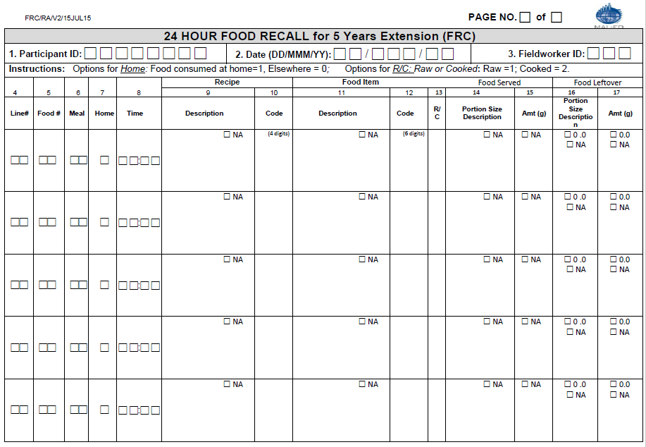
dbo.FRC.csv | 24 HOUR FOOD RECALL for 5 Years Extension (FRC)
Question# | Question | Field name | Type of Variable | Responses | Notes
1 | Participant ID | PID | Char(8) | XX#X####
2 | Date | FRCDATE | Char(9) | dd/mmm/yy
3 | Fieldworker ID | FRCFIELDID | Char(3) | ###
 | Country ID | Country_ID | Char(2) | XX | appended by database
18 | Did the child have multiple caregiver feeding the child yesterday? | FRCMCARE | Char(2) | Yes=01; No=00; Not available=NA (for the data transferred from the FRQ form)
19 | Did the child aid in this questionnaire? | FRCAID | Char(2) | Yes=01; No=00; Not available=NA (for the data transferred from the FRQ form)
20 | Comments | FRCCOM | Char(255) | Text
 | Data entry date | DateCreation | Date(9) | dd/Mmm/yy | appended by database
 | Target/scheduled month | target_month | Char(2) | 60 (3 visits within a 4 week period) | appended by database
 | Assessment conducted in target window, extended window, out of window | window | Char | Ideal: -30/+15d from mensiverary | appended by database
 | Age (days) | agedays | Char(3) | FRCDATE – DOB | appended by database
 | Month of age by study schedule | month_ss | Char(2) | classification based on minimum time difference between actual assessment date and mensiversary (+/-15d). In cases where the day is equidistant from the two mensiversaries, the day is assigned to the earlier age. | appended by database
 | Age (months) | agemonths | Char(4) | agedays/30.44 | appended by database
 | Age (years) | ageyears | Char(3) | agedays/365.25 | appended by database
 | Database version | Version | Char(8) | text | appended by database
 | Form | Form_ID | Char(3) | FRC | appended by database

dbo.FRC2.csv
Question# | Question | Field name | Type of Variable | Responses | Notes
1 | Participant ID | PID | Char(8) | XX#X####
 | Country_ID | County_ID | Char(2) | XX | appended by database
2 | Date | FRCDATE | Char(9) | dd/mmm/yy
4 | Line | FRCLINE | Char(2) | ##
5 | food | FRCFOOD | Char(2) | ##
6 | Meal | FRCMEAL | Char(2) | ##
7 | Home | FRCHOME | Char(1) | Food consumed at home=1; Elsewhere=0
8 | Time | FRCTIME | Char(5) | HH:MM | time of day of meal/eating
9 | Recipe Description | FRCRDESC | Char(100) | text; Not applicable = NA | describes recipe/preparation
10 | Recipe Code | FRCRCODE | Char(5) | 00000-99999; Not applicable = NA | recipe/preparaton code to be linked with FCT
11 | Food Item Description | FRCFIDESC | Char(100) | text; Not applicable = NA | describes food item
12 | Food Item Code | FRCFICODE | Char(6) | text; Not applicable = NA | food item code to be linked with FCT
13 | R/C | FRCRCODE1 | Char(1) | Raw=1; Cooked=2
14 | Food Served Portion Size Description | FRCFPSIZE | Char(100) | text; Missing value = NA | describes amount fed
15 | Food Served Amount | FRCFPAMT | Char(5) | 00000-99999; Missing value = NA | quantity fed in grams; frqfpamt-frqflamt=amount of food consumed (g)
16 | Food Leftover Portion Size Description | FRCFLDESC | Char(100) | text | describes amount left over
17 | Food Leftover Amount | FRCFLAMT | Char(5) | 0.0-999.9; Missing value = NA | quantity left over in grams
 | Database version | Version | Char(8) | text | appended by database
 | Form | Form_ID | Char(4) | FRC2 | appended by database

FRE
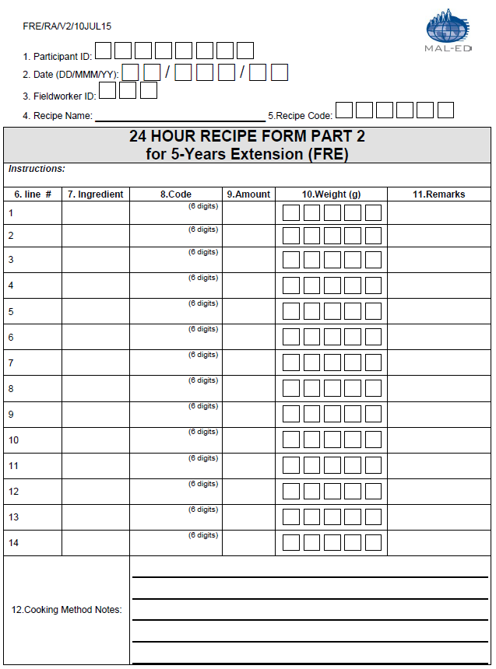
dbo.FRE.csv | 24 Hour Recipe Form Part 2 for 5-Years Extension (FRE)
Question# | Question | Field name | Type of Variable | Responses | Notes
1 | Participant ID | PID | Char(8) | XX#X####
2 | Date | FREDATE | Char(9) | dd/Mmm/yy
5 | Recipe Code | FRERECCODE | Char(5) | 00000-99999
 | Country ID | Country_ID | Char(2) | XX | appended by database
3 | Fieldworker ID | FREFIELDID | Char(3) | 000-999
4 | Recipe Name | FRERECNAME | Char(100) | text; Missing value = NA
12 | Cooking method notes | FRECOOKNOTES | Char(255) | text
 | Data entry date | DateCreation | Date(9) | dd/Mmm/yy | appended by database
 | Database version | Version | Char(9) | text | appended by database
 | Form | Form_ID | Char(9) | FRE | appended by database

dbo.FRE2.csv
Question # | Question | Field Name | Type of Variable | Responses | Notes
1 | Participant ID | PID | Char(8) | XX#X####
2 | Date | FREDATE | Char(9) | dd/Mmm/yy
5 | Recipe Code | FRERECCODE | Char(5) | 00000-99999
6 | Line Number | FRELINUM | Char(2) | 01-99
 | Country_ID | Country_ID | Char(2) | XX | appended by database
7 | Ingredient | FREINGRED | Char(50) | text; Missing value = NA
8 | Code | FREINGCODE | Char(6) | 000000-999999; Missing value = NA
9 | Amount | FREAMOUNT | Char(30) | text; Missing value = NA
10 | Weight (g) | FREWEIGHT | Char(5) | 0-99999; Missing value = NA
11 | Remarks | FREREMARKS | Char(255) | text
 | Database version | Version | Char(8) | text | appended by database
 | Form | Form_ID | Char(4) | FRE2 | appended by database

FSE
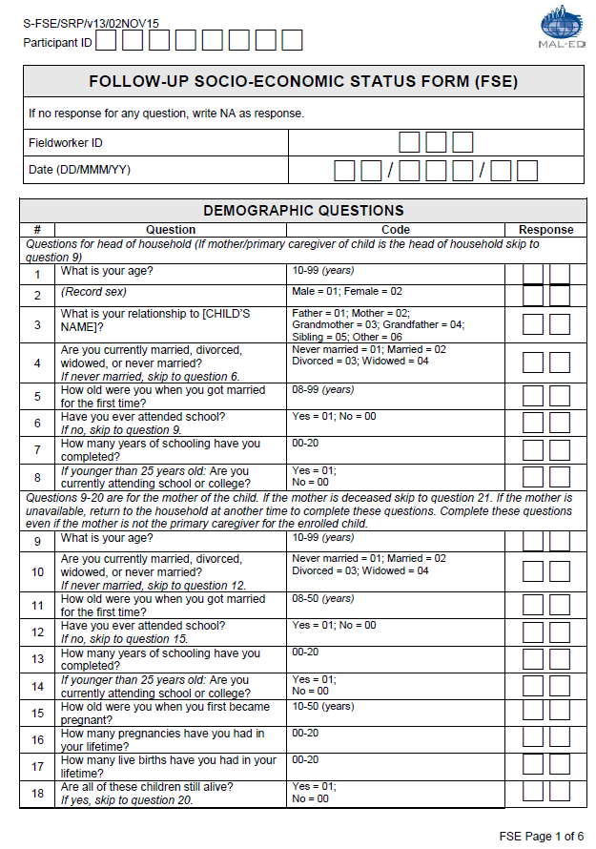
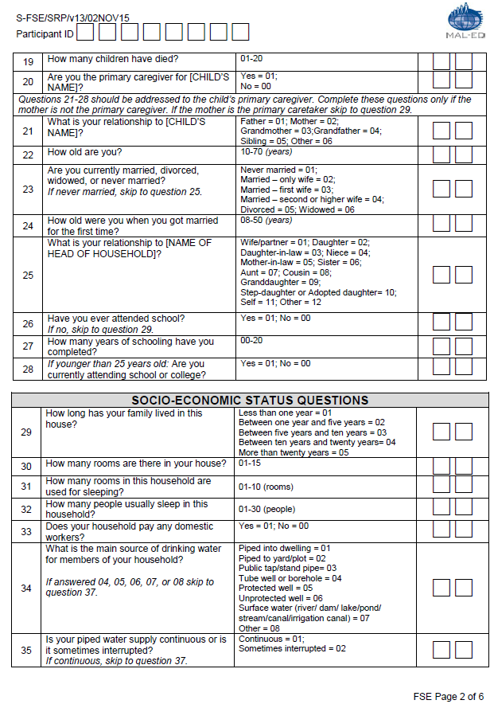
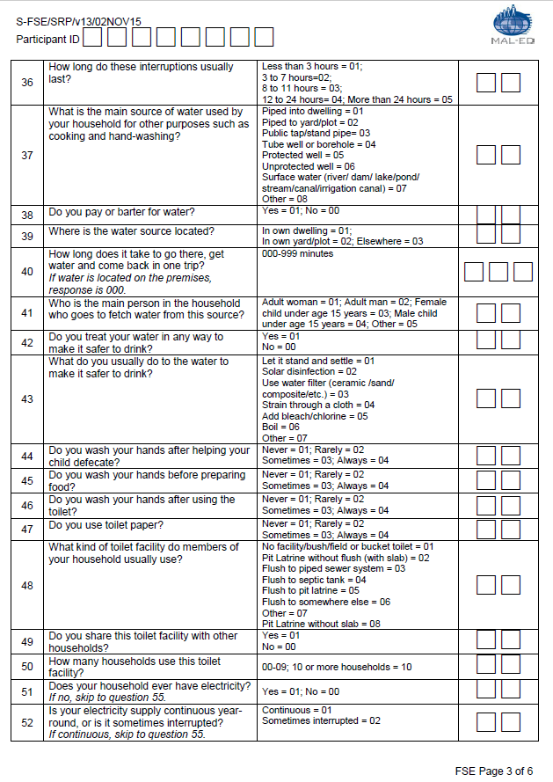
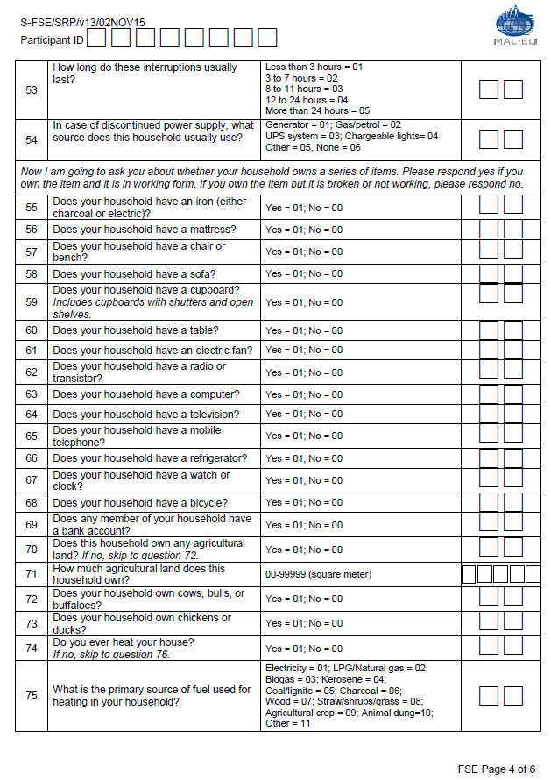
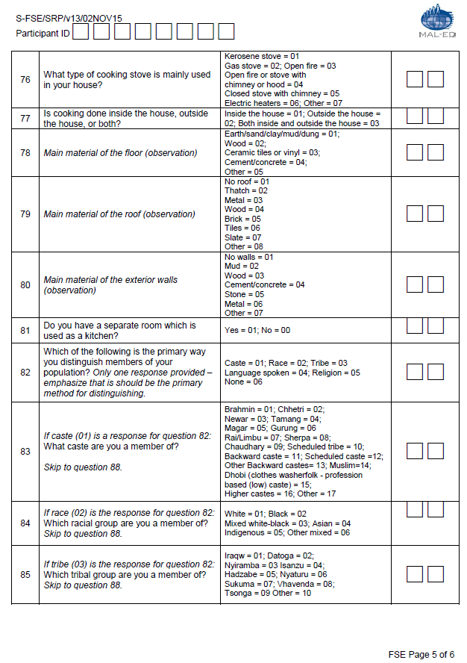
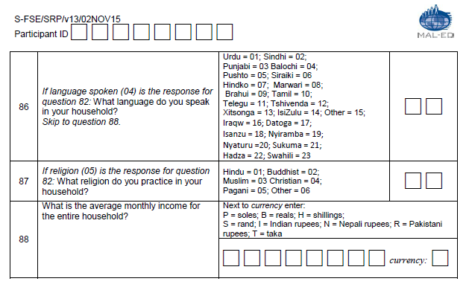
dbo.FSE.csv | Follow-up Socio-Economic Status Form (FSE)
Question # | Question | Field Name | Type of Variable | Responses | Skip Pattern | Notes
 | Participant ID | PID | Char(8) | XX#X####
 | Country_ID | Country_ID | Char(2) | XX |  | appended by database
 | fieldworkerID | FSEFID | Char(3) | 000-999
 | Date | FSEDATE | Char(9) | dd/mmm/yy
 | Questions for head of household |  |  |  | If mother/ primary caregiver of child is the head of household skip to question 9 | The demographic questions section should be thought of as 3 sections: one for head of household (questions 1-8), one for mother of the child (questions 9-20), and one for primary caregiver (questions 21-28). At least one of these three sections must be completed, and as many as all three could be completed. The database should allow for these possibilities.
1 | What is your age? | FSEHHAGE | Char(2) | 10-99 (years)
2 | (Record sex) | FSEHHSEX | Char(2) | Male = 01; Female = 02
3 | What is your relationship to [CHILD’S NAME]? | FSEHHREL | Char(2) | Father = 01; Mother = 02; Grandmother = 03; andfather =04; Sibling = 05; Other = 06
4 | Are you currently married, divorced, widowed, or never married? | FSEHHMAR | Char(2) | Never married = 01; Married = 02; Divorced = 03; Widowed = 04 | If never married, skip to question 6.
5 | How old were you when you got married for the first time? | FSEHHMAR2 | Char(2) | 08-50 (years)
6 | Have you ever attended school? | FSEHHED | Char(2) | Yes = 01; No = 00 | If no, skip to question 9.
7 | How many years of schooling have you completed? | FSEHHED2 | Char(2) | 00-20
8 | If younger than 25 years old: Are you currently attending school or college? | FSEHHED3 | Char(2) | Yes = 01; No = 00
 | Questions 9-20 are for the mother of the child. |  |  |  | If the mother is deceased skip to question 21.
9 | What is your age? | FSEMAGE | Char(2) | 10-99 (years)
10 | Are you currently married, divorced, widowed, or never married? | FSEMMAR | Char(2) | Never married = 01; Married = 02; Divorced = 03; Widowed = 04 | If never married, skip to question 12.
11 | How old were you when you got married for the first time? | FSEMMAR2 | Char(2) | 08-50 (years)
12 | Have you ever attended school? | FSEMED | Char(2) | Yes = 01; No = 00 | If no, skip to question 15.
13 | How many years of schooling have you completed? | FSEMED2 | Char(2) | 00-20
14 | If younger than 25 years old: Are you currently attending school or college? | FSEMED3 | Char(2) | Yes = 01; No = 00
15 | How old were you when you first became pregnant? | FSEMPREG | Char(2) | 10-50 (years)
16 | How many pregnancies have you had in your lifetime? | FSEMBIRTHS | Char(2) | 00-20
17 | How many live births have you had in your lifetime? | FSEMLIVE1 | Char(2) | 00-20
18 | Are all of these children still alive? | FSEMLIVE2 | Char(2) | Yes = 01; No = 00 | If yes, skip to question 20.
19 | How many children have died? | FSEMDIED | Char(2) | 01-20
20 | Are you the primary caregiver for [CHILD’S NAME]? | FSEMPRIM | Char(2) | Yes = 01; No = 00
 | Questions 21-28 should be addressed to the child’s primary caregiver. Complete these questions only if the mother is not the primary caregiver. |  |  |  | If the mother is the primary caretaker skip to question 29.
21 | What is your relationship to [CHILD’S NAME]? | FSEPCREL | Char(2) | Father = 01; Mother = 02; Grandmother = 03; Grandfather =04; Sibling = 05; Other = 06
22 | How old are you? | FSEPCAGE | Char(2) | 10-70 (years)
23 | Are you currently married, divorced, widowed, or never married? | FSEPCMAR | Char(2) | Never married = 01; Married = 02; Divorced = 03; Widowed = 04 | If never married, skip to question 25.
24 | How old were you when you got married for the first time? | FSEPCMAR2 | Char(2) | 08-50 (years)
25 | What is your relationship to [NAME OF HEAD OF HOUSEHOLD]? | FSEPCREL2 | Char(2) | Wife/partner = 01; Daughter = 02; Daughter-in-law = 03; Niece = 04; Mother-in-law = 05; Sister = 06; Aunt = 07; Cousin = 08; Granddaughter = 09; Step-daughter or Adopted daughter= 10; Self = 11; Other = 12
26 | Have you ever attended school? | FSEPCED | Char(2) | Yes = 01; No = 00 | If no, skip to question 29.
27 | How many years of schooling have you completed? | FSEPCED2 | Char(2) | 00-20
28 | If younger than 25 years old: Are you currently attending school or college? | FSEPCED3 | Char(2) | Yes = 01; No = 00
 | SOCIOECONOMIC STATUS QUESTIONS |  | Char(2)
29 | How long has your family lived in this house? | FSEHOUSE | Char(2) | Less than one year = 01; Between one year and five years = 02; Between five years and ten years = 03; Between ten years and twenty years= 04; More than twenty years = 05
30 | How many rooms are there in your house? | FSEROOM1 | Char(2) | 01-15 (rooms)
31 | How many rooms in this household are used for sleeping? | FSEROOM2 | Char(2) | 01-10 (rooms)
32 | How many people usually sleep in this household? | FSESLEEP | Char(2) | 01-30 (people)
33 | Does your household pay any domestic workers? | FSEDOM | Char(2) | Yes = 01; No = 00
34 | What is the main source of drinking water for members of your household? | FSEWDRINK | Char(2) | Piped into dwelling = 01; Piped to yard/plot = 02 ; Public tap/stand pipe= 03 ; Tube well or borehole = 04; Protected well = 05; Unprotected well = 06; Surface water (river/ dam/ lake/pond/ stream/canal/irrigation canal) = 07; Other = 08 | If answered 04, 05, 06, 07, or 08 skip to question 37.
35 | If piped water: Is your piped water supply continuous or is it sometimes interrupted? | FSEWPIPE1 | Char(2) | Continuous = 01;Sometimes interrupted = 02 | If continuous, skip to question 37.
36 | How long do these interruptions usually last? | FSEWPIPE2 | Char(2) | Less than 3 hours = 01; 3 to 7 hours=02; 8 to 11 hours = 03; 12 to 24 hours= 04; More than 24 hours = 05
37 | What is the main source of water used by your household for other purposes such as cooking and hand-washing? | FSEWCOOK | Char(2) | Piped into dwelling = 01; Piped to yard/plot = 02 ; Public tap/stand pipe= 03 ; Tube well or borehole = 04; Protected well = 05; Unprotected well = 06; Surface water (river/ dam/ lake/pond/ stream/canal/irrigation canal) = 07; Other = 08
38 | Do you pay or barter for water? | FSEWPAY | Char(2) | Yes = 01; No = 00
39 | Where is the water source located? | FSEWLOC | Char(2) | In own dwelling = 01; In own yard/plot = 02; Elsewhere = 03
40 | How long does it take to go there, get water and come back in one trip? If water is located on the premises, response is 000. | FSEWTIME | Char(2) | 000-999 minutes
41 | Who is the main person in the household who goes to fetch water from this source? | FSEWWHO | Char(2) | Adult woman = 01; Adult man = 02; Female child under age 15 years = 03; Male child under age 15 years = 04; Other = 05
42 | Do you treat your water in any way to make it safer to drink? | FSEWTREAT1 | Char(2) | Yes = 01; No = 00
43 | What do you usually do to the water to make it safer to drink? | FSEWTREAT2 | Char(2) | Let it stand and settle = 01; Solar disinfection = 02; Use water filter (ceramic /sand/ composite/etc.) = 03 ; Strain through a cloth = 04; Add bleach/chlorine = 05; Boil = 06; Other = 07 |  | Note that the order of response categories has changed since the PSE for this question.
44 | Do you wash your hands after helping your child defecate? | FSEWASHDEF | Char(2) | Never = 01; Rarely = 02; Sometimes = 03; Always = 04;
45 | Do you wash your hands before preparing food? | FSEWASHFOOD | Char(2) | Never = 01; Rarely = 02; Sometimes = 03; Always = 04;
46 | Do you wash your hands after using the toilet? | FSEWASHTOIL | Char(2) | Never = 01; Rarely = 02; Sometimes = 03; Always = 04;
47 | Do you use toilet paper? | FSETOILPAP | Char(2) | Never = 01; Rarely = 02; Sometimes = 03; Always = 04;
48 | What kind of toilet facility do members of your household usually use? | FSETOILET | Char(2) | No facility/bush/field or bucket toilet = 01; Pit latrine without flush = 02 Pit Latrine without flush (with slab) = 02; Flush to piped sewer system = 03; Flush to septic tank = 04; Flush to pit latrine = 05; Flush to somewhere else = 06; Other = 07; Pit Latrine without slab = 08 |  | Note that the order of response categories has changed since the PSE for this question. Extension Protocol -Modified option 02 and added option 08 to distinguish between improved and non-improved latrine types
49 | Do you share this toilet facility with other households? | FSETSHARE1 | Char(2) | Yes = 01; No = 00
50 | How many households use this toilet facility? | FSETSHARE2 | Char(2) | 00-09; 10 or more households = 10
51 | Does your household ever have electricity? | FSEAELEC | Char(2) | Yes = 01; No = 00 | If no, skip to question 55.
52 | If household ever has electricity: Is your electricity supply continuous year-round, or is it sometimes interrupted? | FSEELCONT | Char(2) | Continuous = 01;Sometimes interrupted = 02 | If continuous, skip to question 55.
53 | How long do these interruptions usually last? | FSEELINTER | Char(2) | Less than 3 hours = 01; 3 to 7 hours = 02; 8 to 11 hours = 03; 12 to 24 hours = 04; More than 24 hours = 05
54 | In case of discontinued power supply, what source does this household usually use? | FSEELSOURCE | Char(2) | Generator = 01; Gas/petrol = 02; UPS system = 03; Chargeable lights= 04; Other = 05; None=06
 | Now I am going to ask you about whether your household owns a series of items. Please respond yes if you own the item and it is in working form. If you own the item but it is broken or not working, please respond no.
55 | Does your household have an iron (either charcoal or electric)? | FSEAIRON | Char(2) | Yes = 01; No = 00
56 | Does your household have a mattress? | FSEAMATT | Char(2) | Yes = 01; No = 00
57 | Does your household have a chair or bench? | FSEACHAIR2 | Char(2) | Yes = 01; No = 00
58 | Does your household have a sofa? | FSEASOFA | Char(2) | Yes = 01; No = 00
59 | Does your household have a cupboard? Includes cupboards with shutters and open shelves. | FSEACUPB | Char(2) | Yes = 01; No = 00
60 | Does your household have a table? | FSEATAB | Char(2) | Yes = 01; No = 00
61 | Does your household have an electric fan? | FSEAFAN | Char(2) | Yes = 01; No = 00
62 | Does your household have a radio or transistor? | FSEARAD | Char(2) | Yes = 01; No = 00
63 | Does your household have a computer? | FSEACOM | Char(2) | Yes = 01; No = 00
64 | Does your household have a television? | FSEATV | Char(2) | Yes = 01; No = 00
65 | Does your household have a mobile telephone? | FSEAMTEL | Char(2) | Yes = 01; No = 00
66 | Does your household have a refrigerator? | FSEAREF | Char(2) | Yes = 01; No = 00
67 | Does your household have a watch or clock? | FSEAWCLO | Char(2) | Yes = 01; No = 00
68 | Does your household have a bicycle? | FSEABIC | Char(2) | Yes = 01; No = 00
69 | Does any member of your household own a bank account? | FSEABANK | Char(2) | Yes = 01; No = 00
70 | Does this household own any agricultural land? If no, skip to question 124. | FSEAGLAND1 | Char(2) | Yes = 01; No = 00
71 | How much agricultural land does this household own? | FSEAGLAND2 | Char(5) | 00-99999 (square meter) |  | TZ recorded the land area in "hectares" unit.
72 | Does your household own cows, bulls, or buffaloes? | FSEANCBB | Char(2) | Yes = 01; No = 00
73 | Does your household own chickens or ducks? | FSEANCHD | Char(2) | Yes = 01 ; No = 00
74 | Do you ever heat your house? | FSEHFUEL | Char(2) | Yes = 01; No = 00 | If no, skip to question 76.
75 | What is the primary source of fuel used for heating in your household? | FSEHFUEL3 | Char(2) | Electricity = 01; LPG/Natural gas = 02; Biogas = 03; Kerosene = 04; Coal/lignite = 05; Charcoal = 06; Wood = 07; Straw/shrubs/grass = 08; Agricultural crop = 09; Animal dung=10; Other = 11
76 | What type of cooking stove is mainly used in your house? | FSESTOVE | Char(2) | Kerosene stove = 01; Gas stove = 02; Open fire = 03; Open fire or stove with chimney or hood = 04; Closed stove with chimney = 05; Electric heaters = 06; Other = 07
77 | Is cooking done inside the house, outside the house, or both? | FSELOC1 | Char(2) | Inside the house = 01; Outside the house = 02; Both inside and outside the house = 03
78 | Main material of the floor (observation) | FSEFLOOR | Char(2) | Earth/sand/clay/mud/dung = 01; Wood = 02; Ceramic tiles or vinyl= 03; Cement/concrete = 04; Other = 05
79 | Main material of the roof (observation) | FSEROOF | Char(2) | No roof = 01; Thatch = 02; Metal = 03 Wood = 04; Brick = 05; Tiles = 06 Slate = 07; Other = 08
80 | Main material of the exterior walls (observation) | FSEWALL | Char(2) | No walls = 01; Mud = 02; Wood = 03 Cement/concrete = 04; Stone = 05 Metal = 06; Other = 07
81 | Do you have a separate room which is used as a kitchen? | FSECLOC2 | Char(2) | Yes = 01; No = 00
82 | Which of the following is the primary way you distinguish members of your population? | FSEGROUP | Char(2) | Caste = 01; Race = 02; Tribe = 03; Language spoken = 04; Religion = 05;None = 06
83 | If caste (01) is a response for question 132: What caste are you a member of? | FSECASTE | Char(2) | Brahmin = 01; Chhetri = 02; Newar = 03; Tamang = 04; ;Magar = 05; Gurung = 06 ;Rai/Limbu = 07; Sherpa = 08; Chaudhary = 09; Scheduled tribe = 10; Backward caste = 11; Scheduled caste =12; Other Backward castes= 13; Muslim=14; Dhobi (clothes washerfolk - profession based (low) caste) = 15; Higher castes = 16; Other = 17 | Skip to question 88.
84 | If race (02) is the response for question 132: Which racial group are you a member of? | FSERACE | Char(2) | White = 01; Black = 02 ;Mixed white-black = 03; Asian = 04 Indigenous = 05; Other mixed = 06 | Skip to question 88.
85 | If tribe (03) is the response for question 132: Which tribal group are you a member of? | FSETRIBE | Char(2) | Iraqw = 01; Datoga = 02; Nyiramba = 03 Isanzu = 04; Hadzabe = 05; Nyaturu = 06 Sukuma = 07; Vhavenda = 08; Tsonga = 09 Other = 10 | Skip to question 88.
86 | If language spoken (04) is the response for question 132: What language do you speak in your household? | FSELANG | Char(2) | Urdu = 01; Sindhi = 02; Punjabi = 03 Balochi = 04; Pushto = 05; Siraiki = 06; Hindko = 07; Marwari = 08; Brahui = 09; Tamil = 10; Telegu = 11; Tshivenda = 12; Xitsonga = 13; IsiZulu = 14; Other = 15; Iraqw = 16; Datoga = 17; Isanzu = 18; Nyiramba = 19; Nyaturu =20; Sukuma = 21; Hadza = 22; Swahili = 23 | Skip to question 88. | Language options 16-23 are added for TZ-use only in the extension Protocol
87 | If religion (05) is the response for question 132: What religion do you practice in your household? | FSERELIG | Char(2) | Hindu = 01; Buddhist = 02; Muslim = 03 Christian = 04; Pagani = 05; Other = 06
88 | What is the average monthly income for the entire household? | FSEINCOME | Char(8) | 00000-99999
89 | Currency | FSECURR | Char(1) | P = soles; B = reals; H = shillings; S = rand; I = Indian rupees; N = Nepali rupees; R = Pakistani rupees; T = taka
 | Data entry date | DateCreation | Date(9) | dd/Mmm/yy |  | appended by database
 | Target/scheduled month | target_month | Char(2) | 6,12,18,24,36,60 |  | appended by database
 | Assessment conducted in target window, extended window, out of window | window | Char(1) | Ideal: +/-15d from mensiverary |  | appended by database
 | Age (days) | agedays | Char(3) | FSEDATE – DOB |  | appended by database
 | Month of age by study schedule | month_ss | Char(2) | classification based on minimum time difference between actual assessment date and mensiversary (+/-15d). In cases where the day is equidistant from the two mensiversaries, the day is assigned to the earlier age. |  | appended by database
 | Age (months) | agemonths | Char(4) | agedays/30.44 |  | appended by database
 | Age (years) | ageyears | Char(3) | agedays/365.25 |  | appended by database
 | Database version | Version | Char(8) | text |  | appended by database
 | Form | Form_ID | Char(3) | FSE |  | appended by database

FSQ
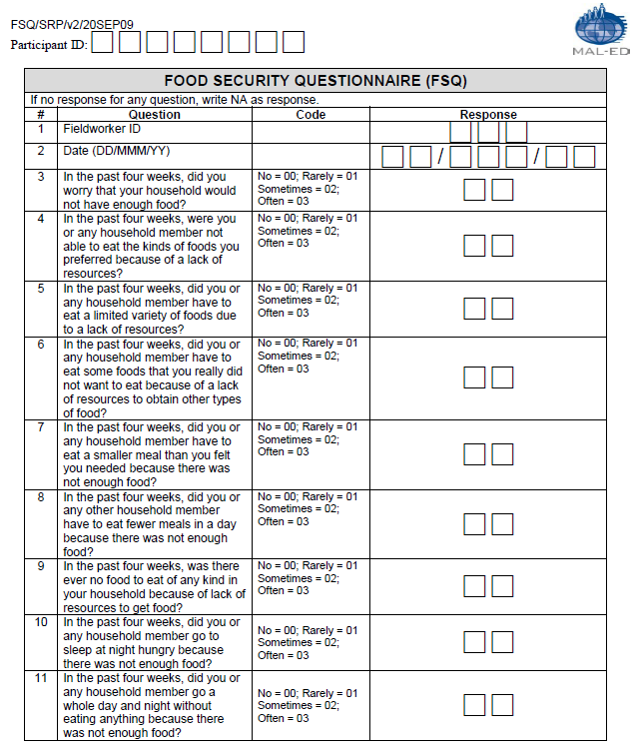
dbo.FSQ.csv | Food Security Questionnaire (FSQ)
Question # | Question | Field Name | Type of Variable | Responses | Notes
 | Participant ID | PID | Char(8) | XX#X####
 | Country_ID | Country_ID | Char(2) | XX | appended by database
1 | Fieldworker ID | FSQFID | Char(3) | 000-999
2 | Date | FSQDATE | Date(9) | dd/mmm/yy
3 | In the past four weeks, did you worry that your household would not have enough food? | FSQFSHORT | Char(2) | No = 00; Rarely = 01; Sometimes = 02; Often = 03; Don't know/no response = NA
4 | In the past four weeks, were you or any household member not able to eat the kinds of foods you preferred because of a lack of resources? | FSQFDIV | Char(2) | No = 00; Rarely = 01; Sometimes = 02; Often = 03; Don't know/no response = NA
5 | In the past four weeks, did you or any household member have to eat a limited variety of foods due to a lack of resources? | FSQFLIM | Char(2) | No = 00; Rarely = 01; Sometimes = 02; Often = 03; Don't know/no response = NA
6 | In the past four weeks, did you or any household member have to eat some foods that you really did not want to eat because of a lack of resources to obtain other types of food? | FSQFDISLIKE | Char(2) | No = 00; Rarely = 01; Sometimes = 02; Often = 03; Don't know/no response = NA
7 | In the past four weeks, did you or any household member have to eat a smaller meal than you felt you needed because there was not enough food? | FSQFSMALL | Char(2) | No = 00; Rarely = 01; Sometimes = 02; Often = 03; Don't know/no response = NA
8 | In the past four weeks, did you or any other household member have to eat fewer meals in a day because there was not enough food? | FSQFFEW | Char(2) | No = 00; Rarely = 01; Sometimes = 02; Often = 03; Don't know/no response = NA
9 | In the past four weeks, was there ever no food to eat of any kind in your household because of lack of resources to get food? | FSQFNOFOOD | Char(2) | No = 00; Rarely = 01; Sometimes = 02; Often = 03; Don't know/no response = NA | Due to the discrepancies of the translation on Protugese version, BR's data for this question should not be used for analysis.
10 | In the past four weeks, did you or any household member go to sleep at night hungry because there was not enough food? | FSQFHUNG | Char(2) | No = 00; Rarely = 01; Sometimes = 02; Often = 03; Don't know/no response = NA
11 | In the past four weeks, did you or any household member go a whole day and night without eating anything because there was not enough food? | FSQFDAY | Char(2) | No = 00; Rarely = 01; Sometimes = 02; Often = 03; Don't know/no response = NA
 | Data entry date | DateCreation | Date(9) | dd/Mmm/yy | appended by database
 | Target/scheduled month | target_month | Char(2) | 0,6,12,18,24,36,60 (BG collected monthly) | appended by database
 | Assessment conducted in target window, extended window, out of window | window | Char(1) | Ideal: +/-15d from mensiverary | appended by database
 | Age (days) | agedays | Char(3) | FSQDATE – DOB | appended by database
 | Month of age by study schedule | month_ss | Char(2) | classification based on minimum time difference between actual assessment date and mensiversary (+/-15d). In cases where the day is equidistant from the two mensiversaries, the day is assigned to the earlier age. | appended by database
 | Age (months) | agemonths | Char(4) | agedays/30.44 | appended by database
 | Age (years) | ageyears | Char(3) | agedays/365.25 | appended by database
 | Database version | Version | Char(8) | text | appended by database
 | Form | Form_ID | Char(3) | FSQ | appended by database

HOM
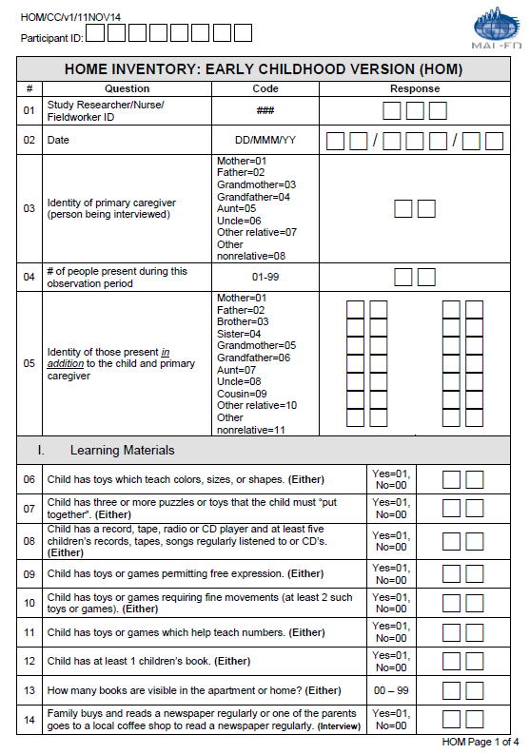
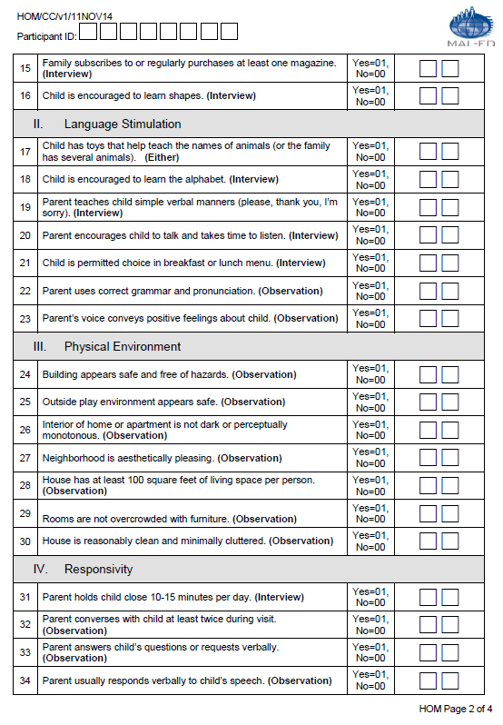
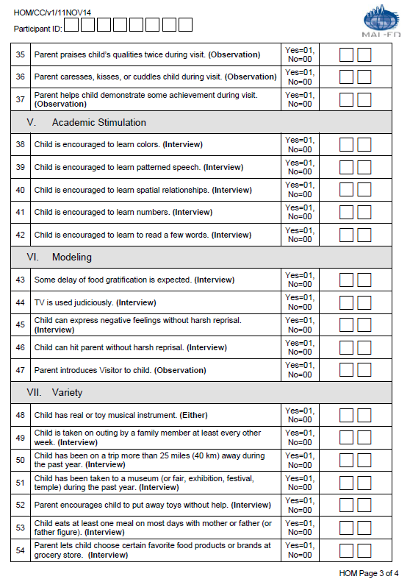
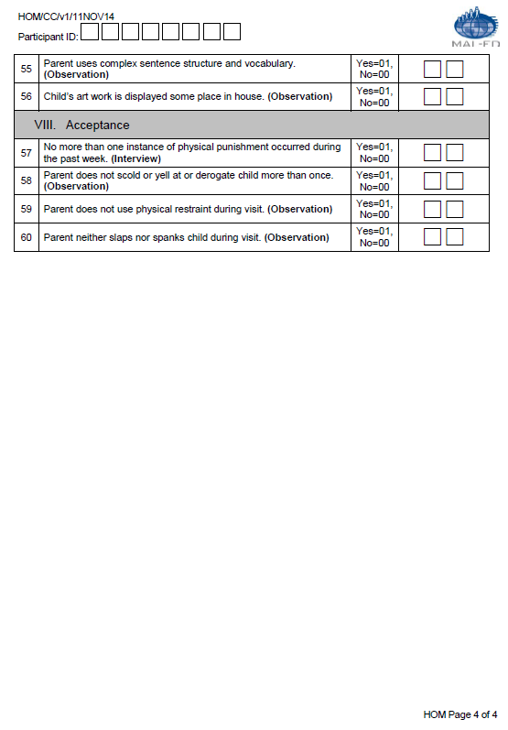
dbo.HOM.csv | HOME Inventory : Early Chidhood Version (HOM)
Question # | Question | Field Name | Type of Variable | Responses | Notes
 | Participant ID | PID | Char(8) | XX#X####
1 | Study Researcher/Nurse/Fieldworker ID Nurse/Fieldworker ID | HOMFIELD | Char(3) | XXX
2 | Today's Date | HOMTODAY | Date(9) | DD/MMM/YY
3 | Identity of primary caregiver (person being interviewed) | HOMPRIM | Char(2) | 01=mother, 02=father, 03=grandmother, 04=grandfather, 05=aunt, 06=uncle, 07=other relative, 08=other nonrelative.
4 | # of people present during this observation period | HOMPEOPLE | Char(2) | XXX
5 | Identity of those present in addition to the child and primary caregiver | HOMPRESENT | Char(2) | 01=mother, 02=father, 03=brother, 04=sister, 05=grandmother, 06=grandfather, 07=aunt, 08=uncle, 09=cousin, 10=other relative, 11=other nonrelative, NA=Not Applicable
 | Identity of those present in addition to the child and primary caregiver | HOMPRESENT1 | Char(2)
 | Identity of those present in addition to the child and primary caregiver | HOMPRESENT2 | Char(2)
 | Identity of those present in addition to the child and primary caregiver | HOMPRESENT3 | Char(2)
 | Identity of those present in addition to the child and primary caregiver | HOMPRESENT4 | Char(2)
 | Identity of those present in addition to the child and primary caregiver | HOMPRESENT5 | Char(2)
 | Identity of those present in addition to the child and primary caregiver | HOMPRESENT6 | Char(2)
 | Identity of those present in addition to the child and primary caregiver | HOMPRESENT7 | Char(2)
 | Identity of those present in addition to the child and primary caregiver | HOMPRESENT8 | Char(2)
 | Identity of those present in addition to the child and primary caregiver | HOMPRESENT9 | Char(2)
 | Identity of those present in addition to the child and primary caregiver | HOMPRESENT10 | Char(2)
 | Identity of those present in addition to the child and primary caregiver | HOMPRESENT11 | Char(2)
 | Identity of those present in addition to the child and primary caregiver | HOMPRESENT12 | Char(2)
 | Identity of those present in addition to the child and primary caregiver | HOMPRESENT13 | Char(2)
 | Identity of those present in addition to the child and primary caregiver | HOMPRESENT14 | Char(2)
6 | Child has toys which help teach colors, sizes, and shapes. | HOMTOYS | Char(2) | Yes=01, No=00
7 | Child has three or more puzzles. | HOMPUZZLES | Char(2) | Yes=01, No=00, 99 | For TZ only 99= child has one puzzle
8 | Child has a record, tape, or CD player and at least five children’s records, tapes, or CD’s. | HOMRECORD | Char(2) | Yes=01, No=00
9 | Child has toys or games permitting free expression. | HOMFREEEXPRESS | Char(2) | Yes=01, No=00
10 | Child has toys or games requiring fine movements. | HOMFINEMOVE | Char(2) | Yes=01, No=00
11 | Child has toys or games which help teach numbers. | HOMNUMBERS | Char(2) | Yes=01, No=00
12 | Child has at least one children’s books. | HOMBOOKS | Char(2) | Yes=01, No=00, 99 | For PK & TZ only 99= child has at least 3 children's books ( at least 5 books on PK form)
13 | How many books are visible in the apartment or home? | HOMVISIBLE | Char(2) | 00-99 | For PK & TZ only 99= child has at least 5 books in the apartment or home
14 | Family buys and reads a daily newspaper. | HOMNEWSPAPER | Char(2) | Yes=01, No=00
15 | Family subscribes to at least one magazine. | HOMMAGAZINE | Char(2) | Yes=01, No=00
16 | Child is encouraged to learn shapes. | HOMSHAPES | Char(2) | Yes=01, No=00
17 | Child has toys that help teach the names of animals. | HOMANIMALS | Char(2) | Yes=01, No=00
18 | Child is encouraged to learn the alphabet. | HOMALPHABET | Char(2) | Yes=01, No=00
19 | Parent teaches child simple verbal manners-(please, thank you, I’m sorry). | HOMMANNERS | Char(2) | Yes=01, No=00
20 | Parent encourages child to talk and takes time to listen. | HOMLISTEN | Char(2) | Yes=01, No=00
21 | Child is permitted choice in breakfast or lunch menu. | HOMCHOICE | Char(2) | Yes=01, No=00
22 | Parent uses correct grammar and pronunciation. | HOMGRAMMAR | Char(2) | Yes=01, No=00
23 | Parent’s voice conveys positive feelings about child. | HOMPOSFEEL | Char(2) | Yes=01, No=00
24 | Building appears safe and free of hazards. | HOMBUILDING | Char(2) | Yes=01, No=00
25 | Outside play environment appears safe. | HOMOUTSIDE | Char(2) | Yes=01, No=00
26 | The interior of the home or apartment is not dark or perceptually monotonous. | HOMINTERIOR | Char(2) | Yes=01, No=00
27 | Neighborhood is aesthetically pleasing. | HOMNEIGHBOR | Char(2) | Yes=01, No=00
28 | Home has at least 100 square feet of living space per person. | HOMLIVING | Char(2) | Yes=01, No=00
29 | Rooms are not overcrowded with furniture. | HOMROOMS | Char(2) | Yes=01, No=00
30 | Home is reasonably clean and minimally cluttered. | HOMCLEAN | Char(2) | Yes=01, No=00
31 | Parent holds child close 10-15 minutes per day. | HOMHOLDS | Char(2) | Yes=01, No=00
32 | Parent converses with child at least twice during visit. | HOMCONVERSES | Char(2) | Yes=01, No=00
33 | Parent answers child’s questions or request verbally. | HOMANSWERS | Char(2) | Yes=01, No=00
34 | Parent usually responds verbally to child’s speech. | HOMRESPONDS | Char(2) | Yes=01, No=00
35 | Parent praises child’s qualities twice during a visit. | HOMPRAISES | Char(2) | Yes=01, No=00
36 | Parent caresses, kisses, or cuddles child during visit. | HOMKISSES | Char(2) | Yes=01, No=00
37 | Parent helps child demonstrate some achievement during visit. | HOMACHIEVE | Char(2) | Yes=01, No=00
38 | Child is encouraged to learn colors. | HOMLEARNCOLOR | Char(2) | Yes=01, No=00
39 | Child is encouraged to learn patterned speech. | HOMPATTERNED | Char(2) | Yes=01, No=00
40 | Child is encouraged to learn spatial relationships (up-down, under-over, big-little, etc.). | HOMSPATIAL | Char(2) | Yes=01, No=00
41 | Child is encouraged to learn numbers. | HOMENCOURAGEDNUM | Char(2) | Yes=01, No=00
42 | Child is encourages to learn to read a few words. | HOMREAD | Char(2) | Yes=01, No=00
43 | Some delay of food gratification is expected. | HOMFOOD | Char(2) | Yes=01, No=00
44 | TV is used judiciously. | HOMTV | Char(2) | Yes=01, No=00
45 | Child can express negative feelings without harsh reprisal. | HOMNEGATIVEFEEL | Char(2) | Yes=01, No=00
46 | Child can hit parent without harsh reprisal. | HOMHIT | Char(2) | Yes=01, No=00
47 | Parent introduces Visitor to child. | HOMINTRODUCES | Char(2) | Yes=01, No=00
48 | Child has real or toy musical instrument. | HOMINSTRUMENT | Char(2) | Yes=01, No=00
49 | Child is taken on an outing by a family member at least every other week. | HOMOUTING | Char(2) | Yes=01, No=00
50 | Child has been on a trip more than 25 miles (40 km) away during the past year. | HOMTRIP | Char(2) | Yes=01, No=00, 99 | For PK & TZ only 99= Child has been on a trip more than 50 miles (80 km) during past year
51 | Child has been taken to a museum during the past year. | HOMMUSEUM | Char(2) | Yes=01, No=00
52 | Parent encourages child to put away toys without help. | HOMPUTAWAY | Char(2) | Yes=01, No=00
53 | Child eats at least one meal on most days with mother or father (or father figure). | HOMEATS | Char(2) | Yes=01, No=00
54 | Parent lets child choose certain favorite food products or brands at grocery store. | HOMCHOOSES | Char(2) | Yes=01, No=00
55 | Parent uses complex sentence structure and vocabulary. | HOMVOCABULARY | Char(2) | Yes=01, No=00
56 | Child’s artwork is displayed some place in the house. | HOMARTWORK | Char(2) | Yes=01, No=00
57 | No more than one instance of physical punishment occurred during the past week. | HOMPUNISHMENT | Char(2) | Yes=01, No=00
58 | Parent does not scold or yell at or derogate child more than once. | HOMSCOLD | Char(2) | Yes=01, No=00
59 | Parent does not use physical restraint during visit. | HOMRESTRAINT | Char(2) | Yes=01, No=00
60 | Parent neither slaps nor spanks child during visit. | HOMSLAPS | Char(2) | Yes=01, No=00
 | Country ID | Country_ID | Char(2) | XX | appended by database
 | Data entry date | DateCreation | Date(9) | dd/Mmm/yy | appended by database
 | Target/scheduled month | target_month | Char(2) | 60m | appended by database
 | Assessment conducted in target window, extended window, out of window | window | Char(1) | Ideal: +/-30d from mensiverary | appended by database
 | Age (days) | agedays | Char(3) | HOMTODAY – DOB | appended by database
 | Month of age by study schedule | month_ss | Char(2) | classification based on minimum time difference between actual assessment date and mensiversary (+/-15d). In cases where the day is equidistant from the two mensiversaries, the day is assigned to the earlier age. | appended by database
 | Age (months) | agemonths | Char(4) | agedays/30.44 | appended by database
 | Age (years) | ageyears | Char(3) | agedays/365.25 | appended by database
 | Database version | Version | Char(8) | text | appended by database
 | Form | Form_ID | Char(3) | HOM | appended by database

ICF
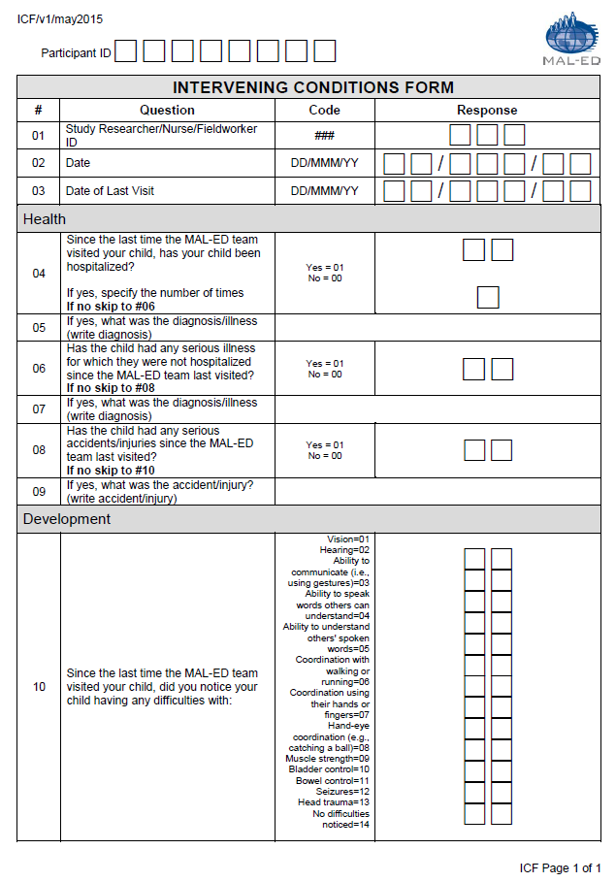
dbo.ICF.csv | Intervening Conditions Form (ICF)
Question # | Question | Field Name | Type of Variable | Responses | Skip Pattern
 | Participant ID | PID | Char(8) | XX#X####
1 | Study Researcher/Nurse/Fieldworker ID | ICFFIELD | Char(3) | 000-999
2 | Date | ICFDATE | Char(9) | DD/MMM/YY
3 | Date of last visit | ICFLASTDATE | Char(9) | DD/MMM/YY
4 | Since the last time the MAL-ED team visited your child, has your child been hospitalized? | ICFHOSP | Char(2) | Yes=01, No=00 | If no, skip to question 6.
 | If yes, specify the number of times | ICFHOSPN | Char(2) | XX, Not applicable=NA
5 | If yes, what was the diagnosis/illness (write diagnosis) | ICFDHOSP | Char(2) | Text, Not applicable=NA
6 | Has the child had any serious illness for which they were not hospitalized since the MAL-ED team last visited? | ICFANYILL | Char(2) | Yes=01, No=00 | If no, skip to question 8.
7 | If yes, what was the diagnosis/illness (write diagnosis) | ICFDILL | Char(2) | Text, Not applicable=NA
8 | Has the child had any serious accidents/injuries since the MAL-ED team last visited? | ICFANYINJ | Char(2) | Yes=01, No=00 | If no, skip to question 10.
9 | If yes, what was the accident/injury? (write accident/injury) | ICFINJDES | Char(2) | Text, Not applicable=NA
10 | Since the last time the MAL-ED team visited your child, did you notice your child having any difficulties with: (list all that apply) | ICFDIFF01 | Char(2) | Vision=01, Hearing=02, Ability to communicate (i.e., using gestures)=03, Ability to speak words others can understand=04, Ability to understand others' spoken words=05, Coordination with walking or running=06, Coordination using their hands or fingers=07, Hand-eye coordination (e.g., catching a ball)=08, Muscle strength=09, Bladder control=10, Bowel control=11, Seizures=12, Head trauma=13, No difficulties noticed=14 | There can be multiple answers to this question: see form
 | Since the last time the MAL-ED team visited your child, did you notice your child having any difficulties with: (list all that apply) | ICFDIFF02 | Char(2)
 | Since the last time the MAL-ED team visited your child, did you notice your child having any difficulties with: (list all that apply) | ICFDIFF03 | Char(2)
 | Since the last time the MAL-ED team visited your child, did you notice your child having any difficulties with: (list all that apply) | ICFDIFF04 | Char(2)
 | Since the last time the MAL-ED team visited your child, did you notice your child having any difficulties with: (list all that apply) | ICFDIFF05 | Char(2)
 | Since the last time the MAL-ED team visited your child, did you notice your child having any difficulties with: (list all that apply) | ICFDIFF06 | Char(2)
 | Since the last time the MAL-ED team visited your child, did you notice your child having any difficulties with: (list all that apply) | ICFDIFF07 | Char(2)
 | Since the last time the MAL-ED team visited your child, did you notice your child having any difficulties with: (list all that apply) | ICFDIFF08 | Char(2)
 | Since the last time the MAL-ED team visited your child, did you notice your child having any difficulties with: (list all that apply) | ICFDIFF09 | Char(2)
 | Since the last time the MAL-ED team visited your child, did you notice your child having any difficulties with: (list all that apply) | ICFDIFF10 | Char(2)
 | Since the last time the MAL-ED team visited your child, did you notice your child having any difficulties with: (list all that apply) | ICFDIFF11 | Char(2)
 | Since the last time the MAL-ED team visited your child, did you notice your child having any difficulties with: (list all that apply) | ICFDIFF12 | Char(2)
 | Since the last time the MAL-ED team visited your child, did you notice your child having any difficulties with: (list all that apply) | ICFDIFF13 | Char(2)
 | Since the last time the MAL-ED team visited your child, did you notice your child having any difficulties with: (list all that apply) | ICFDIFF14 | Char(2)
 | Country ID | Country_ID | Char(2) | XX | appended by database
 | Data entry date | DateCreation | Date(9) | dd/Mmm/yy | appended by database
 | Target/scheduled month | target_month | Char(2) | 37- 60 | appended by database
 | Assessment conducted in target window, extended window, out of window | window | Char(1) | Ideal: +/-15d from mensiverary | appended by database
 | Age (days) | agedays | Char(3) | ICFDATE – DOB | appended by database
 | Month of age by study schedule | month_ss | Char(2) | classification based on minimum time difference between actual assessment date and mensiversary (+/-15d). In cases where the day is equidistant from the two mensiversaries, the day is assigned to the earlier age. | appended by database
 | Age (months) | agemonths | Char(4) | agedays/30.44 | appended by database
 | Age (years) | ageyears | Char(3) | agedays/365.25 | appended by database
 | Database version | Version | Char(8) | text | appended by database
 | Form | Form_ID | Char(3) | ICF | appended by database

MAB
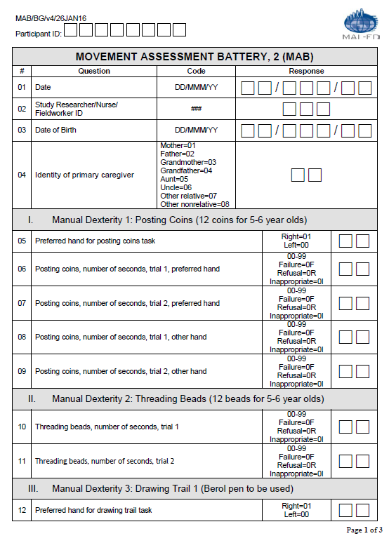
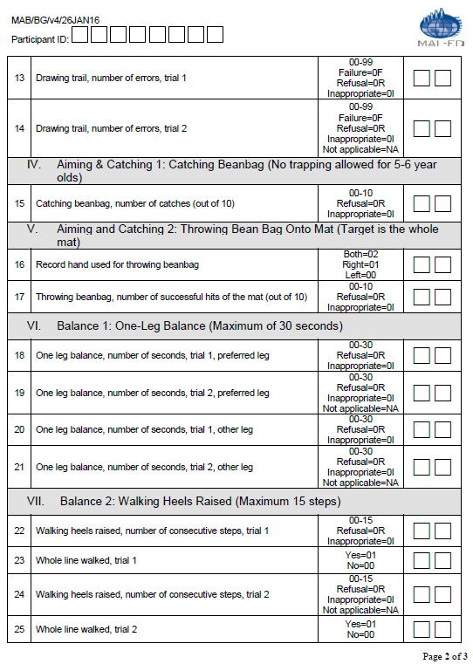
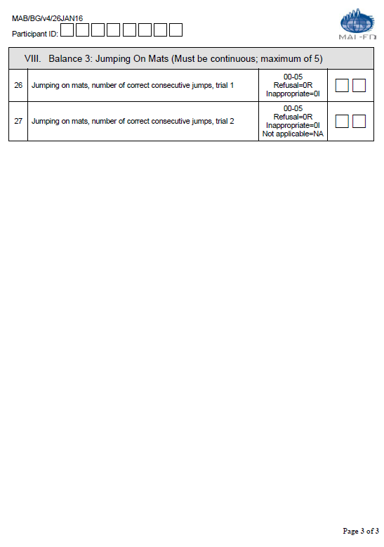
dbo.MAB.csv | Movement Assessment Battery for Children - 2 (MAB)
Question # | Question | Field Name | Type of Variable | Responses | Notes
 | PID | PID | Char(8) | XX#X####
1 | Date of Test | MABCDATE | Date(9) | MM/DD/YYYY
2 | Fieldworker ID | MABCFIELD | Char(3) | 000-999
3 | Date of Birth | MABCBIRTH | Date(9) | MM/DD/YYYY
4 | Identity of Primary Caregiver | MABCPRIM | Char(2) | 01=mother, 02=father, 03=grandmother, 04=grandfather, 05=aunt, 06=uncle, 07=other relative, 08=other nonrelative | NA=Not applicable (for IN site)
5 | preferred hand for posting coins task | MABCPCPH | Char(2) | Left=0; Right=1
6 | posting coins, number of seconds, trial 1, preferred hand | MABCPCT1PH | Char(2) | amount of time in seconds; failed=F; refusal=R; inappropriate=I
7 | posting coins, number of seconds, trial 2, preferred hand | MABCPCT2PH | Char(2) | amount of time in seconds; failed=F; refusal=R; inappropriate=I; Not applicable=NA* | *BR only
8 | posting coins, number of seconds, trial 1, other hand | MABCPCT1OT | Char(2) | amount of time in seconds; failed=F; refusal=R; inappropriate=I
9 | posting coins, number of seconds, trial 2, other hand | MABCPCT2OT | Char(2) | amount of time in seconds; failed=F; refusal=R; inappropriate=I; Not applicable=NA* | *BR only
10 | threading beads, number of seconds, trial 1 | MABCTBT1 | Char(2) | amount of time in seconds; failed=F; refusal=R; inappropriate=I
11 | threading beads, number of seconds, trial 2 | MABCTBT2 | Char(2) | amount of time in seconds; failed=F; refusal=R; inappropriate=I
12 | preferred hand for drawing trail task | MABCDTPH | Char(2) | Left=0; Right=1
13 | drawing trail, number of errors, trial 1 | MABCDTT1 | Char(2) | number of errors; failed=F; refusal=R; inappropriate=I
14 | drawing trail, number of errors, trial 2 | MABCDTT2 | Char(2) | number of errors; failed=F; refusal=R; inappropriate=I; Not applicabel=NA
15 | catching beanbag, number of catches (out of 10) | MABCCBNC | Char(2) | number of successful catches=0-10; refusual=R; inappropriate=I
16 | record hand used for throwing beanbag | MABCTBPH | Char(2) | Left=0; Right=1; Both=2
17 | throwing beanbag, number of successful hits of the mat (out of 10) | MABCTBNT | Char(2) | number of successful hits=0-10; refusual=R; inappropriate=I
18 | one leg balance, number of seconds, trial 1, preferred leg | MABCOLBT1PL | Char(2) | amount of time in seconds; refusal=R; inappropriate=I
19 | one leg balance, number of seconds, trial 2, preferred leg | MABCOLBT2PL | Char(2) | amount of time in seconds; refusal=R; inappropriate=I; Not applicabel=NA
20 | one leg balance, number of seconds, trial 1, other leg | MABCOLBT1OL | Char(2) | amount of time in seconds; refusal=R; inappropriate=I
21 | one leg balance, number of seconds, trial 2, other leg | MABCOLBT2OL | Char(2) | amount of time in seconds; refusal=R; inappropriate=I; Not applicabel=NA
22 | walking heels raised, number of consecutive steps, trial 1 | MABCWHRT1 | Char(2) | number of steps 0-15; failed=F; refusal=R; inappropriate=I
23 | whole line walked, trial 1 | MABCWHRT1WL | Char(2) | yes = 01; no = 00; Not applicable=NA* | *TZ only - NA was used for items 23 & 25. Before MALED extension started, these 2 tests were not on the TZ-MABC form.
24 | walking heels raised, number of consecutive steps, trial 2 | MABCWHRT2 | Char(2) | number of steps 0-15; refusal=R; inappropriate=I; Not applicabel=NA
25 | whole line walked, trial 2 | MABCWHRT2WL | Char(2) | yes = 01; no = 00; Not applicable=NA*
26 | jumping on mats, number of correct consecutive jumps, trial 1 | MABCJOMT1 | Char(2) | number of steps 0-15; refusal=R; inappropriate=I
27 | jumping on mats, number of correct consecutive jumps, trial 2 | MABCJOMT2 | Char(2) | number of steps 0-15; refusal=R; inappropriate=I; Not applicable=NA
 | Country ID | Country_ID | Char(2) | XX | appended by database
 | Data entry date | DateCreation | Date(9) | dd/Mmm/yy | appended by database
 | Target/scheduled month | target_month | Char(2) | 60 | appended by database
 | Assessment conducted in target window, extended window, out of window | window | Char(1) | Ideal: +/-30d from mensiverary | appended by database
 | Age (days) | agedays | Char(3) | MABCDATE – DOB | appended by database
 | Month of age by study schedule | month_ss | Char(2) | classification based on minimum time difference between actual assessment date and mensiversary (+/-15d). In cases where the day is equidistant from the two mensiversaries, the day is assigned to the earlier age. | appended by database
 | Age (months) | agemonths | Char(4) | agedays/30.44 | appended by database
 | Age (years) | ageyears | Char(3) | agedays/365.25 | appended by database
 | Database version | Version | Char(8) | text | appended by database
 | Form | Form_ID | Char(3) | MAB | appended by database

MDF
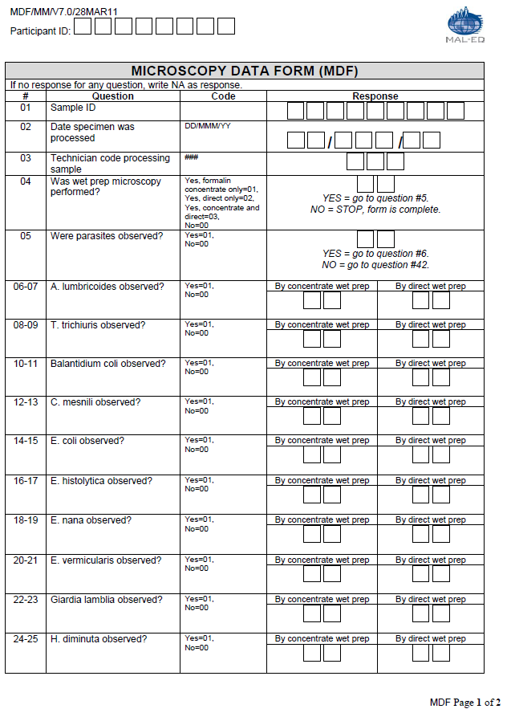
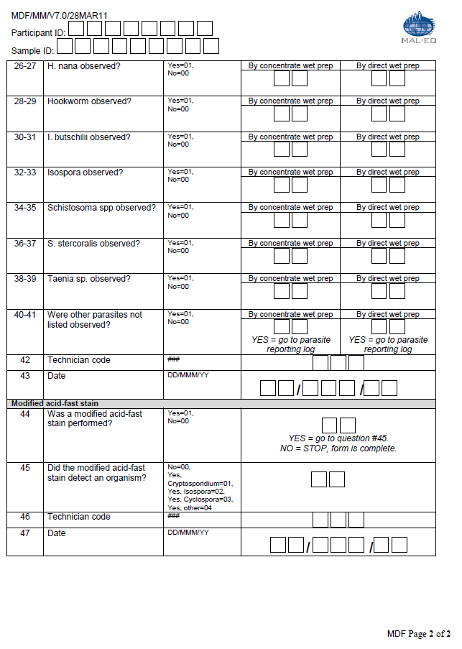
dbo.MDF.csv | Microscopy Data Form (MDF)
Question # | Question | Field Name | Type of Variable | Type of Response | Skip pattern | Notes
 | Participant ID | Pid | Char(8) | XX#X####
 | Country ID | Country_ID | Char(2) | XX |  | appended by database
1 | Sample ID | MDFMBSAMPID | Char(9) | XX####### |  | Country Code, Site Code, 6 Digit Serial No
2 | Date specimen was processed | MDFMBDATE15 | Date(9) | dd/Mmm/yy
3 | Technician code processing sample | MDFMBTECH15 | Char(3) | 000-999
4 | Was wet prep microscopy performed? | MDFWETPREP | Char(2) | Yes, formalin concentrate only=01; Yes, direct only=02; Yes, concentrate and direct=03; No=00 | If yes, proceed to question #5. If no, STOP, form is complete.
...
42 | Technician code | MDFMBTECH16 | Char(2) | 000-999, Not applicable=NA
43 | Date | MDFMBDATE16 | Char(9) | dd/Mmm/yy, Not applicable=NA
44 | Was a modified acid-fast stain performed? | MDFMODSTAIN | Char(2) | Yes = 01, No =00, Not applicable=NA | If yes, go to question #45. If no, STOP, form is complete.
45 | Did the modified acid-fast stain detect an organism? | MDFSTAINDETECT | Char(2) | No =00; Yes, Cryptosporidium = 01; Yes, Isospora =02; Yes, Cyclospora =03; Yes, other =04; Not applicable=NA
46 | Technician code | MDFMBTECH17 | Char(3) | 000-999, Not applicable=NA
47 | Date | MDFMBDATE17 | Char(9) | dd/Mmm/yy, Not applicable=NA
 | Data entry date | DateCreation | Date(9) | dd/Mmm/yy |  | appended by database
 | Database version | Version | Char(8) | text |  | appended by database
 | Form | Form_ID | Char(3) | MDF |  | appended by database

MOD
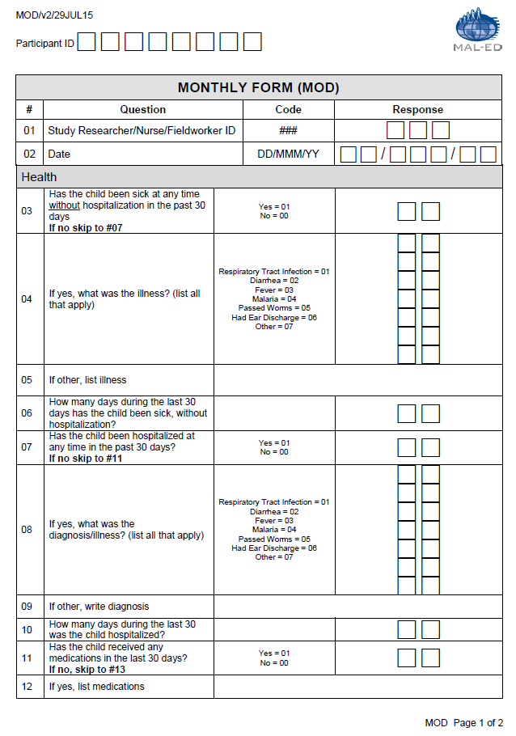
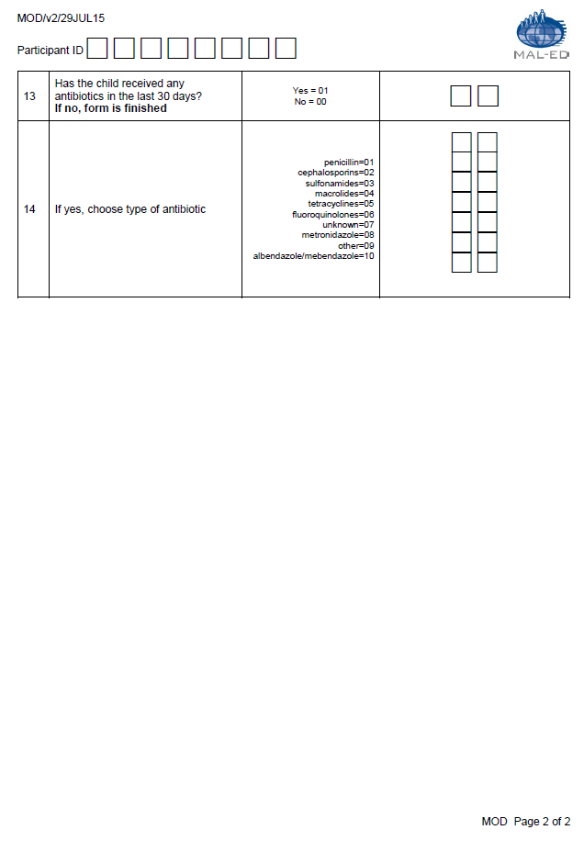
...
dbo.MOD.csv | Monthly Form (MOD)
 | Data entry date | DateCreation | Date(9) | dd/Mmm/yy | appended by database
 | Target/scheduled month | target_month | Char(2) | 37- 60 | appended by database
 | Assessment conducted in target window, extended window, out of window | window | Char(1) | Ideal: +/-2d from mensiverary; extended +12d | appended by database
 | Age (days) | agedays | Char(3) | MODDATE – DOB | appended by database
 | Month of age by study schedule | month_ss | Char(2) | classification based on minimum time difference between actual assessment date and mensiversary (+/-15d). In cases where the day is equidistant from the two mensiversaries, the day is assigned to the earlier age. | appended by database
 | Age (months) | agemonths | Char(4) | agedays/30.44 | appended by database
 | Age (years) | ageyears | Char(3) | agedays/365.25 | appended by database
 | Database version | Version | Char(8) | text | appended by database
 | Form | Form_ID | Char(3) | MOD | appended by database

NUT
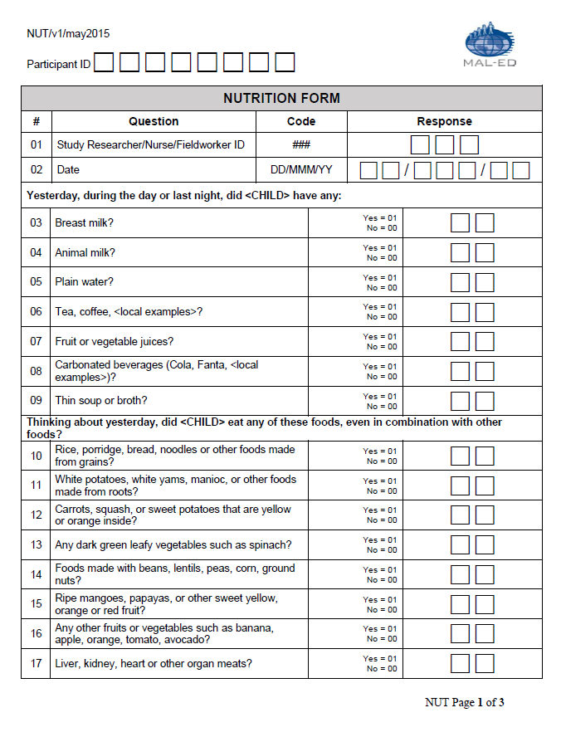
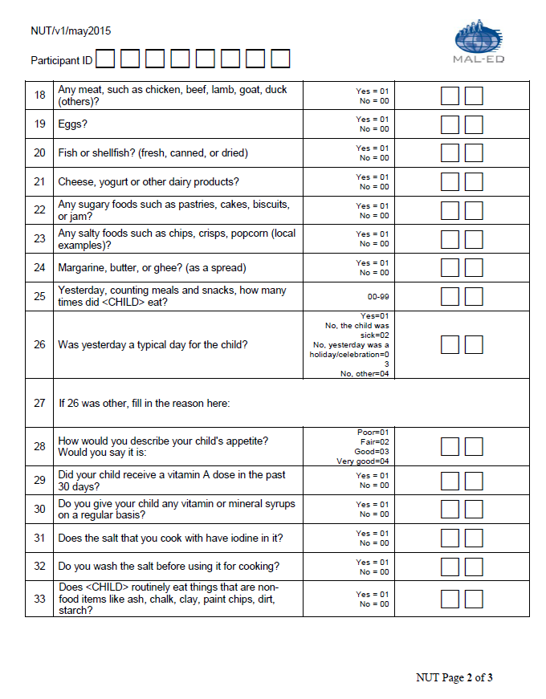
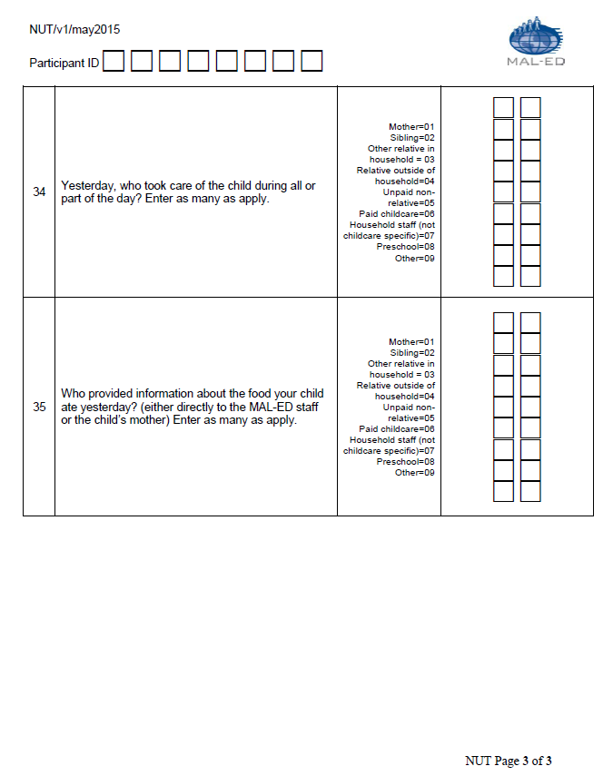
...
dbo.NUT.csv | Nutrition Form (NUT)
 | Data entry date | DateCreation | Date(9) | dd/Mmm/yy | appended by database
 | Target/scheduled month | target_month | Char(2) | 37- 60 (optional) | appended by database
 | Assessment conducted in target window, extended window, out of window | window | Char(1) | Ideal:- 2/+7d from mensiverary | appended by database
 | Age (days) | agedays | Char(3) | NUTDATE – DOB | appended by database
 | Month of age by study schedule | month_ss | Char(2) | classification based on minimum time difference between actual assessment date and mensiversary (+/-15d). In cases where the day is equidistant from the two mensiversaries, the day is assigned to the earlier age. | appended by database
 | Age (months) | agemonths | Char(4) | agedays/30.44 | appended by database
 | Age (years) | ageyears | Char(3) | agedays/365.25 | appended by database
 | Database version | Version | Char(8) | text | appended by database
 | Form | Form_ID | Char(3) | NUT | appended by database

PDF
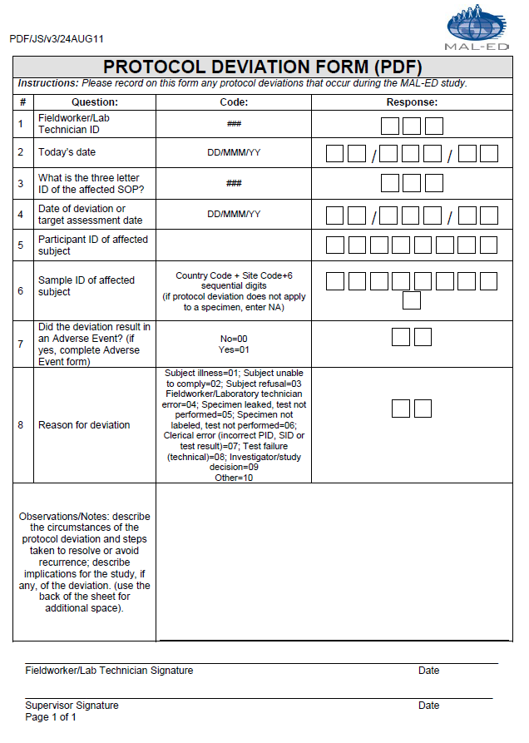
...
dbo.PDF.csv | Protocol Deviation Form (PDF)
5 | Participant ID of affected subject | PDFPID | Char(8) | XX#X#####
6 | Sample ID of affected subject | PDFSAMPID | Char(9) | dd/mmm/yy
7 | Did the deviation result in an Adverse Event? (if yes, complete Adverse Event form) | PDFAE | Char(2) | Yes = 01, No = 00
8 | Reason for deviation | PDFREASON | Char(2) | Subject illness=01; Subject unable to comply=02; Subject refusal=03; Fieldworker/Laboratory technician error=04; Specimen not labeled, test not performed=06; Clerical error (incorrect PID, SID or test result)=07; Test failure(technical)=08; Investigator/study decision=09; Other=10
9 | Observation/Notes | PDFOBS | Char(255) | Text
 | Country ID | Country_ID | Char(2) | XX | appended by database
 | Data entry date | DateCreation | Date(9) | dd/Mmm/yy | appended by database
 | Database version | Version | Char(8) | text | appended by database
 | Form | Form_ID | Char(3) | PDF | appended by database

REF
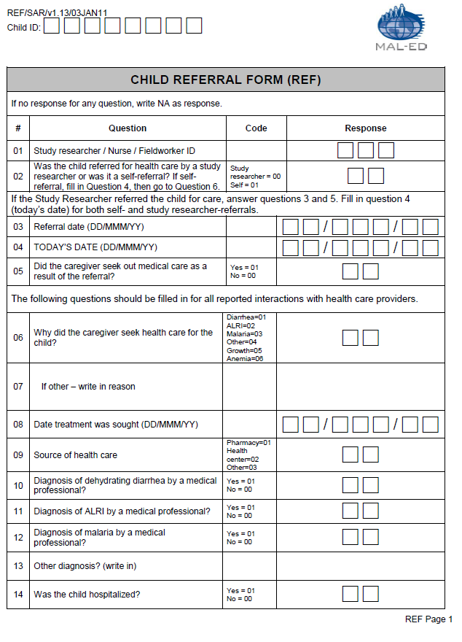
...
dbo.REF.csv | Child Referral Form (REF)
13 | Other diagnosis? (write in) | REFDOTH | Char(255) | text, Not applicable = NA
14 | Was the child hospitalized? | REFHOSP | Char(2) | 01=Yes; 00=No; NA=Not applicable
15 | If hospitalized, how many days? | REFHOSDAY | Char(2) | 00-99, Not applicable = NA
16 | Was nutritional supplementation given? | REFNSYN | Char(2) | 01=Yes; 00=No; NA=Not applicable
17 | If nutritional supplementation was given, write in description: | REFNSDES | Char(255) | text, Not applicable = NA
18 | Wad medication given? | REFMEDYN | Char(2) | 01=Yes; 00=No; NA=Not applicable
19 | If medication was given, write in names: | REFMEDDES | Char(255) | Text
 | Data entry date | DateCreation | Date(9) | dd/Mmm/yy | appended by database
 | Database version | Version | Char(8) | text | appended by database
 | Form | Form_ID | Char(3) | REF | appended by database

SDQ
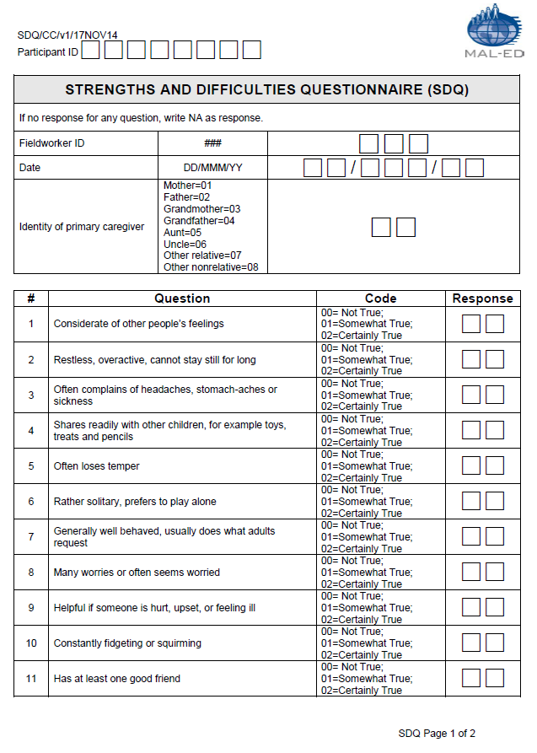
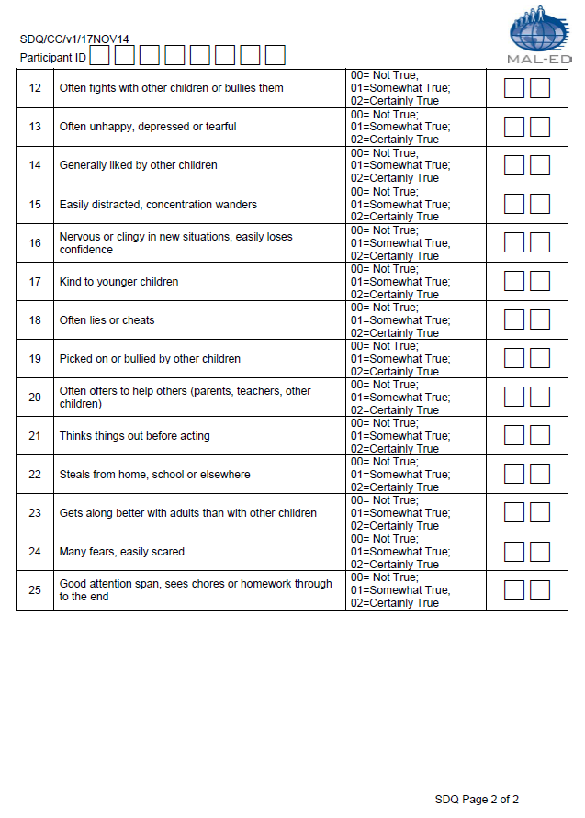
...
dbo.SDQ.csv | Strengths and Difficulties Questionnaire (SDQ)
 | Data entry date | DateCreation | Date(9) | dd/Mmm/yy | appended by database
 | Target/scheduled month | target_month | Char(2) | 60m (India and Tanzania sites also administered @ 48m) | appended by database
 | Assessment conducted in target window, extended window, out of window | window | Char(1) | Ideal: +/-2d from mensiverary; extended +12d | appended by database
 | Age (days) | agedays | Char(3) | SDQTODAY – DOB | appended by database
 | Month of age by study schedule | month_ss | Char(2) | classification based on minimum time difference between actual assessment date and mensiversary (+/-15d). In cases where the day is equidistant from the two mensiversaries, the day is assigned to the earlier age. | appended by database
 | Age (months) | agemonths | Char(4) | agedays/30.44 | appended by database
 | Age (years) | ageyears | Char(3) | agedays/365.25 | appended by database
 | Database version | Version | Char(8) | text | appended by database
 | Form | Form_ID | Char(3) | SDQ | appended by database

SFC
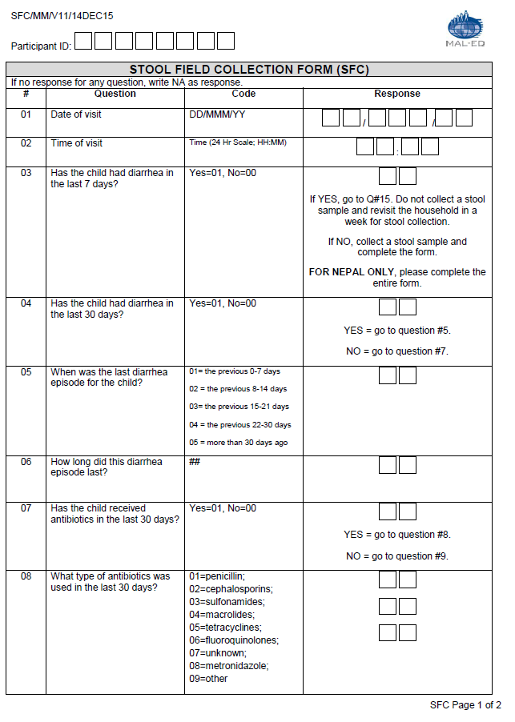
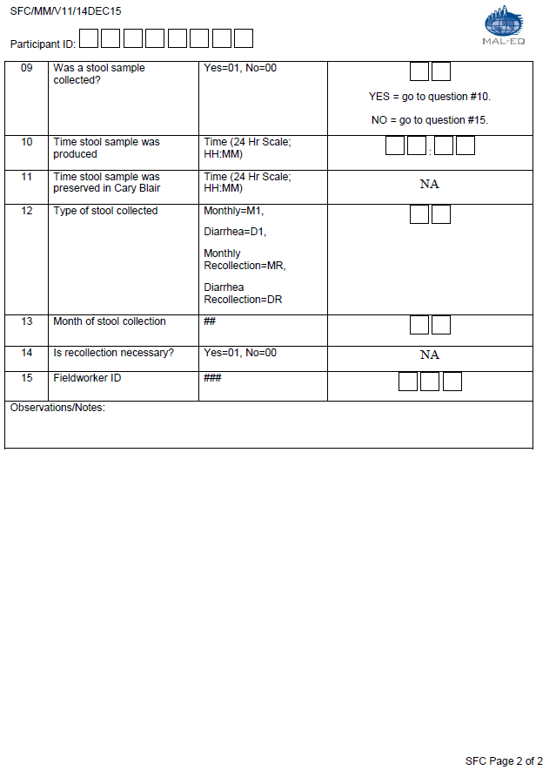
...
dbo.SFC.csv | Stool Field Collection (SFC)
 | Data entry date | DateCreation | Date(9) | dd/Mmm/yy | appended by database
 | Target/scheduled month | target_month | Char(2) | 60m | appended by database
 | Assessment conducted in target window, extended window, out of window | window | Char(1) | Ideal: +/-2d from mensiverary; extended: anytime up to 72m | appended by database
 | Age (days) | agedays | Char(3) | SFCDATE-DOB | appended by database
 | Month of age by study schedule | month_ss | Char(2) | classification based on minimum time difference between actual assessment date and mensiversary (+/-15d). In cases where the day is equidistant from the two mensiversaries, the day is assigned to the earlier age. | appended by database
 | Age (months) | agemonths | Char(4) | agedays/30.44 | appended by database
 | Age (years) | ageyears | Char(3) | agedays/365.25 | appended by database
 | Database version | Version | Char(8) | text | appended by database
 | Form | Form_ID | Char(3) | SFC | appended by database

SLF
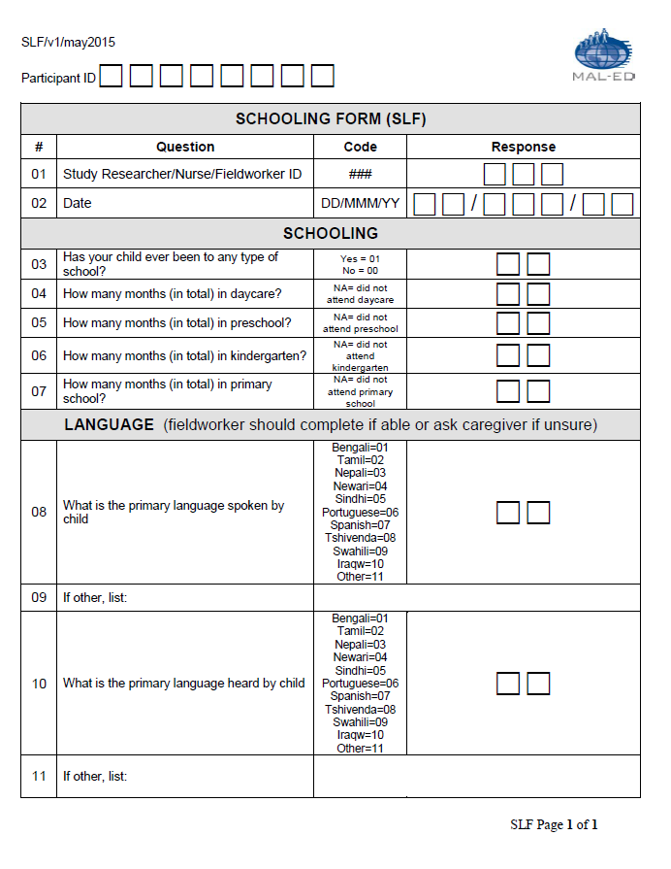
...
dbo.SLF.csv | Schooling Form (SLF)
 | Data entry date | DateCreation | Date(9) | dd/Mmm/yy | appended by database
 | Target/scheduled month | target_month | Char(2) | 37- 60 | appended by database
 | Assessment conducted in target window, extended window, out of window | window | Char(1) | Ideal: +/-15d from mensiverary | appended by database
 | Age (days) | agedays | Char(3) | SLFDATE – DOB | appended by database
 | Month of age by study schedule | month_ss | Char(2) | classification based on minimum time difference between actual assessment date and mensiversary (+/-15d). In cases where the day is equidistant from the two mensiversaries, the day is assigned to the earlier age. | appended by database
 | Age (months) | agemonths | Char(4) | agedays/30.44 | appended by database
 | Age (years) | ageyears | Char(3) | agedays/365.25 | appended by database
 | Database version | Version | Char(8) | text | appended by database
 | Form | Form_ID | Char(3) | SLF | appended by database

SRF
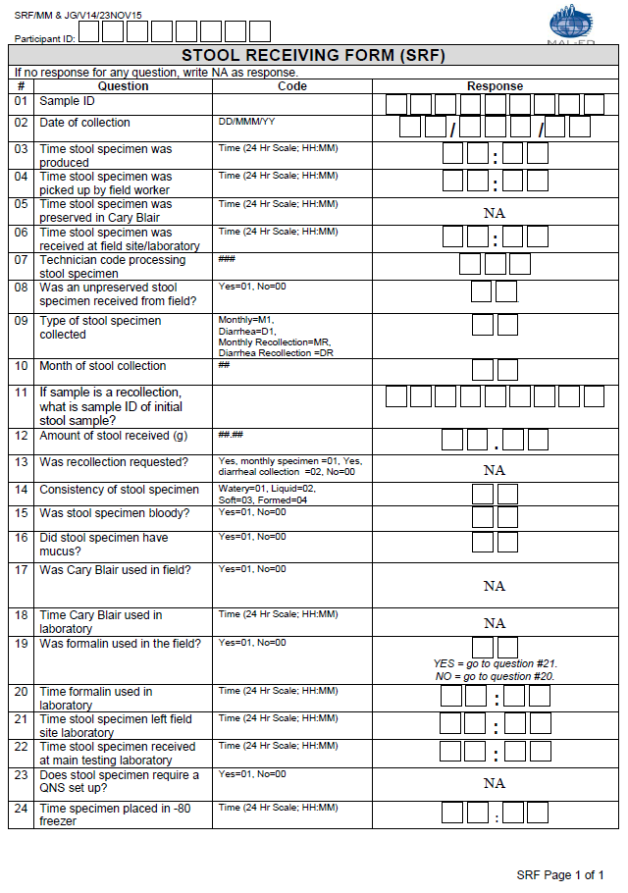
...
dbo.SRF.csv | Stool Receiving Form (SRF)
24 | Time specimen placed in -80 freezer | SRFTIMEFREEZ | Char(5) | hh:mm | This question is added for the extension study (37-60 months)
 | Data entry date | DateCreation | Date(9) | dd/Mmm/yy | appended by database
 | Target/scheduled month | target_month | Char(2) | 1-36, 42, 48, 54, 60 | appended by database
 | Assessment conducted in target window, extended window, out of window | window | Char(1) | Ideal: +/-2d from mensiverary; extended: anytime up to 72m | appended by database
 | Age (days) | agedays | Char(3) | SRFDATE-DOB | appended by database
 | Month of age by study schedule | month_ss | Char(2) | classification based on minimum time difference between actual assessment date and mensiversary (+/-15d). In cases where the day is equidistant from the two mensiversaries, the day is assigned to the earlier age. | appended by database
 | Age (months) | agemonths | Char(4) | agedays/30.44 | appended by database
 | Age (years) | ageyears | Char(3) | agedays/365.25 | appended by database
 | Database version | Version | Char(8) | text | appended by database
 | Form | Form_ID | Char(3) | SRF | appended by database

SRQ-20
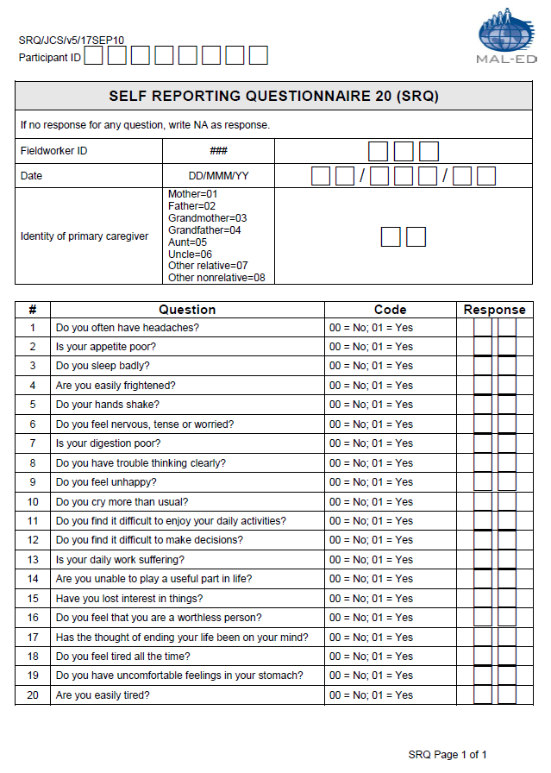
...
NB1: All cognitive assessments require psychometric analyses to assess reliability and consistency. Raw data should not be used.
20 | Are you easily tired? | SRQTIRED1 | Char(2) | Yes = 01; No = 00; Don't know/no response = NA
 | Data entry date | CreationDate | Date(9) | dd/Mmm/yy | appended by database
 | Target/scheduled month | target_month | Char(2) | 1,6,15,24,36,60 | appended by database
 | Assessment conducted in target window, extended window, out of window | window | Char(1) | Ideal: +/-30d from mensiverary | appended by database
 | Age (days) | agedays | Char(3) | SRQDATE-DOB | appended by database
 | Month of age by study schedule | month_ss | Char(2) | classification based on minimum time difference between actual assessment date and mensiversary (+/-15d). In cases where the day is equidistant from the two mensiversaries, the day is assigned to the earlier age. | appended by database
 | Age (months) | agemonths | Char(4) | agedays/30.44 | appended by database
 | Age (years) | ageyears | Char(3) | agedays/365.25 | appended by database
 | Database version | Version | Char(8) | text | appended by database
 | Form | Form_ID | Char(3) | SRQ | appended by database

USV

...
dbo.USV.csv | Small Volume Urine Collection Form (USV)
 | Data entry date | DateCreation | Date(9) | dd/Mmm/yy | appended by database
 | Target/scheduled month | target_month | Char(2) | 12,18,21,24,36,60 | appended by database
 | Assessment conducted in target window, extended window, out of window | window | Char(1) | Ideal: -2/+7d from mensiverary; extended +7d | appended by database
 | Age (days) | agedays | Char(3) | USVDATE-DOB | appended by database
 | Month of age by study schedule | month_ss | Char(2) | classification based on minimum time difference between actual assessment date and mensiversary (+/-15d). In cases where the day is equidistant from the two mensiversaries, the day is assigned to the earlier age. | appended by database
 | Age (months) | agemonths | Char(4) | agedays/30.44 | appended by database
 | Age (years) | ageyears | Char(3) | agedays/365.25 | appended by database
 | Database version | Version | Char(8) | text | appended by database
 | Form | Form_ID | Char(3) | USV | appended by database

