Src = Mobile App
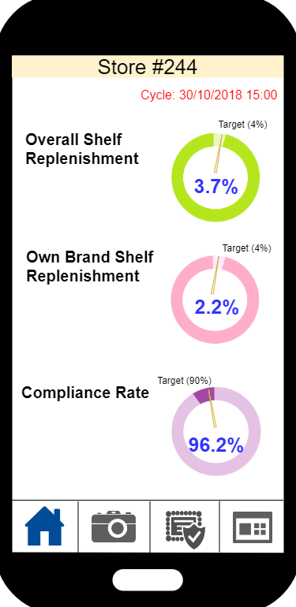
 | #A: KPIs at HOME (Developed by Space Master)

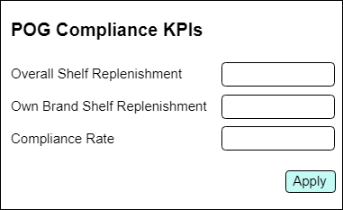
 |  | Property | Detail | Remark
 |  | Developed By | Space Master
 |  | Source | Mobile App
 |  | Destination | Space Master
 |  | Approach | Webservice
 |  | Remark | - Refer to Space Master URS chapter 4.1 - Return the value of completed cycle only (#P)

 | Input (from Mobile)
 | # | Field | Field Description | Field Format | Mandatory | Remark | Sample data
 | 1 | BU |  |  | Y |  | WTCPH
 | 2 | Store ID |  |  | Y |  | 244

 |  | Request URL (Input)
 |  | <url>/pogc_kpi

 |  | JSON Sample (Input)
 |  | TBC

 | Output (from Space Master)
 | # | Field | Field Description | Field Format | Mandatory | Remark | Sample data
Lv 1 | 1 | Cycle ID |  |  | Y |  | 20181231235959
 | 2 | Value of Overall Shelf Replenishment | The formula is “A / B x 100%”, where - A = Number of all "Shelf Replenish" items (all POG of recognized result) of selected store of that Compliance Cycle - B = Number of all planned POG items in Space Master (all POG) of selected store of that Compliance Cycle |  | Y | In percentage (round up to 1 dp) | 10.9%
 | 3 | Value of Own Brand Shelf Replenishment | The formula is “A / B x 100%”, where - A = Number of all "Shelf Replenish" of Own Brand items (all POG of recognized result) of selected store of that Compliance Cycle - B = Number of all planned POG items in Space Master of Own Brand items (all POG) of selected store of that Compliance Cycle Remark: Refer Own Brand to UDA "Lable Type" |  | Y | In percentage (round up to 1 dp) | 10.9%
 | 4 | Value of Compliance Rate | The formula is “A / B x 100%”, where - A = Number of all "Pass" items (all POG of recognized result) of selected store of that Compliance Cycle - B = Number of all planned POG items in Space Master (all POG) of selected store of that Compliance Cycle |  | Y | In percentage (round up to 1 dp) | 10.9%
 | 5 | Target value of Overall Shelf Replenishment | Need to maintain it in Space Master |  | Y | In percentage (round up to 1 dp) | 4.1%
 | 6 | Target value of Own Brand Shelf Replenishment | Need to maintain it in Space Master |  | Y | In percentage (round up to 1 dp) | 4.1%
 | 7 | Target value of Compliance Rate | Need to maintain it in Space Master |  | Y | In percentage (round up to 1 dp) | 4.1%

 |  | JSON Sample (Output)
 |  | { "CycleID": "20181231235959", "OverallShelf": "10.9%", "OwnBrandShelf": "20.1%", "CompRate": "36.0%", "TargetOverallShelf": "42.4%", "TargetCompRate": "65.8%" }

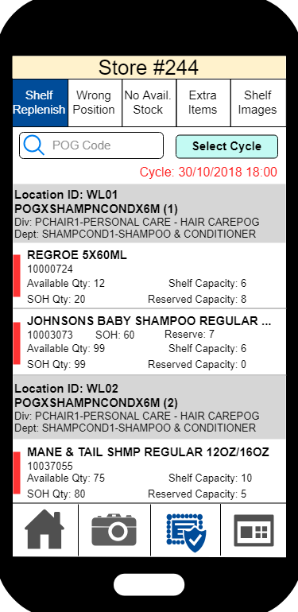
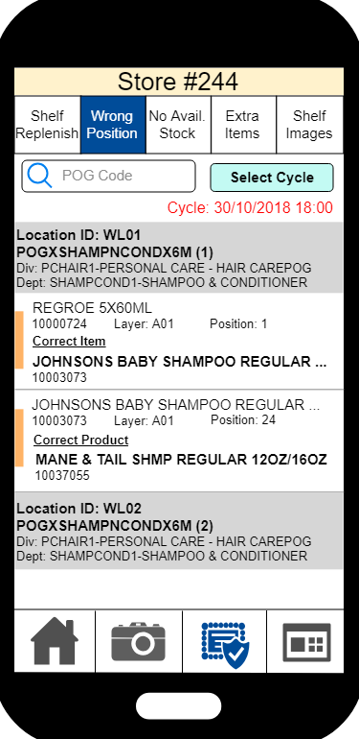
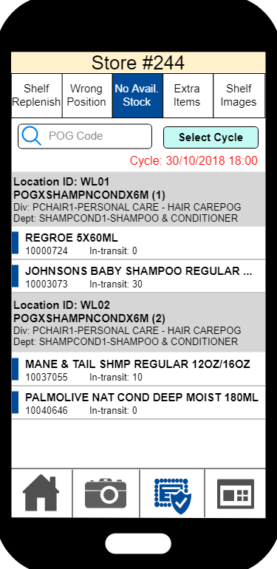
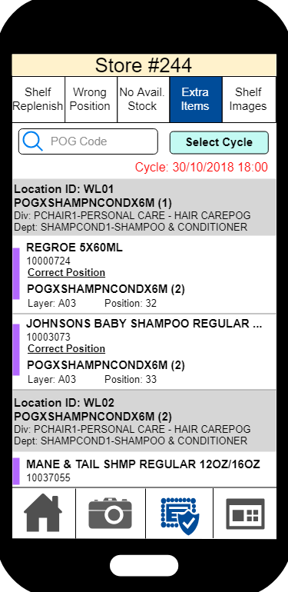
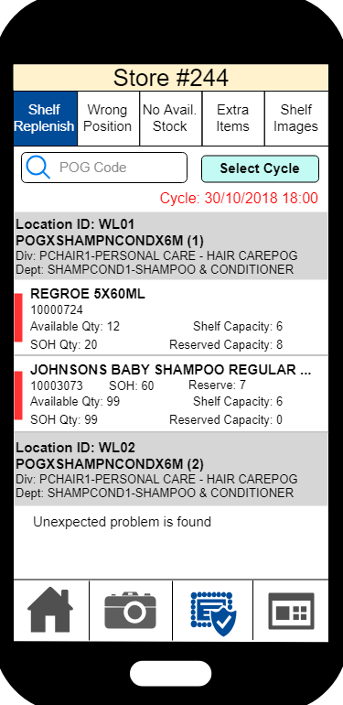
 | #B: Recognition Result (exclude Shelf Image) (Developed by Space Master)

 |  | Property | Detail | Remark
 |  | Developed By | Space Master
 |  | Source | Mobile App
 |  | Destination | Space Master
 |  | Approach | Webservice
 |  | Remark | - Refer to Space Master URS chapter 4.2

 | Input (from Mobile)
 | # | Field | Field Description | Field Format | Mandatory | Remark | Sample data
 |  | BU |  |  | Y |  | WTCPH
 | 1 | Store ID |  |  | Y |  | 244
 |  | Result Page | - 01: Shelf Replenish - 02: Wrong Position - 03: No Avail. Stock - 04: Extra Items |  | Y |  | 01
 | 2 | POG Code | If empty, all POG code will be returned
 | 3 | POG Module | Mandatory if POG Code is filled
 | 4 | ShowItem | If Y send the recognition result item level with image If N sends the recognition result image only |  | Y |  | Y
 | 5 | Cycle ID | If empty, latest cycle will be used

 |  | Request URL (Input)
 |  | <URL>/recognition_result

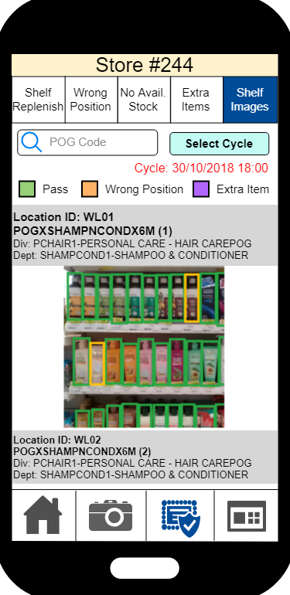
 |  | JSON Sample (Input)
 |  | { "StoreID": "012", "POGCode": "B20H4", "POGModule": "A", "ShowItem": "Y", "CycleID": "20181231235959" }

 | Output (from Space Master)
 | # | Field | Field Description | Field Format | Mandatory | Remark | Sample data

 | 1 | BU |  |  | Y |  | WTCHK
Lv 1 |  | Cycle ID |  |  | Y |  | 20181212121212
Lv 2 | 2 | POG Division |  |  | Y |  | M-HEALTH
 | 3 | POG Dept |  |  | Y |  | 02-Medicines
 | 4 | POG Code |  |  | Y |  | 16F02000W
 | 5 | POG Version |  |  | Y |  | 20181231
 | 6 | POG Module |  |  | Y |  | A
Lv 3 | 7 | Location ID |  |  | Y |  | WL01
 |  | Shelf Image Path |  |  | Y
Lv 4 | 9 | Recognized Item Code |  |  |  |  | 109005
 | 10 | Result Page | - 01: Shelf Replenish - 02: Wrong Position - 03: No Avail. Stock - 04: Extra Items |  | Y |  | 01
 | 11 | Recognized Item Description |  |  |  |  | REGROE 5X60ML
 | 12 | Recognized Item Description (Local) |  |  |  |  | REGROE 5X60ML
 | 13 | Recognized Layer | Empty for Shelf Replenish / No Avail. Stock |  |  |  | C05
 | 14 | Recognized Position | Empty for Shelf Replenish / No Avail. Stock |  |  |  | 10
 | 15 | Correct Item Code | Only have result for Wrong Position Item |  |  |  | 109005
 | 16 | Correct Item Description | Only have result for Wrong Position Item |  |  |  | REGROE 5X60ML
 | 17 | SOH | When mobile App send the capture image request to Space Master (#E), this value should be saved at that time (#J). After Tupu sent the result (#M), the result should be match together |  |  |  | 99
 | 18 | In-transit Quatity | When mobile App send the capture image request to Space Master (#E), this value should be saved at that time (#J). After Tupu sent the result (#M), the result should be match together Remark: It needs to sum up all In-transit to this store (IST) |  |  |  | 99
 | 19 | Reserved Quatity | When mobile App send the capture image request to Space Master (#E), this value should be saved at that time (#J). After Tupu sent the result (#M), the result should be match together |  |  |  | 99
 | 20 | Available Quatity | When mobile App send the capture image request to Space Master (#E), this value should be saved at that time (#J). After Tupu sent the result (#M), the result should be match together |  |  |  | 99
 | 21 | Item Capacity |  |  |  |  | 99
 | 22 | Correct Position: Location ID | Only have result for Extra Items |  |  |  | WL01
 | 23 | Correct Position: POG Code | Only have result for Extra Items |  |  | the first POG module only | 16F02000W
 | 24 | Correct Position: POG Version | Only have result for Extra Items
 | 25 | Correct Position: POG Module | Only have result for Extra Items |  |  | the first POG module only | A
 | 26 | Correct Position: Layer | Only have result for Extra Items |  |  | the first POG module only | C05
 | 27 | Correct Position: Position | Only have result for Extra Items |  |  | the first POG module only | 10

 |  | JSON Sample (Output)
 |  | { "CycleID": "20181212121212", "POGDetails": [{ "POGDivision": "M-HEALTH", "POGDept": "02-Medicines", "POGCode": "B20H4", "POGVersion": "20181231", "POGModule": "A", "LOCDetails": [{ "Location ID": "WL001", "ShelfImagePath": "http://spacewtchk.aswatson.net/20181231001.jpg""Result": [{ "RecognizedItemCode": "109005", "ResultPage": "01", "RecognizedItemDesc": "REGROE 5X60ML", "RecognizedItemDescLocal": "5X60ML", "RecognizedLayer": "C05", "RecognizedPosition": "10", "SOH": 99, "InTransitQty": 99, "ReservedQty": 99, "AvailableQty": 99, "ItemCapacity": 99, },
 |  | { "RecognizedItemCode": "109005", "ResultPage": "02", "RecognizedItemDesc": "REGROE 5X60ML", "RecognizedItemDescLocal": "5X60ML", "RecognizedLayer": "C06", "RecognizedPosition": "11", "CorrectItemCode": "109025", "CorrectItemDesc": "REGROE 5X23ML", "CorrectItemDesc(Local)": "REGROE 5X23ML" }] }] },
 |  | { "POGDivision": "M-HEALTH", "POGDept": "02-Medicines", "POGCode": "B20H4", "POGVersion": "20181231", "POGModule": "B", "LOCDetails": [{ "Location ID": "WL002", "ShelfImagePath": "http://spacewtchk.aswatson.net/20181231021.jpg""Result": [{ "RecognizedItemCode": "121005", "ResultPage": "01", "RecognizedItemDesc": "DETRI 5X10ML", "RecognizedItemDescLocal": "DETRI 5X10ML", "RecognizedLayer": "C05", "RecognizedPosition": "10", "SOH": 99, "InTransitQty": 99, "ReservedQty": 99, "AvailableQty": 99, "ItemCapacity": 99 }] }] }] }

 | #C: Recognition Result (Shelf Image) (Developed by Space Master)

 | #D: POG Search & Recommendation (Developed by Space Master)

 |  | Property | Detail | Remark
 |  | Developed By | Space Master
 |  | Source | Mobile App
 |  | Destination | Space Master
 |  | Approach | Webservice
 |  | Remark | - Use wildcard logic for searching - Refer to Space Master URS chapter 4.4 - Live module only

 | Input
 | # | Field | Field Description | Field Format | Mandatory | Remark | Sample data
 | 1 | BU |  |  | Y |  | WTCPH
 | 2 | Store ID |  |  | Y |  | 244
 | 3 | POG Division
 | 4 | POG Dept
 | 5 | POG Sub Dept
 | 6 | POG Code |  |  | Y | % is added for wildcard search | 16F02000W %16F02000W%
 | 7 | POG Module | Mandatory if Action = 02
 | 8 | POG Version
 | 9 | Cycle
 | 10 | Action | 01: View (for POG simple search at result page and shelf image shooting) 02: Get POG Module details (for shelf image shooting) |  |  |  | 01

 |  | Request URL (Input)
 |  | <URL>/store_pog_data

 |  | JSON Sample (Input)
 |  | { "BU": "WTCPH", "StoreID": "244", "POGDivision": "M-HEALTH", "POGDept": "02-Medicines", "POGSubDept": "Hair", "POGCode": "16F02000W", "POGModule": "A", "POGVersion": "20181231", "CycleID": "20181231235959", "Action": "01" }

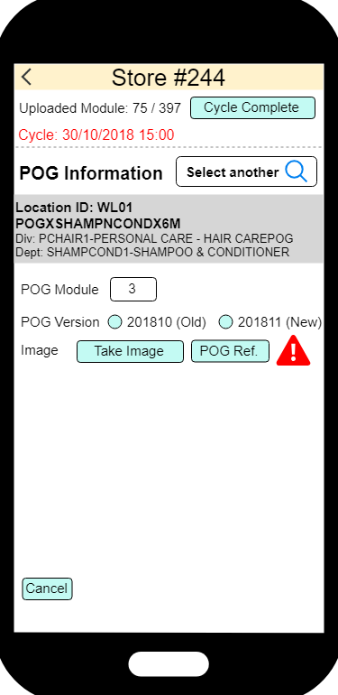
 | Output (Action = 01)
 | # | Field | Field Description | Field Format | Mandatory | Remark | Sample data
Lv 1 | 1 | Response Code | Refer to Response Code & Message Details | String (10) | Y |  | 00
 | 2 | Response Msg | Refer to Response Code & Message Details | String (4000) | Y |  | Success
 | 3 | Location ID |  |  | Y |  | WL01
 | 4 | POG Division |  |  | Y |  | M-HEALTH
 | 5 | POG Dept |  |  | Y |  | 02-Medicines
 | 6 | POG Code |  |  | Y |  | 16F02000W
 | 7 | Current POG Version | Empty
 | 8 | Effective Start Date | Empty
 | 9 | POG Module |  |  | Y |  | A
 | 10 | Special Indicator | Empty
Lv 2 | 11 | Previous POG Version | Empty

 | Output (Action = 02)
 | # | Field | Field Description | Field Format | Mandatory | Remark | Sample data
Lv 1 | 1 | Response Code | Refer to Response Code & Message Details | String (10) | Y |  | 00
 | 2 | Response Msg | Refer to Response Code & Message Details | String (4000) | Y |  | Success
 | 3 | Location ID | Mandatory if response code = 00 |  |  |  | WL01
 | 4 | POG Division | Mandatory if response code = 00 |  |  |  | M-HEALTH
 | 5 | POG Dept | Mandatory if response code = 00 |  |  |  | 02-Medicines
 | 6 | POG Code | Mandatory if response code = 00 |  |  |  | 16F02000W
 | 7 | Current POG Version | Mandatory if response code = 00 |  |  |  | 20181231
 | 8 | Effective Start Date | Mandatory if response code = 00 |  |  |  | 31-12-2018
Lv 2 | 9 | POG Module | Mandatory if response code = 00 |  |  |  | A
 | 10 | Special Indicator | Mandatory if response code = 00 Y: Current module does not occupy full shelf (Eq. Meterage not empty) N: Current module can occupy full shelf |  |  |  | Y
Lv 3 | 11 | Previous POG Version | Show all POG Version within past 7 days |  |  |  | 20181231

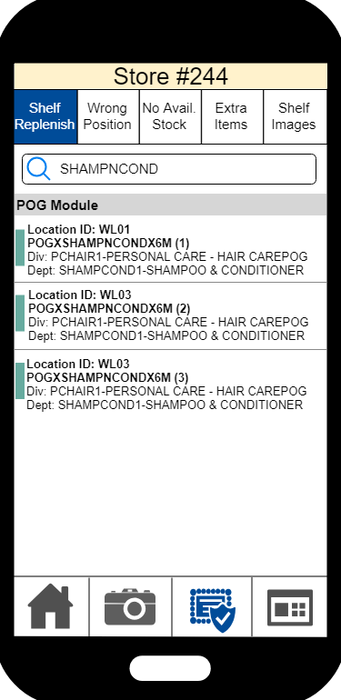
 |  | Response Code & Message Details
 |  | Response Code | Response Message
 |  | 00 | Success
 |  | 01 | No POG module can be found
 |  | 02 | Invalid Store
 |  | 03 | No more POG module for photo shooting
 |  | 99 | Unexpected Error

 |  | Request URL (Output)
 |  | TBC

 |  | JSON Sample (Output)
 |  | { "ResponseCode": "00", "ResponseMsg": "Success", "LocationID": "WL001", "POGDivision": "M-HEALTH", "POGDept": "02-Medicines", "POGCode": "B20H4", "CurrentPOGVersion": "", "EffectiveStartDate": "", "Module": [ { "POGModule": "A", "SpecialIndicator": "", "PreviousVerison": [ { "PreviousPOGVersion": "" } ] } ] }

 | #E: Shelf Data Upload (Developed by Space Master)

 |  | Property | Detail | Remark
 |  | Developed By | Space Master
 |  | Source | Mobile App
 |  | Destination | Space Master
 |  | Approach | Webservice
 |  | Remark | - Send with #F and #G at the same time - Refer to Space Master URS 4.3 - Need to save value (SOH, In-transit Quatity, Reserved Quatity and Available Quatity) of RSIM Inventory (#J) after received the result from this API

 | Input
 | # | Field | Field Description | Field Format | Mandatory | Remark | Sample data
Lv 1 | 1 | BU |  |  | Y |  | WTCHK
 | 2 | Store ID |  |  | Y |  | 244
 | 3 | Cycle ID |  |  | Y |  | 20181231235959
 | 4 | Location ID |  |  | Y |  | WL02
 | 5 | POG Code |  |  | Y |  | 16F02000W
 | 6 | POG Version |  |  | Y |  | 109005
 | 7 | POG Module |  |  | Y |  | A
 | 8 | Shooting Date Time |  |  | Y | YYYYMMDDhhmmss | 20181231235959
 | 9 | Number of Captured Image | Must be greater than 0 |  | Y |  | 2

 |  | Request URL (Input)
 |  | <URL>/pog_shelf_data

 |  | JSON Sample (Input)
 |  | { "BU": "WTCHK", "StoreID": "244", "CycleID": "20181231235959", "LocationID": "WL001", "POGCode": "16F02000W", "POGVersion": "20181231", "POGModule": "A", "ShootingtDateTime": "20181231235959", "NumberOfCapturedImage": 2 }

 | Output
 | # | Field | Field Description | Field Format | Mandatory | Remark | Sample data
Lv 1 | 1 | Response Code | Refer to Response Code & Message Details | String (10) | Y |  | 00
 | 2 | Response Msg | Refer to Response Code & Message Details | String (??) | Y |  | Success

 |  | Response Code & Message Details
 |  | Response Code | Response Message
 |  | 00 | Success
 |  | 01 | Duplicated item (BU, Store ID, Cycle ID, Location ID, POG Code, POG Version and POG Module)
 |  | 02 | Invalid Number of Captured Image
 |  | 03 | Invalid Shooting Date Time
 |  | 99 | Unexpected Error

 |  | JSON Sample (Input)
 |  | { "ResponseCode": "00", "ResponseMsg": "Success", }

 | #F: Shelf Image Upload (Developed by Tupu)

 |  | Property | Detail | Remark
 |  | Developed By | Tupu
 |  | Source | Mobile App
 |  | Destination | Tupu
 |  | Approach | Webservice (Push)
 |  | Remark | - Shelf image must be sent before sending this request - use html form or curl to test uploading. curl -v -H "token: xxxx" -F image=@/tmp/left.jpg

 | Input
 | # | Field | Field Description | Field Format | Mandatory | Remark | Sample data
Lv 1 | 1 | Image |  |  | Y

 |  | Request URL (Input)
 |  | https://planogram.dev.tuputech.com/v1/api/pi/<BU>/image/upload

 | Output
 | # | Field | Field Description | Field Format | Mandatory | Remark | Sample data
Lv 1 | 1 | Image Code | The code will be used in Trigger Recognition Process |  | Y |  | e7ba1f2801f1b9fd1

 |  | JSON Sample (Output)
 |  | { "imageCodes": [ "string" ] }

 | #G: Trigger Recognition Process (Developed by Tupu)

 |  | Property | Detail | Remark
 |  | Developed By | Tupu
 |  | Source | Mobile App
 |  | Destination | Tupu
 |  | Approach | Webservice (Push)
 |  | Remark | - Shelf image must be sent before sending this request

 | Input
 | # | Field | Field Description | Field Format | Mandatory | Remark | Sample data
Lv 1 | 1 | BU |  |  | Y |  | WTCHK
 | 2 | Store ID |  |  | Y |  | 244
 | 3 | Cycle ID |  |  | Y |  | 20181231235959
 | 4 | Location ID |  |  | Y |  | WL02
 | 5 | POG Code |  |  | Y |  | 16F02000W
 | 6 | POG Version |  |  | Y |  | 109005
 | 7 | POG Module |  |  | Y |  | A
 | 8 | Taking Image Driection | Refer to code table below |  | Y |  | 1
 | 9 | Extras | Not use
Lv 2 | 10 | Image Code | The code is retrieved after images sent to Tupu |  | Y |  | e7ba1f2801f1b9fd1

 |  | Code | Direction
 |  | 1 | Take shelf image from top to down, in phase 1, this value will be filled
 |  | 2 | Take shelf image from left to right
 |  | 3 | Take shelf image from top to down and left to right (Z pattern)

 |  | Request URL (Input)
 |  | https://planogram.dev.tuputech.com/v1/api/pi/[BU]/recognition

 |  | JSON Sample (Input)
 |  | { "storeCode": "string", "planogramCode": "string", "version": "string", "module": "string", "locationCode": "string", "cycleCode": "string", "imageCodes": [ "string" ], "direction": "string", "extras": {} }

 | Output
 | # | Field | Field Description | Field Format | Mandatory | Remark | Sample data
Lv 1 | 1 | Response Code | The code will be used in Trigger Recognition Process |  | Y |  | e7ba1f2801f1b9fd1
 |  | Response Msg | Refer to code table below

 |  | Response Code & Message Details
 |  | Response Code | Response Message
 |  | 00 | Success
 |  | 01 | Image is missing
 |  | 02 | Invalid POG Code
 |  | 03 | Invalid POG Version
 |  | 04 | Invalid POG Module
 |  | 05 | Invalid BU
 |  | 06 | Invalid Store ID
 |  | 07 | Invalid Location ID
 |  | 99 | Unexpected Error

 | #H: Dashboard (Developed by Space Master)

 |  | Property | Detail | Remark
 |  | Developed By | Space Master
 |  | Source | Mobile App / iManage
 |  | Destination | Space Master
 |  | Approach | Web View
 |  | Remark

 | Input
 | # | Field | Field Description | Field Format | Mandatory | Remark | Sample data
 | 1 | BU |  |  | Y |  | WTCPH
 | 2 | Store ID |  |  |  |  | 244

 |  | URL Sample (Input)
 |  | TBC

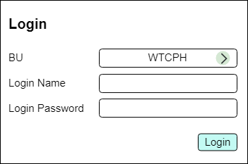
 | #I: Login (Developed by iManage)

 |  | Property | Detail | Remark
 |  | Developed By | iManage
 |  | Source | Mobile App
 |  | Destination | iManage
 |  | Approach | Webservice
 |  | Remark | In UI, BU will use for selecting connection server

 | Input
 | # | Field | Field Description | Field Format | Mandatory | Remark | Sample data
Lv 1 | 1 | Login Name |  |  | Y |  | store22@aswatson.com
 | 2 | Password |  |  | Y |  | 123456

 |  | URL Sample (Input)
 |  | http://10.32.181.80:8080/iManageJSONWebServices-portlet/api/jsonws/imanagetoken/login/loginName/director/password/test/?loginName=areatest&password=test

 |  | Testing Accounts
 |  | Role | Login Name | Password
 |  | Director | director | test
 |  | Region | regiontest | test
 |  | Area | areatest | test
 |  | Store | storetest | test
 |  | Not assigned | roletest | test

 | Output
 | # | Field | Field Description | Field Format | Mandatory | Remark | Sample data
Lv 1 | 1 | Login Success | 01 = Success, 02=Fail |  | Y |  | 01
 | 2 | Store ID | Empty is login failed Have multiple store ID | s1,s2,s3… |  | Use coma (,) as separator | 244,245,246

 |  | JSON Sample (Output)
 |  | User Role | Return
 |  | 1. Administrator or Director | { "LoginSuccess":"01", "StoreID":[3201,3205,3206,3209,3210,3211,3218,3224,3236,3239,3240,3250,3251,3268,3275,3282,3283,3295,3299,3318,3368,3383,3396,3398,3402,3414,3416,3418,3422,3429,3439,3442,3448] }
 |  | 2. Region | { "LoginSuccess":"01", "StoreID":[3201,3205,3206,3209,3240,3250,3251,3268,3275] }
 |  | 3. Area | { "LoginSuccess":"01", "StoreID":[3201,3205,3206,3209] }
 |  | 4. Store | { "LoginSuccess":"01", "StoreID":[3201] }
 |  | 5. Login success but no user role assigned | { "LoginSuccess":"02", "StoreID":[] }

 | #P: Cycle Start & Complete (Developed by Space Master)

 |  | Property | Detail | Remark
 |  | Developed By | Space Master
 |  | Source | Mobile App
 |  | Destination | Space Master
 |  | Approach | Webservice (Push)
 |  | Remark | - This API will be used if cycle start and cycle end

 | Input
 | # | Field | Field Description | Field Format | Mandatory | Remark | Sample data
 | 1 | BU |  |  | Y
Lv 1 | 2 | Store ID |  |  | Y
 | 3 | Cycle ID
 | 4 | Action | 01: Cycle Start 02: Cycle End

 |  | Request URL (Input)
 |  | <URL>C213/pogc_cycle

 |  | JSON Sample (Output)
 |  | { "BU": "WTCHK", "StoreID": "244", "CycleID": "20181231235959", "Action": "01" }

 | Output
 | # | Field | Field Description | Field Format | Mandatory | Remark | Sample data
Lv 1 | 1 | Response Code | Refer to Response Code & Message Details | String (10) | Y |  | 00
 | 2 | Response Msg | Refer to Response Code & Message Details | String (4000) | Y |  | Success

 |  | Response Code & Message Details
 |  | Response Code | Response Message
 |  | 00 | Success
 |  | 01 | Invalid Cycle ID
 |  | 02 | Cycle ID cannot be found for cycle end
 |  | 99 | Unexpected Error

 |  | JSON Sample (Output)
 |  | { "ResponseCode": "00", "ResponseMsg": "Success", }

