Venn Diagram Result
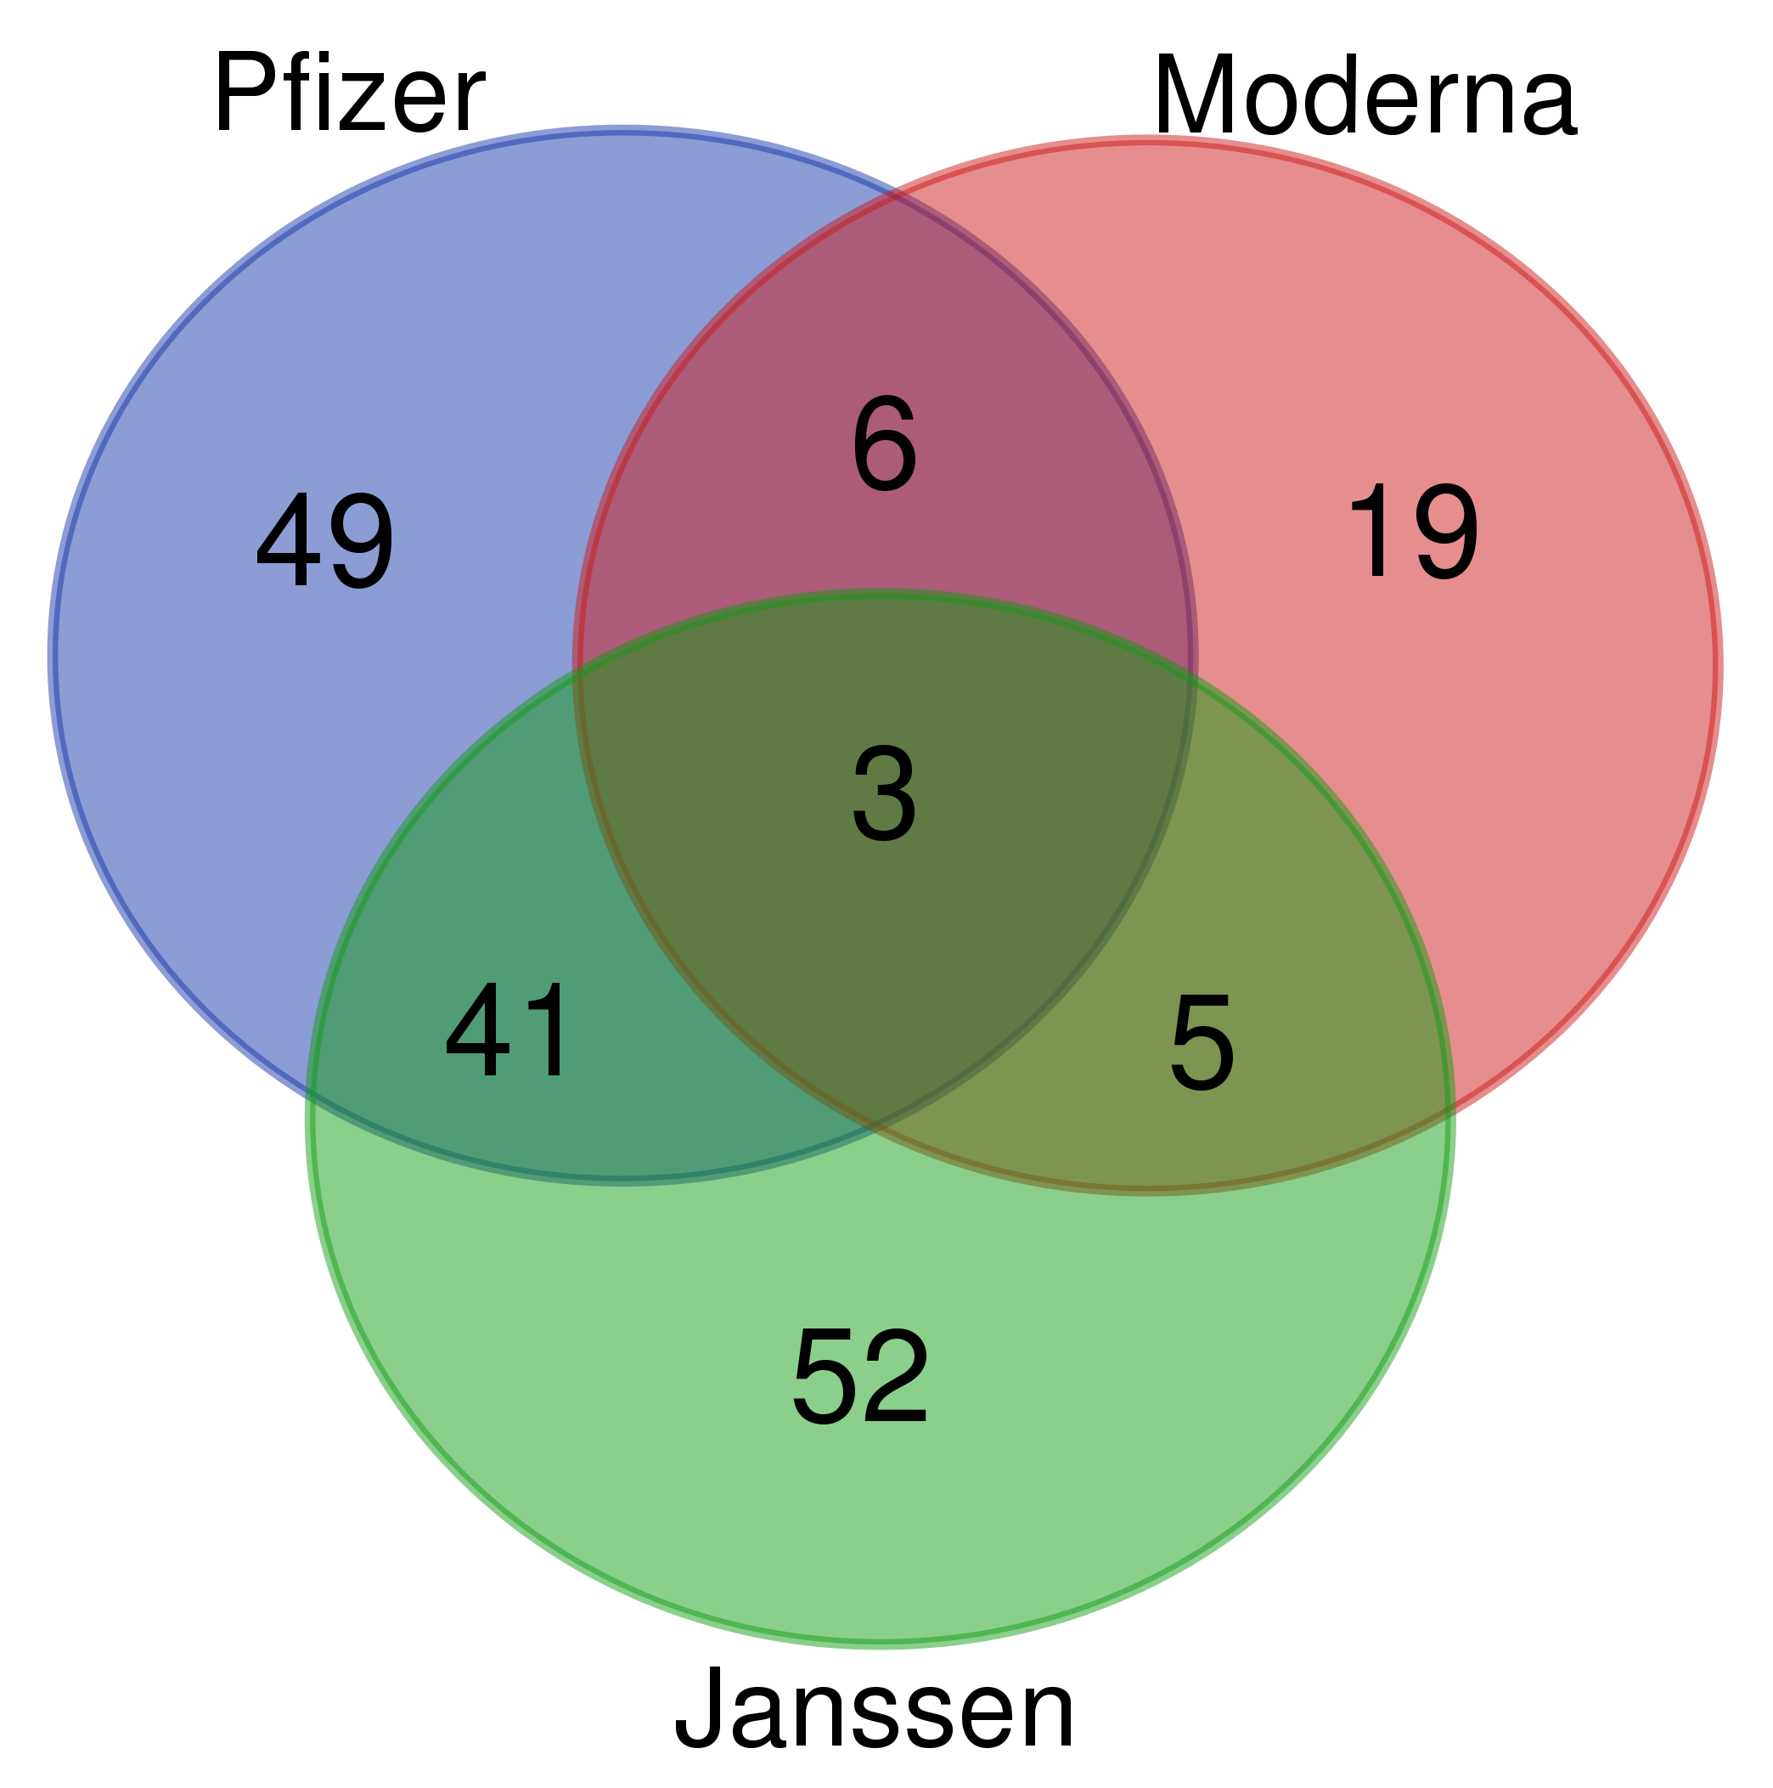
Names | total | elements | Summary figure (same as Figure 1A):
Janssen Moderna Pfizer | 3 | Anticoagulant therapy
 |  | Ageusia
 |  | Taste disorder
Janssen Moderna | 5 | Poor quality product administered
 |  | Fatigue
 |  | Chills
 |  | Product administered to patient of inappropriate age
 |  | Impaired work ability
Moderna Pfizer | 6 | SARS-CoV-2 test negative
 |  | Atrial fibrillation
 |  | Pharyngeal swelling
 |  | Illness
 |  | Vaccination site pain
 |  | Bell's palsy
Janssen Pfizer | 41 | Body temperature
 |  | Menstruation irregular
 |  | Blood test
 |  | Acute kidney injury
 |  | Off label use
 |  | Dysmenorrhoea
 |  | SARS-CoV-2 antibody test
 |  | Head discomfort
 |  | Gait inability
 |  | Blood pressure measurement
 |  | Myocardial infarction
 |  | Menstrual disorder
 |  | Seizure
 |  | Electrocardiogram
 |  | Pulmonary embolism
 |  | Anosmia
 |  | Computerised tomogram thorax
 |  | Cerebrovascular accident
 |  | Facial paralysis
 |  | Acute respiratory failure
 |  | Parosmia
 |  | Computerised tomogram thorax abnormal
 |  | Chest X-ray
 |  | Hot flush
 |  | Heavy menstrual bleeding
 |  | Migraine
 |  | Vaccine breakthrough infection
 |  | COVID-19
 |  | Heart rate
 |  | Muscle tightness
 |  | Ultrasound Doppler
 |  | SARS-CoV-2 test positive
 |  | Magnetic resonance imaging
 |  | Computerised tomogram
 |  | Fibrin D dimer
 |  | Panic attack
 |  | Deep vein thrombosis
 |  | COVID-19 pneumonia
 |  | Fibrin D dimer increased
 |  | Thrombosis
 |  | Magnetic resonance imaging head
Moderna | 19 | Vaccination site induration
 |  | Injection site pruritus
 |  | Vaccination complication
 |  | Vaccination site mass
 |  | Maternal exposure during pregnancy
 |  | Vaccination site reaction
 |  | Rash pruritic
 |  | Vaccination site swelling
 |  | Vaccination site erythema
 |  | Product temperature excursion issue
 |  | Vaccination site rash
 |  | Vaccination site warmth
 |  | Injection site rash
 |  | Inappropriate schedule of product administration
 |  | Vaccination site pruritus
 |  | Limb discomfort
 |  | Expired product administered
 |  | Product dose omission issue
 |  | Peripheral swelling
Janssen | 52 | Dyspnoea exertional
 |  | Hypoxia
 |  | Sleep disorder
 |  | Disorientation
 |  | Vital signs measurement
 |  | Eye pain
 |  | Magnetic resonance imaging normal
 |  | Ultrasound scan abnormal
 |  | Endotracheal intubation
 |  | Adverse drug reaction
 |  | Epistaxis
 |  | Thirst
 |  | Feeling cold
 |  | Angiogram pulmonary abnormal
 |  | Head injury
 |  | Ultrasound scan
 |  | Therapy non-responder
 |  | Adverse event
 |  | Muscle spasms
 |  | Antibody test
 |  | Platelet count normal
 |  | Contusion
 |  | Vaccination failure
 |  | Magnetic resonance imaging head normal
 |  | Angiogram
 |  | Unresponsive to stimuli
 |  | Suspected COVID-19
 |  | Vision blurred
 |  | Loss of consciousness
 |  | Blood glucose
 |  | Headache
 |  | Sensitive skin
 |  | Computerised tomogram head abnormal
 |  | Oxygen saturation
 |  | Ultrasound Doppler abnormal
 |  | Platelet count
 |  | Visual impairment
 |  | Computerised tomogram head normal
 |  | Computerised tomogram head
 |  | Feeling of body temperature change
 |  | Laboratory test
 |  | Magnetic resonance imaging head abnormal
 |  | Pulmonary thrombosis
 |  | Lung opacity
 |  | Sinus congestion
 |  | Death
 |  | Cold sweat
 |  | Sensory disturbance
 |  | Night sweats
 |  | Feeling abnormal
 |  | Heart rate decreased
 |  | Hyperhidrosis
Pfizer | 49 | Electrocardiogram abnormal
 |  | Oropharyngeal discomfort
 |  | Echocardiogram abnormal
 |  | Investigation
 |  | Troponin
 |  | Paraesthesia oral
 |  | Lymphadenopathy
 |  | Vertigo
 |  | Lymph node pain
 |  | Echocardiogram
 |  | Swollen tongue
 |  | SARS-CoV-2 test
 |  | Blood pressure increased
 |  | Product preparation error
 |  | Heart rate irregular
 |  | Anxiety
 |  | Flushing
 |  | Troponin increased
 |  | Myocarditis
 |  | Tinnitus
 |  | Heart rate increased
 |  | Immunisation
 |  | Intermenstrual bleeding
 |  | Hypoaesthesia oral
 |  | Ear discomfort
 |  | Oxygen saturation decreased
 |  | Vaginal haemorrhage
 |  | Palpitations
 |  | Nervousness
 |  | Dysgeusia
 |  | Chest pain
 |  | Pericarditis
 |  | Deafness
 |  | Loss of personal independence in daily activities
 |  | Electrocardiogram normal
 |  | Exposure to SARS-CoV-2
 |  | Echocardiogram normal
 |  | Interchange of vaccine products
 |  | Product preparation issue
 |  | Axillary pain
 |  | Oropharyngeal pain
 |  | Respiratory tract congestion
 |  | Hypoacusis
 |  | Incorrect product formulation administered
 |  | Breast pain
 |  | Throat irritation
 |  | Throat tightness
 |  | Metabolic function test
 |  | Chest discomfort

