Selected_target_and_calibrator_
Index | Name | MaserDB | ra_h | ra_m | ra_s | dec_d | dec_m | dec_s | type | group | Coment: | Irbene monitoring | Recent flux (maser) | Detected on IrIb Baseline? | Detected on VLBI | Images from Interferometry observations | Extra comments | Images of spectra
12 | G043.795-0.127 | https://maserdb.net/object.pl?object=G43.795-0.127 | 19 | 11 | 54.01 | 9 | 35 | 50.5 | target | 2 | periodic | Y | 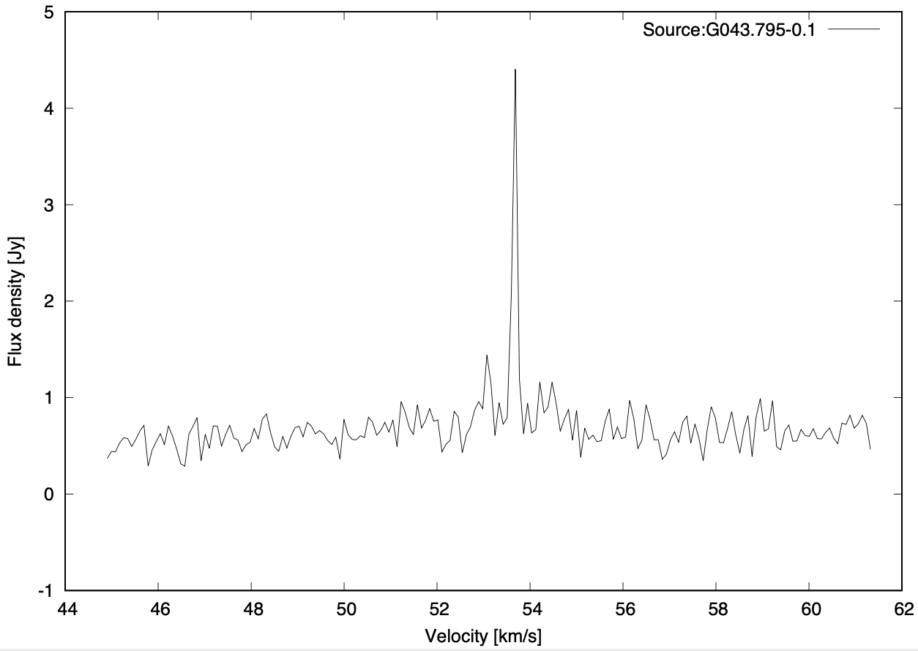 20 Jy | Y | Based on results of maser.db -> yes: Nguyen, H. A global view on star formation: The GLOSTAR Galactic plane survey. V. 6.7 GHz methanol maser catalogue Hu, B. On the Relationship of UC HII Regions and Class II Methanol Masers. I. Source Catalogs Surcis, G. EVN observations of 6.7 GHz methanol maser polarization in massive star-forming regions. IV. Magnetic field strength limits and structure for seven additional sources |  | 1) 23 detection and 2 non-detection of CH3OH (II class). Detected lines of CH3OH (II class) - 6.6 GHz, 157.270GHz, 157.276 GHz, 12 GHz, 157.272 GHz, 157.24 GHz, 157.1 GHz, 157.0 GHz. Flux densities (6.6 GHz): 31.6 - 144 Jy. 2) 9 detection of OH. Detected lines of OH - 1.665 GHz, 1.667GHz, 6.031GHz, 6.035GHz. Flux densities (1.665): 15 Jy and 157Jy; Flux densities (1.667): 1.5-38Jy and 41 Jy; Flux densities ( 6.031): 0.1Jy; Flux densities ( 6.035): 0.49Jy; Detailed object studies (not only CH3OH and OH): 1. Liu et al. (2012) Fragmentation and OB Star Formation in High-mass Molecular Hub-Filament Systems // 2012 2. Honma et al. (2004) VERA Observation of the W49N H2O Maser Outburst in 2003 October // 2004 3. Mehringer et al. (1995) Search for 6 Centimeter Formaldehyde Masers in 22 Galactic Star-forming Regions // 1995 And this object is mentioned in the text in 157 publications .
13 | G045.472+0.133 | https://maserdb.net/object.pl?object=G45.478+0.131 | 19 | 14 | 8.56 | 11 | 12 | 26.5 | target | 2 | peridic ( | N | 5-15 Jy (maserDB) | 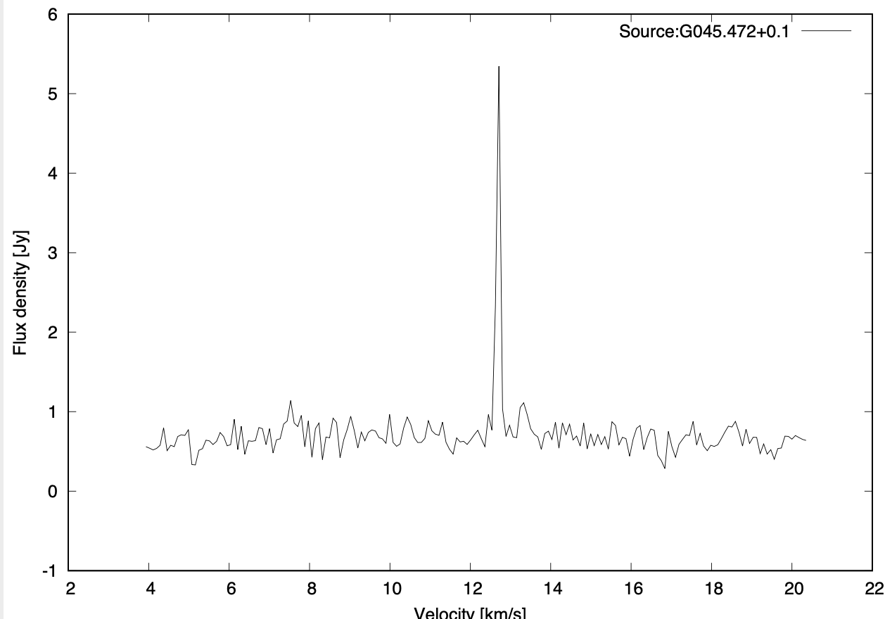 Y | Based on results of maser.db -> yes: Hu, B. On the Relationship of UC HII Regions and Class II Methanol Masers. I. Source Catalogs | 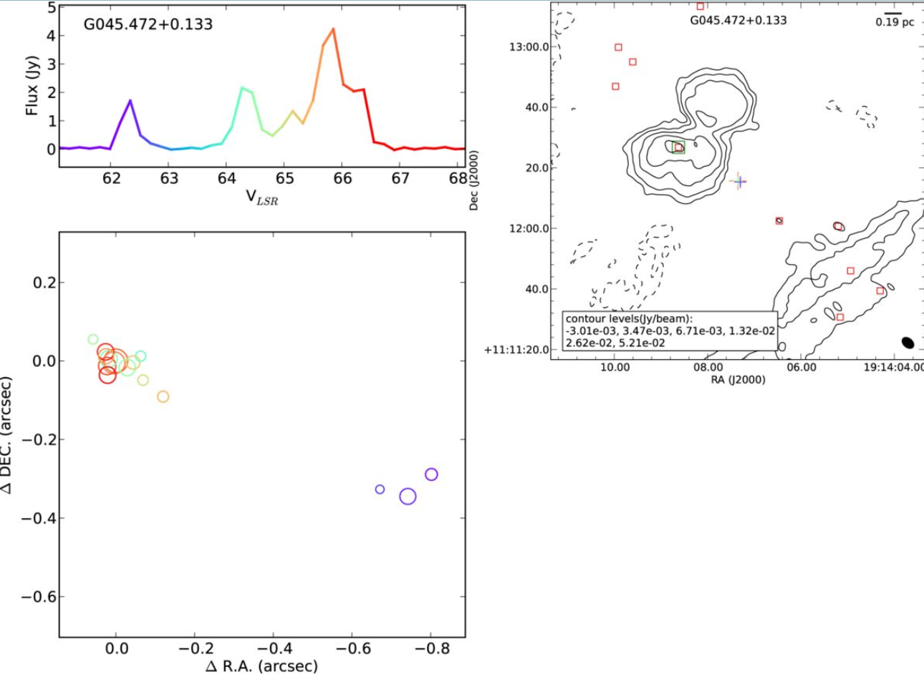 | 1) 14 detection of CH3OH (II class), but all 8 observations of I class were with no detection. Detected lines of CH3OH (II class) - 6.6 GHz, 12GHz. Flux densities (6.6 GHz): 4.6- 15 Jy. 2) 5 detection of OH. Detected lines of OH - 1.665 GHz, 1.667GHz. Flux densities (1.665): 4.8 Jy and 24Jy; Flux densities (1.667): 0.86Jy and 7.1Jy; Detailed object studies (not only CH3OH and OH): 1. Dhawan et al. (2000) AU-Scale Synchrotron Jets and Superluminal Ejecta in GRS 1915+105 // 2000 ADS 2. Rodriguez et al. (1995) Radio Monitoring of GRS 1915+105 // 1995 ADS And this object is mentioned in the text in 148 publications | 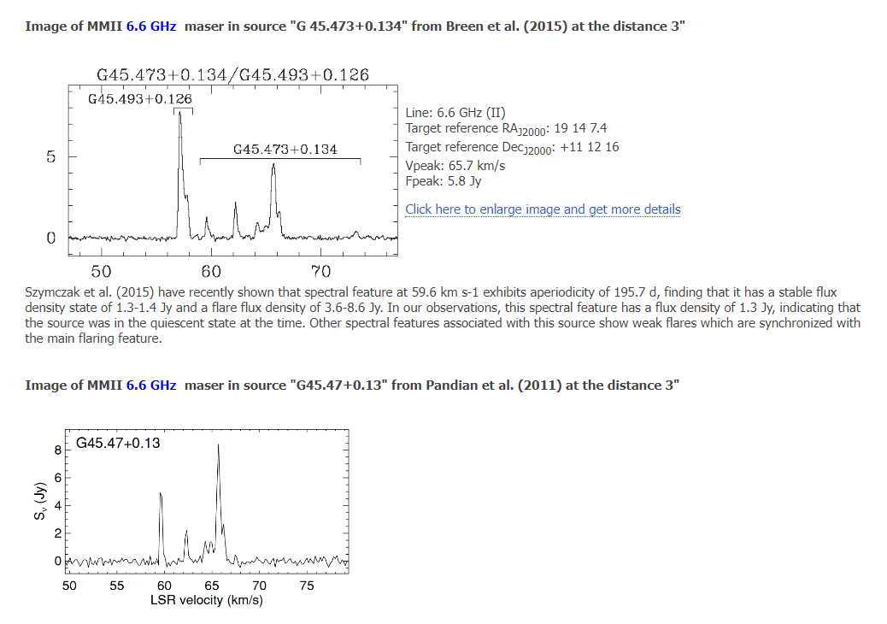
14 | G049.599-0.249 | https://maserdb.net/object.pl?object=G49.600-0.260 | 19 | 23 | 28.93 | 14 | 40 | 0.8 | target | 2 | remove? | N | 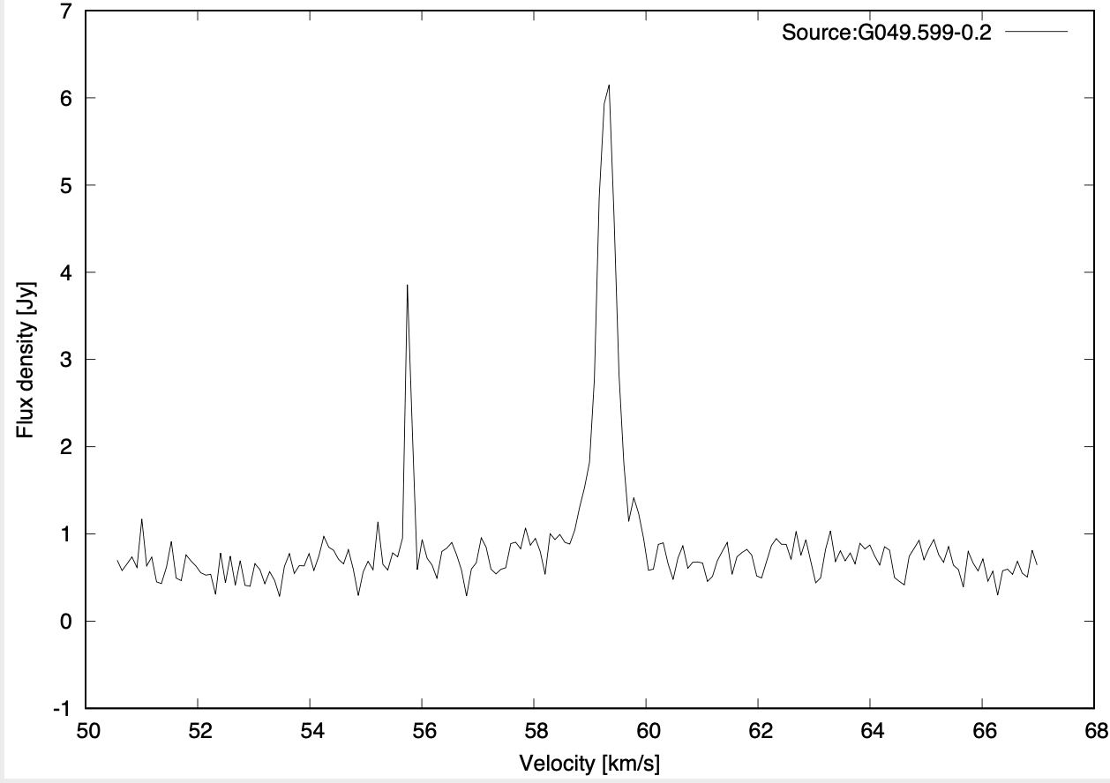 25-50 Jy (MaserDB) | Y | Based on results of maser.db -> yes: Hu, B. On the Relationship of UC HII Regions and Class II Methanol Masers. I. Source Catalogs | 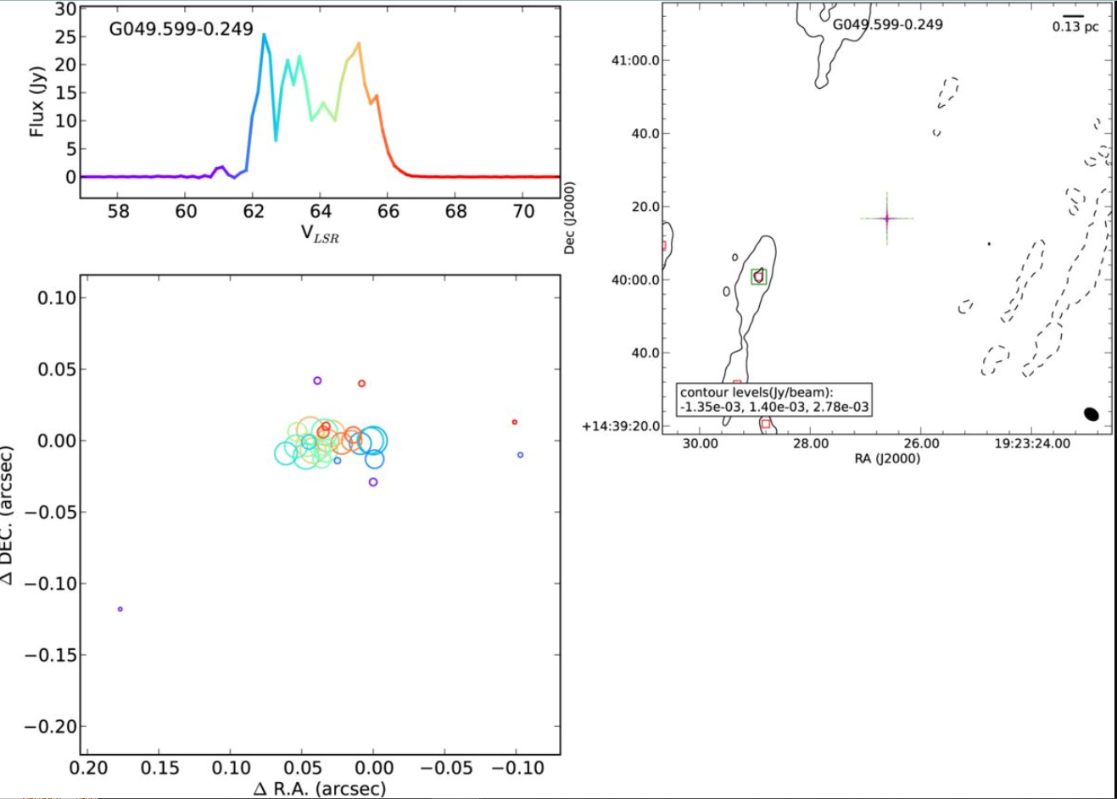 | 1) 10 detection of CH3OH (II class), but all 5 observations of I class were with no detection. Detected lines of CH3OH (II class) - 6.6 GHz, 12GHz. Flux densities (6.6 GHz): 25.2- 48.95 Jy. 2) No observation data related to OH lines Detailed object studies (not only CH3OH and OH): 1. Eden et al. (2018) Extreme star formation in the Milky Way: luminosity distributions of young stellar objects in W49A and W51 // 2018 ADS 2. Bieging et al. (2010) The Arizona Radio Observatory CO Mapping Survey of Galactic Molecular Clouds. I. The W51 Region in CO and 13CO J = 2-1 Emission // 2010 ADS 3. Kang et al. (2009) Embedded Young Stellar Object Candidates in the Active Star-Forming Complex W51: Mass Function and Spatial Distribution // 2009 ADS And this object is mentioned in the text in 25 publications. | 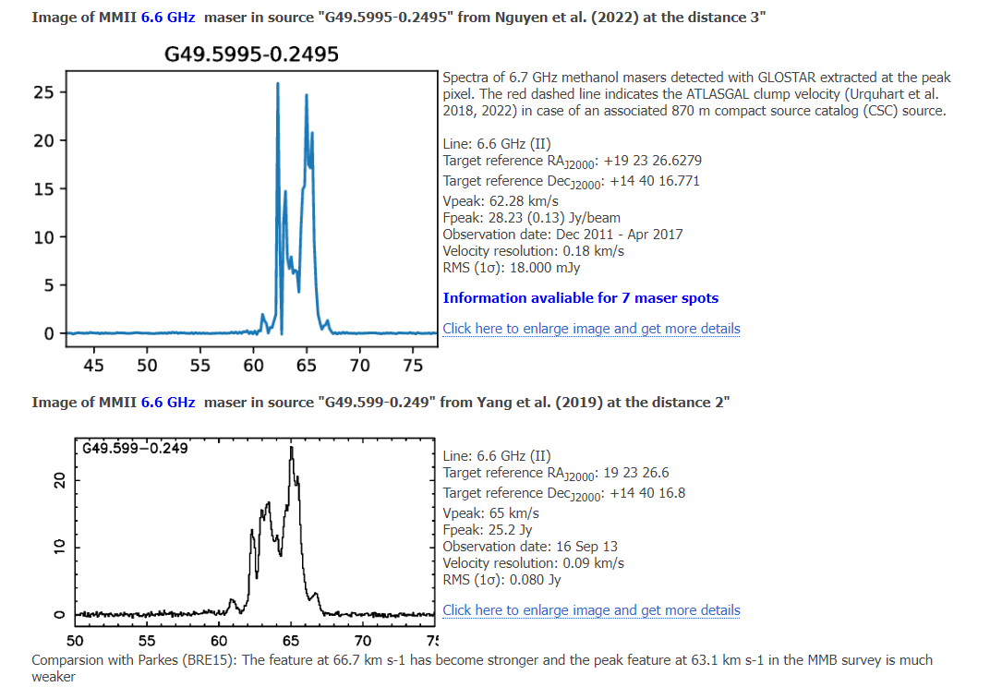
15 | G075.782+0.342 | https://maserdb.net/object.pl?object=G75.783+0.343 | 20 | 21 | 44.12 | 37 | 26 | 39.5 | target | 3 |  | Y | 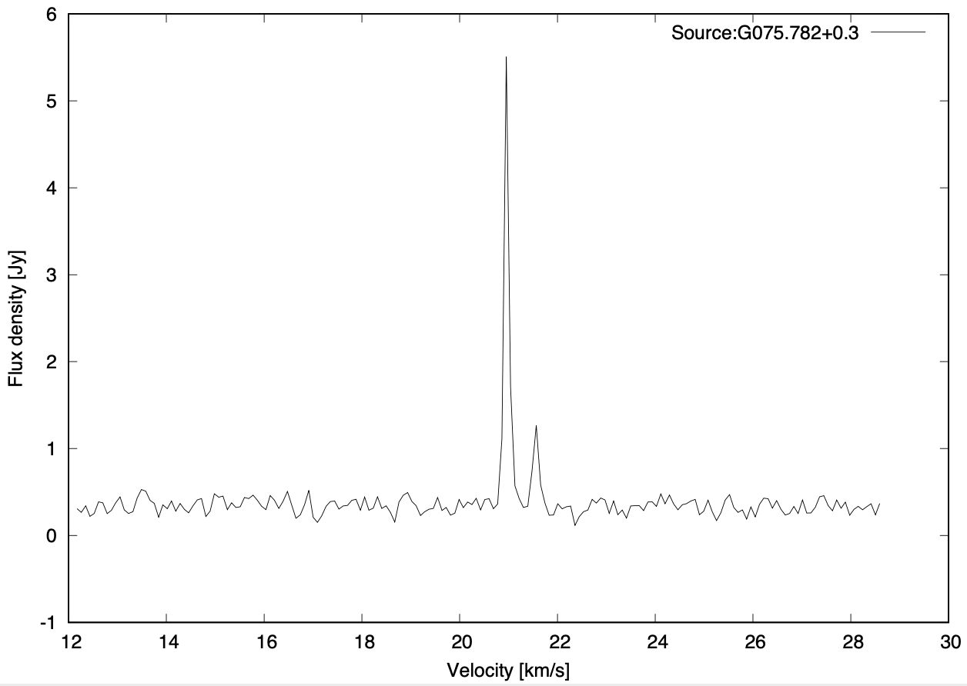 55 Jy | Y | Based on results of maser.db -> yes: Hu, B. On the Relationship of UC HII Regions and Class II Methanol Masers. I. Source Catalogs | 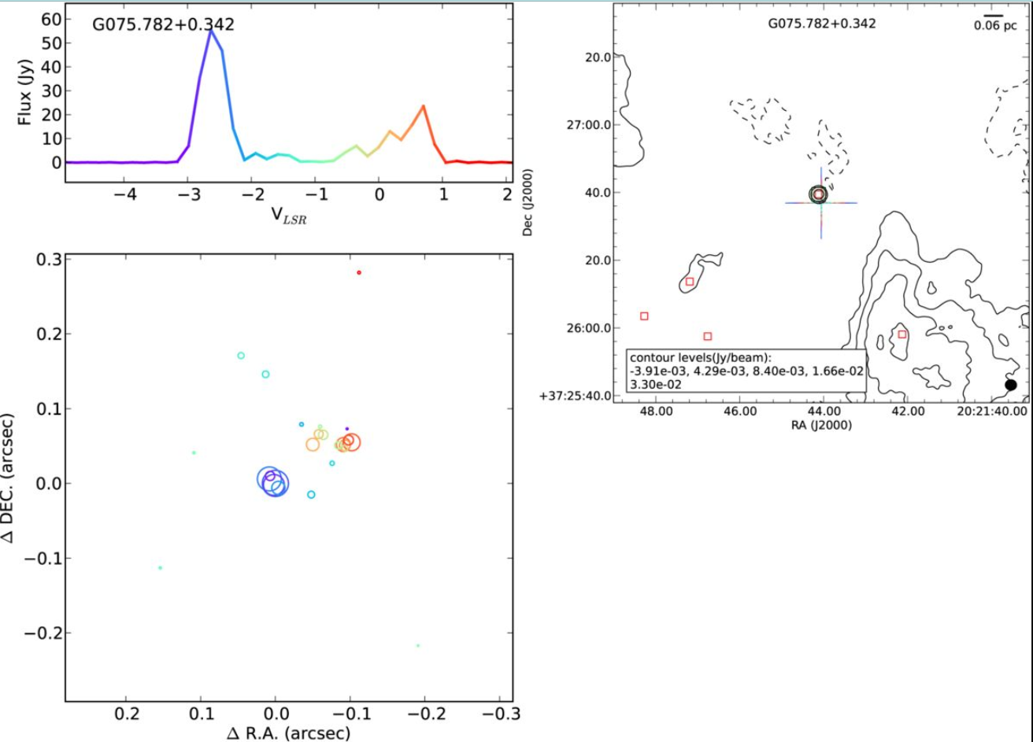 | 1) 2 non-detection of CH3OH (II class). Detected lines of CH3OH (II class) - 6.6 GHz, 157.270GHz, 157.276 GHz, 157.272 GHz, 157.24 GHz, 157.1 GHz. Flux densities (6.6 GHz): 39- 50 Jy. 2) 4 detection of OH. Detected lines of OH - 1.665 GHz, 1.667GHz. Flux densities (1.665): 9.3 Jy and 36 Jy; Flux densities (1.667): 16 Jy and 32 Jy; Detailed object studies (not only CH3OH and OH): 1. Drozdovskaya et al. (2021) Prestellar grain-surface origins of deuterated methanol in comet 67P/Churyumov-Gerasimenko // 2021 ADS 2. Sakai et al. (2015) Outer rotation curve of the Galaxy with VERA. III. Astrometry of IRAS 07427-2400 and test of the density-wave theory // 2015 ADS 3. Taquet et al. (2015) Constraining the Abundances of Complex Organics in the Inner Regions of Solar-type Protostars // 2015 ADS 4. Burns et al. (2014) VLBI observations of H2O maser annual parallax and proper motion in IRAS 20143+3634: Reflection on the Galactic constants // 2014 ADS 5. Burns et al. (2014) Trigonometric Distance and Proper Motion of Iras 20056+3350: A Massive Star-forming Region on the solar Circle // 2014 ADS 6. Sakai et al. (2012) Outer Rotation Curve of the Galaxy with VERA I: Trigonometric Parallax of IRAS 05168+3634 // 2012 ADS 7. Sokal et al. (2010) Chandra Detects the Rare Oxygen-type Wolf-Rayet Star WR 142 and OB Stars in Berkeley 87 // 2010 ADS 8. Palau et al. (2007) Unveiling the nature and interaction of the intermediate/high-mass YSOs in IRAS 20343+4129 // 2007 ADS 9. Dutra & Bica (2001) New infrared star clusters and candidates in the Galaxy detected with 2MASS // 2001 ADS 10. Hunter et al. (1999) Molecular Jets and H_2O Masers in the AFGL 5142 Hot Core // 1999 ADS 11. Cesaroni et al. (1998) Sub-arcsecond structure of hot cores in the NH_3 (4,4) line // 1998 ADS 12. Acord et al. (1998) The Expansion Rate of and Distance to G5.89-0.39 // 1998 ADS 13. Landecker et al. (1997) The unusual supernova remnant G76.9+1.0: The low-frequency radio spectrum // 1997 ADS | 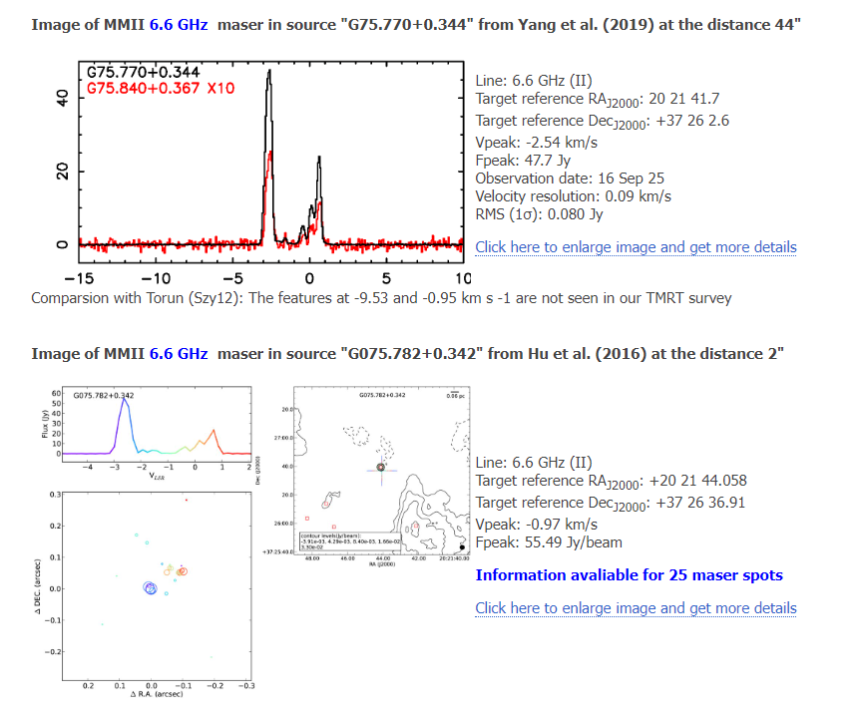
16 | G085.410+0.003 | https://maserdb.net/object.pl?object=G85.411+0.002 | 20 | 54 | 13.67 | 44 | 54 | 8 | target | 3 | Past flare one feature | Y | 70 Jy | Y |  |  | Flare from ~10 to ~100Jy in Oct 2019
28 | DR 21 N | https://maserdb.net/object.pl?object=G81.752+0.591 | 20 | 37 | 47 | 42 | 38 | 39 | target | 3 |  | N | 0.6 Jy (maserDB) | Y | Based on results of maser.db -> no |  | Only one observation on maserdb - 6.6GHz and flux density 0.59 Jy. Detailed object studies (not only CH3OH and OH): 1. Davis et al. (2007) WFCAM, Spitzer/IRAC and SCUBA observations of the massive star-forming region DR21/W75 - I. The collimated molecular jets // 2007 ADS And this object is mentioned in the text in 11 publications.
29 | DR 21 C |  | 20 | 39 | 2021-05-03 | 42 | 25 | 41.3 | target | 3 |  | N | 8-1000 Jy (maserDB) | 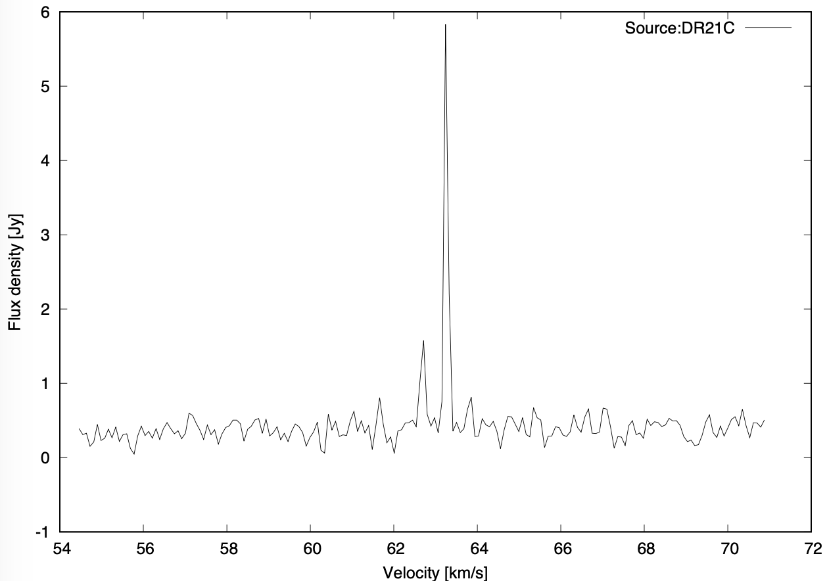 Y | Based on results of maser.db -> not clear. There are interferometry observation of near object with coordinates: 20 39 2.945, +42 25 50.93 (no image available in maserdb) : Nguyen, H. A global view on star formation: The GLOSTAR Galactic plane survey. V. 6.7 GHz methanol maser catalogue and with coordinates: 20 39 1.997, +42 24 59.08 Hu, B. On the Relationship of UC HII Regions and Class II Methanol Masers. I. Source Catalogs |  | 1) 15 detection and 1 non-detection of CH3OH (II class). Detected lines of CH3OH (II class) - 6.6 GHz, 157.270GHz, 157.276 GHz, 157.272 GHz, 157.24 GHz, 157.1 GHz. Flux densities (6.6 GHz): 8.4 Jy, 15.4 Jy, 39 Jy, 1080 Jy. 2) 1 detection of OH - 6.035 GHz. Flux densities: 1.1 Jy. Detailed object studies (not only CH3OH and OH): 1. Takekoshi et al. (2019) Nobeyama 45 m Cygnus-X CO Survey. II. Physical Properties of C18O Clumps // 2019 ADS 2. Cao et al. (2019) Surveys of Clumps, Cores, and Condensations in Cygnus X. I. A New Catalog of ∼0.1 pc Massive Dense Cores // 2019 ADS 3. Ching et al. (2018) Interactions Between Gas Dynamics and Magnetic Fields in the Massive Dense Cores of the DR21 Filament // 2018 ADS 4. Tigé et al. (2017) The earliest phases of high-mass star formation, as seen in NGC 6334 by Herschel-HOBYS // 2017 ADS 5. Ching et al. (2017) Magnetic Fields in the Massive Dense Cores of the DR21 Filament: Weakly Magnetized Cores in a Strongly Magnetized Filament // 2017 ADS 6. Cyganowski et al. (2014) G11.92-0.61-MM2: A Bonafide Massive Prestellar Core? // 2014 ADS 7. Duarte-Cabral et al. (2013) CO outflows from high-mass Class 0 protostars in Cygnus-X // 2013 ADS 8. Palau et al. (2013) Early Stages of Cluster Formation: Fragmentation of Massive Dense Cores down to <~ 1000 AU // 2013 ADS 9. Pillai et al. (2012) H2D+ in the High-mass Star-forming Region Cygnus X // 2012 ADS 10. Jakob et al. (2007) The cooling of atomic and molecular gas in DR21 // 2007 ADS 11. Davis et al. (2007) WFCAM, Spitzer/IRAC and SCUBA observations of the massive star-forming region DR21/W75 - I. The collimated molecular jets // 2007 ADS 12. Schneider et al. (2006) A new view of the Cygnus X region. KOSMA 13CO 2 to 1, 3 to 2, and 12CO 3 to 2 imaging // 2006 ADS 13. Harvey et al. (1986) High Angular Resolution Infrared Mapping of the Compact H II Regions W51 and DR 21/W75 // 1986 ADS And this object is mentioned in the text in 57 publications. https://www.aanda.org | 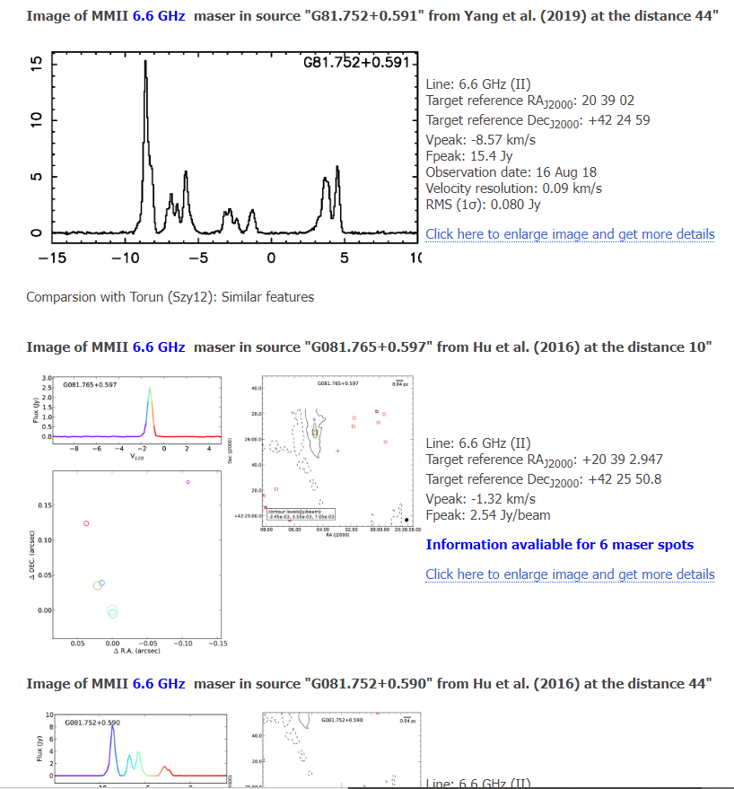
30 | DR 21 S |  | 20 | 39 | 57.5 | 41 | 59 | 2021-01-21 | target | 3 |  | N |  | Y
53 | G78.122 | https://maserdb.net/object.pl?object=G78.122+3.633 | 20 | 14 | 25.88 | 41 | 13 | 36.87 | target | 3 | active maser | Y | 140 Jy |  |  |  | Increse from 8 to 140 Jy in 2 years
18 | G196.454-1.677 | https://maserdb.net/object.pl?object=G196.455-1.675 | 6 | 14 | 37.69 | 13 | 49 | 36.2 | target | 5 | periodic ( | Y | 22 Jy
19 | S255 | https://maserdb.net/object.pl?object=G192.599-0.048 | 6 | 12 | 54.02 | 17 | 59 | 23.3 | target | 5 | past flare | Y | 220 Jy |  |  |  | Well known
17 | G109.870+2.114/CEPA | https://maserdb.net/object.pl?object=G109.871+2.113 | 22 | 56 | 2021-12-18 | 62 | 1 | 46.3 | target | 7 | Well known source | Y | 800 Jy | Y
 | G107.298+5.639 |  | 22 | 21 | 26.81 | 63 | 51 | 37.14 | target | 7 | periodic 34 day | Y | 0 - 120 Jy
4 | G028.304-0.387 | https://maserdb.net/object.pl?object=G28.305-0.388 | 18 | 44 | 21.59 | -4 | 17 | 33.9 | target | 1.a |  | N | 75 Jy | Y
5 | G029.955-0.016 | https://maserdb.net/object.pl?object=G29.955-0.017 | 18 | 46 | 3.98 | -2 | 39 | 2021-02-22 | target | 1.a |  | N | 180 Jy | Marginal detection
7 | G030.378-0.295 | https://maserdb.net/object.pl?object=G30.399-0.292 | 18 | 47 | 50.76 | -2 | 24 | 4 | target | 1.a |  | N | 3 Jy | Y
8 | G030.817-0.056 | https://maserdb.net/object.pl?object=G30.816-0.058 | 18 | 47 | 46.38 | -1 | 54 | 36.7 | target | 1.a |  | N | 10 Jy | Y |  |  | 1) Detected/non-detected masers in the object: Detected: +H2O +CH3OH I +CH3OH II +OH 2) H2O Flux densities (22 GHz): 55.4 - 6340 Jy. 3) OH Flux densities (1612 MHz): 2.12 Jy. Flux densities (1665 MHz): 0.269 - 9.050 Jy. Flux densities (1667 MHz): 1.03 - 1.630 Jy. Flux densities (1720 MHz): 1.180 Jy. 4) METI1 Flux densities (36 GHz (I)): 2 (0.5) -2.16E+01 Jy. Flux densities (44 GHz (I)): 46 - 228.00 Jy. Flux densities (95 GHz (I)): 17.4 - 113 Jy. 5) METI2 Flux densities (6.6 GHz (II)): 1.8 - 21 Jy. Flux densities (12 GHz (II)): 0.1 - 0.8 Jy.
9 | G031.059+0.093 /W43 | https://maserdb.net/object.pl?object=G31.060+0.092 | 18 | 47 | 41.62 | -1 | 37 | 2021-03-27 | target | 1.a |  | N | 20 Jy | Y |  |  | 1) Detected/non-detected masers in the object: Detected: +H2O +CH3OH II +OH, no-detected -CH3OH I 2) H2O Flux densities (22 GHz): 11 - 15.85 Jy. 3) OH Flux densities (1612 MHz): 0.279 - 0.52 Jy. Flux densities (1665 MHz): 0.43 - 1.2 Jy. Flux densities (1720 MHz): 0.1 Jy. 4) METI2 Flux densities (6.6 GHz (II)): 6.5 - 23.83 Jy.
10 | G033.641-0.227 | https://maserdb.net/object.pl?object=G033.641-0.227 | 18 | 53 | 32.7 | 0 | 31 | 50.6 | target | 1.a | Variable maser with periods | Y | 140 JY | Y
11 | G034.244+0.133 | https://maserdb.net/object.pl?object=G34.257+0.153 | 18 | 53 | 2021-05-18 | 1 | 14 | 58.4 | target | 1.a |  | N | 8 Jy | Y |  |  | 1) Detected/non-detected masers in the object: Detected: +H2O +CH3OH I +CH3OH II +OH 2) H2O Flux densities (22 GHz): 0.7 - 1780 Jy. Flux densities (325 GHz): 64 Jy. Flux densities (439 GHz): 110 Jy. 3) OH Flux densities (1665 MHz): 18.9 - 74.950 Jy. Flux densities (1667 MHz): 18.9 - 111.380 Jy. Flux densities (1720 MHz): 0.35 - 1.610 Jy. Flux densities (6035 MHz): 0.6 - 1 Jy. 4) METI1 Flux densities (36 GHz (I)): 1.24E+01 - 23.5 Jy.
31 | M 17 | https://maserdb.net/object.pl?object=G15.034-0.673 | 18 | 20 | 2021-08-23 | -16 | 11 | 36 | target | 1.a |  | N | 40 Jy |  |  |  | 1) Outbursts 2) Detected/non-detected masers in the object: Detected: +H2O +CH3OH I +CH3OH II +OH 3) H2O Flux densities (22 GHz): 1.1 - 200 Jy. Flux densities (183 GHz): 1.0 (0.5) K 4) OH Flux densities (1612 MHz): 0.254 Jy. Flux densities (1665 MHz): 1.379 - 2.5 Jy. Flux densities (1667 MHz): 2.9 Jy. Flux densities (6031 MHz): 0.1 Jy. Flux densities (6035 MHz): 13.7 - 22 Jy. 5) METI1 Flux densities (36 GHz (I)): 0.45(0.10) K. Flux densities (44 GHz (I)): 2.3 - 25 Jy. Flux densities (84 GHz (I)): 0.23 K. Flux densities (95 GHz (I)): 1.9 - 7.7 Jy.
32 | M 17 SWex | https://maserdb.net/object.pl?object=G14.227-0.511 | 18 | 18 | 12.7 | -16 | 49 | 33.8 | target | 1.a |  | N | 0.1 Jy |  |  |  | 1) Weak 6.7 GHz maser 2) Detected/non-detected masers in the object: Detected: +H2O +CH3OH I +CH3OH II 3) H2O Flux densities (22 GHz): 11 Jy - 13.6 Jy. 4) METI1 Flux densities (95 GHz (I)): 14.8 Jy. 5) METI2 Flux densities (6.6 GHz (II)): 0.2 - 3.62 Jy.
1 | G009.621+0.195 | https://maserdb.net/object.pl?object=G009.621+0.195 | 18 | 6 | 14.45 | -20 | 31 | 27.2 | target | 1.b | periodic | N |  |  |  |  | Strongest 6.7 GHz methanol maser, low dec
2 | G022.356+0.066 | https://maserdb.net/object.pl?object=G022.356+0.066 | 18 | 31 | 44.9 | -9 | 22 | 5.01 | target | 1.b | periodic (170 d) | Y | 15 Jy |  |  |  | ~10 Jy? Has associated continuum emission and many uncommon masers
3 | G023.706-0.198 | https://maserdb.net/object.pl?object=G023.706-0.198 | 18 | 35 | 12.07 | -8 | 17 | 49.8 | target | 1.b |  | N |  |  |  |  | Associates with HII regions
6 | G030.224-0.180 | https://maserdb.net/object.pl?object=G030.224-0.180 | 18 | 47 | 8.16 | -2 | 29 | 42.7 | target | 1.b |  | N |  |  |  |  | About 10Jy? Source identification is unclear
 | G32.744-0.076 | https://maserdb.net/object.pl?object=G32.744-0.076 | 18 | 51 | 21.87 | -00 | 12 | 05.3 | target | 1.b | Best maser cal | Y | 45 Jy |  |  |  | Stable at around 45 Jy for a long time
 | Coment |  | 26 | targets |  | Corrdinate difrence from JCMT sources(?)
 |  |  |  |  |  | JCMT | wich masive YSO |  | ?

 | Extra targets
1 | G069.539-0.975 | https://maserdb.net/object.pl?object=G069.539-0.975 | 20 | 10 | 9.075 | 31 | 31 | 34.86 | target |  |  | Y ("ON 1") | 100Jy
2 | L1206 | https://maserdb.net/object.pl?object=G108.184+5.518 | 22 | 28 | 52.1 | 64 | 13 | 43.4 | target |  |  | Y ("L1206") | 40 Jy |  | 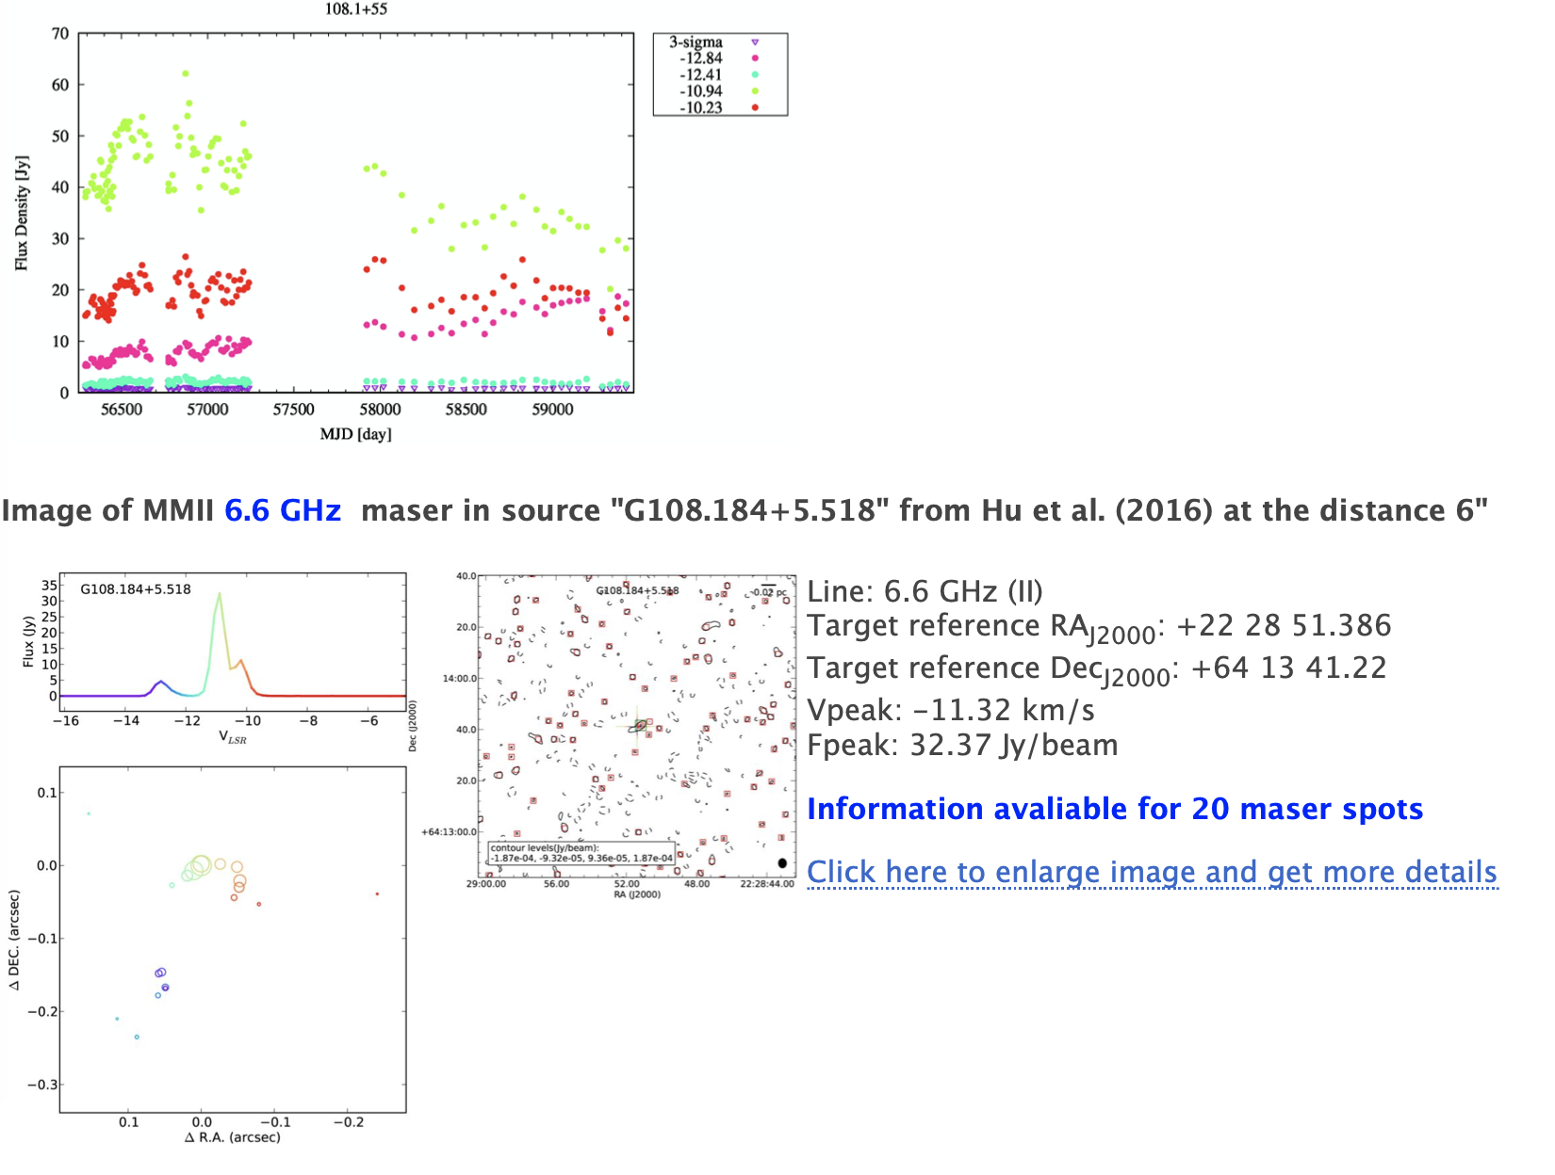
3 | G188.946+0.886 | https://maserdb.net/object.pl?object=G188.946+0.886 | 6 | 8 | 53.343 | 21 | 38 | 29.14 | target |  | periodic | (Monitored by Ibaraki | 800Jy |  |  | 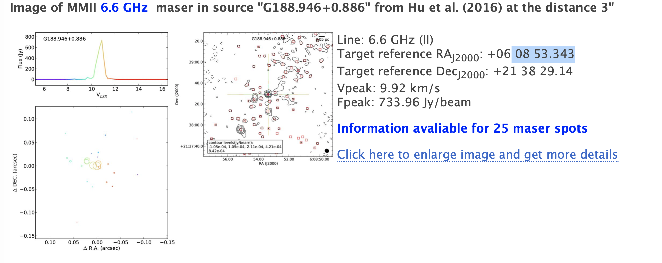

 | NO Masers as calibrators(!)
 |  |  |  |  |  |  |  |  |  |  | 6 periodic sources
 | Best maser cal |  |  |  |  |  |  |  |  |  | 3 flare sources
 | G32.744-0.076 18 51 21.87 -00 12 05.3 |  |  |  |  |  |  |  |  |  | 8* JCMT sources

 |  |  |  |  |  |  |  |  |  |  | MaserDB checking:
 | Extra targets(!) |  |  |  |  |  |  |  |  |  | Artis: JCMT sources | Overall bad results with JSMT sources, as no 6.7 GHz masers detected, apperantly earlear evatution stage Class 0 and 1
 | G107.298+5.639 22 21 26.81 63 51 37.14 |  |  |  |  |  |  |  |  |  | Ross: Light Orange soures
 |  |  |  |  |  |  |  |  |  |  | Janis
 |  |  |  |  |  |  |  |  |  |  | Karina
 |  |  |  |  |  |  |  |  |  |  | Ivar
 |  |  |  |  |  |  |  |  |  |  | Vladislavs

