About
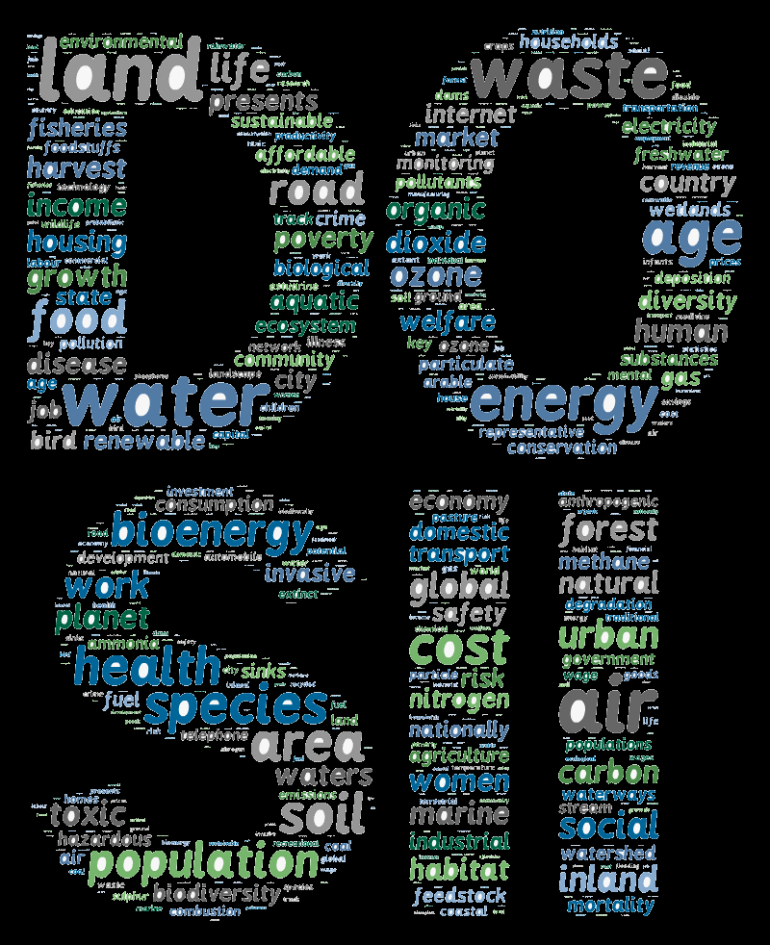
Description | The Database of Sustainability Indicators and Indices (DOSII) is a searchable inventory of sustainability indicators and metadata from peer reviewed sources classified into a single taxonomy. DOSII is a resource to assist researchers and stakeholders identify candidate measures relevant to specific sustainability interests. It provides a “lay of the land” on how various aspects of sustainability have been measured, covers a variety of topics (e.g., agriculture, poverty, education) and spans from global to community scale. It was developed as a part of Safe and Healthy Communities (SHC) indicators and Indices effort (SHC 1.2.2.1: Inventory of Sustainability Indicators, completed in FY 2014) and is a companion to the Framework for Sustainability Indicators at EPA: https://www.epa.gov/sustainability/report-framework-sustainability-indicators-epa.

Contacts | Task Lead: Tarsha Eason (eason.tarsha@epa.gov)
 | Webtool Development: Linda Harwell (harwell.linda@epa.gov)
 | Project Lead: Lisa M. Smith (smith.lisam@epa.gov)

