DASHBOARD
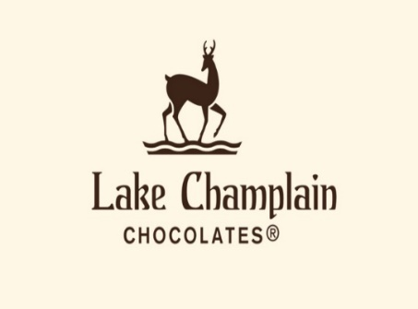
Lake Complain Chocolates Sales Dashboard

Country-wise Profit Analysis
 | Total
Canada | 843427
India | 813302
New Zealand | 794641
UK | 813401
USA | 759035
ANNUAL PROFIT REPORT
 | Total
2022 | 3274026
2023 | 1690372
TOP SELLING PRODUCTS
 | Total
Almond Choco | 5702
Smooth Sliky Salty | 6934
Orange Choco | 7372
Baker's Choco Chips | 8305
85% Dark Bars | 10372
Milk Bars | 12587
Fruit & Nut Bars | 14483
Mint Chip Choco | 15310
Caramel Stuffed Bars | 17574
99% Dark & Pure | 20441

COUNTRIES SALES REPORT
 | TOTAL REVENUE | TOTAL EXPENSES
Australia | 1690255 | 749663
Canada | 1544963 | 701536
India | 1481039 | 667737
New Zealand | 1398782 | 604141
UK | 1487136 | 673735
USA | 1408827 | 649792

TOP BEST SALESPERSON
 | Total
Camilla Castle | 10011
Brien Boise | 10060
Mallorie Waber | 10118
Jan Morforth | 10317
Madelene Upcott | 10877
Jehu Rudeforth | 10979
Karlen McCaffrey | 12228
Husein Augar | 12530
Oby Sorrel | 13019
Ches Bonnell | 15609

