task 1
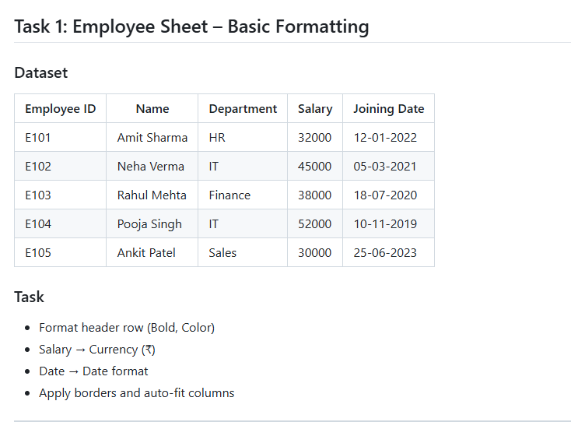
Employee ID | Name | Department | Salary | Joining Date
E101 | Amit Sharma | HR | ₹ 32,000.00 | 2022-01-12
E102 | Neha Verma | IT | ₹ 45,000.00 | 2021-03-05
E103 | Rahul Mehta | Finance | ₹ 38,000.00 | 2020-07-18
E104 | Pooja Singh | IT | ₹ 52,000.00 | 2019-11-10
E105 | Ankit Patel | Sales | ₹ 30,000.00 | 2023-06-25
E106 | vraj pandya | IT | ₹ 45,000.00 | 2025-07-21
E107 | pavan shah | Sales | ₹ 65,000.00 | 2024-08-14
E108 | poojan pandya | HR | ₹ 52,000.00 | 2025-08-12
E109 | vinit patel | Finance | ₹ 12,000.00 | 2023-05-26 | ssss
E110 | jiya patel | Sales | ₹ 65,000.00 | 2025-03-31
E111 | hetvi joshi | HR | ₹ 750,000.00 | 2021-02-24
E112 | shivam shah | Sales | ₹ 20,000.00 | 2025-06-21
E113 | sanjay dutt | IT | ₹ 30,000.00 | 2023-05-15
E114 | umesh pandya | Sales | ₹ 25,000.00 | 2025-09-15
E115 | oravin dave | Finance | ₹ 640,000.00 | 2025-12-26
E116 | hasrhil parmar | IT | ₹ 80,000.00 | 2024-05-19
E117 | dwij darji | HR | ₹ 260,000.00 | 2021-08-21
E118 | dhruv pandya | Sales | ₹ 23,000.00 | 2020-01-16
E119 | diya patel | IT | ₹ 44,000.00 | 2020-01-21

task 2
monthly sales report
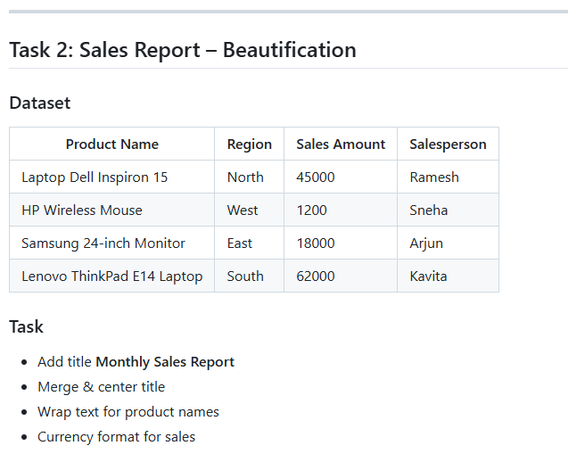
Product Name | Region | Sales Amount | Salesperson
Laptop Dell Inspiron 15 | North | ₹ 45,000.00 | Ramesh
HP Wireless Mouse | West | ₹ 1,200.00 | Sneha
Samsung 24-inch Monitor | East | ₹ 18,000.00 | Arjun
Lenovo ThinkPad E14 Laptop | South | ₹ 62,000.00 | Kavita

task 3
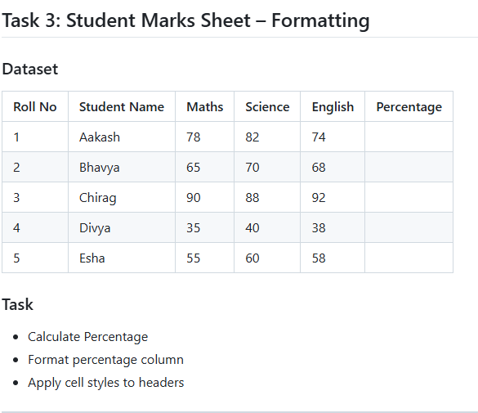
Roll No | Student Name | Maths | Science | English | total | Percentage
1 | Aakash | 78 | 82 | 74 | 234 | 78.00%
2 | Bhavya | 65 | 70 | 68 | 203 | 67.67%
3 | Chirag | 90 | 88 | 92 | 270 | 90.00%
4 | Divya | 35 | 40 | 38 | 113 | 37.67%
5 | Esha | 55 | 60 | 58 | 173 | 57.67%

task 4
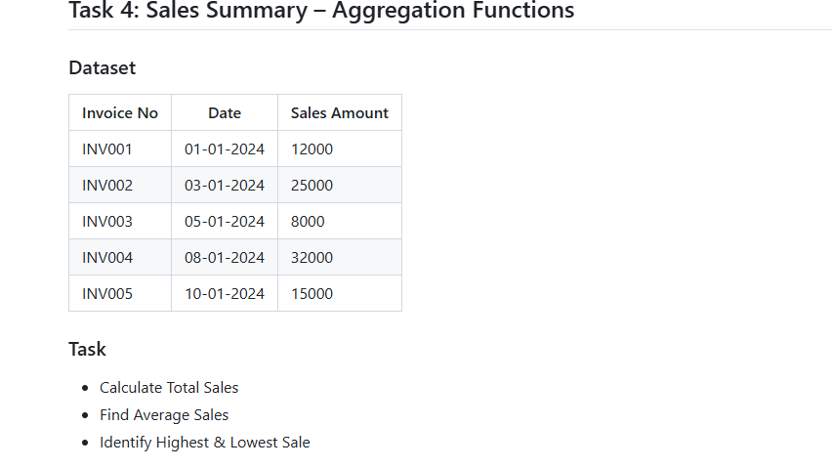
Invoice No | Date | Sales Amount
INV001 | 45292 | 12000
INV002 | 45294 | 25000
INV003 | 45296 | 8000
INV004 | 45299 | 32000
INV005 | 45301 | 15000
total sales |  | 92000
average sales |  | 18400

task 5
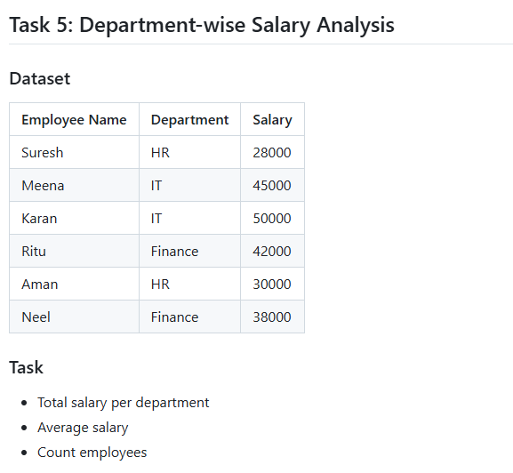
Employee Name | Department | Salary
Neel | Finance | ₹ 38,000.00 | ₹ 80,000.00
Ritu | Finance | ₹ 42,000.00
Aman | HR | ₹ 30,000.00 | ₹ 58,000.00
Suresh | HR | ₹ 28,000.00
Karan | IT | ₹ 50,000.00 | ₹ 95,000.00
Meena | IT | ₹ 45,000.00
average salary |  | ₹ 38,833.33
total emp |  | 6

task 6
Student Name | Day 1 | Day 2 | Day 3 | Day 4 | Day 5 | present day | absent day
Aakash | P | A | P | P | P | 4 | 1
Bhavya | P | P | P | A | P | 4 | 1
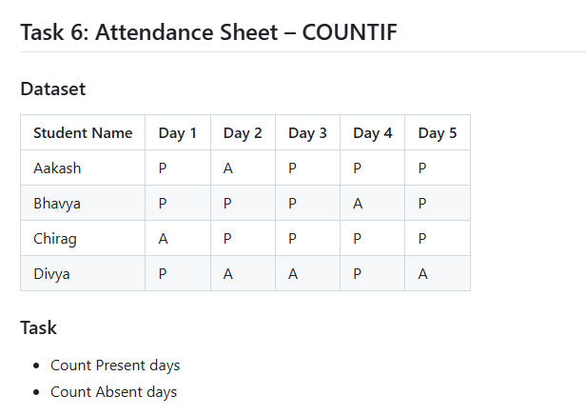
Chirag | A | P | P | P | P | 4 | 1
Divya | P | A | A | P | A | 2 | 3

task 7
sales above 10000
Order ID | Sales Amount
O101 | 4500
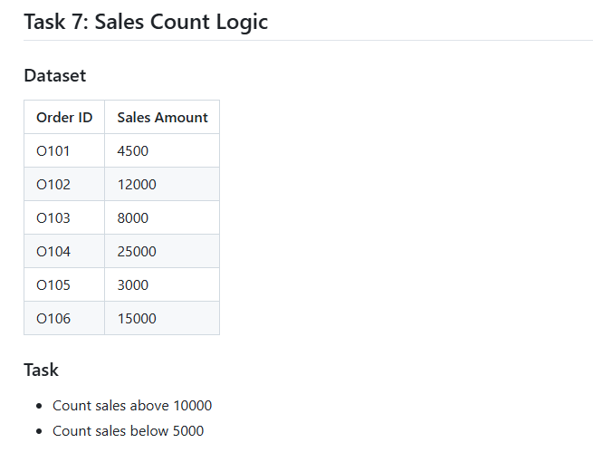
O102 | 12000
O103 | 8000
O104 | 25000
O105 | 3000
O106 | 15000

task 8
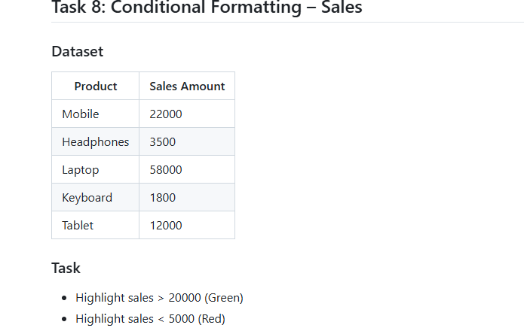
Product | Sales Amount
Mobile | 22000
Headphones | 3500
Laptop | 58000
Keyboard | 1800
Tablet | 12000

task 9
Roll No | Name | Marks
1 | Aman | 85
2 | Bharti | 72
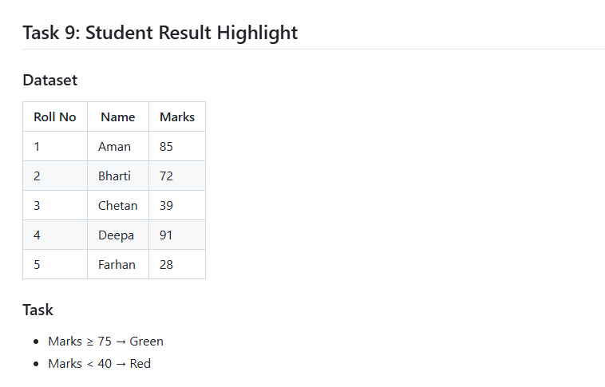
3 | Chetan | 39
4 | Deepa | 91
5 | Farhan | 28

task 10
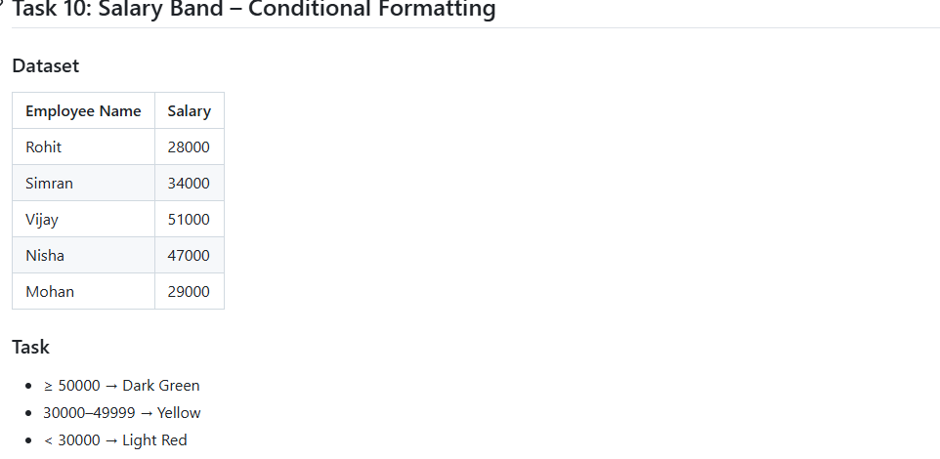
Employee Name | Salary
Rohit | ₹ 28,000.00
Simran | ₹ 34,000.00
Vijay | ₹ 51,000.00
Nisha | ₹ 47,000.00
Mohan | ₹ 29,000.00

