Sheet1
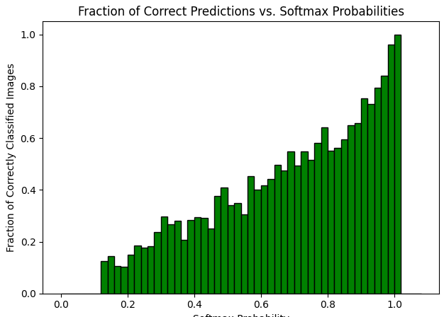
Bin | Range | Total Images | Correctly Classified
1 | 0.00-0.02 | 0 | 0
2 | 0.02-0.04 | 0 | 0
3 | 0.04-0.06 | 0 | 0
4 | 0.06-0.08 | 0 | 0
5 | 0.08-0.10 | 1 | 0
6 | 0.10-0.12 | 5 | 0
7 | 0.12-0.14 | 16 | 2
8 | 0.14-0.16 | 21 | 3
9 | 0.16-0.18 | 47 | 5
10 | 0.18-0.20 | 49 | 5
11 | 0.20-0.22 | 80 | 12
12 | 0.22-0.24 | 76 | 14
13 | 0.24-0.26 | 91 | 16
14 | 0.26-0.28 | 127 | 23
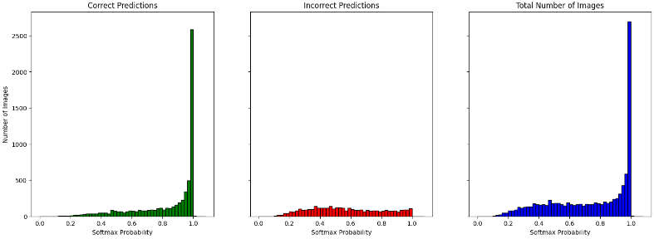
15 | 0.28-0.30 | 114 | 27
16 | 0.30-0.32 | 125 | 37
17 | 0.32-0.34 | 131 | 35
18 | 0.34-0.36 | 132 | 37
19 | 0.36-0.38 | 178 | 37
20 | 0.38-0.40 | 162 | 46
21 | 0.40-0.42 | 159 | 47
22 | 0.42-0.44 | 164 | 48
23 | 0.44-0.46 | 152 | 38
24 | 0.46-0.48 | 226 | 85
25 | 0.48-0.50 | 176 | 72
26 | 0.50-0.52 | 185 | 63
27 | 0.52-0.54 | 181 | 63
28 | 0.54-0.56 | 161 | 49
29 | 0.56-0.58 | 146 | 66
30 | 0.58-0.60 | 187 | 75
31 | 0.60-0.62 | 165 | 69
32 | 0.62-0.64 | 152 | 67
33 | 0.64-0.66 | 165 | 82
34 | 0.66-0.68 | 169 | 80 | RESNET152 on CIFAR100
35 | 0.68-0.70 | 144 | 79 | BIN SIZE - 0.02
36 | 0.70-0.72 | 168 | 83
37 | 0.72-0.74 | 162 | 89
38 | 0.74-0.76 | 161 | 83
39 | 0.76-0.78 | 189 | 110
40 | 0.78-0.80 | 176 | 113
41 | 0.80-0.82 | 165 | 91
42 | 0.82-0.84 | 199 | 112
43 | 0.84-0.86 | 183 | 109
44 | 0.86-0.88 | 202 | 131
45 | 0.88-0.90 | 236 | 155
46 | 0.90-0.92 | 247 | 186
47 | 0.92-0.94 | 310 | 227
48 | 0.94-0.96 | 429 | 341
49 | 0.96-0.98 | 586 | 493
50 | 0.98-1.00 | 2697 | 2588
51 | 1.00-1.02 | 3 | 3
52 | 1.02-1.04 | 0 | 0
53 | 1.04-1.06 | 0 | 0
54 | 1.06-1.08 | 0 | 0

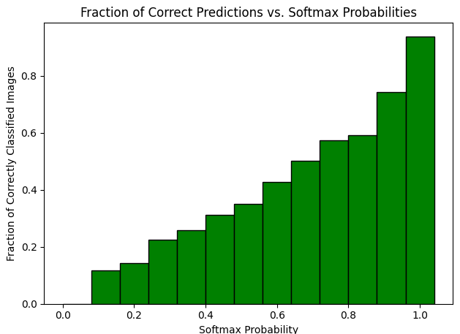
Bin | Range | Total Images | Correctly Classified
1 | 0.00-0.08 | 0 | 0
2 | 0.08-0.16 | 43 | 5
3 | 0.16-0.24 | 252 | 36
4 | 0.24-0.32 | 457 | 103
5 | 0.32-0.40 | 603 | 155
6 | 0.40-0.48 | 701 | 218
7 | 0.48-0.56 | 703 | 247
8 | 0.56-0.64 | 650 | 277
9 | 0.64-0.72 | 646 | 324
10 | 0.72-0.80 | 688 | 395
11 | 0.80-0.88 | 749 | 443
12 | 0.88-0.96 | 1222 | 909
13 | 0.96-1.04 | 3286 | 3084

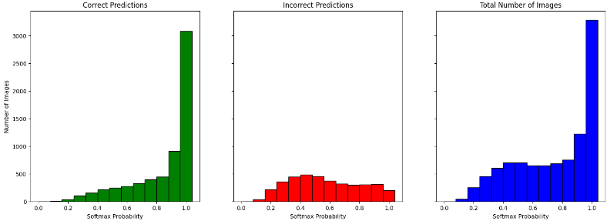
RESNET152 on CIFAR100
BIN SIZE - 0.08

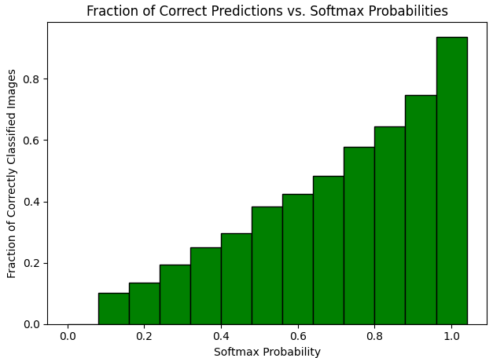
Bin | Range | Total Images | Correctly Classified
1 | 0.00-0.08 | 0 | 0
2 | 0.08-0.16 | 69 | 7
3 | 0.16-0.24 | 274 | 37
4 | 0.24-0.32 | 471 | 91
5 | 0.32-0.40 | 642 | 160
6 | 0.40-0.48 | 752 | 223
7 | 0.48-0.56 | 736 | 283
8 | 0.56-0.64 | 694 | 295
9 | 0.64-0.72 | 653 | 315
10 | 0.72-0.80 | 701 | 406

11 | 0.80-0.88 | 787 | 508
12 | 0.88-0.96 | 1071 | 800
13 | 0.96-1.04 | 3150 | 2953

RESNET101 on CIFAR100
BINSIZE - 0.08

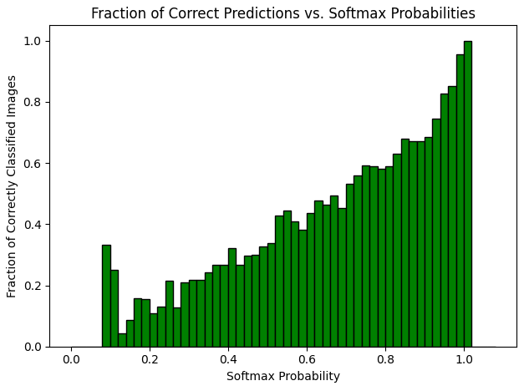
Bin | Range | Total Images | Correctly Classified
1 | 0.00-0.02 | 0 | 0
2 | 0.02-0.04 | 0 | 0
3 | 0.04-0.06 | 0 | 0
4 | 0.06-0.08 | 0 | 0
5 | 0.08-0.10 | 3 | 1
6 | 0.10-0.12 | 8 | 2
7 | 0.12-0.14 | 23 | 1
8 | 0.14-0.16 | 35 | 3
9 | 0.16-0.18 | 51 | 8
10 | 0.18-0.20 | 65 | 10
11 | 0.20-0.22 | 65 | 7
12 | 0.22-0.24 | 93 | 12
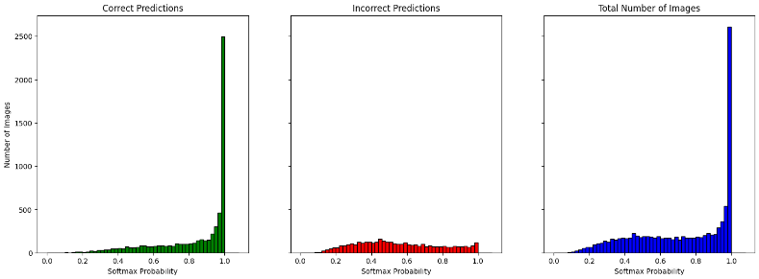
13 | 0.24-0.26 | 107 | 23
14 | 0.26-0.28 | 110 | 14
15 | 0.28-0.30 | 134 | 28
16 | 0.30-0.32 | 120 | 26
17 | 0.32-0.34 | 160 | 35
18 | 0.34-0.36 | 148 | 36
19 | 0.36-0.38 | 165 | 44
20 | 0.38-0.40 | 169 | 45
21 | 0.40-0.42 | 165 | 53
22 | 0.42-0.44 | 168 | 45
23 | 0.44-0.46 | 226 | 67
24 | 0.46-0.48 | 193 | 58
25 | 0.48-0.50 | 178 | 58
26 | 0.50-0.52 | 187 | 63
27 | 0.52-0.54 | 187 | 80
28 | 0.54-0.56 | 184 | 82
29 | 0.56-0.58 | 171 | 70
30 | 0.58-0.60 | 186 | 71
31 | 0.60-0.62 | 167 | 73 | RESNET101 on CIFAR100
32 | 0.62-0.64 | 170 | 81 | BINSIZE - 0.02
33 | 0.64-0.66 | 173 | 80
34 | 0.66-0.68 | 154 | 76
35 | 0.68-0.70 | 181 | 82
36 | 0.70-0.72 | 145 | 77
37 | 0.72-0.74 | 190 | 106
38 | 0.74-0.76 | 169 | 100
39 | 0.76-0.78 | 173 | 102
40 | 0.78-0.80 | 169 | 98
41 | 0.80-0.82 | 180 | 106
42 | 0.82-0.84 | 178 | 112
43 | 0.84-0.86 | 203 | 138
44 | 0.86-0.88 | 226 | 152
45 | 0.88-0.90 | 207 | 139
46 | 0.90-0.92 | 213 | 146
47 | 0.92-0.94 | 290 | 216
48 | 0.94-0.96 | 361 | 299
49 | 0.96-0.98 | 539 | 459
50 | 0.98-1.00 | 2610 | 2493
51 | 1.00-1.02 | 1 | 1
52 | 1.02-1.04 | 0 | 0
53 | 1.04-1.06 | 0 | 0
54 | 1.06-1.08 | 0 | 0

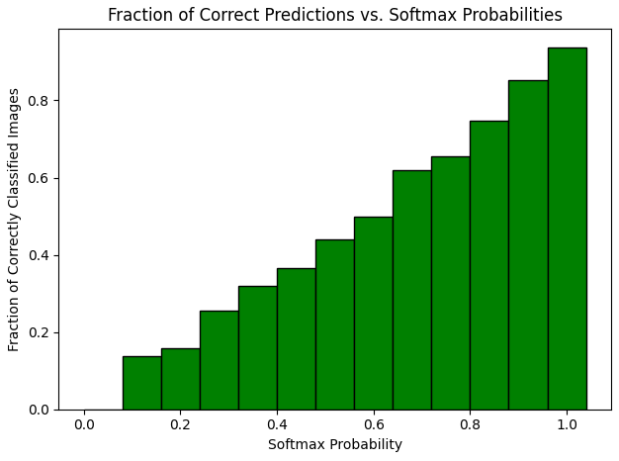
Bin | Range | Total Images | Correctly Classified
1 | 0.00-0.08 | 3 | 0
2 | 0.08-0.16 | 337 | 46
3 | 0.16-0.24 | 926 | 147
4 | 0.24-0.32 | 1095 | 280
5 | 0.32-0.40 | 1054 | 336
6 | 0.40-0.48 | 975 | 357
7 | 0.48-0.56 | 846 | 372
8 | 0.56-0.64 | 704 | 351
9 | 0.64-0.72 | 633 | 392
10 | 0.72-0.80 | 590 | 386
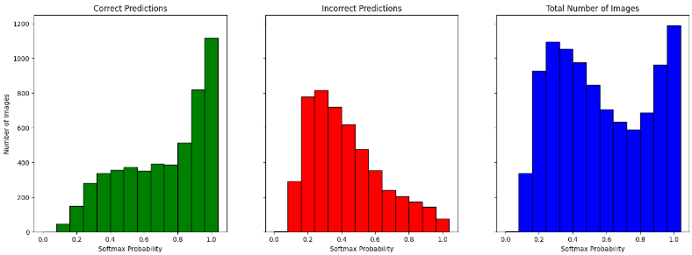
11 | 0.80-0.88 | 685 | 512
12 | 0.88-0.96 | 962 | 820
13 | 0.96-1.04 | 1190 | 1116

RESNET50 ON CIFAR100
RBINSIZE - 0.08

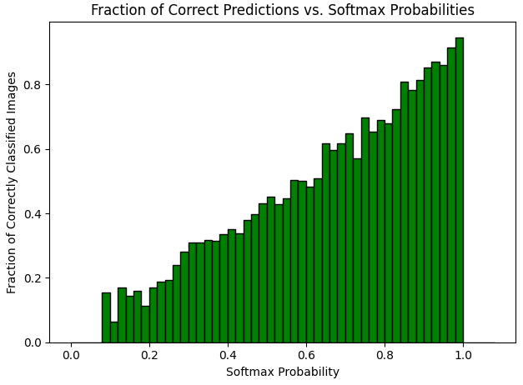
Bin | Range | Total Images | Correctly Classified
1 | 0.00-0.02 | 0 | 0
2 | 0.02-0.04 | 0 | 0
3 | 0.04-0.06 | 0 | 0
4 | 0.06-0.08 | 3 | 0
5 | 0.08-0.10 | 26 | 4
6 | 0.10-0.12 | 63 | 4
7 | 0.12-0.14 | 94 | 16
8 | 0.14-0.16 | 154 | 22
9 | 0.16-0.18 | 202 | 32
10 | 0.18-0.20 | 221 | 25
11 | 0.20-0.22 | 243 | 41
12 | 0.22-0.24 | 260 | 49
13 | 0.24-0.26 | 279 | 54
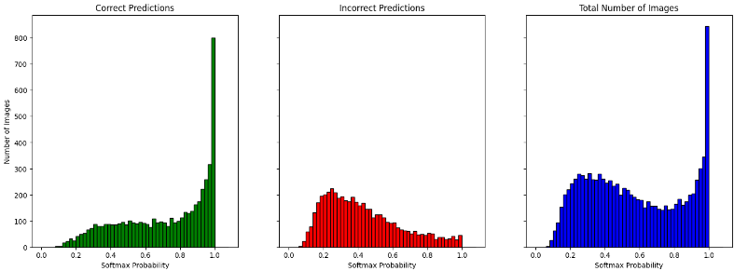
14 | 0.26-0.28 | 275 | 66
15 | 0.28-0.30 | 260 | 73
16 | 0.30-0.32 | 281 | 87
17 | 0.32-0.34 | 259 | 80
18 | 0.34-0.36 | 256 | 81
19 | 0.36-0.38 | 279 | 88
20 | 0.38-0.40 | 260 | 87
21 | 0.40-0.42 | 245 | 86
22 | 0.42-0.44 | 254 | 86
23 | 0.44-0.46 | 234 | 89
24 | 0.46-0.48 | 242 | 96
25 | 0.48-0.50 | 199 | 86
26 | 0.50-0.52 | 226 | 102
27 | 0.52-0.54 | 219 | 94
28 | 0.54-0.56 | 202 | 90
29 | 0.56-0.58 | 191 | 96
30 | 0.58-0.60 | 182 | 91
31 | 0.60-0.62 | 180 | 87
32 | 0.62-0.64 | 151 | 77 | RESNET50 ON CIFAR100
33 | 0.64-0.66 | 175 | 108 | BINSIZE - 0.02
34 | 0.66-0.68 | 156 | 93
35 | 0.68-0.70 | 157 | 97
36 | 0.70-0.72 | 145 | 94
37 | 0.72-0.74 | 142 | 81
38 | 0.74-0.76 | 159 | 111
39 | 0.76-0.78 | 144 | 94
40 | 0.78-0.80 | 145 | 100
41 | 0.80-0.82 | 165 | 112
42 | 0.82-0.84 | 184 | 133
43 | 0.84-0.86 | 161 | 130
44 | 0.86-0.88 | 175 | 137
45 | 0.88-0.90 | 200 | 163
46 | 0.90-0.92 | 205 | 175
47 | 0.92-0.94 | 256 | 223
48 | 0.94-0.96 | 301 | 259
49 | 0.96-0.98 | 345 | 316
50 | 0.98-1.00 | 845 | 800
51 | 1.00-1.02 | 0 | 0
52 | 1.02-1.04 | 0 | 0
53 | 1.04-1.06 | 0 | 0
54 | 1.06-1.08 | 0 | 0

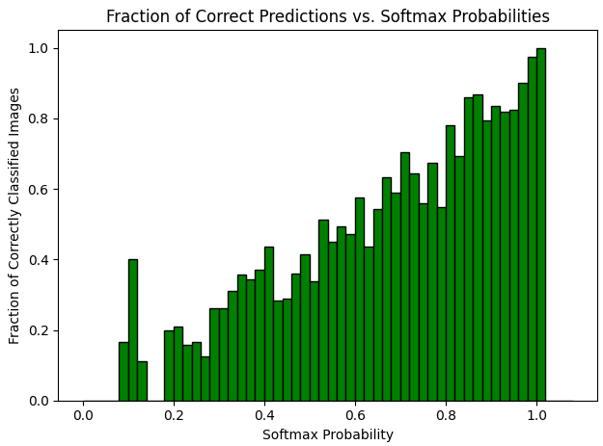
Bin | Range | Total Images | Correctly Classified
1 | 0.00-0.02 | 0 | 0
2 | 0.02-0.04 | 0 | 0
3 | 0.04-0.06 | 2 | 0
4 | 0.06-0.08 | 1 | 0
5 | 0.08-0.10 | 6 | 1
6 | 0.10-0.12 | 5 | 2
7 | 0.12-0.14 | 9 | 1
8 | 0.14-0.16 | 14 | 0
9 | 0.16-0.18 | 17 | 0
10 | 0.18-0.20 | 20 | 4
11 | 0.20-0.22 | 19 | 4
12 | 0.22-0.24 | 19 | 3
13 | 0.24-0.26 | 24 | 4
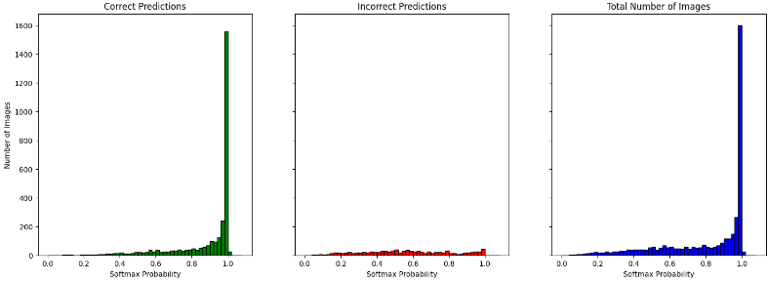
14 | 0.26-0.28 | 16 | 2
15 | 0.28-0.30 | 23 | 6
16 | 0.30-0.32 | 23 | 6
17 | 0.32-0.34 | 29 | 9
18 | 0.34-0.36 | 28 | 10
19 | 0.36-0.38 | 38 | 13
20 | 0.38-0.40 | 35 | 13
21 | 0.40-0.42 | 39 | 17
22 | 0.42-0.44 | 39 | 11
23 | 0.44-0.46 | 38 | 11
24 | 0.46-0.48 | 36 | 13
25 | 0.48-0.50 | 53 | 22
26 | 0.50-0.52 | 59 | 20
27 | 0.52-0.54 | 37 | 19
28 | 0.54-0.56 | 49 | 22
29 | 0.56-0.58 | 69 | 34
30 | 0.58-0.60 | 55 | 26
31 | 0.60-0.62 | 59 | 34 |  | RESNET101 ON IMAGENET
32 | 0.62-0.64 | 48 | 21 |  | BINSIZE - 0.02
33 | 0.64-0.66 | 46 | 25
34 | 0.66-0.68 | 41 | 26
35 | 0.68-0.70 | 56 | 33
36 | 0.70-0.72 | 44 | 31
37 | 0.72-0.74 | 59 | 38
38 | 0.74-0.76 | 50 | 28
39 | 0.76-0.78 | 52 | 35
40 | 0.78-0.80 | 73 | 40
41 | 0.80-0.82 | 59 | 46
42 | 0.82-0.84 | 49 | 34
43 | 0.84-0.86 | 57 | 49
44 | 0.86-0.88 | 68 | 59
45 | 0.88-0.90 | 87 | 69
46 | 0.90-0.92 | 116 | 97
47 | 0.92-0.94 | 116 | 95
48 | 0.94-0.96 | 148 | 122
49 | 0.96-0.98 | 265 | 239
50 | 0.98-1.00 | 1602 | 1559
51 | 1.00-1.02 | 26 | 26
52 | 1.02-1.04 | 0 | 0
53 | 1.04-1.06 | 0 | 0
54 | 1.06-1.08 | 0 | 0

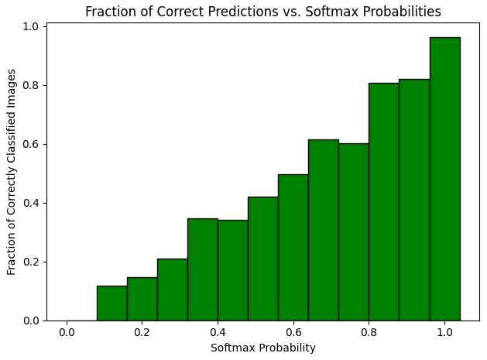
Bin | Range | Total Images | Correctly Classified
1 | 0.00-0.08 | 3 | 0
2 | 0.08-0.16 | 34 | 4
3 | 0.16-0.24 | 75 | 11
4 | 0.24-0.32 | 86 | 18
5 | 0.32-0.40 | 130 | 45
6 | 0.40-0.48 | 152 | 52
7 | 0.48-0.56 | 198 | 83
8 | 0.56-0.64 | 231 | 115
9 | 0.64-0.72 | 187 | 115
10 | 0.72-0.80 | 234 | 141
11 | 0.80-0.88 | 233 | 188
12 | 0.88-0.96 | 467 | 383
13 | 0.96-1.04 | 1893 | 1824
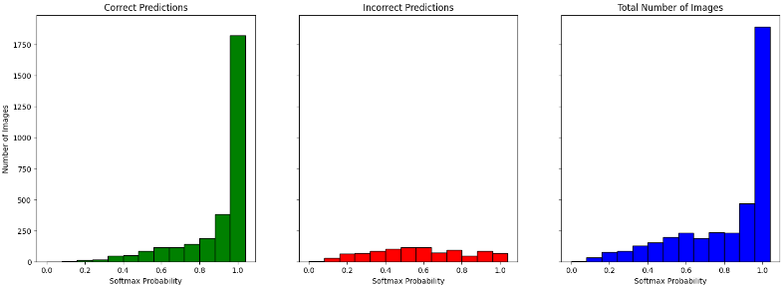

RESNET101 ON IMAGENET
BINSIZE - 0.08

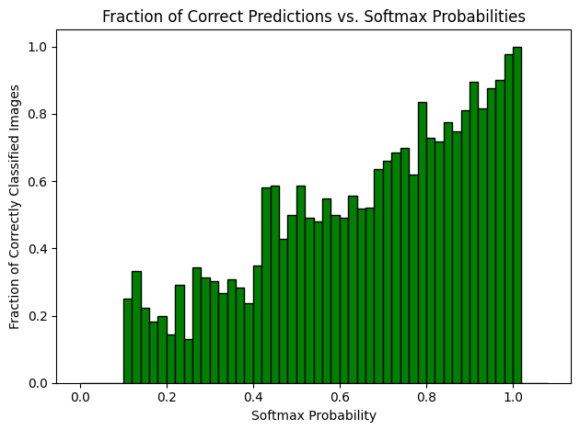
Bin | Range | Total Images | Correctly Classified
1 | 0.00-0.02 | 0 | 0
2 | 0.02-0.04 | 0 | 0
3 | 0.04-0.06 | 1 | 0
4 | 0.06-0.08 | 2 | 0
5 | 0.08-0.10 | 7 | 0
6 | 0.10-0.12 | 8 | 2
7 | 0.12-0.14 | 9 | 3
8 | 0.14-0.16 | 18 | 4
9 | 0.16-0.18 | 22 | 4
10 | 0.18-0.20 | 20 | 4
11 | 0.20-0.22 | 28 | 4
12 | 0.22-0.24 | 24 | 7
13 | 0.24-0.26 | 23 | 3
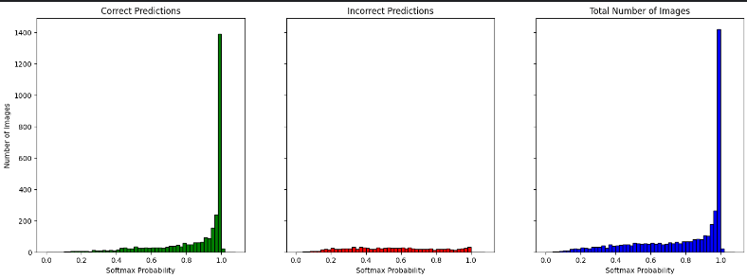
14 | 0.26-0.28 | 32 | 11
15 | 0.28-0.30 | 32 | 10
16 | 0.30-0.32 | 33 | 10
17 | 0.32-0.34 | 41 | 11
18 | 0.34-0.36 | 26 | 8
19 | 0.36-0.38 | 46 | 13
20 | 0.38-0.40 | 38 | 9
21 | 0.40-0.42 | 40 | 14
22 | 0.42-0.44 | 43 | 25
23 | 0.44-0.46 | 46 | 27
24 | 0.46-0.48 | 49 | 21
25 | 0.48-0.50 | 42 | 21
26 | 0.50-0.52 | 58 | 34
27 | 0.52-0.54 | 53 | 26
28 | 0.54-0.56 | 50 | 24
29 | 0.56-0.58 | 53 | 29
30 | 0.58-0.60 | 50 | 25
31 | 0.60-0.62 | 57 | 28
32 | 0.62-0.64 | 52 | 29 |  | RESNET50 on IMAGENET
33 | 0.64-0.66 | 56 | 29 |  | BINSIZE - 0.02
34 | 0.66-0.68 | 46 | 24
35 | 0.68-0.70 | 52 | 33
36 | 0.70-0.72 | 59 | 39
37 | 0.72-0.74 | 54 | 37
38 | 0.74-0.76 | 63 | 44
39 | 0.76-0.78 | 55 | 34
40 | 0.78-0.80 | 67 | 56
41 | 0.80-0.82 | 66 | 48
42 | 0.82-0.84 | 67 | 48
43 | 0.84-0.86 | 80 | 62
44 | 0.86-0.88 | 83 | 62
45 | 0.88-0.90 | 79 | 64
46 | 0.90-0.92 | 105 | 94
47 | 0.92-0.94 | 104 | 85
48 | 0.94-0.96 | 176 | 154
49 | 0.96-0.98 | 264 | 238
50 | 0.98-1.00 | 1421 | 1390
51 | 1.00-1.02 | 23 | 23
52 | 1.02-1.04 | 0 | 0
53 | 1.04-1.06 | 0 | 0
54 | 1.06-1.08 | 0 | 0

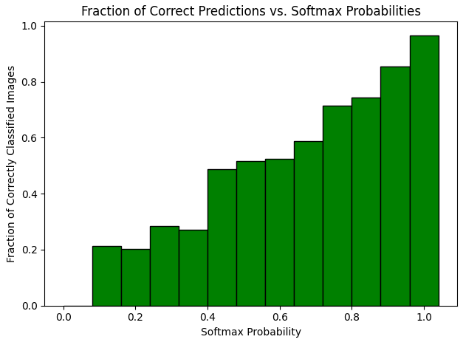
Bin | Range | Total Images | Correctly Classified
1 | 0.00-0.08 | 3 | 0
2 | 0.08-0.16 | 42 | 9
3 | 0.16-0.24 | 94 | 19
4 | 0.24-0.32 | 120 | 34
5 | 0.32-0.40 | 151 | 41
6 | 0.40-0.48 | 178 | 87
7 | 0.48-0.56 | 203 | 105
8 | 0.56-0.64 | 212 | 111
9 | 0.64-0.72 | 213 | 125
10 | 0.72-0.80 | 239 | 171
11 | 0.80-0.88 | 296 | 220
12 | 0.88-0.96 | 464 | 397
13 | 0.96-1.04 | 1708 | 1651
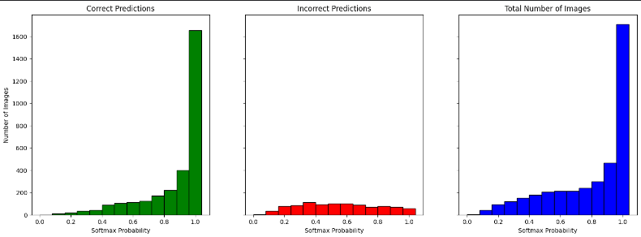

RESNET50 ON IMAGENET
BINSIZE - 0.08

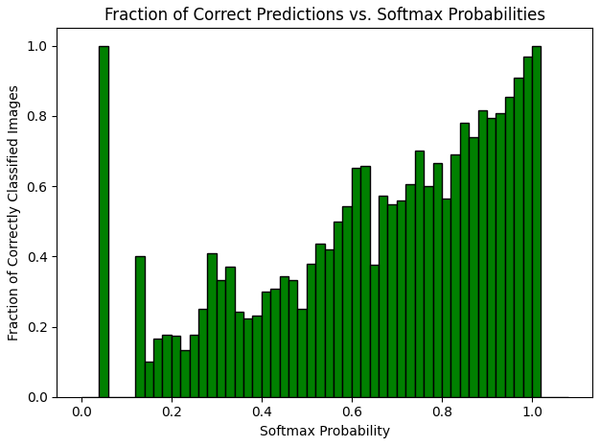
Bin | Range | Total Images | Correctly Classified
1 | 0.00-0.02 | 0 | 0
2 | 0.02-0.04 | 0 | 0
3 | 0.04-0.06 | 1 | 1
4 | 0.06-0.08 | 2 | 0
5 | 0.08-0.10 | 3 | 0
6 | 0.10-0.12 | 4 | 0
7 | 0.12-0.14 | 5 | 2
8 | 0.14-0.16 | 10 | 1
9 | 0.16-0.18 | 12 | 2
10 | 0.18-0.20 | 17 | 3
11 | 0.20-0.22 | 23 | 4
12 | 0.22-0.24 | 15 | 2
13 | 0.24-0.26 | 17 | 3
14 | 0.26-0.28 | 12 | 3
15 | 0.28-0.30 | 22 | 9
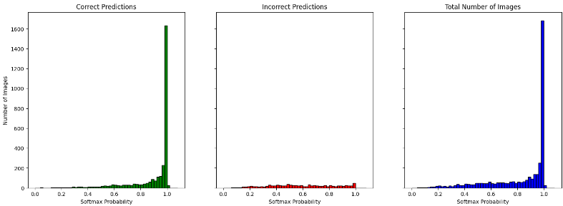
16 | 0.30-0.32 | 15 | 5
17 | 0.32-0.34 | 27 | 10
18 | 0.34-0.36 | 37 | 9
19 | 0.36-0.38 | 27 | 6
20 | 0.38-0.40 | 26 | 6
21 | 0.40-0.42 | 40 | 12
22 | 0.42-0.44 | 39 | 12
23 | 0.44-0.46 | 32 | 11
24 | 0.46-0.48 | 33 | 11
25 | 0.48-0.50 | 48 | 12
26 | 0.50-0.52 | 50 | 19
27 | 0.52-0.54 | 48 | 21
28 | 0.54-0.56 | 43 | 18
29 | 0.56-0.58 | 44 | 22
30 | 0.58-0.60 | 59 | 32
31 | 0.60-0.62 | 46 | 30
32 | 0.62-0.64 | 41 | 27
33 | 0.64-0.66 | 53 | 20
34 | 0.66-0.68 | 54 | 31 |  | RESNET152 ON IMAGENET
35 | 0.68-0.70 | 53 | 29 |  | BINSIZE - 0.02
36 | 0.70-0.72 | 50 | 28
37 | 0.72-0.74 | 43 | 26
38 | 0.74-0.76 | 60 | 42
39 | 0.76-0.78 | 65 | 39
40 | 0.78-0.80 | 48 | 32
41 | 0.80-0.82 | 62 | 35
42 | 0.82-0.84 | 58 | 40
43 | 0.84-0.86 | 64 | 50
44 | 0.86-0.88 | 81 | 60
45 | 0.88-0.90 | 108 | 88
46 | 0.90-0.92 | 92 | 73
47 | 0.92-0.94 | 136 | 110
48 | 0.94-0.96 | 137 | 117
49 | 0.96-0.98 | 252 | 229
50 | 0.98-1.00 | 1683 | 1633
51 | 1.00-1.02 | 26 | 26
52 | 1.02-1.04 | 0 | 0
53 | 1.04-1.06 | 0 | 0
54 | 1.06-1.08 | 0 | 0

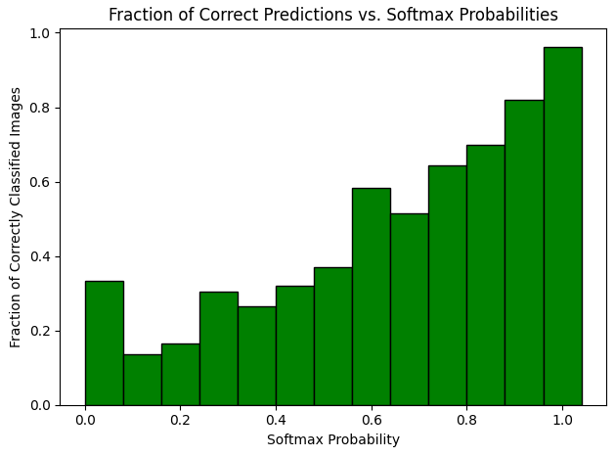
Bin | Range | Total Images | Correctly Classified
1 | 0.00-0.08 | 3 | 1
2 | 0.08-0.16 | 22 | 3
3 | 0.16-0.24 | 67 | 11
4 | 0.24-0.32 | 66 | 20
5 | 0.32-0.40 | 117 | 31
6 | 0.40-0.48 | 144 | 46
7 | 0.48-0.56 | 189 | 70
8 | 0.56-0.64 | 190 | 111
9 | 0.64-0.72 | 210 | 108
10 | 0.72-0.80 | 216 | 139
11 | 0.80-0.88 | 265 | 185
12 | 0.88-0.96 | 473 | 388
13 | 0.96-1.04 | 1961 | 1888
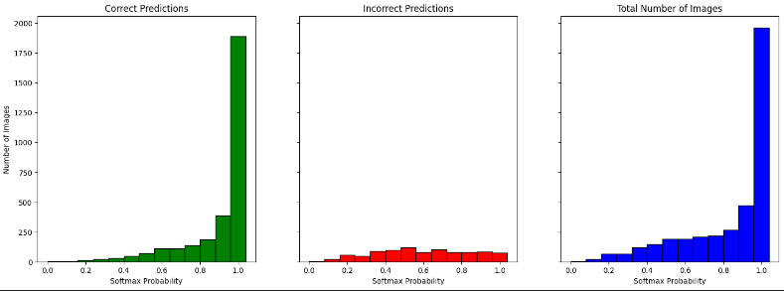

RESNET152 ON IMAGENET
BINSIZE - 0.08

