Calibration
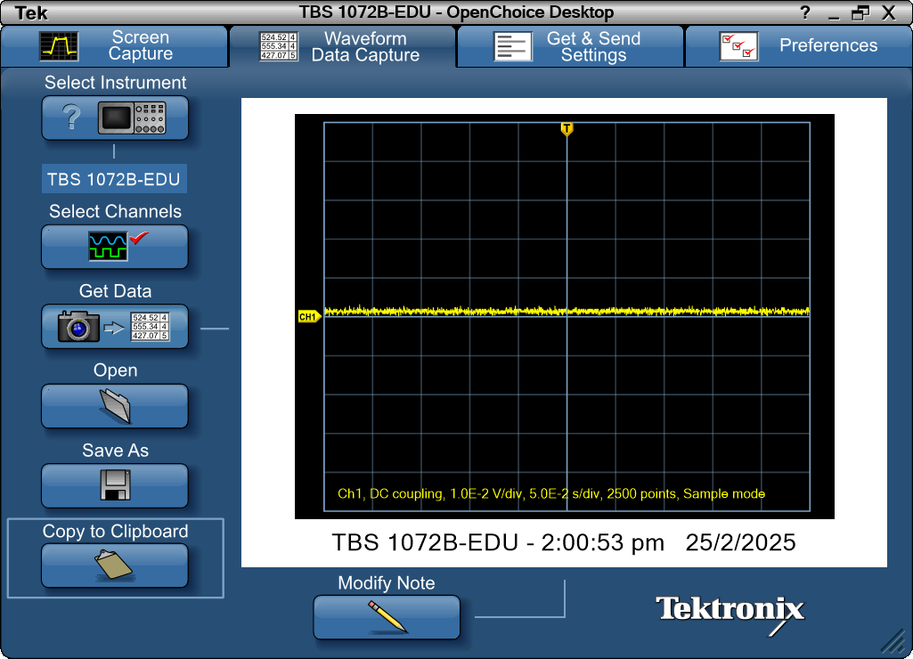
Record Length | 2500 | Points | -0.25 | 0.002
Sample Interval | 0.0002 | s | -0.2498 | 0.002
Trigger Point | 1250.000032 | Samples | -0.2496 | 0.0008
 |  |  | -0.2494 | 0.002
 |  |  | -0.2492 | 0.0012
 |  |  | -0.249 | 0.0012
Source | CH1 |  | -0.2488 | 0.0004
Vertical Units | Volts |  | -0.2486 | 0.0012
Vertical Scale | 1.00E-02 |  | -0.2484 | 0.0024
Vertical Offset | 0 |  | -0.2482 | 0.0012
Horizontal Units | s |  | -0.248 | 0.0016
Horizontal Scale | 5.00E-02 |  | -0.2478 | 0.0008
Pt Fmt | Y |  | -0.2476 | 0.0012
Yzero | 0 |  | -0.2474 | 0.0012
Probe Atten | 1 |  | -0.2472 | 0.002
 |  |  | -0.247 | 0.002
Note | TBS 1072B-EDU - 2:00:53 pm 25/2/2025 |  | -0.2468 | 0.0016
 |  |  | -0.2466 | 0.002
 |  |  | -0.2464 | 0.0008
 |  |  | -0.2462 | 0.0016
 |  |  | -0.246 | 0.0012
 |  |  | -0.2458 | 0.0012
 |  |  | -0.2456 | 0.0012
 |  |  | -0.2454 | 0.0016
 |  |  | -0.2452 | 0.0016
 |  |  | -0.245 | 0.0016
 |  |  | -0.2448 | 0.0012
 |  |  | -0.2446 | 0
 |  |  | -0.2444 | 0.0024
 |  |  | -0.2442 | 0.0016
 |  |  | -0.244 | 0.0016
 |  |  | -0.2438 | 0.002
 |  |  | -0.2436 | 0.0012
 |  |  | -0.2434 | 0.002
 |  |  | -0.2432 | 0.0012
 |  |  | -0.243 | 0.0012
 |  |  | -0.2428 | 0.0016
 |  |  | -0.2426 | 0.0012
 |  |  | -0.2424 | 0.0016
 |  |  | -0.2422 | 0.0016
 |  |  | -0.242 | 0.0008
 |  |  | -0.2418 | 0.0008
 |  |  | -0.2416 | 0.0016
 |  |  | -0.2414 | 0.0016
 |  |  | -0.2412 | 0.0012
 |  |  | -0.241 | 0.0016
 |  |  | -0.2408 | 0.0004
 |  |  | -0.2406 | 0.0008
 |  |  | -0.2404 | 0.0016
 |  |  | -0.2402 | 0.0012
 |  |  | -0.24 | 0.002
 |  |  | -0.2398 | 0.0016
 |  |  | -0.2396 | 0.0016
 |  |  | -0.2394 | 0.002
 |  |  | -0.2392 | 0.0012
 |  |  | -0.239 | 0.0016
 |  |  | -0.2388 | 0.0012
 |  |  | -0.2386 | 0.0016
 |  |  | -0.2384 | 0.0012
 |  |  | -0.2382 | 0.0012
 |  |  | -0.238 | 0.002
 |  |  | -0.2378 | 0.002
 |  |  | -0.2376 | 0.0012
 |  |  | -0.2374 | 0.0016
 |  |  | -0.2372 | 0.0012
 |  |  | -0.237 | 0.0016
 |  |  | -0.2368 | 0.002
 |  |  | -0.2366 | 0.0004
 |  |  | -0.2364 | 0.0012
 |  |  | -0.2362 | 0.0012
 |  |  | -0.236 | 0.0012
 |  |  | -0.2358 | 0.0012
 |  |  | -0.2356 | 0.0012
 |  |  | -0.2354 | 0.0008
 |  |  | -0.2352 | 0.0012
 |  |  | -0.235 | 0.0016
 |  |  | -0.2348 | 0.0008
 |  |  | -0.2346 | 0.0012
 |  |  | -0.2344 | 0.0016
 |  |  | -0.2342 | 0.0012
 |  |  | -0.234 | 0.0012
 |  |  | -0.2338 | 0.0016
 |  |  | -0.2336 | 0.0016
 |  |  | -0.2334 | 0.0012
 |  |  | -0.2332 | 0.0016
 |  |  | -0.233 | 0.0016
 |  |  | -0.2328 | 0.002
 |  |  | -0.2326 | 0.0016
 |  |  | -0.2324 | 0.0016
 |  |  | -0.2322 | 0.0016
 |  |  | -0.232 | 0.0012
 |  |  | -0.2318 | 0.0016
 |  |  | -0.2316 | 0.0016
 |  |  | -0.2314 | 0.0008
 |  |  | -0.2312 | 0.0016
 |  |  | -0.231 | 0.0016
 |  |  | -0.2308 | 0.0012
 |  |  | -0.2306 | 0.0004
 |  |  | -0.2304 | 0.0012
 |  |  | -0.2302 | 0.0012
 |  |  | -0.23 | 0.0012
 |  |  | -0.2298 | 0.0012
 |  |  | -0.2296 | 0.0012
 |  |  | -0.2294 | 0.0016
 |  |  | -0.2292 | 0.002
 |  |  | -0.229 | 0.0012
 |  |  | -0.2288 | 0.0008
 |  |  | -0.2286 | 0.0016
 |  |  | -0.2284 | 0.002
 |  |  | -0.2282 | 0.0012
 |  |  | -0.228 | 0.0024
 |  |  | -0.2278 | 0.0008
 |  |  | -0.2276 | 0.0016
 |  |  | -0.2274 | 0.0012
 |  |  | -0.2272 | 0.0016
 |  |  | -0.227 | 0.0012
 |  |  | -0.2268 | 0.0016
 |  |  | -0.2266 | 0.0012
 |  |  | -0.2264 | 0.0016
 |  |  | -0.2262 | 0.0016
 |  |  | -0.226 | 0.0016
 |  |  | -0.2258 | 0.0016
 |  |  | -0.2256 | 0.0004
 |  |  | -0.2254 | 0.0016
 |  |  | -0.2252 | 0.0012
 |  |  | -0.225 | 0.0016
 |  |  | -0.2248 | 0.0016
 |  |  | -0.2246 | 0.0012
 |  |  | -0.2244 | 0.0012
 |  |  | -0.2242 | 0.0008
 |  |  | -0.224 | 0.0008
 |  |  | -0.2238 | 0.0028
 |  |  | -0.2236 | 0.0012
 |  |  | -0.2234 | 0.0016
 |  |  | -0.2232 | 0.002
 |  |  | -0.223 | 0.0016
 |  |  | -0.2228 | 0.0012
 |  |  | -0.2226 | 0.0012
 |  |  | -0.2224 | 0.0012
 |  |  | -0.2222 | 0.002
 |  |  | -0.222 | 0.0016
 |  |  | -0.2218 | 0.0016
 |  |  | -0.2216 | 0.0012
 |  |  | -0.2214 | 0.0012
 |  |  | -0.2212 | 0.0012
 |  |  | -0.221 | 0.0012
 |  |  | -0.2208 | 0.0016
 |  |  | -0.2206 | 0.0008
 |  |  | -0.2204 | 0.0012
 |  |  | -0.2202 | 0.0008
 |  |  | -0.22 | 0.0016
 |  |  | -0.2198 | 0.0012
 |  |  | -0.2196 | 0.002
 |  |  | -0.2194 | 0.0024
 |  |  | -0.2192 | 0.0012
 |  |  | -0.219 | 0.0016
 |  |  | -0.2188 | 0.0008
 |  |  | -0.2186 | 0.0016
 |  |  | -0.2184 | 0.0016
 |  |  | -0.2182 | 0.0016
 |  |  | -0.218 | 0.0016
 |  |  | -0.2178 | 0.0016
 |  |  | -0.2176 | 0.0008
 |  |  | -0.2174 | 0.0012
 |  |  | -0.2172 | 0.0016
 |  |  | -0.217 | 0.0012
 |  |  | -0.2168 | 0.002
 |  |  | -0.2166 | 0.0012
 |  |  | -0.2164 | 0.0012
 |  |  | -0.2162 | 0.0012
 |  |  | -0.216 | 0.0012
 |  |  | -0.2158 | 0.0012
 |  |  | -0.2156 | 0.0008
 |  |  | -0.2154 | 0.0024
 |  |  | -0.2152 | 0.0008
 |  |  | -0.215 | 0.0016
 |  |  | -0.2148 | 0.0012
 |  |  | -0.2146 | 0.0008
 |  |  | -0.2144 | 0.002
 |  |  | -0.2142 | 0.002
 |  |  | -0.214 | 0.0012
 |  |  | -0.2138 | 0.0012
 |  |  | -0.2136 | 0.0012
 |  |  | -0.2134 | 0.0032
 |  |  | -0.2132 | 0.002
 |  |  | -0.213 | 0.0008
 |  |  | -0.2128 | 0.002
 |  |  | -0.2126 | 0.002
 |  |  | -0.2124 | 0.0016
 |  |  | -0.2122 | 0.0016
 |  |  | -0.212 | 0.002
 |  |  | -0.2118 | 0.0012
 |  |  | -0.2116 | 0.0012
 |  |  | -0.2114 | 0.0012
 |  |  | -0.2112 | 0.0016
 |  |  | -0.211 | 0.0012
 |  |  | -0.2108 | 0.0016
 |  |  | -0.2106 | 0.0016
 |  |  | -0.2104 | 0.0012
 |  |  | -0.2102 | 0.0016
 |  |  | -0.21 | 0.0012
 |  |  | -0.2098 | 0.0016
 |  |  | -0.2096 | 0.0016
 |  |  | -0.2094 | 0.0008
 |  |  | -0.2092 | 0.0012
 |  |  | -0.209 | 0.0024
 |  |  | -0.2088 | 0.0008
 |  |  | -0.2086 | 0.0012
 |  |  | -0.2084 | 0.0012
 |  |  | -0.2082 | 0.0016
 |  |  | -0.208 | 0.0008
 |  |  | -0.2078 | 0.0016
 |  |  | -0.2076 | 0.0016
 |  |  | -0.2074 | 0.002
 |  |  | -0.2072 | 0.0012
 |  |  | -0.207 | 0.0016
 |  |  | -0.2068 | 0.0012
 |  |  | -0.2066 | 0.0004
 |  |  | -0.2064 | 0.0008
 |  |  | -0.2062 | 0.0008
 |  |  | -0.206 | 0.0008
 |  |  | -0.2058 | 0.0008
 |  |  | -0.2056 | 0.0016
 |  |  | -0.2054 | 0.002
 |  |  | -0.2052 | 0.0016
 |  |  | -0.205 | 0.0016
 |  |  | -0.2048 | 0.002
 |  |  | -0.2046 | 0
 |  |  | -0.2044 | 0.0008
 |  |  | -0.2042 | 0.0016
 |  |  | -0.204 | 0.0012
 |  |  | -0.2038 | 0.0016
 |  |  | -0.2036 | 0.0016
 |  |  | -0.2034 | 0.0012
 |  |  | -0.2032 | 0.0012
 |  |  | -0.203 | 0.0008
 |  |  | -0.2028 | 0.0016
 |  |  | -0.2026 | 0.0012
 |  |  | -0.2024 | 0.0012
 |  |  | -0.2022 | 0.0012
 |  |  | -0.202 | 0.0012
 |  |  | -0.2018 | 0.0016
 |  |  | -0.2016 | 0.0008
 |  |  | -0.2014 | 0.002
 |  |  | -0.2012 | 0.0016
 |  |  | -0.201 | 0.0016
 |  |  | -0.2008 | 0.0012
 |  |  | -0.2006 | 0.002
 |  |  | -0.2004 | 0.0016
 |  |  | -0.2002 | 0.0012
 |  |  | -0.2 | 0.002
 |  |  | -0.1998 | 0.0012
 |  |  | -0.1996 | 0.0016
 |  |  | -0.1994 | 0.0008
 |  |  | -0.1992 | 0.0024
 |  |  | -0.199 | 0.002
 |  |  | -0.1988 | 0.0012
 |  |  | -0.1986 | 0.002
 |  |  | -0.1984 | 0.002
 |  |  | -0.1982 | 0.0008
 |  |  | -0.198 | 0.0024
 |  |  | -0.1978 | 0.0016
 |  |  | -0.1976 | 0.0016
 |  |  | -0.1974 | 0.0004
 |  |  | -0.1972 | 0.002
 |  |  | -0.197 | 0.0016
 |  |  | -0.1968 | 0.0016
 |  |  | -0.1966 | 0.0012
 |  |  | -0.1964 | 0.002
 |  |  | -0.1962 | 0.0012
 |  |  | -0.196 | 0.0016
 |  |  | -0.1958 | 0.0012
 |  |  | -0.1956 | 0.0016
 |  |  | -0.1954 | 0.002
 |  |  | -0.1952 | 0.002
 |  |  | -0.195 | 0.0012
 |  |  | -0.1948 | 0.0012
 |  |  | -0.1946 | 0.0008
 |  |  | -0.1944 | 0.0016
 |  |  | -0.1942 | 0.0016
 |  |  | -0.194 | 0.0004
 |  |  | -0.1938 | 0.0008
 |  |  | -0.1936 | 0.0012
 |  |  | -0.1934 | 0.0016
 |  |  | -0.1932 | 0.0016
 |  |  | -0.193 | 0.0012
 |  |  | -0.1928 | 0.0012
 |  |  | -0.1926 | 0.0012
 |  |  | -0.1924 | 0.0016
 |  |  | -0.1922 | 0.0012
 |  |  | -0.192 | 0.002
 |  |  | -0.1918 | 0.002
 |  |  | -0.1916 | 0.002
 |  |  | -0.1914 | 0.0016
 |  |  | -0.1912 | 0.0016
 |  |  | -0.191 | 0.0012
 |  |  | -0.1908 | 0.0016
 |  |  | -0.1906 | 0.0016
 |  |  | -0.1904 | 0.0012
 |  |  | -0.1902 | 0.0016
 |  |  | -0.19 | 0.0008
 |  |  | -0.1898 | 0.0012
 |  |  | -0.1896 | 0.0012
 |  |  | -0.1894 | 0.0016
 |  |  | -0.1892 | 0.0016
 |  |  | -0.189 | 0.0012
 |  |  | -0.1888 | 0.0008
 |  |  | -0.1886 | 0.0012
 |  |  | -0.1884 | 0.0016
 |  |  | -0.1882 | 0.0012
 |  |  | -0.188 | 0.0008
 |  |  | -0.1878 | 0.002
 |  |  | -0.1876 | 0.0008
 |  |  | -0.1874 | 0.0016
 |  |  | -0.1872 | 0.0012
 |  |  | -0.187 | 0.002
 |  |  | -0.1868 | 0.0008
 |  |  | -0.1866 | 0.0016
 |  |  | -0.1864 | 0.0012
 |  |  | -0.1862 | 0.0012
 |  |  | -0.186 | 0.0012
 |  |  | -0.1858 | 0.0016
 |  |  | -0.1856 | 0.0008
 |  |  | -0.1854 | 0.0008
 |  |  | -0.1852 | 0.0024
 |  |  | -0.185 | 0.0008
 |  |  | -0.1848 | 0.002
 |  |  | -0.1846 | 0.0012
 |  |  | -0.1844 | 0.0016
 |  |  | -0.1842 | 0.0008
 |  |  | -0.184 | 0.002
 |  |  | -0.1838 | 0.0008
 |  |  | -0.1836 | 0.0016
 |  |  | -0.1834 | 0.0016
 |  |  | -0.1832 | 0.0016
 |  |  | -0.183 | 0.0012
 |  |  | -0.1828 | 0.0024
 |  |  | -0.1826 | 0.0012
 |  |  | -0.1824 | 0.0016
 |  |  | -0.1822 | 0.002
 |  |  | -0.182 | 0.0012
 |  |  | -0.1818 | 0.0004
 |  |  | -0.1816 | 0.0016
 |  |  | -0.1814 | 0.0008
 |  |  | -0.1812 | 0.0008
 |  |  | -0.181 | 0.002
 |  |  | -0.1808 | 0.0008
 |  |  | -0.1806 | 0.002
 |  |  | -0.1804 | 0.0016
 |  |  | -0.1802 | 0.0012
 |  |  | -0.18 | 0.0012
 |  |  | -0.1798 | 0.0008
 |  |  | -0.1796 | 0.002
 |  |  | -0.1794 | 0.0012
 |  |  | -0.1792 | 0.002
 |  |  | -0.179 | 0.0008
 |  |  | -0.1788 | 0.0024
 |  |  | -0.1786 | 0.0012
 |  |  | -0.1784 | 0.002
 |  |  | -0.1782 | 0.0012
 |  |  | -0.178 | 0.0016
 |  |  | -0.1778 | 0.0008
 |  |  | -0.1776 | 0.002
 |  |  | -0.1774 | 0.002
 |  |  | -0.1772 | 0.0016
 |  |  | -0.177 | 0.0012
 |  |  | -0.1768 | 0.0008
 |  |  | -0.1766 | 0.0012
 |  |  | -0.1764 | 0.0008
 |  |  | -0.1762 | 0.0004
 |  |  | -0.176 | 0.002
 |  |  | -0.1758 | 0.0012
 |  |  | -0.1756 | 0.0016
 |  |  | -0.1754 | 0.0012
 |  |  | -0.1752 | 0.0012
 |  |  | -0.175 | 0.0012
 |  |  | -0.1748 | 0.0016
 |  |  | -0.1746 | 0.0016
 |  |  | -0.1744 | 0.0016
 |  |  | -0.1742 | 0.0012
 |  |  | -0.174 | 0.0012
 |  |  | -0.1738 | 0.002
 |  |  | -0.1736 | 0.0016
 |  |  | -0.1734 | 0.0012
 |  |  | -0.1732 | 0
 |  |  | -0.173 | 0.0012
 |  |  | -0.1728 | 0.0012
 |  |  | -0.1726 | 0.0016
 |  |  | -0.1724 | 0.0016
 |  |  | -0.1722 | 0.0024
 |  |  | -0.172 | 0.002
 |  |  | -0.1718 | 0.002
 |  |  | -0.1716 | 0.0012
 |  |  | -0.1714 | 0.0012
 |  |  | -0.1712 | 0.0012
 |  |  | -0.171 | 0.0004
 |  |  | -0.1708 | 0.002
 |  |  | -0.1706 | 0.0012
 |  |  | -0.1704 | 0.0012
 |  |  | -0.1702 | 0.0016
 |  |  | -0.17 | 0.0012
 |  |  | -0.1698 | 0.0016
 |  |  | -0.1696 | 0.0016
 |  |  | -0.1694 | 0.0012
 |  |  | -0.1692 | 0.0012
 |  |  | -0.169 | 0.0012
 |  |  | -0.1688 | 0.0008
 |  |  | -0.1686 | 0.0012
 |  |  | -0.1684 | 0.0016
 |  |  | -0.1682 | 0.002
 |  |  | -0.168 | 0.0028
 |  |  | -0.1678 | 0.0016
 |  |  | -0.1676 | 0.002
 |  |  | -0.1674 | 0.0024
 |  |  | -0.1672 | 0.0012
 |  |  | -0.167 | 0.002
 |  |  | -0.1668 | 0.0016
 |  |  | -0.1666 | 0.0008
 |  |  | -0.1664 | 0.0016
 |  |  | -0.1662 | 0.0016
 |  |  | -0.166 | 0.0016
 |  |  | -0.1658 | 0.0016
 |  |  | -0.1656 | 0.0008
 |  |  | -0.1654 | 0.0012
 |  |  | -0.1652 | 0.0012
 |  |  | -0.165 | 0.0016
 |  |  | -0.1648 | 0.0012
 |  |  | -0.1646 | 0.0024
 |  |  | -0.1644 | 0.0016
 |  |  | -0.1642 | 0.0012
 |  |  | -0.164 | 0.0016
 |  |  | -0.1638 | 0.0012
 |  |  | -0.1636 | 0.0012
 |  |  | -0.1634 | 0.0012
 |  |  | -0.1632 | 0.0016
 |  |  | -0.163 | 0.002
 |  |  | -0.1628 | 0.002
 |  |  | -0.1626 | 0.0008
 |  |  | -0.1624 | 0.0008
 |  |  | -0.1622 | 0.0012
 |  |  | -0.162 | 0.002
 |  |  | -0.1618 | 0.0008
 |  |  | -0.1616 | 0.0008
 |  |  | -0.1614 | 0.0012
 |  |  | -0.1612 | 0.0008
 |  |  | -0.161 | 0.0016
 |  |  | -0.1608 | 0.0004
 |  |  | -0.1606 | 0.0012
 |  |  | -0.1604 | 0.0008
 |  |  | -0.1602 | 0.0016
 |  |  | -0.16 | 0.0016
 |  |  | -0.1598 | 0.0012
 |  |  | -0.1596 | 0.0008
 |  |  | -0.1594 | 0.0016
 |  |  | -0.1592 | 0.0012
 |  |  | -0.159 | 0.0012
 |  |  | -0.1588 | 0.002
 |  |  | -0.1586 | 0.0016
 |  |  | -0.1584 | 0.0012
 |  |  | -0.1582 | 0.0012
 |  |  | -0.158 | 0.0016
 |  |  | -0.1578 | 0.0012
 |  |  | -0.1576 | 0.0012
 |  |  | -0.1574 | 0.002
 |  |  | -0.1572 | 0.0016
 |  |  | -0.157 | 0.0016
 |  |  | -0.1568 | 0.0016
 |  |  | -0.1566 | 0.0016
 |  |  | -0.1564 | 0.0016
 |  |  | -0.1562 | 0.0008
 |  |  | -0.156 | 0.0016
 |  |  | -0.1558 | 0.0012
 |  |  | -0.1556 | 0.0012
 |  |  | -0.1554 | 0.002
 |  |  | -0.1552 | 0.002
 |  |  | -0.155 | 0.0016
 |  |  | -0.1548 | 0.0008
 |  |  | -0.1546 | 0.002
 |  |  | -0.1544 | 0.0016
 |  |  | -0.1542 | 0.0016
 |  |  | -0.154 | 0.002
 |  |  | -0.1538 | 0.0016
 |  |  | -0.1536 | 0.002
 |  |  | -0.1534 | 0.0012
 |  |  | -0.1532 | 0.0016
 |  |  | -0.153 | 0.002
 |  |  | -0.1528 | 0.0016
 |  |  | -0.1526 | 0.0016
 |  |  | -0.1524 | 0.0012
 |  |  | -0.1522 | 0.002
 |  |  | -0.152 | 0.002
 |  |  | -0.1518 | 0.0016
 |  |  | -0.1516 | 0.0016
 |  |  | -0.1514 | 0.0016
 |  |  | -0.1512 | 0.0008
 |  |  | -0.151 | 0.0016
 |  |  | -0.1508 | 0.0016
 |  |  | -0.1506 | 0.0008
 |  |  | -0.1504 | 0.0008
 |  |  | -0.1502 | 0.002
 |  |  | -0.15 | 0.0012
 |  |  | -0.1498 | 0.0016
 |  |  | -0.1496 | 0.0008
 |  |  | -0.1494 | 0.0008
 |  |  | -0.1492 | 0.0008
 |  |  | -0.149 | 0.0012
 |  |  | -0.1488 | 0.002
 |  |  | -0.1486 | 0.0012
 |  |  | -0.1484 | 0.0012
 |  |  | -0.1482 | 0.002
 |  |  | -0.148 | 0.0016
 |  |  | -0.1478 | 0.0016
 |  |  | -0.1476 | 0.0012
 |  |  | -0.1474 | 0.0016
 |  |  | -0.1472 | 0.0012
 |  |  | -0.147 | 0.002
 |  |  | -0.1468 | 0.0016
 |  |  | -0.1466 | 0.0008
 |  |  | -0.1464 | 0.0016
 |  |  | -0.1462 | 0.002
 |  |  | -0.146 | 0.002
 |  |  | -0.1458 | 0.0016
 |  |  | -0.1456 | 0.0016
 |  |  | -0.1454 | 0.002
 |  |  | -0.1452 | 0.0012
 |  |  | -0.145 | 0.0012
 |  |  | -0.1448 | 0.0012
 |  |  | -0.1446 | 0.002
 |  |  | -0.1444 | 0.0012
 |  |  | -0.1442 | 0.002
 |  |  | -0.144 | 0.0008
 |  |  | -0.1438 | 0.0012
 |  |  | -0.1436 | 0.0004
 |  |  | -0.1434 | 0.0012
 |  |  | -0.1432 | 0.0012
 |  |  | -0.143 | 0.0012
 |  |  | -0.1428 | 0.0012
 |  |  | -0.1426 | 0.0024
 |  |  | -0.1424 | 0.0016
 |  |  | -0.1422 | 0.0008
 |  |  | -0.142 | 0.0016
 |  |  | -0.1418 | 0.0012
 |  |  | -0.1416 | 0.0012
 |  |  | -0.1414 | 0.0012
 |  |  | -0.1412 | 0.0016
 |  |  | -0.141 | 0.0012
 |  |  | -0.1408 | 0.0016
 |  |  | -0.1406 | 0.0012
 |  |  | -0.1404 | 0.0012
 |  |  | -0.1402 | 0.002
 |  |  | -0.14 | 0.0016
 |  |  | -0.1398 | 0.0008
 |  |  | -0.1396 | 0.0012
 |  |  | -0.1394 | 0.0016
 |  |  | -0.1392 | 0.0016
 |  |  | -0.139 | 0.0016
 |  |  | -0.1388 | 0.0008
 |  |  | -0.1386 | 0.0012
 |  |  | -0.1384 | 0.0008
 |  |  | -0.1382 | 0.0016
 |  |  | -0.138 | 0.0008
 |  |  | -0.1378 | 0.002
 |  |  | -0.1376 | 0.0024
 |  |  | -0.1374 | 0.002
 |  |  | -0.1372 | 0.0004
 |  |  | -0.137 | 0.0016
 |  |  | -0.1368 | 0.0016
 |  |  | -0.1366 | 0.0016
 |  |  | -0.1364 | 0.0016
 |  |  | -0.1362 | 0.0016
 |  |  | -0.136 | 0.0012
 |  |  | -0.1358 | 0.0012
 |  |  | -0.1356 | 0.0004
 |  |  | -0.1354 | 0.0012
 |  |  | -0.1352 | 0.0008
 |  |  | -0.135 | 0.0012
 |  |  | -0.1348 | 0.0016
 |  |  | -0.1346 | 0.0012
 |  |  | -0.1344 | 0.0012
 |  |  | -0.1342 | 0.0012
 |  |  | -0.134 | 0.0004
 |  |  | -0.1338 | 0.0016
 |  |  | -0.1336 | 0.0012
 |  |  | -0.1334 | 0.0012
 |  |  | -0.1332 | 0.0016
 |  |  | -0.133 | 0.0024
 |  |  | -0.1328 | 0.0012
 |  |  | -0.1326 | 0.0016
 |  |  | -0.1324 | 0.0016
 |  |  | -0.1322 | 0.0012
 |  |  | -0.132 | 0.0012
 |  |  | -0.1318 | 0.0016
 |  |  | -0.1316 | 0.0012
 |  |  | -0.1314 | 0.002
 |  |  | -0.1312 | 0.0012
 |  |  | -0.131 | 0.0012
 |  |  | -0.1308 | 0.002
 |  |  | -0.1306 | 0.0008
 |  |  | -0.1304 | 0.0016
 |  |  | -0.1302 | 0.0012
 |  |  | -0.13 | 0.0016
 |  |  | -0.1298 | 0.0016
 |  |  | -0.1296 | 0.0012
 |  |  | -0.1294 | 0.0012
 |  |  | -0.1292 | 0.0012
 |  |  | -0.129 | 0.0024
 |  |  | -0.1288 | 0.0008
 |  |  | -0.1286 | 0.0012
 |  |  | -0.1284 | 0.0016
 |  |  | -0.1282 | 0.0016
 |  |  | -0.128 | 0.0016
 |  |  | -0.1278 | 0.0012
 |  |  | -0.1276 | 0.0012
 |  |  | -0.1274 | 0.002
 |  |  | -0.1272 | 0.002
 |  |  | -0.127 | 0.0012
 |  |  | -0.1268 | 0.002
 |  |  | -0.1266 | 0.0016
 |  |  | -0.1264 | 0.0016
 |  |  | -0.1262 | 0.0012
 |  |  | -0.126 | 0.0016
 |  |  | -0.1258 | 0.0012
 |  |  | -0.1256 | 0.0008
 |  |  | -0.1254 | 0.0016
 |  |  | -0.1252 | 0.0012
 |  |  | -0.125 | 0.0008
 |  |  | -0.1248 | 0.0012
 |  |  | -0.1246 | 0.0016
 |  |  | -0.1244 | 0.0004
 |  |  | -0.1242 | 0.0016
 |  |  | -0.124 | 0.0008
 |  |  | -0.1238 | 0.002
 |  |  | -0.1236 | 0.0016
 |  |  | -0.1234 | 0.0016
 |  |  | -0.1232 | 0.0004
 |  |  | -0.123 | 0.0012
 |  |  | -0.1228 | 0.0016
 |  |  | -0.1226 | 0.0012
 |  |  | -0.1224 | 0.0016
 |  |  | -0.1222 | 0.0012
 |  |  | -0.122 | 0.0008
 |  |  | -0.1218 | 0.0016
 |  |  | -0.1216 | 0.0016
 |  |  | -0.1214 | 0.0012
 |  |  | -0.1212 | 0.0016
 |  |  | -0.121 | 0.0012
 |  |  | -0.1208 | 0.0008
 |  |  | -0.1206 | 0.0012
 |  |  | -0.1204 | 0.0016
 |  |  | -0.1202 | 0.0012
 |  |  | -0.12 | 0.0012
 |  |  | -0.1198 | 0.0008
 |  |  | -0.1196 | 0.002
 |  |  | -0.1194 | 0.0016
 |  |  | -0.1192 | 0.0012
 |  |  | -0.119 | 0.0012
 |  |  | -0.1188 | 0.0008
 |  |  | -0.1186 | 0.0012
 |  |  | -0.1184 | 0.0016
 |  |  | -0.1182 | 0.0016
 |  |  | -0.118 | 0.0016
 |  |  | -0.1178 | 0.0012
 |  |  | -0.1176 | 0.002
 |  |  | -0.1174 | 0.0012
 |  |  | -0.1172 | 0.0016
 |  |  | -0.117 | 0.0004
 |  |  | -0.1168 | 0.0016
 |  |  | -0.1166 | 0.0016
 |  |  | -0.1164 | 0.0016
 |  |  | -0.1162 | 0.0004
 |  |  | -0.116 | 0.0012
 |  |  | -0.1158 | 0.0016
 |  |  | -0.1156 | 0.0012
 |  |  | -0.1154 | 0.0024
 |  |  | -0.1152 | 0.0016
 |  |  | -0.115 | 0.0012
 |  |  | -0.1148 | 0.002
 |  |  | -0.1146 | 0.002
 |  |  | -0.1144 | 0.0024
 |  |  | -0.1142 | 0.0008
 |  |  | -0.114 | 0.0016
 |  |  | -0.1138 | 0.0016
 |  |  | -0.1136 | 0.002
 |  |  | -0.1134 | 0.002
 |  |  | -0.1132 | 0.0008
 |  |  | -0.113 | 0.0012
 |  |  | -0.1128 | 0.0024
 |  |  | -0.1126 | 0.0012
 |  |  | -0.1124 | 0.0004
 |  |  | -0.1122 | 0.0012
 |  |  | -0.112 | 0.0012
 |  |  | -0.1118 | 0.0012
 |  |  | -0.1116 | 0.0008
 |  |  | -0.1114 | 0.0012
 |  |  | -0.1112 | 0.002
 |  |  | -0.111 | 0.0012
 |  |  | -0.1108 | 0.002
 |  |  | -0.1106 | 0.0016
 |  |  | -0.1104 | 0.0016
 |  |  | -0.1102 | 0.0016
 |  |  | -0.11 | 0.0008
 |  |  | -0.1098 | 0.0012
 |  |  | -0.1096 | 0.0028
 |  |  | -0.1094 | 0.0012
 |  |  | -0.1092 | 0.0012
 |  |  | -0.109 | 0.0016
 |  |  | -0.1088 | 0.0016
 |  |  | -0.1086 | 0.0012
 |  |  | -0.1084 | 0.002
 |  |  | -0.1082 | 0.0012
 |  |  | -0.108 | 0.0016
 |  |  | -0.1078 | 0.0012
 |  |  | -0.1076 | 0.0016
 |  |  | -0.1074 | 0.0016
 |  |  | -0.1072 | 0.0016
 |  |  | -0.107 | 0.0016
 |  |  | -0.1068 | 0.0016
 |  |  | -0.1066 | 0.0016
 |  |  | -0.1064 | 0.0012
 |  |  | -0.1062 | 0.0012
 |  |  | -0.106 | 0.0016
 |  |  | -0.1058 | 0.0016
 |  |  | -0.1056 | 0.0008
 |  |  | -0.1054 | 0.002
 |  |  | -0.1052 | 0.0016
 |  |  | -0.105 | 0.0016
 |  |  | -0.1048 | 0.0016
 |  |  | -0.1046 | 0.0012
 |  |  | -0.1044 | 0.0012
 |  |  | -0.1042 | 0.0004
 |  |  | -0.104 | 0.0016
 |  |  | -0.1038 | 0.0012
 |  |  | -0.1036 | 0.002
 |  |  | -0.1034 | 0.0008
 |  |  | -0.1032 | 0.0012
 |  |  | -0.103 | 0.0012
 |  |  | -0.1028 | 0.0012
 |  |  | -0.1026 | 0.0016
 |  |  | -0.1024 | 0.0008
 |  |  | -0.1022 | 0.0016
 |  |  | -0.102 | 0.0012
 |  |  | -0.1018 | 0.0024
 |  |  | -0.1016 | 0.0024
 |  |  | -0.1014 | 0.0004
 |  |  | -0.1012 | 0.0008
 |  |  | -0.101 | 0.0016
 |  |  | -0.1008 | 0.0012
 |  |  | -0.1006 | 0.0012
 |  |  | -0.1004 | 0.0016
 |  |  | -0.1002 | 0.0016
 |  |  | -0.1 | 0.0016
 |  |  | -0.0998 | 0.0008
 |  |  | -0.0996 | 0.0012
 |  |  | -0.0994 | 0.0016
 |  |  | -0.0992 | 0.0016
 |  |  | -0.099 | 0.0012
 |  |  | -0.0988 | 0.0012
 |  |  | -0.0986 | 0.0012
 |  |  | -0.0984 | 0.0004
 |  |  | -0.0982 | 0.0012
 |  |  | -0.098 | 0.002
 |  |  | -0.0978 | 0.0008
 |  |  | -0.0976 | 0.0016
 |  |  | -0.0974 | 0.0008
 |  |  | -0.0972 | 0.0012
 |  |  | -0.097 | 0.0008
 |  |  | -0.0968 | 0.0008
 |  |  | -0.0966 | 0.0012
 |  |  | -0.0964 | 0.0004
 |  |  | -0.0962 | 0.0016
 |  |  | -0.096 | 0.0016
 |  |  | -0.0958 | 0.0012
 |  |  | -0.0956 | 0.0016
 |  |  | -0.0954 | 0.0012
 |  |  | -0.0952 | 0.0016
 |  |  | -0.095 | 0.0008
 |  |  | -0.0948 | 0.0012
 |  |  | -0.0946 | 0.0008
 |  |  | -0.0944 | 0.0012
 |  |  | -0.0942 | 0.0012
 |  |  | -0.094 | 0.002
 |  |  | -0.0938 | 0.0016
 |  |  | -0.0936 | 0.002
 |  |  | -0.0934 | 0.0016
 |  |  | -0.0932 | 0.002
 |  |  | -0.093 | 0.0012
 |  |  | -0.0928 | 0.002
 |  |  | -0.0926 | 0.0012
 |  |  | -0.0924 | 0.0012
 |  |  | -0.0922 | 0.0016
 |  |  | -0.092 | 0.0004
 |  |  | -0.0918 | 0.0012
 |  |  | -0.0916 | 0.0008
 |  |  | -0.0914 | 0.0016
 |  |  | -0.0912 | 0.002
 |  |  | -0.091 | 0.0008
 |  |  | -0.0908 | 0.0012
 |  |  | -0.0906 | 0.0012
 |  |  | -0.0904 | 0.0012
 |  |  | -0.0902 | 0.0016
 |  |  | -0.09 | 0.002
 |  |  | -0.0898 | 0.0016
 |  |  | -0.0896 | 0.002
 |  |  | -0.0894 | 0.0012
 |  |  | -0.0892 | 0.0004
 |  |  | -0.089 | 0.0008
 |  |  | -0.0888 | 0.002
 |  |  | -0.0886 | 0.0004
 |  |  | -0.0884 | 0.0016
 |  |  | -0.0882 | 0.0016
 |  |  | -0.088 | 0.0012
 |  |  | -0.0878 | 0.0012
 |  |  | -0.0876 | 0.0012
 |  |  | -0.0874 | 0.0008
 |  |  | -0.0872 | 0.002
 |  |  | -0.087 | 0.0016
 |  |  | -0.0868 | 0.002
 |  |  | -0.0866 | 0.0012
 |  |  | -0.0864 | 0.0008
 |  |  | -0.0862 | 0.0012
 |  |  | -0.086 | 0.0016
 |  |  | -0.0858 | 0.0012
 |  |  | -0.0856 | 0.002
 |  |  | -0.0854 | 0.0012
 |  |  | -0.0852 | 0.0016
 |  |  | -0.085 | 0.0008
 |  |  | -0.0848 | 0.0004
 |  |  | -0.0846 | 0.0008
 |  |  | -0.0844 | 0.002
 |  |  | -0.0842 | 0.0012
 |  |  | -0.084 | 0.0016
 |  |  | -0.0838 | 0.0016
 |  |  | -0.0836 | 0.002
 |  |  | -0.0834 | 0.0008
 |  |  | -0.0832 | 0.0012
 |  |  | -0.083 | 0.0008
 |  |  | -0.0828 | 0.0012
 |  |  | -0.0826 | 0.0016
 |  |  | -0.0824 | 0.0016
 |  |  | -0.0822 | 0.0016
 |  |  | -0.082 | 0.0012
 |  |  | -0.0818 | 0.0012
 |  |  | -0.0816 | 0.0012
 |  |  | -0.0814 | 0.0016
 |  |  | -0.0812 | 0.0016
 |  |  | -0.081 | 0.002
 |  |  | -0.0808 | 0.0016
 |  |  | -0.0806 | 0.0016
 |  |  | -0.0804 | 0.0012
 |  |  | -0.0802 | 0.0012
 |  |  | -0.08 | 0.0016
 |  |  | -0.0798 | 0.0012
 |  |  | -0.0796 | 0.0016
 |  |  | -0.0794 | 0.0008
 |  |  | -0.0792 | 0.0012
 |  |  | -0.079 | 0.0024
 |  |  | -0.0788 | 0.0008
 |  |  | -0.0786 | 0.0012
 |  |  | -0.0784 | 0.0024
 |  |  | -0.0782 | 0.002
 |  |  | -0.078 | 0.0008
 |  |  | -0.0778 | 0.0016
 |  |  | -0.0776 | 0.0012
 |  |  | -0.0774 | 0.0012
 |  |  | -0.0772 | 0.0012
 |  |  | -0.077 | 0.0004
 |  |  | -0.0768 | 0.0012
 |  |  | -0.0766 | 0.0016
 |  |  | -0.0764 | 0.002
 |  |  | -0.0762 | 0.0016
 |  |  | -0.076 | 0.0004
 |  |  | -0.0758 | 0.0012
 |  |  | -0.0756 | 0.002
 |  |  | -0.0754 | 0.0016
 |  |  | -0.0752 | 0.0012
 |  |  | -0.075 | 0.002
 |  |  | -0.0748 | 0.0016
 |  |  | -0.0746 | 0.0012
 |  |  | -0.0744 | 0.0016
 |  |  | -0.0742 | 0.0004
 |  |  | -0.074 | 0.0008
 |  |  | -0.0738 | 0.0012
 |  |  | -0.0736 | 0.0016
 |  |  | -0.0734 | 0.0016
 |  |  | -0.0732 | 0.0012
 |  |  | -0.073 | 0.0012
 |  |  | -0.0728 | 0.0012
 |  |  | -0.0726 | 0.0008
 |  |  | -0.0724 | 0.0012
 |  |  | -0.0722 | 0.0012
 |  |  | -0.072 | 0.002
 |  |  | -0.0718 | 0.0016
 |  |  | -0.0716 | 0.0012
 |  |  | -0.0714 | 0.0012
 |  |  | -0.0712 | 0.0016
 |  |  | -0.071 | 0.0008
 |  |  | -0.0708 | 0.0016
 |  |  | -0.0706 | 0.002
 |  |  | -0.0704 | 0.0008
 |  |  | -0.0702 | 0.0008
 |  |  | -0.07 | 0.0012
 |  |  | -0.0698 | 0.0012
 |  |  | -0.0696 | 0.0008
 |  |  | -0.0694 | 0.0016
 |  |  | -0.0692 | 0.0012
 |  |  | -0.069 | 0.0008
 |  |  | -0.0688 | 0.0008
 |  |  | -0.0686 | 0.0012
 |  |  | -0.0684 | 0.0008
 |  |  | -0.0682 | 0.0016
 |  |  | -0.068 | 0.0016
 |  |  | -0.0678 | 0.0012
 |  |  | -0.0676 | 0.0012
 |  |  | -0.0674 | 0.0016
 |  |  | -0.0672 | 0.0008
 |  |  | -0.067 | 0.0016
 |  |  | -0.0668 | 0.0016
 |  |  | -0.0666 | 0.0012
 |  |  | -0.0664 | 0.0008
 |  |  | -0.0662 | 0.0016
 |  |  | -0.066 | 0.0008
 |  |  | -0.0658 | 0.0008
 |  |  | -0.0656 | 0.0016
 |  |  | -0.0654 | 0.0012
 |  |  | -0.0652 | 0.0012
 |  |  | -0.065 | 0.0012
 |  |  | -0.0648 | 0.0008
 |  |  | -0.0646 | 0.0016
 |  |  | -0.0644 | 0.0008
 |  |  | -0.0642 | 0.0012
 |  |  | -0.064 | 0.0012
 |  |  | -0.0638 | 0.0016
 |  |  | -0.0636 | 0.0012
 |  |  | -0.0634 | 0.0008
 |  |  | -0.0632 | 0.0016
 |  |  | -0.063 | 0.0012
 |  |  | -0.0628 | 0.002
 |  |  | -0.0626 | 0.0024
 |  |  | -0.0624 | 0.0016
 |  |  | -0.0622 | 0.0024
 |  |  | -0.062 | 0.0016
 |  |  | -0.0618 | 0.0016
 |  |  | -0.0616 | 0.0012
 |  |  | -0.0614 | 0.0012
 |  |  | -0.0612 | 0.0016
 |  |  | -0.061 | 0.0008
 |  |  | -0.0608 | 0.0016
 |  |  | -0.0606 | 0.002
 |  |  | -0.0604 | 0.0012
 |  |  | -0.0602 | 0.0012
 |  |  | -0.06 | 0.0016
 |  |  | -0.0598 | 0.0012
 |  |  | -0.0596 | 0.0016
 |  |  | -0.0594 | 0.0012
 |  |  | -0.0592 | 0.002
 |  |  | -0.059 | 0.0016
 |  |  | -0.0588 | 0.0024
 |  |  | -0.0586 | 0.0016
 |  |  | -0.0584 | 0.0012
 |  |  | -0.0582 | 0.0012
 |  |  | -0.058 | 0.0008
 |  |  | -0.0578 | 0.0016
 |  |  | -0.0576 | 0.0012
 |  |  | -0.0574 | 0.0024
 |  |  | -0.0572 | 0.0024
 |  |  | -0.057 | 0.0016
 |  |  | -0.0568 | 0.0012
 |  |  | -0.0566 | 0.0008
 |  |  | -0.0564 | 0.0016
 |  |  | -0.0562 | 0.0016
 |  |  | -0.056 | 0.0016
 |  |  | -0.0558 | 0.0016
 |  |  | -0.0556 | 0.0012
 |  |  | -0.0554 | 0.0012
 |  |  | -0.0552 | 0.0016
 |  |  | -0.055 | 0.0012
 |  |  | -0.0548 | 0.0016
 |  |  | -0.0546 | 0.0008
 |  |  | -0.0544 | 0.0012
 |  |  | -0.0542 | 0.002
 |  |  | -0.054 | 0.0016
 |  |  | -0.0538 | 0.002
 |  |  | -0.0536 | 0.0004
 |  |  | -0.0534 | 0.0012
 |  |  | -0.0532 | 0.0028
 |  |  | -0.053 | 0.0016
 |  |  | -0.0528 | 0.0012
 |  |  | -0.0526 | 0.0012
 |  |  | -0.0524 | 0.002
 |  |  | -0.0522 | 0.0004
 |  |  | -0.052 | 0.0004
 |  |  | -0.0518 | 0.0008
 |  |  | -0.0516 | 0.0016
 |  |  | -0.0514 | 0.0016
 |  |  | -0.0512 | 0.002
 |  |  | -0.051 | 0.0012
 |  |  | -0.0508 | 0.0012
 |  |  | -0.0506 | 0.002
 |  |  | -0.0504 | 0.0016
 |  |  | -0.0502 | 0.0016
 |  |  | -0.05 | 0.002
 |  |  | -0.0498 | 0.0008
 |  |  | -0.0496 | 0.002
 |  |  | -0.0494 | 0.0012
 |  |  | -0.0492 | 0.0012
 |  |  | -0.049 | 0.002
 |  |  | -0.0488 | 0.002
 |  |  | -0.0486 | 0.0016
 |  |  | -0.0484 | 0.002
 |  |  | -0.0482 | 0.002
 |  |  | -0.048 | 0.0016
 |  |  | -0.0478 | 0.0016
 |  |  | -0.0476 | 0.0012
 |  |  | -0.0474 | 0.002
 |  |  | -0.0472 | 0.0012
 |  |  | -0.047 | 0.0016
 |  |  | -0.0468 | 0.0016
 |  |  | -0.0466 | 0.0012
 |  |  | -0.0464 | 0.0016
 |  |  | -0.0462 | 0.0012
 |  |  | -0.046 | 0.0012
 |  |  | -0.0458 | 0.0016
 |  |  | -0.0456 | 0.0012
 |  |  | -0.0454 | 0.0012
 |  |  | -0.0452 | 0.0016
 |  |  | -0.045 | 0.0016
 |  |  | -0.0448 | 0.0016
 |  |  | -0.0446 | 0.0012
 |  |  | -0.0444 | 0.0012
 |  |  | -0.0442 | 0.0012
 |  |  | -0.044 | 0.0016
 |  |  | -0.0438 | 0.0012
 |  |  | -0.0436 | 0.002
 |  |  | -0.0434 | 0.0016
 |  |  | -0.0432 | 0.0012
 |  |  | -0.043 | 0.0016
 |  |  | -0.0428 | 0.0012
 |  |  | -0.0426 | 0.002
 |  |  | -0.0424 | 0.0012
 |  |  | -0.0422 | 0.0016
 |  |  | -0.042 | 0.0012
 |  |  | -0.0418 | 0.0008
 |  |  | -0.0416 | 0.0016
 |  |  | -0.0414 | 0.002
 |  |  | -0.0412 | 0.0024
 |  |  | -0.041 | 0.0016
 |  |  | -0.0408 | 0.0024
 |  |  | -0.0406 | 0.0012
 |  |  | -0.0404 | 0.0012
 |  |  | -0.0402 | 0.0016
 |  |  | -0.04 | 0.002
 |  |  | -0.0398 | 0.0008
 |  |  | -0.0396 | 0.0012
 |  |  | -0.0394 | 0.0016
 |  |  | -0.0392 | 0.0008
 |  |  | -0.039 | 0.0012
 |  |  | -0.0388 | 0.0016
 |  |  | -0.0386 | 0.0012
 |  |  | -0.0384 | 0.0012
 |  |  | -0.0382 | 0.0008
 |  |  | -0.038 | 0.0016
 |  |  | -0.0378 | 0.002
 |  |  | -0.0376 | 0.0012
 |  |  | -0.0374 | 0.0012
 |  |  | -0.0372 | 0.0012
 |  |  | -0.037 | 0.0016
 |  |  | -0.0368 | 0.0012
 |  |  | -0.0366 | 0.002
 |  |  | -0.0364 | 0.0008
 |  |  | -0.0362 | 0.0016
 |  |  | -0.036 | 0.0008
 |  |  | -0.0358 | 0.002
 |  |  | -0.0356 | 0.0016
 |  |  | -0.0354 | 0.0008
 |  |  | -0.0352 | 0.002
 |  |  | -0.035 | 0.0016
 |  |  | -0.0348 | 0.0008
 |  |  | -0.0346 | 0.0008
 |  |  | -0.0344 | 0.0016
 |  |  | -0.0342 | 0.0012
 |  |  | -0.034 | 0.0012
 |  |  | -0.0338 | 0.0012
 |  |  | -0.0336 | 0.0016
 |  |  | -0.0334 | 0.0024
 |  |  | -0.0332 | 0.002
 |  |  | -0.033 | 0.0008
 |  |  | -0.0328 | 0.0016
 |  |  | -0.0326 | 0.0012
 |  |  | -0.0324 | 0.002
 |  |  | -0.0322 | 0.0012
 |  |  | -0.032 | 0.0016
 |  |  | -0.0318 | 0.0016
 |  |  | -0.0316 | 0.0016
 |  |  | -0.0314 | 0.0008
 |  |  | -0.0312 | 0.0008
 |  |  | -0.031 | 0.0008
 |  |  | -0.0308 | 0.0016
 |  |  | -0.0306 | 0.002
 |  |  | -0.0304 | 0.002
 |  |  | -0.0302 | 0.0016
 |  |  | -0.03 | 0.0008
 |  |  | -0.0298 | 0.0016
 |  |  | -0.0296 | 0.0016
 |  |  | -0.0294 | 0.0004
 |  |  | -0.0292 | 0.0008
 |  |  | -0.029 | 0.0016
 |  |  | -0.0288 | 0.0028
 |  |  | -0.0286 | 0.002
 |  |  | -0.0284 | 0.0016
 |  |  | -0.0282 | 0.002
 |  |  | -0.028 | 0.0012
 |  |  | -0.0278 | 0.0024
 |  |  | -0.0276 | 0.0012
 |  |  | -0.0274 | 0.0012
 |  |  | -0.0272 | 0.0024
 |  |  | -0.027 | 0.0016
 |  |  | -0.0268 | 0.0024
 |  |  | -0.0266 | 0.0012
 |  |  | -0.0264 | 0.0012
 |  |  | -0.0262 | 0.0024
 |  |  | -0.026 | 0.0008
 |  |  | -0.0258 | 0.0004
 |  |  | -0.0256 | 0.002
 |  |  | -0.0254 | 0.0016
 |  |  | -0.0252 | 0.0016
 |  |  | -0.025 | 0.0008
 |  |  | -0.0248 | 0.002
 |  |  | -0.0246 | 0.0016
 |  |  | -0.0244 | 0.0008
 |  |  | -0.0242 | 0.0016
 |  |  | -0.024 | 0.0016
 |  |  | -0.0238 | 0.0016
 |  |  | -0.0236 | 0.0012
 |  |  | -0.0234 | 0.0016
 |  |  | -0.0232 | 0.0016
 |  |  | -0.023 | 0.0008
 |  |  | -0.0228 | 0.0012
 |  |  | -0.0226 | 0.0016
 |  |  | -0.0224 | 0.0016
 |  |  | -0.0222 | 0.0012
 |  |  | -0.022 | 0.0012
 |  |  | -0.0218 | 0.0016
 |  |  | -0.0216 | 0.0008
 |  |  | -0.0214 | 0.0016
 |  |  | -0.0212 | 0.0016
 |  |  | -0.021 | 0.0012
 |  |  | -0.0208 | 0.0004
 |  |  | -0.0206 | 0.0012
 |  |  | -0.0204 | 0.0016
 |  |  | -0.0202 | 0.0016
 |  |  | -0.02 | 0.002
 |  |  | -0.0198 | 0.0016
 |  |  | -0.0196 | 0.0016
 |  |  | -0.0194 | 0.0012
 |  |  | -0.0192 | 0.0016
 |  |  | -0.019 | 0.0012
 |  |  | -0.0188 | 0.0016
 |  |  | -0.0186 | 0.0008
 |  |  | -0.0184 | 0.0016
 |  |  | -0.0182 | 0.0016
 |  |  | -0.018 | 0.0012
 |  |  | -0.0178 | 0.0024
 |  |  | -0.0176 | 0.0016
 |  |  | -0.0174 | 0.0008
 |  |  | -0.0172 | 0.0008
 |  |  | -0.017 | 0.002
 |  |  | -0.0168 | 0.0008
 |  |  | -0.0166 | 0.0012
 |  |  | -0.0164 | 0.002
 |  |  | -0.0162 | 0.0004
 |  |  | -0.016 | 0.0004
 |  |  | -0.0158 | 0.0012
 |  |  | -0.0156 | 0.0016
 |  |  | -0.0154 | 0.0008
 |  |  | -0.0152 | 0.0012
 |  |  | -0.015 | 0.0008
 |  |  | -0.0148 | 0.0012
 |  |  | -0.0146 | 0.0012
 |  |  | -0.0144 | 0.0016
 |  |  | -0.0142 | 0.0016
 |  |  | -0.014 | 0.0016
 |  |  | -0.0138 | 0.0016
 |  |  | -0.0136 | 0.0008
 |  |  | -0.0134 | 0.0012
 |  |  | -0.0132 | 0.0016
 |  |  | -0.013 | 0.0016
 |  |  | -0.0128 | 0.0008
 |  |  | -0.0126 | 0.0008
 |  |  | -0.0124 | 0.0028
 |  |  | -0.0122 | 0.0012
 |  |  | -0.012 | 0.0016
 |  |  | -0.0118 | 0.0008
 |  |  | -0.0116 | 0.0008
 |  |  | -0.0114 | 0.0008
 |  |  | -0.0112 | 0.0008
 |  |  | -0.011 | 0.002
 |  |  | -0.0108 | 0.0012
 |  |  | -0.0106 | 0.0016
 |  |  | -0.0104 | 0.0012
 |  |  | -0.0102 | 0.0004
 |  |  | -0.01 | 0.0016
 |  |  | -0.00980001 | 0.0012
 |  |  | -0.00960001 | 0.0012
 |  |  | -0.00940001 | 0.0012
 |  |  | -0.00920001 | 0.0008
 |  |  | -0.00900001 | 0.0004
 |  |  | -0.00880001 | 0.0012
 |  |  | -0.00860001 | 0.002
 |  |  | -0.00840001 | 0.0004
 |  |  | -0.00820001 | 0.002
 |  |  | -0.00800001 | 0.0016
 |  |  | -0.00780001 | 0.0012
 |  |  | -0.00760001 | 0.0016
 |  |  | -0.00740001 | 0.0012
 |  |  | -0.00720001 | 0.002
 |  |  | -0.00700001 | 0.0012
 |  |  | -0.00680001 | 0.0012
 |  |  | -0.00660001 | 0.0012
 |  |  | -0.00640001 | 0.0016
 |  |  | -0.00620001 | 0.0012
 |  |  | -0.00600001 | 0.002
 |  |  | -0.00580001 | 0.0012
 |  |  | -0.00560001 | 0.0008
 |  |  | -0.00540001 | 0.002
 |  |  | -0.00520001 | 0.0008
 |  |  | -0.00500001 | 0.0016
 |  |  | -0.00480001 | 0.0016
 |  |  | -0.00460001 | 0.0004
 |  |  | -0.00440001 | 0.002
 |  |  | -0.00420001 | 0.0008
 |  |  | -0.00400001 | 0.0008
 |  |  | -0.00380001 | 0.0016
 |  |  | -0.00360001 | 0.0012
 |  |  | -0.00340001 | 0.0016
 |  |  | -0.00320001 | 0.002
 |  |  | -0.00300001 | 0.0012
 |  |  | -0.00280001 | 0.002
 |  |  | -0.00260001 | 0.0012
 |  |  | -0.00240001 | 0.0016
 |  |  | -0.00220001 | 0.0016
 |  |  | -0.00200001 | 0.002
 |  |  | -0.00180001 | 0.0016
 |  |  | -0.00160001 | 0.002
 |  |  | -0.00140001 | 0.0012
 |  |  | -0.00120001 | 0.0008
 |  |  | -0.00100001 | 0.0008
 |  |  | -0.000800006 | 0.0012
 |  |  | -0.000600006 | 0.0024
 |  |  | -0.000400006 | 0.0012
 |  |  | -0.000200006 | 0.0012
 |  |  | -6.32E-09 | 0.0012
 |  |  | 0.000199994 | 0.0008
 |  |  | 0.000399994 | 0.0016
 |  |  | 0.000599994 | 0.0016
 |  |  | 0.000799994 | 0.0008
 |  |  | 0.000999994 | 0.0012
 |  |  | 0.00119999 | 0.0012
 |  |  | 0.00139999 | 0.002
 |  |  | 0.00159999 | 0.0012
 |  |  | 0.00179999 | 0.0012
 |  |  | 0.00199999 | 0.0008
 |  |  | 0.00219999 | 0.0016
 |  |  | 0.00239999 | 0.0016
 |  |  | 0.00259999 | 0.0012
 |  |  | 0.00279999 | 0.0016
 |  |  | 0.00299999 | 0.0012
 |  |  | 0.00319999 | 0.0012
 |  |  | 0.00339999 | 0.0008
 |  |  | 0.00359999 | 0.0016
 |  |  | 0.00379999 | 0.0016
 |  |  | 0.00399999 | 0.0008
 |  |  | 0.00419999 | 0.0012
 |  |  | 0.00439999 | 0.0012
 |  |  | 0.00459999 | 0.0012
 |  |  | 0.00479999 | 0.0016
 |  |  | 0.00499999 | 0.0016
 |  |  | 0.00519999 | 0.0008
 |  |  | 0.00539999 | 0.0012
 |  |  | 0.00559999 | 0.0016
 |  |  | 0.00579999 | 0.0012
 |  |  | 0.00599999 | 0.002
 |  |  | 0.00619999 | 0.0012
 |  |  | 0.00639999 | 0.0016
 |  |  | 0.00659999 | 0.0016
 |  |  | 0.00679999 | 0.0016
 |  |  | 0.00699999 | 0.0016
 |  |  | 0.00719999 | 0.002
 |  |  | 0.00739999 | 0.0012
 |  |  | 0.00759999 | 0.002
 |  |  | 0.00779999 | 0.0016
 |  |  | 0.00799999 | 0.0016
 |  |  | 0.00819999 | 0.002
 |  |  | 0.00839999 | 0.0012
 |  |  | 0.00859999 | 0.0024
 |  |  | 0.00879999 | 0.0016
 |  |  | 0.00899999 | 0.002
 |  |  | 0.00919999 | 0.0012
 |  |  | 0.00939999 | 0.002
 |  |  | 0.00959999 | 0.0024
 |  |  | 0.00979999 | 0.0012
 |  |  | 0.00999999 | 0.0016
 |  |  | 0.0102 | 0.0008
 |  |  | 0.0104 | 0.0012
 |  |  | 0.0106 | 0.0012
 |  |  | 0.0108 | 0.0012
 |  |  | 0.011 | 0.0012
 |  |  | 0.0112 | 0.0016
 |  |  | 0.0114 | 0.0004
 |  |  | 0.0116 | 0.002
 |  |  | 0.0118 | 0.0016
 |  |  | 0.012 | 0.0016
 |  |  | 0.0122 | 0.0016
 |  |  | 0.0124 | 0.0008
 |  |  | 0.0126 | 0.002
 |  |  | 0.0128 | 0.0016
 |  |  | 0.013 | 0.002
 |  |  | 0.0132 | 0.0016
 |  |  | 0.0134 | 0.0008
 |  |  | 0.0136 | 0.0012
 |  |  | 0.0138 | 0.0008
 |  |  | 0.014 | 0.0016
 |  |  | 0.0142 | 0.0012
 |  |  | 0.0144 | 0.0016
 |  |  | 0.0146 | 0.002
 |  |  | 0.0148 | 0.0016
 |  |  | 0.015 | 0.0016
 |  |  | 0.0152 | 0.0012
 |  |  | 0.0154 | 0.0016
 |  |  | 0.0156 | 0.0012
 |  |  | 0.0158 | 0.002
 |  |  | 0.016 | 0.0016
 |  |  | 0.0162 | 0.0012
 |  |  | 0.0164 | 0.0016
 |  |  | 0.0166 | 0.0012
 |  |  | 0.0168 | 0.0008
 |  |  | 0.017 | 0.002
 |  |  | 0.0172 | 0.0012
 |  |  | 0.0174 | 0.002
 |  |  | 0.0176 | 0.0016
 |  |  | 0.0178 | 0.0012
 |  |  | 0.018 | 0.0012
 |  |  | 0.0182 | 0.0012
 |  |  | 0.0184 | 0.0016
 |  |  | 0.0186 | 0.0012
 |  |  | 0.0188 | 0.0012
 |  |  | 0.019 | 0.002
 |  |  | 0.0192 | 0.0008
 |  |  | 0.0194 | 0.0016
 |  |  | 0.0196 | 0.0016
 |  |  | 0.0198 | 0.0016
 |  |  | 0.02 | 0.0008
 |  |  | 0.0202 | 0.0016
 |  |  | 0.0204 | 0.0008
 |  |  | 0.0206 | 0.0016
 |  |  | 0.0208 | 0.0016
 |  |  | 0.021 | 0.0008
 |  |  | 0.0212 | 0.0016
 |  |  | 0.0214 | 0.002
 |  |  | 0.0216 | 0.0012
 |  |  | 0.0218 | 0.0012
 |  |  | 0.022 | 0.0012
 |  |  | 0.0222 | 0.0008
 |  |  | 0.0224 | 0.002
 |  |  | 0.0226 | 0.0008
 |  |  | 0.0228 | 0.0012
 |  |  | 0.023 | 0.0012
 |  |  | 0.0232 | 0.002
 |  |  | 0.0234 | 0.0012
 |  |  | 0.0236 | 0.0012
 |  |  | 0.0238 | 0.0016
 |  |  | 0.024 | 0.002
 |  |  | 0.0242 | 0.002
 |  |  | 0.0244 | 0.0016
 |  |  | 0.0246 | 0.0012
 |  |  | 0.0248 | 0.0016
 |  |  | 0.025 | 0.002
 |  |  | 0.0252 | 0.0016
 |  |  | 0.0254 | 0.0012
 |  |  | 0.0256 | 0.0016
 |  |  | 0.0258 | 0.0008
 |  |  | 0.026 | 0.002
 |  |  | 0.0262 | 0.002
 |  |  | 0.0264 | 0.0016
 |  |  | 0.0266 | 0.0016
 |  |  | 0.0268 | 0.0008
 |  |  | 0.027 | 0.0016
 |  |  | 0.0272 | 0.0016
 |  |  | 0.0274 | 0.0008
 |  |  | 0.0276 | 0.0008
 |  |  | 0.0278 | 0.0012
 |  |  | 0.028 | 0.002
 |  |  | 0.0282 | 0.0016
 |  |  | 0.0284 | 0.0012
 |  |  | 0.0286 | 0.0016
 |  |  | 0.0288 | 0.0012
 |  |  | 0.029 | 0.0012
 |  |  | 0.0292 | 0.002
 |  |  | 0.0294 | 0.0016
 |  |  | 0.0296 | 0.0008
 |  |  | 0.0298 | 0.0016
 |  |  | 0.03 | 0.002
 |  |  | 0.0302 | 0.0008
 |  |  | 0.0304 | 0.0016
 |  |  | 0.0306 | 0.0012
 |  |  | 0.0308 | 0.0008
 |  |  | 0.031 | 0.0016
 |  |  | 0.0312 | 0.002
 |  |  | 0.0314 | 0.0016
 |  |  | 0.0316 | 0.0016
 |  |  | 0.0318 | 0.0012
 |  |  | 0.032 | 0.0016
 |  |  | 0.0322 | 0.002
 |  |  | 0.0324 | 0.0004
 |  |  | 0.0326 | 0.0012
 |  |  | 0.0328 | 0.0012
 |  |  | 0.033 | 0.0012
 |  |  | 0.0332 | 0.0008
 |  |  | 0.0334 | 0.0012
 |  |  | 0.0336 | 0.0012
 |  |  | 0.0338 | 0.0016
 |  |  | 0.034 | 0.0004
 |  |  | 0.0342 | 0.0008
 |  |  | 0.0344 | 0.0016
 |  |  | 0.0346 | 0.0016
 |  |  | 0.0348 | 0.0012
 |  |  | 0.035 | 0.0016
 |  |  | 0.0352 | 0.002
 |  |  | 0.0354 | 0.0016
 |  |  | 0.0356 | 0.0016
 |  |  | 0.0358 | 0.0008
 |  |  | 0.036 | 0.0012
 |  |  | 0.0362 | 0.002
 |  |  | 0.0364 | 0.0012
 |  |  | 0.0366 | 0.0016
 |  |  | 0.0368 | 0.0016
 |  |  | 0.037 | 0.0008
 |  |  | 0.0372 | 0.0012
 |  |  | 0.0374 | 0.0012
 |  |  | 0.0376 | 0.0016
 |  |  | 0.0378 | 0.002
 |  |  | 0.038 | 0.0012
 |  |  | 0.0382 | 0.0016
 |  |  | 0.0384 | 0.002
 |  |  | 0.0386 | 0.0012
 |  |  | 0.0388 | 0.0016
 |  |  | 0.039 | 0.0012
 |  |  | 0.0392 | 0.0016
 |  |  | 0.0394 | 0.0016
 |  |  | 0.0396 | 0.0016
 |  |  | 0.0398 | 0.0016
 |  |  | 0.04 | 0.0008
 |  |  | 0.0402 | 0.0008
 |  |  | 0.0404 | 0.002
 |  |  | 0.0406 | 0.0012
 |  |  | 0.0408 | 0.002
 |  |  | 0.041 | 0.0012
 |  |  | 0.0412 | 0.002
 |  |  | 0.0414 | 0.0008
 |  |  | 0.0416 | 0.002
 |  |  | 0.0418 | 0.0016
 |  |  | 0.042 | 0.0016
 |  |  | 0.0422 | 0.002
 |  |  | 0.0424 | 0.0012
 |  |  | 0.0426 | 0.0008
 |  |  | 0.0428 | 0.002
 |  |  | 0.043 | 0.0012
 |  |  | 0.0432 | 0.0016
 |  |  | 0.0434 | 0.0012
 |  |  | 0.0436 | 0.0024
 |  |  | 0.0438 | 0.002
 |  |  | 0.044 | 0.0016
 |  |  | 0.0442 | 0.0008
 |  |  | 0.0444 | 0.0012
 |  |  | 0.0446 | 0.0016
 |  |  | 0.0448 | 0.0012
 |  |  | 0.045 | 0.0012
 |  |  | 0.0452 | 0.0016
 |  |  | 0.0454 | 0.0012
 |  |  | 0.0456 | 0.0016
 |  |  | 0.0458 | 0.002
 |  |  | 0.046 | 0.0016
 |  |  | 0.0462 | 0.0024
 |  |  | 0.0464 | 0.0012
 |  |  | 0.0466 | 0.0012
 |  |  | 0.0468 | 0.0012
 |  |  | 0.047 | 0.0012
 |  |  | 0.0472 | 0.002
 |  |  | 0.0474 | 0.0016
 |  |  | 0.0476 | 0.0024
 |  |  | 0.0478 | 0.0012
 |  |  | 0.048 | 0.0012
 |  |  | 0.0482 | 0.0012
 |  |  | 0.0484 | 0.0024
 |  |  | 0.0486 | 0.0016
 |  |  | 0.0488 | 0.0016
 |  |  | 0.049 | 0.0016
 |  |  | 0.0492 | 0.0012
 |  |  | 0.0494 | 0.0008
 |  |  | 0.0496 | 0.0008
 |  |  | 0.0498 | 0.002
 |  |  | 0.05 | 0.0016
 |  |  | 0.0502 | 0.0016
 |  |  | 0.0504 | 0.0008
 |  |  | 0.0506 | 0.0024
 |  |  | 0.0508 | 0.0012
 |  |  | 0.051 | 0.0016
 |  |  | 0.0512 | 0.0016
 |  |  | 0.0514 | 0.002
 |  |  | 0.0516 | 0.002
 |  |  | 0.0518 | 0.0008
 |  |  | 0.052 | 0.002
 |  |  | 0.0522 | 0.0016
 |  |  | 0.0524 | 0.0016
 |  |  | 0.0526 | 0.0012
 |  |  | 0.0528 | 0.0008
 |  |  | 0.053 | 0.0012
 |  |  | 0.0532 | 0.0012
 |  |  | 0.0534 | 0.0012
 |  |  | 0.0536 | 0.002
 |  |  | 0.0538 | 0.002
 |  |  | 0.054 | 0.002
 |  |  | 0.0542 | 0.0012
 |  |  | 0.0544 | 0.0008
 |  |  | 0.0546 | 0.0008
 |  |  | 0.0548 | 0.0016
 |  |  | 0.055 | 0.002
 |  |  | 0.0552 | 0.0016
 |  |  | 0.0554 | 0.0012
 |  |  | 0.0556 | 0.0012
 |  |  | 0.0558 | 0.002
 |  |  | 0.056 | 0.0016
 |  |  | 0.0562 | 0.0024
 |  |  | 0.0564 | 0.0012
 |  |  | 0.0566 | 0.0012
 |  |  | 0.0568 | 0.0016
 |  |  | 0.057 | 0.0012
 |  |  | 0.0572 | 0.0012
 |  |  | 0.0574 | 0.002
 |  |  | 0.0576 | 0.0012
 |  |  | 0.0578 | 0.0016
 |  |  | 0.058 | 0.0012
 |  |  | 0.0582 | 0.002
 |  |  | 0.0584 | 0.0016
 |  |  | 0.0586 | 0.0016
 |  |  | 0.0588 | 0.0016
 |  |  | 0.059 | 0.0012
 |  |  | 0.0592 | 0.0012
 |  |  | 0.0594 | 0.0008
 |  |  | 0.0596 | 0.002
 |  |  | 0.0598 | 0.0012
 |  |  | 0.06 | 0.0016
 |  |  | 0.0602 | 0.0012
 |  |  | 0.0604 | 0.0012
 |  |  | 0.0606 | 0.0012
 |  |  | 0.0608 | 0.002
 |  |  | 0.061 | 0.0004
 |  |  | 0.0612 | 0.002
 |  |  | 0.0614 | 0.0016
 |  |  | 0.0616 | 0.0016
 |  |  | 0.0618 | 0.0008
 |  |  | 0.062 | 0.0008
 |  |  | 0.0622 | 0.002
 |  |  | 0.0624 | 0.0012
 |  |  | 0.0626 | 0.002
 |  |  | 0.0628 | 0.002
 |  |  | 0.063 | 0.0008
 |  |  | 0.0632 | 0.0012
 |  |  | 0.0634 | 0.0012
 |  |  | 0.0636 | 0.0024
 |  |  | 0.0638 | 0.0016
 |  |  | 0.064 | 0.0024
 |  |  | 0.0642 | 0.0016
 |  |  | 0.0644 | 0.0016
 |  |  | 0.0646 | 0.0008
 |  |  | 0.0648 | 0.002
 |  |  | 0.065 | 0.0012
 |  |  | 0.0652 | 0.0016
 |  |  | 0.0654 | 0.0008
 |  |  | 0.0656 | 0.0016
 |  |  | 0.0658 | 0.0016
 |  |  | 0.066 | 0.0012
 |  |  | 0.0662 | 0.0012
 |  |  | 0.0664 | 0.0008
 |  |  | 0.0666 | 0.0012
 |  |  | 0.0668 | 0.0024
 |  |  | 0.067 | 0.0012
 |  |  | 0.0672 | 0.0012
 |  |  | 0.0674 | 0.002
 |  |  | 0.0676 | 0.002
 |  |  | 0.0678 | 0.0016
 |  |  | 0.068 | 0.002
 |  |  | 0.0682 | 0.0016
 |  |  | 0.0684 | 0.0012
 |  |  | 0.0686 | 0.0016
 |  |  | 0.0688 | 0.002
 |  |  | 0.069 | 0.0012
 |  |  | 0.0692 | 0.0016
 |  |  | 0.0694 | 0.002
 |  |  | 0.0696 | 0.0012
 |  |  | 0.0698 | 0.0012
 |  |  | 0.07 | 0.0012
 |  |  | 0.0702 | 0.0008
 |  |  | 0.0704 | 0.0016
 |  |  | 0.0706 | 0.0012
 |  |  | 0.0708 | 0.002
 |  |  | 0.071 | 0.0016
 |  |  | 0.0712 | 0.0012
 |  |  | 0.0714 | 0.0016
 |  |  | 0.0716 | 0.002
 |  |  | 0.0718 | 0.0008
 |  |  | 0.072 | 0.0016
 |  |  | 0.0722 | 0.0012
 |  |  | 0.0724 | 0.0008
 |  |  | 0.0726 | 0.0012
 |  |  | 0.0728 | 0.002
 |  |  | 0.073 | 0
 |  |  | 0.0732 | 0.0012
 |  |  | 0.0734 | 0.002
 |  |  | 0.0736 | 0.0016
 |  |  | 0.0738 | 0.002
 |  |  | 0.074 | 0.0008
 |  |  | 0.0742 | 0.002
 |  |  | 0.0744 | 0.0016
 |  |  | 0.0746 | 0.0012
 |  |  | 0.0748 | 0.0008
 |  |  | 0.075 | 0.0016
 |  |  | 0.0752 | 0.0016
 |  |  | 0.0754 | 0.0012
 |  |  | 0.0756 | 0.0012
 |  |  | 0.0758 | 0.0012
 |  |  | 0.076 | 0.0016
 |  |  | 0.0762 | 0.0008
 |  |  | 0.0764 | 0.0016
 |  |  | 0.0766 | 0.0016
 |  |  | 0.0768 | 0.0012
 |  |  | 0.077 | 0.002
 |  |  | 0.0772 | 0.0008
 |  |  | 0.0774 | 0.0012
 |  |  | 0.0776 | 0.0016
 |  |  | 0.0778 | 0.0008
 |  |  | 0.078 | 0.0016
 |  |  | 0.0782 | 0.0012
 |  |  | 0.0784 | 0.002
 |  |  | 0.0786 | 0.0012
 |  |  | 0.0788 | 0.0016
 |  |  | 0.079 | 0.0016
 |  |  | 0.0792 | 0.0012
 |  |  | 0.0794 | 0.0016
 |  |  | 0.0796 | 0.0012
 |  |  | 0.0798 | 0.002
 |  |  | 0.08 | 0.0016
 |  |  | 0.0802 | 0.0016
 |  |  | 0.0804 | 0.0016
 |  |  | 0.0806 | 0.0024
 |  |  | 0.0808 | 0.0016
 |  |  | 0.081 | 0.0012
 |  |  | 0.0812 | 0.002
 |  |  | 0.0814 | 0.0016
 |  |  | 0.0816 | 0.0008
 |  |  | 0.0818 | 0.0016
 |  |  | 0.082 | 0.0012
 |  |  | 0.0822 | 0.0016
 |  |  | 0.0824 | 0.0012
 |  |  | 0.0826 | 0.0016
 |  |  | 0.0828 | 0.0024
 |  |  | 0.083 | 0.0008
 |  |  | 0.0832 | 0.0012
 |  |  | 0.0834 | 0.0012
 |  |  | 0.0836 | 0.0004
 |  |  | 0.0838 | 0.0016
 |  |  | 0.084 | 0.0012
 |  |  | 0.0842 | 0.0016
 |  |  | 0.0844 | 0.0016
 |  |  | 0.0846 | 0.002
 |  |  | 0.0848 | 0.0016
 |  |  | 0.085 | 0.0016
 |  |  | 0.0852 | 0.0004
 |  |  | 0.0854 | 0.0024
 |  |  | 0.0856 | 0.0012
 |  |  | 0.0858 | 0.0008
 |  |  | 0.086 | 0.0012
 |  |  | 0.0862 | 0.0016
 |  |  | 0.0864 | 0.002
 |  |  | 0.0866 | 0.002
 |  |  | 0.0868 | 0.0016
 |  |  | 0.087 | 0.0008
 |  |  | 0.0872 | 0.0004
 |  |  | 0.0874 | 0.0012
 |  |  | 0.0876 | 0.0008
 |  |  | 0.0878 | 0.002
 |  |  | 0.088 | 0.0008
 |  |  | 0.0882 | 0.0012
 |  |  | 0.0884 | 0.0016
 |  |  | 0.0886 | 0.0016
 |  |  | 0.0888 | 0.0012
 |  |  | 0.089 | 0.0016
 |  |  | 0.0892 | 0.002
 |  |  | 0.0894 | 0.0012
 |  |  | 0.0896 | 0.0012
 |  |  | 0.0898 | 0.0012
 |  |  | 0.09 | 0.0016
 |  |  | 0.0902 | 0.0012
 |  |  | 0.0904 | 0.0012
 |  |  | 0.0906 | 0.0016
 |  |  | 0.0908 | 0.0012
 |  |  | 0.091 | 0.0016
 |  |  | 0.0912 | 0.0012
 |  |  | 0.0914 | 0.002
 |  |  | 0.0916 | 0.0012
 |  |  | 0.0918 | 0.0016
 |  |  | 0.092 | 0
 |  |  | 0.0922 | 0.0012
 |  |  | 0.0924 | 0.0012
 |  |  | 0.0926 | 0.0016
 |  |  | 0.0928 | 0.0012
 |  |  | 0.093 | 0.002
 |  |  | 0.0932 | 0.0012
 |  |  | 0.0934 | 0.0016
 |  |  | 0.0936 | 0.0012
 |  |  | 0.0938 | 0.002
 |  |  | 0.094 | 0.0016
 |  |  | 0.0942 | 0.0024
 |  |  | 0.0944 | 0.0012
 |  |  | 0.0946 | 0.0016
 |  |  | 0.0948 | 0.0016
 |  |  | 0.095 | 0.0016
 |  |  | 0.0952 | 0.0016
 |  |  | 0.0954 | 0.0024
 |  |  | 0.0956 | 0.0012
 |  |  | 0.0958 | 0.0016
 |  |  | 0.096 | 0.0008
 |  |  | 0.0962 | 0.0012
 |  |  | 0.0964 | 0.002
 |  |  | 0.0966 | 0.0008
 |  |  | 0.0968 | 0.0004
 |  |  | 0.097 | 0.0012
 |  |  | 0.0972 | 0.002
 |  |  | 0.0974 | 0.0016
 |  |  | 0.0976 | 0.0012
 |  |  | 0.0978 | 0.002
 |  |  | 0.098 | 0.0012
 |  |  | 0.0982 | 0.0012
 |  |  | 0.0984 | 0.0012
 |  |  | 0.0986 | 0.002
 |  |  | 0.0988 | 0.0008
 |  |  | 0.099 | 0.002
 |  |  | 0.0992 | 0.002
 |  |  | 0.0994 | 0.0016
 |  |  | 0.0996 | 0.0004
 |  |  | 0.0998 | 0.0008
 |  |  | 0.1 | 0.0016
 |  |  | 0.1002 | 0.002
 |  |  | 0.1004 | 0.0012
 |  |  | 0.1006 | 0.0008
 |  |  | 0.1008 | 0.0016
 |  |  | 0.101 | 0.0012
 |  |  | 0.1012 | 0.0012
 |  |  | 0.1014 | 0.0008
 |  |  | 0.1016 | 0.0012
 |  |  | 0.1018 | 0.0008
 |  |  | 0.102 | 0.0016
 |  |  | 0.1022 | 0.0016
 |  |  | 0.1024 | 0.0012
 |  |  | 0.1026 | 0.0024
 |  |  | 0.1028 | 0.0016
 |  |  | 0.103 | 0.0016
 |  |  | 0.1032 | 0.0012
 |  |  | 0.1034 | 0.002
 |  |  | 0.1036 | 0.002
 |  |  | 0.1038 | 0.002
 |  |  | 0.104 | 0.0012
 |  |  | 0.1042 | 0.0016
 |  |  | 0.1044 | 0.0016
 |  |  | 0.1046 | 0.0012
 |  |  | 0.1048 | 0.0016
 |  |  | 0.105 | 0.0016
 |  |  | 0.1052 | 0.0008
 |  |  | 0.1054 | 0.0004
 |  |  | 0.1056 | 0.0012
 |  |  | 0.1058 | 0.0016
 |  |  | 0.106 | 0.0012
 |  |  | 0.1062 | 0.0012
 |  |  | 0.1064 | 0.0016
 |  |  | 0.1066 | 0.0016
 |  |  | 0.1068 | 0.0008
 |  |  | 0.107 | 0.0016
 |  |  | 0.1072 | 0.002
 |  |  | 0.1074 | 0.0016
 |  |  | 0.1076 | 0.0012
 |  |  | 0.1078 | 0.0012
 |  |  | 0.108 | 0.0012
 |  |  | 0.1082 | 0.0016
 |  |  | 0.1084 | 0.0012
 |  |  | 0.1086 | 0.0016
 |  |  | 0.1088 | 0.0016
 |  |  | 0.109 | 0.0016
 |  |  | 0.1092 | 0.002
 |  |  | 0.1094 | 0.002
 |  |  | 0.1096 | 0.0016
 |  |  | 0.1098 | 0
 |  |  | 0.11 | 0.0016
 |  |  | 0.1102 | 0.0008
 |  |  | 0.1104 | 0.002
 |  |  | 0.1106 | 0.0008
 |  |  | 0.1108 | 0.002
 |  |  | 0.111 | 0.0024
 |  |  | 0.1112 | 0.002
 |  |  | 0.1114 | 0.0012
 |  |  | 0.1116 | 0.0004
 |  |  | 0.1118 | 0.0016
 |  |  | 0.112 | 0.0016
 |  |  | 0.1122 | 0.0012
 |  |  | 0.1124 | 0.002
 |  |  | 0.1126 | 0.0008
 |  |  | 0.1128 | 0.0012
 |  |  | 0.113 | 0.0012
 |  |  | 0.1132 | 0.002
 |  |  | 0.1134 | 0.0012
 |  |  | 0.1136 | 0.0012
 |  |  | 0.1138 | 0.0016
 |  |  | 0.114 | 0.0008
 |  |  | 0.1142 | 0.002
 |  |  | 0.1144 | 0.0016
 |  |  | 0.1146 | 0.0016
 |  |  | 0.1148 | 0.0012
 |  |  | 0.115 | 0.0008
 |  |  | 0.1152 | 0.0008
 |  |  | 0.1154 | 0.0008
 |  |  | 0.1156 | 0.002
 |  |  | 0.1158 | 0.0008
 |  |  | 0.116 | 0.0012
 |  |  | 0.1162 | 0.0016
 |  |  | 0.1164 | 0.0012
 |  |  | 0.1166 | 0.0016
 |  |  | 0.1168 | 0.002
 |  |  | 0.117 | 0.0012
 |  |  | 0.1172 | 0.002
 |  |  | 0.1174 | 0.0012
 |  |  | 0.1176 | 0.0024
 |  |  | 0.1178 | 0.0016
 |  |  | 0.118 | 0.0016
 |  |  | 0.1182 | 0.0016
 |  |  | 0.1184 | 0.0012
 |  |  | 0.1186 | 0.0016
 |  |  | 0.1188 | 0.002
 |  |  | 0.119 | 0.0016
 |  |  | 0.1192 | 0.0012
 |  |  | 0.1194 | 0.0008
 |  |  | 0.1196 | 0.0016
 |  |  | 0.1198 | 0.0016
 |  |  | 0.12 | 0.0016
 |  |  | 0.1202 | 0.0016
 |  |  | 0.1204 | 0.0012
 |  |  | 0.1206 | 0.0012
 |  |  | 0.1208 | 0.0012
 |  |  | 0.121 | 0.002
 |  |  | 0.1212 | 0.0016
 |  |  | 0.1214 | 0.002
 |  |  | 0.1216 | 0.0016
 |  |  | 0.1218 | 0.0016
 |  |  | 0.122 | 0.002
 |  |  | 0.1222 | 0.0016
 |  |  | 0.1224 | 0.0012
 |  |  | 0.1226 | 0.0012
 |  |  | 0.1228 | 0.0016
 |  |  | 0.123 | 0.0012
 |  |  | 0.1232 | 0.0016
 |  |  | 0.1234 | 0.002
 |  |  | 0.1236 | 0.0012
 |  |  | 0.1238 | 0.0012
 |  |  | 0.124 | 0.0016
 |  |  | 0.1242 | 0.002
 |  |  | 0.1244 | 0.0012
 |  |  | 0.1246 | 0.0016
 |  |  | 0.1248 | 0.0016
 |  |  | 0.125 | 0.0016
 |  |  | 0.1252 | 0.0012
 |  |  | 0.1254 | 0.0012
 |  |  | 0.1256 | 0.0012
 |  |  | 0.1258 | 0.0028
 |  |  | 0.126 | 0.0016
 |  |  | 0.1262 | 0.002
 |  |  | 0.1264 | 0.0012
 |  |  | 0.1266 | 0.0012
 |  |  | 0.1268 | 0.0016
 |  |  | 0.127 | 0.0016
 |  |  | 0.1272 | 0.002
 |  |  | 0.1274 | 0.0008
 |  |  | 0.1276 | 0.0012
 |  |  | 0.1278 | 0.0012
 |  |  | 0.128 | 0.0016
 |  |  | 0.1282 | 0.0016
 |  |  | 0.1284 | 0.0008
 |  |  | 0.1286 | 0.0016
 |  |  | 0.1288 | 0.0028
 |  |  | 0.129 | 0.0012
 |  |  | 0.1292 | 0.0016
 |  |  | 0.1294 | 0.0016
 |  |  | 0.1296 | 0.0016
 |  |  | 0.1298 | 0.0012
 |  |  | 0.13 | 0.0016
 |  |  | 0.1302 | 0.002
 |  |  | 0.1304 | 0.0012
 |  |  | 0.1306 | 0.002
 |  |  | 0.1308 | 0.0016
 |  |  | 0.131 | 0.0016
 |  |  | 0.1312 | 0.0016
 |  |  | 0.1314 | 0.0016
 |  |  | 0.1316 | 0.0008
 |  |  | 0.1318 | 0.0012
 |  |  | 0.132 | 0.0012
 |  |  | 0.1322 | 0.0012
 |  |  | 0.1324 | 0.0016
 |  |  | 0.1326 | 0.0012
 |  |  | 0.1328 | 0.002
 |  |  | 0.133 | 0.0012
 |  |  | 0.1332 | 0.0016
 |  |  | 0.1334 | 0.0016
 |  |  | 0.1336 | 0.002
 |  |  | 0.1338 | 0.0008
 |  |  | 0.134 | 0.0012
 |  |  | 0.1342 | 0.0016
 |  |  | 0.1344 | 0.0004
 |  |  | 0.1346 | 0.002
 |  |  | 0.1348 | 0.002
 |  |  | 0.135 | 0.0012
 |  |  | 0.1352 | 0.0012
 |  |  | 0.1354 | 0.0012
 |  |  | 0.1356 | 0.0016
 |  |  | 0.1358 | 0.0016
 |  |  | 0.136 | 0.0016
 |  |  | 0.1362 | 0.0016
 |  |  | 0.1364 | 0.0016
 |  |  | 0.1366 | 0.0016
 |  |  | 0.1368 | 0.0016
 |  |  | 0.137 | 0.0012
 |  |  | 0.1372 | 0.0012
 |  |  | 0.1374 | 0.0004
 |  |  | 0.1376 | 0.0012
 |  |  | 0.1378 | 0.0004
 |  |  | 0.138 | 0.0012
 |  |  | 0.1382 | 0.0008
 |  |  | 0.1384 | 0.002
 |  |  | 0.1386 | 0.0012
 |  |  | 0.1388 | 0.0012
 |  |  | 0.139 | 0.0012
 |  |  | 0.1392 | 0.0016
 |  |  | 0.1394 | 0.0012
 |  |  | 0.1396 | 0.0016
 |  |  | 0.1398 | 0.0012
 |  |  | 0.14 | 0.0012
 |  |  | 0.1402 | 0.0016
 |  |  | 0.1404 | 0.0016
 |  |  | 0.1406 | 0.0008
 |  |  | 0.1408 | 0.0012
 |  |  | 0.141 | 0.0012
 |  |  | 0.1412 | 0.0024
 |  |  | 0.1414 | 0.0012
 |  |  | 0.1416 | 0.0016
 |  |  | 0.1418 | 0.0016
 |  |  | 0.142 | 0.0012
 |  |  | 0.1422 | 0.0016
 |  |  | 0.1424 | 0.0016
 |  |  | 0.1426 | 0.002
 |  |  | 0.1428 | 0.0012
 |  |  | 0.143 | 0.0012
 |  |  | 0.1432 | 0.0012
 |  |  | 0.1434 | 0.0016
 |  |  | 0.1436 | 0.0012
 |  |  | 0.1438 | 0.0012
 |  |  | 0.144 | 0.002
 |  |  | 0.1442 | 0.0012
 |  |  | 0.1444 | 0.0008
 |  |  | 0.1446 | 0.0016
 |  |  | 0.1448 | 0.0016
 |  |  | 0.145 | 0.0016
 |  |  | 0.1452 | 0.0012
 |  |  | 0.1454 | 0.002
 |  |  | 0.1456 | 0.002
 |  |  | 0.1458 | 0.0012
 |  |  | 0.146 | 0.0016
 |  |  | 0.1462 | 0.0012
 |  |  | 0.1464 | 0.0012
 |  |  | 0.1466 | 0.0016
 |  |  | 0.1468 | 0.002
 |  |  | 0.147 | 0.0016
 |  |  | 0.1472 | 0.0008
 |  |  | 0.1474 | 0.0008
 |  |  | 0.1476 | 0.0016
 |  |  | 0.1478 | 0.0016
 |  |  | 0.148 | 0.0012
 |  |  | 0.1482 | 0.0016
 |  |  | 0.1484 | 0.0016
 |  |  | 0.1486 | 0.0012
 |  |  | 0.1488 | 0.0016
 |  |  | 0.149 | 0.0012
 |  |  | 0.1492 | 0.0012
 |  |  | 0.1494 | 0.0012
 |  |  | 0.1496 | 0.0012
 |  |  | 0.1498 | 0.0012
 |  |  | 0.15 | 0.0016
 |  |  | 0.1502 | 0.0016
 |  |  | 0.1504 | 0.0008
 |  |  | 0.1506 | 0.002
 |  |  | 0.1508 | 0.0008
 |  |  | 0.151 | 0.0012
 |  |  | 0.1512 | 0.0016
 |  |  | 0.1514 | 0.0008
 |  |  | 0.1516 | 0.0008
 |  |  | 0.1518 | 0.0012
 |  |  | 0.152 | 0.0008
 |  |  | 0.1522 | 0.0008
 |  |  | 0.1524 | 0.002
 |  |  | 0.1526 | 0.0008
 |  |  | 0.1528 | 0.002
 |  |  | 0.153 | 0.0004
 |  |  | 0.1532 | 0.0012
 |  |  | 0.1534 | 0.0016
 |  |  | 0.1536 | 0
 |  |  | 0.1538 | 0.0016
 |  |  | 0.154 | 0.0024
 |  |  | 0.1542 | 0.0016
 |  |  | 0.1544 | 0.0016
 |  |  | 0.1546 | 0.0012
 |  |  | 0.1548 | 0.0008
 |  |  | 0.155 | 0.0012
 |  |  | 0.1552 | 0.0016
 |  |  | 0.1554 | 0.0008
 |  |  | 0.1556 | 0.0008
 |  |  | 0.1558 | 0.0024
 |  |  | 0.156 | 0.0016
 |  |  | 0.1562 | 0.0012
 |  |  | 0.1564 | 0.002
 |  |  | 0.1566 | 0.0016
 |  |  | 0.1568 | 0.0008
 |  |  | 0.157 | 0.0012
 |  |  | 0.1572 | 0.0016
 |  |  | 0.1574 | 0.0008
 |  |  | 0.1576 | 0.0016
 |  |  | 0.1578 | 0.002
 |  |  | 0.158 | 0.0016
 |  |  | 0.1582 | 0.0016
 |  |  | 0.1584 | 0.0008
 |  |  | 0.1586 | 0.0016
 |  |  | 0.1588 | 0.0016
 |  |  | 0.159 | 0.0012
 |  |  | 0.1592 | 0.0016
 |  |  | 0.1594 | 0.0016
 |  |  | 0.1596 | 0.002
 |  |  | 0.1598 | 0.0004
 |  |  | 0.16 | 0.0016
 |  |  | 0.1602 | 0.0012
 |  |  | 0.1604 | 0.002
 |  |  | 0.1606 | 0.0012
 |  |  | 0.1608 | 0.0016
 |  |  | 0.161 | 0.0016
 |  |  | 0.1612 | 0.0016
 |  |  | 0.1614 | 0.002
 |  |  | 0.1616 | 0.0016
 |  |  | 0.1618 | 0.0012
 |  |  | 0.162 | 0.0024
 |  |  | 0.1622 | 0.0012
 |  |  | 0.1624 | 0.0012
 |  |  | 0.1626 | 0.0012
 |  |  | 0.1628 | 0.0008
 |  |  | 0.163 | 0
 |  |  | 0.1632 | 0.0012
 |  |  | 0.1634 | 0.0016
 |  |  | 0.1636 | 0.0008
 |  |  | 0.1638 | 0.0016
 |  |  | 0.164 | 0.0016
 |  |  | 0.1642 | 0.002
 |  |  | 0.1644 | 0.0012
 |  |  | 0.1646 | 0.0012
 |  |  | 0.1648 | 0.0024
 |  |  | 0.165 | 0.0012
 |  |  | 0.1652 | 0.0008
 |  |  | 0.1654 | 0.002
 |  |  | 0.1656 | 0.0016
 |  |  | 0.1658 | 0.0008
 |  |  | 0.166 | 0.0012
 |  |  | 0.1662 | 0.0008
 |  |  | 0.1664 | 0.0012
 |  |  | 0.1666 | 0.0016
 |  |  | 0.1668 | 0.0012
 |  |  | 0.167 | 0.0016
 |  |  | 0.1672 | 0.0016
 |  |  | 0.1674 | 0.0012
 |  |  | 0.1676 | 0.0016
 |  |  | 0.1678 | 0.0016
 |  |  | 0.168 | 0.0012
 |  |  | 0.1682 | 0.002
 |  |  | 0.1684 | 0.0012
 |  |  | 0.1686 | 0.002
 |  |  | 0.1688 | 0.0012
 |  |  | 0.169 | 0.0024
 |  |  | 0.1692 | 0.002
 |  |  | 0.1694 | 0.0016
 |  |  | 0.1696 | 0.0012
 |  |  | 0.1698 | 0.0008
 |  |  | 0.17 | 0.002
 |  |  | 0.1702 | 0.0016
 |  |  | 0.1704 | 0.0016
 |  |  | 0.1706 | 0.0012
 |  |  | 0.1708 | 0.002
 |  |  | 0.171 | 0.0016
 |  |  | 0.1712 | 0.0008
 |  |  | 0.1714 | 0.002
 |  |  | 0.1716 | 0.0012
 |  |  | 0.1718 | 0.0012
 |  |  | 0.172 | 0.0012
 |  |  | 0.1722 | 0.002
 |  |  | 0.1724 | 0.0012
 |  |  | 0.1726 | 0.0008
 |  |  | 0.1728 | 0.002
 |  |  | 0.173 | 0.0016
 |  |  | 0.1732 | 0.0016
 |  |  | 0.1734 | 0.002
 |  |  | 0.1736 | 0.0012
 |  |  | 0.1738 | 0.0012
 |  |  | 0.174 | 0.0012
 |  |  | 0.1742 | 0.0012
 |  |  | 0.1744 | 0.0012
 |  |  | 0.1746 | 0.0016
 |  |  | 0.1748 | 0.0012
 |  |  | 0.175 | 0.0012
 |  |  | 0.1752 | 0.0016
 |  |  | 0.1754 | 0.0008
 |  |  | 0.1756 | 0.0012
 |  |  | 0.1758 | 0.0016
 |  |  | 0.176 | 0.0016
 |  |  | 0.1762 | 0.0016
 |  |  | 0.1764 | 0.0012
 |  |  | 0.1766 | 0.0016
 |  |  | 0.1768 | 0.0008
 |  |  | 0.177 | 0.0012
 |  |  | 0.1772 | 0.0012
 |  |  | 0.1774 | 0.0012
 |  |  | 0.1776 | 0.0016
 |  |  | 0.1778 | 0.0012
 |  |  | 0.178 | 0.0016
 |  |  | 0.1782 | 0.0024
 |  |  | 0.1784 | 0.0012
 |  |  | 0.1786 | 0.0004
 |  |  | 0.1788 | 0.0012
 |  |  | 0.179 | 0.0012
 |  |  | 0.1792 | 0.002
 |  |  | 0.1794 | 0.0016
 |  |  | 0.1796 | 0.0012
 |  |  | 0.1798 | 0.002
 |  |  | 0.18 | 0.0008
 |  |  | 0.1802 | 0.0016
 |  |  | 0.1804 | 0.0016
 |  |  | 0.1806 | 0.0012
 |  |  | 0.1808 | 0.0008
 |  |  | 0.181 | 0.0016
 |  |  | 0.1812 | 0.002
 |  |  | 0.1814 | 0.0008
 |  |  | 0.1816 | 0.0012
 |  |  | 0.1818 | 0.002
 |  |  | 0.182 | 0.0016
 |  |  | 0.1822 | 0.0012
 |  |  | 0.1824 | 0.0012
 |  |  | 0.1826 | 0.0008
 |  |  | 0.1828 | 0.0016
 |  |  | 0.183 | 0.002
 |  |  | 0.1832 | 0.0008
 |  |  | 0.1834 | 0.0004
 |  |  | 0.1836 | 0.002
 |  |  | 0.1838 | 0.0008
 |  |  | 0.184 | 0.0008
 |  |  | 0.1842 | 0.0016
 |  |  | 0.1844 | 0.002
 |  |  | 0.1846 | 0.0012
 |  |  | 0.1848 | 0.0012
 |  |  | 0.185 | 0.0008
 |  |  | 0.1852 | 0.0012
 |  |  | 0.1854 | 0.0008
 |  |  | 0.1856 | 0.0012
 |  |  | 0.1858 | 0.0008
 |  |  | 0.186 | 0.0012
 |  |  | 0.1862 | 0.0008
 |  |  | 0.1864 | 0.002
 |  |  | 0.1866 | 0.0008
 |  |  | 0.1868 | 0.002
 |  |  | 0.187 | 0.0008
 |  |  | 0.1872 | 0.0008
 |  |  | 0.1874 | 0.0012
 |  |  | 0.1876 | 0.0016
 |  |  | 0.1878 | 0.0024
 |  |  | 0.188 | 0.0012
 |  |  | 0.1882 | 0.0012
 |  |  | 0.1884 | 0.0016
 |  |  | 0.1886 | 0.0012
 |  |  | 0.1888 | 0.0024
 |  |  | 0.189 | 0.0016
 |  |  | 0.1892 | 0.0012
 |  |  | 0.1894 | 0.0008
 |  |  | 0.1896 | 0.002
 |  |  | 0.1898 | 0.0012
 |  |  | 0.19 | 0.0008
 |  |  | 0.1902 | 0.0008
 |  |  | 0.1904 | 0.0016
 |  |  | 0.1906 | 0.0012
 |  |  | 0.1908 | 0.002
 |  |  | 0.191 | 0.0016
 |  |  | 0.1912 | 0.0016
 |  |  | 0.1914 | 0.0016
 |  |  | 0.1916 | 0.0012
 |  |  | 0.1918 | 0.0012
 |  |  | 0.192 | 0.0016
 |  |  | 0.1922 | 0.0012
 |  |  | 0.1924 | 0.0008
 |  |  | 0.1926 | 0.0016
 |  |  | 0.1928 | 0.0016
 |  |  | 0.193 | 0.0028
 |  |  | 0.1932 | 0.0012
 |  |  | 0.1934 | 0.0016
 |  |  | 0.1936 | 0.0008
 |  |  | 0.1938 | 0.0012
 |  |  | 0.194 | 0.0008
 |  |  | 0.1942 | 0.0016
 |  |  | 0.1944 | 0.0016
 |  |  | 0.1946 | 0.0016
 |  |  | 0.1948 | 0.0008
 |  |  | 0.195 | 0.0016
 |  |  | 0.1952 | 0.0008
 |  |  | 0.1954 | 0.0012
 |  |  | 0.1956 | 0.0016
 |  |  | 0.1958 | 0.0008
 |  |  | 0.196 | 0.0008
 |  |  | 0.1962 | 0.0008
 |  |  | 0.1964 | 0.0016
 |  |  | 0.1966 | 0.0012
 |  |  | 0.1968 | 0.0012
 |  |  | 0.197 | 0.0012
 |  |  | 0.1972 | 0.0012
 |  |  | 0.1974 | 0.0012
 |  |  | 0.1976 | 0.0012
 |  |  | 0.1978 | 0.0012
 |  |  | 0.198 | 0.0012
 |  |  | 0.1982 | 0.0012
 |  |  | 0.1984 | 0.002
 |  |  | 0.1986 | 0.0012
 |  |  | 0.1988 | 0.0016
 |  |  | 0.199 | 0.002
 |  |  | 0.1992 | 0.0016
 |  |  | 0.1994 | 0.0012
 |  |  | 0.1996 | 0.0008
 |  |  | 0.1998 | 0.002
 |  |  | 0.2 | 0.0004
 |  |  | 0.2002 | 0.0012
 |  |  | 0.2004 | 0.0016
 |  |  | 0.2006 | 0.0012
 |  |  | 0.2008 | 0.0016
 |  |  | 0.201 | 0.0008
 |  |  | 0.2012 | 0.0004
 |  |  | 0.2014 | 0.0024
 |  |  | 0.2016 | 0.0016
 |  |  | 0.2018 | 0.0012
 |  |  | 0.202 | 0.0016
 |  |  | 0.2022 | 0.002
 |  |  | 0.2024 | 0.0012
 |  |  | 0.2026 | 0.0012
 |  |  | 0.2028 | 0.0016
 |  |  | 0.203 | 0.0012
 |  |  | 0.2032 | 0.002
 |  |  | 0.2034 | 0.0008
 |  |  | 0.2036 | 0.0016
 |  |  | 0.2038 | 0.002
 |  |  | 0.204 | 0.0012
 |  |  | 0.2042 | 0.0012
 |  |  | 0.2044 | 0.0008
 |  |  | 0.2046 | 0.0008
 |  |  | 0.2048 | 0.0012
 |  |  | 0.205 | 0.0004
 |  |  | 0.2052 | 0.0024
 |  |  | 0.2054 | 0.0016
 |  |  | 0.2056 | 0.0012
 |  |  | 0.2058 | 0.0016
 |  |  | 0.206 | 0.002
 |  |  | 0.2062 | 0
 |  |  | 0.2064 | 0.0008
 |  |  | 0.2066 | 0.0016
 |  |  | 0.2068 | 0.0012
 |  |  | 0.207 | 0.0016
 |  |  | 0.2072 | 0.0012
 |  |  | 0.2074 | 0.0016
 |  |  | 0.2076 | 0.0012
 |  |  | 0.2078 | 0.0012
 |  |  | 0.208 | 0.0012
 |  |  | 0.2082 | 0.0016
 |  |  | 0.2084 | 0.002
 |  |  | 0.2086 | 0.0008
 |  |  | 0.2088 | 0.0016
 |  |  | 0.209 | 0.002
 |  |  | 0.2092 | 0.0016
 |  |  | 0.2094 | 0.0012
 |  |  | 0.2096 | 0.0016
 |  |  | 0.2098 | 0.0012
 |  |  | 0.21 | 0.0012
 |  |  | 0.2102 | 0.0012
 |  |  | 0.2104 | 0.0008
 |  |  | 0.2106 | 0.0012
 |  |  | 0.2108 | 0.0016
 |  |  | 0.211 | 0.0016
 |  |  | 0.2112 | 0.0016
 |  |  | 0.2114 | 0.0016
 |  |  | 0.2116 | 0.002
 |  |  | 0.2118 | 0.002
 |  |  | 0.212 | 0.002
 |  |  | 0.2122 | 0.002
 |  |  | 0.2124 | 0.0016
 |  |  | 0.2126 | 0.0016
 |  |  | 0.2128 | 0.0016
 |  |  | 0.213 | 0.0012
 |  |  | 0.2132 | 0.0012
 |  |  | 0.2134 | 0.0008
 |  |  | 0.2136 | 0.0008
 |  |  | 0.2138 | 0.0008
 |  |  | 0.214 | 0.0012
 |  |  | 0.2142 | 0.0012
 |  |  | 0.2144 | 0.0012
 |  |  | 0.2146 | 0.0024
 |  |  | 0.2148 | 0.0016
 |  |  | 0.215 | 0.0016
 |  |  | 0.2152 | 0.0012
 |  |  | 0.2154 | 0.0012
 |  |  | 0.2156 | 0.0012
 |  |  | 0.2158 | 0.0016
 |  |  | 0.216 | 0.0016
 |  |  | 0.2162 | 0.0016
 |  |  | 0.2164 | 0.0016
 |  |  | 0.2166 | 0.0012
 |  |  | 0.2168 | 0.0012
 |  |  | 0.217 | 0.0008
 |  |  | 0.2172 | 0.002
 |  |  | 0.2174 | 0.0012
 |  |  | 0.2176 | 0.002
 |  |  | 0.2178 | 0.0008
 |  |  | 0.218 | 0.0016
 |  |  | 0.2182 | 0.0016
 |  |  | 0.2184 | 0.0012
 |  |  | 0.2186 | 0.0016
 |  |  | 0.2188 | 0.0012
 |  |  | 0.219 | 0.0008
 |  |  | 0.2192 | 0.0016
 |  |  | 0.2194 | 0.0008
 |  |  | 0.2196 | 0.0012
 |  |  | 0.2198 | 0.0016
 |  |  | 0.22 | 0.0008
 |  |  | 0.2202 | 0.0016
 |  |  | 0.2204 | 0.0012
 |  |  | 0.2206 | 0.0008
 |  |  | 0.2208 | 0.0024
 |  |  | 0.221 | 0.0016
 |  |  | 0.2212 | 0.0016
 |  |  | 0.2214 | 0.0016
 |  |  | 0.2216 | 0.002
 |  |  | 0.2218 | 0.0024
 |  |  | 0.222 | 0.0016
 |  |  | 0.2222 | 0.0016
 |  |  | 0.2224 | 0.0024
 |  |  | 0.2226 | 0.0012
 |  |  | 0.2228 | 0.0016
 |  |  | 0.223 | 0.0004
 |  |  | 0.2232 | 0.002
 |  |  | 0.2234 | 0.0024
 |  |  | 0.2236 | 0.002
 |  |  | 0.2238 | 0.002
 |  |  | 0.224 | 0.0012
 |  |  | 0.2242 | 0.0012
 |  |  | 0.2244 | 0.0012
 |  |  | 0.2246 | 0.0012
 |  |  | 0.2248 | 0.0016
 |  |  | 0.225 | 0.0008
 |  |  | 0.2252 | 0.0016
 |  |  | 0.2254 | 0.0008
 |  |  | 0.2256 | 0.0016
 |  |  | 0.2258 | 0.0016
 |  |  | 0.226 | 0.0012
 |  |  | 0.2262 | 0.0016
 |  |  | 0.2264 | 0.0012
 |  |  | 0.2266 | 0.0012
 |  |  | 0.2268 | 0.0012
 |  |  | 0.227 | 0.0016
 |  |  | 0.2272 | 0.002
 |  |  | 0.2274 | 0.0016
 |  |  | 0.2276 | 0.0016
 |  |  | 0.2278 | 0.0016
 |  |  | 0.228 | 0.002
 |  |  | 0.2282 | 0.0016
 |  |  | 0.2284 | 0.0012
 |  |  | 0.2286 | 0.0016
 |  |  | 0.2288 | 0.0008
 |  |  | 0.229 | 0.0016
 |  |  | 0.2292 | 0.0012
 |  |  | 0.2294 | 0.0012
 |  |  | 0.2296 | 0.0012
 |  |  | 0.2298 | 0.0016
 |  |  | 0.23 | 0.0016
 |  |  | 0.2302 | 0.0016
 |  |  | 0.2304 | 0.0016
 |  |  | 0.2306 | 0.0008
 |  |  | 0.2308 | 0.0016
 |  |  | 0.231 | 0.0016
 |  |  | 0.2312 | 0.0012
 |  |  | 0.2314 | 0.0004
 |  |  | 0.2316 | 0.0008
 |  |  | 0.2318 | 0.0016
 |  |  | 0.232 | 0.0012
 |  |  | 0.2322 | 0.002
 |  |  | 0.2324 | 0.0008
 |  |  | 0.2326 | 0.0012
 |  |  | 0.2328 | 0.0012
 |  |  | 0.233 | 0.0016
 |  |  | 0.2332 | 0.0012
 |  |  | 0.2334 | 0.0012
 |  |  | 0.2336 | 0.002
 |  |  | 0.2338 | 0.002
 |  |  | 0.234 | 0.0012
 |  |  | 0.2342 | 0.0016
 |  |  | 0.2344 | 0.0016
 |  |  | 0.2346 | 0.0016
 |  |  | 0.2348 | 0.0016
 |  |  | 0.235 | 0.0012
 |  |  | 0.2352 | 0.0008
 |  |  | 0.2354 | 0.0004
 |  |  | 0.2356 | 0.002
 |  |  | 0.2358 | 0.0016
 |  |  | 0.236 | 0.0008
 |  |  | 0.2362 | 0.0016
 |  |  | 0.2364 | 0.002
 |  |  | 0.2366 | 0.0012
 |  |  | 0.2368 | 0.0016
 |  |  | 0.237 | 0.0012
 |  |  | 0.2372 | 0.0016
 |  |  | 0.2374 | 0.0012
 |  |  | 0.2376 | 0.0012
 |  |  | 0.2378 | 0.0008
 |  |  | 0.238 | 0.0008
 |  |  | 0.2382 | 0.002
 |  |  | 0.2384 | 0.0016
 |  |  | 0.2386 | 0.0016
 |  |  | 0.2388 | 0.0016
 |  |  | 0.239 | 0.0016
 |  |  | 0.2392 | 0.0008
 |  |  | 0.2394 | 0.0008
 |  |  | 0.2396 | 0.0016
 |  |  | 0.2398 | 0.0012
 |  |  | 0.24 | 0.0008
 |  |  | 0.2402 | 0.0012
 |  |  | 0.2404 | 0.0012
 |  |  | 0.2406 | 0.0016
 |  |  | 0.2408 | 0.0008
 |  |  | 0.241 | 0.002
 |  |  | 0.2412 | 0.002
 |  |  | 0.2414 | 0.0004
 |  |  | 0.2416 | 0.0012
 |  |  | 0.2418 | 0.0016
 |  |  | 0.242 | 0.0008
 |  |  | 0.2422 | 0.0012
 |  |  | 0.2424 | 0.0012
 |  |  | 0.2426 | 0.0012
 |  |  | 0.2428 | 0.0016
 |  |  | 0.243 | 0.002
 |  |  | 0.2432 | 0.0012
 |  |  | 0.2434 | 0.0012
 |  |  | 0.2436 | 0.0012
 |  |  | 0.2438 | 0.0016
 |  |  | 0.244 | 0.0016
 |  |  | 0.2442 | 0.0016
 |  |  | 0.2444 | 0.0012
 |  |  | 0.2446 | 0.0016
 |  |  | 0.2448 | 0.0016
 |  |  | 0.245 | 0.0012
 |  |  | 0.2452 | 0.0016
 |  |  | 0.2454 | 0.0016
 |  |  | 0.2456 | 0.0008
 |  |  | 0.2458 | 0.0016
 |  |  | 0.246 | 0.0016
 |  |  | 0.2462 | 0.002
 |  |  | 0.2464 | 0.0016
 |  |  | 0.2466 | 0.002
 |  |  | 0.2468 | 0.0024
 |  |  | 0.247 | 0.0012
 |  |  | 0.2472 | 0.0012
 |  |  | 0.2474 | 0.0024
 |  |  | 0.2476 | 0.0004
 |  |  | 0.2478 | 0.0016
 |  |  | 0.248 | 0.0012
 |  |  | 0.2482 | 0.0024
 |  |  | 0.2484 | 0.002
 |  |  | 0.2486 | 0.0016
 |  |  | 0.2488 | 0.0016
 |  |  | 0.249 | 0.0016
 |  |  | 0.2492 | 0.0012
 |  |  | 0.2494 | 0.0012
 |  |  | 0.2496 | 0.0016
 |  |  | 0.2498 | 0.0012

Step3
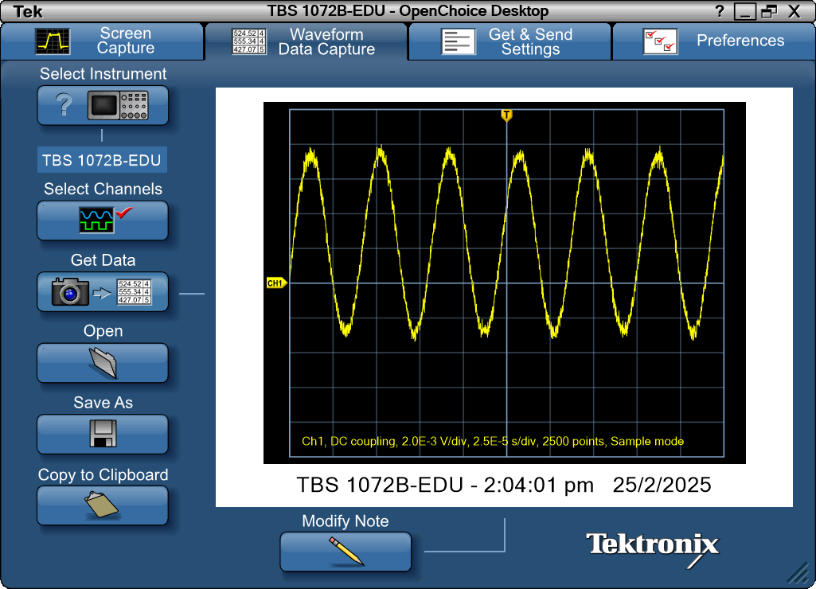
Record Length | 2500 | Points | -0.000125 | 0.00024
Sample Interval | 1.00E-07 | s | -0.0001249 | 0.00064
Trigger Point | 1249.999899 | Samples | -0.0001248 | 0.00072
 |  |  | -0.0001247 | 0.0004
 |  |  | -0.0001246 | 0.00056
 |  |  | -0.0001245 | 0.00064
Source | CH1 |  | -0.0001244 | 0.00104
Vertical Units | Volts |  | -0.0001243 | 0.0008
Vertical Scale | 2.00E-03 |  | -0.0001242 | 0.00104
Vertical Offset | 0 |  | -0.0001241 | 0.00088
Horizontal Units | s |  | -0.000124 | 0.0016
Horizontal Scale | 2.50E-05 |  | -0.0001239 | 0.0016
Pt Fmt | Y |  | -0.0001238 | 0.00152
Yzero | 0 |  | -0.0001237 | 0.00168
Probe Atten | 1 |  | -0.0001236 | 0.00176
 |  |  | -0.0001235 | 0.00184
Note | TBS 1072B-EDU - 2:04:01 pm 25/2/2025 |  | -0.0001234 | 0.00144
 |  |  | -0.0001233 | 0.002
 |  |  | -0.0001232 | 0.00176
 |  |  | -0.0001231 | 0.002
 |  |  | -0.000123 | 0.00224
 |  |  | -0.0001229 | 0.00224
 |  |  | -0.0001228 | 0.00264
 |  |  | -0.0001227 | 0.00248
 |  |  | -0.0001226 | 0.0028
 |  |  | -0.0001225 | 0.0028
 |  |  | -0.0001224 | 0.00288
 |  |  | -0.0001223 | 0.00304
 |  |  | -0.0001222 | 0.00264
 |  |  | -0.0001221 | 0.00264
 |  |  | -0.000122 | 0.00288
 |  |  | -0.0001219 | 0.00328
 |  |  | -0.0001218 | 0.00336
 |  |  | -0.0001217 | 0.0036
 |  |  | -0.0001216 | 0.00376
 |  |  | -0.0001215 | 0.00328
 |  |  | -0.0001214 | 0.00368
 |  |  | -0.0001213 | 0.00328
 |  |  | -0.0001212 | 0.004
 |  |  | -0.0001211 | 0.00368
 |  |  | -0.000121 | 0.00376
 |  |  | -0.0001209 | 0.00392
 |  |  | -0.0001208 | 0.00408
 |  |  | -0.0001207 | 0.0044
 |  |  | -0.0001206 | 0.00464
 |  |  | -0.0001205 | 0.0044
 |  |  | -0.0001204 | 0.00384
 |  |  | -0.0001203 | 0.0044
 |  |  | -0.0001202 | 0.0048
 |  |  | -0.0001201 | 0.00456
 |  |  | -0.00012 | 0.00512
 |  |  | -0.0001199 | 0.00504
 |  |  | -0.0001198 | 0.00464
 |  |  | -0.0001197 | 0.00488
 |  |  | -0.0001196 | 0.00504
 |  |  | -0.0001195 | 0.00528
 |  |  | -0.0001194 | 0.00504
 |  |  | -0.0001193 | 0.00552
 |  |  | -0.0001192 | 0.0056
 |  |  | -0.0001191 | 0.00536
 |  |  | -0.000119 | 0.00552
 |  |  | -0.0001189 | 0.00552
 |  |  | -0.0001188 | 0.00536
 |  |  | -0.0001187 | 0.00536
 |  |  | -0.0001186 | 0.00576
 |  |  | -0.0001185 | 0.00528
 |  |  | -0.0001184 | 0.00536
 |  |  | -0.0001183 | 0.00584
 |  |  | -0.0001182 | 0.00544
 |  |  | -0.0001181 | 0.00608
 |  |  | -0.000118 | 0.00568
 |  |  | -0.0001179 | 0.00576
 |  |  | -0.0001178 | 0.00528
 |  |  | -0.0001177 | 0.00592
 |  |  | -0.0001176 | 0.006
 |  |  | -0.0001175 | 0.006
 |  |  | -0.0001174 | 0.00624
 |  |  | -0.0001173 | 0.00608
 |  |  | -0.0001172 | 0.00632
 |  |  | -0.0001171 | 0.00624
 |  |  | -0.000117 | 0.00624
 |  |  | -0.0001169 | 0.00608
 |  |  | -0.0001168 | 0.00704
 |  |  | -0.0001167 | 0.00616
 |  |  | -0.0001166 | 0.00656
 |  |  | -0.0001165 | 0.00664
 |  |  | -0.0001164 | 0.00656
 |  |  | -0.0001163 | 0.00696
 |  |  | -0.0001162 | 0.0064
 |  |  | -0.0001161 | 0.00688
 |  |  | -0.000116 | 0.00688
 |  |  | -0.0001159 | 0.00704
 |  |  | -0.0001158 | 0.00696
 |  |  | -0.0001157 | 0.00752
 |  |  | -0.0001156 | 0.00696
 |  |  | -0.0001155 | 0.00688
 |  |  | -0.0001154 | 0.0064
 |  |  | -0.0001153 | 0.00696
 |  |  | -0.0001152 | 0.00696
 |  |  | -0.0001151 | 0.00736
 |  |  | -0.000115 | 0.00672
 |  |  | -0.0001149 | 0.00736
 |  |  | -0.0001148 | 0.00704
 |  |  | -0.0001147 | 0.00704
 |  |  | -0.0001146 | 0.00712
 |  |  | -0.0001145 | 0.00736
 |  |  | -0.0001144 | 0.00744
 |  |  | -0.0001143 | 0.00744
 |  |  | -0.0001142 | 0.00672
 |  |  | -0.0001141 | 0.00752
 |  |  | -0.000114 | 0.00736
 |  |  | -0.0001139 | 0.00712
 |  |  | -0.0001138 | 0.00744
 |  |  | -0.0001137 | 0.00704
 |  |  | -0.0001136 | 0.00712
 |  |  | -0.0001135 | 0.00728
 |  |  | -0.0001134 | 0.00736
 |  |  | -0.0001133 | 0.00784
 |  |  | -0.0001132 | 0.00688
 |  |  | -0.0001131 | 0.0072
 |  |  | -0.000113 | 0.00728
 |  |  | -0.0001129 | 0.00776
 |  |  | -0.0001128 | 0.0076
 |  |  | -0.0001127 | 0.00728
 |  |  | -0.0001126 | 0.00704
 |  |  | -0.0001125 | 0.00744
 |  |  | -0.0001124 | 0.0076
 |  |  | -0.0001123 | 0.0076
 |  |  | -0.0001122 | 0.00704
 |  |  | -0.0001121 | 0.00752
 |  |  | -0.000112 | 0.00696
 |  |  | -0.0001119 | 0.00704
 |  |  | -0.0001118 | 0.00736
 |  |  | -0.0001117 | 0.00728
 |  |  | -0.0001116 | 0.00752
 |  |  | -0.0001115 | 0.00736
 |  |  | -0.0001114 | 0.00736
 |  |  | -0.0001113 | 0.00736
 |  |  | -0.0001112 | 0.00696
 |  |  | -0.0001111 | 0.00712
 |  |  | -0.000111 | 0.00664
 |  |  | -0.0001109 | 0.00768
 |  |  | -0.0001108 | 0.0072
 |  |  | -0.0001107 | 0.00688
 |  |  | -0.0001106 | 0.00704
 |  |  | -0.0001105 | 0.0072
 |  |  | -0.0001104 | 0.00712
 |  |  | -0.0001103 | 0.0068
 |  |  | -0.0001102 | 0.0072
 |  |  | -0.0001101 | 0.00688
 |  |  | -0.00011 | 0.00664
 |  |  | -0.0001099 | 0.00688
 |  |  | -0.0001098 | 0.00712
 |  |  | -0.0001097 | 0.00696
 |  |  | -0.0001096 | 0.00672
 |  |  | -0.0001095 | 0.0068
 |  |  | -0.0001094 | 0.00728
 |  |  | -0.0001093 | 0.0068
 |  |  | -0.0001092 | 0.0068
 |  |  | -0.0001091 | 0.00656
 |  |  | -0.000109 | 0.00704
 |  |  | -0.0001089 | 0.00656
 |  |  | -0.0001088 | 0.00608
 |  |  | -0.0001087 | 0.0064
 |  |  | -0.0001086 | 0.00624
 |  |  | -0.0001085 | 0.00664
 |  |  | -0.0001084 | 0.0064
 |  |  | -0.0001083 | 0.00592
 |  |  | -0.0001082 | 0.00632
 |  |  | -0.0001081 | 0.00592
 |  |  | -0.000108 | 0.0064
 |  |  | -0.0001079 | 0.00608
 |  |  | -0.0001078 | 0.00592
 |  |  | -0.0001077 | 0.006
 |  |  | -0.0001076 | 0.00576
 |  |  | -0.0001075 | 0.00592
 |  |  | -0.0001074 | 0.00552
 |  |  | -0.0001073 | 0.00568
 |  |  | -0.0001072 | 0.00528
 |  |  | -0.0001071 | 0.00504
 |  |  | -0.000107 | 0.00528
 |  |  | -0.0001069 | 0.00512
 |  |  | -0.0001068 | 0.0048
 |  |  | -0.0001067 | 0.00544
 |  |  | -0.0001066 | 0.0052
 |  |  | -0.0001065 | 0.0052
 |  |  | -0.0001064 | 0.00512
 |  |  | -0.0001063 | 0.00464
 |  |  | -0.0001062 | 0.00512
 |  |  | -0.0001061 | 0.00448
 |  |  | -0.000106 | 0.00472
 |  |  | -0.0001059 | 0.00464
 |  |  | -0.0001058 | 0.0048
 |  |  | -0.0001057 | 0.00496
 |  |  | -0.0001056 | 0.00416
 |  |  | -0.0001055 | 0.00392
 |  |  | -0.0001054 | 0.00416
 |  |  | -0.0001053 | 0.00392
 |  |  | -0.0001052 | 0.0044
 |  |  | -0.0001051 | 0.00416
 |  |  | -0.000105 | 0.00384
 |  |  | -0.0001049 | 0.00376
 |  |  | -0.0001048 | 0.00368
 |  |  | -0.0001047 | 0.00392
 |  |  | -0.0001046 | 0.00376
 |  |  | -0.0001045 | 0.00368
 |  |  | -0.0001044 | 0.0036
 |  |  | -0.0001043 | 0.00328
 |  |  | -0.0001042 | 0.00336
 |  |  | -0.0001041 | 0.00312
 |  |  | -0.000104 | 0.00312
 |  |  | -0.0001039 | 0.00312
 |  |  | -0.0001038 | 0.00232
 |  |  | -0.0001037 | 0.00232
 |  |  | -0.0001036 | 0.0028
 |  |  | -0.0001035 | 0.0028
 |  |  | -0.0001034 | 0.0028
 |  |  | -0.0001033 | 0.00288
 |  |  | -0.0001032 | 0.00232
 |  |  | -0.0001031 | 0.00208
 |  |  | -0.000103 | 0.00216
 |  |  | -0.0001029 | 0.002
 |  |  | -0.0001028 | 0.00176
 |  |  | -0.0001027 | 0.00216
 |  |  | -0.0001026 | 0.0016
 |  |  | -0.0001025 | 0.00176
 |  |  | -0.0001024 | 0.00144
 |  |  | -0.0001023 | 0.0012
 |  |  | -0.0001022 | 0.0016
 |  |  | -0.0001021 | 0.00128
 |  |  | -0.000102 | 0.00136
 |  |  | -0.0001019 | 0.00152
 |  |  | -0.0001018 | 0.00168
 |  |  | -0.0001017 | 0.00136
 |  |  | -0.0001016 | 0.0012
 |  |  | -0.0001015 | 0.0012
 |  |  | -0.0001014 | 0.0012
 |  |  | -0.0001013 | 0.00048
 |  |  | -0.0001012 | 0.00064
 |  |  | -0.0001011 | 0.00064
 |  |  | -0.000101 | 0.00056
 |  |  | -0.0001009 | 0.00088
 |  |  | -0.0001008 | 0.00064
 |  |  | -0.0001007 | 0.0004
 |  |  | -0.0001006 | 0.00048
 |  |  | -0.0001005 | 8.00E-05
 |  |  | -0.0001004 | 0.00016
 |  |  | -0.0001003 | 0.0004
 |  |  | -0.0001002 | -8.00E-05
 |  |  | -0.0001001 | 0.00016
 |  |  | -0.0001 | -8.00E-05
 |  |  | -9.99E-05 | 0.00016
 |  |  | -9.98E-05 | 0
 |  |  | -9.97E-05 | -8.00E-05
 |  |  | -9.96E-05 | -0.0004
 |  |  | -9.95E-05 | -0.0004
 |  |  | -9.94E-05 | -0.00032
 |  |  | -9.93E-05 | -0.0008
 |  |  | -9.92E-05 | -0.0008
 |  |  | -9.91E-05 | -0.00088
 |  |  | -9.90E-05 | -0.00072
 |  |  | -9.89E-05 | -0.00088
 |  |  | -9.88E-05 | -0.00088
 |  |  | -9.87E-05 | -0.00112
 |  |  | -9.86E-05 | -0.00064
 |  |  | -9.85E-05 | -0.00088
 |  |  | -9.84E-05 | -0.00104
 |  |  | -9.83E-05 | -0.00088
 |  |  | -9.82E-05 | -0.00136
 |  |  | -9.81E-05 | -0.00136
 |  |  | -9.80E-05 | -0.0016
 |  |  | -9.79E-05 | -0.00112
 |  |  | -9.78E-05 | -0.00136
 |  |  | -9.77E-05 | -0.00136
 |  |  | -9.76E-05 | -0.00112
 |  |  | -9.75E-05 | -0.00144
 |  |  | -9.74E-05 | -0.00168
 |  |  | -9.73E-05 | -0.002
 |  |  | -9.72E-05 | -0.00184
 |  |  | -9.71E-05 | -0.00184
 |  |  | -9.70E-05 | -0.00192
 |  |  | -9.69E-05 | -0.00144
 |  |  | -9.68E-05 | -0.00192
 |  |  | -9.67E-05 | -0.00184
 |  |  | -9.66E-05 | -0.00208
 |  |  | -9.65E-05 | -0.00216
 |  |  | -9.64E-05 | -0.00184
 |  |  | -9.63E-05 | -0.00232
 |  |  | -9.62E-05 | -0.00224
 |  |  | -9.61E-05 | -0.00232
 |  |  | -9.60E-05 | -0.00224
 |  |  | -9.59E-05 | -0.00224
 |  |  | -9.58E-05 | -0.00256
 |  |  | -9.57E-05 | -0.0024
 |  |  | -9.56E-05 | -0.00272
 |  |  | -9.55E-05 | -0.00216
 |  |  | -9.54E-05 | -0.00272
 |  |  | -9.53E-05 | -0.00216
 |  |  | -9.52E-05 | -0.00248
 |  |  | -9.51E-05 | -0.00264
 |  |  | -9.50E-05 | -0.0024
 |  |  | -9.49E-05 | -0.00216
 |  |  | -9.48E-05 | -0.0024
 |  |  | -9.47E-05 | -0.00232
 |  |  | -9.46E-05 | -0.00248
 |  |  | -9.45E-05 | -0.00288
 |  |  | -9.44E-05 | -0.00264
 |  |  | -9.43E-05 | -0.0028
 |  |  | -9.42E-05 | -0.00288
 |  |  | -9.41E-05 | -0.00272
 |  |  | -9.40E-05 | -0.00232
 |  |  | -9.39E-05 | -0.00296
 |  |  | -9.38E-05 | -0.00224
 |  |  | -9.37E-05 | -0.00256
 |  |  | -9.36E-05 | -0.00272
 |  |  | -9.35E-05 | -0.00264
 |  |  | -9.34E-05 | -0.0028
 |  |  | -9.33E-05 | -0.00296
 |  |  | -9.32E-05 | -0.00288
 |  |  | -9.31E-05 | -0.00304
 |  |  | -9.30E-05 | -0.00256
 |  |  | -9.29E-05 | -0.00272
 |  |  | -9.28E-05 | -0.00288
 |  |  | -9.27E-05 | -0.0028
 |  |  | -9.26E-05 | -0.00248
 |  |  | -9.25E-05 | -0.00312
 |  |  | -9.24E-05 | -0.0024
 |  |  | -9.23E-05 | -0.00248
 |  |  | -9.22E-05 | -0.00256
 |  |  | -9.21E-05 | -0.00264
 |  |  | -9.20E-05 | -0.00272
 |  |  | -9.19E-05 | -0.00304
 |  |  | -9.18E-05 | -0.0024
 |  |  | -9.17E-05 | -0.00264
 |  |  | -9.16E-05 | -0.00248
 |  |  | -9.15E-05 | -0.00248
 |  |  | -9.14E-05 | -0.00232
 |  |  | -9.13E-05 | -0.00288
 |  |  | -9.12E-05 | -0.00264
 |  |  | -9.11E-05 | -0.00288
 |  |  | -9.10E-05 | -0.00264
 |  |  | -9.09E-05 | -0.0024
 |  |  | -9.08E-05 | -0.00256
 |  |  | -9.07E-05 | -0.00248
 |  |  | -9.06E-05 | -0.00288
 |  |  | -9.05E-05 | -0.00248
 |  |  | -9.04E-05 | -0.00264
 |  |  | -9.03E-05 | -0.00232
 |  |  | -9.02E-05 | -0.00272
 |  |  | -9.01E-05 | -0.00248
 |  |  | -9.00E-05 | -0.00264
 |  |  | -8.99E-05 | -0.00264
 |  |  | -8.98E-05 | -0.00232
 |  |  | -8.97E-05 | -0.0024
 |  |  | -8.96E-05 | -0.00192
 |  |  | -8.95E-05 | -0.002
 |  |  | -8.94E-05 | -0.00208
 |  |  | -8.93E-05 | -0.002
 |  |  | -8.92E-05 | -0.002
 |  |  | -8.91E-05 | -0.00208
 |  |  | -8.90E-05 | -0.0024
 |  |  | -8.89E-05 | -0.00184
 |  |  | -8.88E-05 | -0.00192
 |  |  | -8.87E-05 | -0.00184
 |  |  | -8.86E-05 | -0.00144
 |  |  | -8.85E-05 | -0.0012
 |  |  | -8.84E-05 | -0.00168
 |  |  | -8.83E-05 | -0.00184
 |  |  | -8.82E-05 | -0.0016
 |  |  | -8.81E-05 | -0.00136
 |  |  | -8.80E-05 | -0.00112
 |  |  | -8.79E-05 | -0.00152
 |  |  | -8.78E-05 | -0.0012
 |  |  | -8.77E-05 | -0.00152
 |  |  | -8.76E-05 | -0.0012
 |  |  | -8.75E-05 | -0.00144
 |  |  | -8.74E-05 | -0.00112
 |  |  | -8.73E-05 | -0.00088
 |  |  | -8.72E-05 | -0.0008
 |  |  | -8.71E-05 | -0.0008
 |  |  | -8.70E-05 | -0.00064
 |  |  | -8.69E-05 | -0.0008
 |  |  | -8.68E-05 | -0.00072
 |  |  | -8.67E-05 | -0.00088
 |  |  | -8.66E-05 | -0.0008
 |  |  | -8.65E-05 | -0.00088
 |  |  | -8.64E-05 | -0.00016
 |  |  | -8.63E-05 | -0.00056
 |  |  | -8.62E-05 | -0.00032
 |  |  | -8.61E-05 | -0.00024
 |  |  | -8.60E-05 | 0.0004
 |  |  | -8.59E-05 | -0.00032
 |  |  | -8.58E-05 | 0.00016
 |  |  | -8.57E-05 | 0.00024
 |  |  | -8.56E-05 | 0.00016
 |  |  | -8.55E-05 | 0.00024
 |  |  | -8.54E-05 | 0.00024
 |  |  | -8.53E-05 | 0.0004
 |  |  | -8.52E-05 | 0.00048
 |  |  | -8.51E-05 | 0.0004
 |  |  | -8.50E-05 | 0.00072
 |  |  | -8.49E-05 | 0.00072
 |  |  | -8.48E-05 | 0.00104
 |  |  | -8.47E-05 | 0.00048
 |  |  | -8.46E-05 | 0.00104
 |  |  | -8.45E-05 | 0.00096
 |  |  | -8.44E-05 | 0.0008
 |  |  | -8.43E-05 | 0.00072
 |  |  | -8.42E-05 | 0.0012
 |  |  | -8.41E-05 | 0.00104
 |  |  | -8.40E-05 | 0.00096
 |  |  | -8.39E-05 | 0.00152
 |  |  | -8.38E-05 | 0.00168
 |  |  | -8.37E-05 | 0.0012
 |  |  | -8.36E-05 | 0.00192
 |  |  | -8.35E-05 | 0.00152
 |  |  | -8.34E-05 | 0.00184
 |  |  | -8.33E-05 | 0.00216
 |  |  | -8.32E-05 | 0.00184
 |  |  | -8.31E-05 | 0.00216
 |  |  | -8.30E-05 | 0.002
 |  |  | -8.29E-05 | 0.00256
 |  |  | -8.28E-05 | 0.00256
 |  |  | -8.27E-05 | 0.00224
 |  |  | -8.26E-05 | 0.00224
 |  |  | -8.25E-05 | 0.00232
 |  |  | -8.24E-05 | 0.00296
 |  |  | -8.23E-05 | 0.00248
 |  |  | -8.22E-05 | 0.00264
 |  |  | -8.21E-05 | 0.00264
 |  |  | -8.20E-05 | 0.0028
 |  |  | -8.19E-05 | 0.00296
 |  |  | -8.18E-05 | 0.00272
 |  |  | -8.17E-05 | 0.00328
 |  |  | -8.16E-05 | 0.0032
 |  |  | -8.15E-05 | 0.00336
 |  |  | -8.14E-05 | 0.0032
 |  |  | -8.13E-05 | 0.004
 |  |  | -8.12E-05 | 0.00392
 |  |  | -8.11E-05 | 0.00368
 |  |  | -8.10E-05 | 0.00384
 |  |  | -8.09E-05 | 0.00424
 |  |  | -8.08E-05 | 0.00368
 |  |  | -8.07E-05 | 0.00384
 |  |  | -8.06E-05 | 0.00384
 |  |  | -8.05E-05 | 0.00408
 |  |  | -8.04E-05 | 0.00448
 |  |  | -8.03E-05 | 0.00416
 |  |  | -8.02E-05 | 0.00448
 |  |  | -8.01E-05 | 0.00456
 |  |  | -8.00E-05 | 0.00464
 |  |  | -7.99E-05 | 0.0048
 |  |  | -7.98E-05 | 0.00472
 |  |  | -7.97E-05 | 0.00488
 |  |  | -7.96E-05 | 0.00472
 |  |  | -7.95E-05 | 0.00472
 |  |  | -7.94E-05 | 0.00472
 |  |  | -7.93E-05 | 0.00488
 |  |  | -7.92E-05 | 0.00504
 |  |  | -7.91E-05 | 0.00536
 |  |  | -7.90E-05 | 0.00528
 |  |  | -7.89E-05 | 0.0052
 |  |  | -7.88E-05 | 0.00504
 |  |  | -7.87E-05 | 0.00552
 |  |  | -7.86E-05 | 0.00544
 |  |  | -7.85E-05 | 0.00552
 |  |  | -7.84E-05 | 0.00568
 |  |  | -7.83E-05 | 0.00592
 |  |  | -7.82E-05 | 0.006
 |  |  | -7.81E-05 | 0.0052
 |  |  | -7.80E-05 | 0.00576
 |  |  | -7.79E-05 | 0.00568
 |  |  | -7.78E-05 | 0.00616
 |  |  | -7.77E-05 | 0.006
 |  |  | -7.76E-05 | 0.00624
 |  |  | -7.75E-05 | 0.00592
 |  |  | -7.74E-05 | 0.00608
 |  |  | -7.73E-05 | 0.00632
 |  |  | -7.72E-05 | 0.00616
 |  |  | -7.71E-05 | 0.00608
 |  |  | -7.70E-05 | 0.00608
 |  |  | -7.69E-05 | 0.006
 |  |  | -7.68E-05 | 0.00648
 |  |  | -7.67E-05 | 0.00648
 |  |  | -7.66E-05 | 0.00648
 |  |  | -7.65E-05 | 0.00664
 |  |  | -7.64E-05 | 0.00688
 |  |  | -7.63E-05 | 0.00664
 |  |  | -7.62E-05 | 0.00688
 |  |  | -7.61E-05 | 0.00688
 |  |  | -7.60E-05 | 0.00672
 |  |  | -7.59E-05 | 0.00704
 |  |  | -7.58E-05 | 0.00664
 |  |  | -7.57E-05 | 0.00704
 |  |  | -7.56E-05 | 0.00696
 |  |  | -7.55E-05 | 0.00696
 |  |  | -7.54E-05 | 0.00704
 |  |  | -7.53E-05 | 0.00712
 |  |  | -7.52E-05 | 0.0072
 |  |  | -7.51E-05 | 0.00728
 |  |  | -7.50E-05 | 0.00712
 |  |  | -7.49E-05 | 0.00752
 |  |  | -7.48E-05 | 0.0076
 |  |  | -7.47E-05 | 0.00784
 |  |  | -7.46E-05 | 0.00712
 |  |  | -7.45E-05 | 0.00728
 |  |  | -7.44E-05 | 0.00712
 |  |  | -7.43E-05 | 0.00672
 |  |  | -7.42E-05 | 0.00712
 |  |  | -7.41E-05 | 0.00712
 |  |  | -7.40E-05 | 0.00736
 |  |  | -7.39E-05 | 0.00736
 |  |  | -7.38E-05 | 0.00776
 |  |  | -7.37E-05 | 0.00736
 |  |  | -7.36E-05 | 0.00744
 |  |  | -7.35E-05 | 0.00752
 |  |  | -7.34E-05 | 0.00736
 |  |  | -7.33E-05 | 0.00776
 |  |  | -7.32E-05 | 0.00736
 |  |  | -7.31E-05 | 0.00768
 |  |  | -7.30E-05 | 0.00776
 |  |  | -7.29E-05 | 0.00728
 |  |  | -7.28E-05 | 0.00768
 |  |  | -7.27E-05 | 0.00728
 |  |  | -7.26E-05 | 0.00728
 |  |  | -7.25E-05 | 0.00744
 |  |  | -7.24E-05 | 0.00728
 |  |  | -7.23E-05 | 0.0076
 |  |  | -7.22E-05 | 0.008
 |  |  | -7.21E-05 | 0.00752
 |  |  | -7.20E-05 | 0.00736
 |  |  | -7.19E-05 | 0.00736
 |  |  | -7.18E-05 | 0.00736
 |  |  | -7.17E-05 | 0.00768
 |  |  | -7.16E-05 | 0.00704
 |  |  | -7.15E-05 | 0.00736
 |  |  | -7.14E-05 | 0.00728
 |  |  | -7.13E-05 | 0.00744
 |  |  | -7.12E-05 | 0.00736
 |  |  | -7.11E-05 | 0.0076
 |  |  | -7.10E-05 | 0.00696
 |  |  | -7.09E-05 | 0.00744
 |  |  | -7.08E-05 | 0.0076
 |  |  | -7.07E-05 | 0.00728
 |  |  | -7.06E-05 | 0.00712
 |  |  | -7.05E-05 | 0.00688
 |  |  | -7.04E-05 | 0.00688
 |  |  | -7.03E-05 | 0.0072
 |  |  | -7.02E-05 | 0.0072
 |  |  | -7.01E-05 | 0.0068
 |  |  | -7.00E-05 | 0.0068
 |  |  | -6.99E-05 | 0.0068
 |  |  | -6.98E-05 | 0.00704
 |  |  | -6.97E-05 | 0.00688
 |  |  | -6.96E-05 | 0.00712
 |  |  | -6.95E-05 | 0.00736
 |  |  | -6.94E-05 | 0.0068
 |  |  | -6.93E-05 | 0.0068
 |  |  | -6.92E-05 | 0.00672
 |  |  | -6.91E-05 | 0.00672
 |  |  | -6.90E-05 | 0.00656
 |  |  | -6.89E-05 | 0.0064
 |  |  | -6.88E-05 | 0.0068
 |  |  | -6.87E-05 | 0.00648
 |  |  | -6.86E-05 | 0.00656
 |  |  | -6.85E-05 | 0.00608
 |  |  | -6.84E-05 | 0.006
 |  |  | -6.83E-05 | 0.0056
 |  |  | -6.82E-05 | 0.00592
 |  |  | -6.81E-05 | 0.00648
 |  |  | -6.80E-05 | 0.00584
 |  |  | -6.79E-05 | 0.0064
 |  |  | -6.78E-05 | 0.00608
 |  |  | -6.77E-05 | 0.00576
 |  |  | -6.76E-05 | 0.00592
 |  |  | -6.75E-05 | 0.00584
 |  |  | -6.74E-05 | 0.00584
 |  |  | -6.73E-05 | 0.00592
 |  |  | -6.72E-05 | 0.00576
 |  |  | -6.71E-05 | 0.00592
 |  |  | -6.70E-05 | 0.00528
 |  |  | -6.69E-05 | 0.00536
 |  |  | -6.68E-05 | 0.00536
 |  |  | -6.67E-05 | 0.00536
 |  |  | -6.66E-05 | 0.00528
 |  |  | -6.65E-05 | 0.00536
 |  |  | -6.64E-05 | 0.00528
 |  |  | -6.63E-05 | 0.00544
 |  |  | -6.62E-05 | 0.00456
 |  |  | -6.61E-05 | 0.0048
 |  |  | -6.60E-05 | 0.00424
 |  |  | -6.59E-05 | 0.0044
 |  |  | -6.58E-05 | 0.00472
 |  |  | -6.57E-05 | 0.00448
 |  |  | -6.56E-05 | 0.00472
 |  |  | -6.55E-05 | 0.00424
 |  |  | -6.54E-05 | 0.00448
 |  |  | -6.53E-05 | 0.00456
 |  |  | -6.52E-05 | 0.004
 |  |  | -6.51E-05 | 0.004
 |  |  | -6.50E-05 | 0.004
 |  |  | -6.49E-05 | 0.00448
 |  |  | -6.48E-05 | 0.00392
 |  |  | -6.47E-05 | 0.004
 |  |  | -6.46E-05 | 0.00392
 |  |  | -6.45E-05 | 0.00352
 |  |  | -6.44E-05 | 0.00304
 |  |  | -6.43E-05 | 0.00312
 |  |  | -6.42E-05 | 0.00344
 |  |  | -6.41E-05 | 0.00336
 |  |  | -6.40E-05 | 0.00304
 |  |  | -6.39E-05 | 0.00336
 |  |  | -6.38E-05 | 0.00304
 |  |  | -6.37E-05 | 0.00272
 |  |  | -6.36E-05 | 0.0032
 |  |  | -6.35E-05 | 0.00304
 |  |  | -6.34E-05 | 0.00288
 |  |  | -6.33E-05 | 0.00256
 |  |  | -6.32E-05 | 0.00248
 |  |  | -6.31E-05 | 0.0024
 |  |  | -6.30E-05 | 0.00232
 |  |  | -6.29E-05 | 0.00232
 |  |  | -6.28E-05 | 0.00232
 |  |  | -6.27E-05 | 0.00184
 |  |  | -6.26E-05 | 0.00192
 |  |  | -6.25E-05 | 0.00168
 |  |  | -6.24E-05 | 0.00176
 |  |  | -6.23E-05 | 0.00176
 |  |  | -6.22E-05 | 0.00192
 |  |  | -6.21E-05 | 0.00184
 |  |  | -6.20E-05 | 0.00152
 |  |  | -6.19E-05 | 0.0016
 |  |  | -6.18E-05 | 0.00176
 |  |  | -6.17E-05 | 0.00152
 |  |  | -6.16E-05 | 0.00112
 |  |  | -6.15E-05 | 0.00104
 |  |  | -6.14E-05 | 0.00104
 |  |  | -6.13E-05 | 0.00096
 |  |  | -6.12E-05 | 0.00088
 |  |  | -6.11E-05 | 0.00064
 |  |  | -6.10E-05 | 0.00072
 |  |  | -6.09E-05 | 0.00064
 |  |  | -6.08E-05 | 0.00056
 |  |  | -6.07E-05 | 0.00048
 |  |  | -6.06E-05 | 0.0008
 |  |  | -6.05E-05 | 0.00056
 |  |  | -6.04E-05 | 0.00048
 |  |  | -6.03E-05 | 0.00024
 |  |  | -6.02E-05 | 0.00016
 |  |  | -6.01E-05 | 0.00016
 |  |  | -6.00E-05 | -0.00016
 |  |  | -5.99E-05 | 0.00032
 |  |  | -5.98E-05 | 0.00016
 |  |  | -5.97E-05 | -0.00032
 |  |  | -5.96E-05 | -0.00024
 |  |  | -5.95E-05 | -0.00048
 |  |  | -5.94E-05 | -0.00048
 |  |  | -5.93E-05 | -0.00088
 |  |  | -5.92E-05 | -0.00016
 |  |  | -5.91E-05 | -0.00024
 |  |  | -5.90E-05 | -0.00088
 |  |  | -5.89E-05 | -0.00048
 |  |  | -5.88E-05 | -0.00048
 |  |  | -5.87E-05 | -0.00096
 |  |  | -5.86E-05 | -0.00104
 |  |  | -5.85E-05 | -0.00088
 |  |  | -5.84E-05 | -0.00104
 |  |  | -5.83E-05 | -0.00112
 |  |  | -5.82E-05 | -0.00104
 |  |  | -5.81E-05 | -0.0012
 |  |  | -5.80E-05 | -0.00104
 |  |  | -5.79E-05 | -0.00128
 |  |  | -5.78E-05 | -0.00144
 |  |  | -5.77E-05 | -0.00112
 |  |  | -5.76E-05 | -0.0016
 |  |  | -5.75E-05 | -0.00144
 |  |  | -5.74E-05 | -0.00152
 |  |  | -5.73E-05 | -0.00144
 |  |  | -5.72E-05 | -0.00168
 |  |  | -5.71E-05 | -0.00176
 |  |  | -5.70E-05 | -0.00184
 |  |  | -5.69E-05 | -0.00184
 |  |  | -5.68E-05 | -0.00216
 |  |  | -5.67E-05 | -0.0016
 |  |  | -5.66E-05 | -0.002
 |  |  | -5.65E-05 | -0.00176
 |  |  | -5.64E-05 | -0.00216
 |  |  | -5.63E-05 | -0.00216
 |  |  | -5.62E-05 | -0.00248
 |  |  | -5.61E-05 | -0.00224
 |  |  | -5.60E-05 | -0.00208
 |  |  | -5.59E-05 | -0.0024
 |  |  | -5.58E-05 | -0.00208
 |  |  | -5.57E-05 | -0.00264
 |  |  | -5.56E-05 | -0.0024
 |  |  | -5.55E-05 | -0.0024
 |  |  | -5.54E-05 | -0.00248
 |  |  | -5.53E-05 | -0.00224
 |  |  | -5.52E-05 | -0.00216
 |  |  | -5.51E-05 | -0.0024
 |  |  | -5.50E-05 | -0.00248
 |  |  | -5.49E-05 | -0.00288
 |  |  | -5.48E-05 | -0.00264
 |  |  | -5.47E-05 | -0.00272
 |  |  | -5.46E-05 | -0.0032
 |  |  | -5.45E-05 | -0.00272
 |  |  | -5.44E-05 | -0.00272
 |  |  | -5.43E-05 | -0.00264
 |  |  | -5.42E-05 | -0.00272
 |  |  | -5.41E-05 | -0.00272
 |  |  | -5.40E-05 | -0.00304
 |  |  | -5.39E-05 | -0.00288
 |  |  | -5.38E-05 | -0.00312
 |  |  | -5.37E-05 | -0.0032
 |  |  | -5.36E-05 | -0.00312
 |  |  | -5.35E-05 | -0.0028
 |  |  | -5.34E-05 | -0.00312
 |  |  | -5.33E-05 | -0.00296
 |  |  | -5.32E-05 | -0.00288
 |  |  | -5.31E-05 | -0.00272
 |  |  | -5.30E-05 | -0.00264
 |  |  | -5.29E-05 | -0.00336
 |  |  | -5.28E-05 | -0.00296
 |  |  | -5.27E-05 | -0.00304
 |  |  | -5.26E-05 | -0.00288
 |  |  | -5.25E-05 | -0.00328
 |  |  | -5.24E-05 | -0.00312
...

Step4 25k
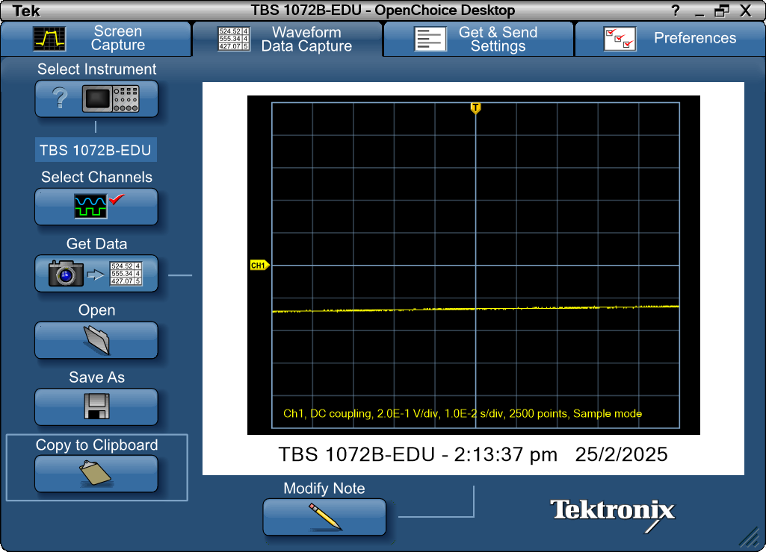
Record Length | 2500 | Points | -0.05 | -0.28
Sample Interval | 4.00E-05 | s | -0.04996 | -0.28
Trigger Point | 1249.999957 | Samples | -0.04992 | -0.288
 |  |  | -0.04988 | -0.288
 |  |  | -0.04984 | -0.288
 |  |  | -0.0498 | -0.28
Source | CH1 |  | -0.04976 | -0.288
Vertical Units | Volts |  | -0.04972 | -0.288
Vertical Scale | 2.00E-01 |  | -0.04968 | -0.288
Vertical Offset | 0 |  | -0.04964 | -0.28
Horizontal Units | s |  | -0.0496 | -0.28
Horizontal Scale | 1.00E-02 |  | -0.04956 | -0.28
Pt Fmt | Y |  | -0.04952 | -0.28
Yzero | 0 |  | -0.04948 | -0.288
Probe Atten | 1 |  | -0.04944 | -0.28
 |  |  | -0.0494 | -0.28
Note | TBS 1072B-EDU - 2:13:37 pm 25/2/2025 |  | -0.04936 | -0.28
 |  |  | -0.04932 | -0.28
 |  |  | -0.04928 | -0.28
 |  |  | -0.04924 | -0.288
 |  |  | -0.0492 | -0.288
 |  |  | -0.04916 | -0.28
 |  |  | -0.04912 | -0.28
 |  |  | -0.04908 | -0.28
 |  |  | -0.04904 | -0.28
 |  |  | -0.049 | -0.28
 |  |  | -0.04896 | -0.28
 |  |  | -0.04892 | -0.28
 |  |  | -0.04888 | -0.288
 |  |  | -0.04884 | -0.28
 |  |  | -0.0488 | -0.28
 |  |  | -0.04876 | -0.28
 |  |  | -0.04872 | -0.28
 |  |  | -0.04868 | -0.28
 |  |  | -0.04864 | -0.28
 |  |  | -0.0486 | -0.28
 |  |  | -0.04856 | -0.28
 |  |  | -0.04852 | -0.28
 |  |  | -0.04848 | -0.28
 |  |  | -0.04844 | -0.28
 |  |  | -0.0484 | -0.288
 |  |  | -0.04836 | -0.28
 |  |  | -0.04832 | -0.288
 |  |  | -0.04828 | -0.28
 |  |  | -0.04824 | -0.28
 |  |  | -0.0482 | -0.28
 |  |  | -0.04816 | -0.28
 |  |  | -0.04812 | -0.288
...

Step6 100k
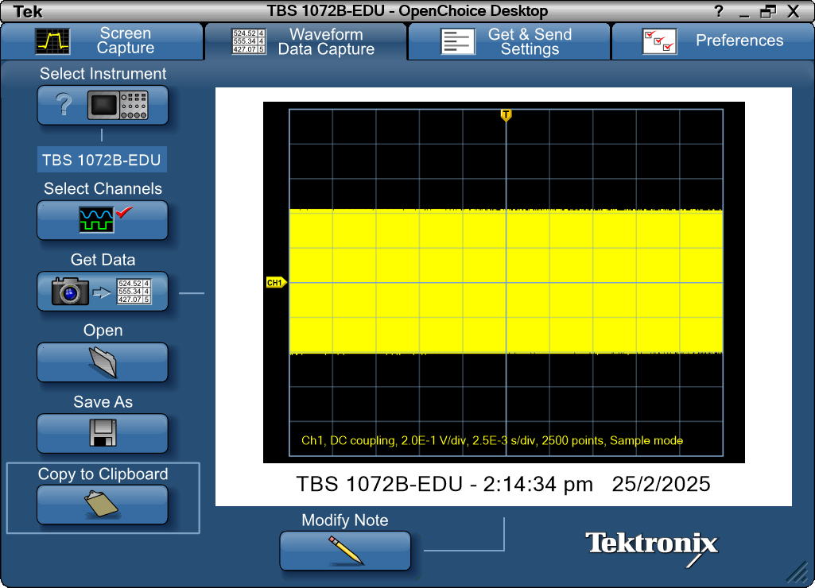
Record Length | 2500 | Points | -0.0125 | -0.28
Sample Interval | 1.00E-05 | s | -0.01249 | -0.408
Trigger Point | 1249.999957 | Samples | -0.01248 | 0.288
 |  |  | -0.01247 | 0.424
 |  |  | -0.01246 | -0.28
 |  |  | -0.01245 | -0.408
Source | CH1 |  | -0.01244 | 0.288
Vertical Units | Volts |  | -0.01243 | 0.424
Vertical Scale | 2.00E-01 |  | -0.01242 | -0.28
Vertical Offset | 0 |  | -0.01241 | -0.416
Horizontal Units | s |  | -0.0124 | 0.288
Horizontal Scale | 2.50E-03 |  | -0.01239 | 0.424
Pt Fmt | Y |  | -0.01238 | -0.272
Yzero | 0 |  | -0.01237 | -0.408
Probe Atten | 1 |  | -0.01236 | 0.296
 |  |  | -0.01235 | 0.424
Note | TBS 1072B-EDU - 2:14:34 pm 25/2/2025 |  | -0.01234 | -0.288
 |  |  | -0.01233 | -0.416
 |  |  | -0.01232 | 0.296
 |  |  | -0.01231 | 0.424
 |  |  | -0.0123 | -0.28
 |  |  | -0.01229 | -0.408
 |  |  | -0.01228 | 0.288
 |  |  | -0.01227 | 0.424
 |  |  | -0.01226 | -0.28
 |  |  | -0.01225 | -0.408
 |  |  | -0.01224 | 0.288
 |  |  | -0.01223 | 0.424
 |  |  | -0.01222 | -0.28
 |  |  | -0.01221 | -0.408
 |  |  | -0.0122 | 0.288
 |  |  | -0.01219 | 0.424
 |  |  | -0.01218 | -0.28
 |  |  | -0.01217 | -0.408
 |  |  | -0.01216 | 0.288
 |  |  | -0.01215 | 0.424
 |  |  | -0.01214 | -0.28
 |  |  | -0.01213 | -0.408
 |  |  | -0.01212 | 0.288
 |  |  | -0.01211 | 0.424
 |  |  | -0.0121 | -0.28
 |  |  | -0.01209 | -0.416
 |  |  | -0.01208 | 0.288
 |  |  | -0.01207 | 0.424
 |  |  | -0.01206 | -0.28
 |  |  | -0.01205 | -0.416
 |  |  | -0.01204 | 0.288
 |  |  | -0.01203 | 0.424
...

Step6 250k
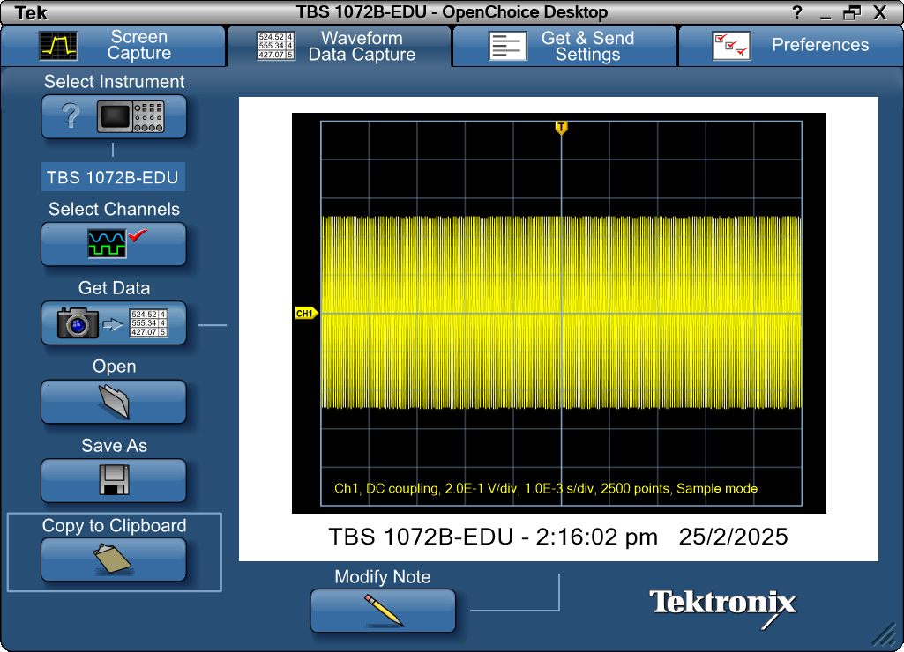
Record Length | 2500 | Points | -0.005 | 0.24
Sample Interval | 4.00E-06 | s | -0.004996 | 0.456
Trigger Point | 1250.000092 | Samples | -0.004992 | 0.504
 |  |  | -0.004988 | 0.352
 |  |  | -0.004984 | 0.08
 |  |  | -0.00498 | -0.232
Source | CH1 |  | -0.004976 | -0.448
Vertical Units | Volts |  | -0.004972 | -0.488
Vertical Scale | 2.00E-01 |  | -0.004968 | -0.344
Vertical Offset | 0 |  | -0.004964 | -0.064
Horizontal Units | s |  | -0.00496 | 0.24
Horizontal Scale | 1.00E-03 |  | -0.004956 | 0.456
Pt Fmt | Y |  | -0.004952 | 0.504
Yzero | 0 |  | -0.004948 | 0.352
Probe Atten | 1 |  | -0.004944 | 0.08
 |  |  | -0.00494 | -0.232
Note | TBS 1072B-EDU - 2:16:02 pm 25/2/2025 |  | -0.004936 | -0.448
 |  |  | -0.004932 | -0.488
 |  |  | -0.004928 | -0.344
 |  |  | -0.004924 | -0.064
 |  |  | -0.00492 | 0.24
 |  |  | -0.004916 | 0.456
 |  |  | -0.004912 | 0.504
 |  |  | -0.004908 | 0.352
 |  |  | -0.004904 | 0.08
 |  |  | -0.0049 | -0.232
 |  |  | -0.004896 | -0.448
 |  |  | -0.004892 | -0.488
 |  |  | -0.004888 | -0.344
 |  |  | -0.004884 | -0.064
 |  |  | -0.00488 | 0.24
 |  |  | -0.004876 | 0.456
 |  |  | -0.004872 | 0.496
 |  |  | -0.004868 | 0.352
 |  |  | -0.004864 | 0.08
 |  |  | -0.00486 | -0.232
 |  |  | -0.004856 | -0.448
 |  |  | -0.004852 | -0.496
 |  |  | -0.004848 | -0.344
 |  |  | -0.004844 | -0.072
 |  |  | -0.00484 | 0.248
 |  |  | -0.004836 | 0.456
 |  |  | -0.004832 | 0.504
 |  |  | -0.004828 | 0.352
 |  |  | -0.004824 | 0.08
 |  |  | -0.00482 | -0.232
 |  |  | -0.004816 | -0.448
 |  |  | -0.004812 | -0.488
...

Step6 2.5M
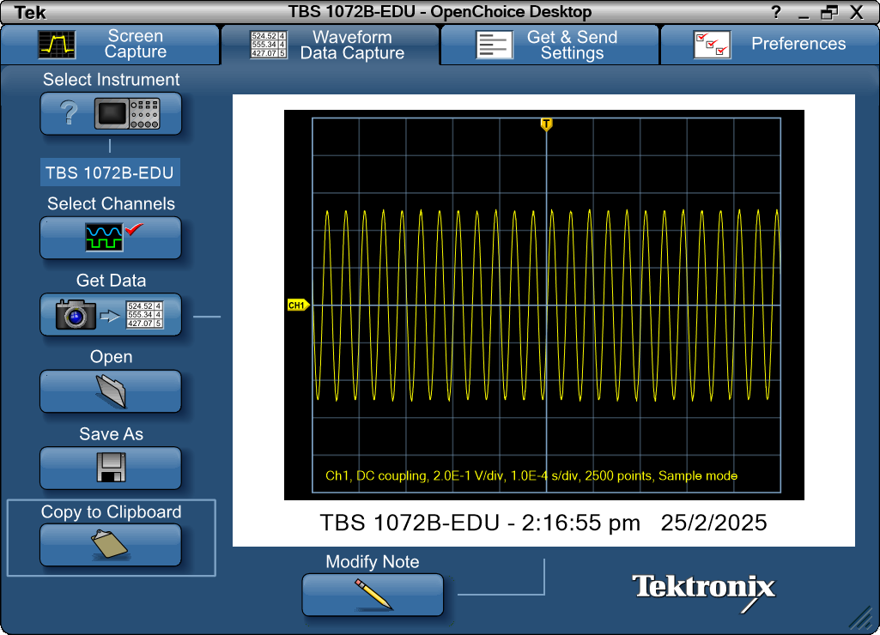
Record Length | 2500 | Points | -0.0005 | 0.136
Sample Interval | 4.00E-07 | s | -0.0004996 | 0.12
Trigger Point | 1249.999899 | Samples | -0.0004992 | 0.072
 |  |  | -0.0004988 | 0.048
 |  |  | -0.0004984 | 0.016
 |  |  | -0.000498 | -0.024
Source | CH1 |  | -0.0004976 | -0.04
Vertical Units | Volts |  | -0.0004972 | -0.08
Vertical Scale | 2.00E-01 |  | -0.0004968 | -0.112
Vertical Offset | 0 |  | -0.0004964 | -0.136
Horizontal Units | s |  | -0.000496 | -0.168
Horizontal Scale | 1.00E-04 |  | -0.0004956 | -0.208
Pt Fmt | Y |  | -0.0004952 | -0.224
Yzero | 0 |  | -0.0004948 | -0.256
Probe Atten | 1 |  | -0.0004944 | -0.272
 |  |  | -0.000494 | -0.304
Note | TBS 1072B-EDU - 2:16:55 pm 25/2/2025 |  | -0.0004936 | -0.328
 |  |  | -0.0004932 | -0.36
 |  |  | -0.0004928 | -0.376
 |  |  | -0.0004924 | -0.392
 |  |  | -0.000492 | -0.408
 |  |  | -0.0004916 | -0.432
 |  |  | -0.0004912 | -0.44
 |  |  | -0.0004908 | -0.464
 |  |  | -0.0004904 | -0.48
 |  |  | -0.00049 | -0.48
 |  |  | -0.0004896 | -0.496
 |  |  | -0.0004892 | -0.496
 |  |  | -0.0004888 | -0.496
 |  |  | -0.0004884 | -0.504
 |  |  | -0.000488 | -0.496
 |  |  | -0.0004876 | -0.504
 |  |  | -0.0004872 | -0.496
 |  |  | -0.0004868 | -0.488
 |  |  | -0.0004864 | -0.48
 |  |  | -0.000486 | -0.472
 |  |  | -0.0004856 | -0.464
 |  |  | -0.0004852 | -0.44
 |  |  | -0.0004848 | -0.432
 |  |  | -0.0004844 | -0.416
 |  |  | -0.000484 | -0.392
 |  |  | -0.0004836 | -0.376
 |  |  | -0.0004832 | -0.352
 |  |  | -0.0004828 | -0.328
 |  |  | -0.0004824 | -0.32
 |  |  | -0.000482 | -0.28
 |  |  | -0.0004816 | -0.256
 |  |  | -0.0004812 | -0.224
...

Step7 25k
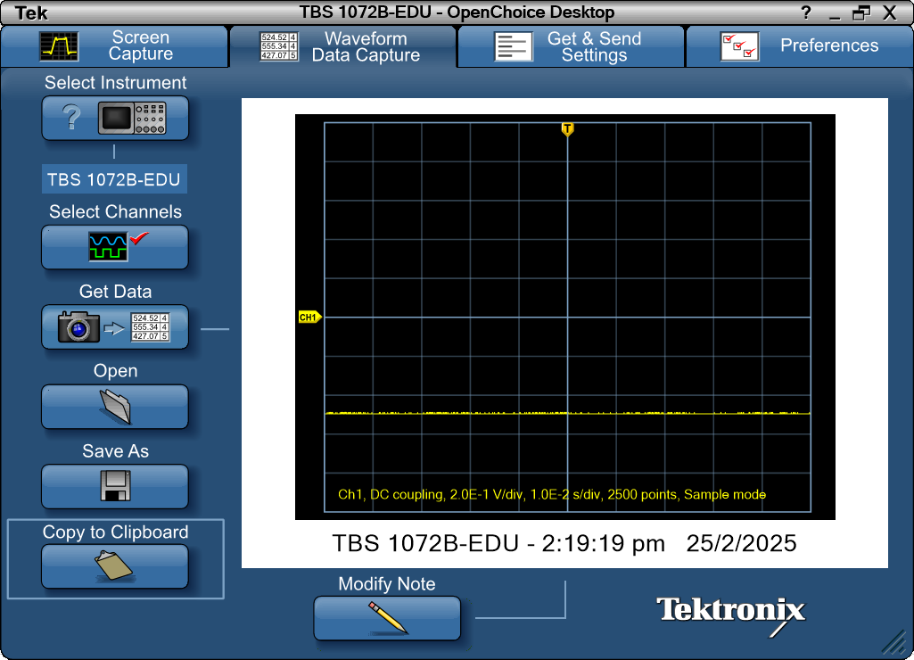
Record Length | 2500 | Points | -0.05 | -0.496
Sample Interval | 4.00E-05 | s | -0.04996 | -0.496
Trigger Point | 1249.999957 | Samples | -0.04992 | -0.496
 |  |  | -0.04988 | -0.496
 |  |  | -0.04984 | -0.496
 |  |  | -0.0498 | -0.496
Source | CH1 |  | -0.04976 | -0.496
Vertical Units | Volts |  | -0.04972 | -0.496
Vertical Scale | 2.00E-01 |  | -0.04968 | -0.496
Vertical Offset | 0 |  | -0.04964 | -0.496
Horizontal Units | s |  | -0.0496 | -0.496
Horizontal Scale | 1.00E-02 |  | -0.04956 | -0.496
Pt Fmt | Y |  | -0.04952 | -0.496
Yzero | 0 |  | -0.04948 | -0.496
Probe Atten | 1 |  | -0.04944 | -0.496
 |  |  | -0.0494 | -0.488
Note | TBS 1072B-EDU - 2:19:19 pm 25/2/2025 |  | -0.04936 | -0.496
 |  |  | -0.04932 | -0.496
 |  |  | -0.04928 | -0.496
 |  |  | -0.04924 | -0.496
 |  |  | -0.0492 | -0.496
 |  |  | -0.04916 | -0.496
 |  |  | -0.04912 | -0.496
 |  |  | -0.04908 | -0.488
 |  |  | -0.04904 | -0.488
 |  |  | -0.049 | -0.496
 |  |  | -0.04896 | -0.496
 |  |  | -0.04892 | -0.496
 |  |  | -0.04888 | -0.488
 |  |  | -0.04884 | -0.496
 |  |  | -0.0488 | -0.496
 |  |  | -0.04876 | -0.488
 |  |  | -0.04872 | -0.488
 |  |  | -0.04868 | -0.496
 |  |  | -0.04864 | -0.496
 |  |  | -0.0486 | -0.496
 |  |  | -0.04856 | -0.496
 |  |  | -0.04852 | -0.488
 |  |  | -0.04848 | -0.496
 |  |  | -0.04844 | -0.496
 |  |  | -0.0484 | -0.488
 |  |  | -0.04836 | -0.488
 |  |  | -0.04832 | -0.496
 |  |  | -0.04828 | -0.488
 |  |  | -0.04824 | -0.496
 |  |  | -0.0482 | -0.496
 |  |  | -0.04816 | -0.496
 |  |  | -0.04812 | -0.496
...

Step7 100k
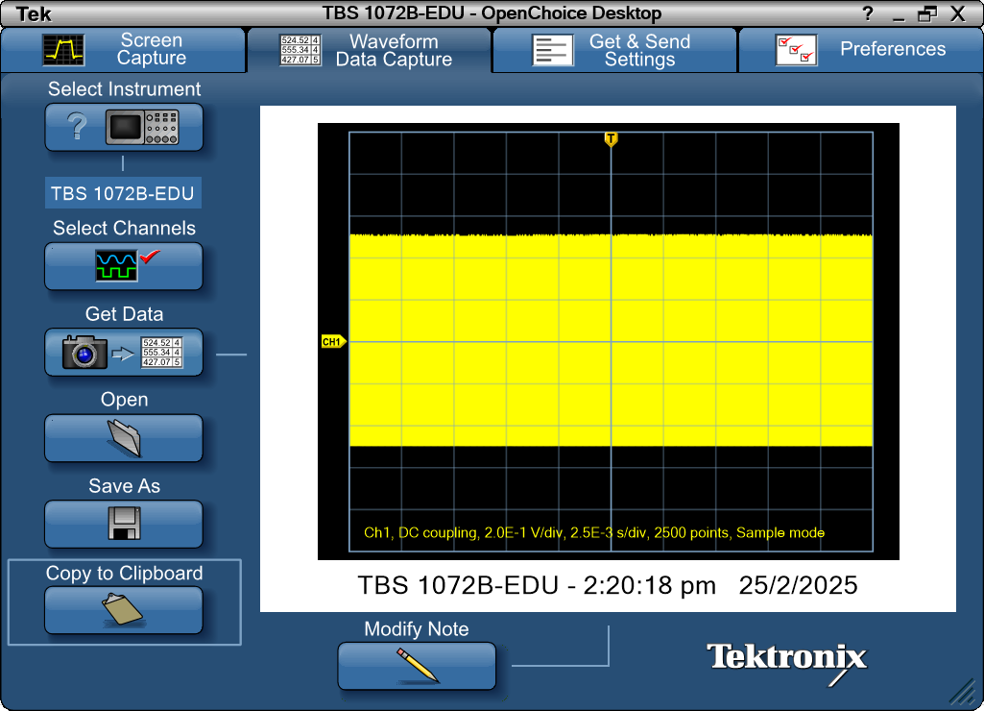
Record Length | 2500 | Points | -0.0125 | -0.496
Sample Interval | 1.00E-05 | s | -0.01249 | -0.496
Trigger Point | 1249.999957 | Samples | -0.01248 | 0.504
 |  |  | -0.01247 | 0.504
 |  |  | -0.01246 | -0.496
 |  |  | -0.01245 | -0.496
Source | CH1 |  | -0.01244 | 0.504
Vertical Units | Volts |  | -0.01243 | 0.512
Vertical Scale | 2.00E-01 |  | -0.01242 | -0.496
Vertical Offset | 0 |  | -0.01241 | -0.496
Horizontal Units | s |  | -0.0124 | 0.512
Horizontal Scale | 2.50E-03 |  | -0.01239 | 0.512
Pt Fmt | Y |  | -0.01238 | -0.496
Yzero | 0 |  | -0.01237 | -0.496
Probe Atten | 1 |  | -0.01236 | 0.504
 |  |  | -0.01235 | 0.512
Note | TBS 1072B-EDU - 2:20:18 pm 25/2/2025 |  | -0.01234 | -0.496
 |  |  | -0.01233 | -0.496
 |  |  | -0.01232 | 0.504
 |  |  | -0.01231 | 0.512
 |  |  | -0.0123 | -0.496
 |  |  | -0.01229 | -0.496
 |  |  | -0.01228 | 0.504
 |  |  | -0.01227 | 0.512
 |  |  | -0.01226 | -0.496
 |  |  | -0.01225 | -0.496
 |  |  | -0.01224 | 0.504
 |  |  | -0.01223 | 0.512
 |  |  | -0.01222 | -0.496
 |  |  | -0.01221 | -0.496
 |  |  | -0.0122 | 0.504
 |  |  | -0.01219 | 0.504
 |  |  | -0.01218 | -0.496
 |  |  | -0.01217 | -0.496
 |  |  | -0.01216 | 0.504
 |  |  | -0.01215 | 0.512
 |  |  | -0.01214 | -0.496
 |  |  | -0.01213 | -0.496
 |  |  | -0.01212 | 0.504
 |  |  | -0.01211 | 0.512
 |  |  | -0.0121 | -0.496
 |  |  | -0.01209 | -0.496
 |  |  | -0.01208 | 0.504
 |  |  | -0.01207 | 0.512
 |  |  | -0.01206 | -0.496
 |  |  | -0.01205 | -0.496
 |  |  | -0.01204 | 0.504
 |  |  | -0.01203 | 0.504
...

Step7 250k
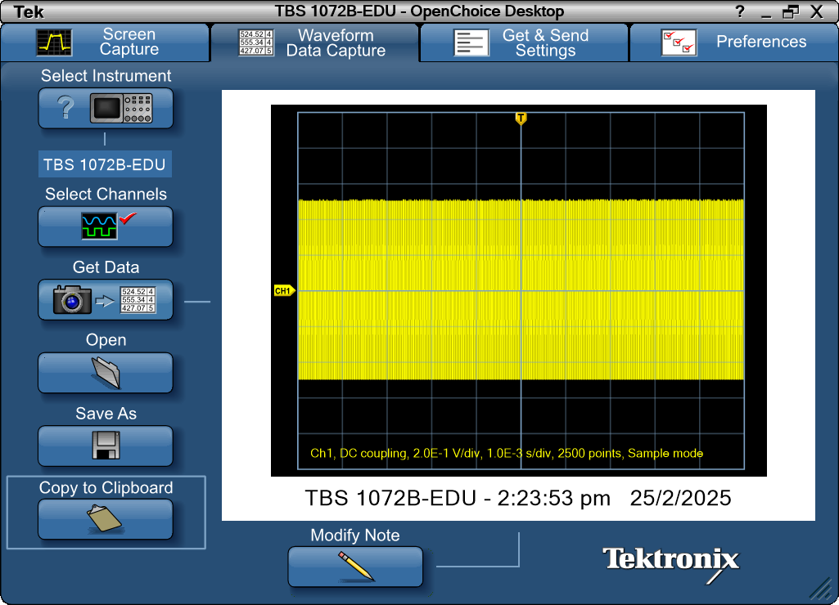
...

Step7 2.5M

...

