1. Title Page
[Instacart Grocery Basket Analysis]

Project Name: Instacart Grocery Basket Analysis
Date: January 22, 2024
Analyst Name: Vanessa Núñez Peñas

Contents:
Population Flow
Consistency checks
Wrangling steps
Column derivations
Visualizations
Recommendations

Datasets: “The Instacart Online Grocery Shopping Dataset 2017”, Accessed from www.instacart.com/datasets/grocery-shopping-2017 via Kaggle on January 2024.
Note: the customer dataset was created for learning purposes and the information in it is not real.

2. Population Flow
Instacart Grocery Basket Analysis

Population flow

Exclusion flag
Condition: max_order < 5
Obervations to be removed: 1,440,355
Final total count of order_products_all: 30,965,686

Orders_products_combined
Orders_products_merged
Orders_products_all

Total: 32,406,041
Total: 32,434,489
Total: 30,965,686

1.) The grey boxes in the first row of the population flow represent the original data sets as they were when you downloaded them. In the Total fields you need to add the count of the rows when you imported the data set into Jupyter.
2.) The second row of boxes (coloured) represents the data sets after you manipulated them, e.g., removed missing values and duplicates. In the Total fields you need to add the count of the rows after conducting these operations. This offers a visual oveview of how the data flows throughout the data consistency checks.
3.) The third row, where also the arrows are coloured, represents the merges you performed between the datasets. In the Total fields you need to add the count of the rows in the merged datasets, so that you end up with the final dataset (in the red box). Keep in mind the final dataset should be without exclusions (based on the exclusion flag).

3. Consistency checks
 |  |  |  | Instacart Grocery Basket Analysis
Consistency checks

Dataset | Missing values | Missing values treatment | Duplicates
orders | 206,209 in days_since_prior_order | Untouched - they refer to the first order of a new user
products | 16 values in product_name | Filter out the values | 5 duplicates - filtered out
orders_products_prior
customers | No missing values | N/A | 0 duplicates

4. Wrangling steps
 |  |  |  | Instacart Grocery Basket Analysis
Wrangling steps

Columns dropped | Columns renamed | Columns' type changed | Comment/Reason
df_ords['eval_set'] |  |  | System information: one value irrelevant for our analysis
 | df_ords{'order_dow : 'orders_day_of_week'} |  | More intuitive
 |  | df_ords['order_id'] | To string to exclude it while executing statistics
 |  | df_ords['user_id'] str | To string to exclude it while executing statistics
 | customers{Surname: surname}
 | customers{'STATE: state}
 | customers{fam_status: familial_status}
 |  | customers[user_id] | To string to exclude it while executing statistics
final_product_orders_all[First Name] |  |  | Personally Identifiable Information (PII)
final_product_orders_all[Surname] |  |  | Personally Identifiable Information (PII)

5. Column derivations
 |  |  |  |  | Instacart Grocery Basket Analysis

Column derivations and aggregations

In this tab you should add tables below that the frequences of flags/label variables that you produced after deriving them. NB: don't do this for continuous variables, only for flags.
Dataset | New column | Column/s it was derived from | Conditions
ords_prods_merge_derived | price_range_loc | prices | High-range product: >15
 |  |  | Mid-range product: 5-15
 |  |  | Low-range product: <5
ords_prods_merge_derived | busiest_day | orders_day_of_week | Busiest day: Sat (0) | price_range_loc | busiest_day | busiest_days
 |  |  | Least busy: Wednesday (4) | Mid-range product 21861997 | Regularly busy 22417684 | Regularly busy 12916527
 |  |  | Regularly busy: rest of the week | Low-range product 10126366 | Busiest day 6204404 | Busiest days 11864860
ords_prods_merge_derived | busiest_days | orders_day_of_week | Busiest days: Sat (0), Sun (1) | High-range product 417678 | Least busy 3783953 | Slowest days 7624654
 |  |  | Least busy: Wed (4), Tue (3)
 |  |  | Regularly busy: rest of the week
ords_prods_merge_derived | busiest_period_of_day | order_hour_of_day | Most orders: >= 2,000,000 ords/hour | busiest_period_of_day | loyalty_flag | spending_flag
 |  |  | Average orders: 1-2 Millionen ords/hour | Most orders 23206578 | Regular customer 15877395 | Low spender 31771789
 |  |  | Fewest orders: <= 1,000,000 ords/hour | Average orders 4613100 | Loyal customer 10284396 | High spender 634252
ords_prods_merge_final | loyalty_flag | user_id, order_id | Loyal customer: > 40 orders | Fewest orders 4586363 | New customer 6244250
 |  |  | Regular customer: 11-40 orders
 |  |  | New customer: <= 10 orders
ords_prods_merge_final | spending_flag | user_id, prices | Low spender: mean < 10 | frequency_flag
 |  |  | High spender: mean >= 10 | Frequent customer 21560324
ords_prods_merge_final | frequency_flag | user_id, days_since_prior_order | Frequent customer: <=10 medan days since prior order | Regular customer 7209005
 |  |  | Regular customer: 11-19 median days since prior order | Non-frequent customer 3636707
 |  |  | Non-frequent customer: >= 20 median days since prior order | NaN 5

6. Visualizations
 |  | Instacart Grocery Basket Analysis

Visualisations

In this tab you should include all the visualtions from Exercises 4.9 and 4.10, alongside the questions from the project brief that they answer. Include any commentary on the relationship between different variables.

Note 1: the number in some charts are in charts scientific notation. For example, 1e6. This means in millions: 1,000,000.
Note 2: the prices are in US dollars.
Busiest days of the week and hours of the day
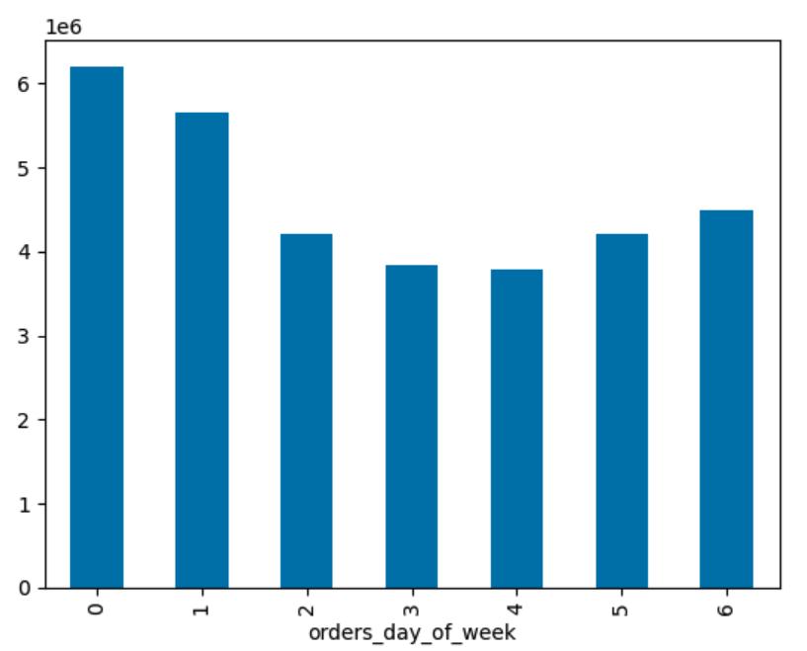

 | According to the documentation, the days of the week in this data set are:
 | 0 Saturday
 | 1 Sunday
 | 2 Monday
 | 3 Tuesday
 | 4 Wednesday
 | 5 Thursday
 | 6 Friday

 | The busiest days of the week are Saturday (0) and Sunday (1), and the least busy days are Tuesday (3) and Wednesday (4).

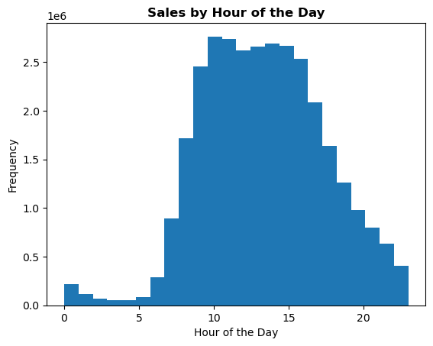

 | The busiest hours of the day are between 8:00-18:00, and the least busy hours are between 19:00-07:00.

Expenditure depending on the hour of the day

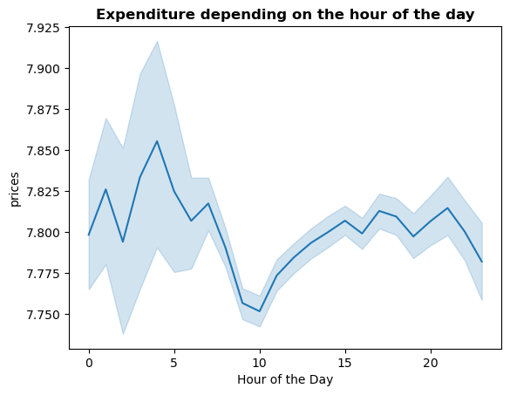

 | The higher expenditure are incurred in the dawn while, on the other hand, we see the lower expenditure in the morning at 9:00-10:00h.

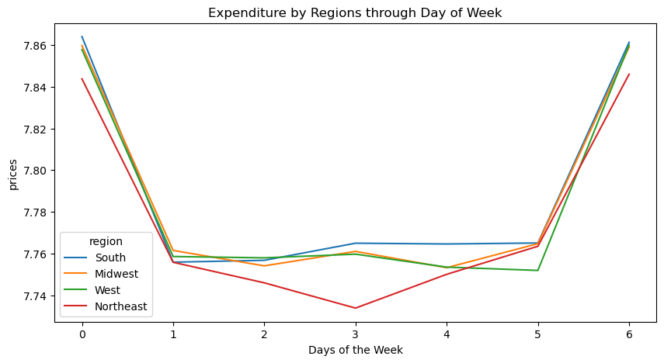

 |  | Expenditure on Friday and Saturday is higher that over the rest of the week.

Simpler price range

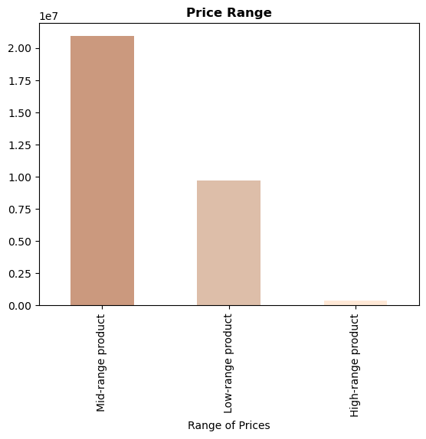

 | Grouping the orders by price of products give us the following insight: a big percentage of orders are of products with a price between 5-15 $, followed by low-range products (under 5 $). The orders of high-range products (more than 15 $) is unusual.

Departments with the highest frequency of product orders

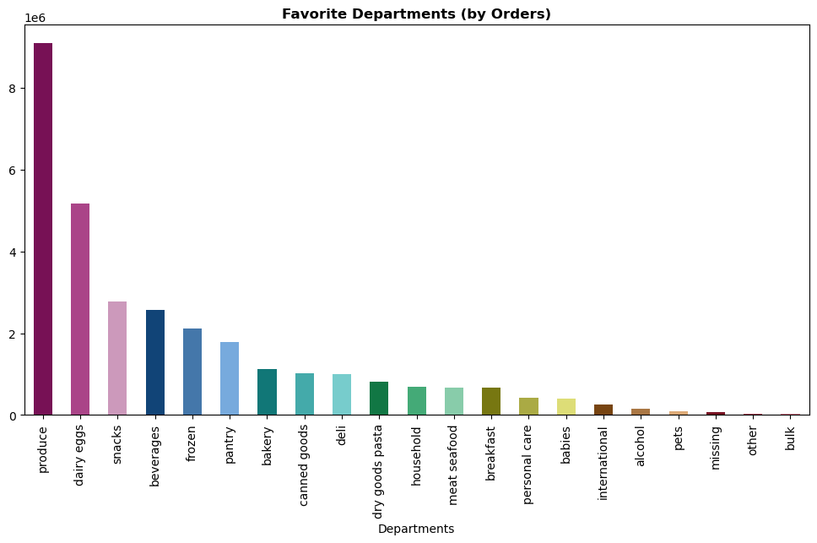

 |  | The most sold products are those from the departments 'Produce', 'Dairy Eggs' and 'Snacks'.

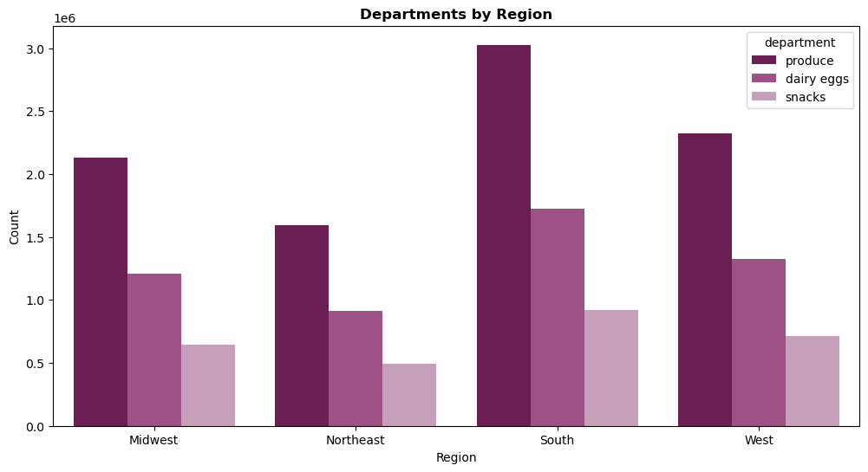

 |  | This preference of products is the same at national level, without regional diferences.

Different types of customers: Loyalty Status

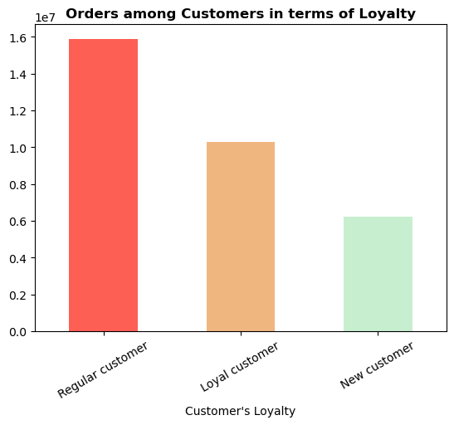

 | A high percentage of customers are regular customers who have between 11 and 40 orders in their records. We consider loyal customers those with more than 40 orders, and new customer those with less than 10 orders.

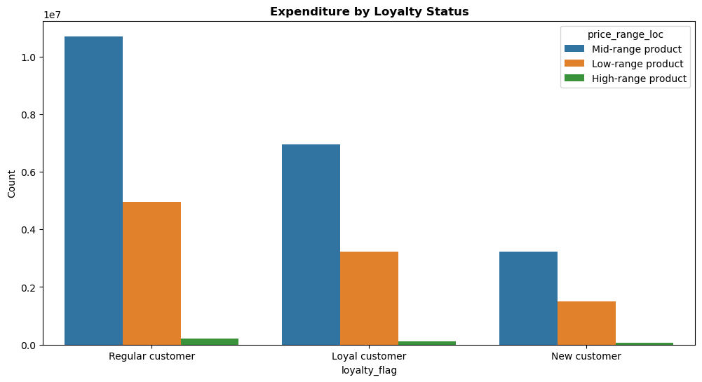

 |  | There are no differences in ordering habits based on a customer’s loyalty status and expenditure.

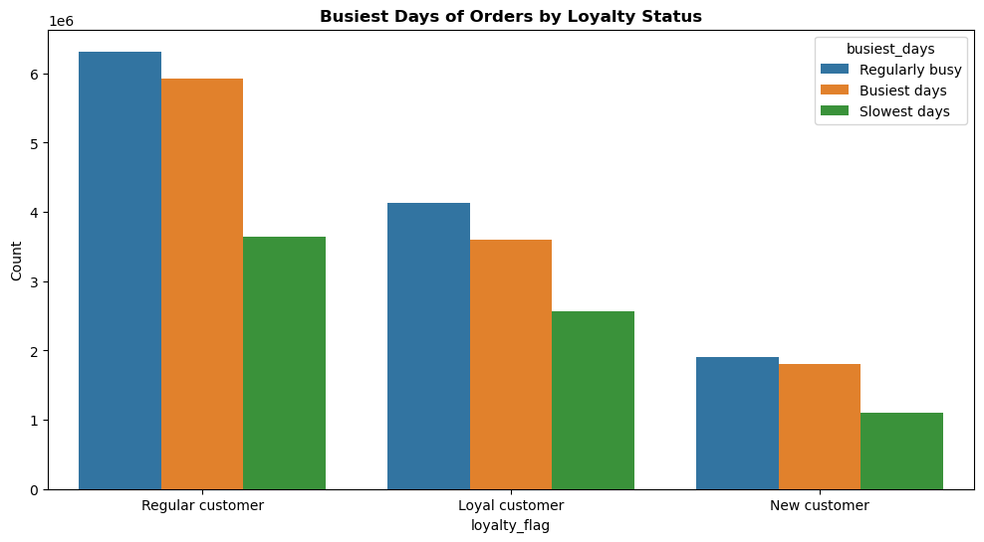

 |  | There are neither differences in ordering habits based on customer's loyalty and the day of the week to order the products.

Different types of customers: Regions
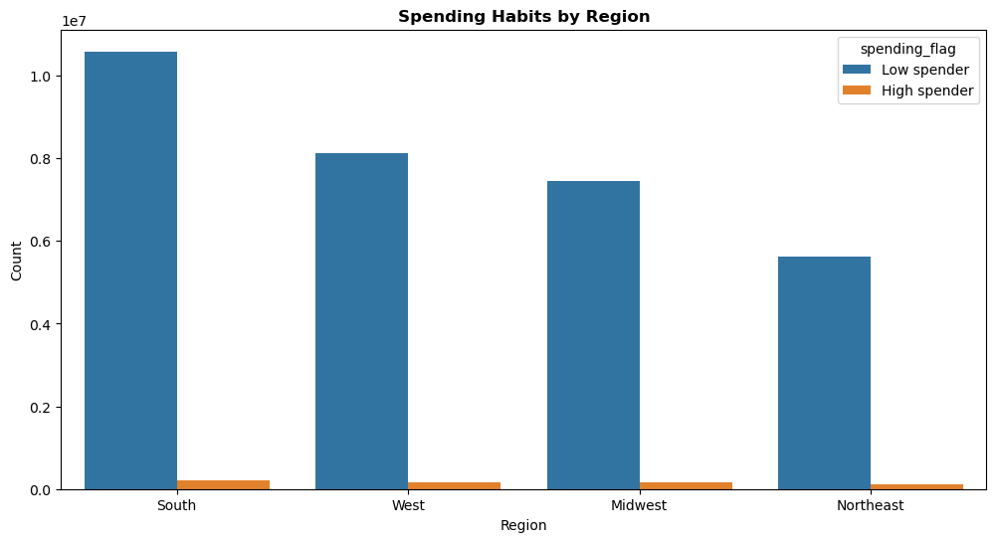

 |  | The higher spender customers are located in the South of the US. On the other hand, the low spender customers are in Northeast. This distribution is hardly surprising given that the South has almost the 40% of the US population, and the Northeast region only the 17% of the population.

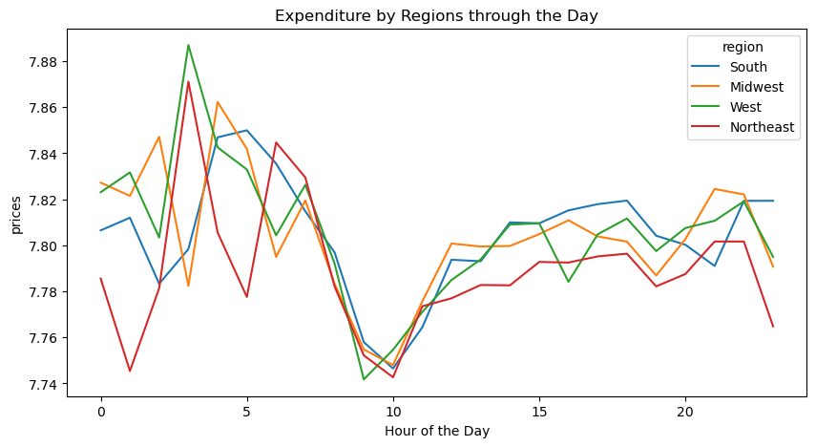

 |  | Analyzing the expenditure by regions through the day give us a better image of the sales by hour. The less busy hours is nationally between 9:00-10:00, but there are some differences regarding the busiest hours in the dawn. West and Northeast have a peak of sales at 3:00h, while South and Midwest have a very low traffic of orders at this time. Their highest number of orders takes place at 5:00-6:00h.

Different types of customers: Age and Family Status

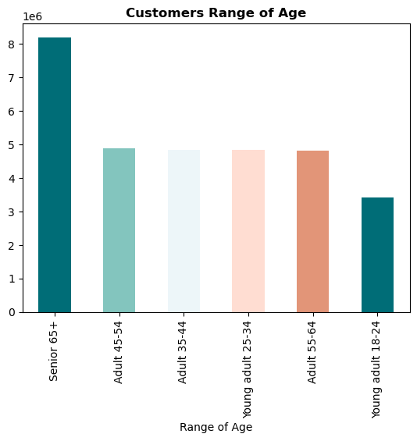

 | An important number of Instacart's customers are seniors over 65 years old. Then, the distribution of customer between 25-64 years is very similar. And the smaller group is represented for customers in the age range 18-24 years old.

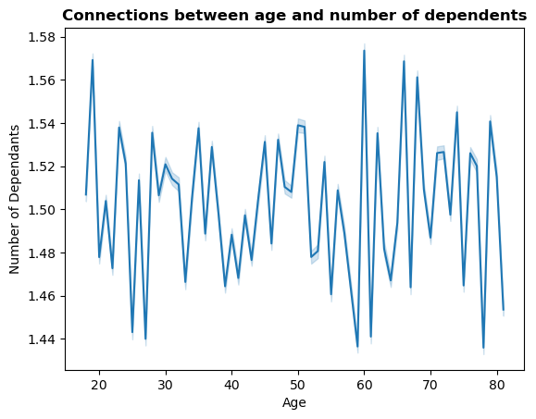

 | There is no connections between age and number of dependants. The average is 1.5 dependants.

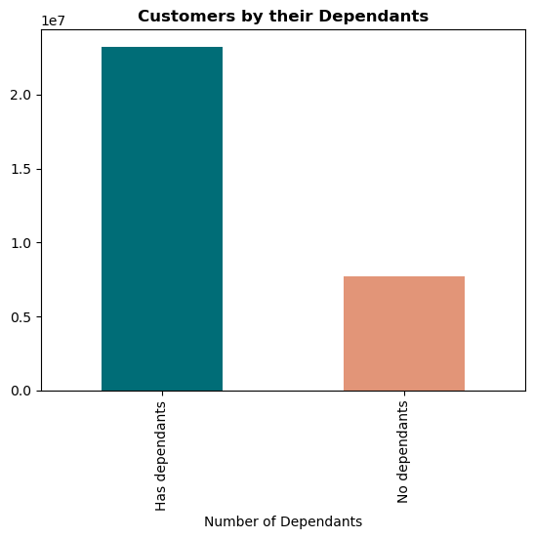

 | A high percentage of customers has responsabilities towards dependants.

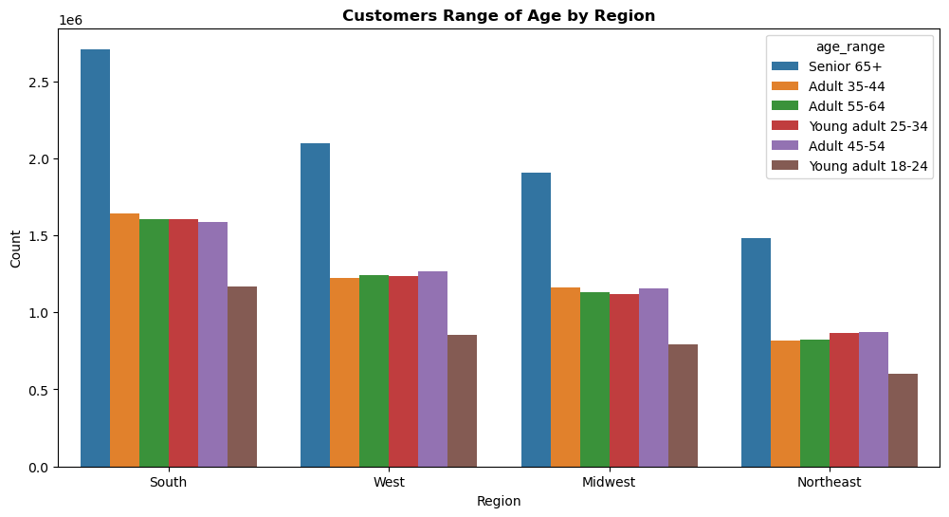

 |  | The customers range of age is similarly distribuited among the regions, being the biggest group the represented by senior over 65, and being the smallest group the represented by your adults between 18-25 years old.

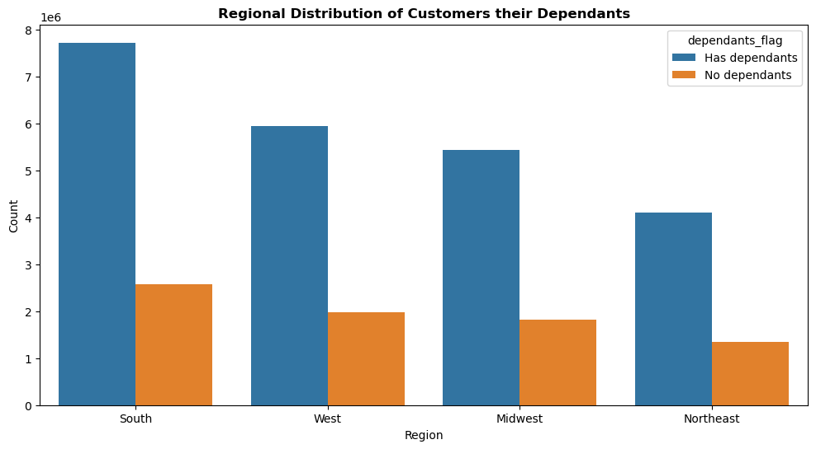

 |  | Regionaly¡ly, we see the same distribution of customers having or not dependants: most of the customers have responsabilities towards dependants.

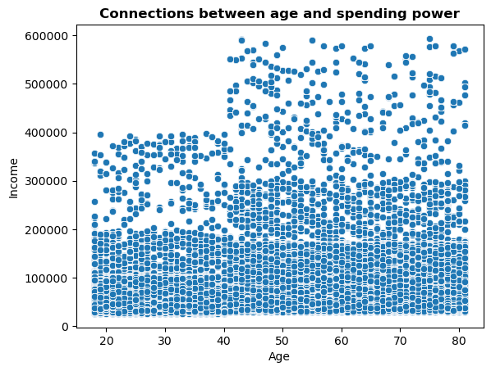

 | Independently of the age, most of the customers have an income under 200,000. In the range 18-40 there are some customers with incomes between 200,000-400,000, and we find only higher incomes (400,000-600,000) above the 40s.

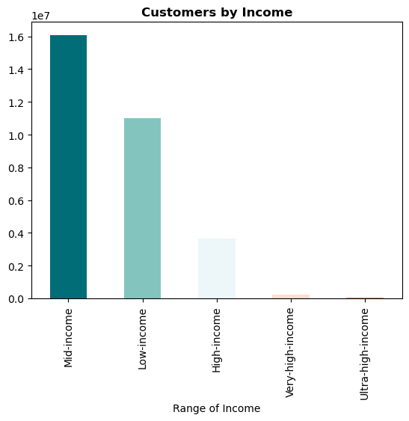

 | Instacart customers are distinguished by a Mid- and Low-income, between 80,000-150,000 $ and 25,000-80,000 $ respectively.

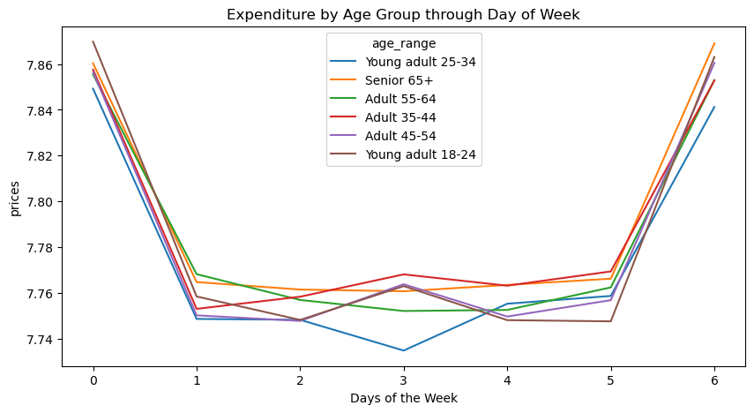

 |  | Regardless of the age, the customers spend more money on Friday and Saturday. Over the week, we find the main difference among the age ranges on Tuesday, when the expenditure for young adults between 25-34 is significantly lower than for other age groups. On the other hand, adults between 35-44 have higher expenditure.

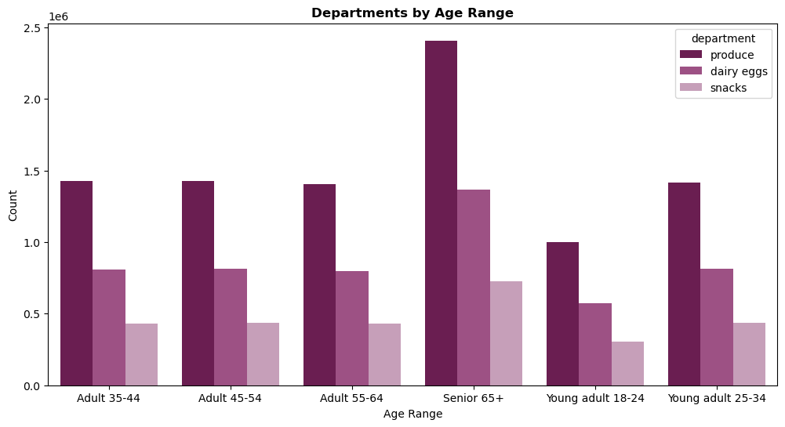

 |  | No further differences regarding the departments of the orders.

 |  |  | Population in Northeast?

7. Recommendations
 |  | Instacart Grocery Basket Analysis

Recommendations

In this tab you should include any recommendations you would made to Instcart in terms of their marketing strategy based on the questions posed in the brief. Every key question has been covered in the Tasks of the Exercises - here you need to add an item - a visualisation or table/crosstable that is showing the answer in the data, acompanied by a comment from you. Please, list the questions below and add the answer underneath.

Question | Recommendation
Key Question 1: The sales team needs to know what the busiest days of the week and hours of the day are in order to schedule ads at times when there are fewer orders. | The sales team should schedule more ads on Tuesday and Wednesday at free-time hours, between 19:00-7:00h, to attract orders.
Key Question 2: They also want to know whether there are particular times of the day when people spend the most money, as this might inform the type of products they advertise at these times. | Curiously, customers spend more money in the dawn, showing the highest peak at 4:00h. With this in mind, the ads to promote the more expensive products should be placed between 1:00-7:00h.
Key Question 3: Marketing and sales want to use simpler price range groupings to help direct their efforts. | The most sold products have a price range between 5-15 $, so marketing and sales should focus the ads on these products.
Key Question 4: Are there certain types of products that are more popular than others? The marketing and sales teams want to know which departments have the highest frequency of product orders. | The most ordered products are from 'Produce', 'Dairy Eggs' and 'Snacks', followed by 'Beverages', 'Frozen' and 'Pantry'.
Key Question 5: What’s the distribution among users in regards to their brand loyalty (i.e., how often do they return to Instacart)? | A high percentage of customers are regular customers who have between 11 and 40 orders in their records. Our loyal customers, those with more than 40 orders, are in the second place, and new customer, those with less than 10 orders, are the less frequent.
Key Question 6: Are there differences in ordering habits based on a customer’s loyalty status? | There are no diferences in ordering habits based on a customer’s loyalty status. It would be beneficial for the company in the long-term to reward the customers to encourage the consumption with special offers or a system of cumulative points redeemable, taking into consideration their loyalty status.
Key Question 7: Are there differences in ordering habits based on a customer’s region? | The regional differences in ordering habits occur in the busiest hours of orders: customers located in West and Northeast order more products at 3:00h, while South and Midwest have their peak of orders a bit later, around 5:00-6:00h. This shoud help to capitalize the ads in the dawn regionally. Regarding the expenditure over the week, the four regions have the higher expenditure on Friday and Saturday. In this regard, the main difference is that customers located in Northeast spend even less than the other customers on Wednesday, undoubtedly the less busy day of the week.
Key Question 8: Is there a connection between age and family status in terms of ordering habits? | The loyalty status is well distribuited among the diferent age groups and there are no significant differences in term of ordering habits.
Key Question 9: What different classifications does the demographic information suggest? Age? Income? Certain types of goods? Family status? | The most common Instacart Customer Profile is senior over 65 years, with dependants, mid-income between 80,000-150,000 $, and interested in 'Produce', 'Dairy Eggs' and 'Snacks'.
Key Question 10: What differences can you find in ordering habits of different customer profiles? Consider the price of orders, the frequency of orders, the products customers are ordering, and anything else you can think of. | The ordering habits are very similar regardless of the customer profile. The only remarkable difference that Instacart should have on mind programming the ads is the expenditure by age group over the week. The expenditure for young adults between 25-34 is significantly lower on Tuesday, while adults between 35-54 have higher expenditure on Tuesday, but spend less on Sunday.

