morning_regime
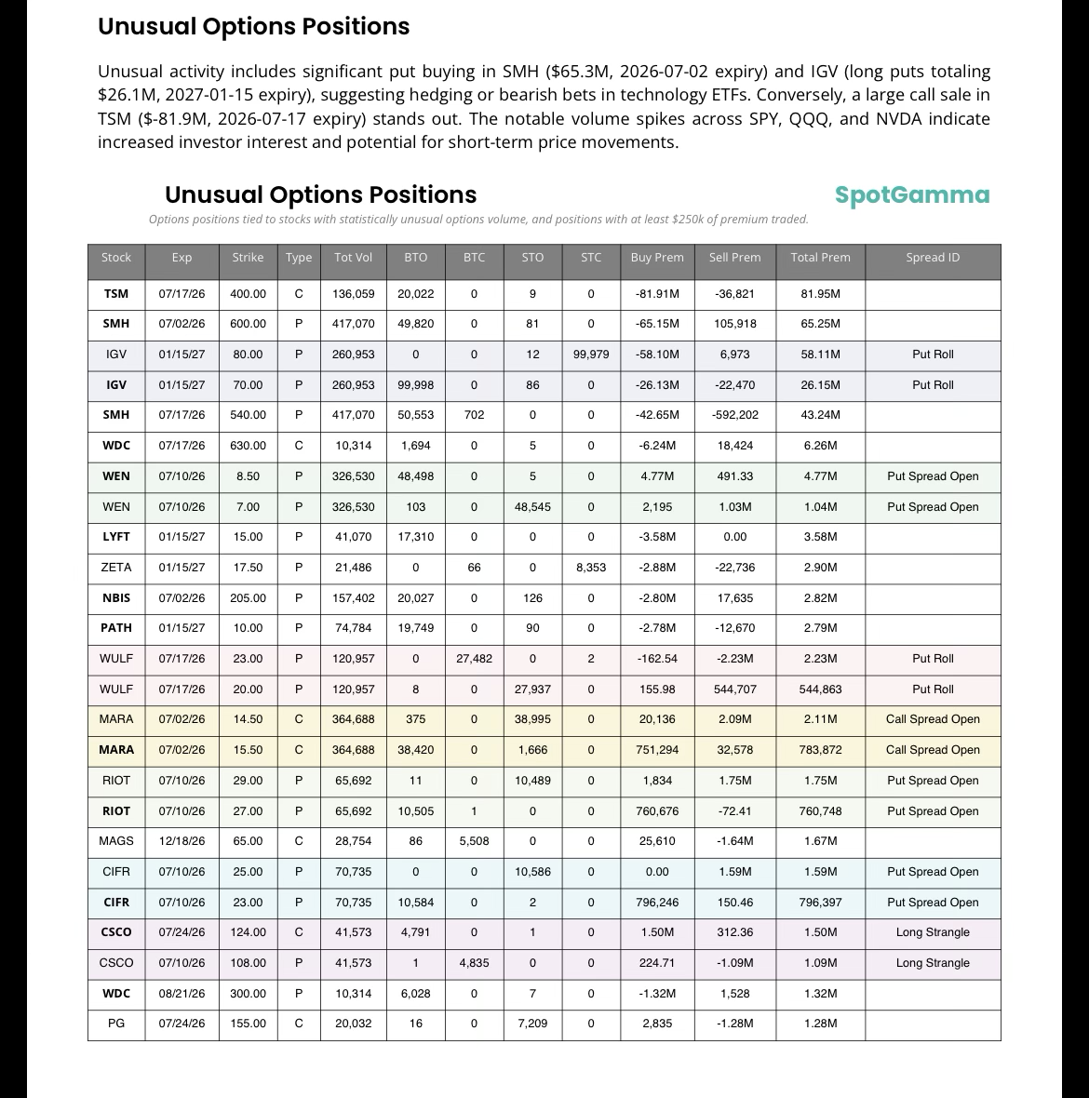
Founder's Note: Mon, June 29, 2026 at 7:00 AM ET
Macro Theme:

Key dates ahead:
* 6/30: JOLTS, Quarterly OPEX

SG Summary:
Update 6/29: The week of 6/29 is starting off on a bullish lean, as SPX is set to open above the Risk Pivot (7,380) into a holiday-shortened week. This short week may allow traders to sell vol, particularly in the QQQ/NDX, which is supportive of stocks. 7,500 remains the big upside target. To the downside, a break of 7,380 implies a test of 7,300.

6/23: Futures are at fr
Key SG levels for the SPX are:
* Resistance: 7,500
* Pivot: 7,380 (bearish <, bullish >) updated 6/25/26
* Support: 7,400, 7,380, 7,300

Founder's Note:
Futures are 80bps higher, indicating the SPX will open >7,400. This is a recovery of our Risk
Pivot.

Overall gamma is more positive now that it was yesterday. This reads as traders took the opportunity into weakness last week to sell put options, providing dealers with positive gamma. Its a holiday-shortened week (Friday is closed for July 4th), which allows traders to step up and sell vol. This tips the edge back to bulls. The big upside zone to watch is into 7,500, a region (black box) that is a +95th %'ile gamma zone (not a strike, but a zone). Further, this not a 0DTE block, but mixed expirations which sets this up to be a key resistance area >=today.

To the downside, there is a soft pocket from 7,380 (Risk
Pivot) down to 7,300, with support in that area. We'll need to keep an eye on oil/rates here, as the Iran deal seems under pressure given some flare ups over the weekend.

