Sheet1
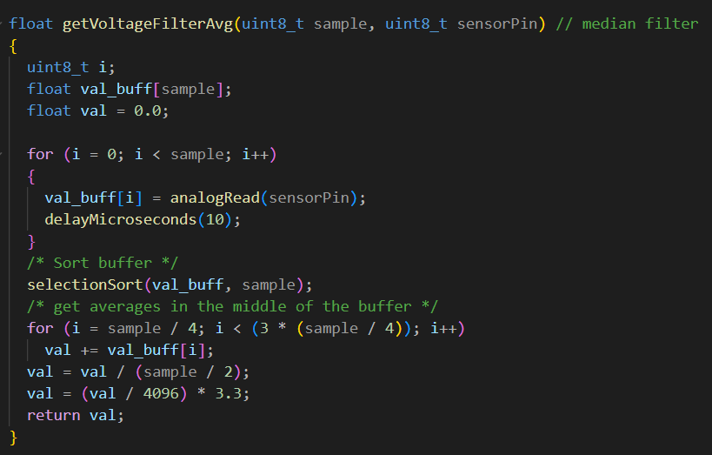
Temp Sensor
Temp Reference | Sensor Reading | Coeff | Accuracy | Response Time
0C | 1.75C | "-0.0022, 1.0842, 1.75" | "-0.6, +0.6" | 2min
100C | 88C
90C | 81.37C

Polymonial Fitting For Temp Sensor (2nd degree) |  |  | Our Code Implemetation
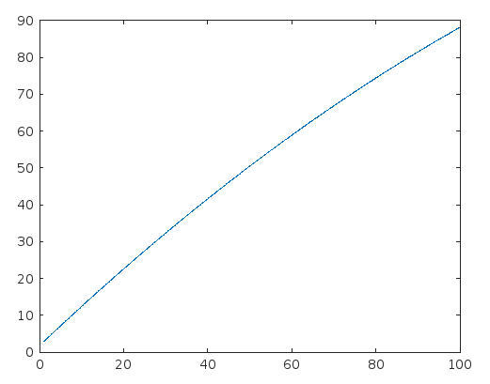

PH Measurements
Chemical | Voltage Output | PH by Lab's PH Sensor | coeff (3 order) | response time | accuracy
6.5 Buffer Solution | 1.28 | 6.59 | "2.9545, -10.3578, 20.7283, -9.3570" | 2 minute | "+ 0.36, -0.36
10 Buffer Solution | 1.66 | 10.58
HCl | 0.66 | 0.65
NaOH | 1.98 | 13.95
Faucet Water | 1.54 | 8.12

Polymonial Fitting For PH Sensor (3rd degree) |  |  |  | Our Code Implementation
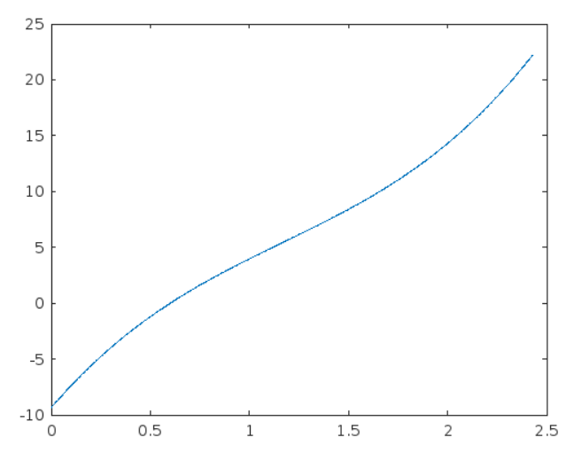

The Turbidity Sensor calibration was done using available calibration on the manufacturer website.
However the calibration on the website was 0 - 5v scale so I scale up the reading from our microcontroller (which is 0 - 3.3v) to 0 - 5v to match the existing calibration
The graph from the manufacturer website |  |  |  |  | Our Code Implementation
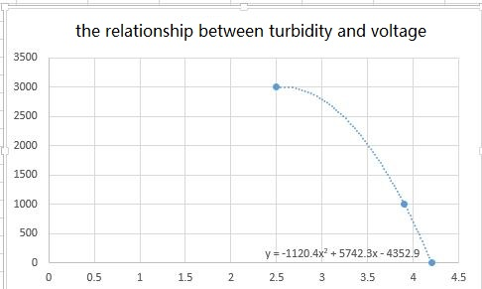

The reading from the TDS (Sotal Dissolved Solid) Sensor was very inconsistent so I decided to not draw any particular line for the sensor, instead I also use the manufacturer calibration
The TDS sensor will act purely as a indicator not a trustworhty measuring equipment
The problem may occur due to the fact that the sensor is designed for 5v reference operation. However, we did not have available resource to tackle the problem so it is yet to be fixed

TDS sensor
Reference Value | Sensor Reading |  |  |  |  | Average
6440 | 2.65 | 2.61 | 2.46 | 2.5 | 2.5 | 2.55
1382 | 1.12 | 1.12 | 1.23 | 1.08 | 1.22 | 1.16
46.2 | 0.13 | 0.13 | 0.11 | 0.12 |  | 0.1225

 | Our code implementation

**** After sampling the signal from the sensors, all samples will be passed through a median filter before getting processed
 |  | Our code implementation

