Лист1
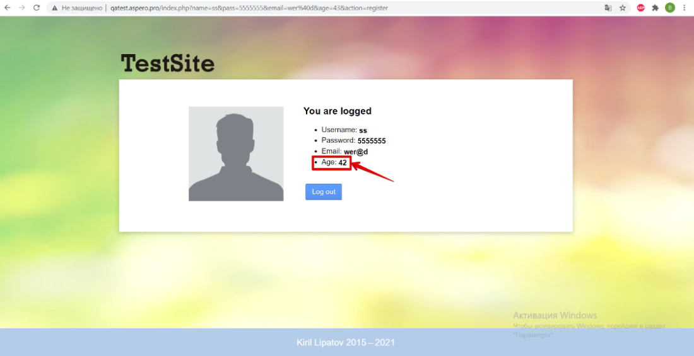
ID | Environment | Summary | Severity | Description | STR | Attachments
1 | Google Chrome 92.0.4515.107 Windows 10 x64 | Age value is displayed less on 1 year in the "You are logged" form after "Register" button clicking | Trivial | Age value is displayed less on 1 year in the "You are logged" form after "Register" button clicking | 1. Open the site http://qatest.aspero.pro/. 2. Fill in all the required fields in the "Create in account" form. 3. Click the "Register" button. 4. Pay attention to the "Age" field.

 |  |  |  |  | Actual result: Age value is displayed less on 1 year in the "You are logged" form after "Register" button clicking.

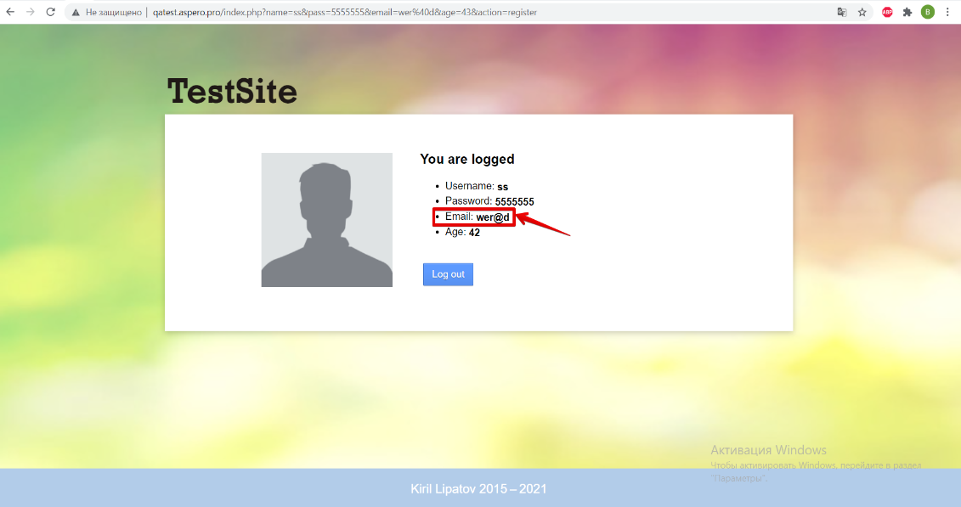
 |  |  |  |  | Expected result : Age value is displayed the same as in the "Age" field in the "Create an account" form.
2 | Google Chrome 92.0.4515.107 Windows 10 x64 | The invalid email address is accepted on the “Create an account” form after entering invalid data into the “Email” field. | Minor | The invalid email address is accepted on the “Create an account” form after entering invalid data into the “Email” field. The bug is also reproduced after "Email" field leaving empty. | 1. Open the site http://qatest.aspero.pro/. 2.Enter the invalid data into the “Email” field (without dot in the domain name). 3. Click the "Register" button. 4. Pay attention to the "Email" field.

 |  |  |  |  | Actual result :The invalid email address is accepted on the “Create an account” form after entering invalid data into the “Email” field.

 |  |  |  |  | Expected result : The error message is displayed on the “Create an account” form after entering invalid data into the “Email” field.
3 | Google Chrome 92.0.4515.107 Windows 10 x64 | The not valid password is accepted on the “Create an account” form after entering invalid data into the “Passwordl” field. | Minor | The not valid password is accepted on the “Create an account” form after entering invalid data into the “Passwordl” field. | 1. Open the site http://qatest.aspero.pro/. 2.Enter the invalid data into the “Password” field (only spaces). 3. Click the "Register" button. 4. Pay attention to the "Password" field. | 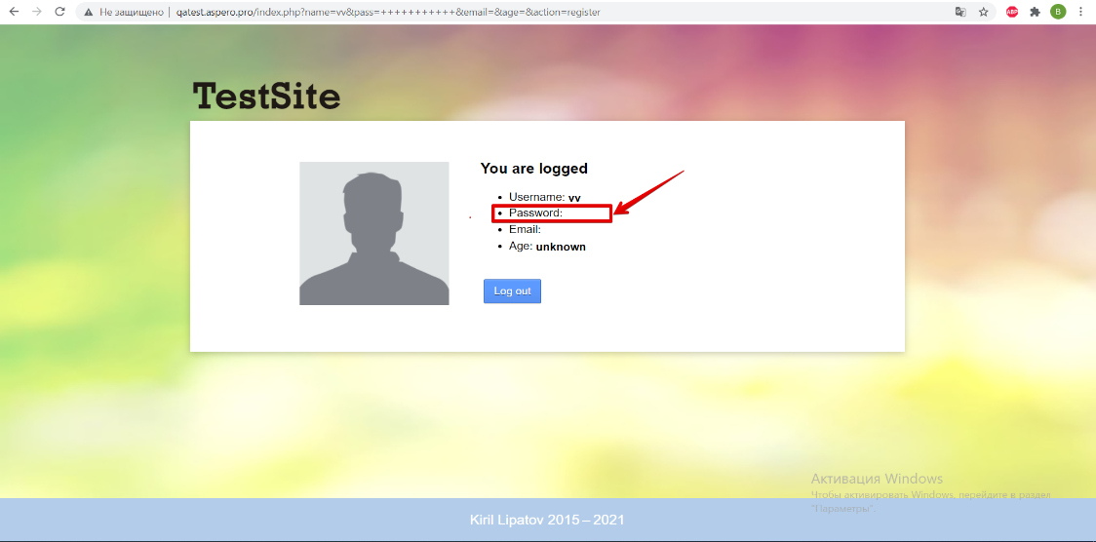

 |  |  |  |  | Actual result :The not valid password is accepted on the “Create an account” form after entering invalid data into the “Password” field.

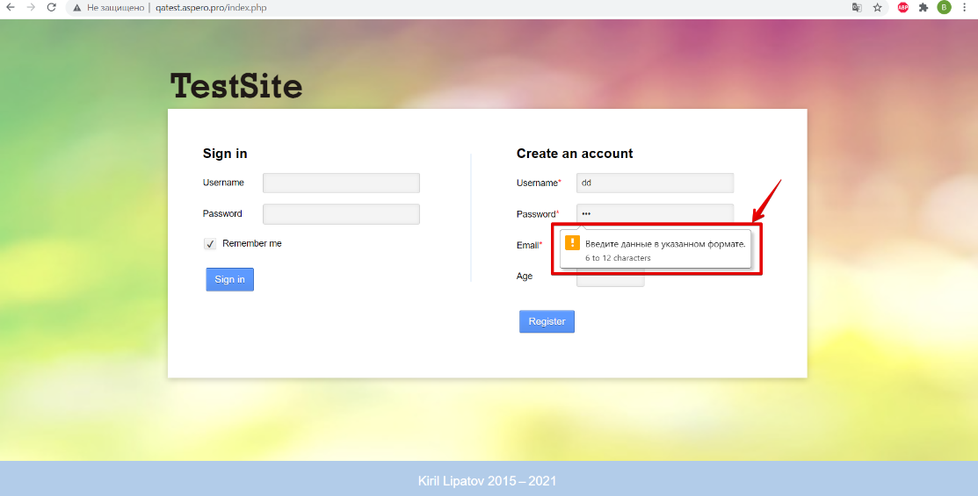
 |  |  |  |  | Expected result : The error message is displayed on the “Create an account” form after entering invalid data into the “Password” field.
4 | Google Chrome 92.0.4515.107 Windows 10 x64 | Cyryllic symbols instead of Latin are displayed in the help form after entering invalid data into the "Password" field | Minor | Cyryllic symbols instead of Latin are displayed in the help form after entering less than 6 symbols or more than 12 symbols into the "Password" field | 1. Open the site http://qatest.aspero.pro/. 2. Enter less than 6 symbols or more than 12 symbols into the “Password” field . 3. Click the "Register" button. 4. Pay attention to the help form.

 |  |  |  |  | Actual result : Cyryllic symbols instead of Latin are displayed in the help form after entering invalid data into the "Password" field

 |  |  |  |  | Expected result : Latin text are displayed in the help form after entering invalid data into the "Password" field
5 | Google Chrome 92.0.4515.107 Windows 10 x64 | Content is shifted down on the main page after 1024x600 resolution choosing | Trivial | Content is shifted down on the main page after 1024x600 resolution choosing. The bug is also reproduced after 1024x768 resolution choosing. | 1. Open the site http://qatest.aspero.pro/. 2. Choose the "Developer Tools" site chapter. 3. Choose the 1024x600 resolution. 4. Pay attention to the main page. | 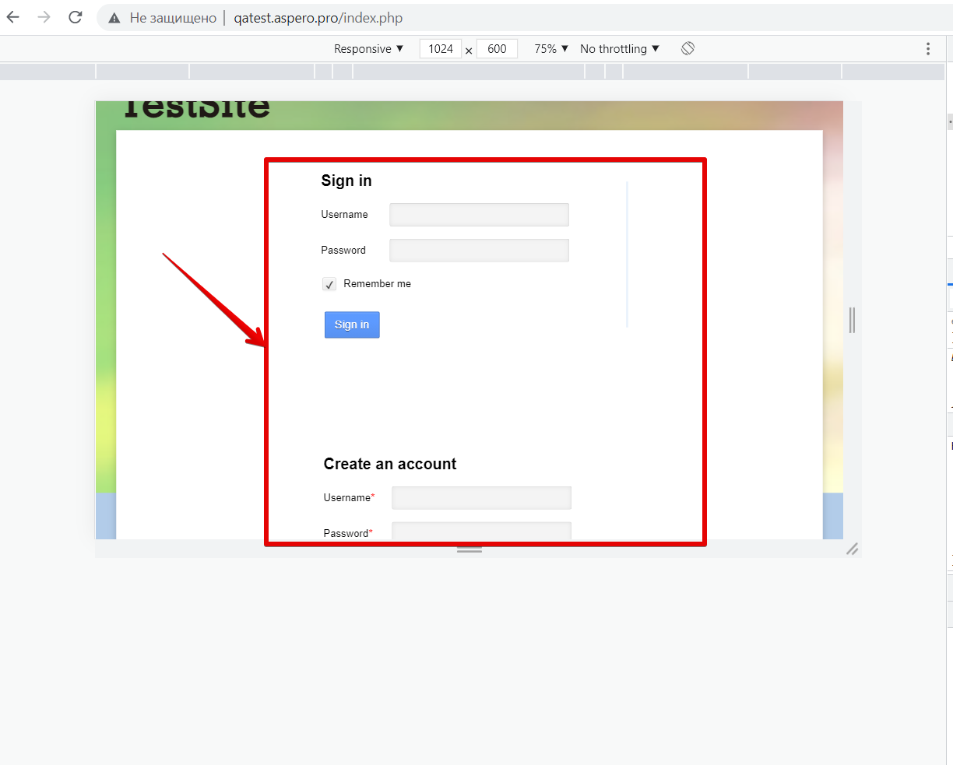

 |  |  |  |  | Actual result : Content is shifted down on the main page after 1024x600 resolution choosing

 |  |  |  |  | Expected result : Content is displayed aligned on the main page after 1024x600 resolution choosing

