Tabelle1
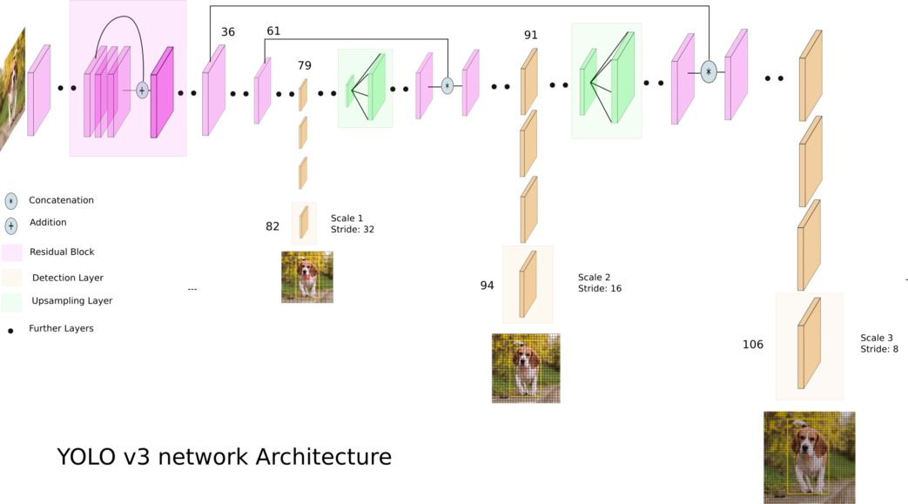
[net]
# Testing
batch=1
subdivisions=1
# Training
# batch=64
# subdivisions=16
width= 416

height = 416
channels=3
momentum=0.9
decay=0.0005
angle=0
saturation = 1.5
exposure = 1.5
hue=.1

learning_rate=0.001
burn_in=1000
max_batches = 500200
policy=steps
steps=400000,450000
scales=.1,.1

1 | [convolutional] | batch_normalize=1 | filters=32 | size=3 | stride=1 | pad=1 | activation=leaky
2 | [convolutional] | batch_normalize=1 | filters=64 | size=3 | stride=2 | pad=1 | activation=leaky
3 | [convolutional] | batch_normalize=1 | filters=32 | size=1 | stride=1 | pad=1 | activation=leaky
4 | [convolutional] | batch_normalize=1 | filters=64 | size=3 | stride=1 | pad=1 | activation=leaky
5 | [shortcut] | from=-3 | activation=linear
6 | [convolutional] | batch_normalize=1 | filters=128 | size=3 | stride=2 | pad=1 | activation=leaky
7 | [convolutional] | batch_normalize=1 | filters=64 | size=1 | stride=1 | pad=1 | activation=leaky
8 | [convolutional] | batch_normalize=1 | filters=128 | size=3 | stride=1 | pad=1 | activation=leaky
9 | [shortcut] | from=-3 | activation=linear
10 | [convolutional] | batch_normalize=1 | filters=64 | size=1 | stride=1 | pad=1 | activation=leaky
11 | [convolutional] | batch_normalize=1 | filters=128 | size=3 | stride=1 | pad=1 | activation=leaky
12 | [shortcut] | from=-3 | activation=linear
13 | [convolutional] | batch_normalize=1 | filters=256 | size=3 | stride=2 | pad=1 | activation=leaky
14 | [convolutional] | batch_normalize=1 | filters=128 | size=1 | stride=1 | pad=1 | activation=leaky
15 | [convolutional] | batch_normalize=1 | filters=256 | size=3 | stride=1 | pad=1 | activation=leaky
16 | [shortcut] | from=-3 | activation=linear
17 | [convolutional] | batch_normalize=1 | filters=128 | size=1 | stride=1 | pad=1 | activation=leaky
18 | [convolutional] | batch_normalize=1 | filters=256 | size=3 | stride=1 | pad=1 | activation=leaky
19 | [shortcut] | from=-3 | activation=linear
20 | [convolutional] | batch_normalize=1 | filters=128 | size=1 | stride=1 | pad=1 | activation=leaky
21 | [convolutional] | batch_normalize=1 | filters=256 | size=3 | stride=1 | pad=1 | activation=leaky
22 | [shortcut] | from=-3 | activation=linear
23 | [convolutional] | batch_normalize=1 | filters=128 | size=1 | stride=1 | pad=1 | activation=leaky
24 | [convolutional] | batch_normalize=1 | filters=256 | size=3 | stride=1 | pad=1 | activation=leaky
25 | [shortcut] | from=-3 | activation=linear
26 | [convolutional] | batch_normalize=1 | filters=128 | size=1 | stride=1 | pad=1 | activation=leaky
27 | [convolutional] | batch_normalize=1 | filters=256 | size=3 | stride=1 | pad=1 | activation=leaky
28 | [shortcut] | from=-3 | activation=linear
29 | [convolutional] | batch_normalize=1 | filters=128 | size=1 | stride=1 | pad=1 | activation=leaky
30 | [convolutional] | batch_normalize=1 | filters=256 | size=3 | stride=1 | pad=1 | activation=leaky
31 | [shortcut] | from=-3 | activation=linear
32 | [convolutional] | batch_normalize=1 | filters=128 | size=1 | stride=1 | pad=1 | activation=leaky
33 | [convolutional] | batch_normalize=1 | filters=256 | size=3 | stride=1 | pad=1 | activation=leaky
34 | [shortcut] | from=-3 | activation=linear
35 | [convolutional] | batch_normalize=1 | filters=128 | size=1 | stride=1 | pad=1 | activation=leaky
36 | [convolutional] | batch_normalize=1 | filters=256 | size=3 | stride=1 | pad=1 | activation=leaky
37 | [shortcut] | from=-3 | activation=linear
38 | [convolutional] | batch_normalize=1 | filters=512 | size=3 | stride=2 | pad=1 | activation=leaky
39 | [convolutional] | batch_normalize=1 | filters=256 | size=1 | stride=1 | pad=1 | activation=leaky
40 | [convolutional] | batch_normalize=1 | filters=512 | size=3 | stride=1 | pad=1 | activation=leaky
41 | [shortcut] | from=-3 | activation=linear
42 | [convolutional] | batch_normalize=1 | filters=256 | size=1 | stride=1 | pad=1 | activation=leaky
43 | [convolutional] | batch_normalize=1 | filters=512 | size=3 | stride=1 | pad=1 | activation=leaky
44 | [shortcut] | from=-3 | activation=linear
45 | [convolutional] | batch_normalize=1 | filters=256 | size=1 | stride=1 | pad=1 | activation=leaky
46 | [convolutional] | batch_normalize=1 | filters=512 | size=3 | stride=1 | pad=1 | activation=leaky
47 | [shortcut] | from=-3 | activation=linear
48 | [convolutional] | batch_normalize=1 | filters=256 | size=1 | stride=1 | pad=1 | activation=leaky
49 | [convolutional] | batch_normalize=1 | filters=512 | size=3 | stride=1 | pad=1 | activation=leaky
50 | [shortcut] | from=-3 | activation=linear
51 | [convolutional] | batch_normalize=1 | filters=256 | size=1 | stride=1 | pad=1 | activation=leaky
52 | [convolutional] | batch_normalize=1 | filters=512 | size=3 | stride=1 | pad=1 | activation=leaky
53 | [shortcut] | from=-3 | activation=linear
54 | [convolutional] | batch_normalize=1 | filters=256 | size=1 | stride=1 | pad=1 | activation=leaky
55 | [convolutional] | batch_normalize=1 | filters=512 | size=3 | stride=1 | pad=1 | activation=leaky
56 | [shortcut] | from=-3 | activation=linear
57 | [convolutional] | batch_normalize=1 | filters=256 | size=1 | stride=1 | pad=1 | activation=leaky
58 | [convolutional] | batch_normalize=1 | filters=512 | size=3 | stride=1 | pad=1 | activation=leaky
59 | [shortcut] | from=-3 | activation=linear
60 | [convolutional] | batch_normalize=1 | filters=256 | size=1 | stride=1 | pad=1 | activation=leaky
61 | [convolutional] | batch_normalize=1 | filters=512 | size=3 | stride=1 | pad=1 | activation=leaky
62 | [shortcut] | from=-3 | activation=linear
63 | [convolutional] | batch_normalize=1 | filters=1024 | size=3 | stride=2 | pad=1 | activation=leaky
64 | [convolutional] | batch_normalize=1 | filters=512 | size=1 | stride=1 | pad=1 | activation=leaky
65 | [convolutional] | batch_normalize=1 | filters=1024 | size=3 | stride=1 | pad=1 | activation=leaky
66 | [shortcut] | from=-3 | activation=linear
67 | [convolutional] | batch_normalize=1 | filters=512 | size=1 | stride=1 | pad=1 | activation=leaky
68 | [convolutional] | batch_normalize=1 | filters=1024 | size=3 | stride=1 | pad=1 | activation=leaky
69 | [shortcut] | from=-3 | activation=linear
70 | [convolutional] | batch_normalize=1 | filters=512 | size=1 | stride=1 | pad=1 | activation=leaky
71 | [convolutional] | batch_normalize=1 | filters=1024 | size=3 | stride=1 | pad=1 | activation=leaky
72 | [shortcut] | from=-3 | activation=linear
73 | [convolutional] | batch_normalize=1 | filters=512 | size=1 | stride=1 | pad=1 | activation=leaky
74 | [convolutional] | batch_normalize=1 | filters=1024 | size=3 | stride=1 | pad=1 | activation=leaky
75 | [shortcut] | from=-3 | activation=linear
76 | [convolutional] | batch_normalize=1 | filters=512 | size=1 | stride=1 | pad=1 | activation=leaky
77 | [convolutional] | batch_normalize=1 | size=3 | stride=1 | pad=1 | filters=1024 | activation=leaky
78 | [convolutional] | batch_normalize=1 | filters=512 | size=1 | stride=1 | pad=1 | activation=leaky
79 | [convolutional] | batch_normalize=1 | size=3 | stride=1 | pad=1 | filters=1024 | activation=leaky
80 | [convolutional] | batch_normalize=1 | filters=512 | size=1 | stride=1 | pad=1 | activation=leaky
81 | [convolutional] | batch_normalize=1 | size=3 | stride=1 | pad=1 | filters=1024 | activation=leaky
82 | [convolutional] | size=1 | stride=1 | pad=1 | filters=255 | activation=linear
83 | [yolo] | mask = 6,7,8 | anchors = 10,13, 16,30, 33,23, 30,61, 62,45, 59,119, 116,90, 156,198, 373,326 | classes=80 | num=9 | jitter=.3 | ignore_thresh = .5 | truth_thresh = 1 | random=1
84 | [route] | layers = -4
85 | [convolutional] | batch_normalize=1 | filters=256 | size=1 | stride=1 | pad=1 | activation=leaky
86 | [upsample] | stride=2
87 | [route] | layers = -1, 61
88 | [convolutional] | batch_normalize=1 | filters=256 | size=1 | stride=1 | pad=1 | activation=leaky
89 | [convolutional] | batch_normalize=1 | size=3 | stride=1 | pad=1 | filters=512 | activation=leaky
90 | [convolutional] | batch_normalize=1 | filters=256 | size=1 | stride=1 | pad=1 | activation=leaky
91 | [convolutional] | batch_normalize=1 | size=3 | stride=1 | pad=1 | filters=512 | activation=leaky
92 | [convolutional] | batch_normalize=1 | filters=256 | size=1 | stride=1 | pad=1 | activation=leaky
93 | [convolutional] | batch_normalize=1 | size=3 | stride=1 | pad=1 | filters=512 | activation=leaky
94 | [convolutional] | size=1 | stride=1 | pad=1 | filters=255 | activation=linear
95 | [yolo] | mask = 3,4,5 | anchors = 10,13, 16,30, 33,23, 30,61, 62,45, 59,119, 116,90, 156,198, 373,326 | classes=80 | num=9 | jitter=.3 | ignore_thresh = .5 | truth_thresh = 1 | random=1
96 | [route] | layers = -4
97 | [convolutional] | batch_normalize=1 | filters=128 | size=1 | stride=1 | pad=1 | activation=leaky
98 | [upsample] | stride=2
99 | [route] | layers = -1, 36
100 | [convolutional] | batch_normalize=1 | filters=128 | size=1 | stride=1 | pad=1 | activation=leaky
101 | [convolutional] | batch_normalize=1 | size=3 | stride=1 | pad=1 | filters=256 | activation=leaky
102 | [convolutional] | batch_normalize=1 | filters=128 | size=1 | stride=1 | pad=1 | activation=leaky
103 | [convolutional] | batch_normalize=1 | size=3 | stride=1 | pad=1 | filters=256 | activation=leaky
104 | [convolutional] | batch_normalize=1 | filters=128 | size=1 | stride=1 | pad=1 | activation=leaky
105 | [convolutional] | batch_normalize=1 | size=3 | stride=1 | pad=1 | filters=256 | activation=leaky
106 | [convolutional] | size=1 | stride=1 | pad=1 | filters=255 | activation=linear
107 | [yolo] | mask = 0,1,2 | anchors = 10,13, 16,30, 33,23, 30,61, 62,45, 59,119, 116,90, 156,198, 373,326 | classes=80 | num=9 | jitter=.3 | ignore_thresh = .5 | truth_thresh = 1 | random=1

Anchor boxes: (x x y) oder anders ausgedrückt (Höhe x Breite)

