Sheet1
Music note in Arduino tone()

 | Frequency (Hz) | Buzzer from sparkfun | Arduino reference | Note
 | 165 |  | NOTE_E3 | Mi-
 | 175 |  | NOTE_F3 | Fa-
 | 196 |  | NOTE_G3 | Sol-
 | 220 |  | NOTE_A3 | La-
 | 247 |  | NOTE_B3 | Si-
 | 262 | c | NOTE_C4 | Do
 | 294 | d | NOTE_D4 | Re | pin
 | 330 | e | NOTE_E4 | Mi | 2
 | 349 | f | NOTE_F4 | Fa | 3
 | 392 | g | NOTE_G4 | Sol | 4
 | 440 | a | NOTE_A4 | La | 5
 | 494 | b | NOTE_B4 | Si | 6
 | 523 | C | NOTE_C5 | Do+ | 7
 | 587 | D | NOTE_D5 | Re+ | 8
 | 659 | E | NOTE_E5 | Mi+
 | 698 | F | NOTE_F5 | Fa+
 | 784 | G | NOTE_G5 | Sol+
 | 880 | A | NOTE_A5 | La+
 | 988 | B | NOTE_B5 | Si+

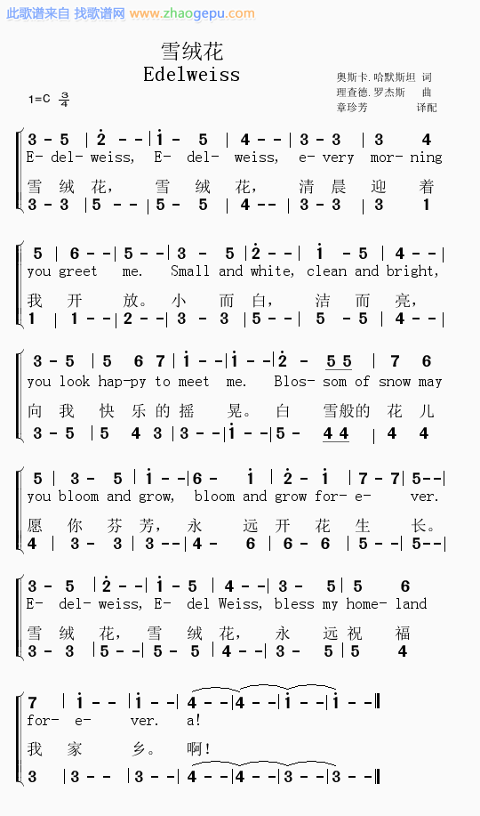
 |  |  |  |  |  | Edelweiss |  |  | 1: whole note; 2: half note; 4: quarter note; 8: eighth note
 |  |  |  |  |  | Note |  | Copy to source | beat | tempo | Copy to source
 |  |  |  |  |  | 3 | NOTE_E4 | NOTE_E4, | 2 | 4 | 4,
 |  |  |  |  |  | 5 | NOTE_G4 | NOTE_G4, | 4 | 2 | 2,
 |  |  |  |  |  | 2+ | NOTE_D5 | NOTE_D5, | 1 | 8 | 8,
 |  |  |  |  |  | 1+ | NOTE_C5 | NOTE_C5, | 2 | 4 | 4,
 |  |  |  |  |  | 5 | NOTE_G4 | NOTE_G4, | 4 | 2 | 2,
 |  |  |  |  |  | 4 | NOTE_F4 | NOTE_F4, | 1 | 8 | 8,
 |  |  |  |  |  | 3 | NOTE_E4 | NOTE_E4, | 2 | 4 | 4,
 |  |  |  |  |  | 3 | NOTE_E4 | NOTE_E4, | 4 | 2 | 2,
 |  |  |  |  |  | 3 | NOTE_E4 | NOTE_E4, | 4 | 2 | 2,
 |  |  |  |  |  | 4 | NOTE_F4 | NOTE_F4, | 4 | 2 | 2,
 |  |  |  |  |  | 5 | NOTE_G4 | NOTE_G4, | 4 | 2 | 2,
 |  |  |  |  |  | 6 | NOTE_A4 | NOTE_A4, | 1 | 8 | 8,
 |  |  |  |  |  | 5 | NOTE_G4 | NOTE_G4, | 1 | 8 | 8,
 |  |  |  |  |  | 3 | NOTE_E4 | NOTE_E4, | 2 | 4 | 4,
 |  |  |  |  |  | 5 | NOTE_G4 | NOTE_G4, | 4 | 2 | 2,
 |  |  |  |  |  | 2+ | NOTE_D5 | NOTE_D5, | 1 | 8 | 8,
 |  |  |  |  |  | 1+ | NOTE_C5 | NOTE_C5, | 2 | 4 | 4,
 |  |  |  |  |  | 5 | NOTE_G4 | NOTE_G4, | 4 | 2 | 2,
 |  |  |  |  |  | 4 | NOTE_F4 | NOTE_F4, | 1 | 8 | 8,
 |  |  |  |  |  | 3 | NOTE_E4 | NOTE_E4, | 2 | 4 | 4,
 |  |  |  |  |  | 5 | NOTE_G4 | NOTE_G4, | 4 | 2 | 2,
 |  |  |  |  |  | 5 | NOTE_G4 | NOTE_G4, | 4 | 2 | 2,
 |  |  |  |  |  | 6 | NOTE_A4 | NOTE_A4, | 4 | 2 | 2,
 |  |  |  |  |  | 7 | NOTE_B4 | NOTE_B4, | 4 | 2 | 2,
 |  |  |  |  |  | 1+ | NOTE_C5 | NOTE_C5, | 1 | 8 | 8,
 |  |  |  |  |  | 1+ | NOTE_C5 | NOTE_C5, | 1 | 8 | 8,
 |  |  |  |  |  | 2+ | NOTE_D5 | NOTE_D5, | 2 | 4 | 4,
 |  |  |  |  |  | 5 | NOTE_G4 | NOTE_G4, | 8 | 1 | 1,
 |  |  |  |  |  | 5 | NOTE_G4 | NOTE_G4, | 8 | 1 | 1,
 |  |  |  |  |  | 7 | NOTE_B4 | NOTE_B4, | 4 | 2 | 2,
 |  |  |  |  |  | 6 | NOTE_A4 | NOTE_A4, | 4 | 2 | 2,
 |  |  |  |  |  | 5 | NOTE_G4 | NOTE_G4, | 4 | 2 | 2,
 |  |  |  |  |  | 3 | NOTE_E4 | NOTE_E4, | 2 | 4 | 4,
 |  |  |  |  |  | 5 | NOTE_G4 | NOTE_G4, | 4 | 2 | 2,
 |  |  |  |  |  | 1+ | NOTE_C5 | NOTE_C5, | 1 | 8 | 8,
 |  |  |  |  |  | 6 | NOTE_A4 | NOTE_A4, | 2 | 4 | 4,
 |  |  |  |  |  | 1+ | NOTE_C5 | NOTE_C5, | 4 | 2 | 2,
 |  |  |  |  |  | 2+ | NOTE_D5 | NOTE_D5, | 2 | 4 | 4,
 |  |  |  |  |  | 1+ | NOTE_C5 | NOTE_C5, | 4 | 2 | 2,
 |  |  |  |  |  | 7 | NOTE_B4 | NOTE_B4, | 2 | 4 | 4,
 |  |  |  |  |  | 7 | NOTE_B4 | NOTE_B4, | 4 | 2 | 2,
 |  |  |  |  |  | 5 | NOTE_G4 | NOTE_G4, | 1 | 8 | 8,
 |  |  |  |  |  | 3 | NOTE_E4 | NOTE_E4, | 2 | 4 | 4,
 |  |  |  |  |  | 5 | NOTE_G4 | NOTE_G4, | 4 | 2 | 2,
 |  |  |  |  |  | 2+ | NOTE_D5 | NOTE_D5, | 1 | 8 | 8,
 |  |  |  |  |  | 1+ | NOTE_C5 | NOTE_C5, | 2 | 4 | 4,
 |  |  |  |  |  | 5 | NOTE_G4 | NOTE_G4, | 4 | 2 | 2,
 |  |  |  |  |  | 4 | NOTE_F4 | NOTE_F4, | 1 | 8 | 8,
 |  |  |  |  |  | 3 | NOTE_E4 | NOTE_E4, | 2 | 4 | 4,
 |  |  |  |  |  | 5 | NOTE_G4 | NOTE_G4, | 4 | 2 | 2,
 |  |  |  |  |  | 5 | NOTE_G4 | NOTE_G4, | 4 | 2 | 2,
 |  |  |  |  |  | 6 | NOTE_A4 | NOTE_A4, | 4 | 2 | 2,
 |  |  |  |  |  | 7 | NOTE_B4 | NOTE_B4, | 4 | 2 | 2,
 |  |  |  |  |  | 1+ | NOTE_C5 | NOTE_C5, | 1 | 8 | 8,
 |  |  |  |  |  | 1+ | NOTE_C5 | NOTE_C5, | 1 | 8 | 8,
 |  |  |  |  |  | 4 | NOTE_F4 | NOTE_F4, | 1 | 8 | 8,
 |  |  |  |  |  | 4 | NOTE_F4 | NOTE_F4, | 1 | 8 | 8,
 |  |  |  |  |  | 1+ | NOTE_C5 | NOTE_C5, | 1 | 8 | 8,
 |  |  |  |  |  | 1+ | NOTE_C5 | NOTE_C5, | 1 | 8 | 8,

