Workflow Analysis
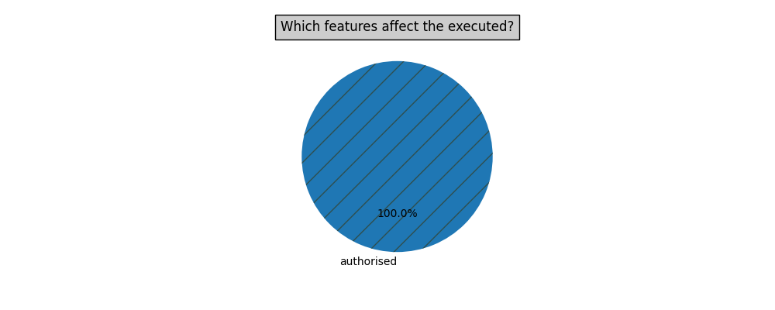
 | name | authorised | annotation | last updated | executed | predicted executed
0 | Demo Workflow | 0 | Annotat. 1 | 2017 | 0 | 0

Task Analysis
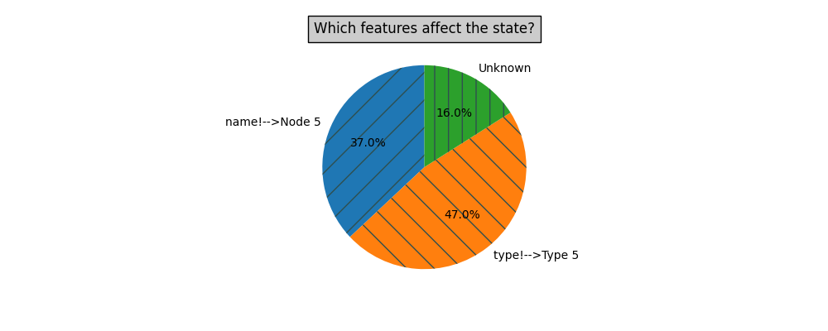
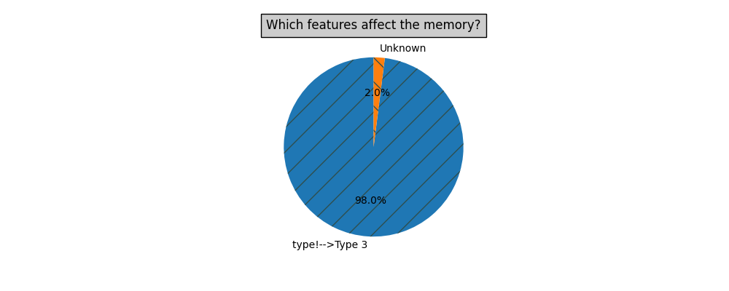
 | id | name | type | state | predicted state | memory | predicted memory | successors.0.id | successors.1.id | workflow_name
0 | 1 | Node 1 | Type 1 | EXECUTED | EXECUTED | 23 | 24.124909434 | 2 | 4 | Demo Workflow
1 | 2 | Node 2 | Type 3 | EXECUTED | EXECUTED | 50 | 50.508204589 | 3 |  | Demo Workflow
2 | 3 | Node 3 | Type 3 | EXECUTED | EXECUTED | 51 | 52.454333284 | 5 |  | Demo Workflow
3 | 4 | Node 4 | Type 4 | EXECUTED | EXECUTED | 29 | 29 | 5 |  | Demo Workflow
4 | 5 | Node 5 | Type 5 | IDLE | IDLE | 30 | 28.557249615 |  |  | Demo Workflow

