Charts
Overall Market Share by Category
 | Value market Share
FMCG | 0.0%
DPH | 14.9%
GROCERY | 29.6%
FRESH GOODS | 34.2%
BEVERAGES | 16.7%
FROZEN GOODS | 4.6%
Market Share by Specific Category
 | Value market Share
Home Care | 5.80%
Personal Care | 7.00%
Paper Product | 2.00%
Salted Grocery | 12.60%
Savoury Grocery | 17.00%
Dairy Products | 16.10%
Non Dairy Products | 18.10%
Alchoholic Beverages | 10.00%
Non Alchoholic Beverages | 6.70%
Salted Frozen Goods | 3.40%
Sugared Frozen Goods | 1.20%

Category Value Sales & Sales Volume % Growth | Total Coverage | MAT TY
 | Value Sales Growth | Sales Volume Change
Home Care | 2.7% | 0.20%
Personal Care | 1.5% | 1.30%
Paper Product | -0.3% | -2.00%
Salted Grocery | 1.6% | 0.30%
Savoury Grocery | 2.5% | 0.90%
Dairy Products | 0.6% | -0.10%
Non Dairy Products | 5.0% | 3.10%
Alchoholic Beverages | 7.1% | 4.40%
Non Alchoholic Beverages | 3.5% | 2.60%
Salted Frozen Goods | 2.9% | 2.30%
Sugared Frozen Goods | 5.6% | 4.60%

Market Share | HMSM
Other Spirits | 93%
Vodka | 7%
Total Spirits Sales - €4.28 Billion
Total Vodka Sales - €0.29 Billion
Value Sales Increase (Spirits) - €0.21 Billion
Value Sales Increase (Vodka) - €0.03 Billion
% Growth (Spirits) - 5.2%
% Growth (Vodka) - 12.4%

Penetration
9.1% (+0.1pt)

Frequency
5 (+11%)

AWOP
4.3 L (+12%)

Vodka Sector Performance
Value % Chg vs Volume % Chg & Value Sales (€M)

 | Value Sales Growth% | Volume % Change
ARO | 61.1% | 43%
NATURE | 9.5% | 8%
 | Actual Value sales (MAT-1) in millions | Actual Value sales (MAT) in millions
ARO | € 15.06 | € 24.27
NATURE | € 251.14 | € 274.94

Since value growth is greater than the volume growth for the categories which indicates the increase in price per L or decrease in promotions for the vodka category.

Total ARO Sales - €24.27 Million
Value Sales Increase (ARO) - €9.206 Million
% Growth (ARO) - 61%
Total NATURE Sales - €274.94 Million
Value Sales Increase (NATURE) - €23.795 Million
% Growth (NATURE) - 9%

Penetration (ARO)
1.5% (+0.6pt)
Penetration (NATURE)
8.4% (-0.4pt)

Frequency (ARO)
1.8 (-16%)
Frequency (NATURE)
5.1 (+12%)

AWOP (ARO)
1.3 L (-24%)
AWOP (NATURE)
4.5 L (+18%)

Key Players Performance in ARO Category


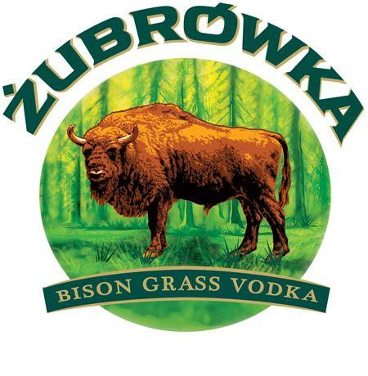

Value Sales
€7.99 m
€7.94 m
€4.63 m
€1.47 m

Growth/Decline:
Value % Chg
+15 %
+39 %
+314 %
+409 %

Growth/Decline:
Actual Value
€1.05 m
€2.23 m
€3.51 m
€1.18 m

Value Share:
MAT vs MAT-1

Market Share
32.9 %
32.7 %
19.1 %
6.0 %

Penetration Rate
0.6 %
(+0.1pt)
0.1 %
(-0.1pt)
NA
0.3 %
(+0.2pt)

Frequency
1.7
(+21%)
1.6
(+23%)
NA
1.5
(+54%)

