Camera Detections
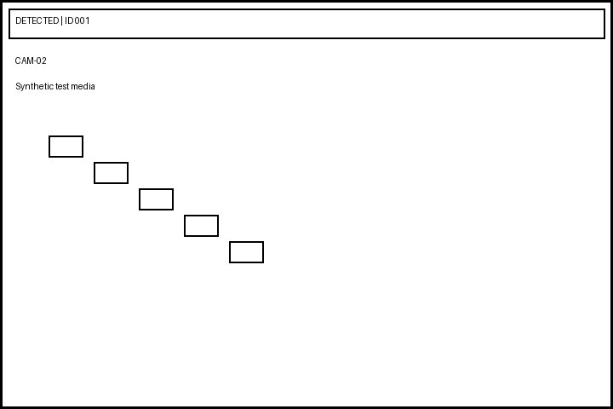
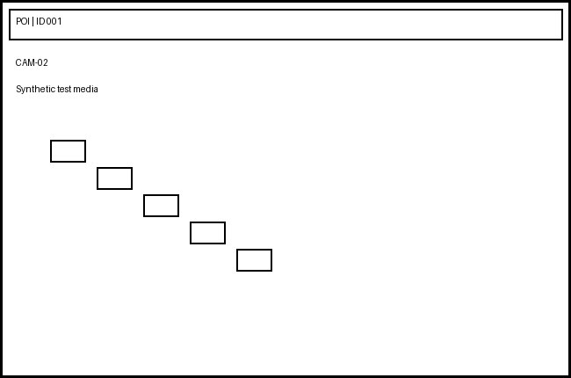

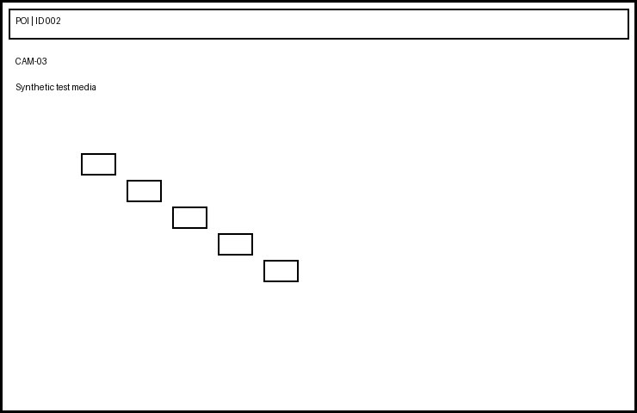
Index | Date & Time | Video Information | Detected Face | POI Image | Case ID | Location | Operator | Confidence | Remarks
1 | 01:07:13 - 01:07:16 | CAMERA_02(10.42.115.111).mp4 |  |  | CASE-0001 | Main Road | Operator-2 | 0.71 | Synthetic test record
2 | 02:14:26 - 02:14:29 | CAMERA_03(10.42.115.112).avi |  |  | CASE-0002 | East Gate | Operator-3 | 0.72 | Synthetic test record
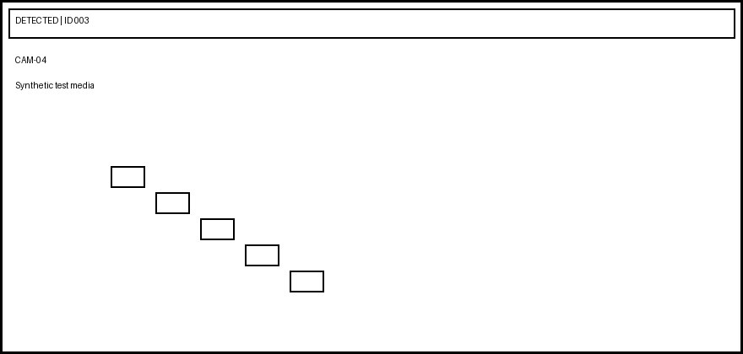

3 | 03:21:39 - 03:21:42 | CAMERA_04(10.42.115.113).mkv |  |  | CASE-0003 | Parking | Operator-4 | 0.73 | Synthetic test record
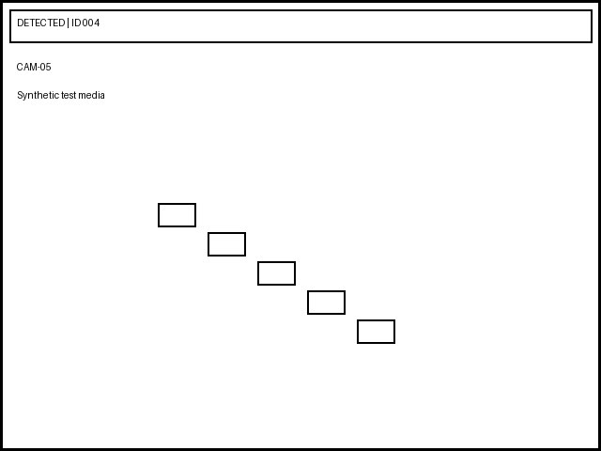

4 | 04:28:52 - 04:28:55 | CAMERA_05(10.42.115.114).mp4 |  |  | CASE-0004 | West Gate | Operator-5 | 0.74 | Synthetic test record
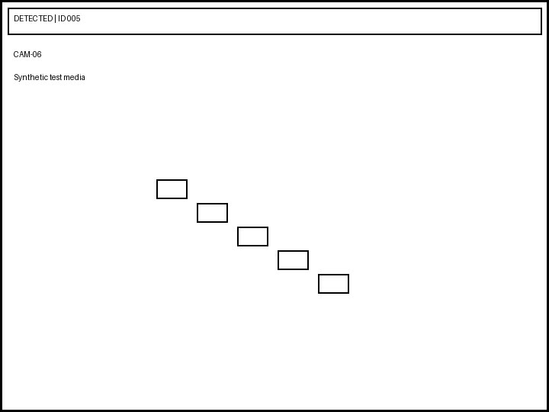
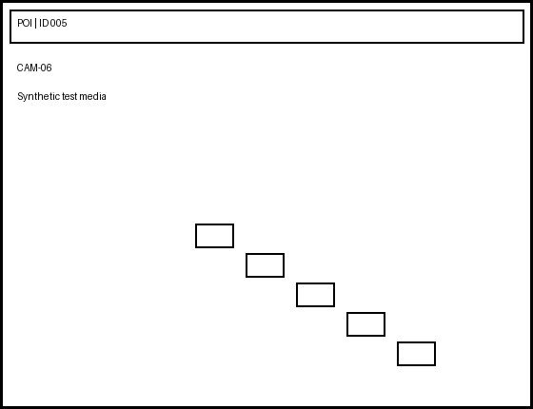
5 | 05:35:05 - 05:35:08 | CAMERA_06(10.42.115.115).avi |  |  | CASE-0005 | North Gate | Operator-6 | 0.75 | Synthetic test record
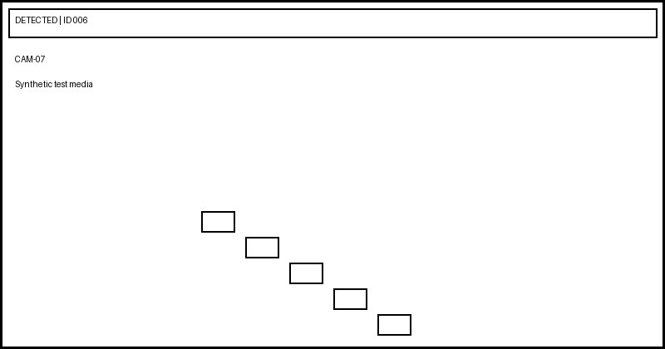
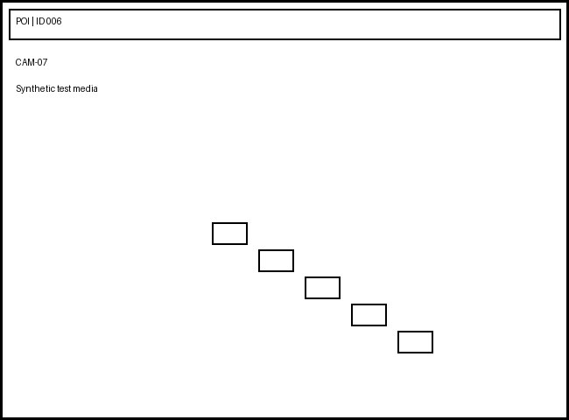
6 | 06:42:18 - 06:42:21 | CAMERA_07(10.42.115.116).mkv |  |  | CASE-0006 | Main Road | Operator-1 | 0.76 | Synthetic test record
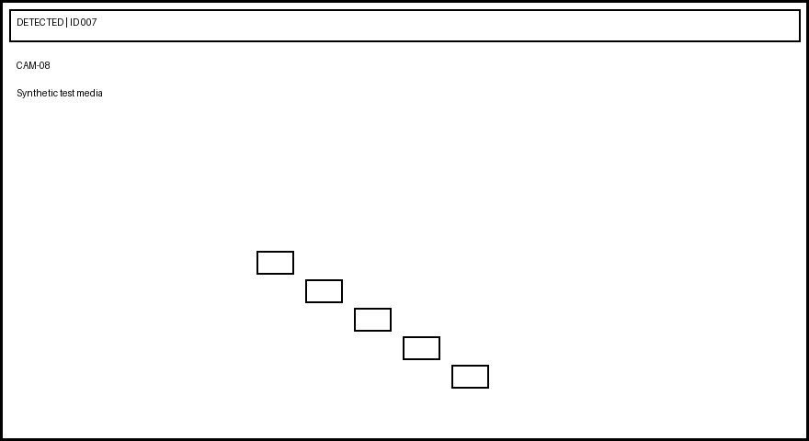
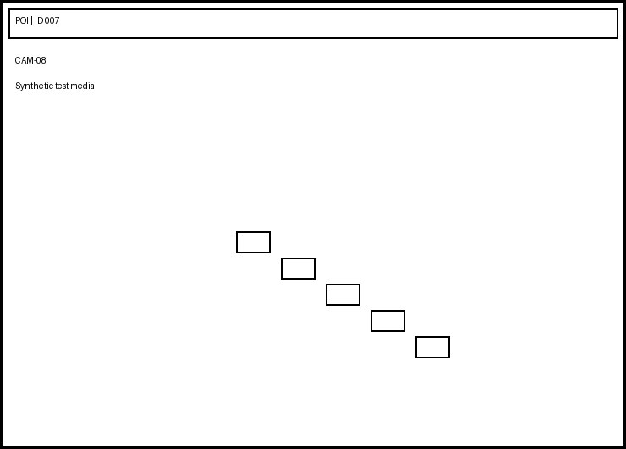
7 | 07:49:31 - 07:49:34 | CAMERA_08(10.42.115.117).mp4 |  |  | CASE-0007 | East Gate | Operator-2 | 0.77 | Synthetic test record
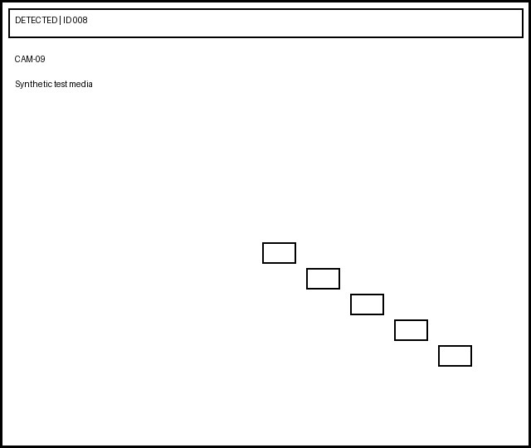
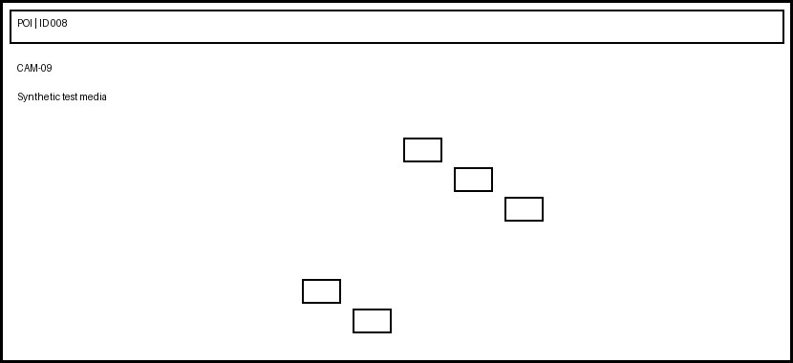
8 | 08:56:44 - 08:56:47 | CAMERA_09(10.42.115.118).avi |  |  | CASE-0008 | Parking | Operator-3 | 0.78 | Synthetic test record
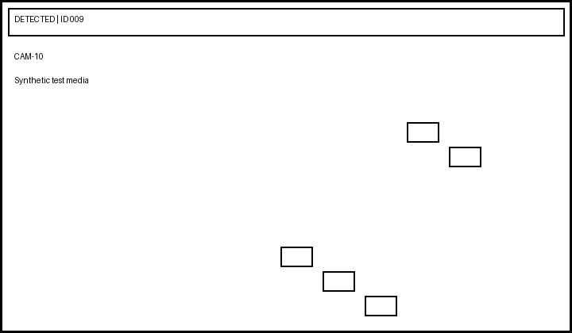
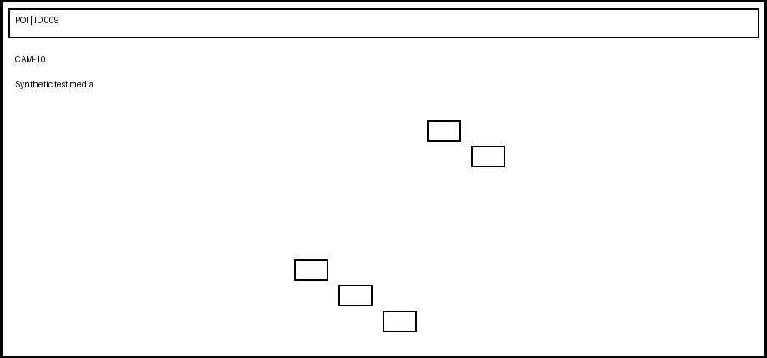
9 | 09:03:57 - 09:03:00 | CAMERA_10(10.42.115.119).mkv |  |  | CASE-0009 | West Gate | Operator-4 | 0.79 | Synthetic test record
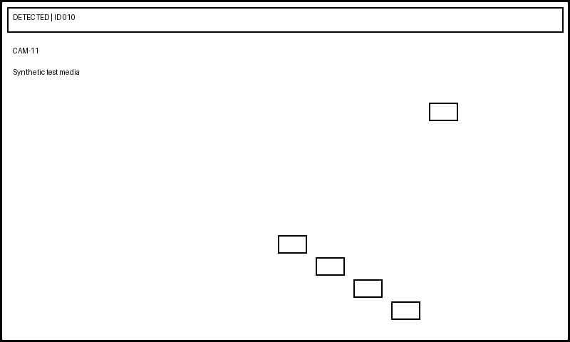
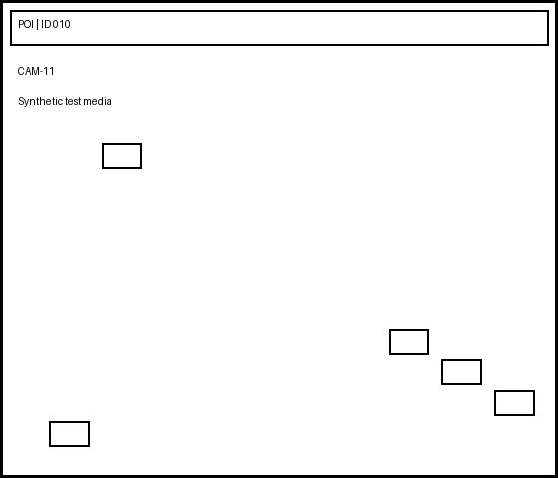
10 | 10:10:10 - 10:10:13 | CAMERA_11(10.42.115.120).mp4 |  |  | CASE-0010 | North Gate | Operator-5 | 0.80 | Synthetic test record

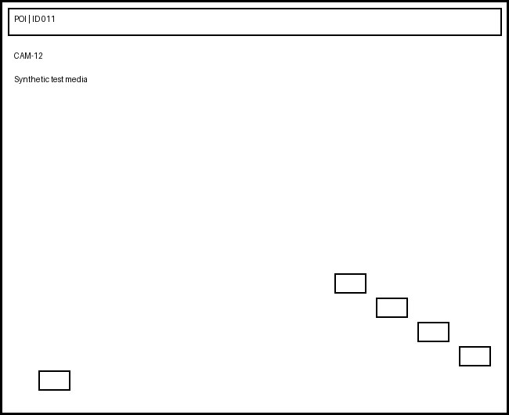
11 | 11:17:23 - 11:17:26 | CAMERA_12(10.42.115.121).avi |  |  | CASE-0011 | Main Road | Operator-6 | 0.81 | Synthetic test record


12 | 12:24:36 - 12:24:39 | CAMERA_01(10.42.115.122).mkv |  |  | CASE-0012 | East Gate | Operator-1 | 0.82 | Synthetic test record


13 | 13:31:49 - 13:31:52 | CAMERA_02(10.42.115.123).mp4 |  |  | CASE-0013 | Parking | Operator-2 | 0.83 | Synthetic test record


14 | 14:38:02 - 14:38:05 | CAMERA_03(10.42.115.124).avi |  |  | CASE-0014 | West Gate | Operator-3 | 0.84 | Synthetic test record

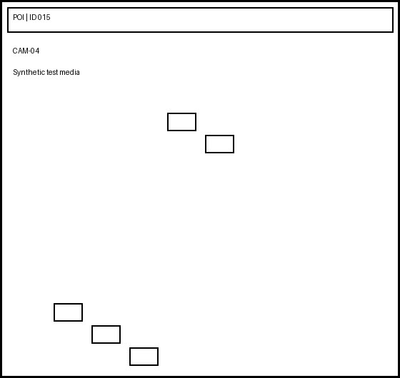
15 | 15:45:15 - 15:45:18 | CAMERA_04(10.42.115.125).mkv |  |  | CASE-0015 | North Gate | Operator-4 | 0.85 | Synthetic test record
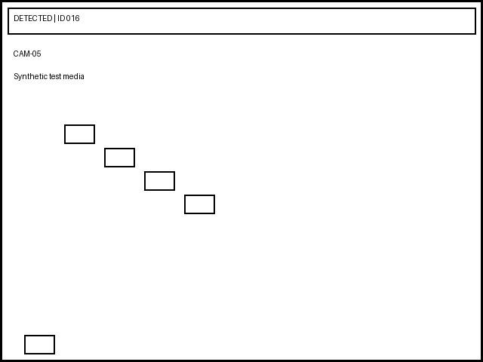
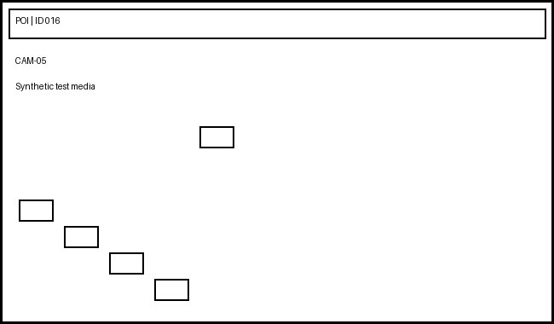
16 | 16:52:28 - 16:52:31 | CAMERA_05(10.42.115.126).mp4 |  |  | CASE-0016 | Main Road | Operator-5 | 0.86 | Synthetic test record
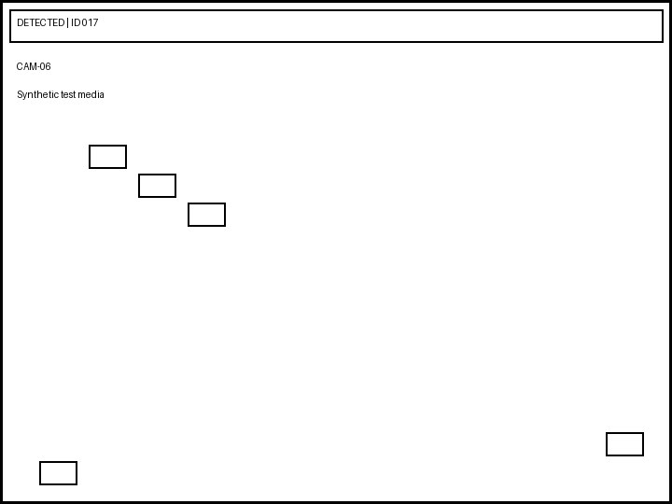

17 | 17:59:41 - 17:59:44 | CAMERA_06(10.42.115.127).avi |  |  | CASE-0017 | East Gate | Operator-6 | 0.87 | Synthetic test record


18 | 18:06:54 - 18:06:57 | CAMERA_07(10.42.115.128).mkv |  |  | CASE-0018 | Parking | Operator-1 | 0.88 | Synthetic test record


19 | 19:13:07 - 19:13:10 | CAMERA_08(10.42.115.129).mp4 |  |  | CASE-0019 | West Gate | Operator-2 | 0.89 | Synthetic test record
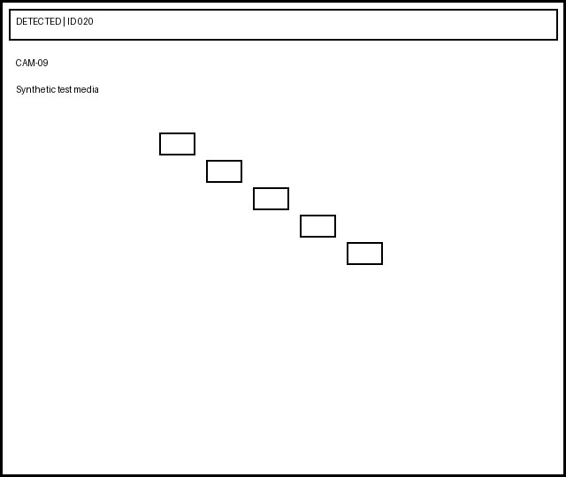
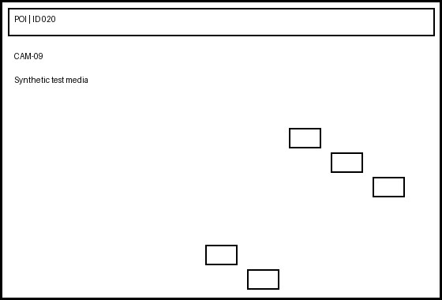
20 | 20:20:20 - 20:20:23 | CAMERA_09(10.42.115.130).avi |  |  | CASE-0020 | North Gate | Operator-3 | 0.90 | Synthetic test record
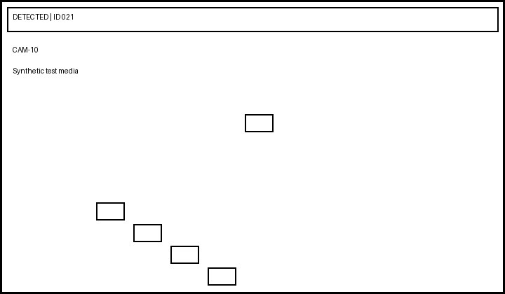
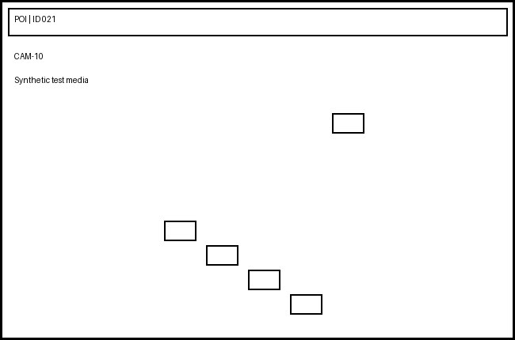
21 | 21:27:33 - 21:27:36 | CAMERA_10(10.42.115.131).mkv |  |  | CASE-0021 | Main Road | Operator-4 | 0.91 | Synthetic test record

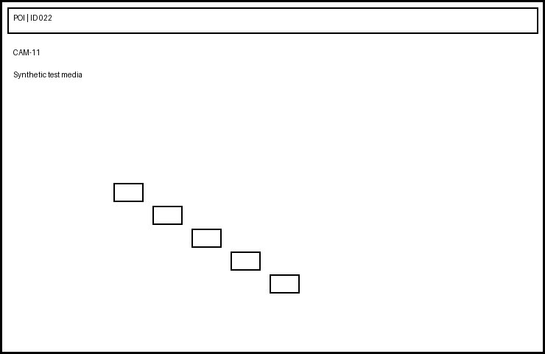
22 | 22:34:46 - 22:34:49 | CAMERA_11(10.42.115.132).mp4 |  |  | CASE-0022 | East Gate | Operator-5 | 0.92 | Synthetic test record


23 | 23:41:59 - 23:41:02 | CAMERA_12(10.42.115.133).avi |  |  | CASE-0023 | Parking | Operator-6 | 0.93 | Synthetic test record
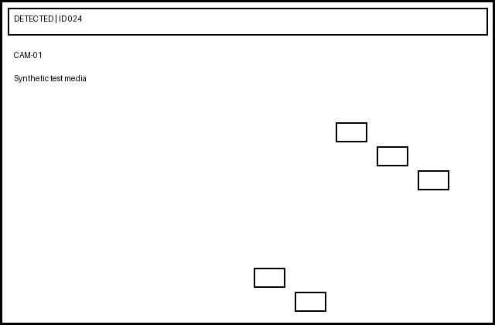

24 | 00:48:12 - 00:48:15 | CAMERA_01(10.42.115.134).mkv |  |  | CASE-0024 | West Gate | Operator-1 | 0.94 | Synthetic test record
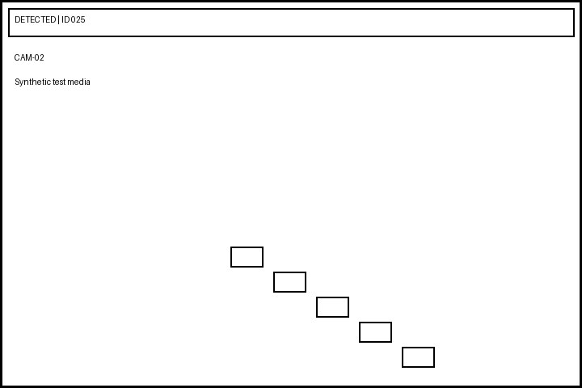
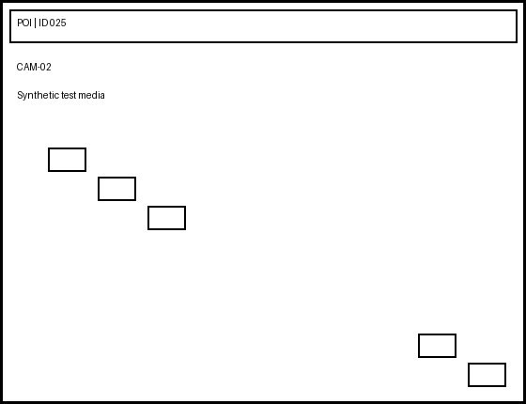
25 | 01:55:25 - 01:55:28 | CAMERA_02(10.42.115.135).mp4 |  |  | CASE-0025 | North Gate | Operator-2 | 0.95 | Synthetic test record

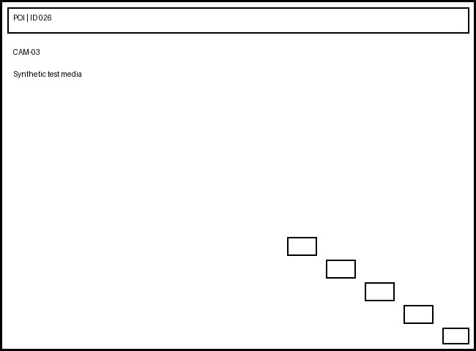
26 | 02:02:38 - 02:02:41 | CAMERA_03(10.42.115.136).avi |  |  | CASE-0026 | Main Road | Operator-3 | 0.96 | Synthetic test record
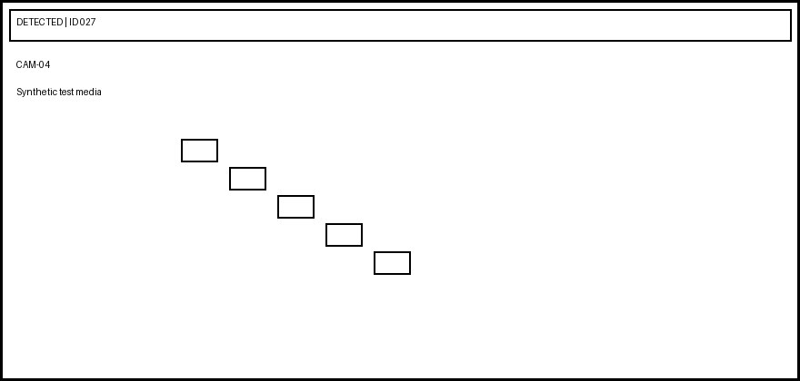
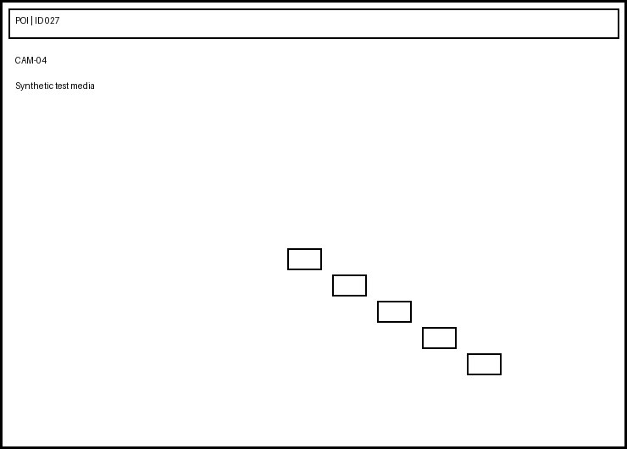
27 | 03:09:51 - 03:09:54 | CAMERA_04(10.42.115.137).mkv |  |  | CASE-0027 | East Gate | Operator-4 | 0.97 | Synthetic test record
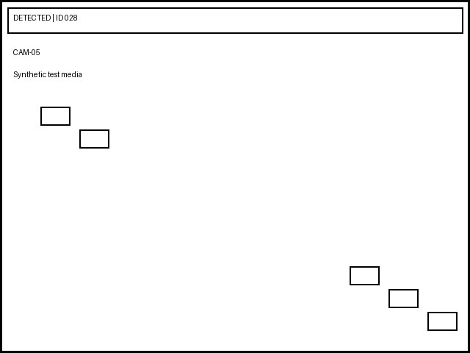
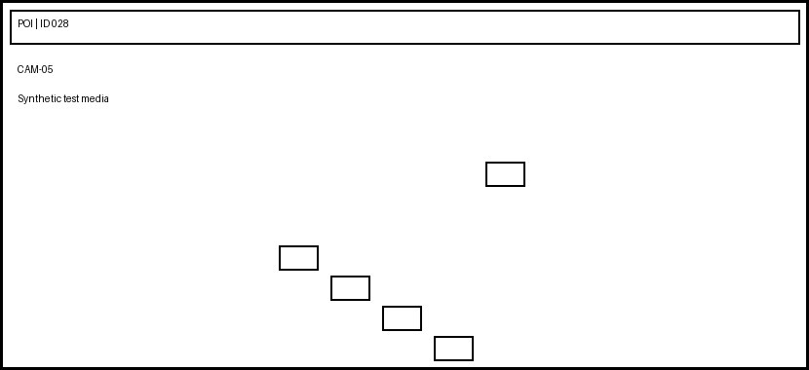
28 | 04:16:04 - 04:16:07 | CAMERA_05(10.42.115.138).mp4 |  |  | CASE-0028 | Parking | Operator-5 | 0.98 | Synthetic test record
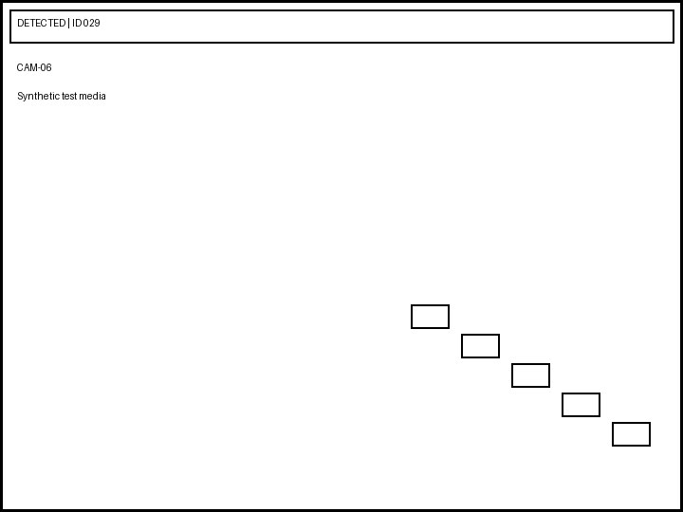
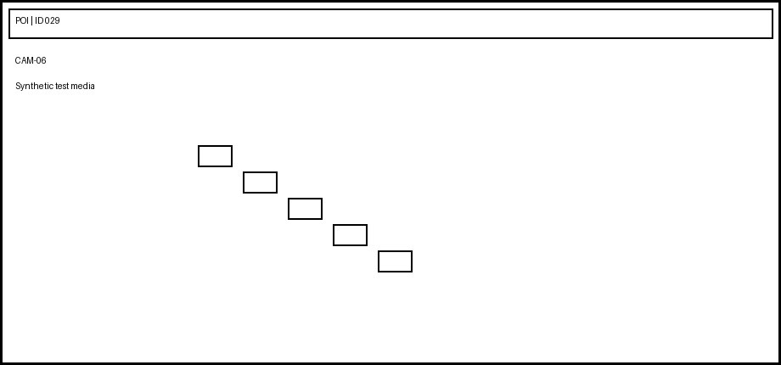
29 | 05:23:17 - 05:23:20 | CAMERA_06(10.42.115.139).avi |  |  | CASE-0029 | West Gate | Operator-6 | 0.99 | Synthetic test record
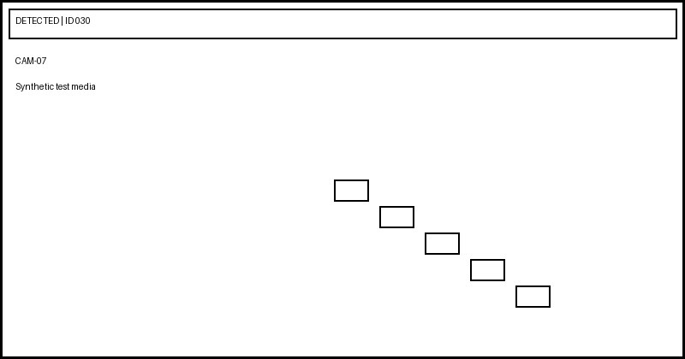
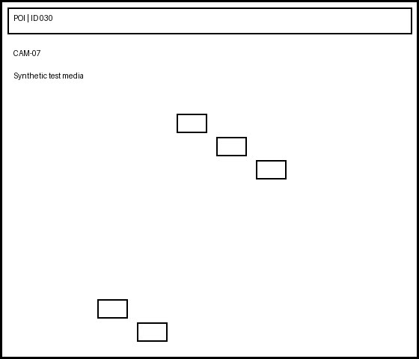
30 | 06:30:30 - 06:30:33 | CAMERA_07(10.42.115.140).mkv |  |  | CASE-0030 | North Gate | Operator-1 | 0.70 | Synthetic test record
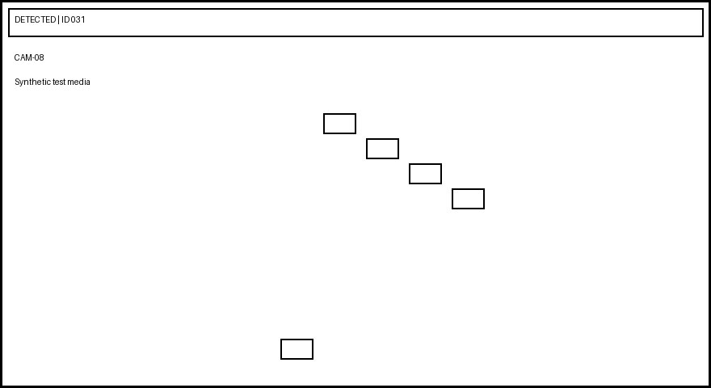
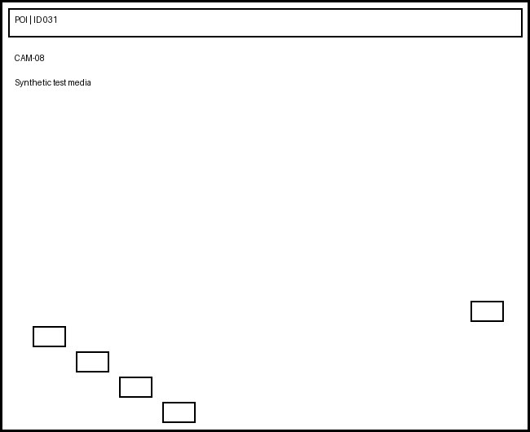
31 | 07:37:43 - 07:37:46 | CAMERA_08(10.42.115.141).mp4 |  |  | CASE-0031 | Main Road | Operator-2 | 0.71 | Synthetic test record
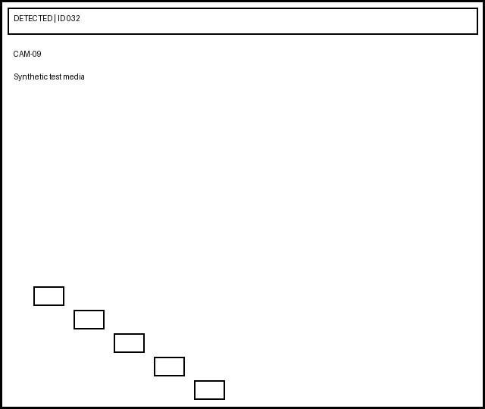

32 | 08:44:56 - 08:44:59 | CAMERA_09(10.42.115.142).avi |  |  | CASE-0032 | East Gate | Operator-3 | 0.72 | Synthetic test record


33 | 09:51:09 - 09:51:12 | CAMERA_10(10.42.115.143).mkv |  |  | CASE-0033 | Parking | Operator-4 | 0.73 | Synthetic test record


34 | 10:58:22 - 10:58:25 | CAMERA_11(10.42.115.144).mp4 |  |  | CASE-0034 | West Gate | Operator-5 | 0.74 | Synthetic test record
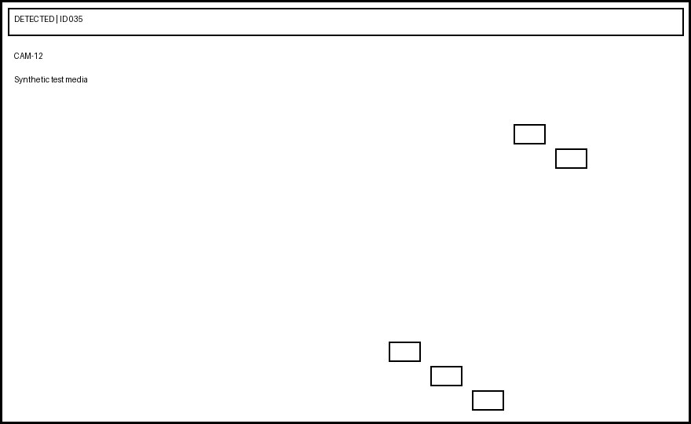
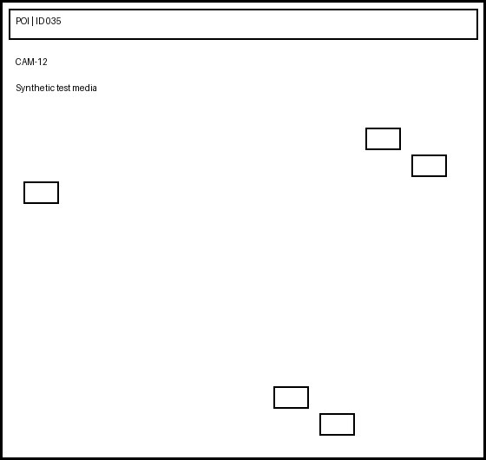
35 | 11:05:35 - 11:05:38 | CAMERA_12(10.42.115.145).avi |  |  | CASE-0035 | North Gate | Operator-6 | 0.75 | Synthetic test record
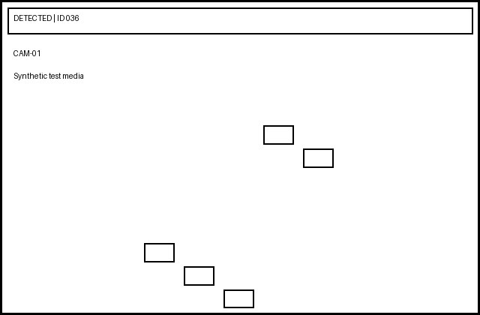
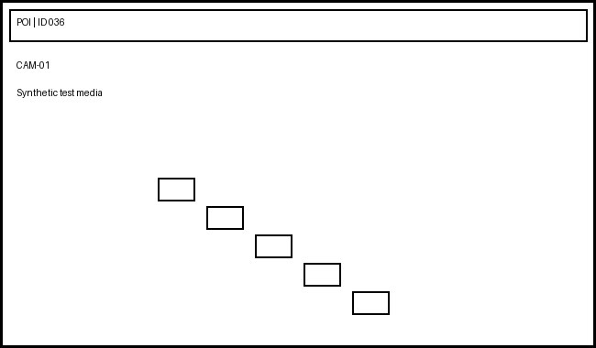
36 | 12:12:48 - 12:12:51 | CAMERA_01(10.42.115.146).mkv |  |  | CASE-0036 | Main Road | Operator-1 | 0.76 | Synthetic test record
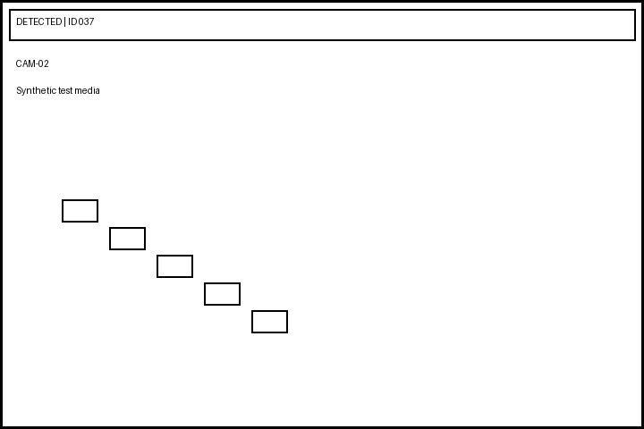

37 | 13:19:01 - 13:19:04 | CAMERA_02(10.42.115.147).mp4 |  |  | CASE-0037 | East Gate | Operator-2 | 0.77 | Synthetic test record


38 | 14:26:14 - 14:26:17 | CAMERA_03(10.42.115.148).avi |  |  | CASE-0038 | Parking | Operator-3 | 0.78 | Synthetic test record


39 | 15:33:27 - 15:33:30 | CAMERA_04(10.42.115.149).mkv |  |  | CASE-0039 | West Gate | Operator-4 | 0.79 | Synthetic test record
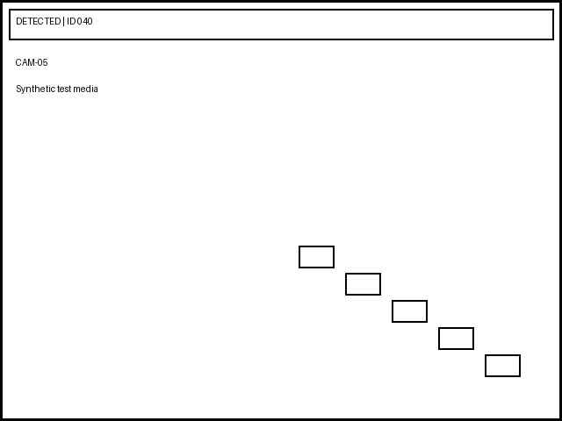
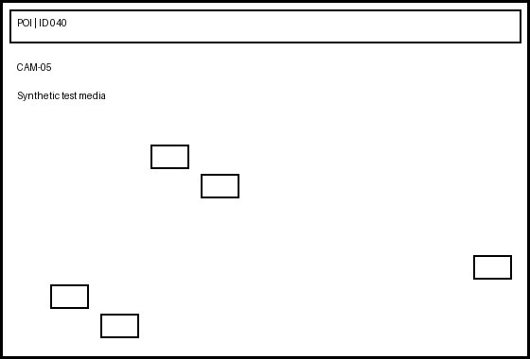
40 | 16:40:40 - 16:40:43 | CAMERA_05(10.42.115.150).mp4 |  |  | CASE-0040 | North Gate | Operator-5 | 0.80 | Synthetic test record
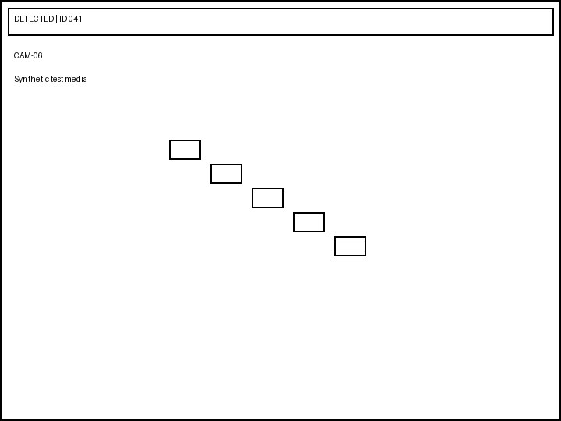

41 | 17:47:53 - 17:47:56 | CAMERA_06(10.42.115.151).avi |  |  | CASE-0041 | Main Road | Operator-6 | 0.81 | Synthetic test record


42 | 18:54:06 - 18:54:09 | CAMERA_07(10.42.115.152).mkv |  |  | CASE-0042 | East Gate | Operator-1 | 0.82 | Synthetic test record


43 | 19:01:19 - 19:01:22 | CAMERA_08(10.42.115.153).mp4 |  |  | CASE-0043 | Parking | Operator-2 | 0.83 | Synthetic test record


44 | 20:08:32 - 20:08:35 | CAMERA_09(10.42.115.154).avi |  |  | CASE-0044 | West Gate | Operator-3 | 0.84 | Synthetic test record


45 | 21:15:45 - 21:15:48 | CAMERA_10(10.42.115.155).mkv |  |  | CASE-0045 | North Gate | Operator-4 | 0.85 | Synthetic test record


46 | 22:22:58 - 22:22:01 | CAMERA_11(10.42.115.156).mp4 |  |  | CASE-0046 | Main Road | Operator-5 | 0.86 | Synthetic test record


47 | 23:29:11 - 23:29:14 | CAMERA_12(10.42.115.157).avi |  |  | CASE-0047 | East Gate | Operator-6 | 0.87 | Synthetic test record


48 | 00:36:24 - 00:36:27 | CAMERA_01(10.42.115.158).mkv |  |  | CASE-0048 | Parking | Operator-1 | 0.88 | Synthetic test record


49 | 01:43:37 - 01:43:40 | CAMERA_02(10.42.115.159).mp4 |  |  | CASE-0049 | West Gate | Operator-2 | 0.89 | Synthetic test record


50 | 02:50:50 - 02:50:53 | CAMERA_03(10.42.115.160).avi |  |  | CASE-0050 | North Gate | Operator-3 | 0.90 | Synthetic test record

51 | 03:57:03 - 03:57:06 | CAMERA_04(10.42.115.161).mkv |  |  | CASE-0051 | Main Road | Operator-4 | 0.91 | Synthetic test record

52 | 04:04:16 - 04:04:19 | CAMERA_05(10.42.115.162).mp4 |  |  | CASE-0052 | East Gate | Operator-5 | 0.92 | Synthetic test record

53 | 05:11:29 - 05:11:32 | CAMERA_06(10.42.115.163).avi |  |  | CASE-0053 | Parking | Operator-6 | 0.93 | Synthetic test record

54 | 06:18:42 - 06:18:45 | CAMERA_07(10.42.115.164).mkv |  |  | CASE-0054 | West Gate | Operator-1 | 0.94 | Synthetic test record

55 | 07:25:55 - 07:25:58 | CAMERA_08(10.42.115.165).mp4 |  |  | CASE-0055 | North Gate | Operator-2 | 0.95 | Synthetic test record
56 | 08:32:08 - 08:32:11 | CAMERA_09(10.42.115.166).avi |  |  | CASE-0056 | Main Road | Operator-3 | 0.96 | Synthetic test record
57 | 09:39:21 - 09:39:24 | CAMERA_10(10.42.115.167).mkv |  |  | CASE-0057 | East Gate | Operator-4 | 0.97 | Synthetic test record
58 | 12:34:56 - 12:34:59 | DUPLICATE_CAMERA(10.42.115.200).mkv |  |  | CASE-DUP-1 | Parking | Operator-5 | 0.98 | Synthetic test record
59 | 12:34:56 - 12:34:59 | DUPLICATE_CAMERA(10.42.115.200).mkv |  |  | CASE-DUP-2 | West Gate | Operator-6 | 0.99 | Synthetic test record
60 | 12:00:00 - 12:00:03 | CAMERA_01(10.42.115.170).mkv |  |  | CASE-0060 | North Gate | Operator-1 | 0.70 | Synthetic test record

Alternate Schema




Record ID | Capture Time | Camera Name | Face Evidence | Reference Evidence | Site
ALT-001 | 2026-09-01 10:01:00 | ALT-CAM-01 |  |  | Test Site
ALT-002 | 2026-09-01 10:02:00 | ALT-CAM-02 |  |  | Test Site


ALT-003 | 2026-09-01 10:03:00 | ALT-CAM-03 |  |  | Test Site


ALT-004 | 2026-09-01 10:04:00 | ALT-CAM-04 |  |  | Test Site

ALT-005 | 2026-09-01 10:05:00 | ALT-CAM-05 |  |  | Test Site
ALT-006 | 2026-09-01 10:06:00 | ALT-CAM-06 |  |  | Test Site
ALT-007 | 2026-09-01 10:07:00 | ALT-CAM-07 |  |  | Test Site
ALT-008 | 2026-09-01 10:08:00 | ALT-CAM-08 |  |  | Test Site
ALT-009 | 2026-09-01 10:09:00 | ALT-CAM-09 |  |  | Test Site
ALT-010 | 2026-09-01 10:10:00 | ALT-CAM-10 |  |  | Test Site

