Camera Detections
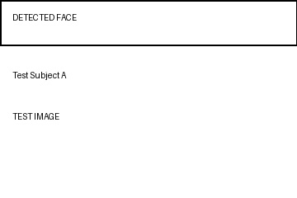


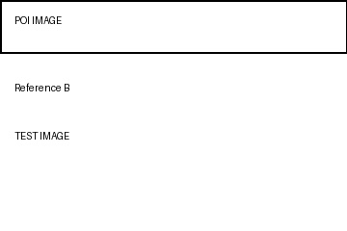
Index | Date & Time | Video Information | Detected Face | POI Image | Case ID | Location
1 | 01:01:39 - 01:01:39 | P84F118TOLOSTOYROAD(10.42.115.118).mkv |  |  | CASE-001 | North Gate
2 | 01:05:12 - 01:05:18 | P84F118TOLOSTOYROAD(10.42.115.118).mkv |  |  | CASE-002 | Main Road

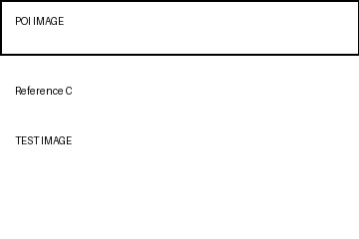
3 | 02:15:03 - 02:15:09 | CAMERA_07(10.42.115.120).mp4 |  |  | CASE-003 | East Gate

4 | 03:22:44 - 03:22:48 | CAMERA_09(10.42.115.122).avi |  |  | CASE-004 | Parking
5 | 04:10:10 - 04:10:15 | CAMERA_12(10.42.115.125).mkv |  |  | CASE-005 | West Gate

