DASHBOARD
SALES DASHBOARD
DATE UPDATED THROUGH :
01-12-2025

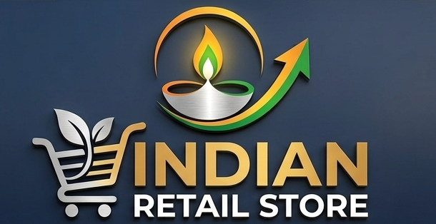
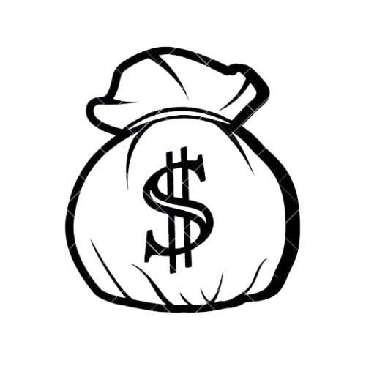
Total Sales | Total Quantity | Total Transactions | AVG. TRANSACTOIN
$381,350 | 241 | 50 | $7,627

Sales By City
 | Total
Chennai | ₹30,000
Gurgaon | ₹40,000
Indore | ₹900
Jaipur | ₹18,000
Kanpur | ₹25,000
Kochi | ₹26,000
Meerut | ₹22,000
Mumbai | ₹32,000
Panipat | ₹36,000
Prayagraj | ₹28,000
Rajkot | ₹24,000
Sales By Product Category
 | Total
Clothing | 63800
Electronics | 296000
Grocery | 17030
Stationery | 4520
Monthly Trend
 | Total
Jan | 193960
May | 32850
Jun | 6300
Jul | 21700
Aug | 32200
Sep | 6720
Oct | 41850
Nov | 18720
Dec | 27050

Sales By Payment Method
 | Total
Cash | 9280
Credit Card | 296000
Debit Card | 32400
UPI | 43670
Sales By Store Type
 | Total
Local Store | 5720
Mall Store | 359800
Supermarket | 15830

Key Insights :
Gurgaon generated the highest sale at ₹ 40,000 followed by Panipat at ₹ 36,000.
Electronics generated the highest sales at ₹ 2,96,000 followed by Clothing at ₹ 63,800.
Sales declined sharply from January to May and continued to fluctuate through the remaining months.
Highest payment recieved through Credit Card (₹2,96,000).
Mall store generate the higest sales at ₹ 3,59,800.
Recommendations :
Investigate the factors driving Gurgaon’s strong sales performance and assess whether successful practices can be applied to other cities.
Investigate why Mall Stores contribute the majority of sales and assess opportunities to strengthen performance across other store types.
Investigate the sharp sales decline after January and identify the factors behind the monthly fluctuations.

