Instructions for reading TT
1 | First step is to confirm the schedule of the classes (Morning/ Afternoon). If lectures are schedule in morning session then labs will be in afternoon session and vice versa for the lectures in the afternoon session. This is mentioned in the classroom occupancy sheet. |  |  | Mormorning session
 |  |  |  | afternoon session
2 | In the classroom occupancy sheet, the allotted classroom is also mentioned. Confrim the classroom for particular year and section.

3 | Following are the nomenclature for the branches and section.

 | S. No. | Nomenclature | Description
 | 1 | CSE-I-A | Section A of First Year of Computer Science Engineering (CSE)
 | 2 | CSE-I-B | Section B of First Year of Computer Science Engineering (CSE)
 | 3 | CSE-I-C | Section C of First Year of Computer Science Engineering (CSE)
 | 4 | ECE-I-A | Section A of First Year of Electronics and Communication Engineering (ECE)
 | 5 | CSE-I-ML | First Year of Computer Science Engineering (CSE) with Machine Learning (ML)
 | 6 | CSE-I-DS | First Year of Computer Science Engineering (CSE) with Data Science (DS)
 | 7 | CSE-I-HCI | First Year of Computer Science Engineering (CSE) with Human Computer Interface (HCI)
 | 8 | ECE-I-IoT | First Year of Electronics and Communication Engineering (ECE) with Internet of Things (IoT)
 | 9 | ECE-V | Electronics and Communication Engineering (ECE) Vanilla
 | 10 | CSE-V | Computer Science Engineering (CSE) Vanilla

 |  | Similarly, the other Nomenclature can be interpreted.

4 | The classroom time is confirmed after referring to the sheet Slot TT.

5 | In the Lab Session the Nomenclature is as follow:

 |  | Nomenclature | Description
 |  | CS-A-1: G / G/ G | CSE section A batch 1

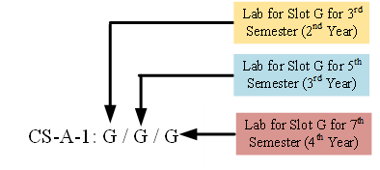

 | Similarly, the other Nomenclature can be interpreted.

