Architecture_Requirement
High level architectural diagram for Sterling B2B Integrator
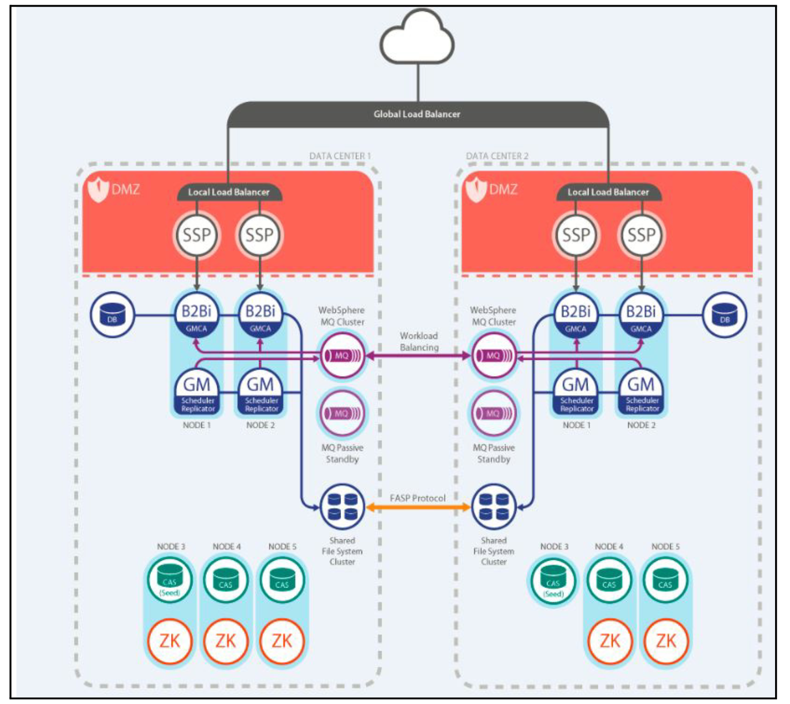

 | About: The Global High Availability Mailbox that is depicted in the diagram is an architecture that uses multiple components to provide a synchronization of payloads and processing events across multiple data centers that are built of Sterling B2B Integrator nodes that are assembled into cluster.

 | Global Mailbox supports high availability in the following manner. 1. Separate independent B2Bi clusters in each data center. 2. Separate B2Bi databases in each data center. 3. Supports smart load balancers that detect failures. 4. A replicated consistent view of mailbox data across all data centers. 5. Distributed event processing across all data centers through high availability messaging queue. | 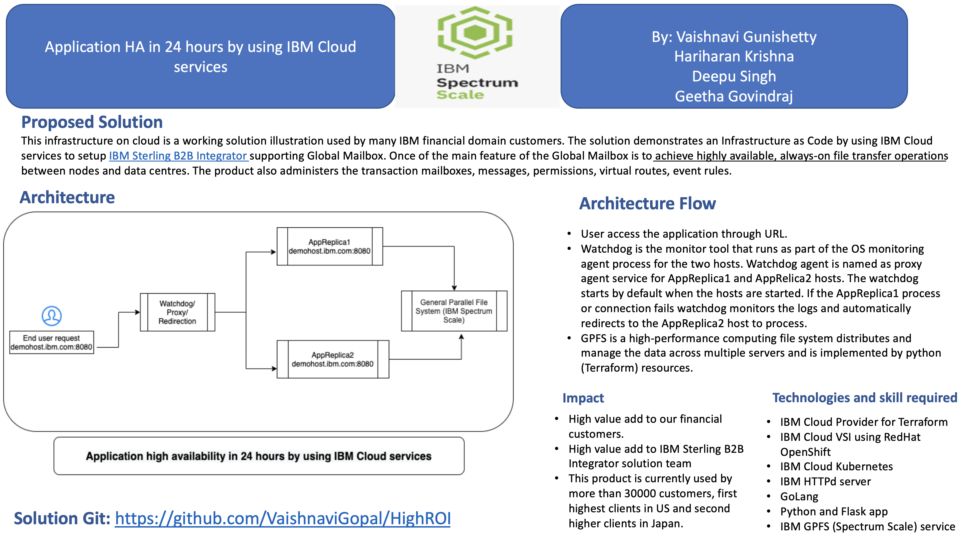

 | Requirement:
 | Maping the right IBM Cloud Provider to install the software by using IBM Cloud

