1. Title Page
[Instacart Bastket Analysis]

Project Name: Instacart Basket Analysis
Date: July 2023
Analyst Name: Vaiva Vitkute

Contents:
Population Flow
Consistency checks
Wrangling steps
Column derivations
Visualizations & Recommendations

Data Citation
“The Instacart Online Grocery Shopping Dataset 2017”, Accessed from www.instacart.com/datasets/grocery-shopping-2017 via Kaggle on July 11, 2023.
Note: Customer data and prices column were fabricated for this project and do not contain real-world information.

2. Population Flow
Title page

Population flow

Exclusion flag
Condition: max_order < 5
Obervations to be removed: 7,989,982
Final total count of order_products_all: 24,414,877

Orders_products_combined
Orders_products_merged
Orders_products_all
Orders_products_all_final

Total: 32404859
Total: 32404859
Total: 32434489
Total: 24,414,877

1.) The grey boxes in the first row of the population flow represent the original data sets as they were when you downloaded them. In the Total fields you need to add the count of the rows when you imported the data set into Jupyter.
2.) The second row of boxes (coloured) represents the data sets after you manipulated them, e.g., removed missing values and duplicates. In the Total fields you need to add the count of the rows after conducting these operations. This offers a visual oveview of how the data flows throughout the data consistency checks.
3.) The third row, where also the arrows are coloured, represents the merges you performed between the datasets. In the Total fields you need to add the count of the rows in the merged datasets, so that you end up with the final dataset (in the red box). Keep in mind the final dataset should be without exclusions (based on the exclusion flag).

3. Consistency checks
 |  |  |  | Title page
Consistency checks

Dataset | Missing or incorrect values | Missing or incorrect values treatment | Duplicates
orders | 206209 in 'days_since_prior_order' | Keeping as it is, because there are no prior orders before the first order made | 0
products | 16 in 'product_name' | Creating a subset without the missing values | 5
products | price; values of 99999 and 14900 | Both values exchanged with the prices of these products from the Instacart website | 0
customers | 11259 in 'name' | Keeping as it is, because we can't impute the first names without the stakeholders involved and it should not influence the analysis | 0

4. Wrangling steps
 |  |  |  |  | Title page
Wrangling steps

Dataframe | Columns dropped | Columns renamed | Columns' type changed | Comment/Reason
orders | eval_set |  |  | Unnecessary for the analysis
orders |  | order_dow |  | Changed to 'order_day_of_week' for more clarity
orders |  |  | order_id | Changed to string
orders |  |  | user_id | Changed to string
orders |  | order_number |  | Changed to 'order_number_per_user' for more clarity
customers |  | First Name |  | Changed to 'name'
customers |  | Surnam |  | Changed to 'surname'
customers |  | Gender |  | Changed to 'gender'
customers |  | STATE |  | Changed to 'state'
customers |  | Age |  | Changed to 'age'
customers | name |  |  | security concerns
customers | surname |  |  | security concerns

5. Column derivations
 |  |  |  | Title page

Column derivations and aggregations

In this tab you should add tables below that the frequences of flags/label variables that you produced after deriving them. NB: don't do this for continuous variables, only for flags.
Dataset | New column | Column/s it was derived from | Conditions
order_products_merged | price_range_loc | prices | If price is >15 - High-range product If price is 5-15 - Mid-range product If price is <=5 - Low-range product
order_products_merged | busiest_day | order_day_of_week | If value == 0 - Busiest day If value == 4 - Least busy If value == 1|2|3|5|6 - Regularly busy
order_products_merged | busiest_days | order_day_of_week | If value == 0|1 - Busiest day If value == 4|3 - Least busy If value == 2|5|6 - Regularly busy
order_products_merged | busiest_period_of_day | order_hour_of_day | if value = 10|11|14|15|13 - Most orders if value = 3|4|2|5|1 - Fewest orders if value =6|7|8|9|12|16|17|18|19|20|21|22|23 - Average orders
order_products_merged | loyalty_flag | max_order | If value > 40 - Loyal customer If value 10-40 - Regular customer If value < 10 - New customer
order_products_merged | spending_flag | average_spend | If value >= 10 - High Spender If value < 10 - Low Spender
order_products_merged | frequency_flag | days_since_prior_order_median | If value > 20 - Non-frequent customer If value 10-20 - Regular customer If value < 10 - Frequent customer
orders_products_all | region | state | If value ==['Maine', 'New Hampshire', 'Vermont', 'Massachusetts', 'Rhode Island', 'Connecticut', 'New York', 'Pennsylvania', 'New Jersey']= 'Northeast' If value == ['Wisconsin', 'Michigan', 'Illinois', 'Indiana', 'Ohio', 'North Dakota', 'South Dakota', 'Nebraska', 'Kansas', 'Minnesota', 'Iowa', 'Missouri'] - 'Midwest' If value ==['Delaware', 'Maryland', 'District of Columbia', 'Virginia', 'West Virginia', 'North Carolina', 'South Carolina', 'Georgia', 'Florida', 'Kentucky', 'Tennessee', 'Mississippi', 'Alabama', 'Oklahoma', 'Texas', 'Arkansas', 'Louisiana'] - 'South' If value ==['Idaho', 'Montana', 'Wyoming', 'Nevada', 'Utah', 'Colorado', 'Arizona', 'New Mexico', 'Alaska', 'Washington', 'Oregon', 'California', 'Hawaii'] - 'West'
orders_products_all | exclusion_flag | order_number | If value < 5 - Yes If value >=5 - No
orders_products_all_final | age_profile | age | If value < 35 - Young adult if value 35-65 - Middle Aged If value >= 65 - Senior
orders_products_all_final | income_profile | income | If value < 60000 - Low If value 60000-120000 - Average If vallue >=120000 - High
orders_products_all_final | department_name | department_id | If ['department_id'] == 1, 'department_name'] = 'frozen' If ['department_id'] == 2, 'department_name'] = 'other' If ['department_id'] == 3, 'department_name'] = 'bakery' If ['department_id'] == 4, 'department_name'] = 'produce' If ['department_id'] == 5, 'department_name'] = 'alcohol' If ['department_id'] == 6, 'department_name'] = 'international' If ['department_id'] == 7, 'department_name'] = 'beverages' If ['department_id'] == 8, 'department_name'] = 'pets' If s['department_id'] == 9, 'department_name'] = 'dry goods pasta' If ['department_id'] == 10, 'department_name'] = 'bulk' If ['department_id'] == 11, 'department_name'] = 'personal care' If ['department_id'] == 12, 'department_name'] = 'meat seafood' If ['department_id'] == 13, 'department_name'] = 'pantry' If ['department_id'] == 14, 'department_name'] = 'breakfast' If ['department_id'] == 15, 'department_name'] = 'canned goods' If ['department_id'] == 16, 'department_name'] = 'dairy eggs' If ['department_id'] == 17, 'department_name'] = 'household' If ['department_id'] == 18, 'department_name'] = 'babies' If ['department_id'] == 19, 'department_name'] = 'snacks' If ['department_id'] == 20, 'department_name'] = 'deli' If ['department_id'] == 21, 'department_name'] = 'missing'
orders_products_all_final | dependants_profile | n_dependants | If value ==0 - Single Household If value > 0 - Multiple People Household
orders_products_all_final | age_fam_customer_profile | age_profile, family_status | If ['fam_status'] == 'divorced/widowed' & ['age_profile'] == 'Young Adult') = 'Young Divorcee/Widow' If ['fam_status'] == 'divorced/widowed' & ['age_profile'] == 'Middle Aged') = 'Middle-Aged Divorcee/Widow' If ['fam_status'] == 'divorced/widowed' & ['age_profile'] == 'Senior' = 'Senior Divorcee/Widow' If ['fam_status'] == 'living with parents and siblings' & ['age_profile'] == 'Young Adult' = 'Young Lives With Parents' If ['fam_status'] == 'living with parents and siblings' & ['age_profile'] == 'Middle Aged' = 'Middle-Aged Lives With Parents' If ['fam_status'] == 'living with parents and siblings' & ['age_profile'] == 'Senior' = 'Senior Lives With Parents' If ['fam_status'] == 'married' & ['age_profile'] == 'Young Adult' = 'Young Married' If ['fam_status'] == 'married' & ['age_profile'] == 'Middle Aged' = 'Middle-Aged Married' If ['fam_status'] == 'married' & ['age_profile'] == 'Senior' = 'Senior Married' If ['fam_status'] == 'single' & ['age_profile'] == 'Young Adult' = 'Young Single' If ['fam_status'] == 'single' & ['age_profile'] == 'Middle Aged' = 'Middle-Aged Single' If ['fam_status'] == 'single'& ['age_profile'] == 'Senior' = 'Senior Single'

6. Viz & Recommendations
 |  |  |  |  | Title page

Visualisations

In this tab you should include all the visualtions from Exercises 4.9 and 4.10, alongside the questions from the project brief that they answer. Include any commentary on the relationship between different variables.

Key Questions

1. What are the busiest hours of day and busiest days of week?
2. Are there particular times of the day when people spend the most money?
3. Can we create simpler price range groupings?
4. Are there certain types of products that are more popular than others?
5. What’s the distribution among users in regards to their brand loyalty?
6. Are there differences in ordering habits based on a customer’s loyalty status?
7. Are there differences in ordering habits based on a customer’s region?
8. Is there a connection between age and family status in terms of ordering habits?
9. What different classifications does the demographic information suggest?
10. What differences can you find in ordering habits of different customer profiles?
11. Other Viz

1

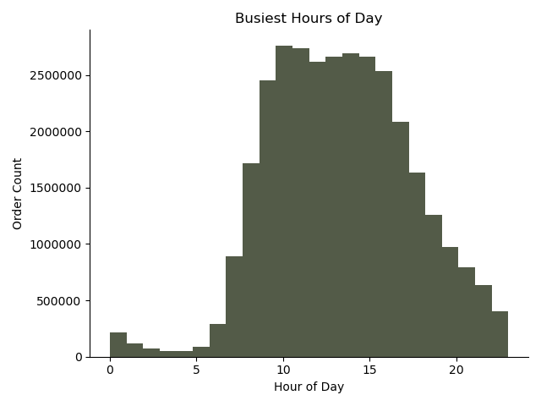
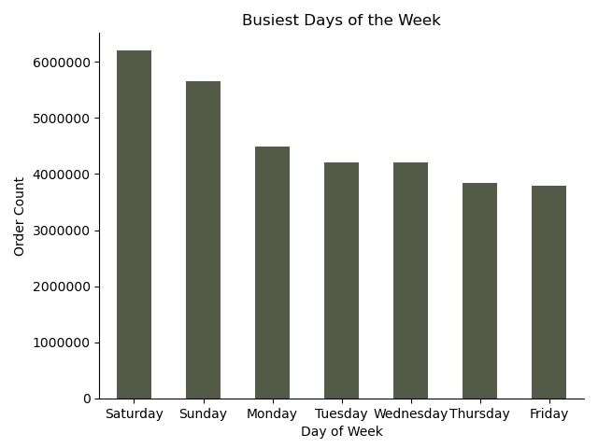
Question

1. The sales team needs to know what the busiest days of the week and hours of the day are (i.e., the days and times with the most orders) in order to schedule ads at times when there are fewer orders.

Answer

1. The busiest hours of the day are between 8 am and 4pm, while the slowest hours are at night between midnight and 6 am. The busiest days are Saturday and Sunday, while the slowest are Friday and Thursday.

Recommendation

1. The first recommendation would to schedule the ads to run during the low shopping times ( 4 pm - 8 am on weekdays) to encourage orders. The second recommendation would be to target people who shop at competitive online stores. Assuming these people have similar shopping habits to Instacart customers, you could run ads targeting them at high shopping times, which would catch them online and could potentially convert them to become an Instacart customer with a good deal.

BACK TO TOP

2
 |  | * A representative sample of 30 % of the original data was used to plot the line charts

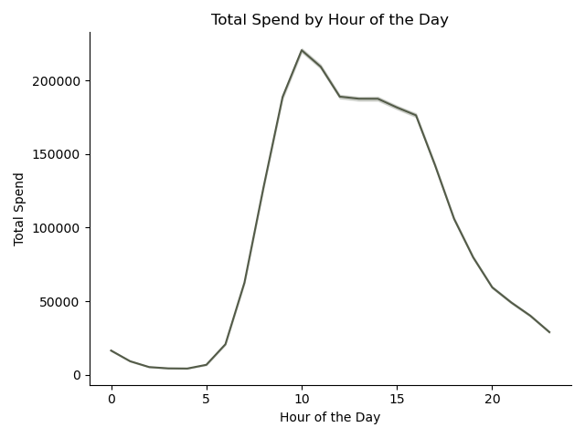
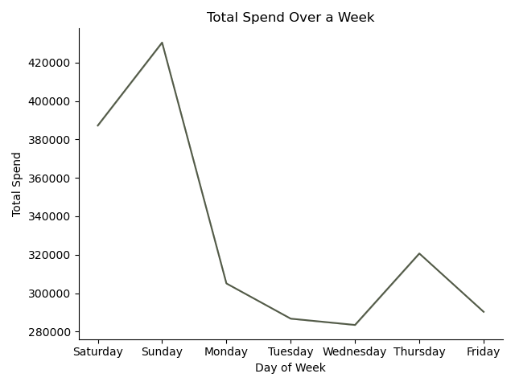
Question

2. They also want to know whether there are particular times of the day when people spend the most money, as this might inform the type of products they advertise at these times.

Answer

2. People spend the most money during the busiest hours from 8 am till 4pm, as well as during the busiest days (Saturday and Sunday). Interestingly, even though Thursdays in terms of order count is second to last, it is the third day by total spend, meaning that people buy more expensive products on Thursdays.

Recommendation

2. Given the fact that Thursdays people buy more expensive products, the marketing could schedule ads promoting higher-end products specifically on that day.

BACK TO TOP

3

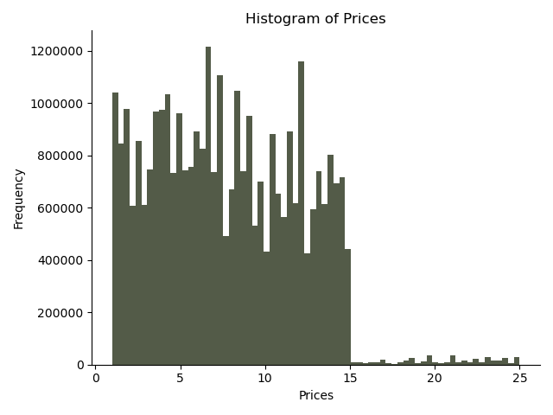
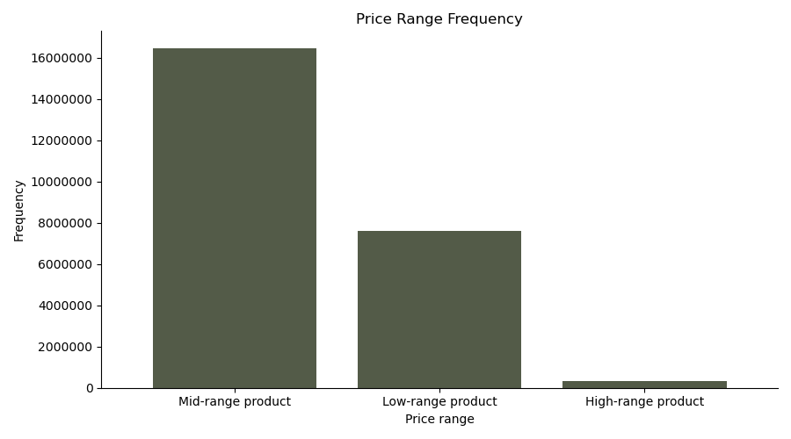
Question

3. Instacart has a lot of products with different price tags. Marketing and sales want to use simpler price range groupings to help direct their efforts.

Answer

3. We have created three price ranges, including low-range (less than 5 USD), mid-range (between 5-15 USD), and high-range (products above 15 USD).

Recommendation

3. Given the fact that mid-range products constitute the majority of orders, the marketing team could focus on promoting products in this price-range.

BACK TO TOP

4

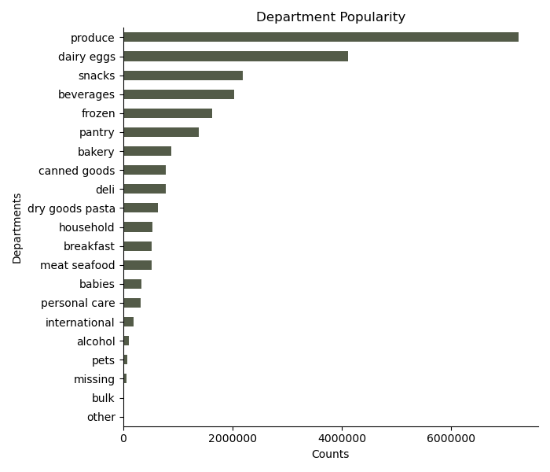
Question

4. Are there certain types of products that are more popular than others? The marketing and sales teams want to know which departments have the highest frequency of product orders.

Answer

4. The produce department has the highest frequency of product orders.

Recommendation

4. Knowing that produce is the most popular product category, Instacart could focus on broadening the range of products within the category, like adding new brands and using this for promotional communication.

BACK TO TOP

5
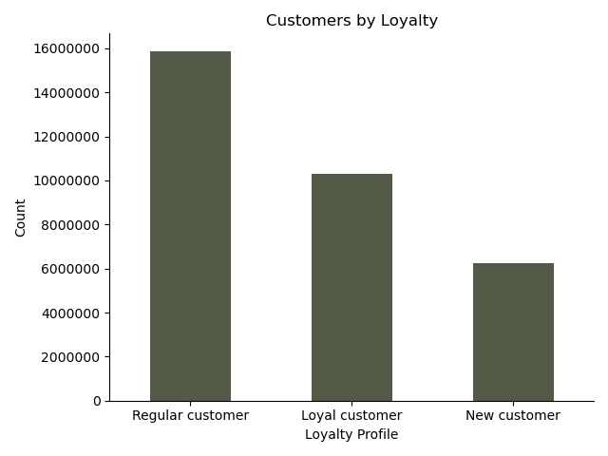
Question

5. What’s the distribution among users in regards to their brand loyalty (i.e., how often do they return to Instacart)?

Answer

5. The majority of customers are regular and have made between 10-40 orders. New customers with less than 10 orders are the minority part. Loyal customers, those who ordered more than 40 times sits in between the other groups.

Recommendation

5. In order to encourage regular customers to become loyal ones, Instacart could consider different loyalty programs, or discounts that could incentivize people to make more orders.

BACK TO TOP

6

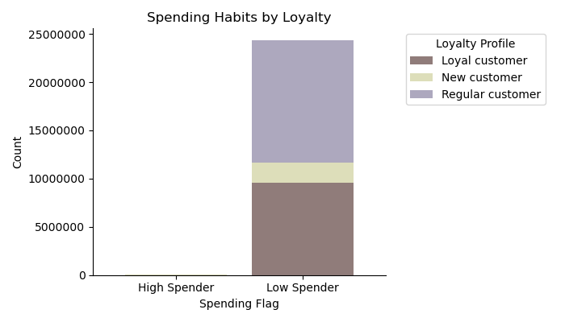
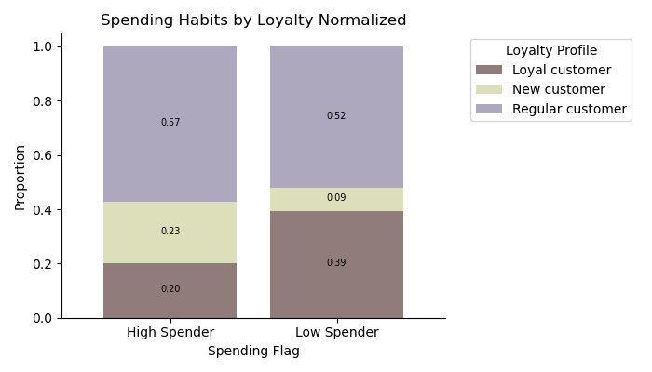
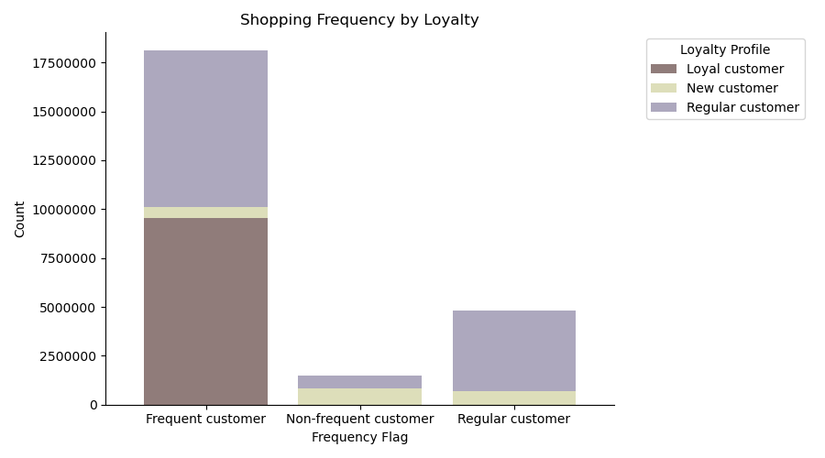
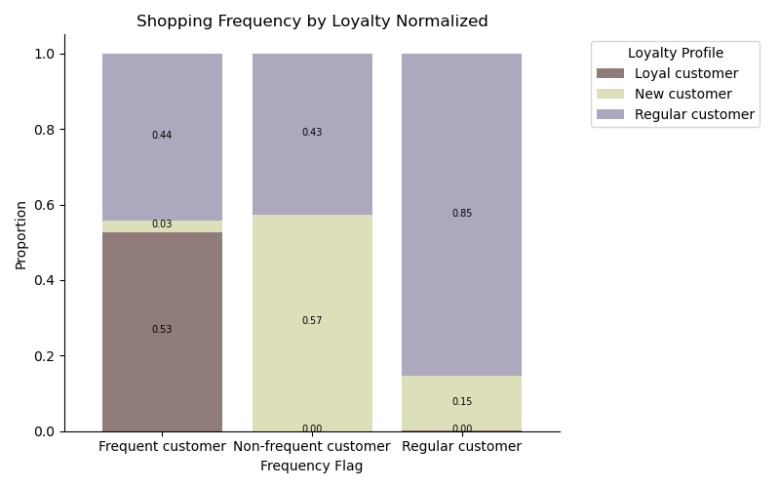
Question

6. Are there differences in ordering habits based on a customer’s loyalty status?

Answer

6. Spending Habits: When it comes to spending habits, regular and loyal customers share the biggest part of Low Spender profile (under 10 USD per shopping on average), while regular and new customers constitue the higher amount of High Spenders (on average spending over 10 USD per shopping session), however High Spenders constitute a very small amount of total orders. Shopping Frequency: By shopping frequency, loyal customers have the highest frequency (the median between shopping is under 10 days), while new customers have the lowest frequency (the median between shopping is over 20 days). Overall, it seems that the majority of Instacart customers shop frequently. Price Range Preference: Loyalty profile doesn't seem to create any difference in terms of preferred price-range. Department Preference: In terms of goods preferred, we can't see much of a difference among loyalty groups for the most important departments like produce, dairy eggs and snacks, that have the highest order couts. For less popular departments we can see slight differences in preferences. Loyal customers constitute nearly half of the shoppers for bulk goods and baby food. Regular customers constitute a higher part of alcohol, households and pet food. New customers constitute a slightly higher part in the missing department, so would require looking into the specific products. Time Preference: In terms of timing, loyal and regular customers shop at similar times of the day with a peak between 9am and 111am, while new customers have a slight preference for afternoon shopping at around 1 pm till 4 pm. And in terms of days of the week, regular customers prefer shopping on Saturdays the most, while loyal customers do that on Sundays and Thursdays. New customers shop on similar days as regular customers.

Recommendation

6. Knowing that the majority of Instacart customers are low spenders, Instacart could offer the, deals that would make them feel that they are saving. Since there is a big part of regular non-frequent customers, incentivizing them to make orders more frequently (lowering the days in between shopping to under 10 days) through coupons or discounts could help move them into more regular frequency bracket. Knowing specific goods preferences, the ads could target different customer groups with deals for those specific product groups, being aware to keeep an eye out of the ROI when promoting less popular deparments because they might not bring enough revenue to cover the marketing costs. Since loyal customers like to shop not only on the weekend but also on Thursdays, Instacart should consider these days for their targeted ads. | 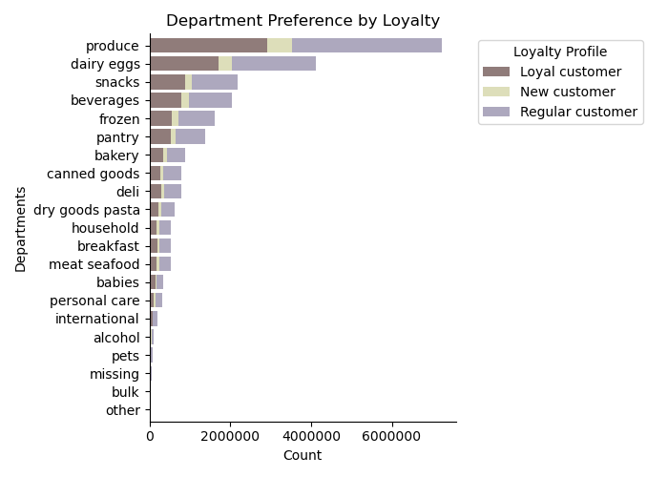 |  |  |  |  | 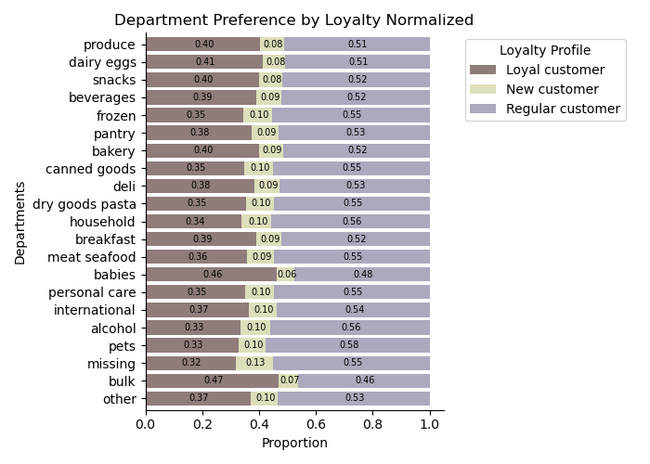 |  | 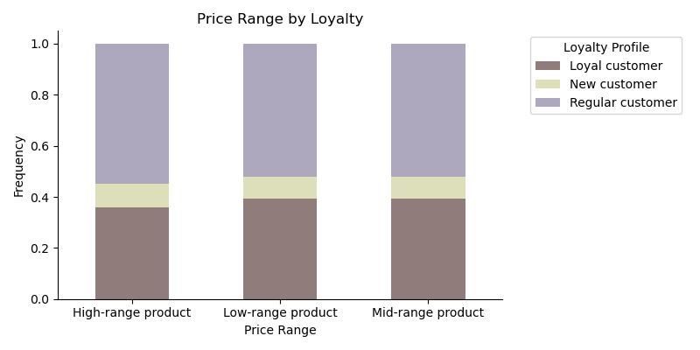 |  | 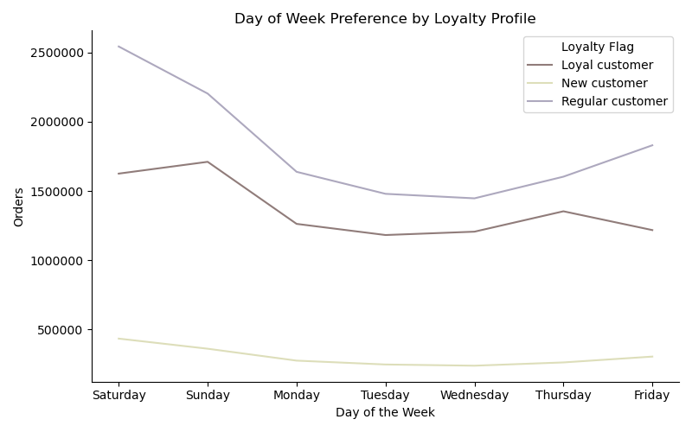 | 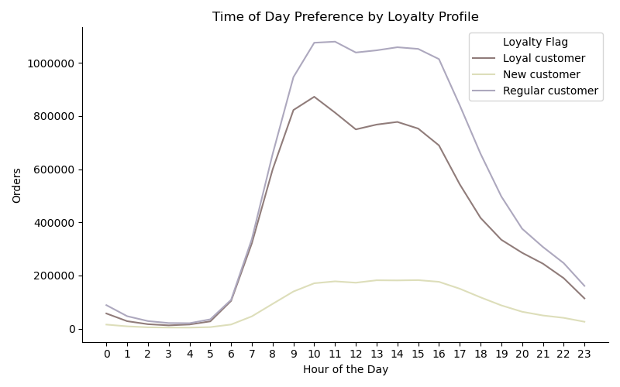

BACK TO TOP

7
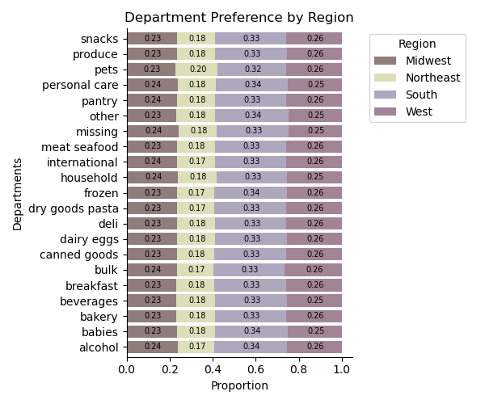
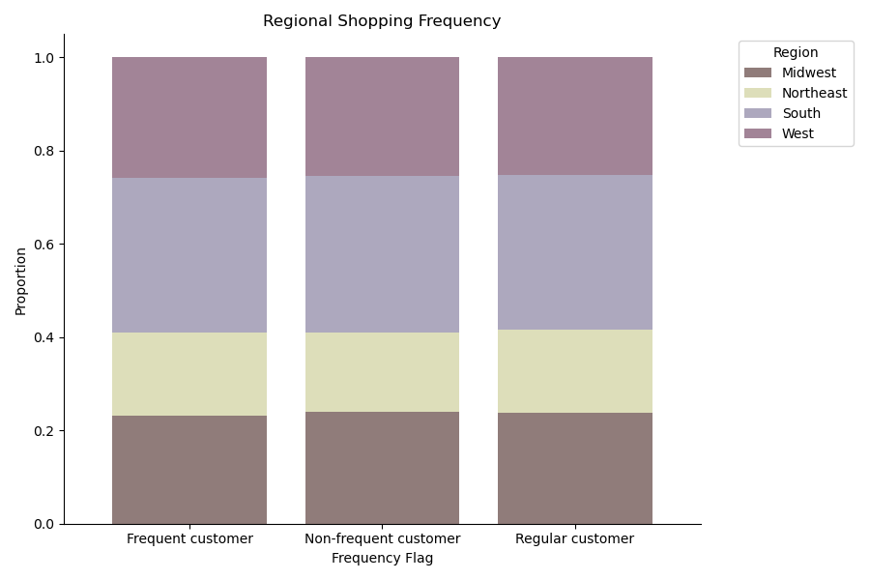
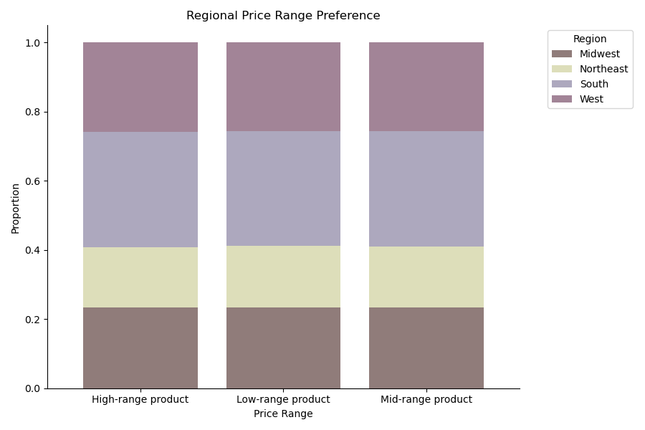
Question

7. Are there differences in ordering habits based on a customer’s region?

Answer

7. Comparing regional ordering habits, it seems that there is no significant difference in terms of goods preferred, spending profiles, product price, shpopping time or frequency preference.

Recommendation
7. Given the fact the regional ordering habits do not differ significantly, advertising efforts should be handled in a similar manner throughout all four regions.

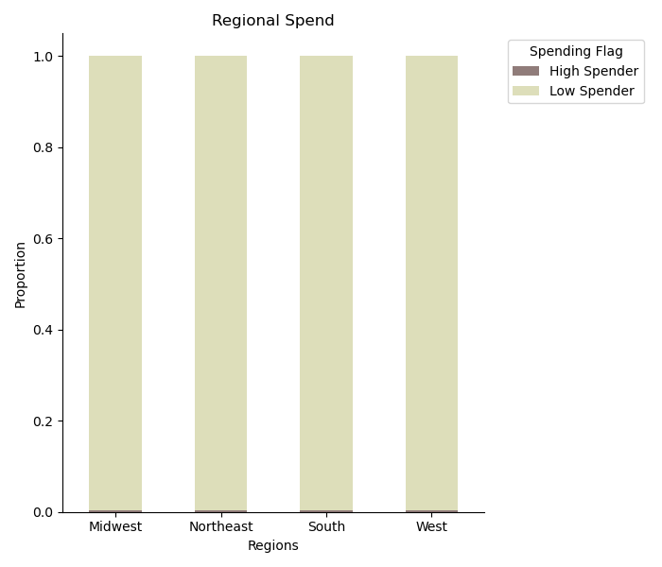

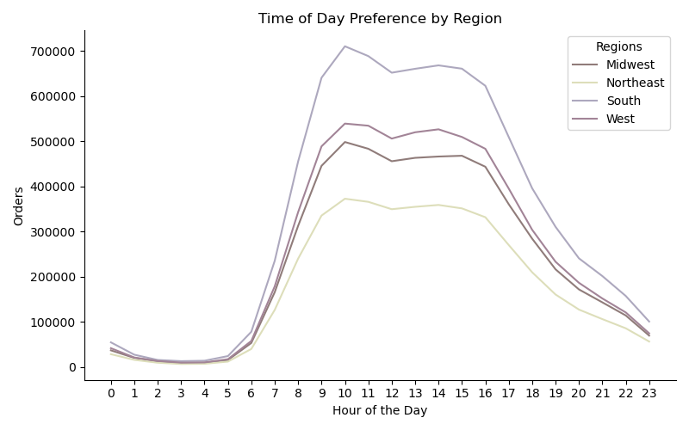
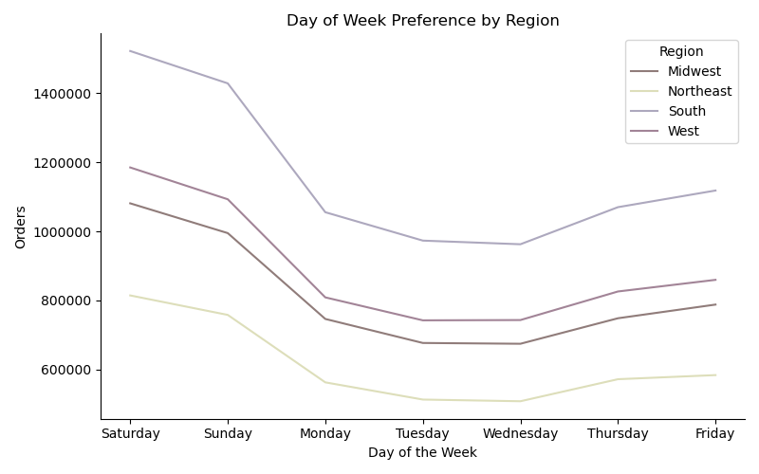

BACK TO TOP

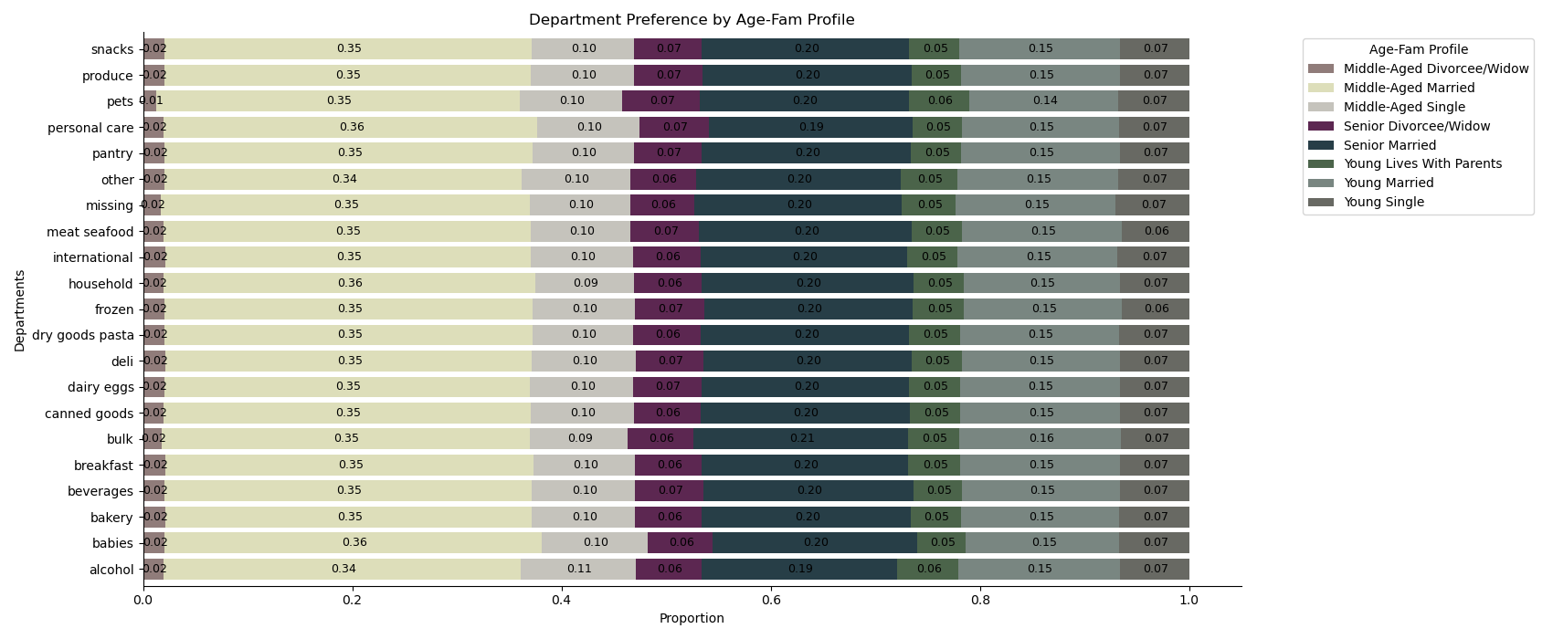
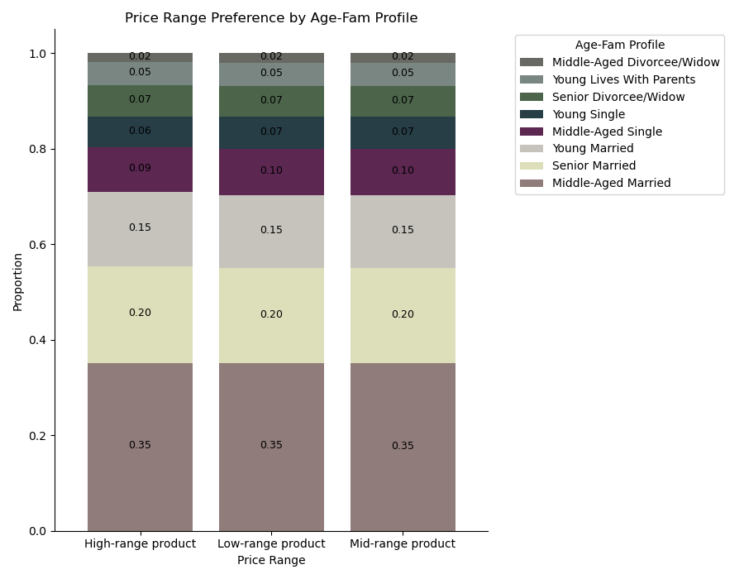
8

Question

8. Is there a connection between age and family status in terms of ordering
habits?

Answer

8. Looking at different ordering habits, there doesn't seem to be a big difference between different age and family status profiles. We can see that middle-aged married people is the main target market of Instacart.

Recommendation

8. Since we can't see any significant differences in these customer profiles, the marketing should target these groups similarly.

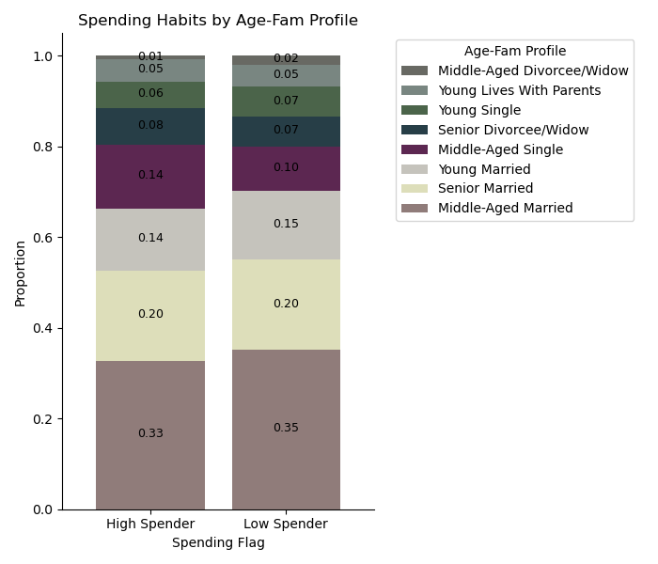
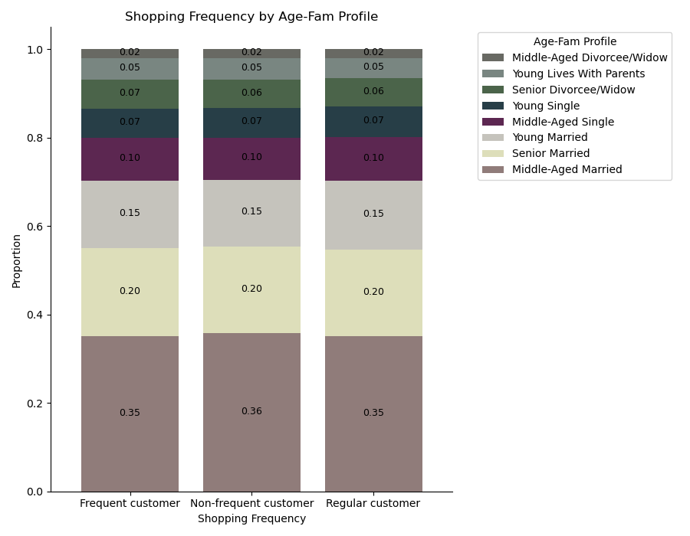

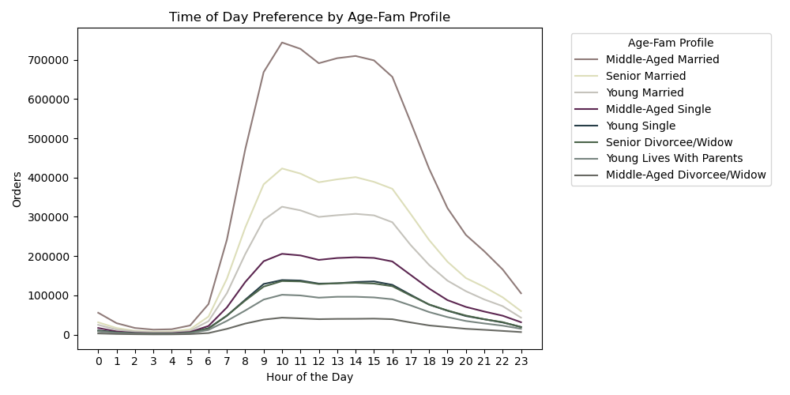
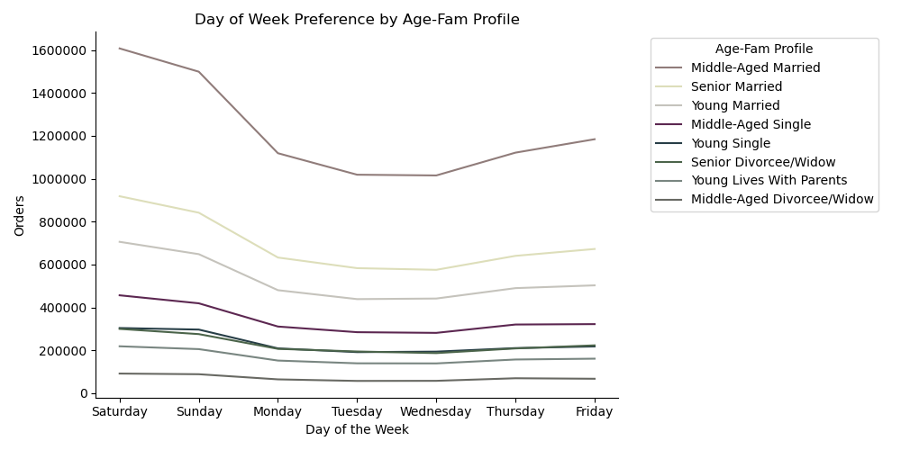

BACK TO TOP

9

Question

9. What different classifications does the demographic information suggest?
Age? Income? Certain types of goods? Family status?

Answer

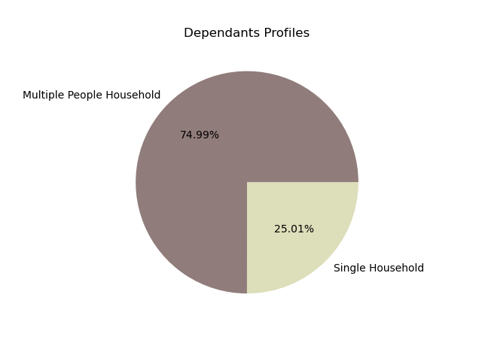
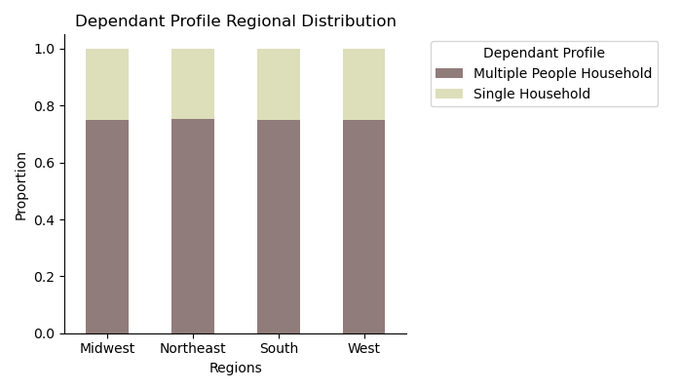
9. Age Profiles: - Young Adult - Middle Aged - Senior Income Profiles: - Low - Average - High Dependant Profiles: - Multiple People Household - Single Household Important to note that regionally the above customer profile split doesn't differ.
 | 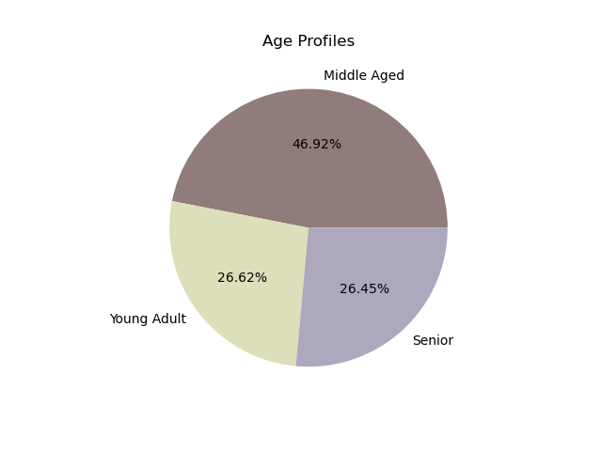 |  |  | 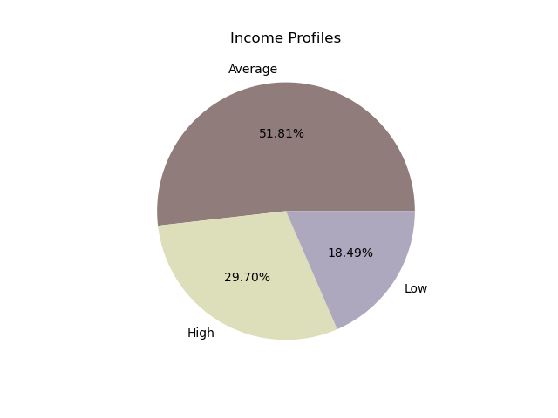 |  |  | 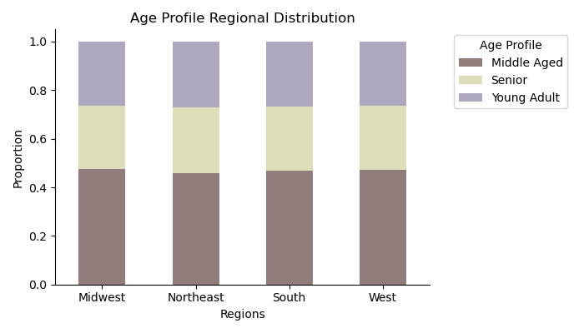 |  | 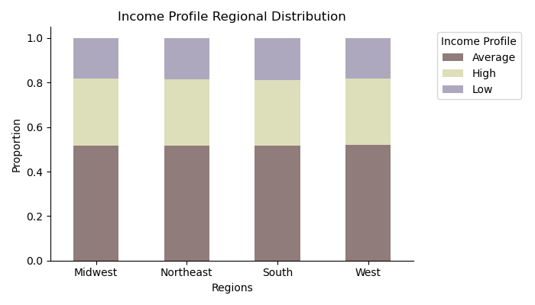

Recommendation

9. -

BACK TO TOP

10 |  |  | DEPARTMENT PREFERENCE

Question

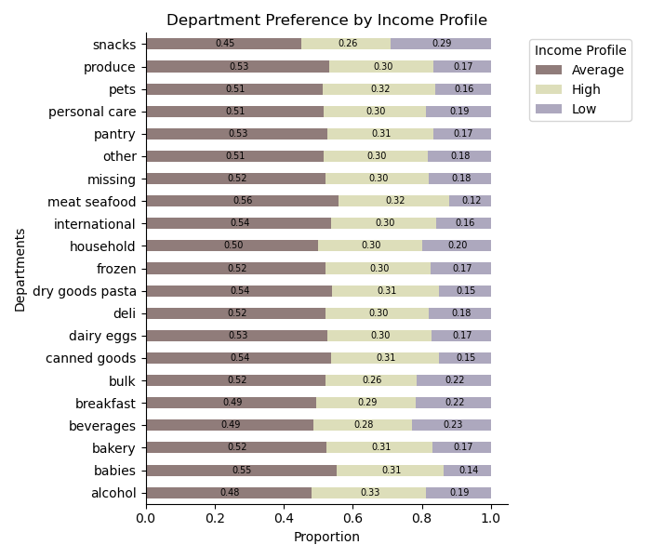
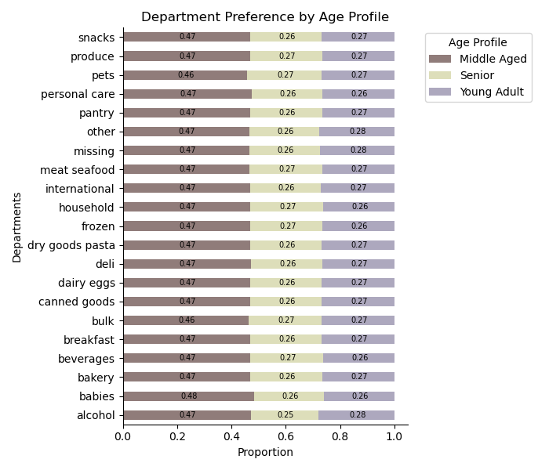
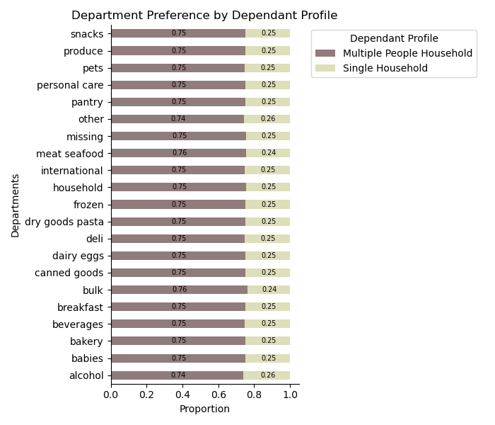
10. What differences can you find in ordering habits of different customer
profiles? Consider the price of orders, the frequency of orders, the products
customers are ordering, and anything else you can think of.

Answer

10. Department Preference: When it comes to Age and Dependant profiles, there doesn't seem to be difference in preferred deparments. Income profile categories have slight differences in their good preferences. Average income customers constitute a greater amount of people buying meat/seafood and babies products; High income customers seem to be buying more alcohol, products for pets, and meat /seafood; Low income customers have a higher preference for snacks and beverages. Price-Range Preference: There doesn't seem to be a difference in preferred price-range in terms of different age groups and dependant profiles, but there is a slight difference in terms of income profile. As expected, low income people buy fewer expensive goods. Ordering Frequency: The selected customer profiles do not seem to have diffferent shopping frequency. Spending Habits: Age and Dependant profiles do not differ in their spending habits. Income profiles have slight differences in that low income customers constitute a much smaller part of high spender profile, however we know from absolute numbers, that high spenders are an incredibly small amount of Instacart customers, therefore it is not significant enough to warrant special attention. Time of Day: All three customer profiles do not have different time of day preferences Day of Week: Age and Dependant profiles do not differ in the shopping days preference. It seems only low income people prefer shopping on Sundays and Thursday, while other income profiles do that on Saturdays, Sundays and Fridays.

 |  |  | PRICE RANGE PREFERENCE
Recommendation

10. Out of all customer profiles, income seems to be the only variable that creates slight differences in customer shopping habits. Given the fact that the target group for Instacart is middle-aged average-income people with dependants in their household, marketing and sales resoures should be catering to this biggest group of people, trying to engage them more and increase their shopping frequency via different marketing means, like discounts, loyalty program, coupons and so on. Low income people could be targeted with ads for low-priced goods, or soon-to-be-expired goods on Sundays and Thursdays, which would cater to their low-income means as well as add to the sustainability efforts of the business that could be used as a PR message in marketing.
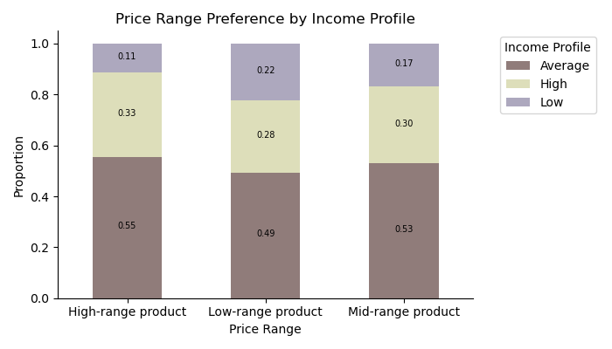
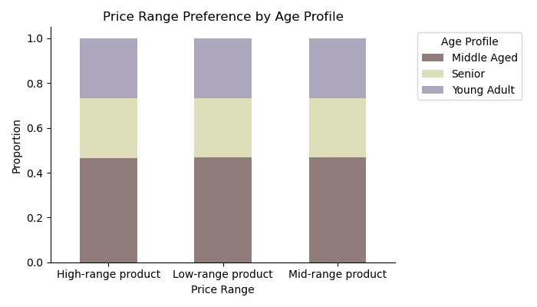
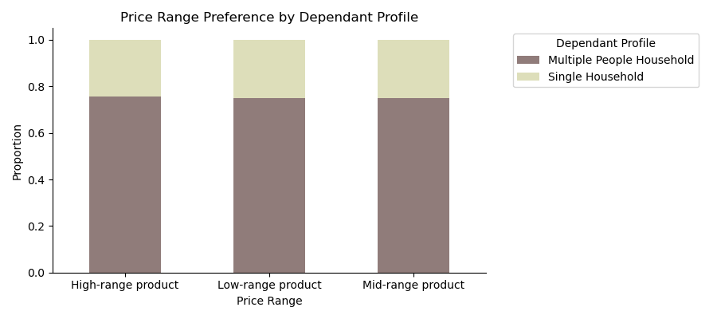

 |  |  | ORDERING FREQUENCY PREFERENCE

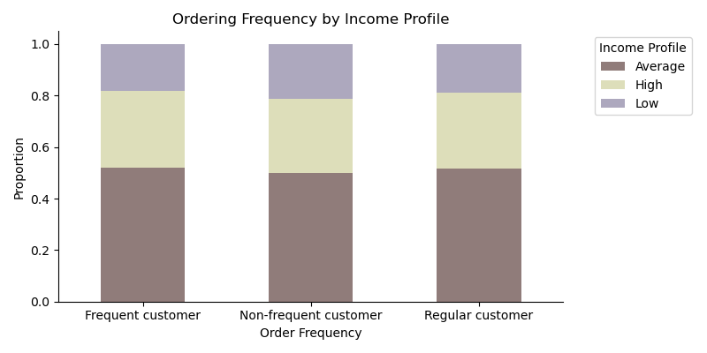
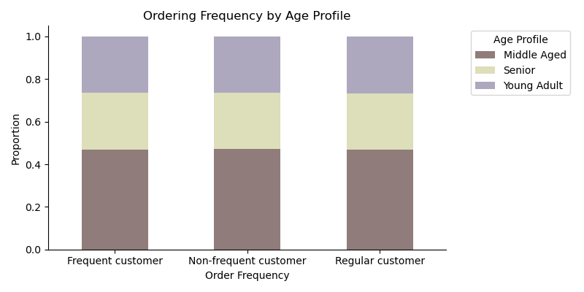
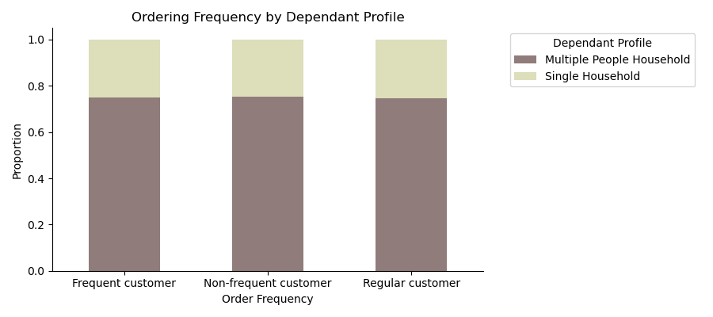

 |  |  | SPENDING HABITS BY PROFILE

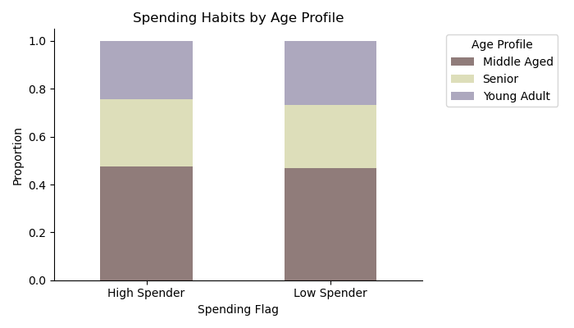
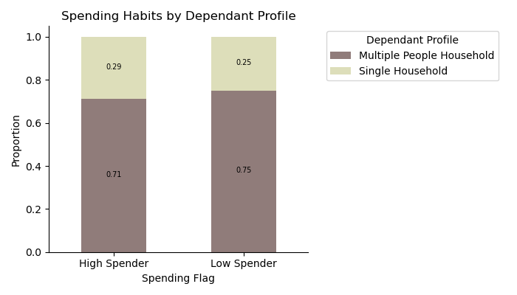
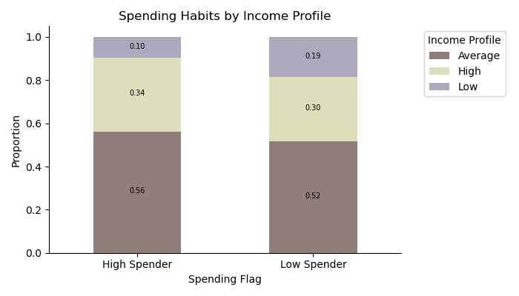

 |  |  | TIME OF DAY PREFERENCE

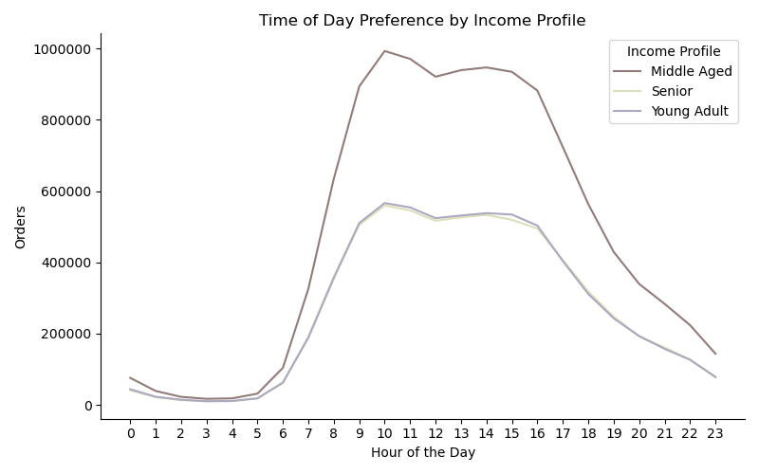
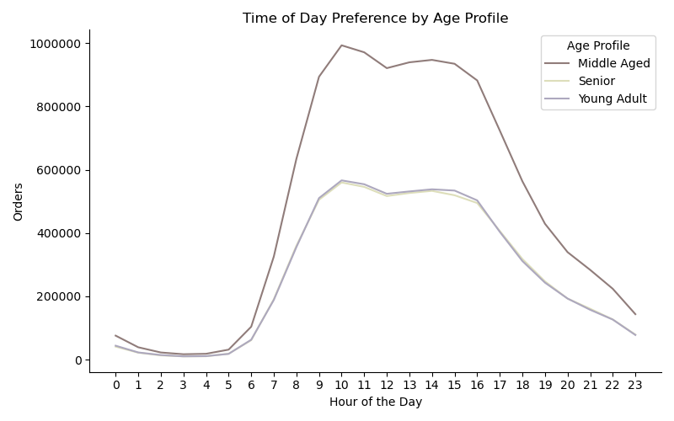
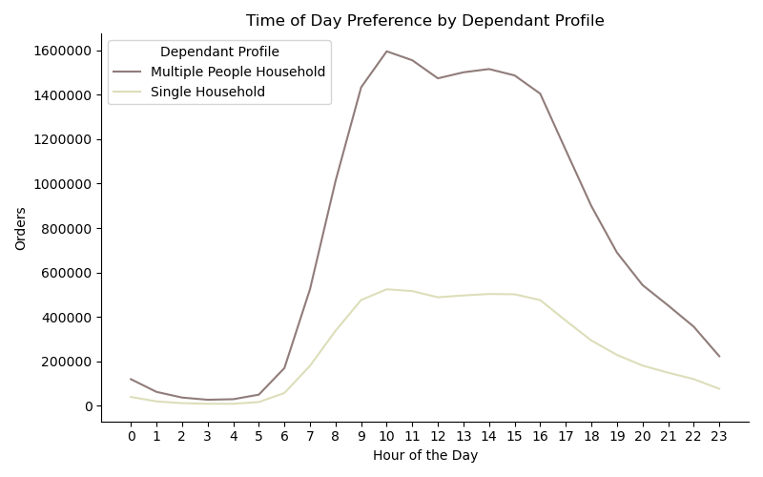

 |  |  | DAY OF WEEK PREFERENCE





BACK TO TOP

11 OTHER VIZ



Age and Income Relationship It seems that people under the age of 40 earn approximately 20,000-40,000 USD, while those above 40 reach 30,000-60,000 USD.

Age and Number of Dependants Relationship It seems there is no relationship between these two variables.

BACK TO TOP

