datas
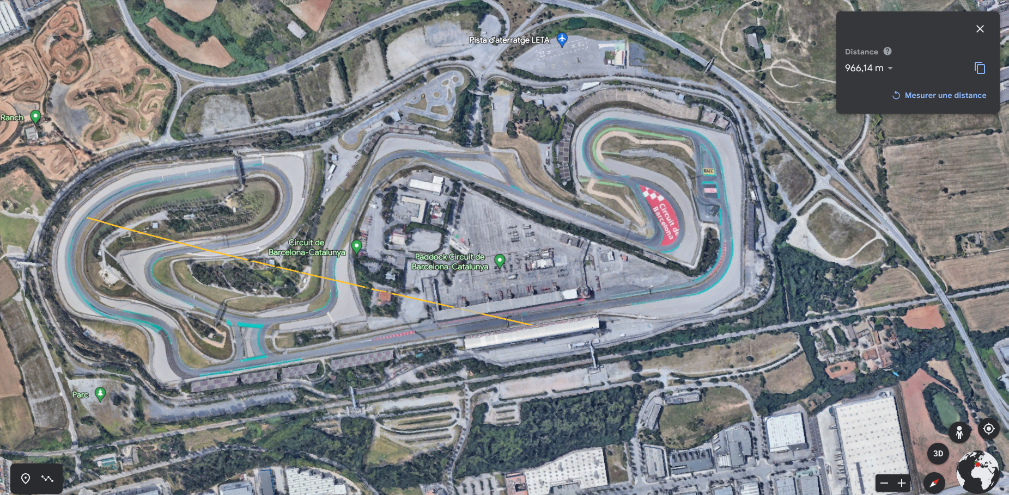

range | 1-2 | km
speed | 1200 | Bps | 9600 | bps

