Vanessa Samples at n_TOF
Selected for measurement | Vanessa sent the following material: (masses reported by her) |  |  |  | Mass measured at Old CR at n_TOF (g)
✅ | Al foil 125 um (*) |  |  |  |  | 0.1598 | Average Al foil mass | 0.1656 | g | Estimated Sm masses (subtract avg Al mass) |  |  | Estimated Al foil masses (subtracting reported Sm mass)
 | Al foil 125 um (**) |  |  |  |  | 0.1714
 | Sm-152 (#1) | 4.0 | mg |  |  | 0.1710 |  |  |  |  | 5.4 | mg |  | 0.1670 | g
✅ | Sm-152 (#2) | 3.8 | mg |  |  | 0.1749 |  |  |  |  | 9.3 | mg |  | 0.1711 | g
✅ | Sm-149 | 4.5 | mg |  |  | 0.1762 |  |  |  |  | 10.6 | mg |  | 0.1717 | g
✅ | Sm-147 (no label) | 4 | mg |  |  | 0.1753 |  |  |  |  | 9.7 | mg |  | 0.1713 | g
 | Sm-147 (#1) | 4.5 | mg |  |  | 0.1781 |  |  |  |  | 12.5 | mg |  | 0.1736 | g
 | Sm-147 (#2) | 4.2 | mg |  |  | 0.1694 |  |  |  |  | 3.8 | mg |  | 0.1652 | g
 | natSm | 4.0 | mg |  |  |  |  |  |  |  | -165.6 | mg |  | -0.0040 | g
 |  |  |  |  |  | Sm + Al foil masses
 |  |  |  |  |  | Scale precision = | 0.0001 | g

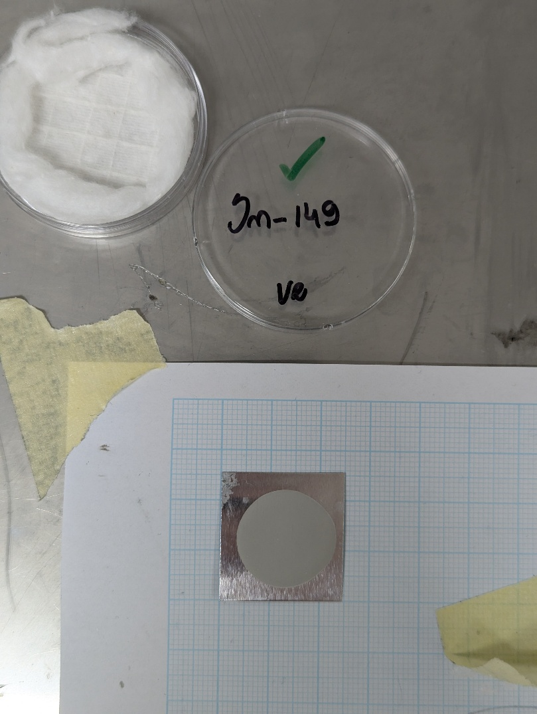
 | Measured empty Al foils dimensions |  | L1 (mm) | L2 (mm) | L3 (mm) | L4 (mm) | Selected Sm-152 |  |  |  | Selected Sm-149 |  |  |  | Selected Sm-147 | Selected natSm
 | Al foil 125 um (*) |  | 24.28 | 24.76 | 24.12 | 24.96
 | Al foil 125 um (**) |  | 24.95 | 25.59 | 25.1 | 25.62

