Hoja1
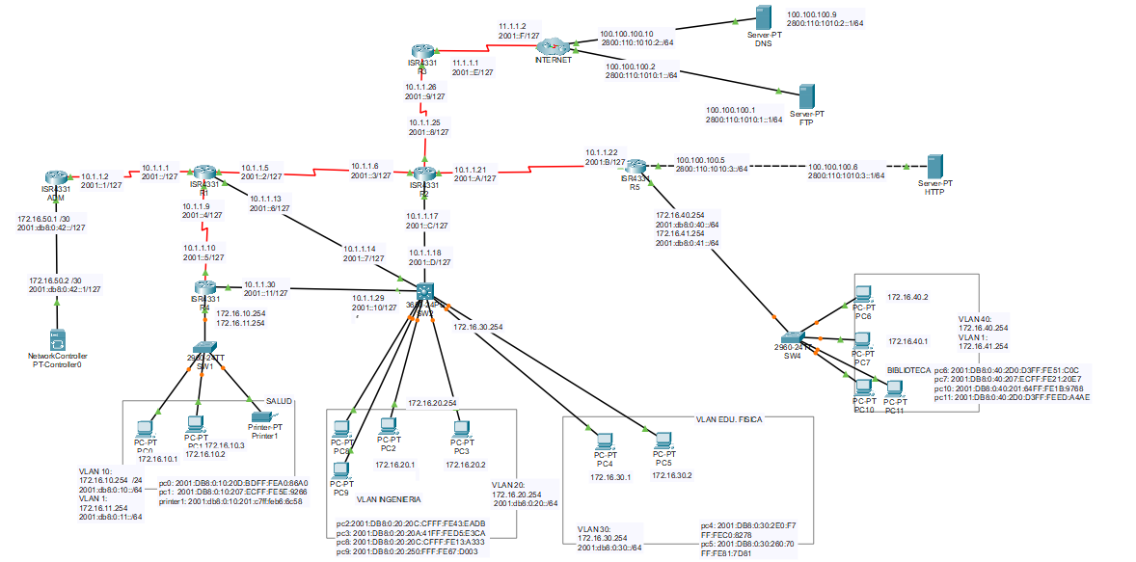
Dispositivo | Interfaz | Direccion IP | Mascara de Subred | DG | Dispositivo | Interfaz | Direccion IP | Mascara de Subred | DG |  | TOPOLOGIA
R1 | s0/1/0 | 10.1.1.1 | /30 |  | R1 | s0/1/0 | 2001:: | /127
 | s0/1/1 CLOCK | 10.1.1.5 | /30 |  |  |  | fe80:: | link-local
 | S0/2/0 | 10.1.1.9 | /30 |  |  | s0/1/1 CLOCK | 2001::2 | /127
 | g0/0/1 | 10.1.1.13 | /30 |  |  |  | FE80:: | link-local
R2 | s0/1/0 CLOCK | 10.1.1.25 | /30 |  |  | S0/2/0 | 2001::4 | /127
 |  |  |  |  |  |  | FE80:: | link-local
 | s0/1/1 | 10.1.1.6 | /30 |  |  | g0/0/1 | 2001::6 | /127
 | S0/2/0 | 10.1.1.21 | /30 |  |  |  | FE80:: | link-local
 | g0/0/1 | 10.1.1.17 | /30 |  | R2 | s0/1/0 CLOCK | 2001::8 | /127
R3 | s0/1/1 CLOCK | 11.1.1.1 | /30 |  |  |  | FE80:: | link-local
 | S 0/1/0 | 10.1.1.26 | /30 |  |  | s0/1/1 | 2001::3 | /127
ISP | S0/1/1 | 11.1.1.2 | /30 |  |  |  | FE80::1 | link-local
 | G 0/0/0 | 100.100.100.2 | /30 |  |  | S0/2/0 | 2001::A | /127
 | G 0/0/1 | 100.100.100.10 | /30 |  |  |  | FE80:: | link-local
ADM | s0/1/0 CLOCK | 10.1.1.2 | /30 |  |  | g0/0/0 | 2001::C | /127
 | g0/0/0 | 172.16.50.1 | /30 |  |  |  | FE80:: | link-local
SW2 | g1/0/24 | 10.1.1.18 | /30 |  | R3 | s0/1/1 CLOCK | 2001::E | /127
 | g1/0/23 | 10.1.1.29 | /30 |  |  |  | FE80:: | link-local
 | g1/0/22 | 10.1.1.14 | /30 |  |  | S 0/1/0 | 2001::9 | /127
 | VLAN INGENIERIA | 172.16.20.254 | /24 |  |  |  | FE80::1 | link-local
 | VLAN_EDUFISICA | 172.16.30.254 | /24 |  | ISP | S0/1/1 | 2001::4 | /127
R4 | g1/0/1.10 | 172.16.10.254 | /24 |  |  |  | FE80::1 | link-local
 | g1/0/1.1 | 172.16.11.254 | /24 |  |  | G 0/0/0 | 2800:110:1010:1:: | /64
 | g0/0/0 | 10.1.1.30 | /30 |  |  |  | FE80::1 | link-local
 | s0/1/0 CLOCK | 10.1.1.10 | /30 |  |  | G 0/0/1 | 2800:110:1010:2:: | /64
R5 | g0/0/0.40 | 172.16.40.254 | /24 |  |  |  | FE80::2 | link-local
 | g0/0/0.1 | 172.16.41.254 | /24 |  | ADM | s0/1/0 CLOCK | 2001::1 | /127
 | g0/0/1 | 100.100.100.6 | /30 |  |  |  | FE80::1 | link-local
 | s0/1/0 CLOCK | 10.1.1.22 | /30 |  |  | g0/0/0 | 2001:db8:0:42:: | /127
FTP |  | 100.100.100.1 | /30 | 100.100.100.2 |  |  | FE80::3 | link-local
HTTP |  | 100.100.100.5 | /30 | 100.100.100.6 | SW2 | g1/0/20 | 2001::D | /127
DNS |  | 100.100.100.9 | /30 | 100.100.100.10 |  |  | FE80::1 | link-local
NET. CONTR |  | 172.16.50.2 | /30 | 172.16.50.1 /30 |  | g1/0/23 | 2001::10 | /127
PC0 | VLAN_SALUD | 172.16.10.1 | /24 | 172.16.10.254 |  |  | FE80:: | link-local
PC1 | VLAN_SALUD | 172.16.10.2 | /24 | 172.16.10.254 |  | g1/0/22 | 2001::7 | /127
printer1 | VLAN_SALUD | 172.16.10.3 | /24 | 172.16.10.254 |  |  | FE80::1 | link-local
PC2 | VLAN_ING | 172.16.20.1 | /24 | 172.16.20.254 |  | VLAN INGENIERIA | 2001:db8:0:20:: | /64
PC3 | VLAN_ING | 172.16.20.2 | /24 | 172.16.20.254 |  |  | FE80:: | link-local
PC4 | VLAN_EDUFISICA | 172.16.30.1 | /24 | 172.16.30.254 |  | VLAN_EDUFISICA | 2001:db8:0:30:: | /64
PC5 | VLAN_EDUFISICA | 172.16.30.2 | /24 | 172.16.30.254 |  |  | FE80:: | link-local
PC6 | VLAN_BIBLIOTECA | 172.16.40.1 | /24 | 172.16.40.254 | R4 | g0/0/1.10 | 2001:db8:0:10:: | /64
PC7 | VLAN_BIBLIOTECA | 172.16.40.2 | /24 | 172.16.40.254 |  | g0/0/1.1 | 2001:db8:0:11:: | /64
PC8 | VLAN_ING | DHCP | - | 172.16.20.254 |  | g0/0/0 | 2001::11 | /127
PC9 | VLAN_ING | DHCP | - | 172.16.20.254 |  |  | FE80::1 | link-local
PC10 | VLAN_BIBLIOTECA | DHCP | - | 172.16.40.254 |  | s0/1/0 CLOCK | 2001::5 | /127
PC11 | VLAN_BIBLIOTECA | DHCP |  | 172.16.40.254 |  |  | FE80::1 | link-local
 |  |  |  |  | R5 | g0/0/0.40 | 2001:db8:0:40:: | /64
 |  |  |  |  |  | g0/0/0.1 | 2001:db8:0:41:: | /64
TOMAMOS EN CUENTA: |  |  |  |  |  | g0/0/1 | 2800:110:1010:3:: | /64
 | DG: ULTIMA DIR. DISPONIBLE ANTES DEL BROADCAST |  |  |  |  |  | FE80::2 | link-local
 |  |  |  |  |  | s0/1/0 CLOCK | 2001::B | /127
172.16.X.X |  | OSPF | ID |  |  |  | FE80::1 | link-local |  | link-local
172.16.10.254 | VLAN 10 | R1 | 1.1.1.1 |  | FTP |  | 2800:110:1010:1::1 | /64 | FE80::1 | FE80::
172.16.20.254 | VLAN 20 | R2 | 2.2.2.2 |  | HTTP |  | 2800:110:1010:3::1 | /64 | FE80::2 | FE80::
172.16.30.254 | VLAN 30 | R3 | 3.3.3.3 |  | DNS |  | 2800:110:1010:2::1 | /64 | FE80::2 | FE80::
172.16.40.254 | VLAN 40 | R4 | 4.4.4.4 |  | NET. CONTR |  | 2001:db8:0:42::1 | /127 | 2001:DB8:0:42:: | FE80::
172.16.50.1 /30 | ADM | R5 | 5.5.5.5 |  | PC0 | VLAN_SALUD | AUTOMATIC
172.16.50.2 /30 | NET CONT | ADM | 6.6.6.6 |  | PC1 | VLAN_SALUD
172.16.50.14/29 | VLAN 50 | SW2 | 7.7.7.7 |  | printer1 | VLAN_SALUD
 |  |  |  |  | PC2 | VLAN_ING
VLAN SWITCHES |  |  |  |  | PC3 | VLAN_ING
172.16.11.254 /24 | VLAN 1, sw1 |  |  |  | PC4 | VLAN_EDUFISICA
172.16.41.254 /24 | vlan 1, sw4 |  |  |  | PC5 | VLAN_EDUFISICA
 |  |  |  |  | IP PHONE | VLAN_EDUFISICA
 |  |  |  |  | PC6 | VLAN_BIBLIOTECA
DHCP | NOMBRE VLAN | PUERTO EXCLUIDO |  |  | PC7 | VLAN_BIBLIOTECA
VLAN 20 | DHCP_INGENIERIA | 172.16.20.254
VLAN 40 | DHCP_BIBLIOTECA | 172.16.40.254
 |  |  |  |  | VLANS |  | /64 | 2001:db8:0:10:: | SALUD
 |  |  |  |  |  |  | /64 | 2001:db8:0:11::1 | VLAN1-SW1
 |  |  |  |  |  |  | /64 | 2001:db8:0:20:: | INGENIERIA
MAIL FTP |  |  |  |  |  |  | /64 | 2001:db8:0:30:: | EDU. FISICA
 |  |  |  |  |  |  | /64 | 2001:db8:0:40:: | BIBLIOTECA
PC | MAIL | USER | CONTRA |  |  |  | /64 | 2001:db8:0:41::/64 | VLAN1-SW4
PC0 | (@unlam.com) | valentin | val123
PC2 | (@unlam.com) | alejandro | ale123
PC4 | (@unlam.com) | nelson | nel123 |  | Switch | Vlan | Nombre | Puertos Access / Trunk
PC6 | (@unlam.com) | cristian | cris123 |  | SW1 | vlan 10 | SALUD | f0/1-f0/10, untagged
 |  |  |  |  |  |  |  | g0/1, tagged
 |  |  |  |  | SW2 | VLAN 20 | INGENIERIA | f0/1-5
 |  |  |  |  |  | VLAN 30 | EDU. FISICA | f0/6-10
SSH |  |  |  |  | SW4 | VLAN 40 | BILBIOTECA | f0/1-f0/10, untagged
nombre de dominio |  |  |  |  |  |  |  | g0/1, tagged
TpGrupoSeis.com
contra: class
usuario: cisco
 |  |  |  |  | OSPF | ID
 |  |  |  |  | R1 | 1.1.1.1
network controller | "" |  |  |  | R2 | 2.2.2.2
usuario | cisco |  |  |  | R3 | 3.3.3.3
contra | class |  |  |  | R4 | 4.4.4.4
 |  |  |  |  | R5 | 5.5.5.5
 |  |  |  |  | ADM | 6.6.6.6
 |  |  |  |  | SW2 | 7.7.7.7

