Лист1
 | Chrome | FireFox | Opera | MS IE
http://www.vsevdele.com/ Главная | PASS | PASS | PASS | PASS
http://www.vsevdele.com/ Форма входа | PASS | PASS | PASS | PASS | Браузеры выбраны исходя из статистики
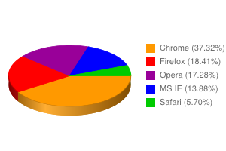
http://www.vsevdele.com/ Вход | PASS | PASS | PASS | PASS
http://www.vsevdele.com/id716/ Профиль | PASS | PASS | PASS | PASS
http://www.vsevdele.com/money/ Кошелек | PASS | PASS | PASS | PASS
http://www.vsevdele.com/messages/ Сообщения | PASS | PASS | PASS | PASS
http://www.vsevdele.com/user/ Настройки профиля | PASS | PASS | PASS | PASS
http://www.vsevdele.com/task/mine/ Собственные задания | PASS | PASS | PASS | PASS

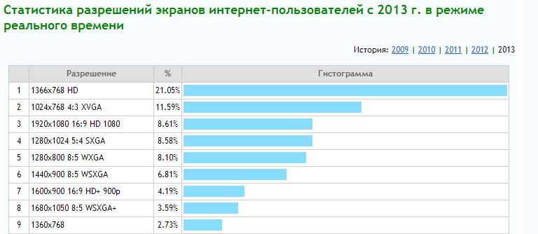
 | Во всех браузерах сайт отображается одинаково, ошибок вестки не замечено

 | Chrome | FireFox | Opera | MS IE
1366x768 HD | PASS | PASS | PASS | PASS
1024x768 4:3 XVGA | PASS | PASS | PASS | PASS
1920x1080 16:9 HD 1080 | PASS | PASS | PASS | PASS
1280x1024 5:4 SXGA | PASS | PASS | PASS | PASS
1280x800 8:5 WXGA | PASS | PASS | PASS | PASS
1440x900 8:5 WSXGA | PASS | PASS | PASS | PASS
1360x768 | PASS | PASS | PASS | PASS

