Sheet1
Sorting in Descending Order
ORDER BY hire_date DESC
Case Manipulation Functions
LOWER(last_name) | abel
UPPER(last_name) | ABEL
INITCAP(last_name) | Abel
Character Manipulation Functions
'Hello' || 'World' | HelloWorld
CONCAT('Hello', 'World') | HelloWorld
SUBSTR('HelloWorld', 1, 5) | Hello
SUBSTR('HelloWorld', 6) | World
LENGTH('HelloWorld') | 10
INSTR('HelloWorld', 'W') | 6
If the substring is not found, the number zero is returned:
INSTR(last_name, 'a') | Abel 0 Davies 2
LPAD(last_name, 10, '*') | ******Abel ****Davies
RPAD(last_name, 10, '*') | Abel****** Davies****
REPLACE('JACK and JUE', 'J', 'BL') | BLACK and BLUE
REPLACE('JACK and JUE', 'J') | ACK and UE
REPLACE(last_name, 'a', '*') | Abel D*vies De H**n
Number functions
ROUND(45.926, 2) | 45.93
TRUNC(45.926, 2) | 45.92
Working with Dates
SYSDATE | 1-Jul-15
ADD_MONTHS (SYSDATE, 12) | 1-Jul-16
LAST_DAY (SYSDATE) | 31-Jul-15
ROUND(hire_date, 'Month') | 17-Oct-1995 -> 01-Nov-1995
ROUND(hire_date, 'Year') | 17-Oct-1995 -> 01-Jan-1996
TRUNC(hire_date, 'Month') | 17-Oct-1995 -> 01-Oct-1995
TRUNC(hire_date, 'Year') | 17-Oct-1995 -> 01-Jan-1995
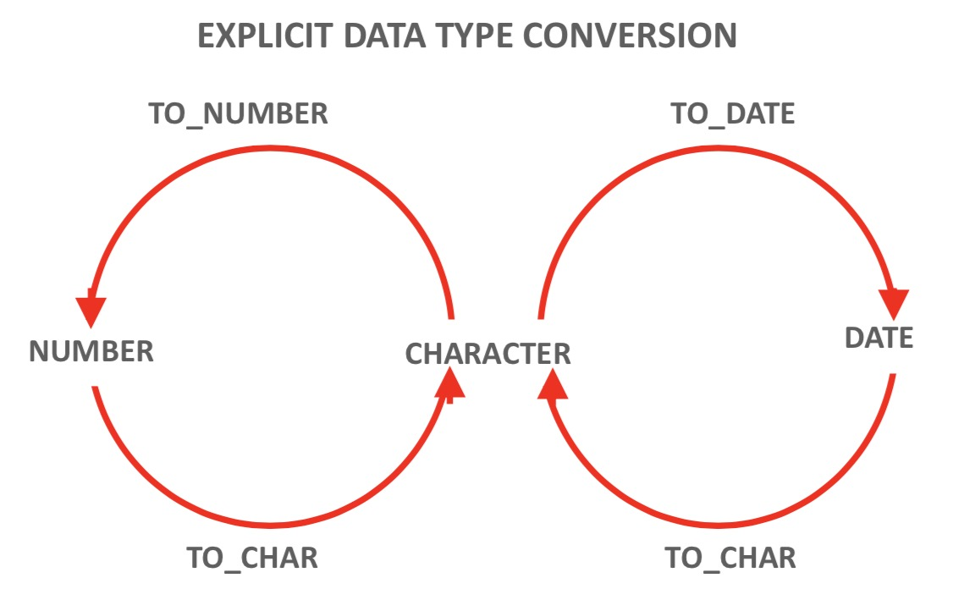

Date Conversion to Character Data
TO_CHAR(hire_date, 'Month dd, YYYY') | June 07, 1994
TO_CHAR(hire_date, 'fmMonth dd, YYYY') | June 7, 1994
TO_CHAR(hire_date, 'fmMonth ddth, YYYY') | June 7th, 1994
TO_CHAR(hire_date, 'fmDay ddth Mon, YYYY') | Tuesday 7th Jun, 1994
TO_CHAR(hire_date, 'fmDay ddthsp Mon, YYYY') | Tuesday, seventh Jun, 1994
TO_CHAR(hire_date, 'fmDay, ddthsp "of" Month, Year') | Tuesday, seventh of June, Nineteen Ninety-Four
TO_CHAR(SYSDATE, 'hh:mm') | 2:07:00
TO_CHAR(SYSDATE, 'hh:mm pm') | 2:07:00
TO_CHAR(SYSDATE, 'hh:mm:ss pm') | 2:07:23
Number Conversion to Character Data
TO_CHAR(salary, '$99,999') | $24,000
TO_CHAR(9000, '99,999.99') | 9,000.00
TO_CHAR(4500, '99,999') | 4.500
Character Conversion to Number
TO_NUMBER('5,320', '9,999') | 5320
Character Conversion to Date
TO_DATE('November 3, 2001', 'Month dd, yyyy') | 03-Nov-2001
TO_DATE('May10,1989', 'fxMonDD,YYYY') | 10-May-1989
Without fx, the Oracle Server ignores extra blanks.
TO_DATE('July312004', 'fxMonthDDYYYY') | 31-Jul-2004
Case
CASE department_id
WHEN 90 THEN 'Management'
WHEN 80 THEN 'Sales'
ELSE 'Other dept.'
END AS "Department"
Decode
DECODE(department_id,
90, 'Management',
80, 'Sales',
60, 'It',
'Other dept.')

