December
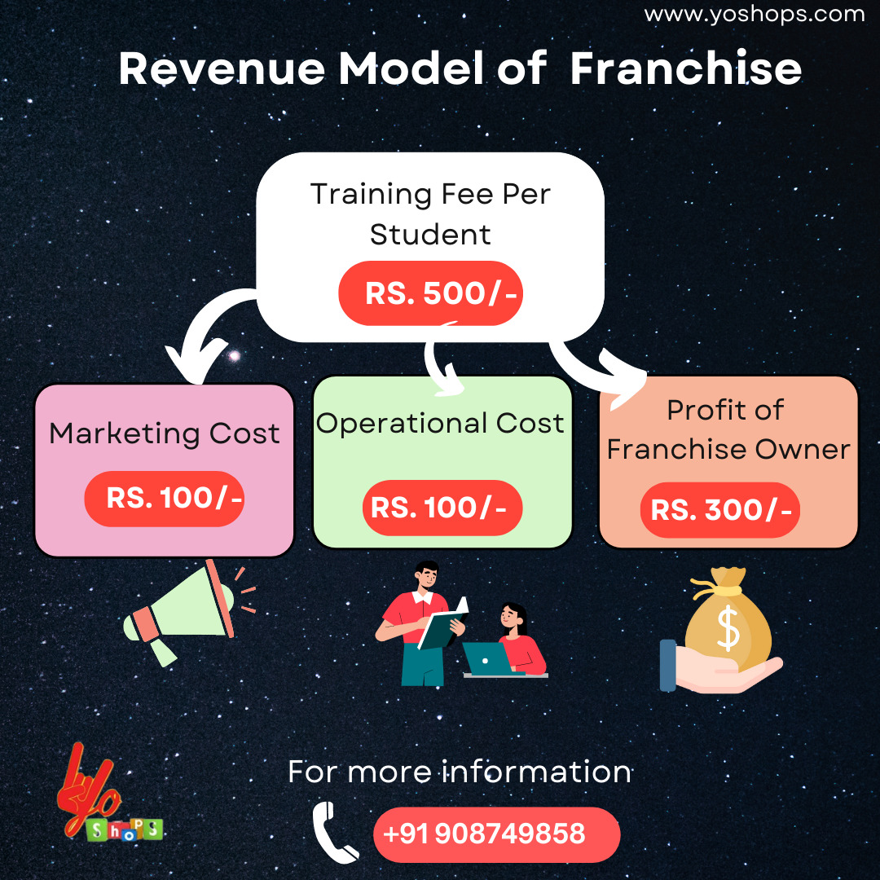
Name | Branch Team member | Department | Chennai | Sambhajinagar | Fees | Month | Student Count | Chennai | Sambhajinagar | Total
Sana Tashfeen-k | Kalyani | Data Science | ₹ 100.00 | ₹ 399.00 | ₹ 499.00 | Dec-22 | 123 | ₹ 16,295.00 | ₹ 45,082.00 | ₹ 61,377.00
Yogesh Ujjainkar-k | Kalyani | Data Science | ₹ 100.00 | ₹ 399.00 | ₹ 499.00
Aishwarya choudhari-k | Kalyani | Data Science | ₹ 100.00 | ₹ 399.00 | ₹ 499.00
Ashish Mishra-k | Kalyani | Data Science | ₹ 100.00 | ₹ 399.00 | ₹ 499.00
Vedant satav=k | Kalyani | Data Analyst | ₹ 200.00 | ₹ 299.00 | ₹ 499.00
Akansha bari-k | Kalyani | Data Science | ₹ 100.00 | ₹ 399.00 | ₹ 499.00
Devangi Bari-k | Kalyani | Data Science | ₹ 100.00 | ₹ 399.00 | ₹ 499.00
Puvvala Geethika-K | Kalyani | Data Science | ₹ 100.00 | ₹ 399.00 | ₹ 499.00
Akshay Thotange-K | Kalyani | Data Science | ₹ 100.00 | ₹ 399.00 | ₹ 499.00
Swapna Gurram-K | Kalyani | Data Science | ₹ 100.00 | ₹ 399.00 | ₹ 499.00
Sooraj R=k | Kalyani | Data Science | ₹ 200.00 | ₹ 299.00 | ₹ 499.00
Ganesh Gunjal=k | Kalyani | Data Science | ₹ 200.00 | ₹ 299.00 | ₹ 499.00
Ria Soni=K | Kalyani | Data Science | ₹ 199.00 | ₹ 300.00 | ₹ 499.00
Komal pandurang shete-k | Kalyani | Data Science | ₹ 100.00 | ₹ 399.00 | ₹ 499.00
Roshin M-k | Kalyani | Data Science | ₹ 100.00 | ₹ 399.00 | ₹ 499.00
ATUL SHARMA-k | Kalyani | Data Science | ₹ 100.00 | ₹ 399.00 | ₹ 499.00
Hariprasad Nair=k | Kalyani | Data Analyst | ₹ 199.00 | ₹ 300.00 | ₹ 499.00
Shivam Ramanuj=k | Kalyani | Data Analyst | ₹ 200.00 | ₹ 299.00 | ₹ 499.00
Aadarsh yadav=k | Kalyani | Data Analyst | ₹ 200.00 | ₹ 299.00 | ₹ 499.00
Dhruvil Panchal=k | Kalyani | Data Analyst | ₹ 200.00 | ₹ 299.00 | ₹ 499.00
Mukesh Kumar Shah-K | Kalyani | Data Science | ₹ 100.00 | ₹ 399.00 | ₹ 499.00
SUJOY ORAON=K | Kalyani | Data Science | ₹ 200.00 | ₹ 299.00 | ₹ 499.00
Ishaan Oberoi=K | Kalyani | Data Science | ₹ 200.00 | ₹ 299.00 | ₹ 499.00
Gayana Chugh=K | Kalyani | Data Science | ₹ 200.00 | ₹ 299.00 | ₹ 499.00
Ramakrishna Hegde-k | Kalyani | Data Science | ₹ 100.00 | ₹ 399.00 | ₹ 499.00
Ram Chandrakant Bachenatti-k | Kalyani | Data Science | ₹ 100.00 | ₹ 399.00 | ₹ 499.00
Vaibhav Umale-k | Kalyani | Data Science | ₹ 100.00 | ₹ 399.00 | ₹ 499.00
Mohini Kirange=k | Kalyani | Data Science | ₹ 200.00 | ₹ 299.00 | ₹ 499.00
Lipsa priyadarsinee=k | Kalyani | Data Science | ₹ 200.00 | ₹ 299.00 | ₹ 499.00
Nikhil Santosh Bari=k | Kalyani | Data Science | ₹ 200.00 | ₹ 299.00 | ₹ 499.00
Rohith Nihan Alfred-k | Kalyani | Data Science | ₹ 200.00 | ₹ 299.00 | ₹ 499.00
Chetan Kumar-k | Kalyani | Data Science | ₹ 200.00 | ₹ 299.00 | ₹ 499.00
Jetti Mattaiah-k | Kalyani | Data Science | ₹ 100.00 | ₹ 399.00 | ₹ 499.00
Dhruvesh Mehta-k | Kalyani | Data Science | ₹ 100.00 | ₹ 399.00 | ₹ 499.00
Sharad Rana-k | Kalyani | Data Science | ₹ 100.00 | ₹ 399.00 | ₹ 499.00
Davinder Singh-k | Kalyani | Data Science | ₹ 100.00 | ₹ 399.00 | ₹ 499.00
Rohit Kumar Sharma=k | Kalyani | Data Science | ₹ 100.00 | ₹ 399.00 | ₹ 499.00
Jagadisha LP=k | Kalyani | Data Science | ₹ 100.00 | ₹ 399.00 | ₹ 499.00
Surbhi gupta=k | Kalyani | Data Science | ₹ 200.00 | ₹ 299.00 | ₹ 499.00
MUTTHUKURU RABBANI AADAM=k | Kalyani | Data Science | ₹ 200.00 | ₹ 299.00 | ₹ 499.00
Shashank Kumar=k | Kalyani | Data Science | ₹ 200.00 | ₹ 299.00 | ₹ 499.00
Tejaswi Kurapati=k | Kalyani | Data Science | ₹ 200.00 | ₹ 299.00 | ₹ 499.00
Atharv Patil=k | Kalyani | Data Science | ₹ 200.00 | ₹ 299.00 | ₹ 499.00
Akshay Joshi=k | Kalyani | Data Science | ₹ 200.00 | ₹ 299.00 | ₹ 499.00
Disha Mahesh Karkera=k | Kalyani | Data Science | ₹ 200.00 | ₹ 299.00 | ₹ 499.00
Shankar Sanjay Karande=k | Kalyani | Data Science | ₹ 200.00 | ₹ 299.00 | ₹ 499.00
Rushikesh Mhamane-k | Kalyani | Data Science | ₹ 99.00 | ₹ 400.00 | ₹ 499.00
Aditya Deshmukh-k | Kalyani | Data Science | ₹ 99.00 | ₹ 400.00 | ₹ 499.00
Faizan Alam-k | Kalyani | Data Science | ₹ 100.00 | ₹ 399.00 | ₹ 499.00
Vyankat Hambarde-k | Kalyani | Data Science | ₹ 100.00 | ₹ 399.00 | ₹ 499.00
Vishal Balaji Dhumal-k | Kalyani | Data Science | ₹ 100.00 | ₹ 399.00 | ₹ 499.00
Saravana-k | Kalyani | Data Science | ₹ 100.00 | ₹ 399.00 | ₹ 499.00
Archana R Mulge-k | Kalyani | Data Science | ₹ 100.00 | ₹ 399.00 | ₹ 499.00
Manish Singh=k | Kalyani | Data Science | ₹ 200.00 | ₹ 299.00 | ₹ 499.00
SATHYA NARAYANAN R-k | Kalyani | Data Science | ₹ 100.00 | ₹ 399.00 | ₹ 499.00
Nalin Shrivastava -k | Kalyani | Data Science | ₹ 100.00 | ₹ 399.00 | ₹ 499.00
Fathima Noorudheen-k | Kalyani | Data Science | ₹ 100.00 | ₹ 399.00 | ₹ 499.00
Aman Singh Saluja=k | Kalyani | Data Science | ₹ 200.00 | ₹ 299.00 | ₹ 499.00
Kashish Sutaria-k | Kalyani | Data Science | ₹ 100.00 | ₹ 399.00 | ₹ 499.00
Gyanesh Ray-k | Kalyani | Data Science | ₹ 100.00 | ₹ 399.00 | ₹ 499.00
Sagar Digambar Wankhade-k | Kalyani | Data Science | ₹ 100.00 | ₹ 399.00 | ₹ 499.00
Meena V Prasad=k | Kalyani | Data Science | ₹ 200.00 | ₹ 299.00 | ₹ 499.00
Harsha Vardhana G-K | Kalyani | Data Science | ₹ 200.00 | ₹ 299.00 | ₹ 499.00
Madhuri Vepa-k | Kalyani | Data Science | ₹ 199.00 | ₹ 300.00 | ₹ 499.00
Gautam Wadhwani-k | Kalyani | Data Science | ₹ 100.00 | ₹ 399.00 | ₹ 499.00
Pooja chundawat=k | Kalyani | Data Science | ₹ 100.00 | ₹ 399.00 | ₹ 499.00
Aakansha Gandhi=K | Kalyani | Data Science | ₹ 100.00 | ₹ 399.00 | ₹ 499.00
N Anil Kumar-K | Kalyani | Data Science | ₹ 100.00 | ₹ 399.00 | ₹ 499.00
Samiksha Anil Hankare-K | Kalyani | Data Science | ₹ 100.00 | ₹ 399.00 | ₹ 499.00
Sakshi Singh-K | Kalyani | Data Science | ₹ 100.00 | ₹ 399.00 | ₹ 499.00
Gundumalla Sudhakar-K | Kalyani | Data Science | ₹ 100.00 | ₹ 399.00 | ₹ 499.00
Rajdeep Limbu-k | Kalyani | Data Science | ₹ 100.00 | ₹ 399.00 | ₹ 499.00
Narmada. S-k | Kalyani | Data Science | ₹ 100.00 | ₹ 399.00 | ₹ 499.00
Mayur Thakare-k | Kalyani | Data Science | ₹ 100.00 | ₹ 399.00 | ₹ 499.00
Jagrut patil-k | Kalyani | Data Science | ₹ 100.00 | ₹ 399.00 | ₹ 499.00
Parth Umesh Patil-k | Kalyani | Data Science | ₹ 100.00 | ₹ 399.00 | ₹ 499.00
Nidhi Bari | Kalyani | Data Science | ₹ 200.00 | ₹ 299.00 | ₹ 499.00
Manoranjan rout=k | Kalyani | Data Science | ₹ 200.00 | ₹ 299.00 | ₹ 499.00
Rashi Shukla=k | Kalyani | Data Science | ₹ 200.00 | ₹ 299.00 | ₹ 499.00
Vikrant Aglawe=k | Kalyani | Data Science | ₹ 200.00 | ₹ 299.00 | ₹ 499.00
Deepak Nikam=k | Kalyani | Data Science | ₹ 100.00 | ₹ 399.00 | ₹ 499.00
Rameshwar Adhikar-k | Kalyani | Data Science | ₹ 100.00 | ₹ 399.00 | ₹ 499.00
Farhat Jahan-k | Kalyani | Data Science | ₹ 100.00 | ₹ 399.00 | ₹ 499.00
Chinmay Kaluram Patil-k | Kalyani | Data Science | ₹ 100.00 | ₹ 399.00 | ₹ 499.00
Aryan Tiwari-k | Kalyani | Data Science | ₹ 100.00 | ₹ 399.00 | ₹ 499.00
Anwesha Bose-k | Kalyani | Data Science | ₹ 100.00 | ₹ 399.00 | ₹ 499.00
Mahesh Wadgaonkar-k | Kalyani | Data Science | ₹ 100.00 | ₹ 399.00 | ₹ 499.00
Jitendra Singh-k | Kalyani | Data Science | ₹ 100.00 | ₹ 399.00 | ₹ 499.00
Anjali Shivshankar Mahajan-k | Kalyani | Data Science | ₹ 100.00 | ₹ 399.00 | ₹ 499.00
Varshini surathkumar=k | Kalyani | Data Science | ₹ 200.00 | ₹ 299.00 | ₹ 499.00
Prashant Bhimarayappa Bolannavar-k | Kalyani | Data Science | ₹ 100.00 | ₹ 399.00 | ₹ 499.00
Ramki R-k | Kalyani | Data Science | ₹ 100.00 | ₹ 399.00 | ₹ 499.00
Sagar Pahariya-k | Kalyani | Data Science | ₹ 100.00 | ₹ 399.00 | ₹ 499.00
Hima K S-K | Kalyani | Data Science | ₹ 100.00 | ₹ 399.00 | ₹ 499.00
Saumya Girish-k | Kalyani | Data Science | ₹ 200.00 | ₹ 299.00 | ₹ 499.00
Bellam Konda Durga Sai-k | Kalyani | Data Science | ₹ 100.00 | ₹ 399.00 | ₹ 499.00
Aditya Kumar Yadav-k | Kalyani | Data Science | ₹ 200.00 | ₹ 299.00 | ₹ 499.00
Atharva Sawant=K | Kalyani | Data Science | ₹ 200.00 | ₹ 299.00 | ₹ 499.00
Jagrati choudhary-K | Kalyani | Data Science | ₹ 100.00 | ₹ 399.00 | ₹ 499.00
Kushal Dubey-K | Kalyani | Data Science | ₹ 100.00 | ₹ 399.00 | ₹ 499.00
Sudheesh s-K | Kalyani | Data Science | ₹ 100.00 | ₹ 399.00 | ₹ 499.00
Santosh Shabad=k | Kalyani | Data Science | ₹ 200.00 | ₹ 299.00 | ₹ 499.00
Azim Shikalgar-k | Kalyani | Data Science | ₹ 100.00 | ₹ 399.00 | ₹ 499.00
Purnangshu Nath Roy-k | Kalyani | Data Science | ₹ 100.00 | ₹ 399.00 | ₹ 499.00
Sandesh more-k | Kalyani | Data Science | ₹ 100.00 | ₹ 399.00 | ₹ 499.00
Pranav Killedar-k | Kalyani | Data Science | ₹ 100.00 | ₹ 399.00 | ₹ 499.00
Yuvraj Singh Rathore-k | Kalyani | Data Science | ₹ 100.00 | ₹ 399.00 | ₹ 499.00
BHAVANA CHABUKSWAR-K | Kalyani | Data Science | ₹ 100.00 | ₹ 399.00 | ₹ 499.00
Dipanjan-K | Kalyani | Data Science | ₹ 100.00 | ₹ 399.00 | ₹ 499.00
Deepak Santosh Pandav=K | Kalyani | Data Science | ₹ 200.00 | ₹ 299.00 | ₹ 499.00
Ruturaj Chandrakant Patil-K | Kalyani | Data Science | ₹ 100.00 | ₹ 399.00 | ₹ 499.00
Yash Khade-K | Kalyani | Data Science | ₹ 100.00 | ₹ 399.00 | ₹ 499.00
Ashwini Patil-K | Kalyani | Data Science | ₹ 100.00 | ₹ 399.00 | ₹ 499.00
Shubham Rajesh Jijore-K | Kalyani | Data Science | ₹ 100.00 | ₹ 399.00 | ₹ 499.00
Guruprasad kandgal-K | Kalyani | Data Science | ₹ 100.00 | ₹ 399.00 | ₹ 499.00
Rishabh Mahajan-K | Kalyani | Data Science | ₹ 200.00 | ₹ 299.00 | ₹ 499.00
Varshini K -k | Kalyani | Data Science | ₹ 100.00 | ₹ 399.00 | ₹ 499.00
Shreya Singh-k | Kalyani | Data Science | ₹ 100.00 | ₹ 399.00 | ₹ 499.00
Sujeet Singh Rajpoot-k | Kalyani | Data Science | ₹ 100.00 | ₹ 399.00 | ₹ 499.00
Kaligatla Sree Samhitha-K | Kalyani | Data Science | ₹ 100.00 | ₹ 399.00 | ₹ 499.00
Manuru Sai Suhas-K | Kalyani | Data Science | ₹ 100.00 | ₹ 399.00 | ₹ 499.00
Harsh Prasad-K | Kalyani | Data Science | ₹ 100.00 | ₹ 399.00 | ₹ 499.00
Princy Gurnani-K | Kalyani | Data Science | ₹ 100.00 | ₹ 399.00 | ₹ 499.00

