November
Name | Branch Team member | Department | Fees | Chennai | Sambhajinagar | Student Count | Chennai | Aurangabad | Total
Thirumurugan | Kalyani | Data Science | ₹ 499 | ₹ 100.00 | ₹ 399.00 | 103 | ₹ 15,092.00 | ₹ 36,305.00 | ₹ 51,397
Harsh Dodiya | Kalyani | Data Science | ₹ 499 | ₹ 100.00 | ₹ 399.00 | Month | Nov-22
Kunal pahuja | Kalyani | Data Science | ₹ 499 | ₹ 200.00 | ₹ 299.00
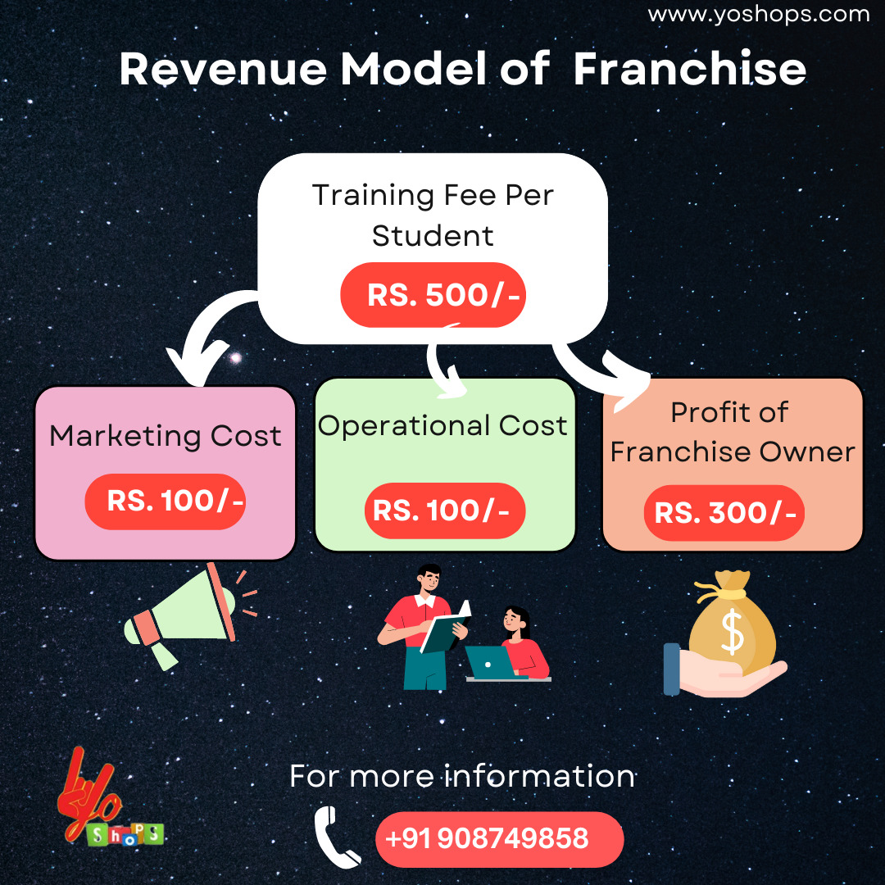
Arya Singh | Kalyani | Data Science | ₹ 499 | ₹ 100.00 | ₹ 399.00
Prashansa Shree | Kalyani | Data Science | ₹ 499 | ₹ 100.00 | ₹ 399.00
Kaushal Sambrani | Kalyani | Data Science | ₹ 499 | ₹ 200.00 | ₹ 299.00
Nisha Devi | Kalyani | Data Science | ₹ 499 | ₹ 200.00 | ₹ 299.00
Aryan | Kalyani | Data Science | ₹ 499 | ₹ 100.00 | ₹ 399.00
Abhishek | Kalyani | Data Science | ₹ 499 | ₹ 200.00 | ₹ 299.00
Heramb | Kalyani | Data Science | ₹ 499 | ₹ 100.00 | ₹ 399.00
Dhruba Jyoti Seal | Kalyani | Data Science | ₹ 499 | ₹ 100.00 | ₹ 399.00
Ritesh Kumar Tripathi | Kalyani | Data Science | ₹ 499 | ₹ 100.00 | ₹ 399.00
Khemchandra Mohankar | Kalyani | Data Science | ₹ 499 | ₹ 100.00 | ₹ 399.00
Shreyash Sevakram Mane | Kalyani | Data Science | ₹ 499 | ₹ 100.00 | ₹ 399.00
Manav Taneja | Kalyani | Data Science | ₹ 499 | ₹ 200.00 | ₹ 299.00
Atharva Shashank Madane | Kalyani | Data Science | ₹ 499 | ₹ 200.00 | ₹ 299.00
ARYAN KAUSHIK | Kalyani | Data Science | ₹ 499 | ₹ 100.00 | ₹ 399.00
Ruthwick Masidkar | Kalyani | Data Science | ₹ 499 | ₹ 100.00 | ₹ 399.00
Ankita Chowdhury | Kalyani | Data Science | ₹ 499 | ₹ 200.00 | ₹ 299.00
Santosh kumar pal | Kalyani | Data Science | ₹ 499 | ₹ 100.00 | ₹ 399.00
Prachi Bharadwaj | Kalyani | Data Science | ₹ 499 | ₹ 200.00 | ₹ 299.00
Ankit Kumar Patel | Kalyani | Data Science | ₹ 499 | ₹ 200.00 | ₹ 299.00
Amruta Birappa Khilare-k | Kalyani | Data Science | ₹ 499 | ₹ 100.00 | ₹ 399.00
G Vasumathi-k | Kalyani | Data Science | ₹ 499 | ₹ 200.00 | ₹ 299.00
Kritik sahu-k | Kalyani | Data Science | ₹ 499 | ₹ 200.00 | ₹ 299.00
Pundlik Sontakke-k | Kalyani | Data Science | ₹ 499 | ₹ 100.00 | ₹ 399.00
Badrinath Khawal-K | Kalyani | Data Science | ₹ 499 | ₹ 200.00 | ₹ 299.00
Simran-K | Kalyani | Data Science | ₹ 499 | ₹ 100.00 | ₹ 399.00
N Zeeshan Mouzam-K | Kalyani | Data Science | ₹ 499 | ₹ 100.00 | ₹ 399.00
Gungun Nilamwar-K | Kalyani | Data Science | ₹ 499 | ₹ 100.00 | ₹ 399.00
Jayaprakash Gedela-K | Kalyani | Data Science | ₹ 499 | ₹ 100.00 | ₹ 399.00
Shreya Mukkawar-k | Kalyani | Data Science | ₹ 499 | ₹ 100.00 | ₹ 399.00
Diksha Sharma-k | Kalyani | Data Science | ₹ 499 | ₹ 100.00 | ₹ 399.00
Priyanka S Prabhu-k | Kalyani | Data Science | ₹ 499 | ₹ 199.00 | ₹ 300.00
Sangram Singh-k | Kalyani | Data Science | ₹ 499 | ₹ 199.00 | ₹ 300.00
Kamal Soni-k | Kalyani | Data Science | ₹ 499 | ₹ 100.00 | ₹ 399.00
Md Hamza Khan-k | Kalyani | Data Science | ₹ 499 | ₹ 200.00 | ₹ 299.00
Sudhanshu-k | Kalyani | Data Science | ₹ 499 | ₹ 200.00 | ₹ 299.00
B Suresh Rao-k | Kalyani | Data Science | ₹ 499 | ₹ 200.00 | ₹ 299.00
Amruta Yelwande-k | Kalyani | Data Science | ₹ 499 | ₹ 200.00 | ₹ 299.00
Akash Bangar-k | Kalyani | Data Science | ₹ 499 | ₹ 100.00 | ₹ 399.00
Srijani Chakrabarti-k | Kalyani | Data Science | ₹ 499 | ₹ 100.00 | ₹ 399.00
Mohd Aaqib Sohail-k | Kalyani | Data Science | ₹ 499 | ₹ 200.00 | ₹ 299.00
Tinkal-k | Kalyani | Data Science | ₹ 499 | ₹ 100.00 | ₹ 399.00
Nireeksha R Shetty-k | Kalyani | Data Science | ₹ 499 | ₹ 100.00 | ₹ 399.00
Adhithya Mathew-k | Kalyani | Data Science | ₹ 499 | ₹ 100.00 | ₹ 399.00
Suzana Sharol-k | Kalyani | Data Science | ₹ 499 | ₹ 100.00 | ₹ 399.00
VINU VAISHAK V-k | Kalyani | Data Science | ₹ 499 | ₹ 99.00 | ₹ 400.00
Komal | Kalyani | Data Science | ₹ 499 | ₹ 99.00 | ₹ 400.00
DEDEEPYA | Kalyani | Data Science | ₹ 499 | ₹ 200.00 | ₹ 299.00
Preeti | Kalyani | Data Science | ₹ 499 | ₹ 100.00 | ₹ 399.00
MURALI | Kalyani | Data Science | ₹ 499 | ₹ 200.00 | ₹ 299.00
Prashanth | Kalyani | Data Science | ₹ 499 | ₹ 100.00 | ₹ 399.00
Mohammad Imran-k | Kalyani | Data Science | ₹ 499 | ₹ 199.00 | ₹ 300.00
Rishabh Bhandari-k | Kalyani | Data Science | ₹ 499 | ₹ 200.00 | ₹ 299.00
Anjanesh Vaidya-k | Kalyani | Data Science | ₹ 499 | ₹ 200.00 | ₹ 299.00
Uday Singh Kushwah-k | Kalyani | Data Science | ₹ 499 | ₹ 200.00 | ₹ 299.00
Muniza kamal-k | Kalyani | Data Science | ₹ 499 | ₹ 200.00 | ₹ 299.00
Md Samroj alam-k | Kalyani | Data Science | ₹ 499 | ₹ 200.00 | ₹ 299.00
MANJU MOHAN-k | Kalyani | Data Science | ₹ 499 | ₹ 100.00 | ₹ 399.00
Purna Geria-k | Kalyani | Data Science | ₹ 499 | ₹ 100.00 | ₹ 399.00
Riya-k | Kalyani | Data Science | ₹ 499 | ₹ 100.00 | ₹ 399.00
Hemant singh-k | Kalyani | Data Science | ₹ 499 | ₹ 200.00 | ₹ 299.00
Sharsh Parasar-k | Kalyani | Data Science | ₹ 499 | ₹ 200.00 | ₹ 299.00
Avanish Singh-k | Kalyani | Data Science | ₹ 499 | ₹ 200.00 | ₹ 299.00
DARSHNA PARMAR-k | Kalyani | Data Science | ₹ 499 | ₹ 100.00 | ₹ 399.00
Haritha C M-k | Kalyani | Data Science | ₹ 499 | ₹ 100.00 | ₹ 399.00
Gurukiran Yaraddi-k | Kalyani | Data Science | ₹ 499 | ₹ 100.00 | ₹ 399.00
KOMAL NAMA-k | Kalyani | Data Science | ₹ 499 | ₹ 100.00 | ₹ 399.00
Somya Agrawal-k | Kalyani | Data Science | ₹ 499 | ₹ 200.00 | ₹ 299.00
Shipra Bhardwaj-k | Kalyani | Data Science | ₹ 499 | ₹ 200.00 | ₹ 299.00
ARUNESHWAR R-k | Kalyani | Data Science | ₹ 499 | ₹ 200.00 | ₹ 299.00
Sachin Negi-k | Kalyani | Data Science | ₹ 499 | ₹ 100.00 | ₹ 399.00
Satyam Sharma-k | Kalyani | Data Science | ₹ 499 | ₹ 200.00 | ₹ 299.00
Abhishek Wagh-k | Kalyani | Data Science | ₹ 499 | ₹ 200.00 | ₹ 299.00
Shimpy Bansal-k | Kalyani | Data Science | ₹ 499 | ₹ 200.00 | ₹ 299.00
Komal Bhauso Bhintade-k | Kalyani | Data Science | ₹ 499 | ₹ 200.00 | ₹ 299.00
Kiran Patil-k | Kalyani | Data Science | ₹ 499 | ₹ 200.00 | ₹ 299.00
Younus Chilakala-k | Kalyani | Data Science | ₹ 499 | ₹ 199.00 | ₹ 300.00
Pavitra Chettri-k | Kalyani | Data Science | ₹ 499 | ₹ 199.00 | ₹ 300.00
Tanuja Suresh Bhosale-k | Kalyani | Data Science | ₹ 499 | ₹ 200.00 | ₹ 299.00
PANCHAL NIHANSHU-k | Kalyani | Data Science | ₹ 499 | ₹ 100.00 | ₹ 399.00
SWAPNILA CHAKRABARTY-k | Kalyani | Data Science | ₹ 499 | ₹ 100.00 | ₹ 399.00
PANCHAL NIHANSHU-k | Kalyani | Data Science | ₹ 499 | ₹ 100.00 | ₹ 399.00
NITHEESH BHARADWAJ-k | Kalyani | Data Science | ₹ 499 | ₹ 100.00 | ₹ 399.00
Manish Yadav-k | Kalyani | Data Science | ₹ 499 | ₹ 100.00 | ₹ 399.00
VIPIN CHANDRA NIRALA-k | Kalyani | Data Science | ₹ 499 | ₹ 200.00 | ₹ 299.00
Avantika Kureel -K | Kalyani | Data Science | ₹ 499 | ₹ 100.00 | ₹ 399.00
Ashvin Sharma-K | Kalyani | Data Science | ₹ 499 | ₹ 100.00 | ₹ 399.00
Infant Alan S-K | Kalyani | Data Science | ₹ 499 | ₹ 100.00 | ₹ 399.00
Bhagyashree Ajit More-K | Kalyani | Data Science | ₹ 499 | ₹ 100.00 | ₹ 399.00
Prince Kumar-K | Kalyani | Data Science | ₹ 499 | ₹ 100.00 | ₹ 399.00
Madhu kumar-k | Kalyani | Data Science | ₹ 499 | ₹ 100.00 | ₹ 399.00
Ishaan Kotwal-k | Kalyani | Data Science | ₹ 499 | ₹ 100.00 | ₹ 399.00
Mayur Amar Adate-k | Kalyani | Data Science | ₹ 499 | ₹ 199.00 | ₹ 300.00
Shweta Varshney-k | Kalyani | Data Science | ₹ 499 | ₹ 200.00 | ₹ 299.00
Hetkumar Siddhapura-k | Kalyani | Data Science | ₹ 499 | ₹ 200.00 | ₹ 299.00
Khushi Gupta-K | Kalyani | Data Science | ₹ 499 | ₹ 200.00 | ₹ 299.00
Komal Sharma-K | Kalyani | Data Science | ₹ 499 | ₹ 100.00 | ₹ 399.00
Roopal Vashishth-K | Kalyani | Data Science | ₹ 499 | ₹ 100.00 | ₹ 399.00
Ashish Sahu-k | Kalyani | Data Science | ₹ 499 | ₹ 200.00 | ₹ 299.00
Divya Bhendawadekar-k | Kalyani | Data Science | ₹ 499 | ₹ 200.00 | ₹ 299.00
Ben Jose Joseph-k | Kalyani | Data Science | ₹ 499 | ₹ 100.00 | ₹ 399.00

