READ-ME

JVN DesignCalc - Gearing & Motor Calculator
Release 2/14/2016

Note, this calculator is provided as a design reference ONLY.
I can NOT guarantee the performance of every specific configuration designed by a team.
Contact john.vneun@gmail.com for assistance.

Notes:
 | Drop down cells, used to choose between specifically available options. Click and choose from a list.
 | Entry cells, used to input values specific to the designer's robot. Type custom data.
Individual Motor Specs are measured by VEX Robotics on our in-house dynomometer.
Motor specs which combine CIM + Mini CIM are theoretical, actual combined numbers may vary.
If there is an option for "# of motors for gearbox" this is a multiplier of whatever you select in the input section. For instance, if you choose "1 CIM + 1 Mini CIM" and then set it to "3 motors per gearbox" that would be the equivalent of 3 CIMs and 3 Mini CIMs per gearbox. You probably want to leave this number as "1" if you're using a combined motor spec.
"Real Life" drivetrain speed is based on 81% of the free-speed. This number was experimentally measured from previous robots It is usually a "close enough" approximation.
The drivetrain calculator assumes two identical gearboxes per robot, each driving one side of a skid-steer style drivetrain.
Pushing Current Draw is based on the robot's drivetrain pushing against a stationary object, with the wheels spinning on the ground.
Pushing Current Draw is listed either per motor or listed per gearbox. If listed per gearbox: a gearbox with multiple motors will have this current evenly divided among the motors. If motors of different types are used, this balance will not be even. For example, designers will need to remember that Mini CIM motors will "take less load" than CIM motors.
Use the "External Reduction" to add additional Sprocket & Chain, Pulley & Belt, or Spur Gear Reductions -- many drivetrains utilize additional reductions between the gearbox and the wheel. Use 1:1 for no 3rd stage gearing.
Robot weight is set to 154 lbs as default, 120lb Robot + 14lb Battery + 20lb Bumpers

Release History: |  | http://www.chiefdelphi.com/media/papers/3188?
2015-12-27 | Initial 2016 Release
 | Incorporates the "tested" motor values from motors.vex.com
 | Includes drop-downs to select motors directly from gearing sheets (or you can still enter your own numbers).
 | Includes sheets for design of drivetrains using VEXpro and WCP gearboxes (with drop-down selection of gearing options)
 | Includes a sheet for articulated drives (Butterfly, Octocanum, etc) with different wheel types, and varied gearing between wheels.
 | Some sheets have been simplified for inexperienced users.
 | Sheets have been tweaked to make it easier to have "multiple iterations" on the same worksheet.

2016-01-26 | Added RS-550 Motor Data from motors.vex.com
 | Changed the Motor selection lookup formula on the "non VEXpro" sheets to better allow for multiple iterations on the same sheet
 | Added additional "All MiniCIM" motor selection options on VEXpro sheets
 | Fixed some formatting that no one else would notice but was driving me nuts
 | Added a release history

2017-02-14 | Fixed an error in the Intake mechanism sheet which applied the load based on the pulley diameter instead of radius
 | (Yes, that means I forgot to divide by 2 at some point)

VEXpro 3-CIM Ball Shifter
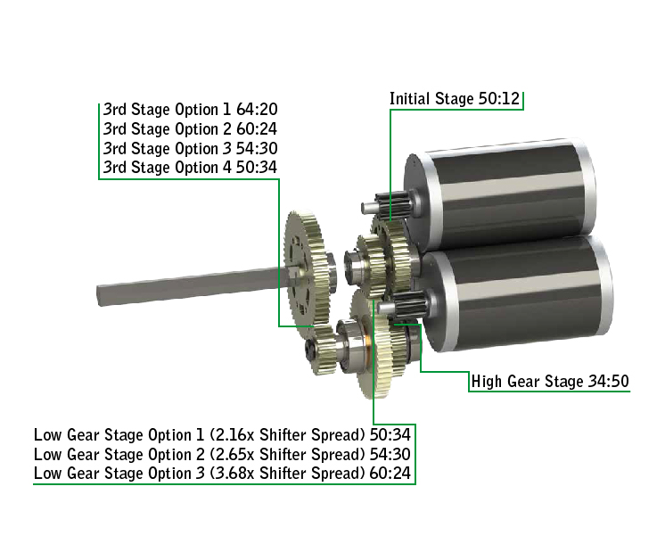
VEXpro 3-CIM Ball Shifter Drivetrain
 |  |  |  |  |  | http://www.vexrobotics.com/vexpro/motion/gearboxes/3cimballshifter.html
 | Choose Gearbox Motors: | Free Speed (RPM) | Stall Torque (N*m) | Stall Current (Amp) | Free Current (Amp)
 | 2 CIM | 5330 | 4.82 | 262 | 5.4

 |  | Wheel Dia. (in) | Wheel Coeff of Friction | Total Robot Weight (lbs) | Weight on Driven Wheels
 |  | 4 | 1.1 | 154 | 100%

 | Select VEXpro Gearbox Options:

 | Choose Motor Pinions: | Standard 12-tooth Pinion [50:12]
 | Choose Low Gear Option: | Low Gear Option 1 (2.16x Shifter Spread) [50:34]
 | Choose 3rd Stage Gearing: | 3rd Stage Option 1 [64:20]

 |  | Driving Gear | Driven Gear
 | External Reduction: | 1 | 1

 | Drivetrain Outputs:
 |  | Drivetrain Free-Speed | Drivetrain "Real Life" Speed | "Pushing" Current Draw per Gearbox | Overal Ratio
 | High Gear Outputs: | 10.26 ft/s | 8.31 ft/s | 130.27 Amps | 9.07 : 1
 | Low Gear Outputs | 4.74 ft/s | 3.84 ft/s | 63.14 Amps | 19.61 : 1

 | Chosen Gearing Config:
 |  | Driving Gear | Driven Gear
 | Initial Gearing Stage: | 12 | 50
 | High Gear Stage: | 50 | 34
 | Low Gear Stage: | 34 | 50
 | 3rd Gearbox Stage: | 20 | 64
 | External Stage: | 1 | 1
 | High-Low Spread: | 2.16 x

VEXpro 2-CIM Ball Shifter
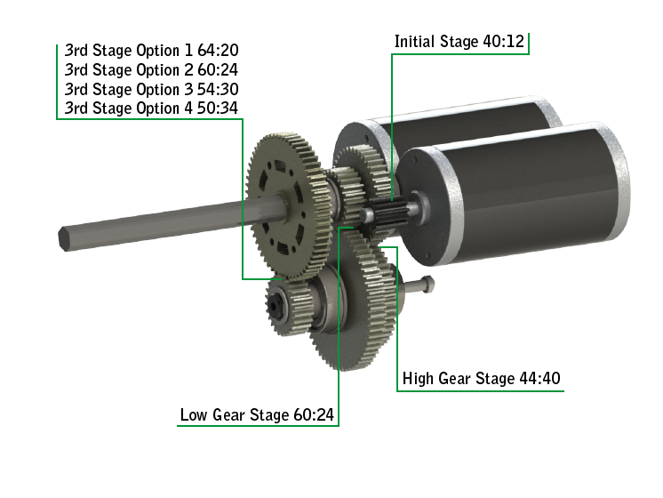
VEXpro 2-CIM Ball Shifter Drivetrain
 |  |  |  |  |  | http://www.vexrobotics.com/vexpro/motion/gearboxes/ball-shifter.html
 | Choose Gearbox Motors: | Free Speed (RPM) | Stall Torque (N*m) | Stall Current (Amp) | Free Current (Amp)
 | 2 CIM | 5330 | 4.82 | 262 | 5.4

 |  | Wheel Dia. (in) | Wheel Coeff of Friction | Total Robot Weight (lbs) | Weight on Driven Wheels
 |  | 6 | 1 | 154 | 100%

 | Select VEXpro Gearbox Options:

 | Choose Motor Pinions: | Optional 11-tooth Pinion [40:11]
 | Choose 3rd Stage Gearing: | 3rd Stage Option 2 [54:30]

 |  | Driving Gear | Driven Gear
 | External Reduction: | 1 | 1

 | Drivetrain Outputs:
 |  | Drivetrain Free-Speed | Drivetrain "Real Life" Speed | "Pushing" Current Draw per Gearbox | Overal Ratio
 | High Gear Outputs: | 19.38 ft/s | 15.70 ft/s | 219.82 Amps | 7.20 : 1
 | Low Gear Outputs | 8.53 ft/s | 6.91 ft/s | 99.75 Amps | 16.36 : 1

 | Chosen Gearing Config:
 |  | Driving Gear | Driven Gear
 | Initial Gearing Stage: | 11 | 40
 | High Gear Stage: | 40 | 44
 | Low Gear Stage: | 24 | 60
 | 3rd Gearbox Stage: | 30 | 54
 | External Stage: | 1 | 1
 | High-Low Spread: | 2.27 x

WCP DS
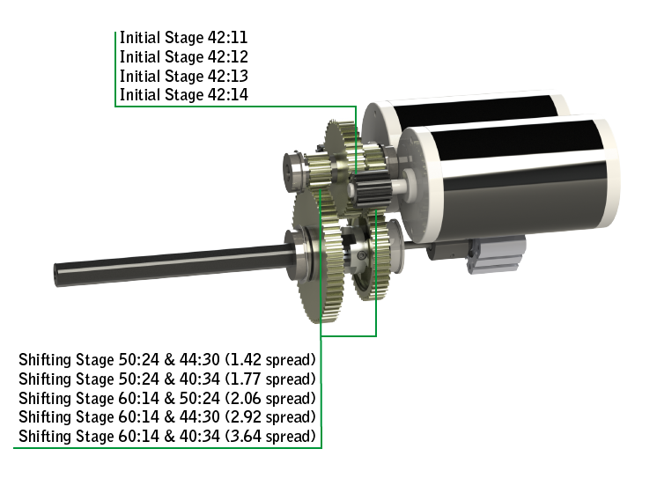
WCP DS Gearbox Drivetrain
 |  |  |  |  |  | http://www.vexrobotics.com/vexpro/motion/gearboxes/wcp-ds.html
 | Choose Gearbox Motors: | Free Speed (RPM) | Stall Torque (N*m) | Stall Current (Amp) | Free Current (Amp)
 | 3 CIM | 5330 | 7.23 | 393 | 8.1

 |  | Wheel Dia. (in) | Wheel Coeff of Friction | Total Robot Weight (lbs) | Weight on Driven Wheels
 |  | 4 | 1.1 | 154 | 100%

 | Select WCP DS Gearbox Options:

 | Choose Initial Reduction: | 12:42
 | Choose Low Gear Option: | 24:50
 | Choose High Gear Option: | 30:44

 |  | Driving Gear | Driven Gear
 | External Reduction: | 1 | 1

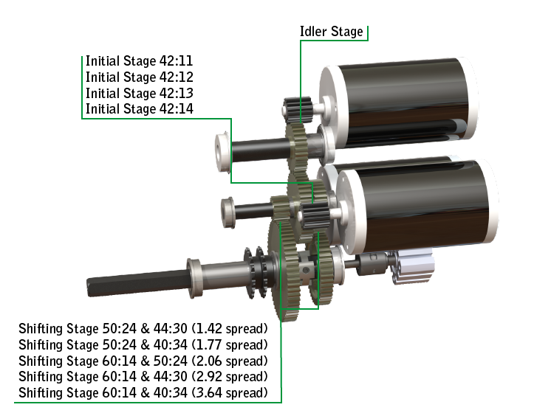
 | Drivetrain Outputs:
 |  | Drivetrain Free-Speed | Drivetrain "Real Life" Speed | "Pushing" Current Draw per Gearbox | Overal Ratio
 | High Gear Outputs: | 18.12 ft/s | 14.68 ft/s | 228.65 Amps | 5.13 : 1
 | Low Gear Outputs | 12.76 ft/s | 10.33 ft/s | 163.37 Amps | 7.29 : 1

 | Chosen Gearing Config:
 |  | Driving Gear | Driven Gear
 | Initial Gearing Stage: | 12 | 42
 | Low Gear Stage: | 24 | 50
 | High Gear Stage: | 30 | 44
 | External Stage: | 1 | 1
 | High-Low Spread: | 1.42 x

VEXpro SS,DR
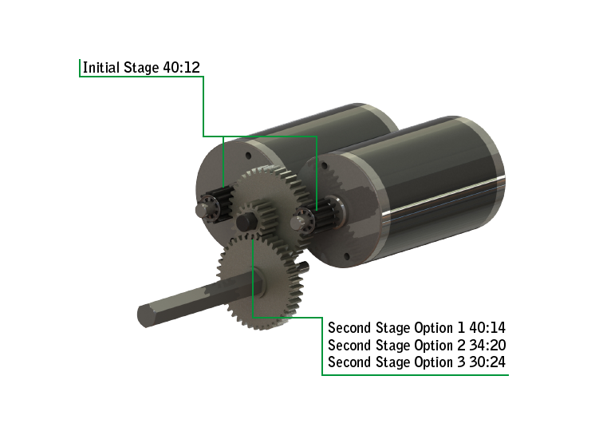
VEXpro Single Speed, Double Reduction Drivetrain
 |  |  |  |  |  | http://www.vexrobotics.com/vexpro/motion/gearboxes/single-speed-double-reduction.html
 | Choose Gearbox Motors: | Free Speed (RPM) | Stall Torque (N*m) | Stall Current (Amp) | Free Current (Amp)
 | 2 CIM | 5330 | 4.82 | 262 | 5.4

 |  | Wheel Dia. (in) | Wheel Coeff of Friction | Total Robot Weight (lbs) | Weight on Driven Wheels
 |  | 4 | 1.1 | 154 | 100%

 | Select VEXpro Gearbox Options:

 | Choose Motor Pinions: | Standard 12-tooth Pinion [40:12]
 | Choose 2nd Stage Gearing: | Standard 2nd Stage [40:14]

 |  | Driving Gear | Driven Gear
 | Additional External Reduction: | 1 | 1

 | Drivetrain Outputs:
 |  | Drivetrain Free-Speed | Drivetrain "Real Life" Speed | "Pushing" Current Draw per Gearbox | Overal Ratio
 |  | 9.77 ft/s | 7.91 ft/s | 124.27 Amps | 9.52 : 1

 | Chosen Gearing Config:
 |  | Driving Gear | Driven Gear
 | Initial Gearing Stage: | 12 | 40
 | 2nd Gearbox Stage: | 14 | 40
 | External Stage: | 1 | 1

WCP SS
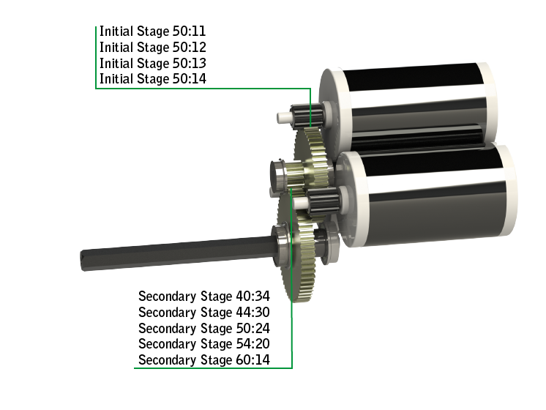
WCP SS Gearbox Drivetrain
 |  |  |  |  |  | http://www.vexrobotics.com/vexpro/motion/gearboxes/wcp-ss.html
 | Choose Gearbox Motors: | Free Speed (RPM) | Stall Torque (N*m) | Stall Current (Amp) | Free Current (Amp)
 | 3 CIM | 5330 | 7.23 | 393 | 8.1

 |  | Wheel Dia. (in) | Wheel Coeff of Friction | Total Robot Weight (lbs) | Weight on Driven Wheels
 |  | 4 | 1.1 | 154 | 100%

 | Select VEXpro Gearbox Options:

 | Choose Motor Pinions: | 11-tooth Pinion [50:11]
 | Choose 2nd Stage Gearing: | 2nd Stage Option 1 [40:34]

 |  | Driving Gear | Driven Gear
 | Additional External Reduction: | 1 | 1

 | Drivetrain Outputs:
 |  | Drivetrain Free-Speed | Drivetrain "Real Life" Speed | "Pushing" Current Draw per Gearbox | Overal Ratio
 |  | 17.40 ft/s | 14.09 ft/s | 219.81 Amps | 5.35 : 1

 | Chosen Gearing Config:
 |  | Driving Gear | Driven Gear
 | Initial Gearing Stage: | 11 | 50
 | 2nd Gearbox Stage: | 34 | 40
 | External Stage: | 1 | 1

