Table 2
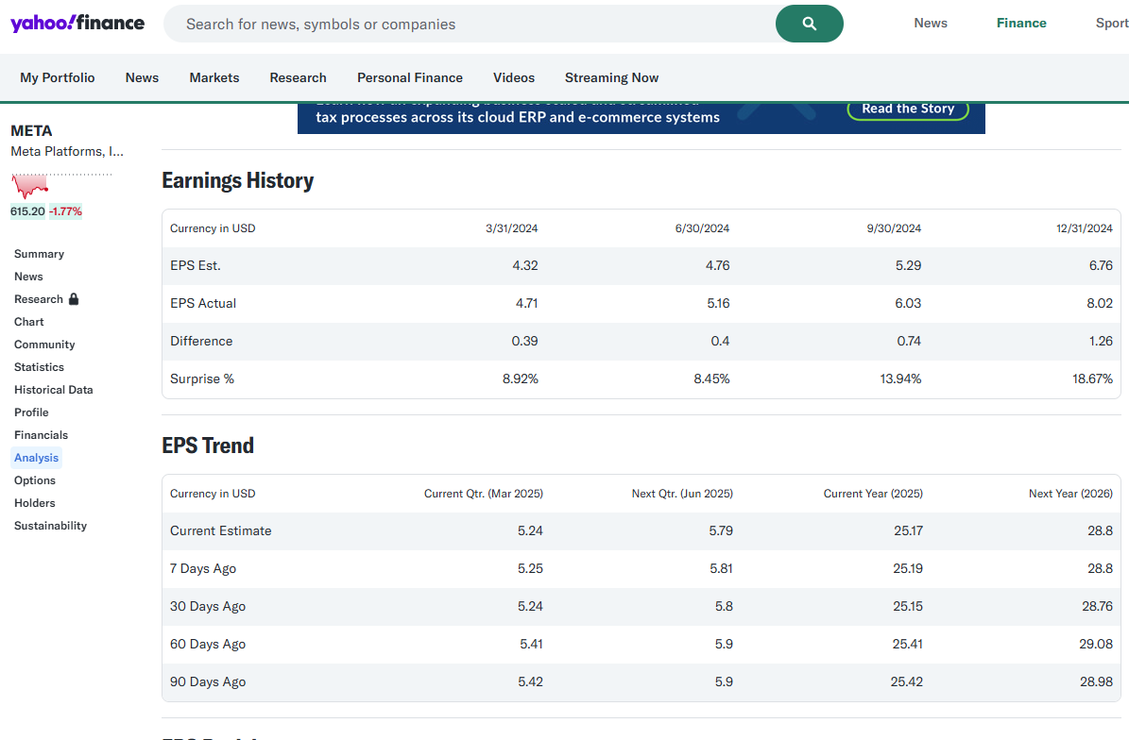
Ticker | Curr Qtr Curr | Curr Qtr 7 | Curr Qtr 30 | Curr Qtr 60 | Curr Qtr 90 | Next Qtr Curr | Next Qtr 7 | Next Qtr 30 | Next Qtr 60 | Next Qtr 90 | Curr Yr Curr | Curr Yr 7 | Curr Yr 30 | Curr Yr 60 | Curr Yr 90 | Next Yr Curr | Next Yr 7 | Next Yr 30 | Next Yr 60 | Next Yr 90
META | 5.24 | 5.25 | 5.24 | 5.41 | 5.9 | 5.79 | 5.81 | 5.8 | 5.83 | 5.91 | 25.17 | 25.19 | 25.15 | 25.41 | 25.41 | 28.8 | 28.8 | 28.76 | 29.08 | 29.08
AAPL | 1.62 | 1.61 | 1.61 | 1.61 | 1.62 | 1.47 | 1.46 | 1.49 | 1.5 | 1.52 | 6.29 | 6.28 | 6.27 | 6.3 | 6.31 | 7.4 | 7.39 | 7.38 | 7.41 | 7.42

