INPUTS
INPUTS

CROSS_BEAM_DATUM = |  |  | -1909.8 | mm | (CROSS_BEAM_VERTICAL_DATUM defined in Aircraft Z-AXIS) | Source = A321_XLR_DBD
CARGO_FLOOR_DATUM = |  |  | -1897.5 | mm | (CARGO_FLOOR_DATUM_DATUM defined in Aircraft Z-AXIS) | Source = A321_XLR_cDMU
OBD_STRUT_TOP_DATUM = |  |  | 350 | mm | (OBD_STRUT_TOP_DATUM defined in Aircraft Y-AXIS) | Source = A321_XLR_cDMU | SYM = TRUE
OBD_STRUT_BTM_DATUM = |  |  | 385 | mm | (OBD_STRUT_BTM_DATUM defined in Aircraft Y-AXIS) | Source = A321_XLR_cDMU | SYM = TRUE
MID_STRUT_TOP_DATUM = |  |  | 0 | mm | (MID_STRUT_TOP_DATUM defined in Aircraft Y-AXIS) | Source = A321_XLR_cDMU | SYM = TRUE
MID_STRUT_BTM_DATUM = |  |  | 112.4 | mm | (MID_STRUT_BTM_DATUM defined in Aircraft Y-AXIS) | Source = A321_XLR_cDMU | SYM = TRUE

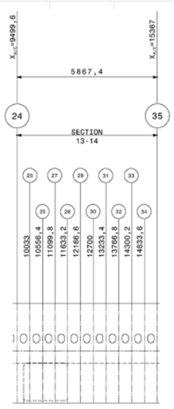
CARGO_FLOOR Coordinates at each FRAME DATUM ~ SA_XLR_cDMU
 | X (mm) | Y (mm) | Z (mm)
C24 | 9499.6 | 715 | -1897.5
C25 | 10033 | 715 | -1897.5
C26 | 10556.4 | 715 | -1897.5
C27 | 11099.8 | 715 | -1897.5
C28 | 11633.2 | 715 | -1897.5
C29 | 12166.6 | 715 | -1897.5
C30 | 12700 | 715 | -1897.5
C31 | 13233.4 | 715 | -1897.5
C32 | 13766.8 | 715 | -1897.5
C33 | 14300.2 | 715 | -1897.5
C34 | 14833.6 | 715 | -1897.5
C35 | 15367 | 715 | -1897.5

