VALIDATION
CATIA Mass Properties (FLOOR and REMAINDER):-
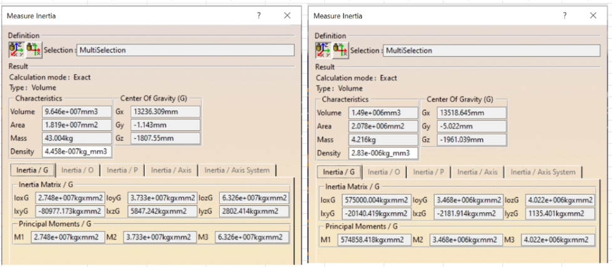

 |  |  |  |  |  |  |  |  |  |  |  | 47301

 | Parallel Axis Theorem to combine the FLOOR and REMAINDER mass properties from CATIA:-

 | PART | M (kg) | X (mm) | MX (kg.mm) | Y (mm) | MY (kg.mm) | Z (mm) | MZ (kg.mm) | Ixx | Iyy | Izz | Ixy | Ixz | Iyz | IXX | IYY | IZZ | IXY | IXZ | IYZ
 | FLOOR | 43.004 | 13237 | 569244 | -1 | -47 | -1808 | -77751 | 27.48 | 37.33 | 63.26 | -0.081 | 0.006 | 0.003 | 27.488 | 37.365 | 63.287 | -0.081 | 0.006 | 0.003
 | REMAINDER | 4.216 | 13519 | 56996 | -5 | -21 | -1961 | -8268 | 0.575 | 3.468 | 4.022 | -0.02 | -0.002 | 0.001 | 0.657 | 3.828 | 4.3 | -0.026 | -0.168 | 0.003
 | TOTAL | 47.22 | 13262 | 626240 | -1 | -68 | -1822 | -86019 |  |  |  |  |  |  | 28.145 | 41.193 | 67.587 | -0.107 | -0.162 | 0.006

PROBOT mass properties:-

 | Comparison:-

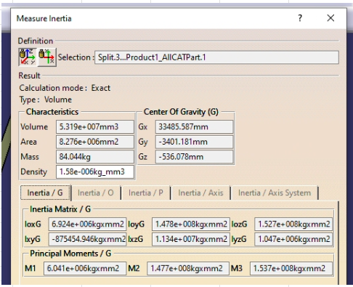
 |  | CATIA | PROBOT | %DIFF
 | Mass (kg) | 47.22 | 47.222 | 0
 | X (mm) | 13262 | 13258 | 0
 | Y (mm) | -1 | 0 | -100
 | Z (mm) | -1822 | -1811 | -0.6
 | IXX (kg.m2) | 28.145 | 30.527 | 8.5 | R
 | IYY(kg.m2) | 41.193 | 41.416 | 0.5 | P
 | IZZ(kg.m2) | 67.587 | 70.087 | 3.7 | Y
 | IXY (kg.m2) | -0.107 | 0 | -100
 | IXZ (kg.m2) | -0.162 | 0.169 | -204.3
 | IYZ (kg.m2) | 0.006 | 0 | -100

