BTM_PANEL
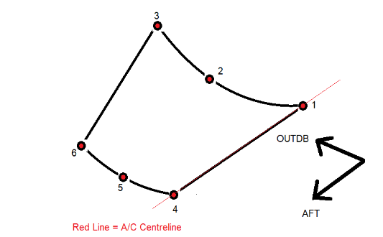
 | BOTTOM PANEL PRIMITIVES GEOMETRY - all units in mm |  |  |  |  | All mass values in Grammes |  | SYM | TRUE

 | CPL | Mass | X1 | Y1 | Z1 | X2 | Y2 | Z2 | X3 | Y3 | Z3 | X4 | Y4 | Z4 | X5 | Y5 | Z5 | X6 | Y6 | Z6 | Th1 | Th2 | Area (mm^2) | Volume (mm^3)
FWD BTM PNL | 1 | 3826 | 19634.2 | 0.0 | -2166.0 | 19634.2 | -449.6 | -2112.8 | 19634.2 | -877.4 | -1954.5 | 20384.2 | 0.0 | -2166.0 | 20384.2 | -151.1 | -2160.1 | 20384.2 | -301.3 | -2142.3 | 3.0 | 3.0 | 450667 | 1352000
MID PNL | 2 | 9620 | 20384.2 | 0.0 | -2166.0 | 20384.2 | -151.1 | -2160.1 | 20384.2 | -301.3 | -2142.3 | 22631.4 | 0.0 | -2166.0 | 22631.4 | -151.1 | -2160.1 | 22631.4 | -301.3 | -2142.3 | 5.0 | 5.0 | 679879 | 3399395
 | 3 | 5324 | 22631.4 | 0.0 | -2166.0 | 22631.4 | -151.1 | -2160.1 | 22631.4 | -301.3 | -2142.3 | 24186.0 | 0.0 | -2166.0 | 24186.0 | -151.1 | -2160.1 | 24186.0 | -301.3 | -2142.3 | 4.0 | 4.0 | 470337 | 1881348
AFT BTM PNL | 4 | 3505 | 24186.0 | 0.0 | -2166.0 | 24186.0 | -151.1 | -2160.1 | 24186.0 | -301.3 | -2142.3 | 24887.9 | 0.0 | -2166.0 | 24887.9 | -201.3 | -2155.4 | 24887.9 | -400.4 | -2123.9 | 5.0 | 5.0 | 247703 | 1238515
 | 5 | 1603 | 24887.9 | 0.0 | -2166.0 | 24887.9 | -201.3 | -2155.4 | 24887.9 | -400.4 | -2123.9 | 25128.6 | 0.0 | -2166.0 | 25128.6 | -268.0 | -2147.3 | 25128.6 | -530.9 | -2091.4 | 5.0 | 5.0 | 113254 | 566270
 | 6 | 1855 | 25128.6 | 0.0 | -2166.0 | 25128.6 | -268.0 | -2147.3 | 25128.6 | -530.9 | -2091.4 | 25299.8 | 0.0 | -2166.0 | 25299.8 | -498.5 | -2100.4 | 25299.8 | -963.0 | -1908.0 | 5.0 | 5.0 | 131083 | 655415
 | 7 | 4692 | 25299.8 | 0.0 | -2166.0 | 25299.8 | -498.5 | -2100.4 | 25299.8 | -963.0 | -1908.0 | 25628.6 | 0.0 | -2166.0 | 25628.6 | -498.5 | -2100.4 | 25628.6 | -963.0 | -1908.0 | 5.0 | 5.0 | 331582 | 1657910

