TestSheet2
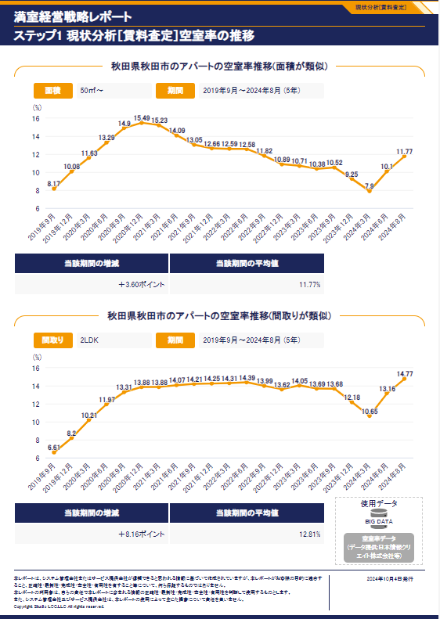
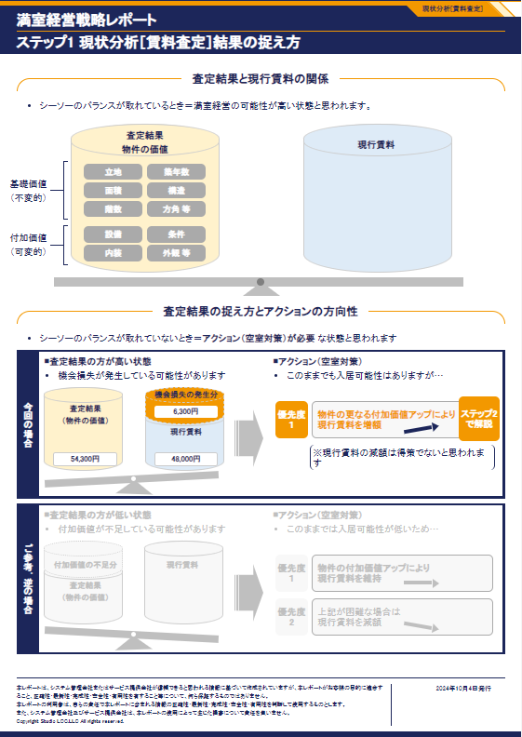
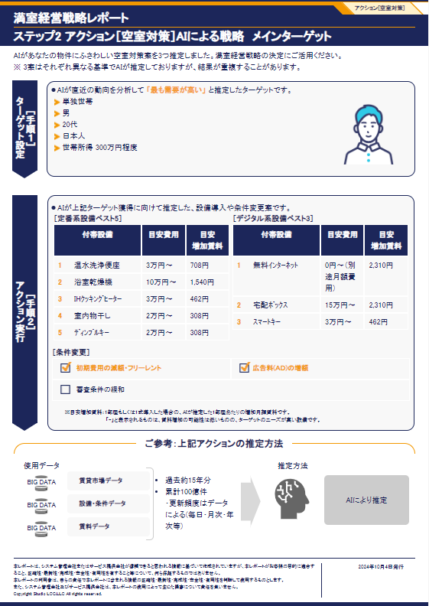
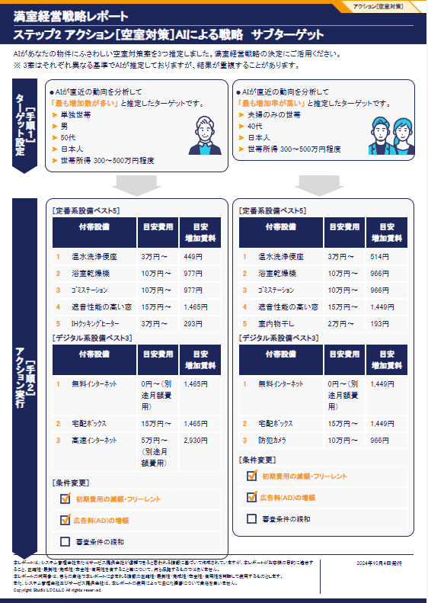
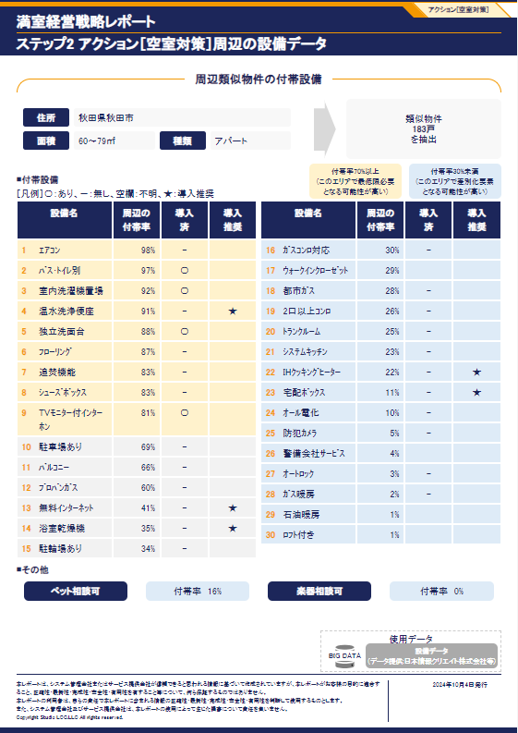
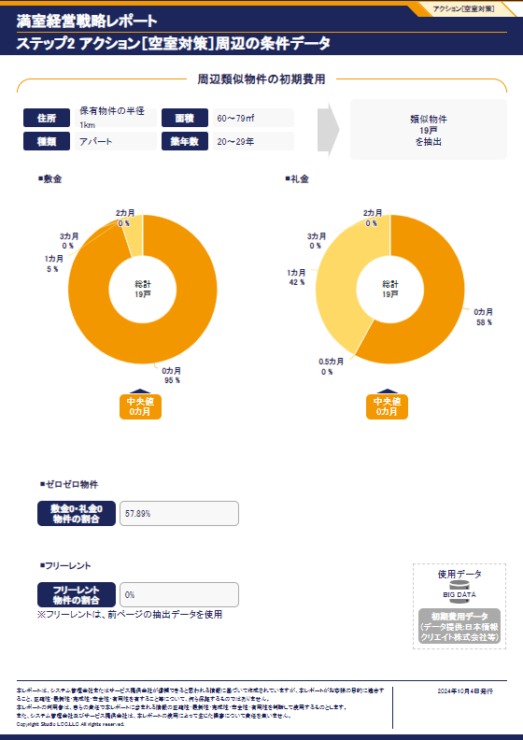
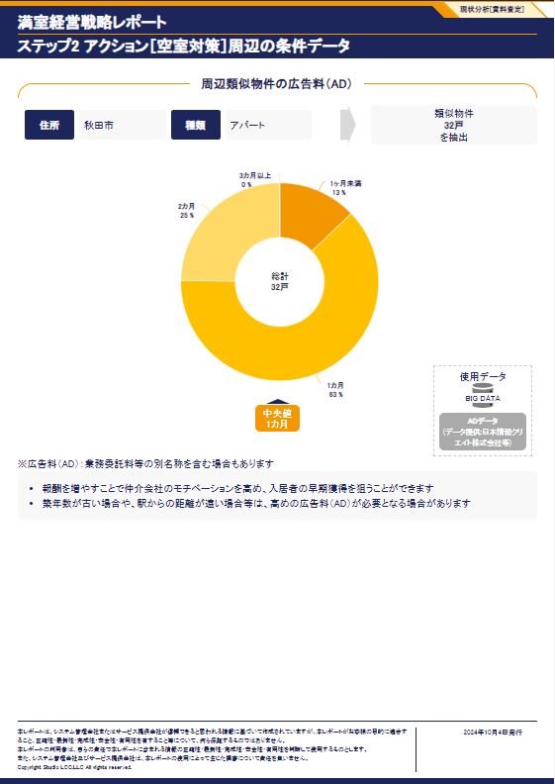
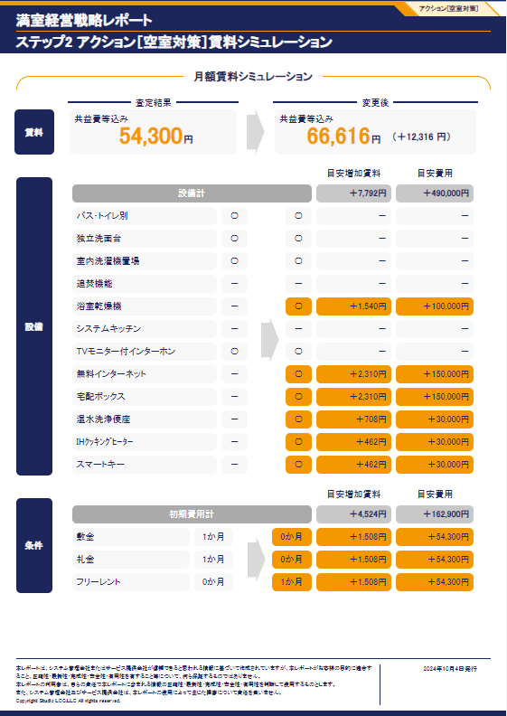
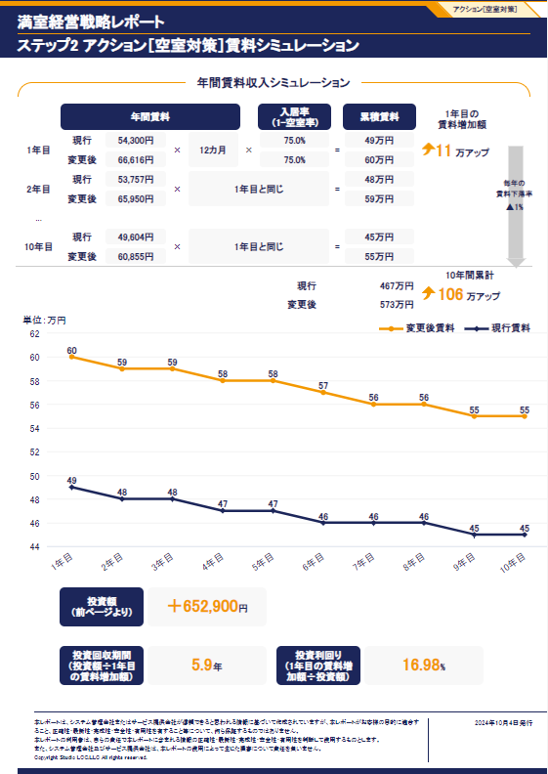
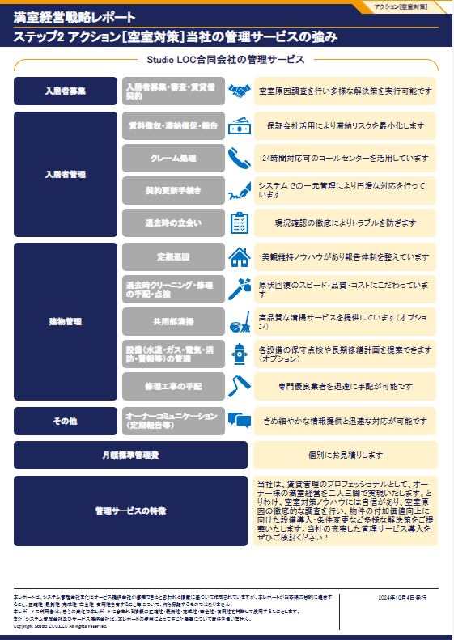
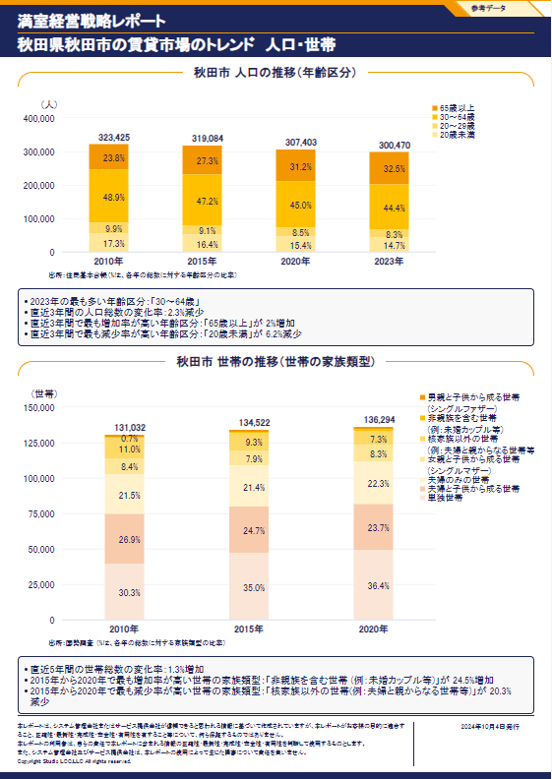
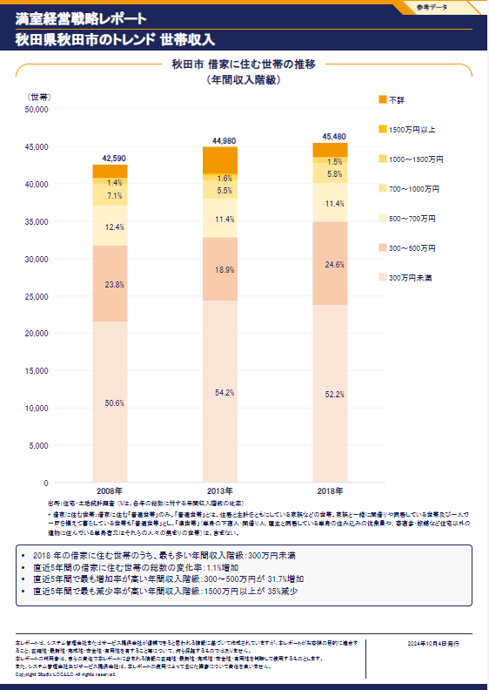
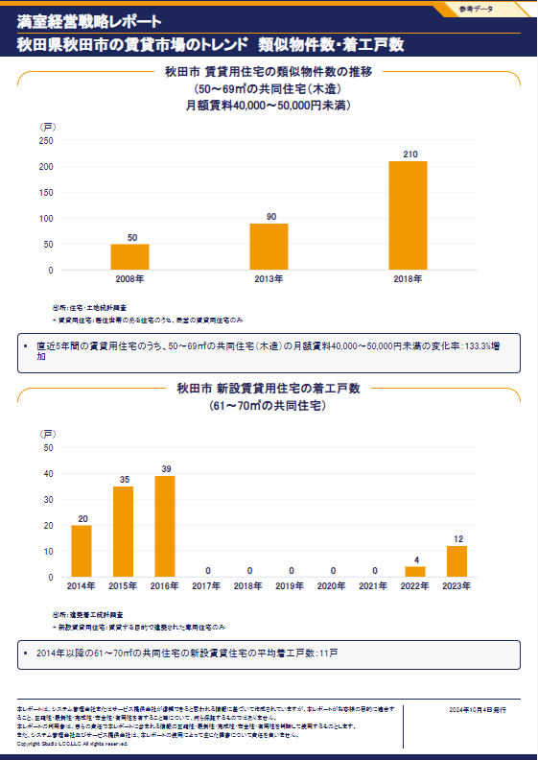
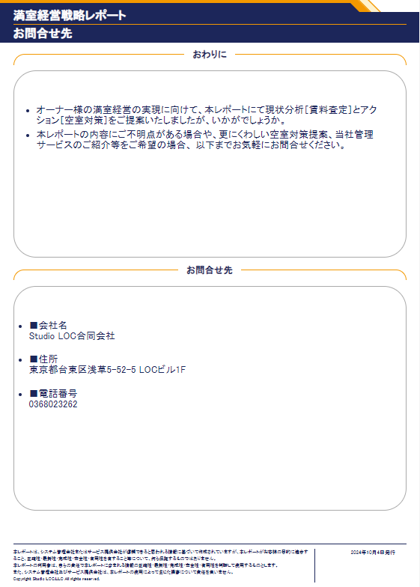
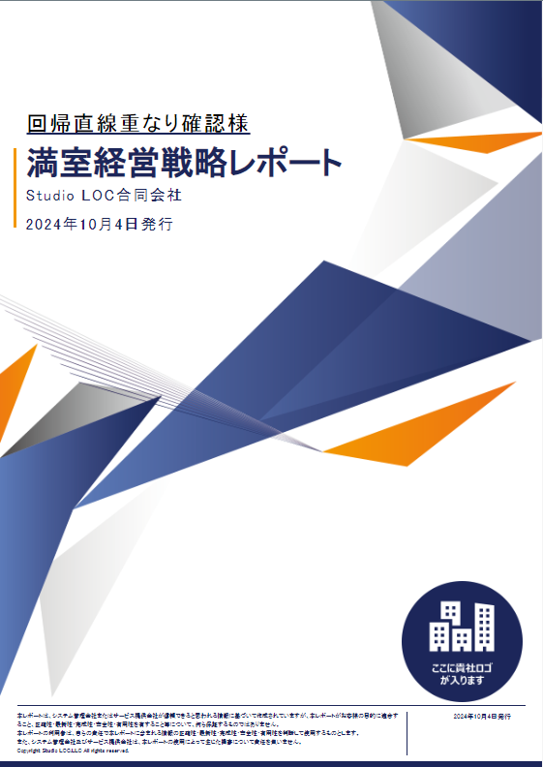
No | Items test | Type Item | Method/Event | Value expected | Value actual | Test results
1 | #cover-owner-name | Text | Equal comparison | 回帰直線重なり確認様
2 | #cover-title | Text | Equal comparison | 満室経営戦略レポート
3 | #cover-company-name | Text | Equal comparison | Studio LOC合同会社1
4 | #cover-report-creation-date | Text | Equal comparison | 2024年10月4日発行
1
5 | #request-target-property-color-address | Text | Equal comparison | 秋田県秋田市楢山太田町８－３１ ビューラーロックヒル
6 | #request-target-property-color-structure-type | Text | Equal comparison | アパート1
2
7 | #request-target-property-color-material-type | Text | Container comparison | 木造
8 | #request-target-property-color-construction-year | Text | Equal comparison | 1996年（築28年）
3
9 | #request-target-property-color-number-of-unit | Text | Equal comparison | 2戸
10 | #request-target-property-color-floor | Text | Equal comparison | 1階/2階建て
4
11 | #request-target-property-color-size-per-unit | Text | Number comparison | 62.39㎡
12 | #request-target-property-color-house-layout | Text | Equal comparison | 2LDK
13 | #request-target-property-color-current-rent | Text | Number comparison | 48,000 円
14 | #request-target-property-color-current-rent-per-meter | Text | Container comparison | （769 円／㎡）
15 | #rent-price-summery-price | Text | Number comparison | 54300
16 | #rent-price-summery-price-per-meter | Text | Equal comparison | （870 円／㎡）
17 | #rent-price-summery-price-per-tsubo | Text | Equal comparison | （2,877 円／坪）
18 | #rent-price-summery-messages | Text | Container comparison | 現行賃料に比べて、賃料査定結果が「＋6,300円」高くなっています（詳細後述）。
19 | #_SummerReport-vacancy-measures-title | Text | Equal comparison | 物件の更なる付加価値アップにより現行賃料を増額
20 | #_SummerReport-vacancy-measures-comment | Text | Container comparison | 上記ターゲット獲得に向け、以下の付加価値アップのアクションをご検討ください（詳細後述）。 設備導入： 「温水洗浄便座」 「無料ｲﾝﾀｰﾈｯﾄ」、 等 条件変更： 「初期費用の減額・フリーレント」 、 「広告料(AD)の増額」
21 | #_Rent_Assessment_AssessmentResultsByAI_RentPrice-price-value | Text | Number comparison | 54,300
22 | #_Rent_Assessment_AssessmentResultsByAI_RentPrice-price-per-meter | Text | Equal comparison | （870 円／㎡）
23 | #_Rent_Assessment_AssessmentResultsByAI_RentPrice-price-per-tsubo | Text | Equal comparison | （2,877 円／坪）
24 | #_Rent_Assessment_AssessmentResultsByAI-current-rent-price | Text | Number comparison | 49,600 円
25 | #_Rent_Assessment_AssessmentResultsByAI-total-factor | Text | Number comparison | ＋4,700 円
26 | #_Facilities-private-facility-name-1 | Text | Container comparison | バス・トイレ別
27 | #_Facilities-private-facility-factor-1 | Text | Number comparison | ＋2,000円
28 | #_Facilities-private-facility-name-2 | Text | Equal comparison | 室内洗濯機置場
29 | #_Facilities-private-facility-factor-2 | Text | Number comparison | ＋1,300円
30 | #_Facilities-private-facility-name-3 | Text | Equal comparison | 追焚機能
31 | #_Facilities-private-facility-factor-3 | Text | Equal comparison | －
32 | #_Facilities-private-facility-name-4 | Text | Equal comparison | 浴室乾燥機
33 | #_Facilities-private-facility-name-5 | Text | Equal comparison | 無料インターネット
34 | #_Facilities-private-facility-name-6 | Text | Equal comparison | 独立洗面台
35 | #_Facilities-private-facility-factor-6 | Text | Equal comparison | ＋1,000円
36 | #_Facilities-private-facility-name-7 | Text | Equal comparison | システムキッチン
37 | #_Facilities-private-facility-name-8 | Text | Equal comparison | TVモニター付インターホン
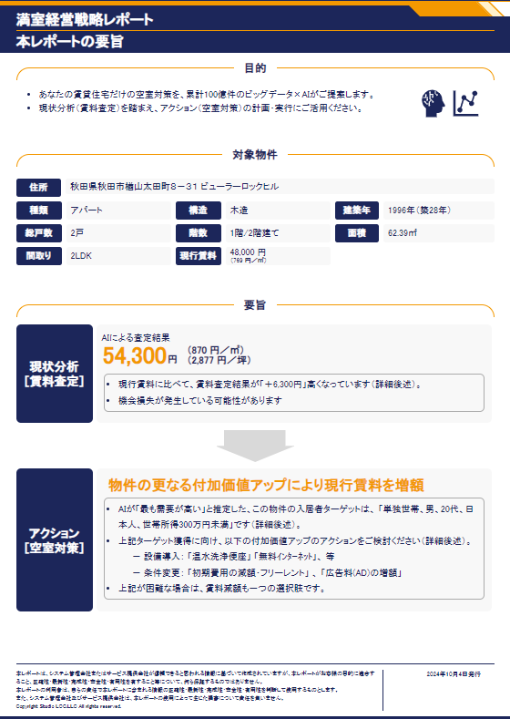
38 | #_Facilities-private-facility-factor-8 | Text | Equal comparison | ＋400円
39 | #_Facilities-common-facility-name-1 | Text | Equal comparison | オートロック
40 | #_Facilities-common-facility-name-2 | Text | Equal comparison | バルコニー
41 | #_Facilities-common-facility-name-3 | Text | Equal comparison | 宅配ボックス
42 | #_Facilities-common-facility-name-4 | Text | Equal comparison | エレベーター
43 | #_Facilities-floorup-name-1 | Text | Equal comparison | 1階
44 | #_Facilities-floorup-value-1 | Text | Equal comparison | 〇
45 | #_Facilities-floorup-factor-1 | Text | Number comparison | 0円
46 | #_Facilities-house-position-name-1 | Text | Equal comparison | 南向き
5
47 | #_Facilities-house-position-name-2 | Text | Equal comparison | 角部屋
6
8
48 | #_CalculatioAssessment-reference-information | Text | Container comparison | 過去約15年分 累計100億件 毎週更新
7
49 | #_Rent_Assessment_AssessmentCaseCorrectionMethod_RentPrice-price-value | Text | Number comparison | 57786
9
10
11
50 | #_Rent_Assessment_AssessmentCaseCorrectionMethod_RentPrice-price-per-meter | Text | Equal comparison | （926 円／㎡）
13
51 | #_Rent_Assessment_AssessmentCaseCorrectionMethod_RentPrice-price-per-tsubo | Text | Equal comparison | （3,062 円／坪）
12
52 | #_CalculatioAssessmentRentPriceAI-reference-information | Text | Container comparison | 過去約2年分 毎日更新 募集があったすべての物件
14
53 | #_CalculatioAssessmentRentPriceAI-points-to-note | Text | Container comparison | 成約賃料データは使用していないため、実際の成約賃料は、 上記結果より若干低くなる場合があります。
54 | #_Adjustment_Amount-total-rent-map-extract | Text | Equal comparison | 以下3つの要素から周辺物件19戸を抽出
15
16
55 | #_Adjustment_Amount-range | Text | Equal comparison | 周辺1km圏内
56 | #_Adjustment_Amount-building-type-filter | Text | Equal comparison | アパート
17
57 | #_Adjustment_Amount-occupied-area-filter | Text | Equal comparison | 60～79㎡
58 | #_Adjustment_Amount-building-range-old-filter | Text | Equal comparison | 20～29年
18
59 | #_Adjustment_Amount-total-rent-map-extract-with-information-owner | Text | Equal comparison | ①の周辺物件19戸が保有物件と同じ条件 （62.39㎡・築28年 ）と仮定して 以下のように補正
60 | #_Adjustment_Amount-occupied-area-forecast | Text | Number comparison | 1,270円
61 | #_Adjustment_Amount-reference-information-rent-distribution | Text | Equal comparison | ②の結果、 周辺物件 19戸の 補正後賃料の分布 が 右のとおり作成され、 この中央値が査定結果
62 | #_Adjustment_Amount-rent-min-1 | Text | Number comparison | 63,877円
19
63 | #_Adjustment_Amount-number-of-houses-1 | Text | Number comparison | 2
64 | #_Adjustment_Amount-rent-min-2 | Text | Number comparison | 59,816円
65 | #_Adjustment_Amount-rent-max-2 | Text | Number comparison | 63,877円
66 | #_Adjustment_Amount-number-of-houses-2 | Text | Number comparison | 1
67 | #_Adjustment_Amount-rent-min-3 | Text | Number comparison | 55,756円
20
68 | #_Adjustment_Amount-rent-max-3 | Text | Number comparison | 59,816円
69 | #_Adjustment_Amount-rent-min-4 | Text | Number comparison | 51,696円
70 | #_Adjustment_Amount-rent-max-4 | Text | Number comparison | 55,756円
71 | #_Adjustment_Amount-number-of-houses-4 | Text | Number comparison | 6
72 | #_Adjustment_Amount-rent-max-5 | Text | Number comparison | 51,696円
73 | #_Scatter_Plot_Chart_Surrounding-title | Text | Equal comparison | 散布図（面積×賃料）
74 | #_Scatter_Plot_Chart_Surrounding_ChartRentComparisonConditionItem-RadiusOfProperty | Text | Equal comparison | 保有物件の半径1km
75 | #_Scatter_Plot_Chart_Surrounding_ChartRentComparisonConditionItem-BuidingOldType | Text | Equal comparison | 20～29年
76 | #_Scatter_Plot_Chart_Surrounding_ChartRentComparisonConditionItem-HomeType | Text | Equal comparison | アパート
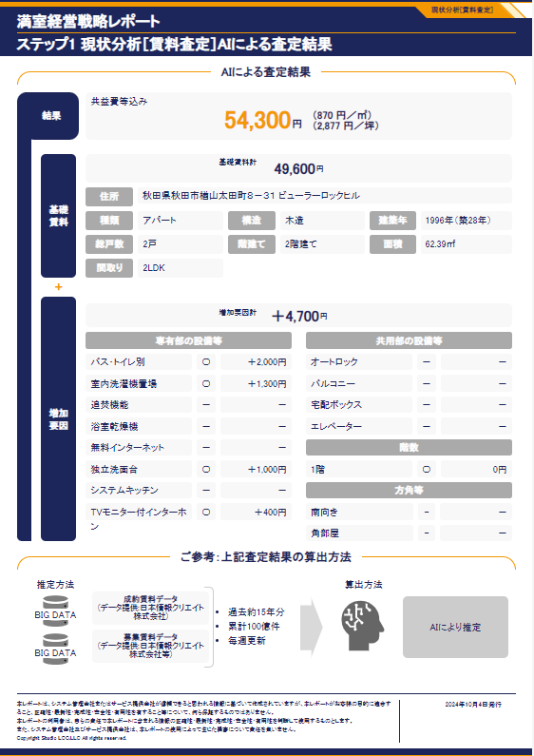
77 | #_Scatter_Plot_Chart_Surrounding_ChartRentComparisonConditionItem-WalkFromStation | Text | Equal comparison | －（指定せず）
78 | #_Scatter_Plot_Chart_Surrounding_ChartRentComparisonConditionItem-Area | Text | Equal comparison | 60～79㎡
79 | #_Scatter_Plot_Chart_Surrounding_ChartRentComparisonConditionItem-HouseLayout | Text | Equal comparison | －（指定せず）
80 | #_Scatter_Plot_Chart_Surrounding_ChartRentComparisonCondition--note | Text | Equal comparison | 類似物件 19戸を抽出 ※過去2年間に募集があったすべての物件
21
81 | #_Map_Surrounding_ChartRentComparisonCondition--note | Text | Equal comparison | 類似物件19戸を抽出し、 うち15戸掲載 ※タイトルが異なるデータのみ表示 ※過去2年間に募集があったすべての物件
22
82 | #_Rent_Assessment_DetailsNearPropertiesPage_ChartRentComparisonCondition--note | Text | Equal comparison | 類似物件19戸を抽出し、 うち15戸掲載 ※タイトルが異なるデータのみ表示 ※過去2年間に募集があったすべての物件
23
83 | #_Rent_Assessment_Rent_Comparison_ChartRentComparisonCondition-Age-note | Text | Equal comparison | 類似物件 19戸 を抽出
84 | #_Rent_Assessment_Rent_Comparison_ChartRentComparisonCondition-HouseLayout-note | Text | Equal comparison | 類似物件 6戸 を抽出
24
85 | #_Rent_Assessment_ChangesContractedRents-RentMunicipal1-area | Text | Number comparison | 50㎡～​
25
86 | #_Rent_Assessment_ChangesContractedRents-RentMunicipal1-year | Text | Equal comparison | 2019年9月～2024年8月 (5年)
87 | #_Rent_Assessment_ChangesContractedRents-RentMunicipal1-title | Text | Equal comparison | 秋田県秋田市のアパートの成約賃料推移(面積が類似)
88 | #_Rent_Assessment_ChangesContractedRents-RentMunicipal1-average-change | Text | Number comparison | 55,670円
89 | #_Rent_Assessment_ChangesContractedRents-RentMunicipal1-percent-change | Text | Equal comparison | ＋0.34%
90 | #_Rent_Assessment_ChangesContractedRents-RentPrefecture1-title | Text | Equal comparison | 秋田県秋田市のアパートの成約賃料推移(間取りが類似)
91 | #_Rent_Assessment_ChangesContractedRents-RentPrefecture1-house-layout | Text | Equal comparison | 2LDK
92 | #_Rent_Assessment_ChangesContractedRents-RentPrefecture1-year | Text | Equal comparison | 2019年9月～2024年8月 (5年)
93 | #_Rent_Assessment_ChangesContractedRents-RentPrefecture1-percent-change | Text | Equal comparison | ▲3.72%
27
39
94 | #_Rent_Assessment_ChangesContractedRents-RentPrefecture1-average-change | Text | Number comparison | 55,952円
26
29
40
95 | #_Rent_Assessment_ChangesContractedRents-RateMunicipal2-title | Text | Equal comparison | 秋田県秋田市のアパートの空室率推移(面積が類似)
28
96 | #_Rent_Assessment_ChangesContractedRents-RateMunicipal2-area | Text | Equal comparison | 50㎡～
31
41
97 | #_Rent_Assessment_ChangesContractedRents-RateMunicipal2-year | Text | Equal comparison | 2019年9月～2024年8月 (5年)
30
98 | #_Rent_Assessment_ChangesContractedRents-RateMunicipal2-percent-change | Text | Equal comparison | ＋3.60ポイント
32
42
99 | #_Rent_Assessment_ChangesContractedRents-RateMunicipal2-average-change | Text | Equal comparison | 11.77%
33
35
44
45
100 | #_Rent_Assessment_ChangesContractedRents-RatePrefecture2-title | Text | Equal comparison | 秋田県秋田市のアパートの空室率推移(間取りが類似)
43
101 | #_Rent_Assessment_ChangesContractedRents-RatePrefecture2-house-layout | Text | Equal comparison | 2LDK
34
102 | #_Rent_Assessment_ChangesContractedRents-RatePrefecture2-year | Text | Equal comparison | 2019年9月～2024年8月 (5年)
36
46
103 | #_Rent_Assessment_ChangesContractedRents-RatePrefecture2-percent-change | Text | Equal comparison | ＋8.16ポイント
104 | #_Rent_Assessment_ChangesContractedRents-RatePrefecture2-average-change | Text | Equal comparison | 12.81%
37
38
47
105 | #_Rent_Assessment_HowUnderstandResults-title | Text | Equal comparison | 査定結果と現行賃料の関係
106 | #HowUnderstandResults_body_patten-price-value-shap-2 | Text | Number comparison | 54,300円
107 | #HowUnderstandResults_body_patten-compare-rent-value-shap-2 | Text | Number comparison | 6,300円
108 | #HowUnderstandResults_body_patten-current-rent-value-shap-2 | Text | Number comparison | 48,000円
109 | #_Vacancy_Measures_Strategy_By_AI-note | Text | Container comparison | ※ 3案はそれぞれ異なる基準でAIが推定しておりますが、結果が重複することがあります。
48
110 | #_ReducingRoomAvailabilityStrategies-family-type | Text | Equal comparison | 単独世帯
111 | #_ReducingRoomAvailabilityStrategies-gender | Text | Equal comparison | 男
112 | #_ReducingRoomAvailabilityStrategies-age-group | Text | Equal comparison | 20代
113 | #_ReducingRoomAvailabilityStrategies-imcome-level | Text | Equal comparison | 世帯所得 300万円程度
114 | #_EquipmentCostForEquipment-standard-equiqment-name-1 | Text | Equal comparison | 温水洗浄便座
115 | #_EquipmentCostForEquipment-standard-equiqment-estimate-cost-1 | Text | Equal comparison | 3万円～
116 | #_EquipmentCostForEquipment-standard-equiqment-increase-rent-1 | Text | Number comparison | 708円
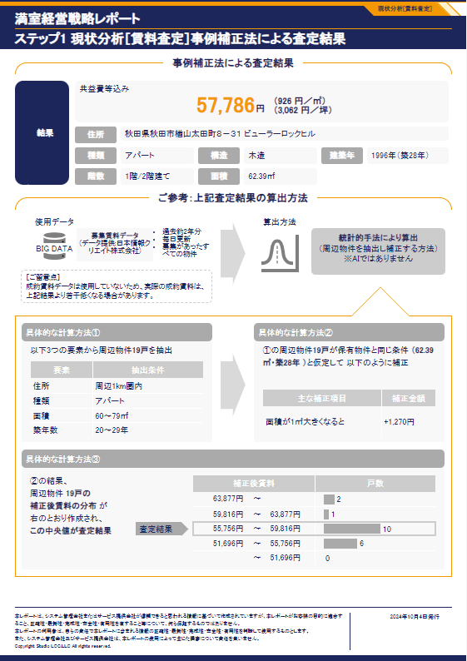
117 | #_EquipmentCostForEquipment-standard-equiqment-name-2 | Text | Equal comparison | 浴室乾燥機
118 | #_EquipmentCostForEquipment-standard-equiqment-estimate-cost-2 | Text | Equal comparison | 10万円～
119 | #_EquipmentCostForEquipment-standard-equiqment-increase-rent-2 | Text | Number comparison | 1,540円
120 | #_EquipmentCostForEquipment-standard-equiqment-name-3 | Text | Equal comparison | IHｸｯｷﾝｸﾞﾋｰﾀｰ
121 | #_EquipmentCostForEquipment-standard-equiqment-estimate-cost-3 | Text | Equal comparison | 3万円～
49
50
122 | #_EquipmentCostForEquipment-standard-equiqment-increase-rent-3 | Text | Number comparison | 462円
51
123 | #_EquipmentCostForEquipment-digital-equiqment-name-1 | Text | Equal comparison | 無料ｲﾝﾀｰﾈｯﾄ
124 | #_EquipmentCostForEquipment-digital-equiqment-estimate-cost-1 | Text | Equal comparison | 0円～（別途月額費用)
125 | #_EquipmentCostForEquipment-digital-equiqment-increase-rent-1 | Text | Number comparison | 2,310円
126 | #_EquipmentCostForEquipment-digital-equiqment-name-2 | Text | Equal comparison | 宅配ﾎﾞｯｸｽ
127 | #_EquipmentCostForEquipment-digital-equiqment-estimate-cost-2 | Text | Equal comparison | 15万円～
128 | #_EquipmentCostForEquipment-digital-equiqment-increase-rent-2 | Text | Number comparison | 2,310円
129 | #_EquipmentCostForEquipment-digital-equiqment-name-3 | Text | Equal comparison | ｽﾏｰﾄｷｰ
130 | #_EquipmentCostForEquipment-digital-equiqment-estimate-cost-3 | Text | Equal comparison | 3万円～
52
131 | #_EquipmentCostForEquipment-digital-equiqment-increase-rent-3 | Text | Number comparison | 462円
132 | #_CalculatioAssessment-calculatio-assessment-menu | Text | Container comparison | 累計100億件 ・更新頻度はデータによる(毎日・月次・年次等)
53
133 | #_ReducingRoomAvailabilityStrategies_long-target-content | Text | Equal comparison | AIが直近の動向を分析して 「最も増加数が多い」 と推定したターゲットです。
134 | #_ReducingRoomAvailabilityStrategies_long-最も増加数が多い-family-type | Text | Equal comparison | 単独世帯
135 | #_ReducingRoomAvailabilityStrategies_long-最も増加数が多い-gender | Text | Equal comparison | 男
136 | #_ReducingRoomAvailabilityStrategies_long-最も増加数が多い-age-group | Text | Equal comparison | 50代
54
137 | #_ReducingRoomAvailabilityStrategies_long-最も増加数が多い-foreigner | Text | Equal comparison | 日本人
59
138 | #_ReducingRoomAvailabilityStrategies_long-最も増加数が多い-income-level | Text | Equal comparison | 世帯所得 300～500万円程度
55
139 | #_EquipmentCostForEquipment_long-最も増加数が多い-standard-equiqment-name-1 | Text | Equal comparison | 温水洗浄便座
56
140 | #_EquipmentCostForEquipment_long-最も増加数が多い-standard-equiqment-estimate-cost-1 | Text | Equal comparison | 3万円～
57
141 | #_EquipmentCostForEquipment_long-最も増加数が多い-standard-equiqment-increase-rent-1 | Text | Number comparison | 449円
60
142 | #_FacilitiesSurroundingAreaCondition-radius-of-property | Text | Equal comparison | 秋田県秋田市
58
143 | #_FacilitiesSurroundingAreaCondition-area | Text | Equal comparison | 60～79㎡
144 | #_FacilitiesSurroundingAreaCondition-house-layout | Text | Equal comparison | アパート
62
63
145 | #_FacilitiesSurroundingAreaCondition-note | Text | Equal comparison | 類似物件 183戸 を抽出
61
65
146 | #_Vacancy_Measures_PeripheralFacilityData-note-1 | Text | Equal comparison | 付帯率70%以上 (このエリアで最低限必要 となる可能性が高い)
64
66
147 | #_Vacancy_Measures_PeripheralFacilityData-note-2 | Text | Equal comparison | 付帯率30%未満 (このエリアで差別化要素 となる可能性が高い)
68
148 | #_Vacancy_Measures_PeripheralFacilityData-facility-name-1 | Text | Equal comparison | ｴｱｺﾝ
67
149 | #_Vacancy_Measures_PeripheralFacilityData-facility-surrounding-rate-1 | Text | Number comparison | 98%
69
70
71
150 | #_Vacancy_Measures_PeripheralFacilityData-facility-name-2 | Text | Equal comparison | ﾊﾞｽ･ﾄｲﾚ別
72
151 | #_Vacancy_Measures_PeripheralFacilityData-facility-surrounding-rate-2 | Text | Number comparison | 97%
152 | #_Vacancy_Measures_PeripheralFacilityData-facility-name-3 | Text | Equal comparison | 室内洗濯機置場
153 | #_Vacancy_Measures_PeripheralFacilityData-facility-surrounding-rate-3 | Text | Number comparison | 92%
154 | #_Vacancy_Measures_PeripheralFacilityData-facility-name-4 | Text | Equal comparison | 温水洗浄便座
155 | #_Vacancy_Measures_PeripheralFacilityData-facility-surrounding-rate-4 | Text | Number comparison | 91%
156 | #_Vacancy_Measures_PeripheralFacilityData-facility-name-5 | Text | Equal comparison | 独立洗面台
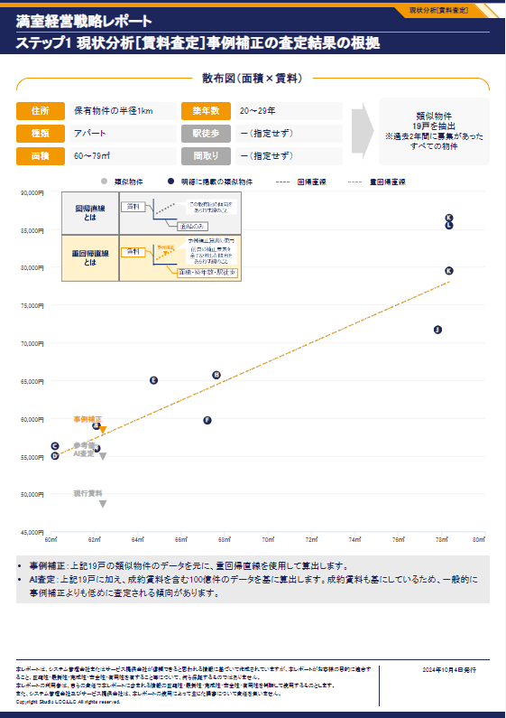
157 | #_Vacancy_Measures_PeripheralFacilityData-facility-surrounding-rate-5 | Text | Number comparison | 88%
158 | #_Vacancy_Measures_PeripheralFacilityData-facility-name-6 | Text | Equal comparison | ﾌﾛｰﾘﾝｸﾞ
159 | #_Vacancy_Measures_PeripheralFacilityData-facility-surrounding-rate-6 | Text | Number comparison | 87%
73
160 | #_Vacancy_Measures_PeripheralFacilityData-facility-name-16 | Text | Equal comparison | ｶﾞｽｺﾝﾛ対応
74
75
161 | #_Vacancy_Measures_PeripheralFacilityData-facility-surrounding-rate-16 | Text | Number comparison | 30%
80
162 | #_Vacancy_Measures_PeripheralFacilityData-facility-name-17 | Text | Equal comparison | ｳｫｰｸｲﾝｸﾛｰｾﾞｯﾄ
76
77
163 | #_Vacancy_Measures_PeripheralFacilityData-facility-surrounding-rate-17 | Text | Number comparison | 29%
164 | #_Vacancy_Measures_PeripheralFacilityData-facility-name-18 | Text | Equal comparison | 都市ｶﾞｽ
78
79
165 | #_Vacancy_Measures_PeripheralFacilityData-facility-surrounding-rate-18 | Text | Number comparison | 28%
166 | #_Vacancy_Measures_PeripheralFacilityData-facility-name-19 | Text | Equal comparison | 2口以上ｺﾝﾛ
167 | #_Vacancy_Measures_PeripheralFacilityData-facility-surrounding-rate-19 | Text | Number comparison | 26%
168 | #_Vacancy_Measures_PeripheralFacilityData-facility-name-20 | Text | Equal comparison | ﾄﾗﾝｸﾙｰﾑ
169 | #_Vacancy_Measures_PeripheralFacilityData-facility-surrounding-rate-20 | Text | Number comparison | 25%
170 | #_Vacancy_Measures_PeripheralFacilityData-facility-name-21 | Text | Equal comparison | ｼｽﾃﾑｷｯﾁﾝ
171 | #_Vacancy_Measures_PeripheralFacilityData-facility-surrounding-rate-21 | Text | Number comparison | 23%
172 | #_Vacancy_Measures_PeripheralFacilityData-condition-pet | Text | Equal comparison | 付帯率 16%
173 | #_Vacancy_Measures_PeripheralFacilityData-condition-instrument | Text | Equal comparison | 付帯率 0%
174 | #_SurroundingCondition-radius-of-property | Text | Equal comparison | 保有物件の半径1km
175 | #_SurroundingCondition-radius-of-area | Text | Equal comparison | 60～79㎡
176 | #_SurroundingCondition-house-layout | Text | Equal comparison | アパート
177 | #_SurroundingCondition-building-old-type | Text | Equal comparison | 20～29年
178 | #_Vacancy_Measures_SurroundingConditionData-zero-property | Text | Number comparison | 57.89%
179 | #_Vacancy_Measures_SurroundingConditionData-condition-free-rent | Text | Equal comparison | 0%
180 | #_SurroundingConditionContinue-radius-of-property | Text | Equal comparison | 秋田市
181 | #_SurroundingConditionContinue-house-layout | Text | Equal comparison | アパート
182 | #_SurroundingConditionContinue-note | Text | Equal comparison | 類似物件 32戸 を抽出
183 | #_Vacancy_Measures_SurroundingConditionData2-explain | Text | Container comparison | ※広告料（AD）：業務委託料等の別名称を含む場合もあります 報酬を増やすことで仲介会社のモチベーションを高め、入居者の早期獲得を狙うことができます
184 | #_Vacancy_Measures_Rent_Simulation-title | Text | Equal comparison | 月額賃料シミュレーション
185 | #_Vacancy_Measures_Rent_Simulation-rent-price-current | Text | Number comparison | 54,300 円
186 | #_Vacancy_Measures_Rent_Simulation-rent-price-after-change | Text | Equal comparison | 66,616 円
187 | #_Vacancy_Measures_Rent_Simulation-rent-price-after-change-per-meter | Text | Equal comparison | （＋12,316 円）
188 | #_Vacancy_Measures_Rent_Simulation-simulation-equiqment-rent-increase | Text | Equal comparison | ＋7,792円
189 | #_Vacancy_Measures_Rent_Simulation-simulation-equiqment-estimate-cost | Text | Equal comparison | ＋490,000円
190 | #_Vacancy_Measures_Rent_Simulation-rent-simulation-name-1 | Text | Equal comparison | バス・トイレ別
191 | #_Vacancy_Measures_Rent_Simulation-rent-simulation-name-2 | Text | Equal comparison | 独立洗面台
192 | #_Vacancy_Measures_Rent_Simulation-rent-simulation-name-3 | Text | Equal comparison | 室内洗濯機置場
193 | #_Vacancy_Measures_Rent_Simulation-rent-simulation-name-4 | Text | Equal comparison | 追焚機能
194 | #_Vacancy_Measures_Rent_Simulation-rent-simulation-name-5 | Text | Equal comparison | 浴室乾燥機
195 | #_Vacancy_Measures_Rent_Simulation-rent-simulation-rent-increase-5 | Text | Number comparison | ＋1,540円
196 | #_Vacancy_Measures_Rent_Simulation-rent-simulation-estimate-cost-5 | Text | Number comparison | ＋100,000円
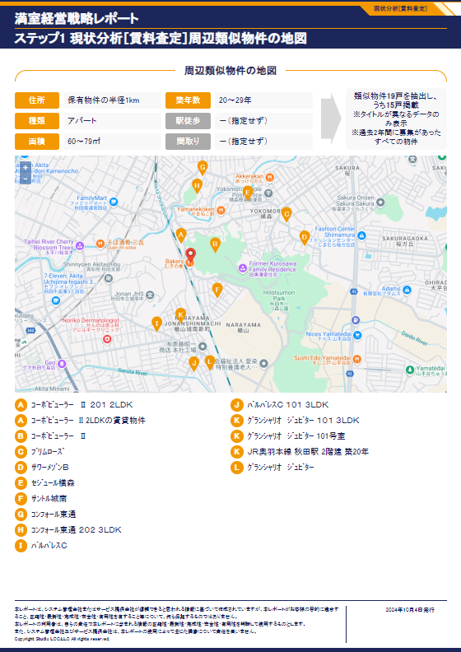
197 | #_Vacancy_Measures_Rent_Simulation-simulation-initial-cost-rent-increase | Text | Number comparison | ＋4,524円
198 | #_Vacancy_Measures_Rent_Simulation-simulation-initial-cost-estimated | Text | Number comparison | ＋162,900円
199 | #_Vacancy_Measures_Rent_Simulation-simulation-initial-cost-estimated-fee-for-month-from-1 | Text | Equal comparison | 1か月
200 | #_Vacancy_Measures_Rent_Simulation-simulation-initial-cost-fee-for-month-to-1 | Text | Equal comparison | 0か月
81
201 | #_Vacancy_Measures_Rent_Simulation-simulation-initial-cost-rent-increase-1 | Text | Number comparison | ＋1,508円
202 | #_Vacancy_Measures_Rent_Simulation-simulation-initial-cost-estimated-cost-1 | Text | Number comparison | ＋54,300円
203 | #_Vacancy_Measures_Rent_Simulation-simulation-initial-cost-estimated-fee-for-month-from-2 | Text | Equal comparison | 1か月
204 | #_Vacancy_Measures_Rent_Simulation-simulation-initial-cost-fee-for-month-to-2 | Text | Equal comparison | 0か月
205 | #_Vacancy_Measures_Rent_Simulation-simulation-initial-cost-rent-increase-2 | Text | Number comparison | ＋1,508円
206 | #_Vacancy_Measures_Rent_Simulation-simulation-initial-cost-estimated-cost-2 | Text | Number comparison | ＋54,300円
207 | #_Vacancy_Measures_Rent_Simulation-simulation-initial-cost-estimated-fee-for-month-from-3 | Text | Equal comparison | 0か月
208 | #_Vacancy_Measures_Rent_Simulation-simulation-initial-cost-fee-for-month-to-3 | Text | Equal comparison | 1か月
209 | #_Vacancy_Measures_Rent_Simulation-simulation-initial-cost-rent-increase-3 | Text | Number comparison | ＋1,508円
210 | #_Vacancy_Measures_Rent_Simulation-simulation-initial-cost-estimated-cost-3 | Text | Number comparison | ＋54,300円
211 | #_Vacancy_Measures_Rent_Simulation2-title | Text | Equal comparison | 年間賃料収入シミュレーション
212 | #_Vacancy_Measures_Rent_Simulation2-rent-price-current | Text | Number comparison | 54,300円
213 | #_Vacancy_Measures_Rent_Simulation2-rent-price-after-change | Text | Number comparison | 66,616円
214 | #_Vacancy_Measures_Rent_Simulation2-vacancy-rate-current | Text | Number comparison | 75.0%
215 | #_Vacancy_Measures_Rent_Simulation2-vacancy-rate | Text | Number comparison | 75.0%
216 | #_Vacancy_Measures_Rent_Simulation2-total-rent | Text | Equal comparison | 49万円
217 | #_Vacancy_Measures_Rent_Simulation2-total-rent-after-change-value | Text | Equal comparison | 60万円
218 | #_Vacancy_Measures_Rent_Simulation2-total-rent-increase-first-year | Text | Equal comparison | 11 万アップ
219 | #_Vacancy_Measures_Rent_Simulation2-annual-rental-discount-rate | Text | Equal comparison | ▲1%
220 | #_Vacancy_Measures_Rent_Simulation2-total-rent-price-10-year | Text | Number comparison | 467万円
221 | #_Vacancy_Measures_Rent_Simulation2-total-change-10-year | Text | Number comparison | 573万円
222 | #_Vacancy_Measures_Rent_Simulation2-total-rent-increase-tenth-year | Text | Equal comparison | 106 万アップ
223 | #_Vacancy_Measures_Rent_Simulation2-investment-amount | Text | Number comparison | ＋652,900 円
224 | #_Vacancy_Measures_Rent_Simulation2-payback-period | Text | Equal comparison | 5.9 年
225 | #_Vacancy_Measures_Rent_Simulation2-investment-yield | Text | Number comparison | 16.98 %
226 | #_Manager_Services-service-group-name-1 | Text | Equal comparison | 入居者募集
227 | #_Manager_Services-service-group-child-name-1 | Text | Equal comparison | 入居者募集・審査・賃貸借契約
228 | #_Manager_Services-service-group-pr-company-1 | Text | Equal comparison | 空室原因調査を行い多様な解決策を実行可能です
229 | #_Manager_Services-service-group-name-2 | Text | Equal comparison | 入居者管理
230 | #_Manager_Services-service-group-child-name-2 | Text | Equal comparison | 賃料徴収・滞納催促・報告
231 | #_Manager_Services-service-group-pr-company-2 | Text | Equal comparison | 保証会社活用により滞納リスクを最小化します
232 | #_Manager_Services-service-group-child-name-3 | Text | Equal comparison | クレーム処理
233 | #_Manager_Services-service-group-pr-company-3 | Text | Equal comparison | 24時間対応可のコールセンターを活用しています
234 | #_Manager_Services-service-group-child-name-4 | Text | Equal comparison | 契約更新手続き
235 | #_Manager_Services-service-group-pr-company-4 | Text | Equal comparison | システムでの一元管理により円滑な対応を行っています
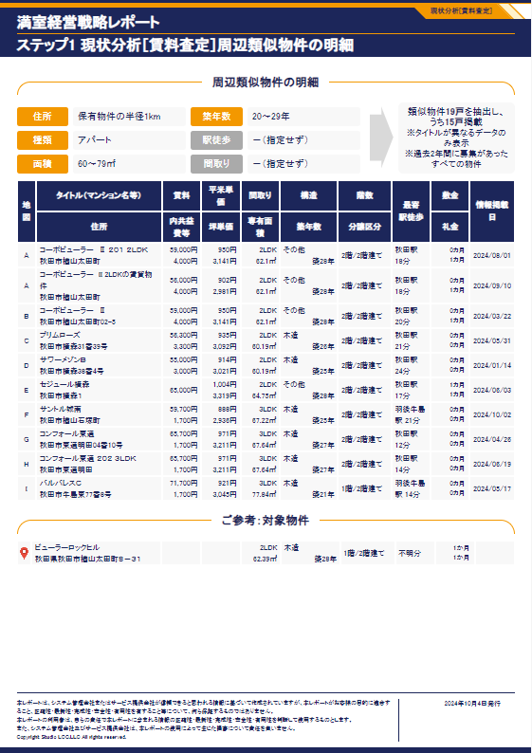
236 | #_Manager_Services-service-group-child-name-5 | Text | Equal comparison | 退去時の立会い
237 | #_Manager_Services-service-group-pr-company-5 | Text | Equal comparison | 現況確認の徹底によりトラブルを防ぎます
238 | #_Manager_Services-feature-of-services | Text | Equal comparison | 当社は、賃貸管理のプロフェッショナルとして、オーナー様の満室経営を二人三脚で実現いたします。とりわけ、空室対策ノウハウには自信があり、空室原因の徹底的な調査を行い、物件の付加価値向上に向けた設備導入・条件変更など多様な解決策をご提案いたします。当社の充実した管理サービス導入をぜひご検討ください！
239 | #_Rental_Market_PrefecturePopulationAndHouseHolds-title-1 | Text | Equal comparison | 秋田市 人口の推移（年齢区分）
240 | #_Rental_Market_PrefecturePopulationAndHouseHolds-popular-age-group | Text | Equal comparison | 2023年の最も多い年齢区分：「30～64歳」
82
241 | #_Rental_Market_PrefecturePopulationAndHouseHolds-rate-change-population | Text | Equal comparison | 直近3年間の人口総数の変化率：2.3%減少
242 | #_Rental_Market_PrefecturePopulationAndHouseHolds-age-group-up | Text | Equal comparison | 直近3年間で最も増加率が高い年齢区分：「65歳以上」が 2%増加
243 | #_Rental_Market_PrefecturePopulationAndHouseHolds-age-group-down | Text | Equal comparison | 直近3年間で最も減少率が高い年齢区分：「20歳未満」が 6.2%減少
244 | #_Rental_Market_PrefecturePopulationAndHouseHolds-title-2 | Text | Equal comparison | 秋田市 世帯の推移（世帯の家族類型)
245 | #_Rental_Market_PrefecturePopulationAndHouseHolds-report-value | Text | Equal comparison | 直近5年間の世帯総数の変化率：1.3%増加
246 | #_Rental_Market_PrefecturePopulationAndHouseHolds-family-type-up | Text | Equal comparison | 2015年から2020年で最も増加率が高い世帯の家族類型：「非親族を含む世帯 (例：未婚カップル等)」が 24.5%増加
247 | #_Rental_Market_PrefecturePopulationAndHouseHolds-family-type-down | Text | Equal comparison | 2015年から2020年で最も減少率が高い世帯の家族類型：「核家族以外の世帯(例：夫婦と親からなる世帯等)」が 20.3%減少
248 | #_Rental_Market_HouseHoldIncome-title | Text | Equal comparison | 秋田市 借家に住む世帯の推移 （年間収入階級）
249 | #_Rental_Market_HouseHoldIncome-note | Text | Container comparison | 借家に住む世帯：借家に住む「普通世帯」のみ。「普通世帯」とは、住居と生計をともにしている家族などの世帯。家族と一緒に間借りや同居している世帯及び一人で一戸を構えて暮らしている世帯も「普通世帯」とし、「準世帯」（単身の下宿人・間借り人, 雇主と同居している単身の住み込みの従業員や，寄宿舎・旅館など住宅以外の建物に住んでいる単身者又はそれらの人々の集まりの世帯）は、含まない
250 | #_Rental_Market_HouseHoldIncome-hold-income | Text | Equal comparison | 2018 年の借家に住む世帯のうち、最も多い年間収入階級：300万円未満
251 | #_Rental_Market_HouseHoldIncome-percent-house-rented | Text | Equal comparison | 直近5年間の借家に住む世帯の総数の変化率：1.1%増加
252 | #_Rental_Market_HouseHoldIncome-hold-income-down | Text | Equal comparison | 直近5年間で最も減少率が高い年間収入階級：1500万円以上が 35%減少
253 | #_Rental_Market_Properties-title | Text | Equal comparison | 秋田市 賃貸用住宅の類似物件数の推移 (50～69㎡の共同住宅（木造） 月額賃料40,000～50,000円未満）
254 | #_Rental_Market_Properties-title-note-property-private | Text | Equal comparison | 直近5年間の賃貸用住宅のうち、50～69㎡の共同住宅（木造）の月額賃料40,000～50,000円未満の変化率：133.3%増加
255 | #_Rental_Market_ConstructionStarts-note | Text | Equal comparison | 出所：建築着工統計調査 * 新設賃貸用住宅：賃貸する目的で建築された専用住宅のみ
256 | #_Rental_Market_ConstructionStarts-average-housing-starts | Text | Equal comparison | 2014年以降の61～70㎡の共同住宅の新設賃貸住宅の平均着工戸数：11戸
257 | #_ContactInformation-title-1 | Text | Equal comparison | おわりに
258 | #_ContactInformation-content | Text | Equal comparison | オーナー様の満室経営の実現に向けて、本レポートにて現状分析［賃料査定］とアクション［空室対策］をご提案いたしましたが、いかがでしょうか。 本レポートの内容にご不明点がある場合や、更にくわしい空室対策提案、当社管理サービスのご紹介等をご希望の場合、 以下までお気軽にお問合せください。
259 | #_ContactInformation-title-2 | Text | Equal comparison | お問合せ先
260 | #_ContactInformation-contact | Text | Container comparison | Studio LOC合同会社
261 | #_ContactInformation-contact | Text | Container comparison | 東京都台東区浅草5-52-5 LOCビル1F
262 | #_ContactInformation-contact | Text | Container comparison | 0368023262

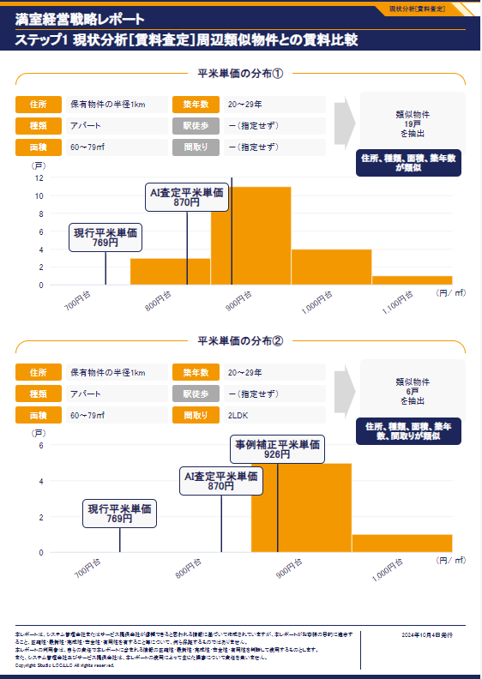

83

84

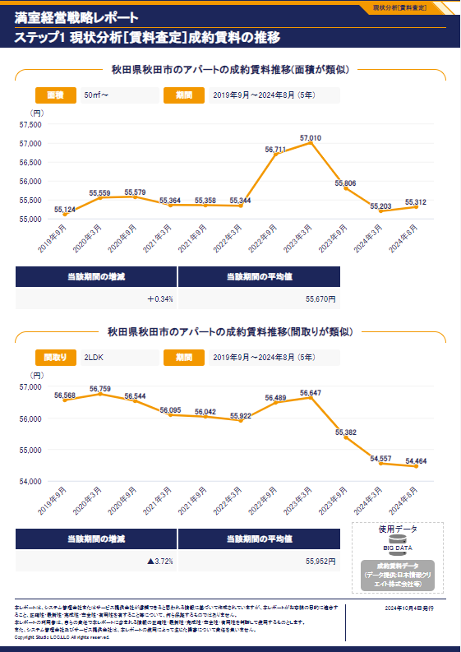

85
86

Evidence-TestSheet2
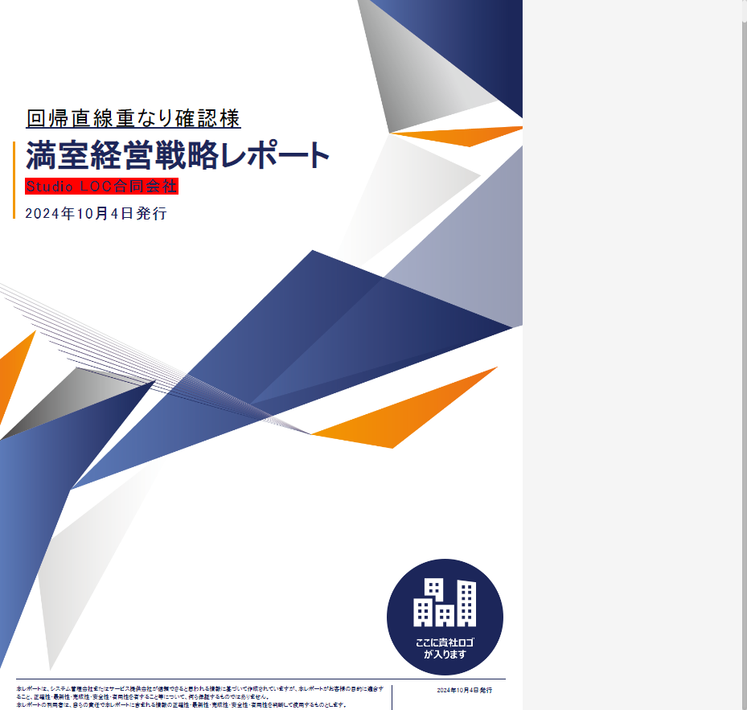

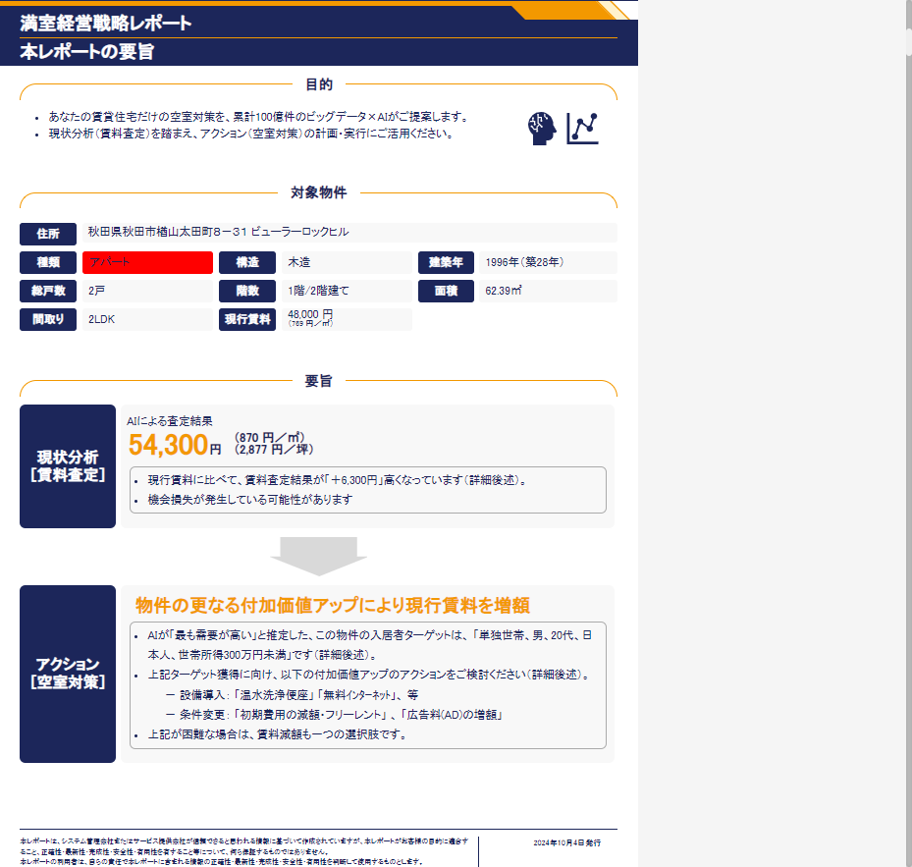

TestSheet3

No | Items test | Method | Value expected | Value actual | Test results
1 | /html/body/div/div[1]/div/div/div/div[1]/div[2]/span | Equal comparison | マンション様
2 | /html/body/div/div[1]/div/div/div/div[1]/div[2]/div/div[2]/div/span | Equal comparison | 2024年9月27日発行
3 | /html/body/div/div[2]/div/div/div/div[2]/div[4]/div[2] | Equal comparison | 東京都中央区新川１丁目１７－２８
4 | /html/body/div[1]/div[2]/div/div/div/div[2]/div[5]/div[2]/div[2] | Equal comparison | 鉄筋コンクリート造（RC）
1
5 | /html/body/div[1]/div[2]/div/div/div/div[2]/div[5]/div[3]/div[2] | Equal comparison | 1994年（築30年）
6 | /html/body/div/div[2]/div/div/div/div[2]/div[7]/div/div[2]/div/div[2]/span | Number comparison | 176,100
7 | /html/body/div/div[2]/div/div/div/div[2]/div[7]/div/div[2]/div/ul/li[1] | Container comparison | 現行賃料に比べて、賃料査定結果が「＋75,400円」高くなっています（詳細後述）。

2

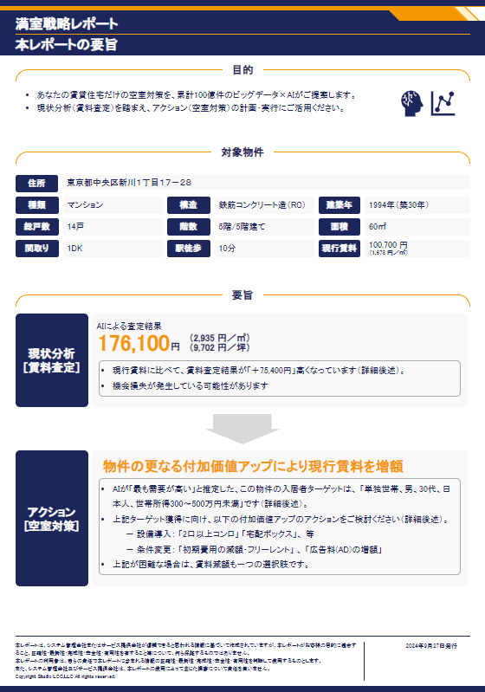

3
4
5

6

7

TestSheet4
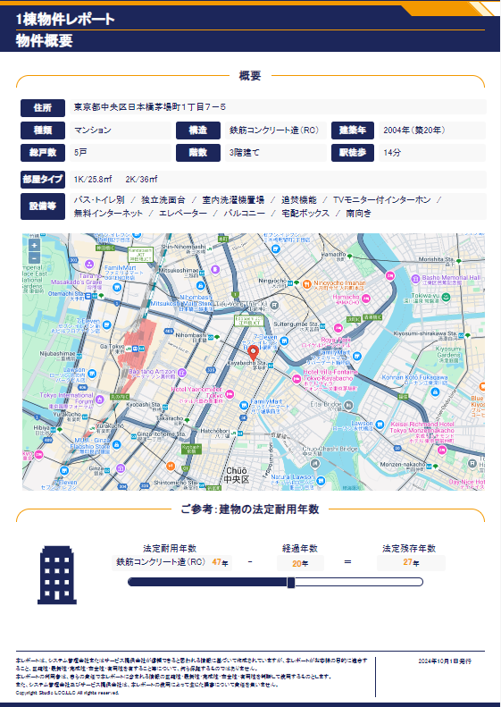
No | Items test | Method | Value expected | Value actual | Test results
1 | /html/body/div/div[2]/div/div/div/div[2]/div/div/div[2]/div[1]/div[1]/div[2] | Equal comparison | 東京都中央区日本橋茅場町１丁目７－５
2 | /html/body/div/div[2]/div/div/div/div[2]/div/div/div[2]/div[1]/div[2]/div[1]/div[2] | Equal comparison | マンション
3 | /html/body/div/div[2]/div/div/div/div[2]/div/div/div[2]/div[1]/div[2]/div[2]/div[2] | Equal comparison | 鉄筋コンクリート造（RC）
4 | /html/body/div/div[2]/div/div/div/div[2]/div/div/div[2]/div[1]/div[2]/div[3]/div[2] | Equal comparison | 2004年（築20年）
1
5 | /html/body/div/div[2]/div/div/div/div[2]/div/div/div[2]/div[1]/div[2]/div[4]/div[2] | Equal comparison | 5戸
2
3
4
6 | /html/body/div/div[2]/div/div/div/div[2]/div/div/div[2]/div[1]/div[2]/div[5]/div[2] | Equal comparison | 3階建て
6
7 | /html/body/div[1]/div[2]/div/div/div/div[2]/div/div/div[2]/div[1]/div[2]/div[6]/div[2] | Equal comparison | 14分
5
7
8 | /html/body/div/div[2]/div/div/div/div[2]/div/div/div[2]/div[1]/div[3]/div[2]/ul/li[1] | Equal comparison | 1K/25.8㎡
8
9
9 | /html/body/div[1]/div[2]/div/div/div/div[2]/div/div/div[2]/div[1]/div[3]/div[2]/ul/li[2] | Equal comparison | 2K/36㎡
10
10 | /html/body/div/div[2]/div/div/div/div[2]/div/div/div[2]/div[1]/div[4]/div[2]/ul | Container comparison | バス・トイレ別 / 独立洗面台 / 室内洗濯機置場 / 追焚機能
11 | /html/body/div[1]/div[2]/div/div/div/div[2]/div/div/div[4]/div/div/div[2]/div[1]/div[1]/div[2]/div | Equal comparison | 鉄筋コンクリート造（RC） 47 年
12 | /html/body/div[1]/div[2]/div/div/div/div[2]/div/div/div[4]/div/div/div[2]/div[1]/div[3]/div[2] | Number comparison | 20 年
13 | /html/body/div[1]/div[2]/div/div/div/div[2]/div/div/div[4]/div/div/div[2]/div[1]/div[5]/div[2]/div | Number comparison | 27 年
14 | /html/body/div[1]/div[3]/div/div/div/div[2]/div[2]/div[2]/div[2]/div[1]/table/tbody/tr[2]/td[1] | Equal comparison | タイプA
15 | /html/body/div[1]/div[3]/div/div/div/div[2]/div[2]/div[2]/div[2]/div[1]/table/tbody/tr[2]/td[2] | Number comparison | 74,000 円
16 | /html/body/div[1]/div[3]/div/div/div/div[2]/div[2]/div[2]/div[2]/div[1]/table/tbody/tr[2]/td[3] | Number comparison | 2,000 円
17 | /html/body/div[1]/div[3]/div/div/div/div[2]/div[2]/div[2]/div[2]/div[1]/table/tbody/tr[2]/td[4] | Equal comparison | 2,960 円／㎡ 9,786 円／坪
18 | /html/body/div[1]/div[3]/div/div/div/div[2]/div[2]/div[2]/div[2]/div[1]/table/tbody/tr[2]/td[5] | Equal comparison | 1K
19 | /html/body/div[1]/div[3]/div/div/div/div[2]/div[2]/div[2]/div[2]/div[1]/table/tbody/tr[2]/td[6] | Equal comparison | 25.8 ㎡
20 | /html/body/div[1]/div[3]/div/div/div/div[2]/div[2]/div[2]/div[2]/div[1]/table/tbody/tr[2]/td[7] | Equal comparison | 3戸
21 | /html/body/div[1]/div[3]/div/div/div/div[2]/div[2]/div[2]/div[2]/div[1]/table/tbody/tr[3]/td[1] | Equal comparison | タイプB
22 | /html/body/div[1]/div[3]/div/div/div/div[2]/div[2]/div[2]/div[2]/div[1]/table/tbody/tr[3]/td[2] | Number comparison | 102,000 円
23 | /html/body/div[1]/div[3]/div/div/div/div[2]/div[2]/div[2]/div[2]/div[1]/table/tbody/tr[3]/td[3] | Number comparison | 0 円
24 | /html/body/div[1]/div[3]/div/div/div/div[2]/div[2]/div[2]/div[2]/div[1]/table/tbody/tr[3]/td[4] | Equal comparison | 2,834 円／㎡ 9,367 円／坪
25 | /html/body/div[1]/div[3]/div/div/div/div[2]/div[2]/div[2]/div[2]/div[1]/table/tbody/tr[3]/td[5] | Equal comparison | 2K
26 | /html/body/div[1]/div[3]/div/div/div/div[2]/div[2]/div[2]/div[2]/div[1]/table/tbody/tr[3]/td[6] | Number comparison | 36 ㎡
11
27 | /html/body/div[1]/div[3]/div/div/div/div[2]/div[2]/div[2]/div[2]/div[1]/table/tbody/tr[3]/td[7] | Equal comparison | 2戸
13
28 | /html/body/div[1]/div[4]/div/div/div/div[2]/div[2]/div/div[2]/div/div[1] | Equal comparison | 住居：5戸
12
29 | /html/body/div[1]/div[4]/div/div/div/div[2]/div[2]/div/div[2]/div/div[2] | Equal comparison | テナント：0戸
30 | /html/body/div[1]/div[4]/div/div/div/div[2]/div[2]/div/div[2]/div/div[3] | Equal comparison | 駐車場：0台
31 | /html/body/div[1]/div[4]/div/div/div/div[2]/div[2]/div/div[3]/div[2] | Number comparison | 506,000 円

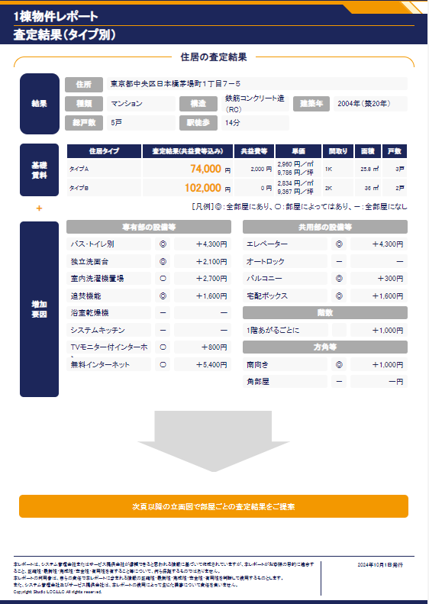

16
17
18
19
14
15
20

22
23
27
21
24
25
26

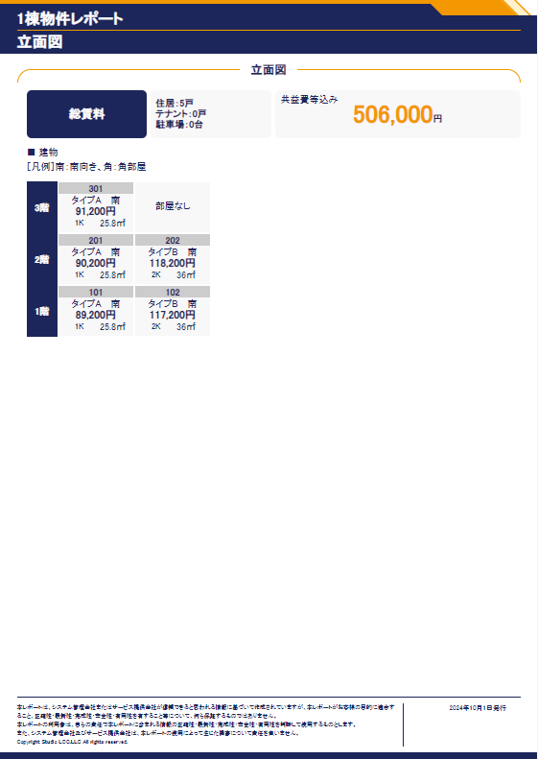

28

29
30

29

TestSheet5
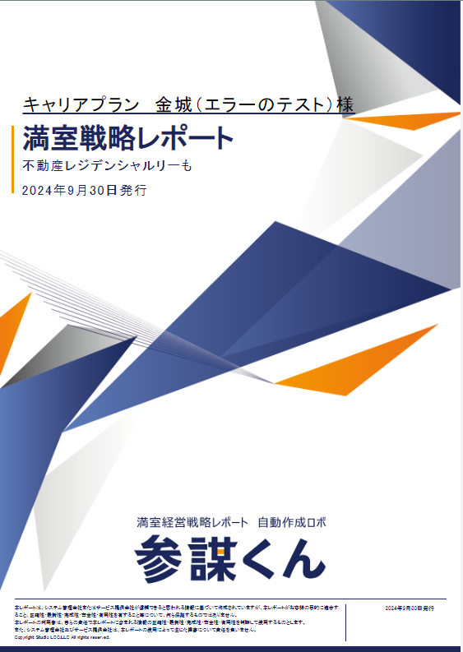
No | Items test | Method | Value expected | Value actual | Test results
1 | /html/body/div/div[1]/div/div/div/div[1]/div[2]/span | Equal comparison | キャリアプラン 金城（エラーのテスト）様
2 | /html/body/div/div[1]/div/div/div/div[1]/div[2]/div/div[2]/div/span | Equal comparison | 2024年9月30日発行
3 | /html/body/div/div[2]/div/div/div/div[2]/div[4]/div[2] | Equal comparison | 沖縄県沖縄市知花５丁目９－１７
4 | /html/body/div/div[2]/div/div/div/div[2]/div[5]/div[1]/div[2] | Equal comparison | マンション
1
5 | /html/body/div/div[2]/div/div/div/div[2]/div[5]/div[2]/div[2] | Equal comparison | 鉄筋コンクリート造（RC）
6 | /html/body/div/div[2]/div/div/div/div[2]/div[5]/div[3]/div[2] | Equal comparison | 2024年（築0年）
7 | /html/body/div/div[2]/div/div/div/div[2]/div[5]/div[4]/div[2] | Equal comparison | 7戸
8 | /html/body/div/div[2]/div/div/div/div[2]/div[5]/div[5]/div[2] | Equal comparison | 4階/4階建て
9 | /html/body/div[1]/div[2]/div/div/div/div[2]/div[5]/div[6]/div[2] | Number comparison | 34㎡
2
10 | /html/body/div[1]/div[2]/div/div/div/div[2]/div[5]/div[7]/div[2] | Equal comparison | 1LDK
11 | /html/body/div[1]/div[2]/div/div/div/div[2]/div[5]/div[8]/div[2]/div/div[1] | Number comparison | 56,445 円
12 | /html/body/div[1]/div[2]/div/div/div/div[2]/div[5]/div[8]/div[2]/div/div[2] | Equal comparison | （1,660 円／㎡）
13 | /html/body/div/div[2]/div/div/div/div[2]/div[7]/div/div[2]/div/div[2]/span | Number comparison | 56,400
14 | /html/body/div/div[2]/div/div/div/div[2]/div[9]/div/div[2]/ul/li[1] | Container comparison | AIが「最も需要が高い」と推定した、この物件の入居者ターゲットは、 「単独世帯、男、50代、日本人、世帯所得300万円未満」です（詳細後述）。
15 | /html/body/div/div[2]/div/div/div/div[2]/div[9]/div/div[2]/ul/li[2]/ul/li[1] | Container comparison | 設備導入： 「2口以上コンロ」 「宅配ボックス」、 等
16 | /html/body/div/div[2]/div/div/div/div[2]/div[9]/div/div[2]/ul/li[2]/ul/li[2] | Container comparison | 条件変更： 「初期費用の減額・フリーレント」 、 「広告料(AD)の増額」
17 | /html/body/div/div[4]/div/div/div/div[2]/div[2]/div[2]/div[2]/div/div[2] | Container comparison | 56,400
18 | /html/body/div/div[4]/div/div/div/div[2]/div[2]/div[3]/div[2]/div[1]/div[2] | Number comparison | 44,700円
19 | /html/body/div/div[4]/div/div/div/div[2]/div[2]/div[3]/div[2]/div[5]/div[2] | Number comparison | ＋11,700円

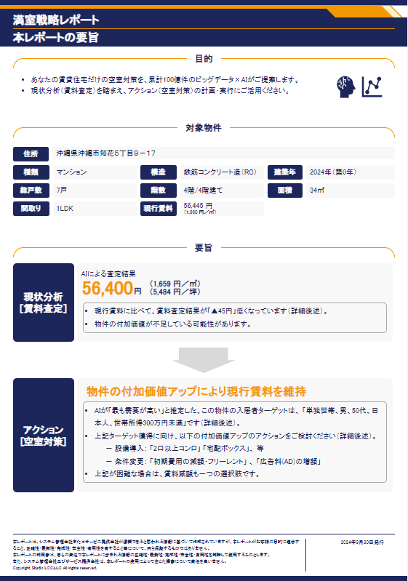

3
4
5
6
7
8
9
11
10
12

13

14

15

16

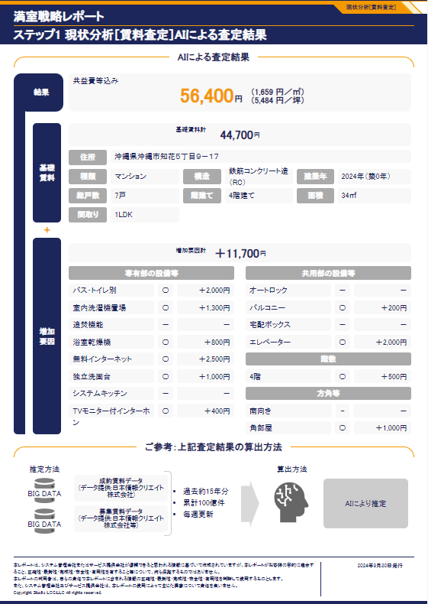

17

18

19

TestSheet6
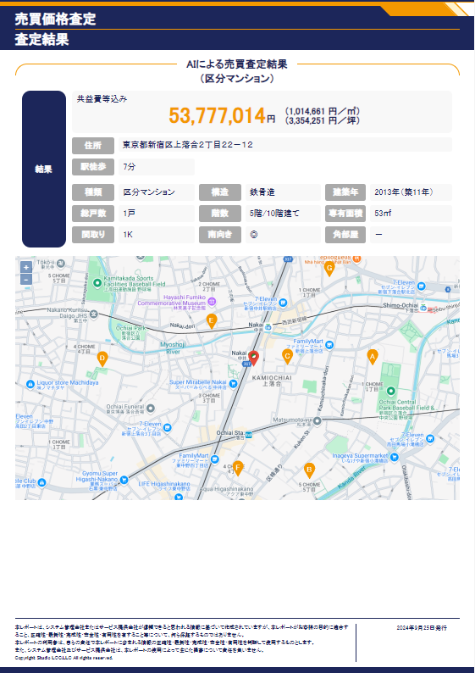
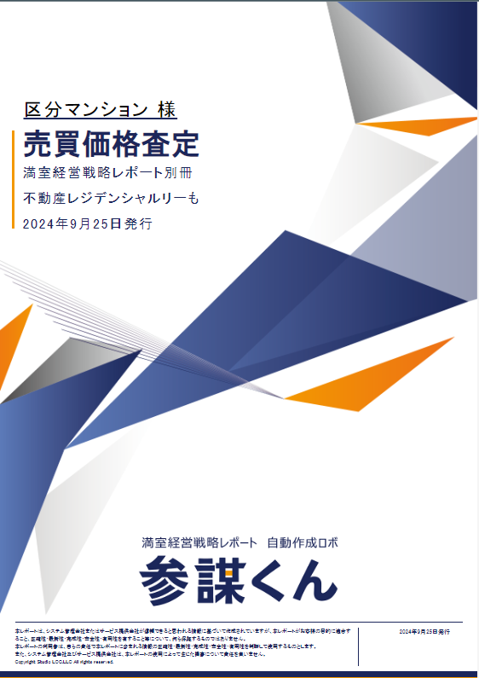
No | Items test | Method | Value expected | Value actual | Test results
1 | /html/body/div/div[1]/div/div/div/div[1]/div[2]/span | Equal comparison | 区分マンション 様
2 | /html/body/div/div[1]/div/div/div/div[1]/div[2]/div/div[2]/div/span[2] | Equal comparison | 2024年9月25日発行
3 | /html/body/div/div[2]/div/div/div/div[2]/div[2]/div/div[2]/div[1]/div[2] | Container comparison | 53,777,014
4 | /html/body/div/div[2]/div/div/div/div[2]/div[2]/div/div[2]/div[2]/div[2] | Equal comparison | 東京都新宿区上落合２丁目２２－１２
5 | /html/body/div/div[2]/div/div/div/div[2]/div[2]/div/div[2]/div[3]/div/div[2] | Equal comparison | 7分
6 | /html/body/div/div[2]/div/div/div/div[2]/div[2]/div/div[2]/div[4]/div[1]/div[2] | Equal comparison | 区分マンション
7 | /html/body/div/div[2]/div/div/div/div[2]/div[2]/div/div[2]/div[4]/div[2]/div[2] | Equal comparison | 鉄骨造
8 | /html/body/div/div[2]/div/div/div/div[2]/div[2]/div/div[2]/div[4]/div[3]/div[2] | Equal comparison | 2013年（築11年）
9 | /html/body/div/div[2]/div/div/div/div[2]/div[2]/div/div[2]/div[4]/div[4]/div[2] | Number comparison | 1戸
10 | /html/body/div[1]/div[2]/div/div/div/div[2]/div[2]/div/div[2]/div[4]/div[5]/div[2] | Equal comparison | 5階/10階建て
11 | /html/body/div[1]/div[2]/div/div/div/div[2]/div[2]/div/div[2]/div[4]/div[6]/div[2] | Number comparison | 53㎡
12 | /html/body/div/div[2]/div/div/div/div[2]/div[2]/div/div[2]/div[4]/div[7]/div[2] | Equal comparison | 1K
13 | /html/body/div/div[3]/div/div/div/div[2]/div/div/div[2]/div/div[1]/div[1]/div[2] | Equal comparison | 保有物件の半径1km
14 | /html/body/div[1]/div[3]/div/div/div/div[2]/div/div/div[2]/div/div[1]/div[2]/div[2] | Number comparison | 区分マンション
15 | /html/body/div/div[3]/div/div/div/div[2]/div/div/div[2]/div/div[1]/div[3]/div[2] | Equal comparison | 40～59㎡
16 | /html/body/div[1]/div[3]/div/div/div/div[2]/div/div/div[2]/div/div[1]/div[1]/div[4] | Equal comparison | －（指定せず）
14 | /html/body/div[1]/div[3]/div/div/div/div[2]/div/div/div[2]/div/div[1]/div[2]/div[4] | Equal comparison | －（指定せず）
15 | /html/body/div[1]/div[3]/div/div/div/div[2]/div/div/div[2]/div/div[1]/div[3]/div[4] | Equal comparison | －（指定せず）
16 | /html/body/div/div[3]/div/div/div/div[2]/div/div/div[2]/div/div[3]/div/div | Container comparison | 類似物件 51戸 を抽出し、 うち30戸掲載

