Sheet4
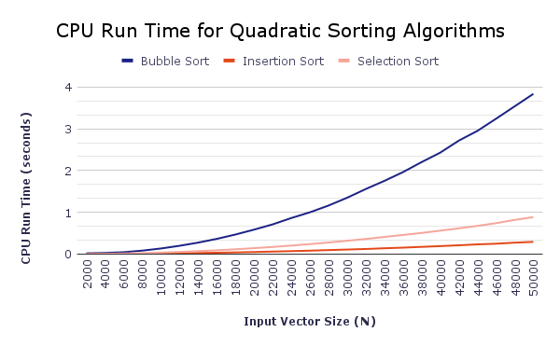
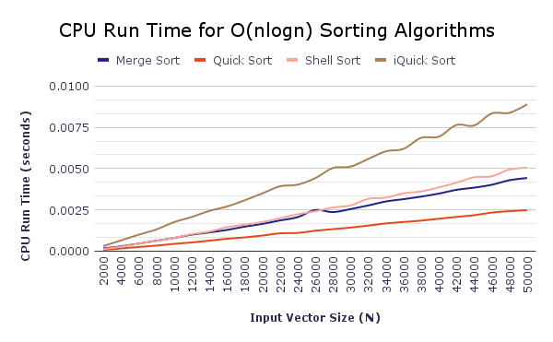
Name | N | Comparisons | CPU time (s)
Bubble sort | 2000 | 3998000 | 0.019333
Bubble sort | 4000 | 15996000 | 0.027979
Bubble sort | 6000 | 35994000 | 0.045015
Bubble sort | 8000 | 63992000 | 0.082916
Bubble sort | 10000 | 99990000 | 0.134004
Bubble sort | 12000 | 143988000 | 0.198753
Bubble sort | 14000 | 195986000 | 0.274599
Bubble sort | 16000 | 255984000 | 0.364225
Bubble sort | 18000 | 323982000 | 0.467871
Bubble sort | 20000 | 399980000 | 0.585275
Bubble sort | 22000 | 483978000 | 0.7108
Bubble sort | 24000 | 575976000 | 0.862716
Bubble sort | 26000 | 675974000 | 0.999998
Bubble sort | 28000 | 783972000 | 1.161553
Bubble sort | 30000 | 899970000 | 1.348726
Bubble sort | 32000 | 1023968000 | 1.556973
Bubble sort | 34000 | 1155966000 | 1.752356
Bubble sort | 36000 | 1295964000 | 1.962622
Bubble sort | 38000 | 1443962000 | 2.202562
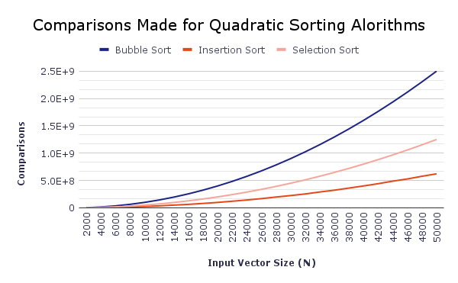
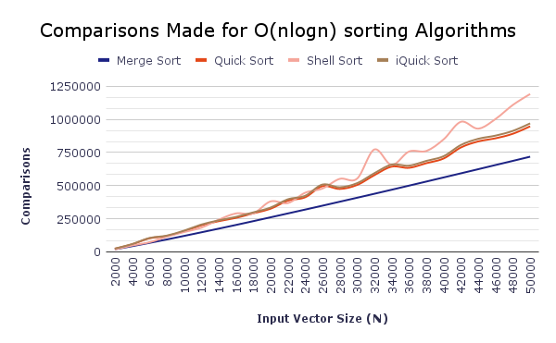
Bubble sort | 40000 | 1599960000 | 2.429079
Bubble sort | 42000 | 1763958000 | 2.717029
Bubble sort | 44000 | 1935956000 | 2.950672
Bubble sort | 46000 | 2115954000 | 3.241496
Bubble sort | 48000 | 2303952000 | 3.538554
Bubble sort | 50000 | 2499950000 | 3.835551
Insertion sort | 2000 | 973511 | 0.000506
Insertion sort | 4000 | 3963122 | 0.001884
Insertion sort | 6000 | 8972088 | 0.004235
Insertion sort | 8000 | 15899415 | 0.007474
Insertion sort | 10000 | 24924777 | 0.013162
Insertion sort | 12000 | 35861786 | 0.018556
Insertion sort | 14000 | 49593549 | 0.025516
Insertion sort | 16000 | 63540836 | 0.032492
Insertion sort | 18000 | 80350967 | 0.040322
Insertion sort | 20000 | 98852911 | 0.049398
Insertion sort | 22000 | 120854777 | 0.059816
Insertion sort | 24000 | 143373765 | 0.07063
Insertion sort | 26000 | 168469707 | 0.082324
Insertion sort | 28000 | 197440394 | 0.095895
Insertion sort | 30000 | 224436325 | 0.108937
Insertion sort | 32000 | 253901939 | 0.122412
Insertion sort | 34000 | 289857628 | 0.139429
Insertion sort | 36000 | 322807840 | 0.154564
Insertion sort | 38000 | 361476980 | 0.173071
Insertion sort | 40000 | 400288007 | 0.191385
Insertion sort | 42000 | 441670717 | 0.210774
Insertion sort | 44000 | 487919026 | 0.232685
Insertion sort | 46000 | 528382015 | 0.248835
Insertion sort | 48000 | 577226289 | 0.273698
Insertion sort | 50000 | 622249453 | 0.292667
Selection sort | 2000 | 1999000 | 0.001489
Selection sort | 4000 | 7998000 | 0.007865
Selection sort | 6000 | 17997000 | 0.01341
Selection sort | 8000 | 31996000 | 0.023064
Selection sort | 10000 | 49995000 | 0.035963
Selection sort | 12000 | 71994000 | 0.051592
Selection sort | 14000 | 97993000 | 0.070042
Selection sort | 16000 | 127992000 | 0.091007
Selection sort | 18000 | 161991000 | 0.115282
Selection sort | 20000 | 199990000 | 0.141936
Selection sort | 22000 | 241989000 | 0.171152
Selection sort | 24000 | 287988000 | 0.203448
Selection sort | 26000 | 337987000 | 0.239021
Selection sort | 28000 | 391986000 | 0.277758
Selection sort | 30000 | 449985000 | 0.318356
Selection sort | 32000 | 511984000 | 0.361785
Selection sort | 34000 | 577983000 | 0.410659
Selection sort | 36000 | 647982000 | 0.457854
Selection sort | 38000 | 721981000 | 0.506076
Selection sort | 40000 | 799980000 | 0.561039
Selection sort | 42000 | 881979000 | 0.616797
Selection sort | 44000 | 967978000 | 0.675528
Selection sort | 46000 | 1057977000 | 0.7401
Selection sort | 48000 | 1151976000 | 0.818416
Selection sort | 50000 | 1249975000 | 0.885643
Merge sort | 2000 | 19417 | 0.000169
Merge sort | 4000 | 42784 | 0.000295
Merge sort | 6000 | 67757 | 0.000453
Merge sort | 8000 | 93583 | 0.000629
Merge sort | 10000 | 120480 | 0.000796
Merge sort | 12000 | 147641 | 0.000999
Merge sort | 14000 | 175272 | 0.001131
Merge sort | 16000 | 203264 | 0.001283
Merge sort | 18000 | 231865 | 0.001485
Merge sort | 20000 | 260909 | 0.001649
Merge sort | 22000 | 290171 | 0.001859
Merge sort | 24000 | 319337 | 0.002056
Merge sort | 26000 | 348711 | 0.002491
Merge sort | 28000 | 378686 | 0.002365
Merge sort | 30000 | 408604 | 0.002547
Merge sort | 32000 | 438601 | 0.002766
Merge sort | 34000 | 469064 | 0.003009
Merge sort | 36000 | 499954 | 0.003148
Merge sort | 38000 | 530728 | 0.0033
Merge sort | 40000 | 561834 | 0.003483
Merge sort | 42000 | 592880 | 0.003714
Merge sort | 44000 | 624044 | 0.003844
Merge sort | 46000 | 655543 | 0.004018
Merge sort | 48000 | 686773 | 0.004294
Merge sort | 50000 | 718390 | 0.004428
Quick sort | 2000 | 23665 | 0.00008
Quick sort | 4000 | 57150 | 0.000161
Quick sort | 6000 | 102320 | 0.000253
Quick sort | 8000 | 119193 | 0.000336
Quick sort | 10000 | 155612 | 0.00044
Quick sort | 12000 | 200352 | 0.000526
Quick sort | 14000 | 231537 | 0.000634
Quick sort | 16000 | 256854 | 0.00075
Quick sort | 18000 | 290946 | 0.000833
Quick sort | 20000 | 325629 | 0.000941
Quick sort | 22000 | 386516 | 0.00108
Quick sort | 24000 | 412127 | 0.001102
Quick sort | 26000 | 495977 | 0.001237
Quick sort | 28000 | 475150 | 0.001332
Quick sort | 30000 | 505075 | 0.001428
Quick sort | 32000 | 579052 | 0.001545
Quick sort | 34000 | 643413 | 0.001678
Quick sort | 36000 | 634481 | 0.001766
Quick sort | 38000 | 669439 | 0.001849
Quick sort | 40000 | 704802 | 0.001963
Quick sort | 42000 | 788139 | 0.002074
Quick sort | 44000 | 833681 | 0.002175
Quick sort | 46000 | 857064 | 0.002335
Quick sort | 48000 | 891453 | 0.002419
Quick sort | 50000 | 947793 | 0.00248
Shell sort | 2000 | 17916 | 0.000125
Shell sort | 4000 | 47967 | 0.000275
Shell sort | 6000 | 72333 | 0.000444
Shell sort | 8000 | 114191 | 0.000618
Shell sort | 10000 | 149377 | 0.000797
Shell sort | 12000 | 182830 | 0.001031
Shell sort | 14000 | 242428 | 0.001181
Shell sort | 16000 | 290374 | 0.001457
Shell sort | 18000 | 290349 | 0.0016
Shell sort | 20000 | 381050 | 0.001763
Shell sort | 22000 | 368290 | 0.001994
Shell sort | 24000 | 446551 | 0.00223
Shell sort | 26000 | 478239 | 0.002411
Shell sort | 28000 | 551292 | 0.002643
Shell sort | 30000 | 552848 | 0.002766
Shell sort | 32000 | 772905 | 0.003165
Shell sort | 34000 | 656145 | 0.003239
Shell sort | 36000 | 757402 | 0.003501
Shell sort | 38000 | 761365 | 0.003618
Shell sort | 40000 | 849123 | 0.003857
Shell sort | 42000 | 981779 | 0.004144
Shell sort | 44000 | 929901 | 0.004472
Shell sort | 46000 | 1002738 | 0.004531
Shell sort | 48000 | 1108922 | 0.004942
Shell sort | 50000 | 1191205 | 0.00505
iQuick sort | 2000 | 24584 | 0.000309
iQuick sort | 4000 | 58990 | 0.000649
iQuick sort | 6000 | 104734 | 0.000996
iQuick sort | 8000 | 122636 | 0.001313
iQuick sort | 10000 | 160086 | 0.001756
iQuick sort | 12000 | 206250 | 0.002067
iQuick sort | 14000 | 237810 | 0.002435
iQuick sort | 16000 | 263996 | 0.002702
iQuick sort | 18000 | 298126 | 0.003077
iQuick sort | 20000 | 334497 | 0.003493
iQuick sort | 22000 | 396893 | 0.003926
iQuick sort | 24000 | 423298 | 0.004025
iQuick sort | 26000 | 508302 | 0.004419
iQuick sort | 28000 | 487454 | 0.005034
iQuick sort | 30000 | 518535 | 0.005119
iQuick sort | 32000 | 593766 | 0.005583
iQuick sort | 34000 | 658521 | 0.006043
iQuick sort | 36000 | 650841 | 0.006192
iQuick sort | 38000 | 686717 | 0.006862
iQuick sort | 40000 | 722117 | 0.00693
iQuick sort | 42000 | 806771 | 0.007638
iQuick sort | 44000 | 853445 | 0.007606
iQuick sort | 46000 | 877430 | 0.00834
iQuick sort | 48000 | 913038 | 0.008375
iQuick sort | 50000 | 969833 | 0.008891

