Planilha1
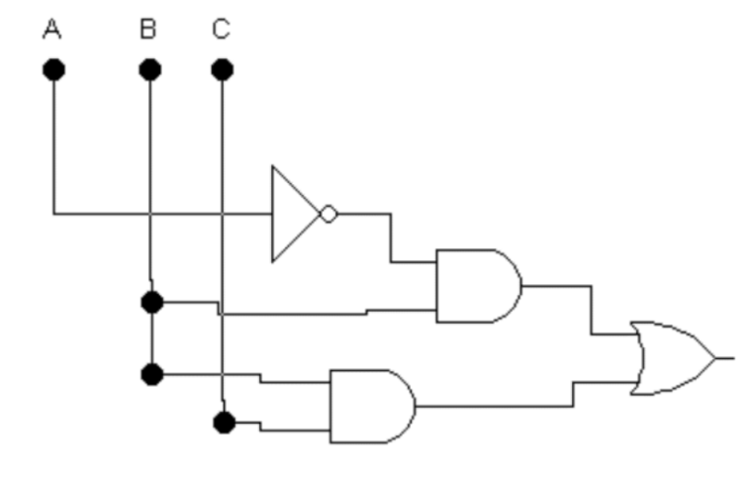
 | A | B | C | (A) | A.B | B.C | (A.B)+(B.C)
0 | 0 | 0 | 0 | 1 | 0 | 0 | 0
1 | 0 | 0 | 1 | 1 | 0 | 0 | 0
2 | 0 | 1 | 0 | 1 | 1 | 0 | 1
3 | 0 | 1 | 1 | 1 | 1 | 1 | 1
4 | 1 | 0 | 0 | 0 | 0 | 0 | 0
5 | 1 | 0 | 1 | 0 | 1 | 0 | 1
6 | 1 | 1 | 0 | 0 | 0 | 0 | 0
7 | 1 | 1 | 1 | 0 | 1 | 1 | 1

