Cover
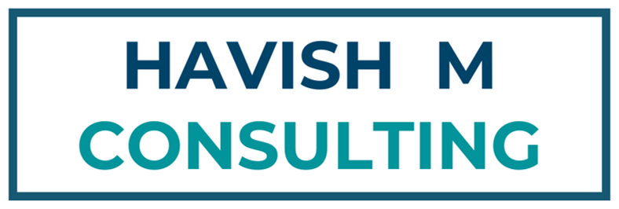

Harvard Business School Online Cohort of 2021
40u40 Innovators in Analytics [Analytics Insight 2019]
NASSCOM Member
Microsoft Partner
Microsoft Certified Trainer, Office Master, Power BI Certified
Faculty at IIM Kozhikode, IMT Ghaziabad, SRCC


Website | https://www.havishmconsulting.com
Courses | https://www.havishmconsulting.com/shop-courses
YouTube | https://www.youtube.com/c/havishmadhvapaty
YouTube Links | https://docs.google.com/spreadsheets/d/1oy-m28azm8tgaOaCd5yOjQGoNUxhFp6a4tNl6sSDJAw/edit?usp=sharing
GitHub | https://github.com/havishmad
Spotify | https://open.spotify.com/show/1zpPvGs8SxjfcWz1ttfwEW
Lucid | https://lucid.app/lucidchart/b5c7c527-534a-4095-afe3-752a8ba2e6b2/edit?viewport_loc=1626%2C-880%2C946%2C398%2C0_0&invitationId=inv_af9653ef-13d6-40dd-876c-172567b3f396

Notes
Service Level Agreement

https://www.techtarget.com/searchitchannel/definition/service-level-agreement
https://www.cio.com/article/274740/outsourcing-sla-definitions-and-solutions.html
https://blog.hubspot.com/blog/tabid/6307/bid/34212/how-to-create-a-service-level-agreement-sla-for-better-sales-marketing-alignment.aspx

Key points
A service-level agreement (SLA) is a contract between a service provider and its customers that documents what services the provider will furnish and defines the service standards the provider is obligated to meet.
Origin: Emergence of outsourcing in 1980s
Importance
Service providers need SLAs to help them manage customer expectations and define the severity levels and circumstances under which they are not liable for outages or performance issues. Customers can also benefit from SLAs because the contract describes the performance characteristics of the service -- which can be compared with other vendors' SLAs -- and sets forth the means for redressing service issues.
Key use cases:
Managed Services
SaaS
Types:
Customer Internal
Multilevel

Problem
Dell wants to give the client a reminder to renew their warranty on the first date of the quarter.
Desired Warranty period (in yrs) |  |  | 2
 |  |  |  |  |  | Expiry Date
 |  |  |  |  |  | Expiry Year
 |  |  |  |  |  | Expiry Month
 |  |  |  |  |  | Vlookup Approximate
 |  |  |  |  |  | Final Solution

 | Date of Purchase | Warranty Period (in yrs) | Reminder Date | Expiry Date | Expiry Year | Expiry Month | Vlookup Approximate
 | 1-Jan-20 | 1 | 2-Oct-20 | 31-Dec-20 | 2020 | 12 | 2
 | 7-May-20 | 2 | 6-Feb-22 | 7-May-22 | 2022 | 5 | 2
 | 17-Dec-19 | 2 | 17-Sep-21 | 16-Dec-21 | 2021 | 12 | 2
 | 10-May-20 | 1 | 9-Feb-21 | 10-May-21 | 2021 | 5 | 2
 | 28-Apr-20 | 2 | 28-Jan-22 | 28-Apr-22 | 2022 | 4 | 2
 | 22-Dec-19 | 2 | 22-Sep-21 | 21-Dec-21 | 2021 | 12 | 2
 | 19-Mar-20 | 3 | 19-Dec-22 | 19-Mar-23 | 2023 | 3 | 2
 | 9-Jun-20 | 1 | 11-Mar-21 | 9-Jun-21 | 2021 | 6 | 2

