Evidence_Screenshots
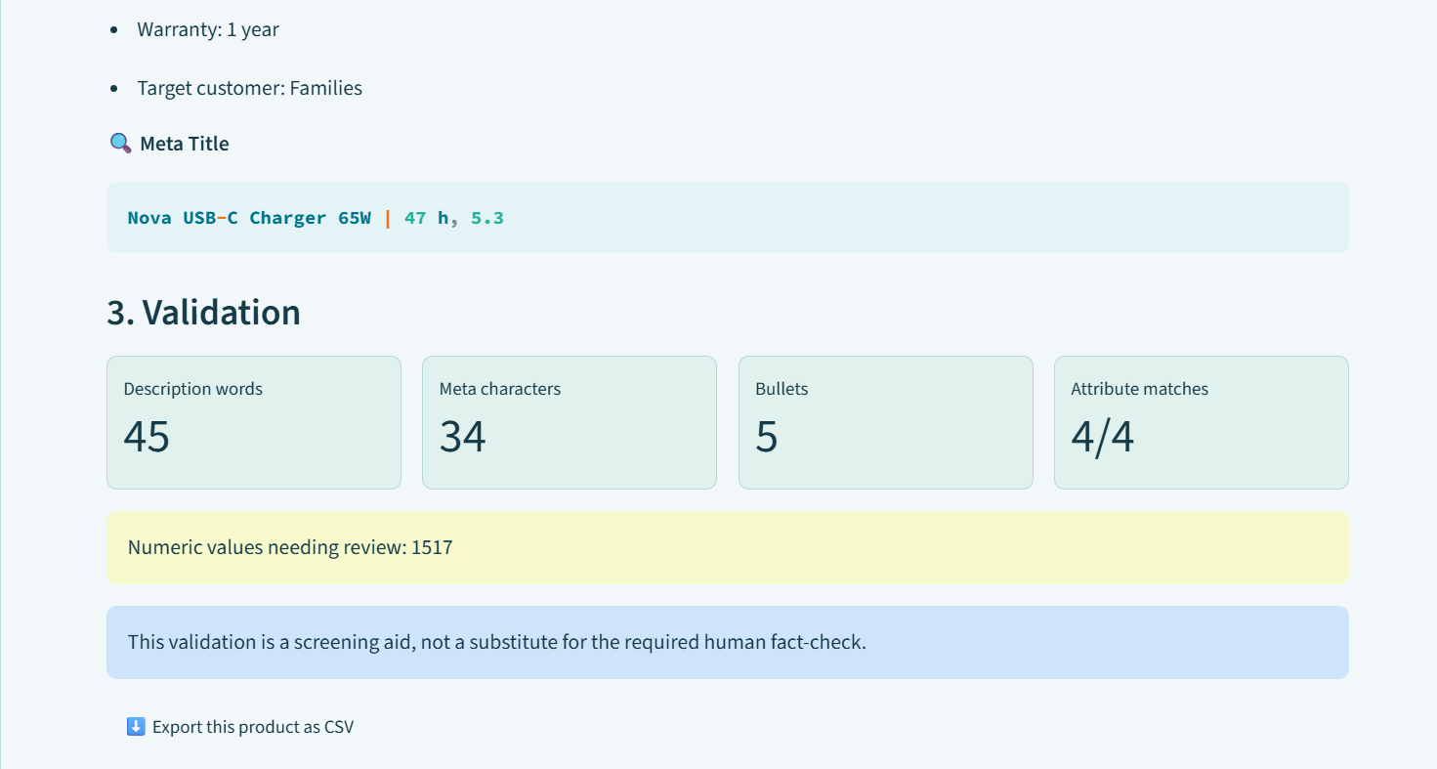
Working Build Evidence — UI Screenshots
These screenshots document the current interactive UI prototype. Use them in the report and presentation as evidence for the Working Build criterion.

Screenshot 1 — Main generator screen
Use in Report: Working Build / System Interface. Shows product selection, product inputs, generation mode and Generate SEO Content button.
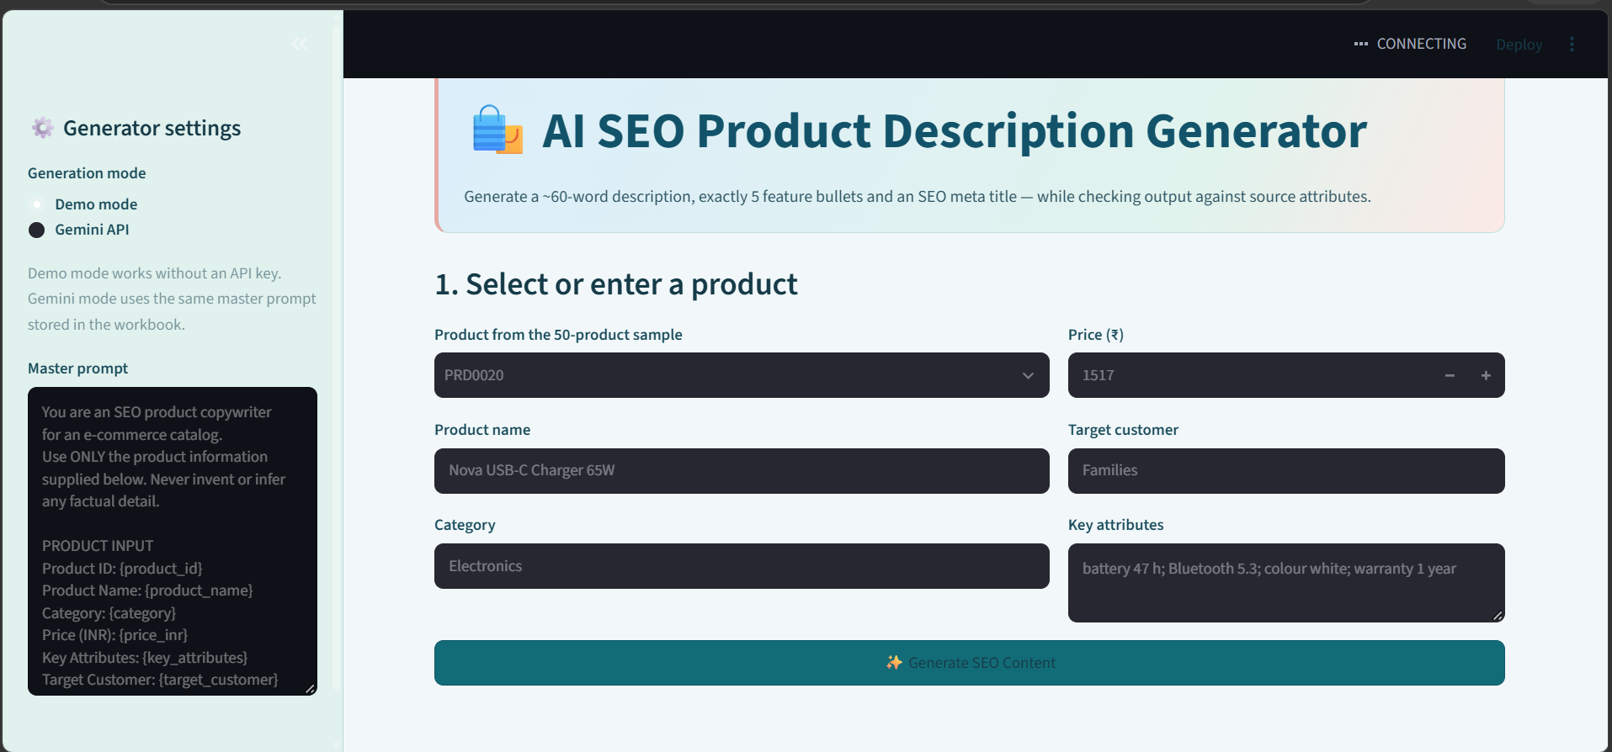

Screenshot 2 — Generated content
Use in Report: Working Build / Output. Shows description, exactly five feature bullets and meta title.
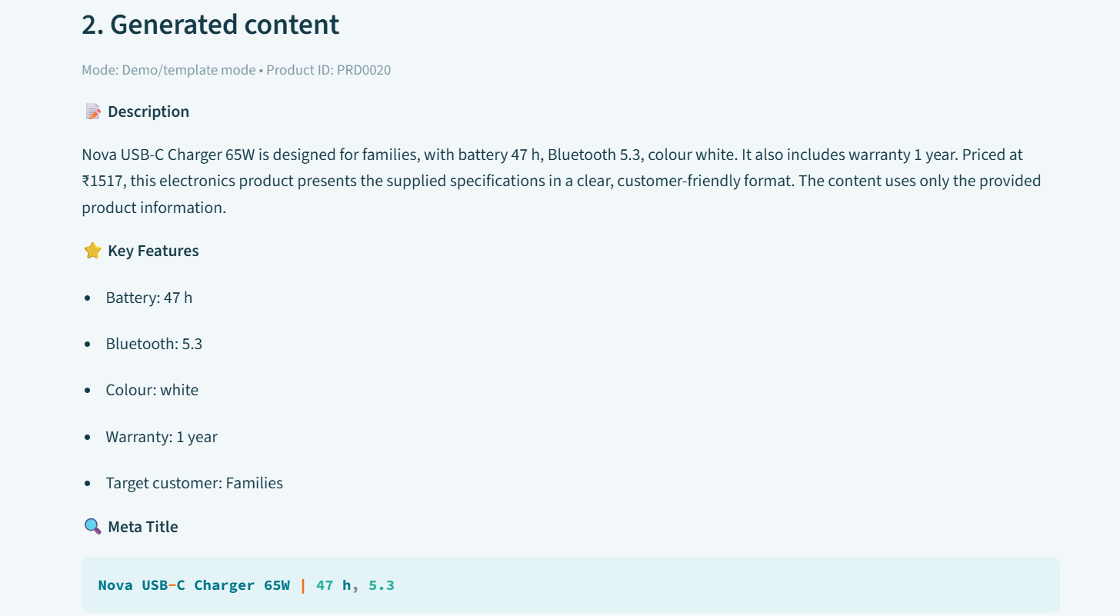

Screenshot 3 — Validation panel
Use in Report: Correctness & Verification. Shows word count, meta characters, bullet count, attribute matches, numeric review flag and human fact-check notice.

