Sheet1
Graph

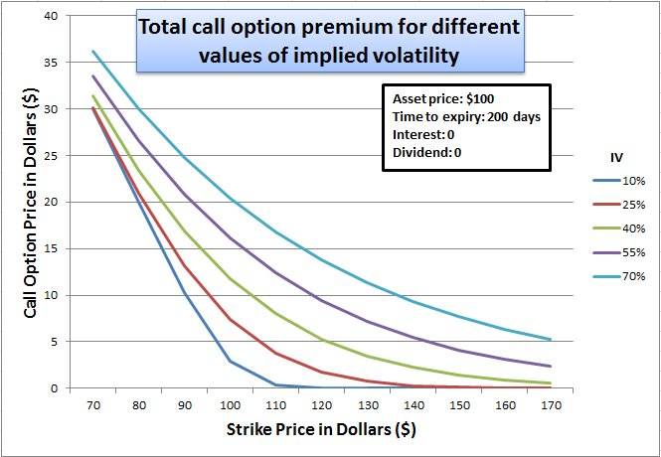
Call price Vs strike price

Time of Expiry : 1 year
Rate = 4.62%

