Shift scheduling
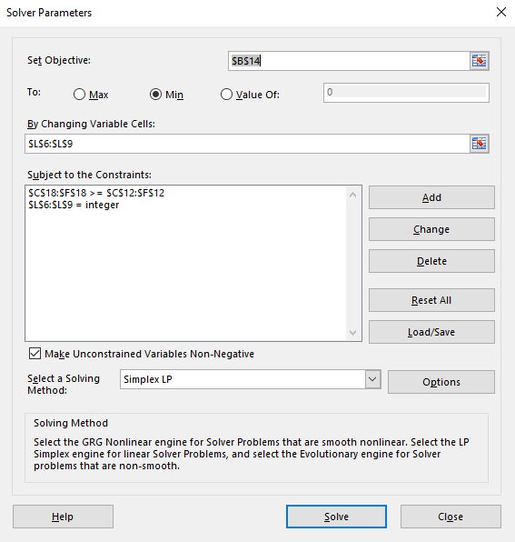
Shift scheduling

a_{iu} = 1 if u in S_i, 0 else.
 | Time interval | 9-10h | 10-11h | 11-12h | 12-13h |  |  | Decision variables
Shift working time | Shift i \ Hour u | 1 | 2 | 3 | 4 | Shift i | Costs c_i | Shift i | x_i
9-11h | 1 | 1 | 1 | 0 | 0 | 1 | 40 | 1 | 0
10-12h | 2 | 0 | 1 | 1 | 0 | 2 | 40 | 2 | 5
11-13h | 3 | 0 | 0 | 1 | 1 | 3 | 40 | 3 | 0
9-13h | 4 | 1 | 1 | 1 | 1 | 4 | 60 | 4 | 5
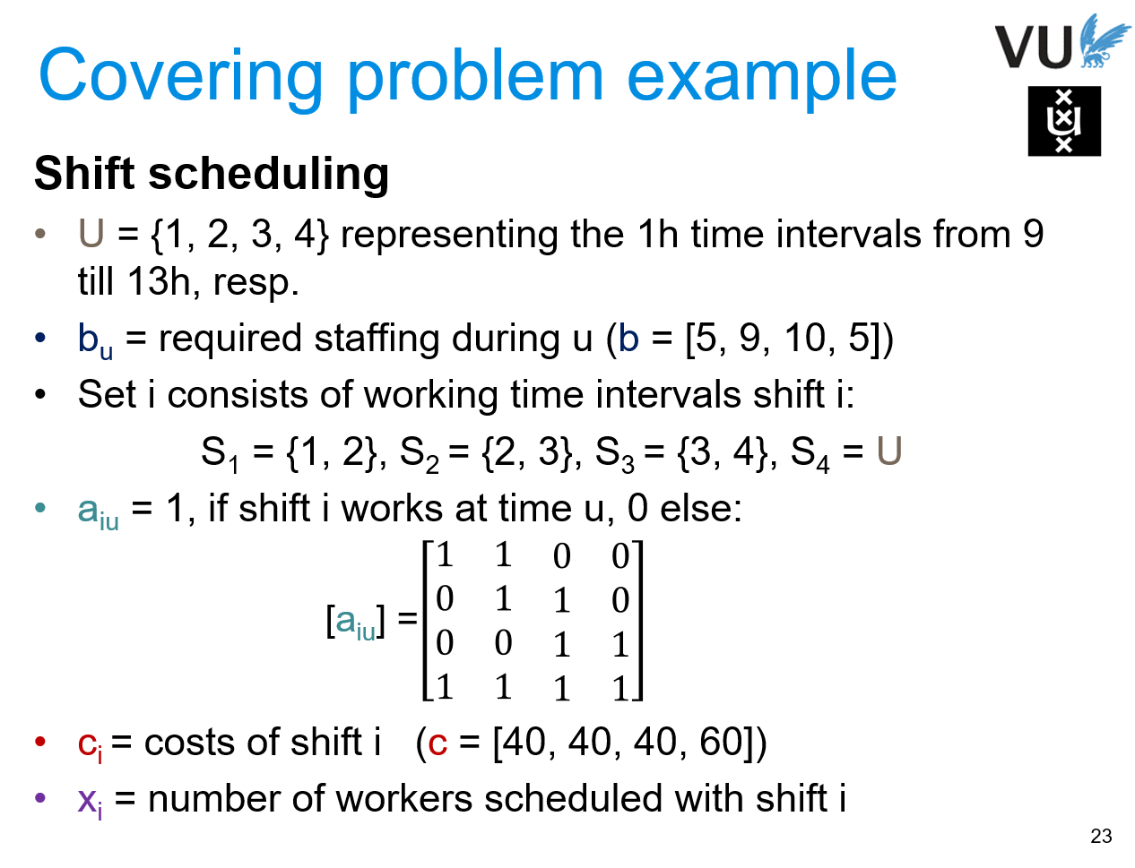
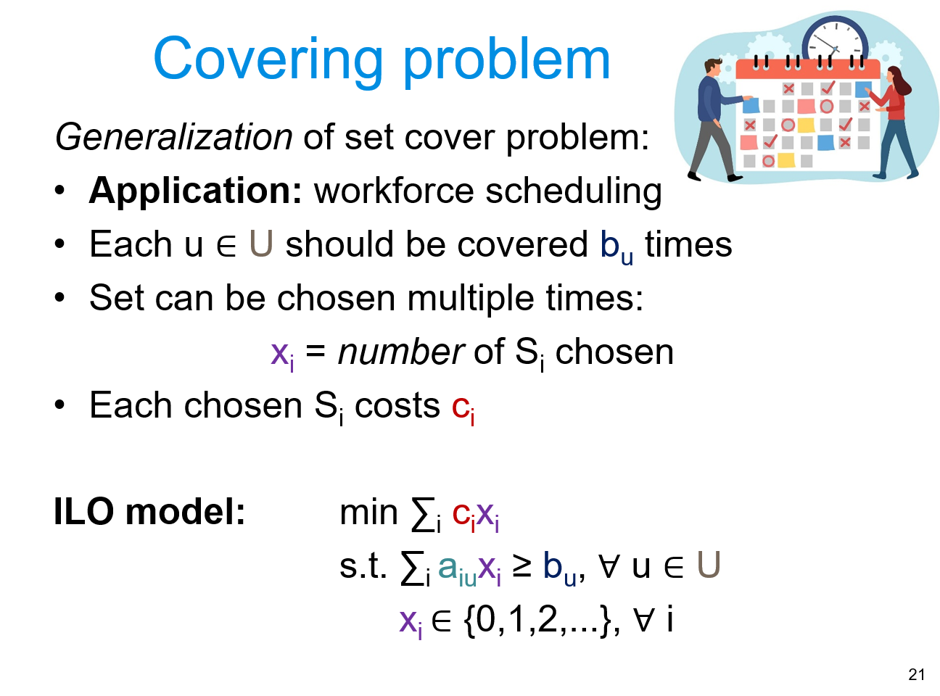
 | Hour u | 1 | 2 | 3 | 4
 | Required staffing b_u | 5 | 9 | 10 | 5

Objective | 500

 | Restrictions
 | Hour u | 1 | 2 | 3 | 4
 | Number of workers | 5 | 10 | 10 | 5

Color coding: | PARAMETERS
 | FORMULAS
 | DECISION VARIABLES
 | OBJECTIVE

