Exercise 2.4a
Exercise 2.4a

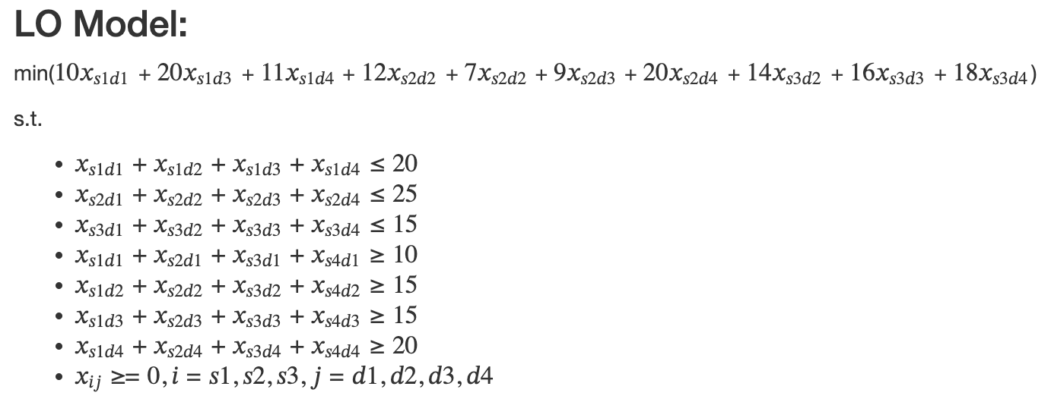
Source\destination | D1 | D2 | D3 | D4 | Supply
S1 | 10 | 0 | 20 | 11 | 20
S2 | 12 | 7 | 9 | 20 | 25
S3 | 0 | 14 | 16 | 18 | 15
Demand | 10 | 15 | 15 | 20

Decision variables x_{ij}
Source i\destination j | D1 | D2 | D3 | D4 | Outflow
S1 | 0 | 5 | 0 | 15 | 20
S2 | 0 | 10 | 15 | 0 | 25
S3 | 10 | 0 | 0 | 5 | 15
Inflow | 10 | 15 | 15 | 20

Objective | 460

Color coding: | PARAMETERS
 | FORMULAS
 | DECISION VARIABLES
 | OBJECTIVE

