Ex. 1c-a Transportation problem
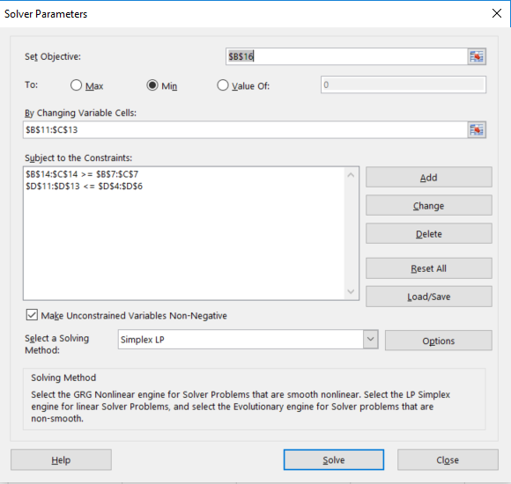
Exercise 1c for 1a: Transportation problem
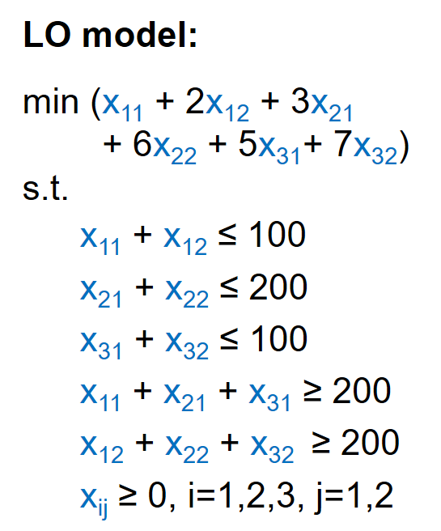
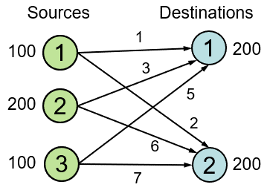
Source\destination | 1 | 2 | Supply
1 | 1 | 2 | 100
2 | 3 | 6 | 200
3 | 5 | 7 | 100
Demand | 200 | 200

Decision variables x_{ij}
Source i\destination j | 1 | 2 | Outflow
1 | 0 | 100 | 100
2 | 200 | 0 | 200
3 | 0 | 100 | 100
Inflow | 200 | 200

Objective | 1500

Color coding: | PARAMETERS
 | FORMULAS
 | DECISION VARIABLES
 | OBJECTIVE

