Sheet1
line | Pic | SKU | ChannelName | ProductName | BrandName | UPC | Landed Cost | First Cost | Ocean freight | Drayage | USA Handling Charge | Estimated Freight | Sale Price | Retailer Price | MaterialName | ColourName | HMNUM | Pieces | MasterPack | BoxNumber | HMName | StockKey | Inventory | CTNWeight | Carton Dimension L x W x H(inches) | Product Dimension L x W x H (inches) | Category | Subcategory | Status | Product Description | Bullets / Detailed Specifications (max. 5) | Tags and Keywords (comma separated) | Visibility | SKU_QTY | url
1 | 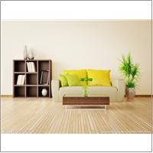 http://localhost:3224/MediaLib/Files/20253.00/20253.00_2.jpg | saaaaaaaaa | AmazonVendor | saaaaaaaaa | BEST | saaaaaaaaa | 46.36 | 40.36 | 3 | 1 | 2 | 0 | 0 | 0 | MDF | Red-Multi | 20253.00 | 2 | 2 | 1 | saaaaaaaaa | 270935 | 0 | S/1: 15.00 | S/1: 18.00X13.00X14.00 | S/1: 15.63X11.30X10.12 | Décor | Jewelry box | New | saaaaaaaaa | saaaaaaaaa |  | Online | 0
2 | 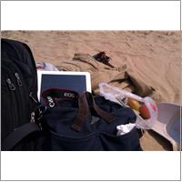 http://localhost:3224/MediaLib/Files/298403/298403_2.jpg | 298403 | OverStock | CARLISLE TABLE | Noble House | 849114909973 | 0 | 0 | 0 | 0 | 0 | 0 | 350 | 0 | Acacia Wood + Iron | RUSTIC METAL | 298403 | 1 | 1 | 1 | CARLISLE TABLE | 298403 | 0 |  |  |  | NONE | NONE | Complete | Add a perfect focal point to your outdoor space with this rustic Acacia wooden set. The Carlisle table and benches are each complete with a folding iron frame that accentuates the sandblasted finish to offer a raw yet refined edge to any arrangement. | includes: One table, two benches Materials: acacia wood and iron Color: rustic metal some assembly required |  | Offline | 0
3 | 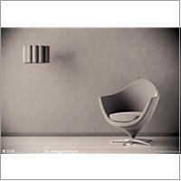 http://localhost:3224/MediaLib/Files/20249.00/20249.00_1.jpg | aaaaaaaaaaaaaaaa | AmazonDropShip | aaaaaaaaaaaaaaaa | Noble House | aaaaaaaaaaaaaaaa | 39.24 | 39.24 | 0 | 0 | 0 | 0 | 0 | 0 | aaaaaaaaaaaaaaaaaaaaaaaa | aaaaaaaaaaaaaaaaaaaaaaaa | 20249.00 | 2 | 2 | 1 | aaaaaaaaaaaaaaaa | 270923 | 8 | S/1: 14.00 | S/1: 18.00X10.00X13.00 | S/1: 15.16X10.51X7.64 | NONE | NONE | New | a | a |  | Online | 0
4 | 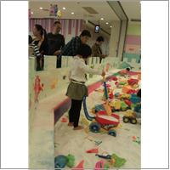 http://localhost:3224/MediaLib/Files/298403/298403_6.jpg | 298403 | eBay | CARLISLE TABLE | Noble House | 849114909973 | 0 | 0 | 0 | 0 | 0 | 0 | 410 | 0 | Acacia Wood + Iron | RUSTIC METAL | 298403 | 1 | 1 | 1 | CARLISLE TABLE | 298403 | 0 |  |  |  | NONE | NONE | Complete | Add a perfect focal point to your outdoor space with this rustic Acacia wooden set. The Carlisle table and benches are each complete with a folding iron frame that accentuates the sandblasted finish to offer a raw yet refined edge to any arrangement. | includes: One table, two benches Materials: acacia wood and iron Color: rustic metal some assembly required |  | Offline | 0
5 | 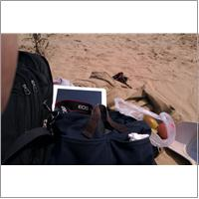 http://localhost:3224/MediaLib/Files/47383.00BLK/47383.00BLK_3.jpg | 281870BLK | HAYNEEDLE | Dartmouth Four Sectioned Black Leather Cube Storage Ottoman | Noble House | 816764010977 | 80.53 | 80.53 | 0 | 0 | 0 | 0 | 200 | 0 | Bonded Leather | Black | 47383.00BLK | 4 | 2 | 2 | Dartmouth Four Sectioned Black Leather Cube Storage Ottoman | 281870BLK | 167 | S/1: 120.00 | S/1: 36.00X36.00X19.00 | S/1: 35.00X35.00X19.00 | NONE | NONE | Active | Dining in the living room in front of the television has long been a favorite way to enjoy meals, especially, more than likely, for your husband. Those unsightly “TV trays” take away from the beautifully decorated atmosphere that you’ve worked hard to cre | * Four wooden trays that unfold from the leather cushions on top * Allow you to dine easily or use as a coffee table * Padded enough to be used as additional seating * Stunningly stylish and unique |  | Offline | 0
6 | http://localhost:3224/MediaLib/Files/47383.00BLK/47383.00BLK_2.jpg | 123456 | BeyondTheRackUS | Dartmouth Four Sectioned Black Leather Cube Storage Ottoman | BEST | 816764010977 | 80.53 | 80.53 | 0 | 0 | 0 | 0 | 200 | 0 | Bonded Leather | Black | 47383.00BLK | 4 | 2 | 2 | Dartmouth Four Sectioned Black Leather Cube Storage Ottoman | 281870BLK | 167 | S/1: 120.00 | S/1: 36.00X36.00X19.00 | S/1: 35.00X35.00X19.00 | NONE | NONE | NewDuplicated | Dining in the living room in front of the television has long been a favorite way to enjoy meals, especially, more than likely, for your husband. Those unsightly “TV trays” take away from the beautifully decorated atmosphere that you’ve worked hard to cre | * Four wooden trays that unfold from the leather cushions on top * Allow you to dine easily or use as a coffee table * Padded enough to be used as additional seating * Stunningly stylish and unique |  | Offline | 0
7 | 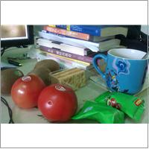 http://localhost:3224/MediaLib/Files/47383.00BLK/47383.00BLK_1.jpg | 123456 | BeyondTheRackCAN | Dartmouth Four Sectioned Black Leather Cube Storage Ottoman | BEST | 816764010977 | 80.53 | 80.53 | 0 | 0 | 0 | 0 | 200 | 0 | Bonded Leather | Black | 47383.00BLK | 4 | 2 | 2 | Dartmouth Four Sectioned Black Leather Cube Storage Ottoman | 281870BLK | 167 | S/1: 120.00 | S/1: 36.00X36.00X19.00 | S/1: 35.00X35.00X19.00 | NONE | NONE | NewDuplicated | Dining in the living room in front of the television has long been a favorite way to enjoy meals, especially, more than likely, for your husband. Those unsightly “TV trays” take away from the beautifully decorated atmosphere that you’ve worked hard to cre | * Four wooden trays that unfold from the leather cushions on top * Allow you to dine easily or use as a coffee table * Padded enough to be used as additional seating * Stunningly stylish and unique |  | Offline | 0
8 | 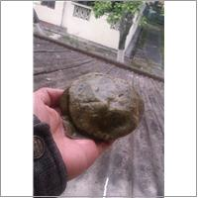 http://localhost:3224/MediaLib/Files/47383.00BLK/47383.00BLK_6.jpg | 281870BLK | eBay | 4 Tray Top Black Leather Storage Ottoman Coffee Table | Noble House | 816764010977 | 80.53 | 80.53 | 0 | 0 | 0 | 0 | 293.39 | 0 | Bonded Leather | Black | 47383.00BLK | 1 | 2 | 0 | 4 Tray Top Black Leather Storage Ottoman Coffee Table | 281870BLK | 167 | S/1: 0.00 | S/1: 36.00X36.00X19.00 | S/1: 35.00X35.00X19.00 | NONE | NONE | Complete | Dining in the living room in front of the television has long been a favorite way to enjoy meals, especially, more than likely, for your husband. Those unsightly “TV trays” take away from the beautifully decorated atmosphere that you’ve worked hard to cre | * Four wooden trays that unfold from the leather cushions on top * Allow you to dine easily or use as a coffee table * Padded enough to be used as additional seating * Stunningly stylish and unique |  | Offline | 0

