WorstCase
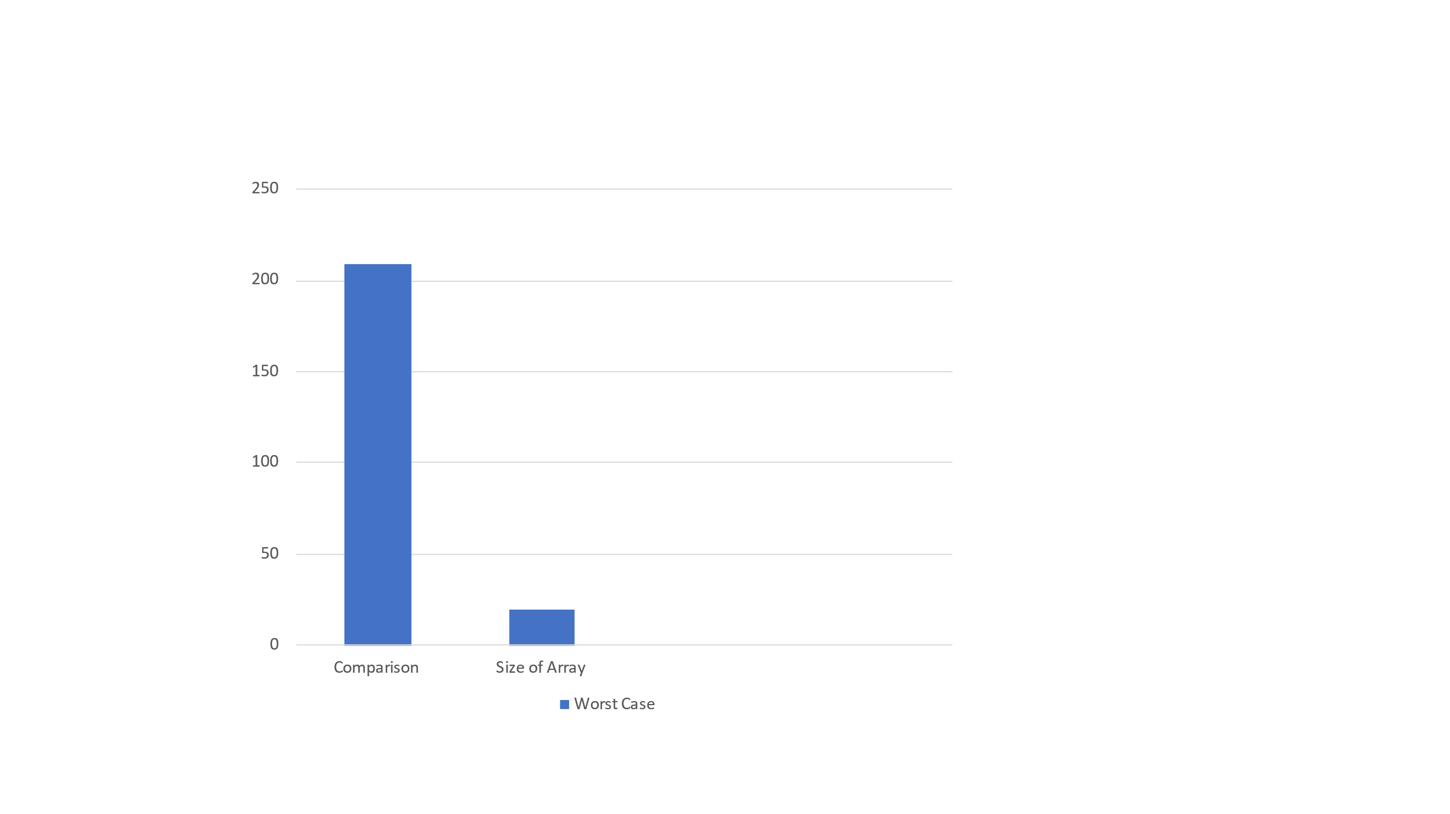
enter the size of array for worst case:20
Array for worstcase:
965 927 856 771 729 709 683 675 624 586 567 528 497 481 353 306 219 117 97 31

no of comparison for insertion sort:209

31 97 117 219 306 353 481 497 528 567 586 624 675 683 709 729 771 856 927 965

