portfolio report
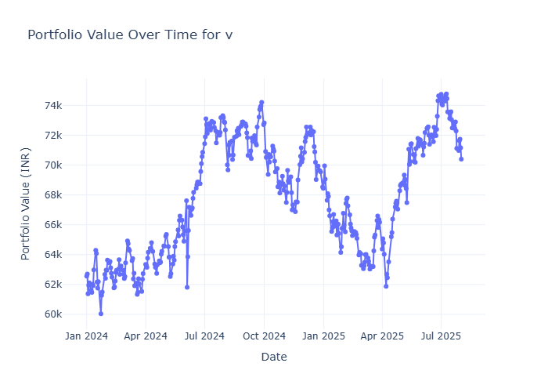
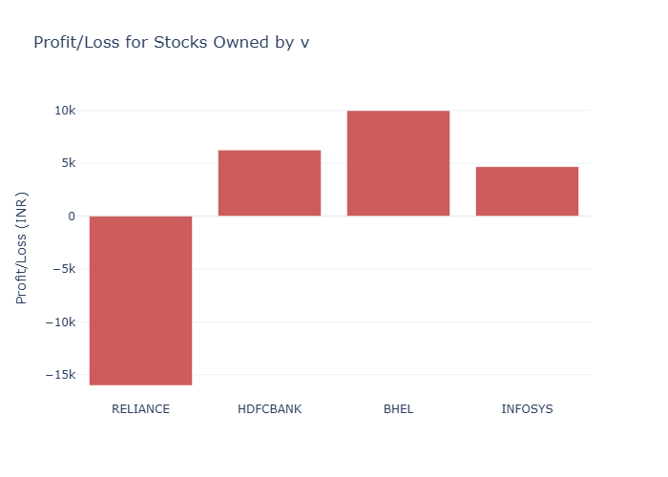
stock_name | qty | bprice | bdate | cprice | p&l | %change
RELIANCE | 10 | 3012 | 2024-09-05 | 1410.4000244 | -16015.999756 | %-0.0920823689717783
HDFCBANK | 15 | 1578 | 2024-01-17 | 1994.8000488 | 6252.0007324 | %0.010030745243979365
BHEL | 50 | 42 | 2021-02-05 | 241.63999939 | 9981.9999695 | %0.07869225256067383
INFOSYS | 10 | 1012 | 2024-05-12 | 1480.5 | 4685 | %0.14204380081566811

