Sheet
id | name | author | download | preview1 | preview2 | description | like | comment | share | visit | download | praise | data source
6180 | oMg a gAmEr bOy!111!!! | techniclady |  |  |  |  |  | 431 |  | 145478 | 109316 | 9999 | MCskin_com
439 | g h o s t s t e v e | mochhi |  |  |  |  |  | 180 |  | 44397 | 36947 | 3785 | MCskin_com
12113 | Skeppy | KawaiiCornz |  |  |  |  |  | 276 |  | 68213 | 34868 | 4976 | MCskin_com
4093 | z o m b i e - 2.0 | mochhi |  |  |  |  |  | 278 |  | 56787 | 30838 | 6591 | MCskin_com
342 | Neon Blue gamer boy (with special effects) | GammyProff |  |  |  |  |  | 15 |  | 41370 | 27964 | 610 | MCskin_com
12477 | One Lucky Day | toukaa |  | 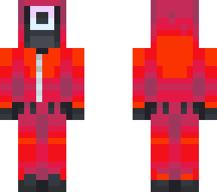 |  |  |  | 87 |  | 45309 | 26831 | 915 | MCskin_com
4056 | a d v e n t u r e s t e v e | mochhi |  | 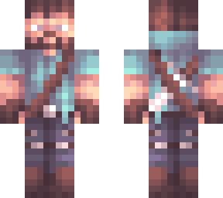 |  |  |  | 151 |  | 54784 | 26629 | 3958 | MCskin_com
974 | Red gamer boy (with effects) | GammyProff |  |  |  |  |  | 12 |  | 26490 | 25194 | 746 | MCskin_com
15528 | Lightening God | KingJohn01 |  | 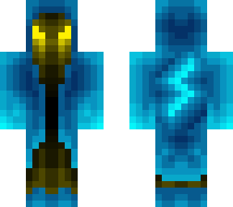 |  |  |  | 31 |  | 35246 | 25003 | 1300 | MCskin_com
4599 | a casino full of sins . dsmp | kichanti |  | 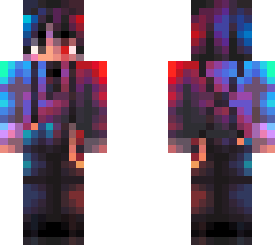 |  |  |  | 45 |  | 40800 | 23453 | 2690 | MCskin_com
9798 | Glow (Look closer trust me) | DiamondDragonE |  |  |  |  |  | 263 |  | 51003 | 21242 | 6091 | MCskin_com
7185 | k a r l j a c o b s | mochhi |  | 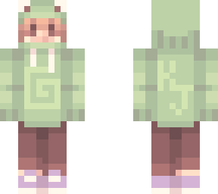 |  |  |  | 94 |  | 42283 | 20981 | 3110 | MCskin_com
2536 | Spider-man No Way home Tom Holland upgrated suit for the contest | indozilla25 |  |  |  |  |  | 10 |  | 33725 | 20976 | 363 | MCskin_com
7702 | Neon blue gamer boy (with special effects) | GammyProff |  |  |  |  |  | 9 |  | 30012 | 19153 | 353 | MCskin_com
15202 | Pennywise (IT 2017) - CLOWN SERIES | uaena |  |  |  |  |  | 24 |  | 30338 | 18025 | 3850 | MCskin_com
11320 | welcome to Skintober | stxrrynight |  |  |  |  |  | 152 |  | 29670 | 17142 | 4665 | MCskin_com
5058 | fire and ice/water gamer boy (fixed) | GammyProff |  | 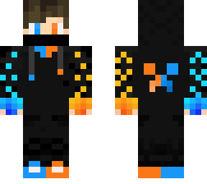 |  |  |  | 9 |  | 25559 | 16915 | 257 | MCskin_com
13899 | I'd like a small donation of your soul please. | FreeWiFi |  | 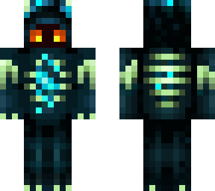 |  |  |  | 222 |  | 28417 | 16880 | 1669 | MCskin_com
10293 | Purple gamer boy (with effects) | GammyProff |  | 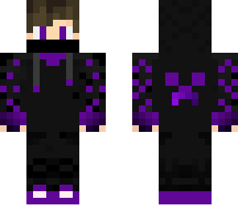 |  |  |  | 8 |  | 26293 | 16258 | 297 | MCskin_com
9185 | ; squid gamer ; | rawrwhal |  | 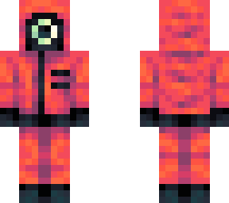 |  |  |  | 46 |  | 26105 | 16209 | 911 | MCskin_com
257 | Hog rider | xLucidDreamsx |  |  |  |  |  | 58 |  | 25208 | 15086 | 905 | MCskin_com
13884 | creeper maid bc i’m losing my mind // ce | yukiiusagii |  | 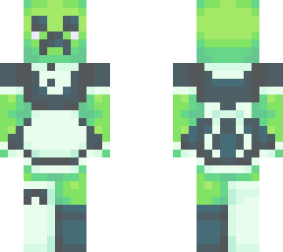 |  |  |  | 59 |  | 27248 | 14877 | 932 | MCskin_com
7669 | Electric Blue Knight | FrostyFett |  | 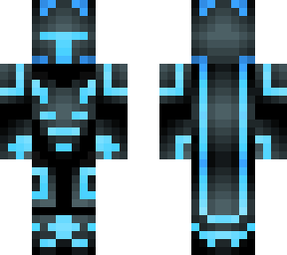 |  |  |  | 15 |  | 22479 | 14365 | 289 | MCskin_com
7194 | Green gamer boy (with special effects) | GammyProff |  |  |  |  |  | 9 |  | 20617 | 13611 | 524 | MCskin_com
9766 | Elmo | PickleyDucky |  | 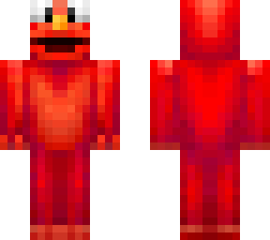 |  |  |  | 40 |  | 20432 | 13234 | 620 | MCskin_com
14918 | enderderp | thiccsnail |  | 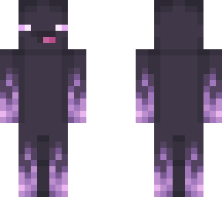 |  |  |  | 50 |  | 25716 | 13069 | 1064 | MCskin_com
8698 | Purple gamer boy (with special effects) | GammyProff |  | 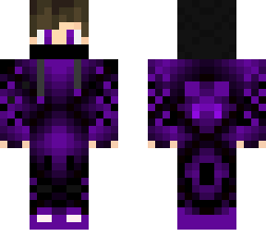 |  |  |  | 6 |  | 19782 | 12577 | 329 | MCskin_com
12094 | Happy HalloweeenN!!!! | Garfield4956 |  | 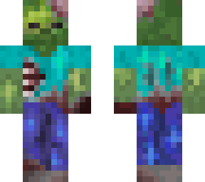 |  |  |  | 82 |  | 20642 | 12377 | 765 | MCskin_com
3567 | + F-I-Y-A-H - (effectz) | HARDERSTYLES |  |  |  |  |  | 13 |  | 17613 | 12139 | 436 | MCskin_com
11758 | Red Gamer Boy (with special effects) | GammyProff |  |  |  |  |  | 17 |  | 18623 | 12088 | 373 | MCskin_com
7695 | Gl`I_tC_hE`y Red Gamer Boy | GammyProff |  | 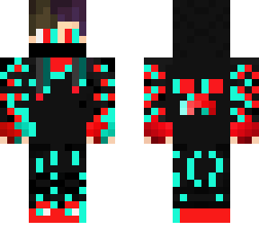 |  |  |  | 5 |  | 16978 | 11556 | 480 | MCskin_com
7661 | Iron Spider | T43omen |  | 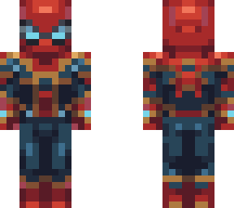 |  |  |  | 20 |  | 17825 | 10532 | 301 | MCskin_com
7196 | ;~'Legacy'~; | CarlsonsLuvGod |  |  |  |  |  | 7 |  | 16621 | 10432 | 233 | MCskin_com
7172 | ~SunFlower~ | TawSick |  | 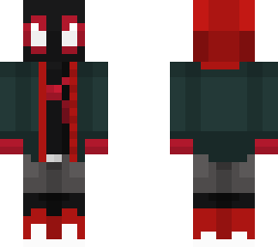 |  |  |  | 24 |  | 17375 | 10144 | 420 | MCskin_com
10796 | Lord Crimson | FreeWiFi |  | 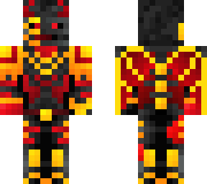 |  |  |  | 98 |  | 16732 | 10057 | 596 | MCskin_com
10775 | High-effort silver gamer boy! | dqrkapplezYT |  |  |  |  |  | 18 |  | 16489 | 9733 | 237 | MCskin_com
465 | Purple gamer boy (modified) | GammyProff |  |  |  |  |  | 7 |  | 15003 | 9342 | 408 | MCskin_com
7188 | ~ GAMER BOY ~ (EFFECTS) | HARDERSTYLES |  |  |  |  |  | 12 |  | 14828 | 9212 | 457 | MCskin_com
976 | Red gamer boy (modified) | GammyProff |  | 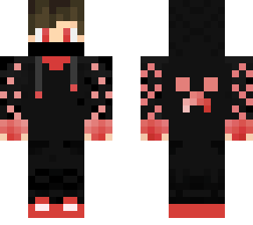 |  |  |  | 5 |  | 15053 | 9172 | 391 | MCskin_com
11278 | The Amazing Spider-Man 2 Spider-Man (Andrew Garfield) #MakeTASM3 | indozilla25 |  | 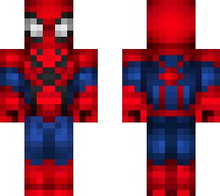 |  |  |  | 5 |  | 15032 | 9105 | 349 | MCskin_com
2110 | green gamer boy (with special effects) | GammyProff |  |  |  |  |  | 1 |  | 13315 | 8733 | 373 | MCskin_com
1865 | Orange gamer boy | GammyProff |  | 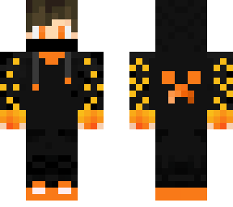 |  |  |  | 5 |  | 13317 | 8339 | 329 | MCskin_com
3058 | Green gamer boy (Modified) | GammyProff |  |  |  |  |  | 7 |  | 14434 | 8271 | 260 | MCskin_com
15217 | what's up danger? | haikuu |  | 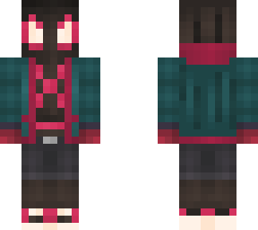 |  |  |  | 38 |  | 14821 | 8270 | 224 | MCskin_com
4595 | Neon void | ReadingFoxx |  |  |  |  |  | 4 |  | 12646 | 8062 | 299 | MCskin_com
15536 | ICYOG | TnTcreeper80 |  | 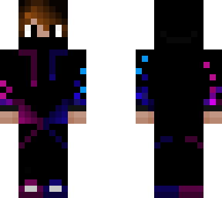 |  |  |  | 3 |  | 12303 | 7952 | 247 | MCskin_com
4596 | purple gamer boy (with special effects) | GammyProff |  | 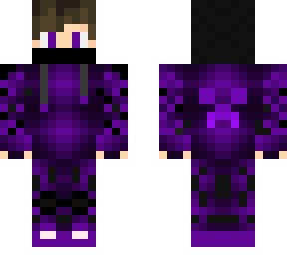 |  |  |  | 6 |  | 13027 | 7929 | 265 | MCskin_com
13389 | +~-~ uhh.. idek ~-~+ | RNUBones |  |  |  |  |  | 38 |  | 13494 | 7919 | 546 | MCskin_com
9784 | sunrise dream*-*- | FrogInMyCuboard |  |  |  |  |  | 25 |  | 12992 | 7637 | 389 | MCskin_com
15200 | zenitsu agatsuma | knightmareMerc |  | 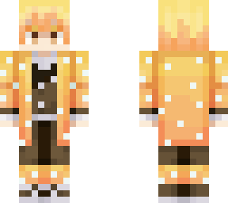 |  |  |  | 16 |  | 13383 | 7595 | 344 | MCskin_com
12875 | * + THANOS + * | Giissy |  |  |  |  |  | 11 |  | 12437 | 7490 | 400 | MCskin_com
5093 | *~ Spiderman // Tobey maguire ~* | TippidyToppidy |  | 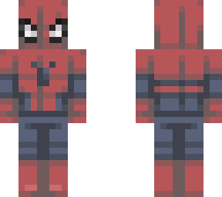 |  |  |  | 17 |  | 14216 | 7460 | 357 | MCskin_com
9786 | Spider-Man | OrangeHexanFlare |  | 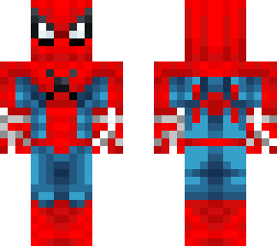 |  |  |  | 1 |  | 12134 | 7250 | 288 | MCskin_com
980 | +- Spider-man -+ | uxiee |  | 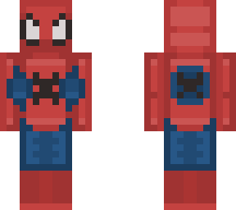 |  |  |  | 5 |  | 12043 | 7183 | 350 | MCskin_com
8701 | Mage of the Blue Sun *-Glow Effect-* | DiamondDragonE |  |  |  |  |  | 20 |  | 13368 | 7159 | 237 | MCskin_com
7681 | Flash Lightning | Thank you for 600 Followers | RapidXD |  |  |  |  |  | 60 |  | 14015 | 7131 | 307 | MCskin_com
9297 | Neon blue gamer boy (fixed) | GammyProff |  |  |  |  |  | 4 |  | 11268 | 7089 | 408 | MCskin_com
8213 | ~Light & Dark~ *_*Masked Yin Yang*_* | JustAnotherSkinmaker |  |  |  |  |  | 5 |  | 12473 | 7073 | 293 | MCskin_com
17488 | ~ Santa ~ [Themed Series] | TheNewSkeppy |  |  |  |  |  | 0 |  | 10724 | 7030 | 294 | MCskin_com
8216 | Green and blue fade for itnotjames | FrostyFett |  |  |  |  |  | 11 |  | 11391 | 6859 | 269 | MCskin_com
20100 | Spider-Man | OrangeHexanFlare |  | 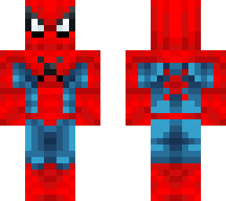 |  |  |  | 4 |  | 10268 | 6576 | 192 | MCskin_com
14898 | Galaxy Adidas boy | GalqxyG |  | 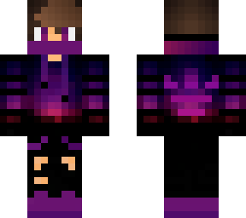 |  |  |  | 7 |  | 10601 | 6570 | 345 | MCskin_com
8704 | Spider-Man 2099 | OrangeHexanFlare |  | 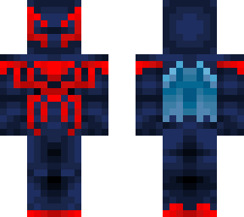 |  |  |  | 10 |  | 10673 | 6559 | 279 | MCskin_com
1913 | phrog ~ rce | bxmble |  |  |  |  |  | 5 |  | 11182 | 6559 | 263 | MCskin_com
7191 | +. ophelia .+ | Fairytail032 |  | 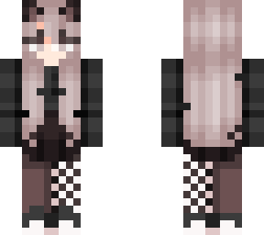 |  |  |  | 14 |  | 11075 | 6526 | 411 | MCskin_com
4591 | Pink gamer boy (with effects) | GammyProff |  |  |  |  |  | 6 |  | 10958 | 6481 | 225 | MCskin_com
278 | Yellow gamer boy (with special effects) | GammyProff |  |  |  |  |  | 12 |  | 10911 | 6458 | 383 | MCskin_com
16518 | Fire Ice Gamer Boy Remastered | taylcr |  | 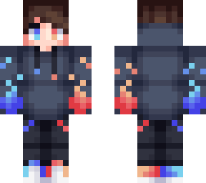 |  |  |  | 5 |  | 10603 | 6315 | 393 | MCskin_com
13906 | Mage of Dark Arts | 1h2i3hi123 |  |  |  |  |  | 10 |  | 10282 | 6103 | 164 | MCskin_com
4065 | . :Pepe says s o r r y :. | BornToPlayMC |  |  |  |  |  | 1 |  | 9884 | 6028 | 276 | MCskin_com
17487 | Adidas-faded darkness | SchnkerBros |  |  |  |  |  | 5 |  | 9740 | 5936 | 356 | MCskin_com
10285 | Neon blue gamer boy (with special effects) | GammyProff |  |  |  |  |  | 7 |  | 8993 | 5916 | 361 | MCskin_com
958 | FICreeper Creeper on front | NotFICreeper |  | 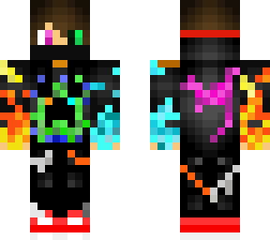 |  |  |  | 2 |  | 8713 | 5894 | 189 | MCskin_com
5828 | Discord | AliceB |  |  |  |  |  | 32 |  | 10640 | 5851 | 271 | MCskin_com
216 | Teenager Ninja | Hossein256 |  |  |  |  |  | 13 |  | 9440 | 5806 | 274 | MCskin_com
5847 | Cute Penguin w/ Green eyes & Tie | Cleora |  |  |  |  |  | 1 |  | 9111 | 5802 | 582 | MCskin_com
985 | Spider-Man | corin2358 |  | 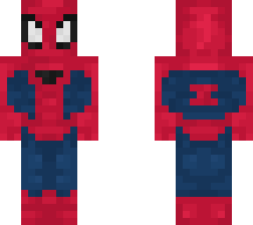 |  |  |  | 11 |  | 10386 | 5306 | 352 | MCskin_com
6207 | ~ FIRE DEMON ~ effects | HARDERSTYLES |  | 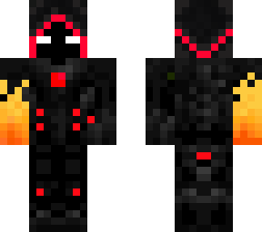 |  |  |  | 13 |  | 9125 | 5299 | 377 | MCskin_com
12078 | Greetings Programs! | BassHeroSDGR305DX |  |  |  |  |  | 10 |  | 8995 | 5244 | 575 | MCskin_com
391 | ~+ Cute Panda +~ | SarahTheHooman |  |  |  |  |  | 17 |  | 8728 | 5241 | 563 | MCskin_com
15164 | OmG a PuRpLe GaMeR bOy1!!1!!1!!!1 | haikuu |  |  |  |  |  | 16 |  | 8687 | 5165 | 239 | MCskin_com
5820 | Tobey Maguire's Spider-Man | T43omen |  | 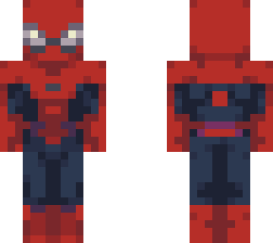 |  |  |  | 7 |  | 9854 | 5088 | 520 | MCskin_com
12444 | Technoblade | FatCatt |  |  |  |  |  | 215 |  | 20871 | 4946 | 1187 | MCskin_com
20101 | Spiderman No Way Home Integrated Suit | Synchxyzian |  | 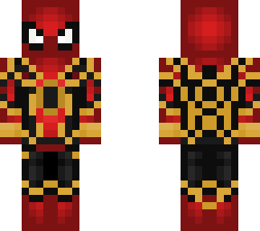 |  |  |  | 7 |  | 7628 | 4903 | 231 | MCskin_com
1399 | . H e r e. f o r . y o u . | AestheticPinkRose |  |  |  |  |  | 14 |  | 8643 | 4875 | 307 | MCskin_com
11298 | Tanjiro Kamado | jerseys |  |  |  |  |  | 9 |  | 8893 | 4874 | 184 | MCskin_com
2134 | Yellow gamer boy (with effects) | GammyProff |  | 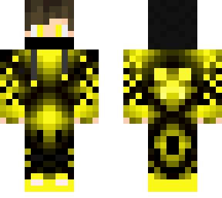 |  |  |  | 1 |  | 7724 | 4868 | 399 | MCskin_com
16037 | [!] A e s t h e t i c [!] | MidnightVibes |  |  |  |  |  | 15 |  | 8587 | 4828 | 565 | MCskin_com
15166 | Christmas HalfDuck | BassHeroSDGR305DX |  |  |  |  |  | 2 |  | 7171 | 4805 | 258 | MCskin_com
15525 | Hunter Herobrine skin blue edition | Digitalmaximus |  | 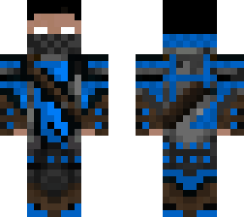 |  |  |  | 4 |  | 7792 | 4765 | 196 | MCskin_com
6671 | @ Mr Magma @ | MagmaMonster |  |  |  |  |  | 10 |  | 7157 | 4591 | 233 | MCskin_com
8670 | Glamrock Freddy | carrotsprouts |  | 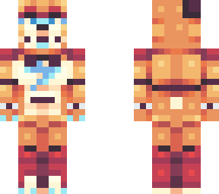 |  |  |  | 25 |  | 8948 | 4579 | 269 | MCskin_com
10774 | Cozy by the Fireplace | BirbLover |  |  |  |  |  | 13 |  | 9901 | 4561 | 481 | MCskin_com
14913 | s a g e | mochhi |  |  |  |  |  | 45 |  | 11235 | 4512 | 390 | MCskin_com
8206 | Golden Boy | Jimmy60 |  |  |  |  |  | 5 |  | 6668 | 4453 | 369 | MCskin_com
3061 | Magical Eye | TheColorLynx |  | 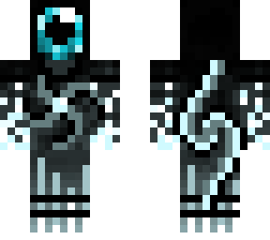 |  |  |  | 7 |  | 7630 | 4405 | 284 | MCskin_com
348 | | maid lookin a lil sussy | | BornToPlayMC |  |  |  |  |  | 16 |  | 7466 | 4389 | 319 | MCskin_com
7193 | b l o o m - winx club | mochhi |  |  |  |  |  | 68 |  | 12759 | 4370 | 605 | MCskin_com
9205 | -Froggy- (GV) | PureHeart5707 |  | 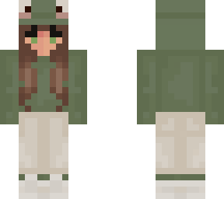 |  |  |  | 8 |  | 8072 | 4334 | 242 | MCskin_com
234 | Oh Hunter - | Caesxr |  | 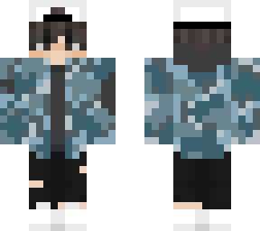 |  |  |  | 3 |  | 7604 | 4282 | 350 | MCskin_com
9190 | Spiderman Integrated suit Perfect | Deepcraft |  | 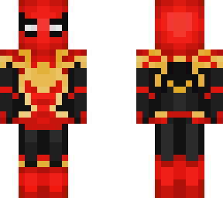 |  |  |  | 7 |  | 7246 | 4271 | 270 | MCskin_com
3555 | - just an ordinary day - | sprxnkles |  |  |  |  |  | 0 |  | 7616 | 4239 | 379 | MCskin_com
6208 | ~Kate~ | YerikTH |  |  |  |  |  | 29 |  | 9045 | 4199 | 364 | MCskin_com
6213 | .:. clouds // girl .:. | gumoholic |  |  |  |  |  | 12 |  | 8250 | 4195 | 351 | MCskin_com
6231 | Fire Gamer // 2/2 | SorryFromAoi |  |  |  |  |  | 4 |  | 7143 | 4184 | 207 | MCskin_com
15189 | Spider-Man | OrangeHexanFlare |  | 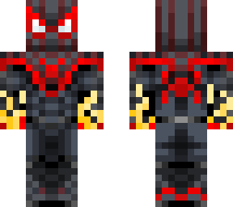 |  |  |  | 6 |  | 7191 | 4172 | 188 | MCskin_com
3039 | To Hurt or To be Hurt | BirbLover |  | 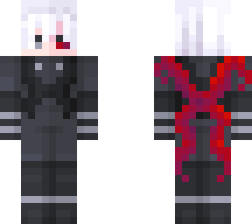 |  |  |  | 15 |  | 7454 | 4171 | 281 | MCskin_com
9183 | -=+= Lexi =+=- | LadyElisabeth |  | 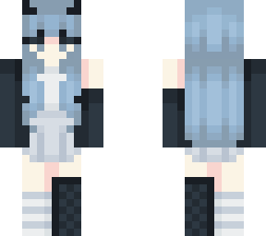 |  |  |  | 9 |  | 7259 | 4128 | 301 | MCskin_com
12876 | Christmas girl | MelsIMakeSkins |  |  |  |  |  | 4 |  | 7441 | 4112 | 318 | MCskin_com
12864 | Steve Harvey | Raekya |  |  |  |  |  | 13 |  | 6837 | 4070 | 219 | MCskin_com
194 | Fire Wizard (with special effects) | PlasmicRay |  | 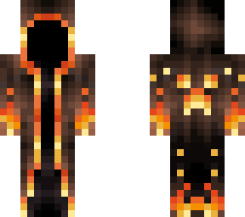 |  |  |  | 18 |  | 7102 | 4035 | 369 | MCskin_com
13898 | _~ HoW INtEreStiNg ~_ | UnattractiveAf |  |  |  |  |  | 4 |  | 8346 | 4007 | 249 | MCskin_com
1912 | K E R M I T | PickleyDucky |  |  |  |  |  | 9 |  | 6513 | 3980 | 459 | MCskin_com
1869 | Galaxies are far - | Caesxr |  |  |  |  |  | 11 |  | 7061 | 3929 | 380 | MCskin_com
9782 | Some Random Mando I Guess (Effects) | LeShocc |  |  |  |  |  | 8 |  | 6923 | 3910 | 327 | MCskin_com
14922 | -=+= Matilda =+=- | LadyElisabeth |  |  |  |  |  | 13 |  | 7536 | 3874 | 238 | MCskin_com
6652 | * + - Techno - + * | Endxrstorm |  |  |  |  |  | 23 |  | 7623 | 3872 | 329 | MCskin_com
6693 | Andrew Garfield's Amazing Spider-Man | T43omen |  |  |  |  |  | 3 |  | 7682 | 3801 | 337 | MCskin_com
12091 | .:. ilya .:. TCE | SkyeCreates |  |  |  |  |  | 13 |  | 7689 | 3770 | 245 | MCskin_com
12083 | .+* Dark Mint | CuteDevilz |  |  |  |  |  | 4 |  | 6591 | 3705 | 358 | MCskin_com
12854 | G L I T E C H E D | Boruto04 |  |  |  |  |  | 26 |  | 6096 | 3670 | 272 | MCskin_com
306 | I see colors of space | iSmellColor |  |  |  |  |  | 51 |  | 8379 | 3668 | 783 | MCskin_com
13881 | Duck | BreadPlusButter |  |  |  |  |  | 1 |  | 6144 | 3645 | 240 | MCskin_com
11304 | Detective Frog | Frostypls |  |  |  |  |  | 6 |  | 6987 | 3634 | 164 | MCskin_com
12451 | Ron | FunnyInternetMan |  |  |  |  |  | 3 |  | 5313 | 3568 | 277 | MCskin_com
2543 | yellow gamer boy (with special effects) | GammyProff |  |  |  |  |  | 0 |  | 6164 | 3516 | 367 | MCskin_com
9232 | Sundrop/Moondrop | SarahTheHooman |  |  |  |  |  | 29 |  | 8178 | 3505 | 260 | MCskin_com
8202 | .:. capricorn // zodiac series .:. | gumoholic |  |  |  |  |  | 45 |  | 9044 | 3503 | 393 | MCskin_com
16490 | Adidas FADE-forest green | SchnkerBros |  |  |  |  |  | 4 |  | 5824 | 3454 | 368 | MCskin_com
3067 | Current Mage ones again | evanstar038294 |  |  |  |  |  | 0 |  | 5360 | 3449 | 176 | MCskin_com
12104 | Low-effort orange gamer boy! | dqrkapplezYT |  |  |  |  |  | 4 |  | 5741 | 3353 | 225 | MCskin_com
8685 | Alien Soldier (with more effects) | MagmaMonster |  |  |  |  |  | 10 |  | 5595 | 3349 | 367 | MCskin_com
9211 | Pink hoodie | FrostyFett |  |  |  |  |  | 3 |  | 5784 | 3275 | 247 | MCskin_com
13908 | Blue and Aqua Lightning | Thank you for 800 followers | RapidXD |  |  |  |  |  | 31 |  | 6135 | 3257 | 117 | MCskin_com
936 | ;~Basalt~; MBS6 | CarlsonsLuvGod |  |  |  |  |  | 38 |  | 7108 | 3151 | 324 | MCskin_com
12900 | ~ P O U L T R Y I N A S U I T ~ | MrBeastyboi |  |  |  |  |  | 3 |  | 5310 | 3142 | 388 | MCskin_com
4557 | just chilling | bxmble |  |  |  |  |  | 11 |  | 6438 | 3100 | 190 | MCskin_com
15500 | Navy & Teal Lightning | RapidXD |  |  |  |  |  | 11 |  | 5744 | 3076 | 217 | MCskin_com
6216 | Tuna | DipIsFeelinSaucy |  |  |  |  |  | 3 |  | 5825 | 3069 | 188 | MCskin_com
1893 | g u m - fanskin | mochhi |  |  |  |  |  | 60 |  | 7590 | 3021 | 371 | MCskin_com
5091 | lily pads ~ first skin | bxmble |  |  |  |  |  | 33 |  | 6017 | 3003 | 205 | MCskin_com
11754 | frog | anxii |  |  |  |  |  | 20 |  | 6315 | 2966 | 211 | MCskin_com
8176 | +*Jade*+ | Isabelleixe |  |  |  |  |  | 7 |  | 5069 | 2861 | 222 | MCskin_com
16025 | ~Ashley~ | YerikTH |  |  |  |  |  | 36 |  | 7233 | 2833 | 338 | MCskin_com
5069 | g h o s t g l i t c h - edit, credit to mochhi | firesmash428 |  |  |  |  |  | 3 |  | 4869 | 2784 | 124 | MCskin_com
7664 | :. .Always the bridesmaid, never the bride . .: | xcheryl |  |  |  |  |  | 7 |  | 4970 | 2761 | 207 | MCskin_com
11289 | ~-g a m i n g-~ | xTeriyaki |  |  |  |  |  | 11 |  | 5527 | 2729 | 207 | MCskin_com
16515 | b o n n i e - collab <3 | mochhi |  |  |  |  |  | 50 |  | 7416 | 2720 | 532 | MCskin_com
6230 | let's just stop - | Caesxr |  |  |  |  |  | 2 |  | 5207 | 2695 | 175 | MCskin_com
433 | Itachi Uchiha | ItsYaChromeBoy |  |  |  |  |  | 2 |  | 4404 | 2694 | 177 | MCskin_com
7662 | h o n e y b e e | ImJustHereAgain |  |  |  |  |  | 10 |  | 6507 | 2687 | 180 | MCskin_com
12899 | What are you looking for enderman? | BassHeroSDGR305DX |  |  |  |  |  | 1 |  | 4516 | 2684 | 494 | MCskin_com
16996 | Electricky Wizard once again | evanstar038294 |  |  |  |  |  | 0 |  | 4010 | 2659 | 141 | MCskin_com
1409 | Oh How Lovely... | UnattractiveAf |  |  |  |  |  | 1 |  | 5563 | 2650 | 388 | MCskin_com
11764 | .:. klee .:. | gumoholic |  |  |  |  |  | 31 |  | 6051 | 2648 | 388 | MCskin_com
15494 | -Gamer Boy- | Furry63Alert |  |  |  |  |  | 0 |  | 4451 | 2601 | 198 | MCskin_com
5616 | Din Djaren | Skyloryck |  |  |  |  |  | 5 |  | 4493 | 2591 | 140 | MCskin_com
15203 | *~ F a l l e n A n g e l ~* | cinnqmxn |  |  |  |  |  | 4 |  | 4981 | 2578 | 319 | MCskin_com
11715 | L i m i t l e s s - | Caesxr |  |  |  |  |  | 0 |  | 5169 | 2570 | 300 | MCskin_com
14383 | .+* Aquamarine | CuteDevilz |  |  |  |  |  | 2 |  | 4748 | 2532 | 305 | MCskin_com
4575 | ~ Gregory In freddy hoodie ~ | UwuTart |  |  |  |  |  | 4 |  | 5573 | 2527 | 250 | MCskin_com
9759 | ranboo ca girl | Flauschiinnit |  |  |  |  |  | 0 |  | 4755 | 2522 | 352 | MCskin_com
13380 | Mushroom Girl | ShadySage |  |  |  |  |  | 4 |  | 4587 | 2490 | 155 | MCskin_com
16036 | g l o w | ilikedoggoz |  |  |  |  |  | 21 |  | 5290 | 2487 | 299 | MCskin_com
11731 | Wisps of Smoke | DipIsFeelinSaucy |  |  |  |  |  | 4 |  | 5320 | 2458 | 244 | MCskin_com
12103 | *~ OHHH GEORGE ! ~* | FloatyFloaty |  |  |  |  |  | 12 |  | 4601 | 2430 | 312 | MCskin_com
11270 | Powerful BadBoyHalo | BassHeroSDGR305DX |  |  |  |  |  | 1 |  | 3749 | 2415 | 142 | MCskin_com
11768 | Split hair boy | MelsIMakeSkins |  |  |  |  |  | 2 |  | 5233 | 2412 | 237 | MCskin_com
14881 | Low-effort silver gamer boy! | dqrkapplezYT |  |  |  |  |  | 2 |  | 4005 | 2400 | 218 | MCskin_com
8192 | o p h e l i a | mochhi |  |  |  |  |  | 77 |  | 6294 | 2399 | 286 | MCskin_com
300 | VolcanoEruption & Prox1ma - SINGULARITY | VolcanoEruption |  |  |  |  |  | 2 |  | 4239 | 2386 | 298 | MCskin_com
12080 | Grover | PickleyDucky |  |  |  |  |  | 14 |  | 4557 | 2373 | 398 | MCskin_com
12880 | s e a / g l o w | ilikedoggoz |  |  |  |  |  | 6 |  | 4794 | 2367 | 195 | MCskin_com
16052 | i can't handle change | trashleyx |  |  |  |  |  | 6 |  | 4779 | 2345 | 194 | MCskin_com
11286 | s l e e p l e s s~rce | itzoranges |  |  |  |  |  | 5 |  | 4195 | 2300 | 316 | MCskin_com
267 | IronMan Infinity War suit (Read Desk) | cattprince |  |  |  |  |  | 4 |  | 4319 | 2299 | 291 | MCskin_com
14929 | Spiderman no way home :D | Dream90 |  |  |  |  |  | 0 |  | 3766 | 2283 | 77 | MCskin_com
4074 | Camilo Madrigal | JustThatOneWeeb |  |  |  |  |  | 63 |  | 5504 | 2266 | 211 | MCskin_com
387 | orange gamer boy (fox edit) | GammyProff |  |  |  |  |  | 5 |  | 4335 | 2264 | 459 | MCskin_com
14423 | New year 2022! | Caesxr |  |  |  |  |  | 4 |  | 3788 | 2242 | 211 | MCskin_com
14391 | Axolotl dream | Rommottantotto |  |  |  |  |  | 14 |  | 4830 | 2212 | 153 | MCskin_com
7179 | ~d r e a m~ | HahaInsertName |  |  |  |  |  | 112 |  | 5388 | 2209 | 244 | MCskin_com
14917 | Ho Ho Ho | PickleyDucky |  |  |  |  |  | 15 |  | 3881 | 2173 | 237 | MCskin_com
16508 | Spiderman | Jacccex |  |  |  |  |  | 1 |  | 3678 | 2171 | 53 | MCskin_com
6185 | ~C o t t a g e C o r e~ *Request* | MyCatStoleMyMayo |  |  |  |  |  | 17 |  | 4143 | 2166 | 195 | MCskin_com
290 | ~ThE gLiTcH~ | ImAWeirdPerson |  |  |  |  |  | 12 |  | 4184 | 2161 | 301 | MCskin_com
7699 | ~Sapnap~ | YerikTH |  |  |  |  |  | 22 |  | 6236 | 2159 | 425 | MCskin_com
14377 | ~- Midnight Drop -~ | Octuroze |  |  |  |  |  | 5 |  | 3637 | 2152 | 216 | MCskin_com
13912 | R e d F r o g // Rainbow frog series | cinnqmxn |  |  |  |  |  | 4 |  | 4296 | 2126 | 273 | MCskin_com
3532 | Red Cool Boy | branisgreat18 |  |  |  |  |  | 0 |  | 3252 | 2119 | 70 | MCskin_com
9755 | Dream rejected by George | ilyNight |  |  |  |  |  | 51 |  | 13965 | 2118 | 212 | MCskin_com
10779 | ghost . first skin | eckels |  |  |  |  |  | 25 |  | 4930 | 2118 | 259 | MCskin_com
7177 | ~*.* F U TU R E *.*~ | BassHeroSDGR305DX |  |  |  |  |  | 1 |  | 3740 | 2113 | 286 | MCskin_com
2147 | Miles Morales | Dream90 |  |  |  |  |  | 2 |  | 3485 | 2111 | 202 | MCskin_com
5112 | GLAMROCK FREDDY !! || FNAF Security Breach | buzzwax |  |  |  |  |  | 4 |  | 3474 | 2111 | 159 | MCskin_com
9224 | yun jin - genshin impact | kiyeo |  |  |  |  |  | 39 |  | 5116 | 2103 | 254 | MCskin_com
15187 | Cute Frost Reindeer | Cleora |  |  |  |  |  | 6 |  | 3623 | 2101 | 247 | MCskin_com
14924 | Christmas boy | MelsIMakeSkins |  |  |  |  |  | 2 |  | 4668 | 2099 | 275 | MCskin_com
4055 | ~Mochhi~ | YerikTH |  |  |  |  |  | 25 |  | 5755 | 2076 | 326 | MCskin_com
8699 | Lion boy | MelsIMakeSkins |  |  |  |  |  | 1 |  | 4586 | 2068 | 297 | MCskin_com
9749 | ~- f o r e s t - s p i r i t s-~ | xTeriyaki |  |  |  |  |  | 4 |  | 3834 | 2054 | 126 | MCskin_com
392 | Gl`I_tC_hE`y Red Gamer Boy (reshaded) | GammyProff |  |  |  |  |  | 9 |  | 3411 | 2048 | 295 | MCskin_com
950 | im not a soldier // female ❀ | FIamingDemon |  |  |  |  |  | 5 |  | 3877 | 2039 | 379 | MCskin_com
5578 | +- Aesthetic Dream -+ | decayed |  |  |  |  |  | 23 |  | 4961 | 2024 | 257 | MCskin_com
9745 | Crimson | DipIsFeelinSaucy |  |  |  |  |  | 2 |  | 3739 | 2022 | 155 | MCskin_com
268 | Fanskin // Slime | V4NCE |  |  |  |  |  | 4 |  | 3549 | 2020 | 212 | MCskin_com
11308 | ❀ unfriendly ❀ | FIamingDemon |  |  |  |  |  | 6 |  | 3623 | 2017 | 166 | MCskin_com
6189 | f r o g g y // girl - edit | KatGirl69 |  |  |  |  |  | 3 |  | 2809 | 2005 | 217 | MCskin_com
17000 | Lia // Mushroom Girl | brokolicakepop |  |  |  |  |  | 7 |  | 4456 | 1985 | 185 | MCskin_com
962 | When the Impostor is.. RICK ASTLEY?! | brokolicakepop |  |  |  |  |  | 38 |  | 6140 | 1981 | 197 | MCskin_com
9781 | Tom Holland's Spider-Man | T43omen |  |  |  |  |  | 3 |  | 3775 | 1977 | 422 | MCskin_com
4077 | A m o g u s ~ * + | antisqcial |  |  |  |  |  | 36 |  | 4198 | 1971 | 182 | MCskin_com
14376 | Electrical Mage ones again | evanstar038294 |  |  |  |  |  | 4 |  | 3254 | 1965 | 94 | MCskin_com
12465 | s w e a t e r w e a t h e r | mochhi |  |  |  |  |  | 40 |  | 6117 | 1959 | 415 | MCskin_com
20119 | Spider-man Far From home | Ieshuaplyz |  |  |  |  |  | 0 |  | 3045 | 1957 | 80 | MCskin_com
11748 | Symphony // RCE | BirbLover |  |  |  |  |  | 11 |  | 3150 | 1944 | 225 | MCskin_com
15517 | ~+Isabela+~ | LadyLam |  |  |  |  |  | 23 |  | 3805 | 1937 | 158 | MCskin_com
16491 | -:Blue Gamer Boy:- | Furry63Alert |  |  |  |  |  | 0 |  | 3978 | 1935 | 160 | MCskin_com
12460 | Baby Blue // 1/2 | SorryFromAoi |  |  |  |  |  | 0 |  | 3541 | 1935 | 115 | MCskin_com
8675 | ~ Raven ~ | lxluu |  |  |  |  |  | 4 |  | 3987 | 1930 | 201 | MCskin_com
965 | love taste | anxii |  |  |  |  |  | 12 |  | 3595 | 1926 | 195 | MCskin_com
15527 | mrs claus | stxrliqht |  |  |  |  |  | 4 |  | 3219 | 1921 | 231 | MCskin_com
7201 | Can't wait for February | DontHugMe |  |  |  |  |  | 18 |  | 4025 | 1914 | 157 | MCskin_com
5619 | ❀ devil town ❀ | FIamingDemon |  |  |  |  |  | 8 |  | 3469 | 1890 | 316 | MCskin_com
16516 | dance party // rce | EIisabeth |  |  |  |  |  | 5 |  | 3579 | 1888 | 215 | MCskin_com
13880 | Neo Dream | Osmic13579 |  |  |  |  |  | 2 |  | 2928 | 1886 | 123 | MCskin_com
978 | ~ for ur valentine ~ | GammyProff |  |  |  |  |  | 0 |  | 3529 | 1886 | 357 | MCskin_com
336 | ~We Are Venom~ | TawSick |  |  |  |  |  | 11 |  | 3494 | 1874 | 288 | MCskin_com
245 |  | AlphaLynxXD |  |  |  |  |  | 4 |  | 3019 | 1873 | 184 | MCskin_com
1451 | Android killer | Kontree69 |  |  |  |  |  | 1 |  | 3157 | 1871 | 178 | MCskin_com
17003 | `'*~ Time ~*'` | RNUBones |  |  |  |  |  | 12 |  | 3816 | 1863 | 182 | MCskin_com
9219 | moondrop - fnaf sb | KawaiiCornz |  |  |  |  |  | 7 |  | 3361 | 1862 | 193 | MCskin_com
15218 | HAPPY NEW YEAR! :D | Zofalena |  |  |  |  |  | 161 |  | 8838 | 1860 | 391 | MCskin_com
969 | . perennial . | stxrrynight |  |  |  |  |  | 18 |  | 3679 | 1855 | 424 | MCskin_com
205 | Green teenager ninja | Hossein256 |  |  |  |  |  | 3 |  | 2992 | 1848 | 203 | MCskin_com
2526 | zhongli | knightmareMerc |  |  |  |  |  | 6 |  | 4094 | 1839 | 211 | MCskin_com
13896 | White christmas onesie girl | MelsIMakeSkins |  |  |  |  |  | 3 |  | 3691 | 1838 | 274 | MCskin_com
12855 | Hate myself || RCE | Charmingforester |  |  |  |  |  | 8 |  | 3572 | 1832 | 208 | MCskin_com
16002 | Black bunny onesie boy | MelsIMakeSkins |  |  |  |  |  | 4 |  | 4079 | 1806 | 166 | MCskin_com
10813 | Fox Skin | CreeperHugs |  |  |  |  |  | 3 |  | 3084 | 1792 | 150 | MCskin_com
5608 | David from "The Legion" | Goodperson |  |  |  |  |  | 9 |  | 3137 | 1784 | 286 | MCskin_com
8189 | cyanide | cigarist |  |  |  |  |  | 13 |  | 3208 | 1769 | 191 | MCskin_com
17011 | *.+ Scarlett - ce | CuteDevilz |  |  |  |  |  | 18 |  | 3479 | 1755 | 250 | MCskin_com
10251 | Rat Boy Lycan | DipIsFeelinSaucy |  |  |  |  |  | 3 |  | 3940 | 1740 | 311 | MCskin_com
15220 | +- Venom with Special Effects -+ | Leg188 |  |  |  |  |  | 12 |  | 4094 | 1738 | 113 | MCskin_com
963 | Alternated Savage | SavageCrew |  |  |  |  |  | 0 |  | 3083 | 1737 | 211 | MCskin_com
1440 | EnderArmor (Netherite) | ProfileName888 |  |  |  |  |  | 15 |  | 3303 | 1731 | 123 | MCskin_com
2565 | ~Dream Hunter~ | ExtremelyQuittymanxX |  |  |  |  |  | 3 |  | 2810 | 1720 | 193 | MCskin_com
14899 | Vintage Fleece | WilburSoot | carrotsprouts |  |  |  |  |  | 9 |  | 4724 | 1712 | 166 | MCskin_com
343 | s t r a w b e r r y - persona | mochhi |  |  |  |  |  | 85 |  | 4942 | 1699 | 434 | MCskin_com
6224 | Lassie ~ | Izzxy |  |  |  |  |  | 2 |  | 3063 | 1676 | 176 | MCskin_com
10773 | _____Watermelon sugar_____ | iSmellColor |  |  |  |  |  | 16 |  | 3973 | 1673 | 282 | MCskin_com
12437 | The Human Spider AKA Spiderman | seb69 |  |  |  |  |  | 4 |  | 3082 | 1668 | 239 | MCskin_com
8199 | White Kitsune | BadLuxx |  |  |  |  |  | 0 |  | 3217 | 1667 | 173 | MCskin_com
7158 | Oh. | CheetoDorrito |  |  |  |  |  | 5 |  | 3164 | 1601 | 192 | MCskin_com
968 | ~To the moon & back~ // MLCE | HappyDevil |  |  |  |  |  | 5 |  | 3255 | 1592 | 376 | MCskin_com
6192 | Spider-man with infinity gauntlet | Kontree69 |  |  |  |  |  | 3 |  | 2441 | 1583 | 44 | MCskin_com
3025 | ~ * ' Dream ' * ~ | ThqtEnd3rGurl |  |  |  |  |  | 36 |  | 3559 | 1582 | 115 | MCskin_com
11756 | Uh..Steve? You alright? | AlphaLynxXD |  |  |  |  |  | 6 |  | 2402 | 1580 | 251 | MCskin_com
13375 | Lion girl | MelsIMakeSkins |  |  |  |  |  | 1 |  | 3207 | 1577 | 196 | MCskin_com
11319 | sour patch cadet <3 | Crayne |  |  |  |  |  | 10 |  | 3547 | 1566 | 158 | MCskin_com
13388 | ~Liam~ | YerikTH |  |  |  |  |  | 27 |  | 5382 | 1563 | 327 | MCskin_com
7180 | froggers / rce | millionairebritishspider |  |  |  |  |  | 13 |  | 2943 | 1534 | 163 | MCskin_com
12101 | - Wengie - | DontHugMe |  |  |  |  |  | 17 |  | 3242 | 1533 | 214 | MCskin_com
12431 | .//~`. l i g h t n i n g . i n . a . b o t t l e ~ | GraceSlothNuggies |  |  |  |  |  | 23 |  | 2995 | 1532 | 211 | MCskin_com
13395 | soft | Erlam |  |  |  |  |  | 1 |  | 3565 | 1531 | 182 | MCskin_com
12481 | Black Supreme Hoodie! | RicSkater |  |  |  |  |  | 2 |  | 3149 | 1522 | 242 | MCskin_com
9764 | Mayple | MaypleSyrupC |  |  |  |  |  | 8 |  | 2728 | 1521 | 181 | MCskin_com
3070 | *~* TheWitherdLord *~* // RQ | Wh1theredSoul |  |  |  |  |  | 9 |  | 2482 | 1507 | 185 | MCskin_com
8710 | Venom with effects | DiamondWolf166 |  |  |  |  |  | 4 |  | 3283 | 1506 | 160 | MCskin_com
5060 | inno vs impostor amogus be like: | imjustakihiko |  |  |  |  |  | 8 |  | 3758 | 1490 | 151 | MCskin_com
12462 | Foxy | SpaggettiLlama |  |  |  |  |  | 12 |  | 2765 | 1477 | 149 | MCskin_com
11752 | ~ rose ~ | Dristiexx |  |  |  |  |  | 0 |  | 2862 | 1477 | 90 | MCskin_com
13918 | ~ Strawberries Bears ~ | DontHugMe |  |  |  |  |  | 1 |  | 2778 | 1465 | 71 | MCskin_com
14914 | - n e z u k o - | boomfoxxy |  |  |  |  |  | 17 |  | 2412 | 1457 | 64 | MCskin_com
369 | ~+* C o m e . o n . // request *+~ | ClxxdyBlxssom |  |  |  |  |  | 6 |  | 2520 | 1453 | 185 | MCskin_com
1404 | khe pro B) | foxyesteban2010 |  |  |  |  |  | 0 |  | 2641 | 1448 | 170 | MCskin_com
9785 | Burger Raichu | intra |  |  |  |  |  | 5 |  | 2419 | 1445 | 178 | MCskin_com
9768 | -=+= Rose =+=- | LadyElisabeth |  |  |  |  |  | 10 |  | 2916 | 1443 | 147 | MCskin_com
252 | b l u e s k i e s // girl ❀ | pexchxs |  |  |  |  |  | 20 |  | 2834 | 1441 | 148 | MCskin_com
12898 | ~Summer Days~ REMAKE | Jingles |  |  |  |  |  | 4 |  | 2793 | 1439 | 319 | MCskin_com
4573 | d o w n t o w n // girl ❀ | pexchxs |  |  |  |  |  | 35 |  | 3190 | 1425 | 186 | MCskin_com
9217 | f l o r a - winx club | mochhi |  |  |  |  |  | 42 |  | 4949 | 1413 | 418 | MCskin_com
5833 | Muffin >:) | phoxbe |  |  |  |  |  | 2 |  | 2424 | 1409 | 143 | MCskin_com
8681 | Spider-Man (Ben Reilly) | ItsYaChromeBoy |  |  |  |  |  | 0 |  | 2911 | 1392 | 46 | MCskin_com
11318 | +- Venom with grey effects -+ | Leg188 |  |  |  |  |  | 2 |  | 2836 | 1372 | 150 | MCskin_com
478 | Reference fix | FlintStudios |  |  |  |  |  | 2 |  | 2661 | 1367 | 125 | MCskin_com
12077 | I (don't) come in peace! | FreeWiFi |  |  |  |  |  | 34 |  | 2919 | 1365 | 224 | MCskin_com
357 | Minty Waterfalls | BirbLover |  |  |  |  |  | 15 |  | 3095 | 1359 | 311 | MCskin_com
12866 | *~ Spiderman // original comics ~* | TippidyToppidy |  |  |  |  |  | 9 |  | 2875 | 1356 | 263 | MCskin_com
12464 | - I've Been Lied To - RCE | sprxnkles |  |  |  |  |  | 10 |  | 2503 | 1356 | 302 | MCskin_com
11717 | d i s s a p e a r | ImJustHereAgain |  |  |  |  |  | 10 |  | 3649 | 1356 | 213 | MCskin_com
8171 | ~Iced Tea Latte~ RCE | Jingles |  |  |  |  |  | 11 |  | 2753 | 1346 | 219 | MCskin_com
11780 | -Mando- | Demandedten2 |  |  |  |  |  | 6 |  | 2798 | 1339 | 122 | MCskin_com
12860 | ~Cream Puffs~ RCE | Jingles |  |  |  |  |  | 10 |  | 2634 | 1316 | 185 | MCskin_com
6661 | ~- Pastel Mess -~ | StarryMars |  |  |  |  |  | 2 |  | 2335 | 1313 | 202 | MCskin_com
4092 | cocoa | bxmble |  |  |  |  |  | 3 |  | 2795 | 1313 | 139 | MCskin_com
16495 | Ashes | DipIsFeelinSaucy |  |  |  |  |  | 2 |  | 2582 | 1305 | 145 | MCskin_com
6190 | Just an edit of one of my old skins | firesmash428 |  |  |  |  |  | 0 |  | 2507 | 1296 | 116 | MCskin_com
11689 | Welcome to the family Madrigal! | Zofalena |  |  |  |  |  | 254 |  | 12025 | 1294 | 375 | MCskin_com
15215 | Winter -RQ- | Ninjanissen |  |  |  |  |  | 2 |  | 2388 | 1288 | 175 | MCskin_com
14931 | . pop rocks . | VERTlGO |  |  |  |  |  | 11 |  | 2246 | 1287 | 206 | MCskin_com
956 | Tuesdays taste sweet | oORainOo |  |  |  |  |  | 1 |  | 2584 | 1285 | 366 | MCskin_com
5850 | omni gamer creeper | fatelerror |  |  |  |  |  | 2 |  | 1871 | 1284 | 122 | MCskin_com
8188 | ~ Beautiful Strangers ~ | Octuroze |  |  |  |  |  | 2 |  | 2156 | 1284 | 171 | MCskin_com
272 | ~Hailey~ | YerikTH |  |  |  |  |  | 42 |  | 3671 | 1279 | 364 | MCskin_com
6658 | Dream (Special Effects) | WanderingWanderer |  |  |  |  |  | 8 |  | 2871 | 1245 | 26 | MCskin_com
15193 | requests ! | bluesunnn |  |  |  |  |  | 24 |  | 2628 | 1243 | 42 | MCskin_com
17006 | - S a n t a Tell M e - | UnattractiveAf |  |  |  |  |  | 1 |  | 2139 | 1243 | 237 | MCskin_com
8185 | Rainbow Skeppy to the next level | Jimmy60 |  |  |  |  |  | 11 |  | 1986 | 1234 | 83 | MCskin_com
10815 | :Honey Bun: | Furry63Alert |  |  |  |  |  | 10 |  | 2542 | 1224 | 155 | MCskin_com
7693 | I w o n t f o r g e t ~ // ce | AestheticPinkRose |  |  |  |  |  | 10 |  | 2586 | 1211 | 168 | MCskin_com
7654 | dewdrops and daisies / ce | millionairebritishspider |  |  |  |  |  | 9 |  | 2143 | 1203 | 132 | MCskin_com
251 | Square Steve | SlimeHacker007 |  |  |  |  |  | 0 |  | 1990 | 1203 | 84 | MCskin_com
10295 | zero two | lLikeTea |  |  |  |  |  | 5 |  | 2282 | 1191 | 111 | MCskin_com
16481 | *~ C r y s t a l s ~* | cinnqmxn |  |  |  |  |  | 2 |  | 2245 | 1191 | 160 | MCskin_com
4069 | s t e l l a - winx club | mochhi |  |  |  |  |  | 40 |  | 5341 | 1186 | 350 | MCskin_com
13870 | ~R a n b o o~ | AlphaLynxXD |  |  |  |  |  | 5 |  | 2107 | 1182 | 100 | MCskin_com
9300 | `*'~hugh-SHIFTman ~'*` | RNUBones |  |  |  |  |  | 1 |  | 2019 | 1181 | 71 | MCskin_com
5836 | neapolitan | techniclady |  |  |  |  |  | 25 |  | 2703 | 1178 | 231 | MCskin_com
9192 | Sapnap ; dsmp series | haikuu |  |  |  |  |  | 2 |  | 2757 | 1178 | 114 | MCskin_com
6657 | T e a rce | antisqcial |  |  |  |  |  | 9 |  | 2633 | 1177 | 235 | MCskin_com
9327 | ~Jane~ | YerikTH |  |  |  |  |  | 29 |  | 3733 | 1168 | 296 | MCskin_com
7663 | .:. Chiliing Out - First skin! .:. | DreamySkyes |  |  |  |  |  | 10 |  | 2303 | 1164 | 132 | MCskin_com
9182 | ...Mimic... (Effects) *request* | jeminII |  |  |  |  |  | 7 |  | 2541 | 1160 | 160 | MCskin_com
1888 | maaaw {ce} | Boruto04 |  |  |  |  |  | 7 |  | 2183 | 1151 | 96 | MCskin_com
283 | *~ Elmo B) ~* | TippidyToppidy |  |  |  |  |  | 30 |  | 2894 | 1145 | 404 | MCskin_com
4558 | -=+= Allay - Finished Full Skin =+=- | LadyElisabeth |  |  |  |  |  | 5 |  | 2223 | 1132 | 115 | MCskin_com
11288 | c o m f y ~ k i t t y | Luluthehamster |  |  |  |  |  | 3 |  | 2081 | 1122 | 126 | MCskin_com
13392 | Crimson Supreme - RL - RT - | SkinSharinganCreator |  |  |  |  |  | 0 |  | 1704 | 1122 | 65 | MCskin_com
8712 | +*Skelly*+ | Jxstjojo |  |  |  |  |  | 10 |  | 2726 | 1094 | 226 | MCskin_com
340 | b u b b l e s | cookiesandMinT |  |  |  |  |  | 12 |  | 2053 | 1094 | 205 | MCskin_com
311 | valentines | millionairebritishspider |  |  |  |  |  | 9 |  | 2058 | 1089 | 136 | MCskin_com
8215 | ~T R E E~ | AlphaLynxXD |  |  |  |  |  | 0 |  | 1652 | 1088 | 143 | MCskin_com
10762 | alley cat ~ | Luluthehamster |  |  |  |  |  | 9 |  | 1946 | 1086 | 101 | MCskin_com
15549 | Flower Florish ; , + . * - ` | Fleather |  |  |  |  |  | 5 |  | 2234 | 1084 | 171 | MCskin_com
10802 | .:. i tried .:. | SkyeCreates |  |  |  |  |  | 6 |  | 2251 | 1081 | 180 | MCskin_com
15197 | *~ It's my B-day ~* | cinnqmxn |  |  |  |  |  | 23 |  | 2284 | 1081 | 116 | MCskin_com
8172 | ~Bruno~ | YerikTH |  |  |  |  |  | 265 |  | 6912 | 1078 | 542 | MCskin_com
12092 | ~Minx~ + Speedpaint! | Jingles |  |  |  |  |  | 14 |  | 2386 | 1071 | 216 | MCskin_com
9216 | monty | bluesunnn |  |  |  |  |  | 0 |  | 1511 | 1065 | 117 | MCskin_com
8208 | . monster . | VERTlGO |  |  |  |  |  | 2 |  | 2056 | 1065 | 175 | MCskin_com
16485 | -=+= Sarah =+=- | LadyElisabeth |  |  |  |  |  | 7 |  | 2365 | 1060 | 226 | MCskin_com
8179 | FICreeper Model | NotFICreeper |  |  |  |  |  | 2 |  | 1729 | 1058 | 48 | MCskin_com
276 | bi | millionairebritishspider |  |  |  |  |  | 24 |  | 2052 | 1053 | 230 | MCskin_com
12084 | .:.~Sparks~.:. | CarlsonsLuvGod |  |  |  |  |  | 3 |  | 2098 | 1040 | 120 | MCskin_com
308 | ~Sleepy~ Remake + Speedpaint! | Jingles |  |  |  |  |  | 6 |  | 2099 | 1037 | 145 | MCskin_com
426 | Freddy Fazbear | Cactusengineer |  |  |  |  |  | 0 |  | 1857 | 1032 | 122 | MCskin_com
479 | +*Steve*+ | Jxstjojo |  |  |  |  |  | 18 |  | 2543 | 1031 | 186 | MCskin_com
1878 | living island ; rce | Crayne |  |  |  |  |  | 4 |  | 2280 | 1030 | 194 | MCskin_com
8161 | - d a n d e l i o n s - | kittyviolet |  |  |  |  |  | 6 |  | 2029 | 1028 | 181 | MCskin_com
16014 | Traveling through galaxies | BirbLover |  |  |  |  |  | 10 |  | 2359 | 1019 | 164 | MCskin_com
16024 | Spider-Man (Andrew Garfield) | Snoop1000 |  |  |  |  |  | 0 |  | 1922 | 1016 | 249 | MCskin_com
10269 | p l u m . r c e | redfoilhat |  |  |  |  |  | 3 |  | 1783 | 1009 | 146 | MCskin_com
20121 | read desc :3 | KatGirl69 |  |  |  |  |  | 3 |  | 2151 | 1003 | 78 | MCskin_com
2104 | Cool~Purple~Fire | MagmaMonster |  |  |  |  |  | 6 |  | 2230 | 1002 | 131 | MCskin_com
16050 | AYYY NOT AN EDIT sapnap | BLUERASPBERRYISYUMYUM |  |  |  |  |  | 3 |  | 1859 | 1001 | 163 | MCskin_com
9295 | -*Glamrock Chica*- | ThaDeadpool |  |  |  |  |  | 6 |  | 1667 | 998 | 116 | MCskin_com
7701 | lake ; te | eckels |  |  |  |  |  | 4 |  | 2302 | 995 | 141 | MCskin_com
15181 | Fireworks hoodie boy | MelsIMakeSkins |  |  |  |  |  | 2 |  | 2166 | 993 | 205 | MCskin_com
435 | -Croak Or Whatever Sound Frogs Make- ~RCE~ | WolfieTWP42 |  |  |  |  |  | 8 |  | 1813 | 988 | 143 | MCskin_com
11785 | .:. gemini // zodiac series .:. | gumoholic |  |  |  |  |  | 37 |  | 3169 | 986 | 314 | MCskin_com
3069 | ~+ Cute Panda +~ OB | SarahTheHooman |  |  |  |  |  | 5 |  | 2428 | 985 | 219 | MCskin_com
14915 | roxanne wolf | bluesunnn |  |  |  |  |  | 0 |  | 1466 | 984 | 77 | MCskin_com
1859 | Have a happy bearday! //Rce | neepit |  |  |  |  |  | 8 |  | 1630 | 979 | 155 | MCskin_com
5620 | ~ .Fresh Blossoms. ~ | AestheticJenny |  |  |  |  |  | 8 |  | 2059 | 969 | 120 | MCskin_com
381 | Spiderman | Whitestripes562 |  |  |  |  |  | 1 |  | 1928 | 967 | 275 | MCskin_com
20124 | *~ N i g h t C l u b ~* | cinnqmxn |  |  |  |  |  | 2 |  | 2059 | 965 | 129 | MCskin_com
319 | ~*Sleeping under the Stars*~ | TheKittyCat1848 |  |  |  |  |  | 2 |  | 1602 | 963 | 148 | MCskin_com
3059 | personal edit | instaprince |  |  |  |  |  | 2 |  | 1615 | 963 | 126 | MCskin_com
9221 | koala bear | Ducklie |  |  |  |  |  | 1 |  | 1704 | 962 | 163 | MCskin_com
310 | positions | Erlam |  |  |  |  |  | 6 |  | 1788 | 960 | 90 | MCskin_com
14927 | love ghost | kiyeo |  |  |  |  |  | 12 |  | 2573 | 959 | 118 | MCskin_com
1412 | Cheese in a suit | ROdroSvein |  |  |  |  |  | 0 |  | 1955 | 959 | 323 | MCskin_com
354 | Fox | WanderingWanderer |  |  |  |  |  | 2 |  | 1518 | 945 | 157 | MCskin_com
7161 | Sus Tree 2 | BobTheBear |  |  |  |  |  | 3 |  | 1811 | 945 | 88 | MCskin_com
9196 | +- Venom with Rainbow Effects -+ | Leg188 |  |  |  |  |  | 14 |  | 2334 | 944 | 180 | MCskin_com
16511 | m e r r y c h r i s t m a s :D | EveryFunKyra |  |  |  |  |  | 5 |  | 1698 | 935 | 217 | MCskin_com
329 | NooblyDooblyN4L | Seragin |  |  |  |  |  | 0 |  | 1613 | 931 | 145 | MCskin_com
15535 | Girl Vrs. In Freddy Hoodie ~ | UwuTart |  |  |  |  |  | 0 |  | 1600 | 929 | 76 | MCskin_com
281 | sleepy sheepy ~ | Luluthehamster |  |  |  |  |  | 11 |  | 1633 | 928 | 205 | MCskin_com
223 | *~ Collecting Blaze Rods ~* | GlitchyClxuds |  |  |  |  |  | 0 |  | 1730 | 928 | 126 | MCskin_com
385 | Batman | Joell0 |  |  |  |  |  | 0 |  | 1628 | 924 | 197 | MCskin_com
20099 | // R E P O S T // | RNUBones |  |  |  |  |  | 3 |  | 1881 | 924 | 144 | MCskin_com
8720 | Botanical RCE | Wanderlusxt |  |  |  |  |  | 2 |  | 2148 | 923 | 134 | MCskin_com
4076 | Adidas Boy (Black Edition) [Remake] | Europe |  |  |  |  |  | 0 |  | 1834 | 908 | 153 | MCskin_com
4579 | Midnight Neon Boy | Jimmy60 |  |  |  |  |  | 2 |  | 1546 | 903 | 68 | MCskin_com
11282 | ❀ strong from the inside // male ❀ | FIamingDemon |  |  |  |  |  | 6 |  | 2340 | 902 | 285 | MCskin_com
15221 | `~-+= b l o o d - s t a i n e d =+-~` | GraceSlothNuggies |  |  |  |  |  | 38 |  | 2189 | 896 | 103 | MCskin_com
1914 | ~ThisUserIsBanned~ | YerikTH |  |  |  |  |  | 16 |  | 3531 | 890 | 262 | MCskin_com
11313 | Doge Knight | Kontree69 |  |  |  |  |  | 2 |  | 1518 | 888 | 56 | MCskin_com
5077 | Spider-Man | Tootsi |  |  |  |  |  | 12 |  | 2589 | 883 | 134 | MCskin_com
15169 | never not for u | rosemarychips |  |  |  |  |  | 12 |  | 2234 | 879 | 238 | MCskin_com
432 | frog? | kittywomp |  |  |  |  |  | 21 |  | 1851 | 879 | 117 | MCskin_com
16473 | Purple flames (edit)(fixed) | Sxfttears |  |  |  |  |  | 0 |  | 1690 | 874 | 102 | MCskin_com
6181 | Remember | BirbLover |  |  |  |  |  | 16 |  | 2058 | 872 | 128 | MCskin_com
10808 | / / all nice and peachy again / / | okay13o7 |  |  |  |  |  | 7 |  | 1767 | 872 | 111 | MCskin_com
5102 | --..~~ Iron Man (ce) ~~..-- | PhoenixKitti |  |  |  |  |  | 2 |  | 1396 | 872 | 75 | MCskin_com
7160 | Dreams | yourfriendlyfollower |  |  |  |  |  | 10 |  | 1694 | 866 | 190 | MCskin_com
16489 | soft | Erlam |  |  |  |  |  | 4 |  | 1642 | 863 | 145 | MCskin_com
5111 | Coated With Strawberries | StarryMars |  |  |  |  |  | 4 |  | 1792 | 862 | 115 | MCskin_com
12475 | +- Ice-cream Dream -+ | decayed |  |  |  |  |  | 2 |  | 1823 | 859 | 81 | MCskin_com
4604 | Grizzly | DipIsFeelinSaucy |  |  |  |  |  | 0 |  | 1876 | 849 | 158 | MCskin_com
12890 | -=+= Great. Now I’m Thundering - 3/10 =+=- | LadyElisabeth |  |  |  |  |  | 22 |  | 2115 | 844 | 218 | MCskin_com
8186 | -=+= Vanessa =+=- | LadyElisabeth |  |  |  |  |  | 4 |  | 1766 | 833 | 218 | MCskin_com
375 | SweetDreams - | UwuTart |  |  |  |  |  | 3 |  | 1312 | 830 | 161 | MCskin_com
9800 | boxboo! ;*; crumb? | rawrwhal |  |  |  |  |  | 21 |  | 2525 | 827 | 148 | MCskin_com
11725 | Birthday Persona | BirbLover |  |  |  |  |  | 75 |  | 2524 | 824 | 150 | MCskin_com
16993 | mushroom fairy girl! | Mirabelsoot |  |  |  |  |  | 0 |  | 2057 | 822 | 135 | MCskin_com
1431 | ~~//Descent Into Depression\\~~ | icecreamboy88 |  |  |  |  |  | 4 |  | 2914 | 822 | 287 | MCskin_com
380 | a n g e l // girl ❀ | pexchxs |  |  |  |  |  | 26 |  | 1869 | 813 | 103 | MCskin_com
324 | Vaporwave | BirbLover |  |  |  |  |  | 19 |  | 1761 | 807 | 180 | MCskin_com
17013 | i drop kicked that orphan in SELF DEFENSE- | widesusan |  |  |  |  |  | 36 |  | 2627 | 803 | 191 | MCskin_com
4085 | Rex | Joell0 |  |  |  |  |  | 0 |  | 1416 | 802 | 102 | MCskin_com
11784 | ;`- Saved -'; | CarlsonsLuvGod |  |  |  |  |  | 3 |  | 1799 | 800 | 99 | MCskin_com
469 | Wonder Woman | LadyLam |  |  |  |  |  | 15 |  | 1716 | 800 | 253 | MCskin_com
14900 | Fairy Forest | BirbLover |  |  |  |  |  | 7 |  | 2071 | 799 | 166 | MCskin_com
954 | Anyone knows the history of Herobrine & Enitiy 303? | Sappire |  |  |  |  |  | 4 |  | 1468 | 797 | 66 | MCskin_com
2101 | In a World of Heartbreak // RQ | BirbLover |  |  |  |  |  | 9 |  | 1664 | 790 | 139 | MCskin_com
14919 | ❀ bombies ❀ | FIamingDemon |  |  |  |  |  | 4 |  | 1434 | 772 | 87 | MCskin_com
3037 | Hadley ~ | Izzxy |  |  |  |  |  | 0 |  | 1349 | 768 | 172 | MCskin_com
315 | () | ThisUserIsBanned |  |  |  |  |  | 2 |  | 1557 | 766 | 173 | MCskin_com
393 | naruto | billlyhuh |  |  |  |  |  | 0 |  | 1326 | 766 | 126 | MCskin_com
16972 | Sorry from Me // (read desc) | BokettoBases |  |  |  |  |  | 7 |  | 1913 | 763 | 70 | MCskin_com
14921 | Manhunt Ultimate | AKAdreamcrusher |  |  |  |  |  | 14 |  | 2037 | 762 | 210 | MCskin_com
12893 | *~ Hey if we're underwater , how can there be a- ~* | cinnqmxn |  |  |  |  |  | 12 |  | 2294 | 761 | 193 | MCskin_com
3043 | Another year passes / CE | EllaLily |  |  |  |  |  | 8 |  | 1419 | 755 | 91 | MCskin_com
9298 | Neko - CE | DipIsFeelinSaucy |  |  |  |  |  | 1 |  | 1538 | 746 | 67 | MCskin_com
2149 | Next to you | BirbLover |  |  |  |  |  | 6 |  | 1436 | 743 | 165 | MCskin_com
15196 | Latte | BirbLover |  |  |  |  |  | 19 |  | 2261 | 742 | 125 | MCskin_com
15526 | Addison | LemonNCherry |  |  |  |  |  | 0 |  | 1632 | 735 | 41 | MCskin_com
9328 | -=+= Elisabeth =+=- | LadyElisabeth |  |  |  |  |  | 7 |  | 2144 | 734 | 173 | MCskin_com
269 | strawberry sugar ~ | Luluthehamster |  |  |  |  |  | 0 |  | 1454 | 731 | 166 | MCskin_com
14398 | Glamrock Freddy | iiDoshFox |  |  |  |  |  | 2 |  | 1428 | 718 | 93 | MCskin_com
8695 | pog | blahblahblahandstuff |  |  |  |  |  | 0 |  | 1170 | 718 | 55 | MCskin_com
7149 | yuh | wqtermxlon |  |  |  |  |  | 3 |  | 1397 | 714 | 122 | MCskin_com
341 | Bean og | xxBakedxxBeanxx |  |  |  |  |  | 1 |  | 1267 | 710 | 148 | MCskin_com
9200 | Collab with ProfileName888 | pt1 | Haybaleinator |  |  |  |  |  | 7 |  | 1419 | 710 | 65 | MCskin_com
6199 | Means Something | Benvy |  |  |  |  |  | 0 |  | 1383 | 709 | 180 | MCskin_com
2537 | Din Djarin w/ Grogu (Removable Helmet) | wolflywood01 |  |  |  |  |  | 0 |  | 1825 | 703 | 154 | MCskin_com
12434 | Strawberry Boba | yourfriendlyfollower |  |  |  |  |  | 12 |  | 1562 | 700 | 102 | MCskin_com
16051 | ~:*^Wish me Luck!!^*:~ | Potatosaurus77 |  |  |  |  |  | 21 |  | 1602 | 697 | 161 | MCskin_com
11310 | +*Faded*+ | Jxstjojo |  |  |  |  |  | 12 |  | 1598 | 696 | 185 | MCskin_com
10286 | phrog ; raffle | eckels |  |  |  |  |  | 48 |  | 2469 | 692 | 94 | MCskin_com
12478 | c i t y l i f e // girl ❀ | pexchxs |  |  |  |  |  | 38 |  | 1966 | 690 | 108 | MCskin_com
13916 | Disney~-=Belle=-~ | DontHugMe |  |  |  |  |  | 8 |  | 1718 | 688 | 177 | MCskin_com
271 | space eye | Zulphiroo |  |  |  |  |  | 1 |  | 1325 | 687 | 184 | MCskin_com
327 | ~*+ 2 announcements +*~ | ItzzPhoenix |  |  |  |  |  | 2 |  | 1173 | 687 | 103 | MCskin_com
5613 | ~Harry~ | YerikTH |  |  |  |  |  | 42 |  | 3157 | 687 | 317 | MCskin_com
10780 | .:. xiangling .:. | gumoholic |  |  |  |  |  | 25 |  | 2108 | 679 | 134 | MCskin_com
13886 | fighter ;*; crumb :D | rawrwhal |  |  |  |  |  | 31 |  | 2176 | 679 | 183 | MCskin_com
18607 | dream skin | gabrielplaz100 |  |  |  |  |  | 0 |  | 882 | 679 | 2 | MCskin_com
16034 | Cute hoodie boy | MelsIMakeSkins |  |  |  |  |  | 8 |  | 1985 | 677 | 172 | MCskin_com
3587 | be mine this Valentine ?? ~anonymous | Luluthehamster |  |  |  |  |  | 0 |  | 1147 | 673 | 121 | MCskin_com
939 | *~ S a i l o r ~* | cinnqmxn |  |  |  |  |  | 8 |  | 1257 | 673 | 182 | MCskin_com
3584 | Amethyst ~ ce/remake | WonderKitty |  |  |  |  |  | 9 |  | 1151 | 671 | 82 | MCskin_com
6668 | r a b b i t h o l e | ImJustHereAgain |  |  |  |  |  | 11 |  | 1394 | 669 | 81 | MCskin_com
9310 | me when | millionairebritishspider |  |  |  |  |  | 13 |  | 1397 | 662 | 94 | MCskin_com
14884 | ~Flower Garden~ RCE | Jingles |  |  |  |  |  | 12 |  | 1330 | 656 | 127 | MCskin_com
16989 | s c a r l e t t e // speedpaint video | cookiesandMinT |  |  |  |  |  | 5 |  | 1180 | 655 | 54 | MCskin_com
8174 | nyah | bxmble |  |  |  |  |  | 0 |  | 1323 | 654 | 94 | MCskin_com
10806 | Sus Tree | BobTheBear |  |  |  |  |  | 0 |  | 1167 | 650 | 60 | MCskin_com
15207 | Softly falling snow // RCE | BirbLover |  |  |  |  |  | 5 |  | 1323 | 648 | 192 | MCskin_com
973 | mushroom cake | Erlam |  |  |  |  |  | 0 |  | 1041 | 648 | 67 | MCskin_com
6175 | .:. sucrose .:. | gumoholic |  |  |  |  |  | 32 |  | 2295 | 647 | 149 | MCskin_com
3047 | Corn Doge | Kontree69 |  |  |  |  |  | 7 |  | 1116 | 646 | 126 | MCskin_com
12862 | fwwog | Tootsi |  |  |  |  |  | 3 |  | 1482 | 644 | 112 | MCskin_com
12476 | The Bird and the Slug (story + pixelart) | SkindexStoryTime |  |  |  |  |  | 32 |  | 1774 | 642 | 110 | MCskin_com
11287 | The World | Cactusengineer |  |  |  |  |  | 3 |  | 965 | 640 | 116 | MCskin_com
5618 | Mirabel Madrigal | xXSunShLneXx |  |  |  |  |  | 18 |  | 1703 | 638 | 98 | MCskin_com
14892 | .:. Scorpio .:. // Zodiac Series // Remake* | Wh1theredSoul |  |  |  |  |  | 5 |  | 1304 | 637 | 102 | MCskin_com
230 | -. g l i c h e d .- | AestheticJenny |  |  |  |  |  | 0 |  | 1331 | 637 | 187 | MCskin_com
10262 | -Frorg- | WolfieTWP42 |  |  |  |  |  | 3 |  | 1278 | 636 | 134 | MCskin_com
260 | . ribbit . | VERTlGO |  |  |  |  |  | 8 |  | 1274 | 633 | 200 | MCskin_com
1405 | -=+= Hot Chocolate - Reshade Results! =+=- | LadyElisabeth |  |  |  |  |  | 4 |  | 1417 | 627 | 113 | MCskin_com
13391 | ~ Oh Lovely ~ | UwuTart |  |  |  |  |  | 0 |  | 1102 | 626 | 131 | MCskin_com
258 | Half Rainbow Circle Steve | SlimeHacker007 |  |  |  |  |  | 1 |  | 977 | 625 | 69 | MCskin_com
2112 | x | Frejq |  |  |  |  |  | 5 |  | 1260 | 622 | 157 | MCskin_com
16017 | Lizzy - fs | PigtailTHUNDER |  |  |  |  |  | 2 |  | 1229 | 622 | 87 | MCskin_com
15191 | Panda Hero | Kontree69 |  |  |  |  |  | 0 |  | 934 | 619 | 46 | MCskin_com
5837 | ~Nezuko Chan~ | HahaInsertName |  |  |  |  |  | 6 |  | 1033 | 619 | 72 | MCskin_com
12886 | Moonlit Nights | Jaegerist |  |  |  |  |  | 10 |  | 1600 | 617 | 141 | MCskin_com
273 | My Valentine // Happy Valentines day!! | SorryFromAoi |  |  |  |  |  | 3 |  | 903 | 613 | 77 | MCskin_com
3049 | -_K1ng _- | PureHeart5707 |  |  |  |  |  | 2 |  | 1376 | 604 | 173 | MCskin_com
388 | Spectrum | Lxnacorn |  |  |  |  |  | 9 |  | 1540 | 602 | 266 | MCskin_com
8671 | lost all my money // fs ❀ | FIamingDemon |  |  |  |  |  | 15 |  | 1441 | 601 | 120 | MCskin_com
277 | +. boredom .+ | Fairytail032 |  |  |  |  |  | 1 |  | 1249 | 600 | 155 | MCskin_com
977 | ~Purple~ | cattprince |  |  |  |  |  | 2 |  | 1273 | 600 | 74 | MCskin_com
13903 | c a r n a t i o n ~ | JadedDreams |  |  |  |  |  | 11 |  | 1444 | 599 | 65 | MCskin_com
3033 | fly to the sky // rq prize ❀ | FIamingDemon |  |  |  |  |  | 12 |  | 1223 | 598 | 98 | MCskin_com
6211 | the most viewed skin on this entire page... | dqrkapplezYT |  |  |  |  |  | 2 |  | 1096 | 595 | 77 | MCskin_com
1401 | Levi | aespen |  |  |  |  |  | 0 |  | 1276 | 594 | 82 | MCskin_com
195 | Ryan Reynolds's Deadpool from Doctor Strange in the Multiverse of Madness | indozilla25 |  |  |  |  |  | 1 |  | 1178 | 592 | 88 | MCskin_com
11779 | purple dawn / rce | millionairebritishspider |  |  |  |  |  | 10 |  | 1169 | 587 | 105 | MCskin_com
2153 | ~*~ Hugs and kisses ~+~ | DontHugMe |  |  |  |  |  | 8 |  | 1321 | 586 | 194 | MCskin_com
6675 | ~ Technoblade ~ | Okthisisnotokok |  |  |  |  |  | 0 |  | 834 | 583 | 65 | MCskin_com
12870 | b e e | ImJustHereAgain |  |  |  |  |  | 2 |  | 1348 | 576 | 110 | MCskin_com
15543 | n e m u i // boy ❀ | pexchxs |  |  |  |  |  | 14 |  | 1559 | 575 | 201 | MCskin_com
3075 | Adidas Boy (White Edition) [Remake] | Europe |  |  |  |  |  | 0 |  | 1265 | 574 | 132 | MCskin_com
366 | Yellow Mage once again | evanstar038294 |  |  |  |  |  | 0 |  | 941 | 572 | 51 | MCskin_com

